Item
Line No. | Photo | Brand | Licensor | Product Category | Pattern | Item Description | Fabrication | Size/Spec. | Color | Item No. | UPC | Unit of Measure | UCCPM Price / FOB Cost $ | Package Type | Packaging | Master Carton L (cm) | Master Carton W (cm) | Master Carton H (cm) | Carton Size L (cm) | Carton Size W (cm) | Carton Size H (cm) | Carton Gross Weight (kg) | Case Pack | Cubic Meter per Carton | Container Volume | Total Units per 40ft Container | 40ft Container Freight | Ocean Freight per Item $ | HTS Code |  | Duty Rate (20% Tariff) | Duty per Item $ | LDP Cost $ | DA % | DA $ | Royalty % | Royalty $ | Other Load | Other Load % | Other Load $ | Total Load $ | LDP Cost with Load $ | JLA LDP MU% | JLA POE Price | MOQ | Total Cost | Total Sales | Master Carton CBM | Master Carton Weight (kg) | Remarks | Port | COO | Vendor
1 |  | Laura Ashley | Laura Ashley 5% | BATH ACCESSORIES(71) | Natalie | Glass lotion dispenser,plastic chromed pump head | Glass | 3x3x8.2" | clear | LA71-0393 |  | Piece | $2.64 | Normal | 2 pcs LP+1 pc TUM+1pc SD+1 pc CJ+1 pc TRAY,mixed into master carton | 28.7 | 21.9 | 33.0 | 16.0 | 8.0 | 21.0 | 8.00 | 2 | 0.003 | 63.00 | 46875 | 2,250 | $0.05 | 8424.89.9000 | 1.8% | 21.8% | $0.58 | $3.26 | 0.00% | $0.00 | 6.00% | $0.33 | $0.00 | 0.00% | $0.00 | $0.33 | $3.59 | 34.66% | $5.50 | 1200 | $4,312.22 | $6,600.00 | 12.44 | 11.3 |  | Yantian,China | China | Aspire
2 |  |  | Laura Ashley 5% | BATH ACCESSORIES(71) | Natalie | Glass Tumbler | Glass | 3x3x4.3" | clear | LA71-0394 |  | Piece | $2.06 | Normal |  |  |  |  | 8.0 | 8.0 | 11.0 | 8.00 | 1 | 0.001 | 63.00 | 89489 | 2,250 | $0.03 | 7013.99.5010 | 30.0% | 50.0% | $1.03 | $3.12 | 0.00% | $0.00 | 6.00% | $0.29 | $0.00 | 0.00% | $0.00 | $0.29 | $3.40 | 28.42% | $4.75 | 600 | $2,040.09 | $2,850.00 |  | 11.3 |  | Yantian,China | China | Aspire
3 |  |  | Laura Ashley 5% | BATH ACCESSORIES(71) | Natalie | Glass Soap Dish | Glass | 5.2x3.6x1.2" | clear | LA71-0395 |  | Piece | $1.81 | Normal |  |  |  |  | 14.0 | 10.0 | 4.0 | 8.00 | 1 | 0.001 | 63.00 | 112500 | 2,250 | $0.02 | 7013.99.5010 | 30.0% | 50.0% | $0.91 | $2.74 | 0.00% | $0.00 | 6.00% | $0.26 | $0.00 | 0.00% | $0.00 | $0.26 | $2.99 | 29.65% | $4.25 | 600 | $1,794.00 | $2,550.00 |  | 11.3 |  | Yantian,China | China | Aspire
4 |  |  | Laura Ashley 5% | BATH ACCESSORIES(71) | Natalie | Glass Cotton jar | Glass | 4.3x4.3x4.7" | clear | LA71-0396 |  | Piece | $3.13 | Normal |  |  |  |  | 11.0 | 11.0 | 12.0 | 8.00 | 1 | 0.001 | 63.00 | 43388 | 2,250 | $0.05 | 7013.99.8090 | 11.3% | 31.3% | $0.98 | $4.16 | 0.00% | $0.00 | 6.00% | $0.37 | $0.00 | 0.00% | $0.00 | $0.37 | $4.53 | 26.88% | $6.20 | 600 | $2,720.13 | $3,720.00 |  | 11.3 |  | Yantian,China | China | Aspire
5 |  |  | Laura Ashley 5% | BATH ACCESSORIES(71) | Natalie | Glass Tray | Glass | 10.8x5.9x1.1" | clear | LA71-0397 |  | Piece | $3.58 | Normal |  |  |  |  | 28.0 | 15.0 | 3.0 | 8.00 | 1 | 0.001 | 63.00 | 50000 | 2,250 | $0.05 | 7013.99.8090 | 11.3% | 31.3% | $1.12 | $4.75 | 0.00% | $0.00 | 6.00% | $0.40 | $0.00 | 0.00% | $0.00 | $0.40 | $5.15 | 23.70% | $6.75 | 600 | $3,090.32 | $4,050.00 |  | 11.3 |  | Yantian,China | China | Aspire
7 | 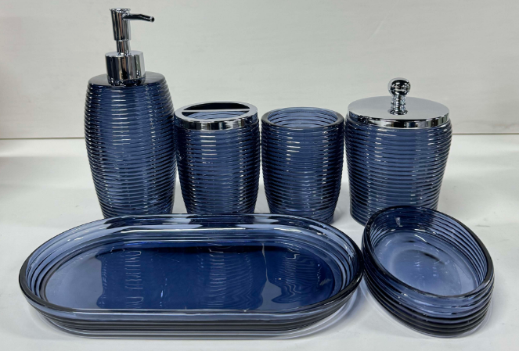 | Natori | Natori 7% | BATH ACCESSORIES(71) | Lian | Glass lotion dispenser,plastic chromed pump head | Glass | 3.2x3.2x7.8"(8.2x8.2x20cm) | Navy blue | NA71-3460 |  | Piece | $2.44 | Normal | 2 pcs LP+1 pc TBH+1 pc TUM+1pc SD+1 pc CJ+1 pc TRAY,mixed into master carton | 31.5 | 28.8 | 28.0 | 17.0 | 9.0 | 20.0 | 8.00 | 2 | 0.003 | 63.00 | 41176 | 2,250 | $0.05 | 8424.89.9000 | 1.8% | 21.8% | $0.53 | $3.03 | 0.00% | $0.00 | 5.00% | $0.27 | $0.00 | 0.00% | $0.00 | $0.27 | $3.29 | 38.43% | $5.35 | 1200 | $3,952.88 | $6,420.00 | 15.24 | 11.3 |  | Yantian,China | China | Aspire
8 |  |  | Natori 7% | BATH ACCESSORIES(72) | Lian | Glass toothbrush Holder, chromed iron cover | Glass | 3x3x4.2"(7.8x7.8x10.8cm) | Navy blue | NA71-3461 |  | Piece | $2.50 | Normal |  |  |  |  | 8.0 | 8.0 | 11.0 | 8.00 | 1 | 0.001 | 63.00 | 89489 | 2,250 | $0.03 | 7013.99.5010 | 30.0% | 50.0% | $1.25 | $3.78 | 0.00% | $0.00 | 5.00% | $0.28 | $0.00 | 0.00% | $0.00 | $0.28 | $4.06 | 28.18% | $5.65 | 600 | $2,434.59 | $3,390.00 |  |  |  | Yantian,China | China | Aspire
9 |  |  | Natori 7% | BATH ACCESSORIES(73) | Lian | Glass Tumbler | Glass | 3x3x3.9'(7.8x7.8x10.1cm ) | Navy blue | NA71-3462 |  | Piece | $2.01 | Normal |  |  |  |  | 8.0 | 8.0 | 11.0 | 8.00 | 1 | 0.001 | 63.00 | 89489 | 2,250 | $0.03 | 7013.99.5010 | 30.0% | 50.0% | $1.01 | $3.04 | 0.00% | $0.00 | 5.00% | $0.23 | $0.00 | 0.00% | $0.00 | $0.23 | $3.27 | 27.44% | $4.50 | 600 | $1,959.09 | $2,700.00 |  |  |  | Yantian,China | China | Aspire
10 |  |  | Natori 7% | BATH ACCESSORIES(74) | Lian | Glass Soap Dish | Glass | 5.4x3.6x1.1"(13.8x9.3x3cm) | Navy blue | NA71-3463 |  | Piece | $1.68 | Normal |  |  |  |  | 14.0 | 10.0 | 3.0 | 8.00 | 1 | 0.00042 | 63.00 | 150000 | 2,250 | $0.02 | 7013.99.5010 | 30.0% | 50.0% | $0.84 | $2.53 | 0.00% | $0.00 | 5.00% | $0.20 | $0.00 | 0.00% | $0.00 | $0.20 | $2.73 | 30.82% | $3.95 | 600 | $1,639.50 | $2,370.00 |  |  |  | Yantian,China | China | Aspire
11 |  |  | Natori 7% | BATH ACCESSORIES(75) | Lian | Glass Cotton jar,chromed iron cover | Glass | 3.7x3.7x5.3"(9.6x9.6x13.6cm) | Navy blue | NA71-3464 |  | Piece | $3.37 | Normal |  |  |  |  | 10.0 | 10.0 | 14.0 | 8.00 | 1 | 0.001 | 63.00 | 45000 | 2,250 | $0.05 | 7013.99.8090 | 11.3% | 31.3% | $1.05 | $4.47 | 0.00% | $0.00 | 5.00% | $0.31 | $0.00 | 0.00% | $0.00 | $0.31 | $4.79 | 23.40% | $6.25 | 600 | $2,872.39 | $3,750.00 |  |  |  | Yantian,China | China | Aspire
12 |  |  | Natori 7% | BATH ACCESSORIES(76) | Lian | Glass Tray | Glass | 10x5.5x0.9"(25.5x14x2.5cm) | Navy blue | NA71-3465 |  | Piece | $3.54 | Normal |  |  |  |  | 26.0 | 14.0 | 3.0 | 8.00 | 1 | 0.001 | 63.00 | 57692 | 2,250 | $0.04 | 7013.99.8090 | 11.3% | 31.3% | $1.11 | $4.69 | 0.00% | $0.00 | 5.00% | $0.33 | $0.00 | 0.00% | $0.00 | $0.33 | $5.01 | 22.89% | $6.50 | 600 | $3,007.21 | $3,900.00 |  |  |  | Yantian,China | China | Aspire
14 | 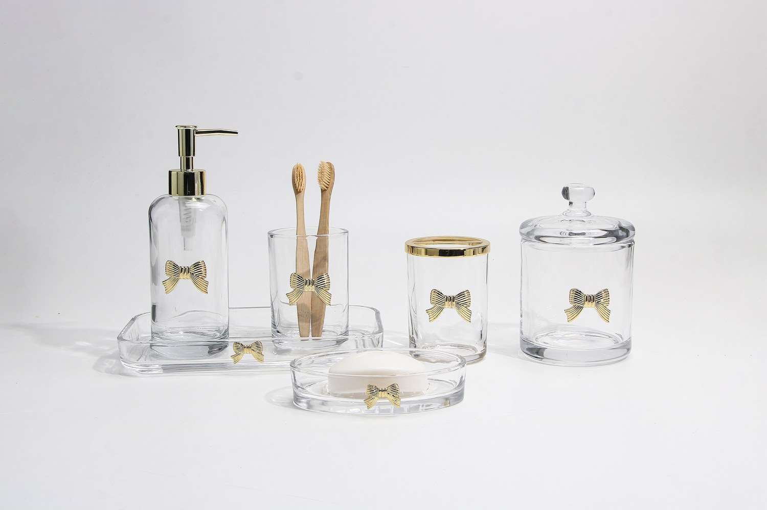 | Laura Ashley | Laura Ashley 5% | BATH ACCESSORIES(71) | Glass Bow | Glass lotion dispenser,plastic shiny golden colour pump head | Glass+alloy | 2.7x2.7x8"(7x7x20.3cm) | clear/gold | LA71-0398 |  | Piece | $3.08 | Normal | 2 pcs LP+1 pc TBH+1 pc TUM+1pc SD+1 pc CJ+1 pc TRAY,mixed into master carton | 29.5 | 29.0 | 21.3 | 14.0 | 7.0 | 21.0 | 8.00 | 2 | 0.002 | 63.00 | 61224 | 2,250 | $0.04 | 8424.89.9000 | 1.8% | 21.8% | $0.67 | $3.79 | 0.00% | $0.00 | 6.00% | $0.38 | $0.00 | 0.00% | $0.00 | $0.38 | $4.16 | 33.39% | $6.25 | 1200 | $4,995.83 | $7,500.00 | 10.93 |  |  | Yantian,China | China | Aspire | BTC quoted tro HG
15 |  |  | Laura Ashley 5% | BATH ACCESSORIES(71) | Glass Bow | Glass toothbrush Holder, shiny golden colour iron cover | Glass+alloy | 2.8x2.8x4"(7.3x7.3x10.3cm) | clear/gold | LA71-0399 |  | Piece | $3.03 | Normal |  |  |  |  | 8.0 | 8.0 | 11.0 | 8.00 | 1 | 0.001 | 63.00 | 89489 | 2,250 | $0.03 | 7013.99.5010 | 30.0% | 50.0% | $1.52 | $4.57 | 0.00% | $0.00 | 6.00% | $0.39 | $0.00 | 0.00% | $0.00 | $0.39 | $4.96 | 23.69% | $6.50 | 600 | $2,976.09 | $3,900.00 |  |  |  | Yantian,China | China | Aspire
16 |  |  | Laura Ashley 5% | BATH ACCESSORIES(71) | Glass Bow | Glass Tumbler | Glass+alloy | 2.8x2.8x4"(7.3x7.3x10.3cm) | clear/gold | LA71-0400 |  | Piece | $2.55 | Normal |  |  |  |  | 8.0 | 8.0 | 11.0 | 8.00 | 1 | 0.001 | 63.00 | 89489 | 2,250 | $0.03 | 7013.99.5010 | 30.0% | 50.0% | $1.28 | $3.85 | 0.00% | $0.00 | 6.00% | $0.36 | $0.00 | 0.00% | $0.00 | $0.36 | $4.21 | 29.83% | $6.00 | 600 | $2,526.09 | $3,600.00 |  |  |  | Yantian,China | China | Aspire
17 |  |  | Laura Ashley 5% | BATH ACCESSORIES(71) | Glass Bow | Glass Soap Dish | Glass+alloy | 5.4x3.5x1.2"(13.8x8.9x3.2cm) | clear/gold | LA71-0401 |  | Piece | $2.39 | Normal |  |  |  |  | 14.0 | 9.0 | 4.0 | 8.00 | 1 | 0.001 | 63.00 | 125000 | 2,250 | $0.02 | 7013.99.5010 | 30.0% | 50.0% | $1.20 | $3.60 | 0.00% | $0.00 | 6.00% | $0.36 | $0.00 | 0.00% | $0.00 | $0.36 | $3.96 | 33.95% | $6.00 | 600 | $2,377.80 | $3,600.00 |  |  |  | Yantian,China | China | Aspire
18 |  |  | Laura Ashley 5% | BATH ACCESSORIES(71) | Glass Bow | Glass Cotton jar | Glass+alloy | 3.9x3.9x5.9"(10x10x15.2cm) | clear/gold | LA71-0402 |  | Piece | $4.22 | Normal |  |  |  |  | 10.0 | 10.0 | 16.0 | 8.00 | 1 | 0.002 | 63.00 | 39375 | 2,250 | $0.06 | 7013.99.8090 | 11.3% | 31.3% | $1.32 | $5.60 | 0.00% | $0.00 | 6.00% | $0.51 | $0.00 | 0.00% | $0.00 | $0.51 | $6.11 | 28.14% | $8.50 | 600 | $3,664.80 | $5,100.00 |  |  |  | Yantian,China | China | Aspire
19 |  |  | Laura Ashley 5% | BATH ACCESSORIES(71) | Glass Bow | Glass Tray | Glass+alloy | 9.2x5.1x1.2"(23.4x13x3.2cm) | clear/gold | LA71-0403 |  | Piece | $4.10 | Normal |  |  |  |  | 24.0 | 13.0 | 4.0 | 8.00 | 1 | 0.001 | 63.00 | 50481 | 2,250 | $0.04 | 7013.99.8090 | 11.3% | 31.3% | $1.28 | $5.43 | 0.00% | $0.00 | 6.00% | $0.51 | $0.00 | 0.00% | $0.00 | $0.51 | $5.94 | 30.14% | $8.50 | 600 | $3,562.72 | $5,100.00 |  |  |  | Yantian,China | China | Aspire
21 | 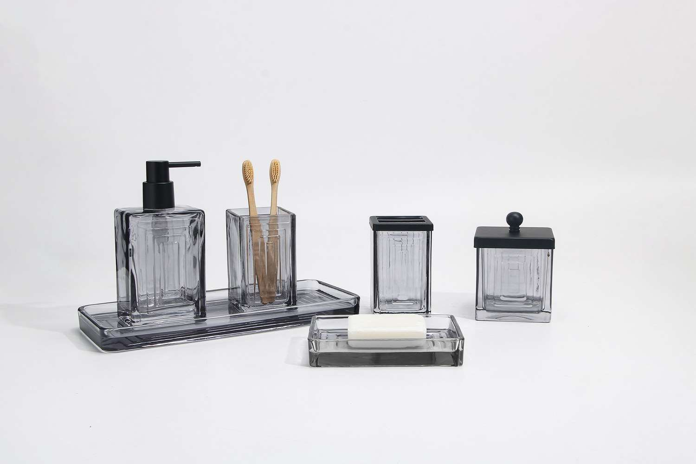 | Natori | Natori 7% | BATH ACCESSORIES(71) | Shaw | Glass lotion dispenser,plastic black pump head | Glass | 3.3x2.6x6.9"(8.5x6.6x17.6cm) | grey | NA71-3466 |  | Piece | $2.76 | Normal | 2 pcs LP+1 pc TBH+1 pc TUM+1pc SD+1 pc CJ+1 pc TRAY,mixed into master carton | 30.8 | 27.2 | 22.7 | 17.0 | 7.0 | 18.0 | 8.00 | 2 | 0.002 | 63.00 | 58824 | 2,250 | $0.04 | 8424.89.9000 | 1.8% | 21.8% | $0.60 | $3.40 | 0.00% | $0.00 | 5.00% | $0.29 | $0.00 | 0.00% | $0.00 | $0.29 | $3.69 | 35.87% | $5.75 | 1200 | $4,424.92 | $6,900.00 | 11.41 |  |  | Yantian,China | China | Aspire
22 |  |  | Natori 7% | BATH ACCESSORIES(71) | Shaw | Glass toothbrush Holder,black iron cover | Glass | 3x2.6x4.4"(7.7x6.7x11.2cm） | grey | NA71-3467 |  | Piece | $2.63 | Normal |  |  |  |  | 8.0 | 7.0 | 12.0 | 8.00 | 1 | 0.001 | 63.00 | 93750 | 2,250 | $0.02 | 7013.99.5010 | 30.0% | 50.0% | $1.32 | $3.97 | 0.00% | $0.00 | 5.00% | $0.30 | $0.00 | 0.00% | $0.00 | $0.30 | $4.27 | 28.29% | $5.95 | 600 | $2,559.90 | $3,570.00 |  |  |  | Yantian,China | China | Aspire
23 |  |  | Natori 7% | BATH ACCESSORIES(71) | Shaw | Glass Tumbler | Glass | 3x2.6x4.4"(7.7x6.7x11.2cm） | grey | NA71-3468 |  | Piece | $2.14 | Normal |  |  |  |  | 8.0 | 7.0 | 12.0 | 8.00 | 1 | 0.001 | 63.00 | 93750 | 2,250 | $0.02 | 7013.99.5010 | 30.0% | 50.0% | $1.07 | $3.23 | 0.00% | $0.00 | 5.00% | $0.24 | $0.00 | 0.00% | $0.00 | $0.24 | $3.47 | 27.62% | $4.80 | 600 | $2,084.40 | $2,880.00 |  |  |  | Yantian,China | China | Aspire
24 |  |  | Natori 7% | BATH ACCESSORIES(71) | Shaw | Glass Soap Dish | Glass | 5.9x4x1"（15x10.3x2.7cm） | grey | NA71-3469 |  | Piece | $1.82 | Normal |  |  |  |  | 15.0 | 11.0 | 3.0 | 8.00 | 1 | 0.00050 | 63.00 | 127273 | 2,250 | $0.02 | 7013.99.5010 | 30.0% | 50.0% | $0.91 | $2.75 | 0.00% | $0.00 | 5.00% | $0.20 | $0.00 | 0.00% | $0.00 | $0.20 | $2.95 | 26.31% | $4.00 | 600 | $1,768.61 | $2,400.00 |  |  |  | Yantian,China | China | Aspire
25 |  |  | Natori 7% | BATH ACCESSORIES(71) | Shaw | Glass cotton jar,black iron cover | Glass | 3.3x3.3x4.8"（8.6x8.6x12.2cm） | grey | NA71-3470 |  | Piece | $3.74 | Normal |  |  |  |  | 9.0 | 9.0 | 13.0 | 8.00 | 1 | 0.001 | 63.00 | 59829 | 2,250 | $0.04 | 7013.99.8090 | 11.3% | 31.3% | $1.17 | $4.95 | 0.00% | $0.00 | 5.00% | $0.36 | $0.00 | 0.00% | $0.00 | $0.36 | $5.31 | 26.75% | $7.25 | 600 | $3,186.44 | $4,350.00 |  |  |  | Yantian,China | China | Aspire
26 |  |  | Natori 7% | BATH ACCESSORIES(71) | Shaw | Glass Tray | Glass | 11.9x5x0.9"（30.4x12.8x2.5cm） | grey | NA71-3471 |  | Piece | $3.94 | Normal |  |  |  |  | 31.0 | 13.0 | 3.0 | 8.00 | 1 | 0.001 | 63.00 | 52109 | 2,250 | $0.04 | 7013.99.8090 | 11.3% | 31.3% | $1.23 | $5.22 | 0.00% | $0.00 | 5.00% | $0.38 | $0.00 | 0.00% | $0.00 | $0.38 | $5.59 | 25.45% | $7.50 | 600 | $3,354.84 | $4,500.00 |  |  |  | Yantian,China | China | Aspire
28 |  | Laura Ashley | Laura Ashley 5% | BATH ACCESSORIES(71) | LA Millie | Resin Lotion Pump(w/stainless pump) | Resin | 3x3x8.2" | Grey | LA71-0404 |  | Piece | $2.55 | Normal | 2 pcs LP+1 pc TBH+1 pc TUM+1 pc SD+1pc CJ+1pc Tray+ 1pc WB+1pc BB+1pc Towel Holder 10pcs混装入外箱--镜子和毛巾束入保利龙装一个内盒 | 47.5 | 28.0 | 42.5 | 17.0 | 8.5 | 20.5 | 8.00 | 2 | 0.003 | 63.00 | 42535 | 2,250 | $0.05 | 8424.89.9000 | 1.8% | 21.8% | $0.56 | $3.16 | 0.00% | $0.00 | 6.00% | $0.33 | $0.00 | 0.00% | $0.00 | $0.33 | $3.49 | 36.57% | $5.50 | 1000 | $3,488.80 | $5,500.00 | 28.26 |  |  | Yantian,China | China | S-DGJY
29 |  |  | Laura Ashley 5% | BATH ACCESSORIES(71) | LA Millie | Resin Toothbrush holder | Resin | 4.5x2.5x4.25" | Grey | LA71-0405 |  | Piece | $1.62 | Normal |  |  |  |  | 12.0 | 7.0 | 13.0 | 8.00 | 1 | 0.001 | 63.00 | 57692 | 2,250 | $0.04 | 3924.10.4000 | 3.4% | 23.4% | $0.38 | $2.04 | 0.00% | $0.00 | 6.00% | $0.21 | $0.00 | 0.00% | $0.00 | $0.21 | $2.25 | 34.93% | $3.45 | 500 | $1,122.54 | $1,725.00 |  |  |  | Yantian,China | China | S-DGJY
30 |  |  | Laura Ashley 5% | BATH ACCESSORIES(71) | LA Millie | Resin Tumbler | Resin | 3x3x4.25" | Grey | LA71-0406 |  | Piece | $1.49 | Normal |  |  |  |  | 8.5 | 8.5 | 12.5 | 8.00 | 1 | 0.001 | 63.00 | 69758 | 2,250 | $0.03 | 3924.10.4000 | 3.4% | 23.4% | $0.35 | $1.87 | 0.00% | $0.00 | 6.00% | $0.20 | $0.00 | 0.00% | $0.00 | $0.20 | $2.07 | 36.43% | $3.25 | 500 | $1,032.96 | $1,625.00 |  |  |  | Yantian,China | China | S-DGJY
31 |  |  | Laura Ashley 5% | BATH ACCESSORIES(71) | LA Millie | Resin Soap dish | Resin | 5.375x3.875x1.125" | Grey | LA71-0407 |  | Piece | $1.49 | Normal |  |  |  |  | 15.0 | 4.0 | 11.5 | 8.00 | 1 | 0.001 | 63.00 | 91304 | 2,250 | $0.02 | 3924.10.4000 | 3.4% | 23.4% | $0.35 | $1.86 | 0.00% | $0.00 | 6.00% | $0.20 | $0.00 | 0.00% | $0.00 | $0.20 | $2.06 | 36.67% | $3.25 | 500 | $1,029.15 | $1,625.00 |  |  |  | Yantian,China | China | S-DGJY
32 |  |  | Laura Ashley 5% | BATH ACCESSORIES(71) | LA Millie | Resin Cotton jar | Resin | 4x4x4.5" | Grey | LA71-0408 |  | Piece | $2.20 | Normal |  |  |  |  | 15.0 | 4.0 | 11.5 | 8.00 | 1 | 0.001 | 63.00 | 91304 | 2,250 | $0.02 | 3924.10.4000 | 3.4% | 23.4% | $0.51 | $2.74 | 0.00% | $0.00 | 6.00% | $0.26 | $0.00 | 0.00% | $0.00 | $0.26 | $2.99 | 29.54% | $4.25 | 500 | $1,497.22 | $2,125.00 |  |  |  | Yantian,China | China | S-DGJY
33 |  |  | Laura Ashley 5% | BATH ACCESSORIES(71) | LA Millie | Resin 2Hole Organizer | Resin | 5.25x2.875x4" | Grey | LA71-0409 |  | Piece | $2.25 | Normal |  |  |  |  | 17.0 | 9.0 | 12.0 | 8.00 | 1 | 0.002 | 63.00 | 34314 | 2,250 | $0.07 | 3924.10.4000 | 3.4% | 23.4% | $0.53 | $2.84 | 0.00% | $0.00 | 6.00% | $0.29 | $0.00 | 0.00% | $0.00 | $0.29 | $3.13 | 34.17% | $4.75 | 500 | $1,563.54 | $2,375.00 |  |  |  | Yantian,China | China | S-DGJY
34 |  |  | Laura Ashley 5% | BATH ACCESSORIES(71) | LA Millie | Resin Tray | Resin | 10x5.25x1.125" | Grey | LA71-0410 |  | Piece | $2.69 | Normal |  |  |  |  | 14.0 | 14.0 | 32.5 | 8.00 | 1 | 0.006 | 63.00 | 9890 | 2,250 | $0.23 | 3924.10.4000 | 3.4% | 23.4% | $0.63 | $3.55 | 0.00% | $0.00 | 6.00% | $0.33 | $0.00 | 0.00% | $0.00 | $0.33 | $3.88 | 29.51% | $5.50 | 500 | $1,938.48 | $2,750.00 |  |  |  | Yantian,China | China | S-DGJY
35 |  |  | Laura Ashley 5% | BATH ACCESSORIES(71) | LA Millie | Resin Tower Holder with Chrome metal | Resin | 5x5x12" | Grey | LA71-0411 |  | Piece | $3.78 | Normal |  |  |  |  | 11.0 | 11.0 | 40.0 | 8.00 | 1 | 0.005 | 63.00 | 13017 | 2,250 | $0.17 | 3924.10.4000 | 3.4% | 23.4% | $0.88 | $4.84 | 0.00% | $0.00 | 6.00% | $0.47 | $0.00 | 0.00% | $0.00 | $0.47 | $5.31 | 32.38% | $7.85 | 500 | $2,654.19 | $3,925.00 |  |  |  | Yantian,China | China | S-DGJY
36 |  |  | Laura Ashley 5% | BATH ACCESSORIES(71) | LA Millie | Resin Brush holder | Resin | 3.875x3.875x16.3" | Grey | LA71-0412 |  | Piece | $3.93 | Normal |  |  |  |  | 12.0 | 12.0 | 43.0 | 8.00 | 1 | 0.006 | 63.00 | 10174 | 2,250 | $0.22 | 3924.10.4000 | 3.4% | 23.4% | $0.92 | $5.07 | 0.00% | $0.00 | 6.00% | $0.44 | $0.00 | 0.00% | $0.00 | $0.44 | $5.51 | 25.01% | $7.35 | 500 | $2,755.88 | $3,675.00 |  |  |  | Yantian,China | China | S-DGJY
37 |  |  | Laura Ashley 5% | BATH ACCESSORIES(71) | LA Millie | Resin Tissue Cover | Resin | 6x6x6" | Grey | LA71-0413 |  | Piece | $4.29 | Normal |  |  |  |  | 21.0 | 21.0 | 22.0 | 8.00 | 1 | 0.010 | 63.00 | 6494 | 2,250 | $0.35 | 3924.10.4000 | 3.4% | 23.4% | $1.00 | $5.64 | 0.00% | $0.00 | 6.00% | $0.48 | $0.00 | 0.00% | $0.00 | $0.48 | $6.12 | 23.05% | $7.95 | 500 | $3,058.68 | $3,975.00 |  |  |  | Yantian,China | China | S-DGJY
38 |  |  | Laura Ashley 5% | BATH ACCESSORIES(71) | LA Millie | Resin Wastebasket | Resin | 8x8x10" | Grey | LA71-0414 |  | Piece | $6.40 | Normal |  |  |  |  | 25.0 | 25.0 | 30.0 | 8.00 | 1 | 0.019 | 63.00 | 3360 | 2,250 | $0.67 | 3924.10.4000 | 3.4% | 23.4% | $1.50 | $8.57 | 0.00% | $0.00 | 6.00% | $0.83 | $0.00 | 0.00% | $0.00 | $0.83 | $9.39 | 31.69% | $13.75 | 500 | $4,696.12 | $6,875.00 |  |  |  | Yantian,China | China | S-DGJY
40 | 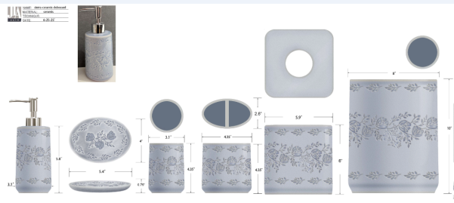 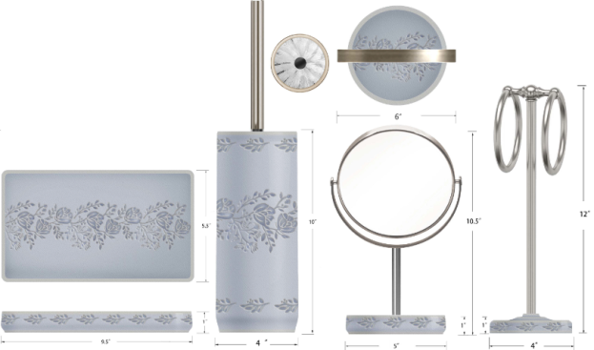 | Laura Ashley | Laura Ashley 5% | BATH ACCESSORIES(71) | SIERRA | ceramic Lotion Pump(w/stainless pump) | stoneware DEBOSSED | 3.1x3.1x8.16 | blue | LA71-0415 |  | Piece | $2.10 | Normal | 2 pcs LP+1 pc TBH+1 pc TUM+1 pc SD+1pc CJ+1pc Tray+1pc TC+1pc WB+1pc Mirror+1pc Towel Bar+1pc BB混装入外箱--（垃圾桶/镜架/毛巾环入保利龙装一个内盒） | 50 | 40 | 45 | 18.7 | 10.9 | 23.7 | 8.00 | 2 | 0.005 | 63.00 | 26083 | 2,250 | $0.09 | 8424.89.9000 | 1.8% | 21.8% | $0.46 | $2.64 | 0.00% | $0.00 | 6.00% | $0.27 | $0.00 | 0.00% | $0.00 | $0.27 | $2.91 | 35.24% | $4.50 | 1000 | $2,914.06 | $4,500.00 | 45.00 |  |  | yantian | china | S-CZCW
41 |  |  | Laura Ashley 5% | BATH ACCESSORIES(71) | SIERRA | ceramic Toothbrush holder | stoneware DEBOSSED | 4.35x2.6x4.35 | blue | LA71-0416 |  | Piece | $1.48 | Normal |  |  |  |  | 13.0 | 8.6 | 13.0 | 8.00 | 1 | 0.001 | 63.00 | 43347 | 2,250 | $0.05 | 6912.00.5000 | 6.0% | 26.0% | $0.38 | $1.92 | 0.00% | $0.00 | 6.00% | $0.19 | $0.00 | 0.00% | $0.00 | $0.19 | $2.11 | 33.15% | $3.15 | 500 | $1,052.85 | $1,575.00 |  |  |  | yantian | china | S-CZCW
42 |  |  | Laura Ashley 5% | BATH ACCESSORIES(71) | SIERRA | ceramic Tumbler | stoneware DEBOSSED | 3.1x3.1x4.35 | blue | LA71-0417 |  | Piece | $1.42 | Normal |  |  |  |  | 9.9 | 9.9 | 13.0 | 8.00 | 1 | 0.001 | 63.00 | 49446 | 2,250 | $0.05 | 6912.00.5000 | 6.0% | 26.0% | $0.37 | $1.83 | 0.00% | $0.00 | 6.00% | $0.19 | $0.00 | 0.00% | $0.00 | $0.19 | $2.02 | 35.76% | $3.15 | 500 | $1,011.85 | $1,575.00 |  |  |  | yantian | china | S-CZCW
43 |  |  | Laura Ashley 5% | BATH ACCESSORIES(71) | SIERRA | ceramic Soap dish | stoneware DEBOSSED | 5.4x4x0.75 | blue | LA71-0418 |  | Piece | $1.37 | Normal |  |  |  |  | 15.7 | 3.9 | 12.2 | 8.00 | 1 | 0.001 | 63.00 | 84337 | 2,250 | $0.03 | 6912.00.5000 | 6.0% | 26.0% | $0.36 | $1.75 | 0.00% | $0.00 | 6.00% | $0.18 | $0.00 | 0.00% | $0.00 | $0.18 | $1.93 | 34.58% | $2.95 | 500 | $964.94 | $1,475.00 |  |  |  | yantian | china | S-CZCW
44 |  |  | Laura Ashley 5% | BATH ACCESSORIES(71) | SIERRA | ceramic Cotton jar | stoneware DEBOSSED | 9.5x5.5x1 | blue | LA71-0419 |  | Piece | $2.28 | Normal |  |  |  |  | 26.1 | 4.5 | 16.0 | 8.00 | 1 | 0.002 | 63.00 | 33525 | 2,250 | $0.07 | 6912.00.5000 | 6.0% | 26.0% | $0.59 | $2.94 | 0.00% | $0.00 | 6.00% | $0.29 | $0.00 | 0.00% | $0.00 | $0.29 | $3.23 | 33.38% | $4.85 | 500 | $1,615.46 | $2,425.00 |  |  |  | yantian | china | S-CZCW
45 |  |  | Laura Ashley 5% | BATH ACCESSORIES(71) | SIERRA | ceramic Tray | stoneware DEBOSSED | 5.9x5.9x6 | blue | LA71-0420 |  | Piece | $4.30 | Normal |  |  |  |  | 21.0 | 21.0 | 21.2 | 8.00 | 1 | 0.009 | 63.00 | 6739 | 2,250 | $0.33 | 6912.00.5000 | 6.0% | 26.0% | $1.12 | $5.75 | 0.00% | $0.00 | 6.00% | $0.51 | $0.00 | 0.00% | $0.00 | $0.51 | $6.26 | 26.33% | $8.50 | 500 | $3,130.95 | $4,250.00 |  |  |  | yantian | china | S-CZCW
46 |  |  | Laura Ashley 5% | BATH ACCESSORIES(71) | SIERRA | ceramic Tissue cover | stoneware DEBOSSED | 8x8x10 | blue | LA71-0421 |  | Piece | $7.60 | Normal |  |  |  |  | 26.3 | 26.3 | 31.4 | 8.00 | 1 | 0.022 | 63.00 | 2901 | 2,250 | $0.78 | 6912.00.5000 | 6.0% | 26.0% | $1.98 | $10.35 | 0.00% | $0.00 | 6.00% | $0.90 | $0.00 | 0.00% | $0.00 | $0.90 | $11.25 | 24.99% | $15.00 | 500 | $5,625.84 | $7,500.00 |  |  |  | yantian | china | S-CZCW
47 |  |  | Laura Ashley 5% | BATH ACCESSORIES(71) | SIERRA | ceramic Wastebasket | stoneware DEBOSSED | 6.6x6.6x10.5 | blue | LA71-0422 |  | Piece | $4.16 | Normal |  |  |  |  | 22.8 | 22.8 | 32.7 | 8.00 | 1 | 0.017 | 63.00 | 3706 | 2,250 | $0.61 | 6912.00.5000 | 6.0% | 26.0% | $1.08 | $5.85 | 0.00% | $0.00 | 6.00% | $0.51 | $0.00 | 0.00% | $0.00 | $0.51 | $6.36 | 25.19% | $8.50 | 500 | $3,179.35 | $4,250.00 |  |  |  | yantian | china | S-CZCW
48 |  |  | Laura Ashley 5% | BATH ACCESSORIES(71) | SIERRA | ceramic + glass Mirror | stoneware DEBOSSED | 4x4x23 | blue | LA71-0423 |  | Piece | $4.16 | Normal |  |  |  |  | 16.2 | 16.2 | 36.5 | 8.00 | 1 | 0.010 | 63.00 | 6577 | 2,250 | $0.34 | 6912.00.5000 | 6.0% | 26.0% | $1.08 | $5.58 | 0.00% | $0.00 | 6.00% | $0.51 | $0.00 | 0.00% | $0.00 | $0.51 | $6.09 | 28.31% | $8.50 | 500 | $3,046.85 | $4,250.00 |  |  |  | yantian | china | S-CZCW
49 |  |  | Laura Ashley 5% | BATH ACCESSORIES(71) | SIERRA | ceramic 2 hole Organizer | stoneware DEBOSSED | 6x3.07x4 | blue | LA71-0424 |  | Piece | $2.30 | Normal |  |  |  |  | 17.2 | 9.8 | 12.2 | 8.00 | 1 | 0.002 | 63.00 | 30636 | 2,250 | $0.07 | 6912.00.5000 | 6.0% | 26.0% | $0.60 | $2.97 | 0.00% | $0.00 | 6.00% | $0.29 | $0.00 | 0.00% | $0.00 | $0.29 | $3.26 | 31.44% | $4.75 | 500 | $1,628.22 | $2,375.00 |  |  |  | yantian | china | S-CZCW
50 |  |  | Laura Ashley 5% | BATH ACCESSORIES(71) | SIERRA | ceramic Toilet brush holder | stoneware DEBOSSED | 4x4x14.75 | blue | LA71-0425 |  | Piece | $4.28 | Normal |  |  |  |  | 12.2 | 12.2 | 43.5 | 8.00 | 1 | 0.006 | 63.00 | 9730 | 2,250 | $0.23 | 6912.00.5000 | 6.0% | 26.0% | $1.11 | $5.62 | 0.00% | $0.00 | 6.00% | $0.51 | $0.00 | 0.00% | $0.00 | $0.51 | $6.13 | 27.83% | $8.50 | 500 | $3,067.02 | $4,250.00 |  |  |  | yantian | china | S-CZCW
 |  |  | Laura Ashley 5% | BATH ACCESSORIES(71) | SIERRA | ceramic Toilet brush holder | stoneware DEBOSSED | 4x4x14.75 | blue | LA71-0426 |  | Piece | $4.38 | Normal |  |  |  |  | 12.2 | 12.2 | 43.5 | 8.00 | 1 | 0.006 | 63.00 | 9730 | 2,250 | $0.23 | 6912.00.5000 | 6.0% | 26.0% | $1.14 | $5.75 | 0.00% | $0.00 | 6.00% | $0.51 | $0.00 | 0.00% | $0.00 | $0.51 | $6.26 | 26.35% | $8.50 | 500 | $3,130.02 | $4,250.00 |  |  |  | yantian | china | S-CZCW
 | 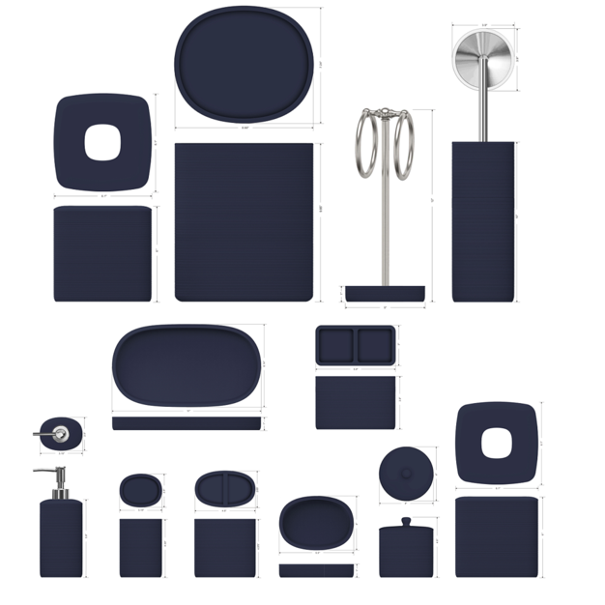 | Natori | Natori 7% | BATH ACCESSORIES(71) | Tanza | Resin Lotion Pump(w/stainless pump) | Resin soft touch | 3.2x2.5x9.1" | Blue | NA71-3472 |  | Piece | $2.50 | Normal | 2 pcs LP+1 pc TBH+1 pc TUM+1 pc SD+1pc CJ+1pc Tray+ 1pc WB+1pc BB+1pc Towel Holder 10pcs混装入外箱--镜子和毛巾束入保利龙装一个内盒 | 47.5 | 28.0 | 42.5 | 17.0 | 8.5 | 20.5 | 8.00 | 2 | 0.003 | 63.00 | 42535 | 2,250 | $0.05 | 8424.89.9000 | 1.8% | 21.8% | $0.55 | $3.10 | 0.00% | $0.00 | 5.00% | $0.25 | $0.00 | 0.00% | $0.00 | $0.25 | $3.35 | 32.42% | $4.95 | 1000 | $3,345.40 | $4,950.00 | 28.26 |  |  | Yantian,China | China | S-DGJY
 |  |  | Natori 7% | BATH ACCESSORIES(71) | Tanza | Resin Toothbrush holder | Resin soft touch | 4.5x2.65x4.375 | Blue | NA71-3473 |  | Piece | $1.56 | Normal |  |  |  |  | 12.0 | 7.0 | 13.0 | 8.00 | 1 | 0.001 | 63.00 | 57692 | 2,250 | $0.04 | 3924.10.4000 | 3.4% | 23.4% | $0.37 | $1.96 | 0.00% | $0.00 | 5.00% | $0.16 | $0.00 | 0.00% | $0.00 | $0.16 | $2.12 | 32.65% | $3.15 | 500 | $1,060.77 | $1,575.00 |  |  |  | Yantian,China | China | S-DGJY
 |  |  | Natori 7% | BATH ACCESSORIES(71) | Tanza | Resin Tumbler | Resin soft touch | 3.15x2.5x4.33 | Blue | NA71-3474 |  | Piece | $1.44 | Normal |  |  |  |  | 8.5 | 8.5 | 12.5 | 8.00 | 1 | 0.001 | 63.00 | 69758 | 2,250 | $0.03 | 3924.10.4000 | 3.4% | 23.4% | $0.34 | $1.81 | 0.00% | $0.00 | 5.00% | $0.15 | $0.00 | 0.00% | $0.00 | $0.15 | $1.96 | 33.67% | $2.95 | 500 | $978.36 | $1,475.00 |  |  |  | Yantian,China | China | S-DGJY
 |  |  | Natori 7% | BATH ACCESSORIES(71) | Tanza | Resin Soap dish | Resin soft touch | 4.7x3.9x1" | Blue | NA71-3475 |  | Piece | $1.44 | Normal |  |  |  |  | 15.0 | 4.0 | 11.5 | 8.00 | 1 | 0.001 | 63.00 | 91304 | 2,250 | $0.02 | 3924.10.4000 | 3.4% | 23.4% | $0.34 | $1.80 | 0.00% | $0.00 | 5.00% | $0.15 | $0.00 | 0.00% | $0.00 | $0.15 | $1.95 | 33.93% | $2.95 | 500 | $974.55 | $1,475.00 |  |  |  | Yantian,China | China | S-DGJY
 |  |  | Natori 7% | BATH ACCESSORIES(71) | Tanza | Resin Cotton jar | Resin soft touch | 4x4x4.25 | Blue | NA71-3476 |  | Piece | $2.16 | Normal |  |  |  |  | 15.0 | 4.0 | 11.5 | 8.00 | 1 | 0.001 | 63.00 | 91304 | 2,250 | $0.02 | 3924.10.4000 | 3.4% | 23.4% | $0.51 | $2.69 | 0.00% | $0.00 | 5.00% | $0.23 | $0.00 | 0.00% | $0.00 | $0.23 | $2.92 | 35.22% | $4.50 | 500 | $1,457.54 | $2,250.00 |  |  |  | Yantian,China | China | S-DGJY
 |  |  | Natori 7% | BATH ACCESSORIES(71) | Tanza | Resin 2Hole Organizer | Resin soft touch | 5.9x3x3.9 | Blue | NA71-3477 |  | Piece | $2.20 | Normal |  |  |  |  | 17.0 | 9.0 | 12.0 | 8.00 | 1 | 0.002 | 63.00 | 34314 | 2,250 | $0.07 | 3924.10.4000 | 3.4% | 23.4% | $0.51 | $2.78 | 0.00% | $0.00 | 5.00% | $0.23 | $0.00 | 0.00% | $0.00 | $0.23 | $3.01 | 33.21% | $4.50 | 500 | $1,502.69 | $2,250.00 |  |  |  | Yantian,China | China | S-DGJY
 |  |  | Natori 7% | BATH ACCESSORIES(71) | Tanza | Resin Tray | Resin soft touch | 11x6.14x1 | Blue | NA71-3478 |  | Piece | $2.62 | Normal |  |  |  |  | 14.0 | 14.0 | 32.5 | 8.00 | 1 | 0.006 | 63.00 | 9890 | 2,250 | $0.23 | 3924.10.4000 | 3.4% | 23.4% | $0.61 | $3.46 | 0.00% | $0.00 | 5.00% | $0.26 | $0.00 | 0.00% | $0.00 | $0.26 | $3.72 | 29.08% | $5.25 | 500 | $1,861.54 | $2,625.00 |  |  |  | Yantian,China | China | S-DGJY
 |  |  | Natori 7% | BATH ACCESSORIES(71) | Tanza | Resin Tower Holder with Chrome metal | Resin soft touch | 5x5x12" | Blue | NA71-3479 |  | Piece | $3.71 | Normal |  |  |  |  | 11.0 | 11.0 | 40.0 | 8.00 | 1 | 0.005 | 63.00 | 13017 | 2,250 | $0.17 | 3924.10.4000 | 3.4% | 23.4% | $0.87 | $4.75 | 0.00% | $0.00 | 5.00% | $0.38 | $0.00 | 0.00% | $0.00 | $0.38 | $5.13 | 31.65% | $7.50 | 500 | $2,563.00 | $3,750.00 |  |  |  | Yantian,China | China | S-DGJY
 |  |  | Natori 7% | BATH ACCESSORIES(71) | Tanza | Resin Brush holder | Resin soft touch | 3.86x3.86x15" | Blue | NA71-3480 |  | Piece | $3.86 | Normal |  |  |  |  | 12.0 | 12.0 | 43.0 | 8.00 | 1 | 0.006 | 63.00 | 10174 | 2,250 | $0.22 | 3924.10.4000 | 3.4% | 23.4% | $0.90 | $4.98 | 0.00% | $0.00 | 5.00% | $0.38 | $0.00 | 0.00% | $0.00 | $0.38 | $5.36 | 28.54% | $7.50 | 500 | $2,679.69 | $3,750.00 |  |  |  | Yantian,China | China | S-DGJY
 |  |  | Natori 7% | BATH ACCESSORIES(71) | Tanza | Resin Tissue Cover | Resin soft touch | 6.1x6.1x6` | Blue | NA71-3481 |  | Piece | $4.19 | Normal |  |  |  |  | 21.0 | 21.0 | 22.0 | 8.00 | 1 | 0.010 | 63.00 | 6494 | 2,250 | $0.35 | 3924.10.4000 | 3.4% | 23.4% | $0.98 | $5.52 | 0.00% | $0.00 | 5.00% | $0.41 | $0.00 | 0.00% | $0.00 | $0.41 | $5.93 | 28.13% | $8.25 | 500 | $2,964.73 | $4,125.00 |  |  |  | Yantian,China | China | S-DGJY
 |  |  | Natori 7% | BATH ACCESSORIES(71) | Tanza | Resin Wastebasket | Resin soft touch | 8.66x7.24x10.2 | Blue | NA71-3482 |  | Piece | $6.29 | Normal |  |  |  |  | 25.0 | 25.0 | 30.0 | 8.00 | 1 | 0.019 | 63.00 | 3360 | 2,250 | $0.67 | 3924.10.4000 | 3.4% | 23.4% | $1.47 | $8.43 | 0.00% | $0.00 | 5.00% | $0.64 | $0.00 | 0.00% | $0.00 | $0.64 | $9.07 | 28.87% | $12.75 | 500 | $4,534.50 | $6,375.00 |  |  |  | Yantian,China | China | S-DGJY
 |  |  | Natori 7% | BATH ACCESSORIES(71) | Tanza | Resin Spinner | Resin soft touch | 6x6x5.3" | Blue | NA71-3483 |  | Piece | $4.36 | Normal |  |  |  |  | 17.0 | 17.0 | 15.0 | 8.00 | 1 | 0.004 | 63.00 | 14533 | 2,250 | $0.15 | 3924.10.4000 | 3.4% | 23.4% | $1.02 | $5.54 | 0.00% | $0.00 | 5.00% | $0.40 | $0.00 | 0.00% | $0.00 | $0.40 | $5.94 | 25.81% | $8.00 | 500 | $2,967.53 | $4,000.00 |  |  |  | Yantian,China | China | S-DGJY
 |  | Laura Ashley | Laura Ashley 5% | BATH ACCESSORIES(71) | HEMINGWAY | Resin Lotion Pump(chrome stainless steel pump ) | sand | 3x3x8.3" | new sage | LA71-0427 |  | Piece | $2.20 | Normal | 2 pcs LP+1 pc TBH+1 pc TUM+1 pc SD+1pc CJ+1pc Tray+1 pc 2 ORG+1pc TC+1pc WB+1pc BBH+1pc mirror+1pc holder混装入外箱 | 54.0 | 28.0 | 41.0 | 17.5 | 8.5 | 23.0 | 8.00 | 2 | 0.003 | 63.00 | 36829 | 2,250 | $0.06 | 8424.89.9000 | 1.8% | 21.8% | $0.48 | $2.74 | 0.00% | $0.00 | 6.00% | $0.27 | $0.00 | 0.00% | $0.00 | $0.27 | $3.01 | 33.10% | $4.50 | 1000 | $3,010.69 | $4,500.00 | 31.00 |  |  | Yantian,China | China | S-DGDH
 |  |  | Laura Ashley 5% | BATH ACCESSORIES(71) | HEMINGWAY | Resin Toothbrush holder | sand | 3x3x4.36" | new sage | LA71-0428 |  | Piece | $1.42 | Normal |  |  |  |  | 8.5 | 8.5 | 13.0 | 8.00 | 1 | 0.001 | 63.00 | 67075 | 2,250 | $0.03 | 3924.10.4000 | 3.4% | 23.4% | $0.33 | $1.79 | 0.00% | $0.00 | 6.00% | $0.18 | $0.00 | 0.00% | $0.00 | $0.18 | $1.96 | 33.46% | $2.95 | 500 | $981.41 | $1,475.00 |  |  |  | Yantian,China | China | S-DGDH
 |  |  | Laura Ashley 5% | BATH ACCESSORIES(71) | HEMINGWAY | Resin Tumbler | sand | 4.3x2.65x4.3" | new sage | LA71-0429 |  | Piece | $1.35 | Normal |  |  |  |  | 12.0 | 8.0 | 13.0 | 8.00 | 1 | 0.001 | 63.00 | 50481 | 2,250 | $0.04 | 3924.10.4000 | 3.4% | 23.4% | $0.32 | $1.71 | 0.00% | $0.00 | 6.00% | $0.16 | $0.00 | 0.00% | $0.00 | $0.16 | $1.88 | 31.80% | $2.75 | 500 | $937.74 | $1,375.00 |  |  |  | Yantian,China | China | S-DGDH
 |  |  | Laura Ashley 5% | BATH ACCESSORIES(71) | HEMINGWAY | Resin Soap dish | sand | 5.46x4x1" | new sage | LA71-0430 |  | Piece | $1.35 | Normal |  |  |  |  | 11.0 | 3.5 | 15.5 | 8.00 | 1 | 0.001 | 63.00 | 105572 | 2,250 | $0.02 | 3924.10.4000 | 3.4% | 23.4% | $0.32 | $1.69 | 0.00% | $0.00 | 6.00% | $0.16 | $0.00 | 0.00% | $0.00 | $0.16 | $1.85 | 32.65% | $2.75 | 500 | $926.11 | $1,375.00 |  |  |  | Yantian,China | China | S-DGDH
 |  |  | Laura Ashley 5% | BATH ACCESSORIES(71) | HEMINGWAY | Resin Tray | sand | 9.5x5.5x1" | new sage | LA71-0431 |  | Piece | $2.55 | Normal |  |  |  |  | 15.0 | 3.5 | 26.0 | 8.00 | 1 | 0.001 | 63.00 | 46154 | 2,250 | $0.05 | 3924.10.4000 | 3.4% | 23.4% | $0.60 | $3.20 | 0.00% | $0.00 | 6.00% | $0.28 | $0.00 | 0.00% | $0.00 | $0.28 | $3.47 | 25.28% | $4.65 | 500 | $1,737.23 | $2,325.00 |  |  |  | Yantian,China | China | S-DGDH
 |  |  | Laura Ashley 5% | BATH ACCESSORIES(71) | HEMINGWAY | Resin 2 Hole Organizer | sand | 5.9x3.07x3.94" | new sage | LA71-0432 |  | Piece | $2.25 | Normal |  |  |  |  | 16.0 | 9.0 | 12.0 | 8.00 | 1 | 0.002 | 63.00 | 36458 | 2,250 | $0.06 | 3924.10.4000 | 3.4% | 23.4% | $0.53 | $2.84 | 0.00% | $0.00 | 6.00% | $0.27 | $0.00 | 0.00% | $0.00 | $0.27 | $3.11 | 30.93% | $4.50 | 500 | $1,554.11 | $2,250.00 |  |  |  | Yantian,China | China | S-DGDH
 |  |  | Laura Ashley 5% | BATH ACCESSORIES(71) | HEMINGWAY | Resin Cotton jar | sand | 4x4x4.6" | new sage | LA71-0433 |  | Piece | $2.25 | Normal |  |  |  |  | 11.0 | 11.0 | 13.5 | 8.00 | 1 | 0.002 | 63.00 | 38567 | 2,250 | $0.06 | 3924.10.4000 | 3.4% | 23.4% | $0.53 | $2.83 | 0.00% | $0.00 | 6.00% | $0.27 | $0.00 | 0.00% | $0.00 | $0.27 | $3.10 | 31.00% | $4.50 | 500 | $1,552.42 | $2,250.00 |  |  |  | Yantian,China | China | S-DGDH
 |  |  | Laura Ashley 5% | BATH ACCESSORIES(72) | HEMINGWAY | mirror | sand | 6x5x10.5" | new sage | LA71-0434 |  | Piece | $4.87 | Normal |  |  |  |  | 20.0 | 17.5 | 32.5 | 8.00 | 1 | 0.011 | 63.00 | 5538 | 2,250 | $0.41 | 3924.10.4000 | 3.4% | 23.4% | $1.14 | $6.42 | 0.00% | $0.00 | 6.00% | $0.57 | $0.00 | 0.00% | $0.00 | $0.57 | $6.99 | 26.46% | $9.50 | 500 | $3,492.92 | $4,750.00 |  |  |  | Yantian,China | China | S-DGDH
 |  |  | Laura Ashley 5% | BATH ACCESSORIES(73) | HEMINGWAY | Resin Toilet Brush | sand | 4x4x10" | new sage | LA71-0435 |  | Piece | $3.72 | Normal |  |  |  |  | 11.0 | 11.0 | 40.5 | 8.00 | 1 | 0.005 | 63.00 | 12856 | 2,250 | $0.18 | 3924.10.4000 | 3.4% | 23.4% | $0.87 | $4.77 | 0.00% | $0.00 | 6.00% | $0.44 | $0.00 | 0.00% | $0.00 | $0.44 | $5.20 | 28.27% | $7.25 | 500 | $2,600.25 | $3,625.00 |  |  |  | Yantian,China | China | S-DGDH
 |  |  | Laura Ashley 5% | BATH ACCESSORIES(74) | HEMINGWAY | Resin Tissue cover | sand | 5.9x5.9x5.9" | new sage | LA71-0436 |  | Piece | $3.82 | Normal |  |  |  |  | 16.0 | 16.0 | 17.0 | 8.00 | 1 | 0.004 | 63.00 | 14476 | 2,250 | $0.16 | 3924.10.4000 | 3.4% | 23.4% | $0.89 | $4.87 | 0.00% | $0.00 | 6.00% | $0.48 | $0.00 | 0.00% | $0.00 | $0.48 | $5.35 | 33.13% | $8.00 | 500 | $2,674.65 | $4,000.00 |  |  |  | Yantian,China | China | S-DGDH
 |  |  | Laura Ashley 5% | BATH ACCESSORIES(75) | HEMINGWAY | Resin Wastebasket | sand | 8x8x10" | new sage | LA71-0437 |  | Piece | $6.35 | Normal |  |  |  |  | 21.5 | 21.5 | 27.5 | 8.00 | 1 | 0.013 | 63.00 | 4956 | 2,250 | $0.45 | 3924.10.4000 | 3.4% | 23.4% | $1.49 | $8.29 | 0.00% | $0.00 | 6.00% | $0.75 | $0.00 | 0.00% | $0.00 | $0.75 | $9.04 | 27.68% | $12.50 | 500 | $4,519.95 | $6,250.00 |  |  |  | Yantian,China | China | S-DGDH
 | 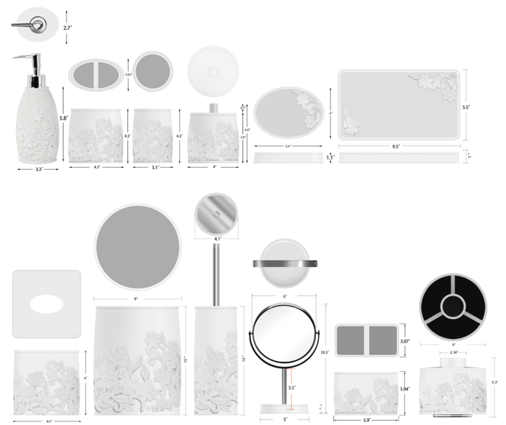 | Laura Ashley | Laura Ashley 5% | BATH ACCESSORIES(71) | Delaine | Resin Lotion Pump(balck stainless steel pump ) | sand | 3.3x3.3x7.9" | white | LA71-0438 |  | Piece | $2.20 | Normal | 2 pcs LP+1 pc TBH+1 pc TUM+1 pc SD+1pc CJ+1pc Tray+1 pc 2 ORG+1pc TC+1pc WB+1pc BBH+1pc mirror+1pc ORG混装入外箱 | 56.0 | 31.0 | 42.0 | 18.5 | 9.5 | 22.0 | 8.00 | 2 | 0.004 | 63.00 | 32588 | 2,250 | $0.07 | 8424.89.9000 | 1.8% | 21.8% | $0.48 | $2.75 | 0.00% | $0.00 | 6.00% | $0.27 | $0.00 | 0.00% | $0.00 | $0.27 | $3.02 | 32.9% | $4.50 | 1000 | $3,018.64 | $4,500.00 | 36.46 |  |  | Yantian,China | China | S-DGDH
 |  |  | Laura Ashley 5% | BATH ACCESSORIES(71) | Delaine | Resin Toothbrush holder | sand | 4.3x2.65x4.3" | white | LA71-0439 |  | Piece | $1.42 | Normal |  |  |  |  | 12.0 | 8.0 | 13.0 | 8.00 | 1 | 0.001 | 63.00 | 50481 | 2,250 | $0.04 | 3924.10.4000 | 3.4% | 23.4% | $0.33 | $1.80 | 0.00% | $0.00 | 6.00% | $0.18 | $0.00 | 0.00% | $0.00 | $0.18 | $1.97 | 33.1% | $2.95 | 500 | $986.93 | $1,475.00 |  |  |  | Yantian,China | China | S-DGDH
 |  |  | Laura Ashley 5% | BATH ACCESSORIES(71) | Delaine | Resin Tumbler | sand | 3.1x3.1x4.3" | white | LA71-0440 |  | Piece | $1.35 | Normal |  |  |  |  | 9.0 | 9.0 | 13.0 | 8.00 | 1 | 0.001 | 63.00 | 59829 | 2,250 | $0.04 | 3924.10.4000 | 3.4% | 23.4% | $0.32 | $1.70 | 0.00% | $0.00 | 6.00% | $0.16 | $0.00 | 0.00% | $0.00 | $0.16 | $1.87 | 32.1% | $2.75 | 500 | $934.25 | $1,375.00 |  |  |  | Yantian,China | China | S-DGDH
 |  |  | Laura Ashley 5% | BATH ACCESSORIES(71) | Delaine | Resin Soap dish | sand | 5.4x4.x1" | white | LA71-0441 |  | Piece | $1.35 | Normal |  |  |  |  | 11.0 | 3.5 | 16.0 | 8.00 | 1 | 0.001 | 63.00 | 102273 | 2,250 | $0.02 | 3924.10.4000 | 3.4% | 23.4% | $0.32 | $1.69 | 0.00% | $0.00 | 6.00% | $0.16 | $0.00 | 0.00% | $0.00 | $0.16 | $1.85 | 32.6% | $2.75 | 500 | $926.45 | $1,375.00 |  |  |  | Yantian,China | China | S-DGDH
 |  |  | Laura Ashley 5% | BATH ACCESSORIES(71) | Delaine | Resin Tray | sand | 9.5x5.5x1.1" | white | LA71-0442 |  | Piece | $2.55 | Normal |  |  |  |  | 15.0 | 3.5 | 26.0 | 8.00 | 1 | 0.001 | 63.00 | 46154 | 2,250 | $0.05 | 3924.10.4000 | 3.4% | 23.4% | $0.60 | $3.20 | 0.00% | $0.00 | 6.00% | $0.28 | $0.00 | 0.00% | $0.00 | $0.28 | $3.47 | 25.3% | $4.65 | 500 | $1,737.23 | $2,325.00 |  |  |  | Yantian,China | China | S-DGDH
 |  |  | Laura Ashley 5% | BATH ACCESSORIES(71) | Delaine | Resin Cotton jar | sand | 4x4x4.6" | white | LA71-0443 |  | Piece | $2.25 | Normal |  |  |  |  | 11.0 | 11.0 | 13.5 | 8.00 | 1 | 0.002 | 63.00 | 38567 | 2,250 | $0.06 | 3924.10.4000 | 3.4% | 23.4% | $0.53 | $2.83 | 0.00% | $0.00 | 6.00% | $0.27 | $0.00 | 0.00% | $0.00 | $0.27 | $3.10 | 31.0% | $4.50 | 500 | $1,552.42 | $2,250.00 |  |  |  | Yantian,China | China | S-DGDH
 |  |  | Laura Ashley 5% | BATH ACCESSORIES(73) | Delaine | Resin Toilet Brush | sand | 4.1x4.1x10" | white | LA71-0444 |  | Piece | $3.88 | Normal |  |  |  |  | 11.5 | 11.5 | 40.5 | 8.00 | 1 | 0.005 | 63.00 | 11762 | 2,250 | $0.19 | 3924.10.4000 | 3.4% | 23.4% | $0.91 | $4.98 | 0.00% | $0.00 | 6.00% | $0.41 | $0.00 | 0.00% | $0.00 | $0.41 | $5.39 | 21.3% | $6.85 | 500 | $2,695.11 | $3,425.00 |  |  |  | Yantian,China | China | S-DGDH
 |  |  | Laura Ashley 5% | BATH ACCESSORIES(74) | Delaine | Resin 2 Hole Organizer | sand | 5.9x3.07x3.94" | white | LA71-0445 |  | Piece | $2.25 | Normal |  |  |  |  | 16.0 | 9.0 | 12.0 | 8.00 | 1 | 0.002 | 63.00 | 36458 | 2,250 | $0.06 | 3924.10.4000 | 3.4% | 23.4% | $0.53 | $2.84 | 0.00% | $0.00 | 6.00% | $0.30 | $0.00 | 0.00% | $0.00 | $0.30 | $3.14 | 37.2% | $5.00 | 500 | $1,569.11 | $2,500.00 |  |  |  | Yantian,China | China | S-DGDH
 |  |  | Laura Ashley 5% | BATH ACCESSORIES(75) | Delaine | Mirror | sand | 6x5x10.5" | white | LA71-0446 |  | Piece | $4.87 | Normal |  |  |  |  | 22.5 | 18.0 | 31.5 | 8.00 | 1 | 0.013 | 63.00 | 4938 | 2,250 | $0.46 | 3924.10.4000 | 3.4% | 23.4% | $1.14 | $6.47 | 0.00% | $0.00 | 6.00% | $0.57 | $0.00 | 0.00% | $0.00 | $0.57 | $7.04 | 25.9% | $9.50 | 500 | $3,517.60 | $4,750.00 |  |  |  | Yantian,China | China | S-DGDH
 |  |  | Laura Ashley 5% | BATH ACCESSORIES(76) | Delaine | Resin Tissue cover | sand | 5.9x5.9x5.9" | white | LA71-0447 |  | Piece | $3.77 | Normal |  |  |  |  | 16.0 | 16.0 | 17.0 | 8.00 | 1 | 0.004 | 63.00 | 14476 | 2,250 | $0.16 | 3924.10.4000 | 3.4% | 23.4% | $0.88 | $4.81 | 0.00% | $0.00 | 6.00% | $0.48 | $0.00 | 0.00% | $0.00 | $0.48 | $5.29 | 33.9% | $8.00 | 500 | $2,643.80 | $4,000.00 |  |  |  | Yantian,China | China | S-DGDH
 |  |  | Laura Ashley 5% | BATH ACCESSORIES(77) | Delaine | Resin Spinner | sand | 6x6x5.3" | white | LA71-0448 |  | Piece | $5.20 | Normal |  |  |  |  | 16.5 | 16.5 | 15.5 | 8.00 | 1 | 0.004 | 63.00 | 14929 | 2,250 | $0.15 | 3924.10.4000 | 3.4% | 23.4% | $1.22 | $6.57 | 0.00% | $0.00 | 6.00% | $0.54 | $0.00 | 0.00% | $0.00 | $0.54 | $7.11 | 21.0% | $9.00 | 500 | $3,553.75 | $4,500.00 |  |  |  | Yantian,China | China | S-DGDH
 |  |  | Laura Ashley 5% | BATH ACCESSORIES(78) | Delaine | Resin Wastebasket | sand | 8x8x10" | white | LA71-0449 |  | Piece | $6.35 | Normal |  |  |  |  | 21.0 | 21.0 | 27.5 | 8.00 | 1 | 0.012 | 63.00 | 5195 | 2,250 | $0.43 | 3924.10.4000 | 3.4% | 23.4% | $1.49 | $8.27 | 0.00% | $0.00 | 6.00% | $0.75 | $0.00 | 0.00% | $0.00 | $0.75 | $9.02 | 27.8% | $12.50 | 500 | $4,509.51 | $6,250.00 |  |  |  | Yantian,China | China | S-DGDH
 | 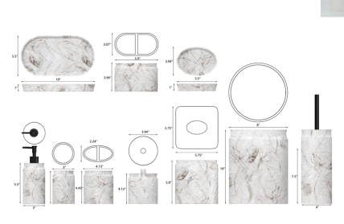 | JLA |  | BATH ACCESSORIES(71) | Tamra | Resin Lotion Pump(w/metal pump) | Resin sand | 3x3x7.9" | Marble | HG71-5020 |  | Piece | $2.38 | Normal | 2 pcs LP+1 pc TBH+1 pc TUM+1 pc SD+1pc CJ+1pc Tray+ 1pc WB+1pc BB+1pc Towel Holder 10pcs混装入外箱--镜子和毛巾束入保利龙装一个内盒 | 47.0 | 28.0 | 44.5 | 17.0 | 8.5 | 20.5 | 8.00 | 2 | 0.003 | 63.00 | 42535 | 2,250 | $0.05 | 8424.89.9000 | 1.8% | 21.8% | $0.52 | $2.95 | 0.00% | $0.00 | 0.00% | $0.00 | $0.00 | 0.00% | $0.00 | $0.00 | $2.95 | 32.1% | $4.35 | 1000 | $2,951.74 | $4,350.00 | 29.28 |  |  | Yantian,China | China | S-DGJY
 |  |  |  | BATH ACCESSORIES(71) | Tamra | Resin Toothbrush holder | Resin sand | 4.13x2.24x4.45" | Marble | HG71-5021 |  | Piece | $1.48 | Normal |  |  |  |  | 12.0 | 7.0 | 13.0 | 8.00 | 1 | 0.001 | 63.00 | 57692 | 2,250 | $0.04 | 3924.10.4000 | 3.4% | 23.4% | $0.35 | $1.87 | 0.00% | $0.00 | 0.00% | $0.00 | $0.00 | 0.00% | $0.00 | $0.00 | $1.87 | 29.6% | $2.65 | 500 | $932.66 | $1,325.00 |  |  |  | Yantian,China | China | S-DGJY
 |  |  |  | BATH ACCESSORIES(71) | Tamra | Resin Tumbler | Resin sand | 3x3x4.45" | Marble | HG71-5022 |  | Piece | $1.35 | Normal |  |  |  |  | 8.5 | 8.5 | 12.5 | 8.00 | 1 | 0.001 | 63.00 | 69758 | 2,250 | $0.03 | 3924.10.4000 | 3.4% | 23.4% | $0.32 | $1.70 | 0.00% | $0.00 | 0.00% | $0.00 | $0.00 | 0.00% | $0.00 | $0.00 | $1.70 | 32.1% | $2.50 | 500 | $849.08 | $1,250.00 |  |  |  | Yantian,China | China | S-DGJY
 |  |  |  | BATH ACCESSORIES(71) | Tamra | Resin Soap dish | Resin sand | 5.5x3.94x1" | Marble | HG71-5023 |  | Piece | $1.35 | Normal |  |  |  |  | 15.0 | 4.0 | 11.5 | 8.00 | 1 | 0.001 | 63.00 | 91304 | 2,250 | $0.02 | 3924.10.4000 | 3.4% | 23.4% | $0.32 | $1.69 | 0.00% | $0.00 | 0.00% | $0.00 | $0.00 | 0.00% | $0.00 | $0.00 | $1.69 | 32.4% | $2.50 | 500 | $845.27 | $1,250.00 |  |  |  | Yantian,China | China | S-DGJY
 |  |  |  | BATH ACCESSORIES(71) | Tamra | Resin Cotton jar | Resin sand | 3.94x3.94x4.13" | Marble | HG71-5024 |  | Piece | $2.06 | Normal |  |  |  |  | 15.0 | 4.0 | 11.5 | 8.00 | 1 | 0.001 | 63.00 | 91304 | 2,250 | $0.02 | 3924.10.4000 | 3.4% | 23.4% | $0.48 | $2.57 | 0.00% | $0.00 | 0.00% | $0.00 | $0.00 | 0.00% | $0.00 | $0.00 | $2.57 | 40.3% | $4.30 | 500 | $1,283.34 | $2,150.00 |  |  |  | Yantian,China | China | S-DGJY
 |  |  |  | BATH ACCESSORIES(71) | Tamra | Resin 2Hole Organizer | Resin sand | 5.9x3.07x3.94" | Marble | HG71-5025 |  | Piece | $2.16 | Normal |  |  |  |  | 26.5 | 4.0 | 15.5 | 8.00 | 1 | 0.002 | 63.00 | 38344 | 2,250 | $0.06 | 3924.10.4000 | 3.4% | 23.4% | $0.51 | $2.72 | 0.00% | $0.00 | 0.00% | $0.00 | $0.00 | 0.00% | $0.00 | $0.00 | $2.72 | 41.4% | $4.65 | 500 | $1,362.06 | $2,325.00 |  |  |  | Yantian,China | China | S-DGJY
 |  |  |  | BATH ACCESSORIES(71) | Tamra | Resin Tray | Resin sand | 10x5x1" | Marble | HG71-5026 |  | Piece | $2.45 | Normal |  |  |  |  | 14.0 | 14.0 | 32.5 | 8.00 | 1 | 0.006 | 63.00 | 9890 | 2,250 | $0.23 | 3924.10.4000 | 3.4% | 23.4% | $0.57 | $3.25 | 0.00% | $0.00 | 0.00% | $0.00 | $0.00 | 0.00% | $0.00 | $0.00 | $3.25 | 27.8% | $4.50 | 500 | $1,625.40 | $2,250.00 |  |  |  | Yantian,China | China | S-DGJY
 |  |  |  | BATH ACCESSORIES(71) | Tamra | Resin Brush holder | Resin sand | 4x4x16.3" | Marble | HG71-5027 |  | Piece | $3.60 | Normal |  |  |  |  | 20.5 | 20.5 | 27.5 | 8.00 | 1 | 0.012 | 63.00 | 5451 | 2,250 | $0.41 | 3924.10.4000 | 3.4% | 23.4% | $0.84 | $4.86 | 0.00% | $0.00 | 0.00% | $0.00 | $0.00 | 0.00% | $0.00 | $0.00 | $4.86 | 28.1% | $6.75 | 500 | $2,427.57 | $3,375.00 |  |  |  | Yantian,China | China | S-DGJY
 |  |  |  | BATH ACCESSORIES(71) | Tamra | Resin Tissue Cover | Resin sand | 5.75x5.75x5.9" | Marble | HG71-5028 |  | Piece | $3.86 | Normal |  |  |  |  | 15.0 | 4.0 | 11.5 | 8.00 | 1 | 0.001 | 63.00 | 91304 | 2,250 | $0.02 | 3924.10.4000 | 3.4% | 23.4% | $0.90 | $4.79 | 0.00% | $0.00 | 0.00% | $0.00 | $0.00 | 0.00% | $0.00 | $0.00 | $4.79 | 36.2% | $7.50 | 500 | $2,393.94 | $3,750.00 |  |  |  | Yantian,China | China | S-DGJY
 |  |  |  | BATH ACCESSORIES(71) | Tamra | Resin Spinner Organizer | Resin sand | 6x6x5.3" | Marble | HG71-5029 |  | Piece | $4.25 | Normal |  |  |  |  | 17.0 | 17.0 | 15.0 | 8.00 | 1 | 0.004 | 63.00 | 14533 | 2,250 | $0.15 | 3924.10.4000 | 3.4% | 23.4% | $0.99 | $5.40 | 0.00% | $0.00 | 0.00% | $0.00 | $0.00 | 0.00% | $0.00 | $0.00 | $5.40 | 34.6% | $8.25 | 500 | $2,699.66 | $4,125.00 |  |  |  | Yantian,China | China | S-DGJY
 |  |  |  | BATH ACCESSORIES(71) | Tamra | Resin Wastebasket | Resin sand | 8x8x10" | Marble | HG71-5030 |  | Piece | $6.10 | Normal |  |  |  |  | 15.0 | 4.0 | 11.5 | 8.00 | 1 | 0.001 | 63.00 | 91304 | 2,250 | $0.02 | 3924.10.4000 | 3.4% | 23.4% | $1.43 | $7.55 | 0.00% | $0.00 | 0.00% | $0.00 | $0.00 | 0.00% | $0.00 | $0.00 | $7.55 | 37.1% | $12.00 | 500 | $3,776.02 | $6,000.00 |  |  |  | Yantian,China | China | S-DGJY
 |  | Natori | Natori 7% | BATH ACCESSORIES(71) | Lanna | Resin Lotion Pump(w/stainless pump) | Resin | 3.26x2.76x5.5" | Black | NA71-3484 |  | Piece | $2.38 | Normal | 2 pcs LP+1 pc TBH+1 pc TUM+1 pc SD+1pc CJ+1pc Tray+ 1pc WB+1pc BB+1pc Towel Holder 10pcs混装入外箱--镜子和毛巾束入保利龙装一个内盒 | 47.0 | 25.0 | 42.5 | 17.0 | 8.5 | 20.5 | 8.00 | 2 | 0.003 | 63.00 | 42535 | 2,250 | $0.05 | 8424.89.9000 | 1.8% | 21.8% | $0.52 | $2.95 | 0.00% | $0.00 | 5.00% | $0.23 | $0.00 | 0.00% | $0.00 | $0.23 | $3.18 | 31.5% | $4.65 | 1000 | $3,184.24 | $4,650.00 | 24.97 |  |  | Yantian,China | China | S-DGJY
 |  |  | Natori 7% | BATH ACCESSORIES(71) | Lanna | Resin Toothbrush holder | Resin | 4.25x2.36x4.45" | Black | NA71-3485 |  | Piece | $1.48 | Normal |  |  |  |  | 12.0 | 7.0 | 12.5 | 8.00 | 1 | 0.001 | 63.00 | 60000 | 2,250 | $0.04 | 3924.10.4000 | 3.4% | 23.4% | $0.35 | $1.86 | 0.00% | $0.00 | 5.00% | $0.16 | $0.00 | 0.00% | $0.00 | $0.16 | $2.02 | 35.8% | $3.15 | 500 | $1,010.66 | $1,575.00 |  |  |  | Yantian,China | China | S-DGJY
 |  |  | Natori 7% | BATH ACCESSORIES(71) | Lanna | Resin Tumbler | Resin | 2.76x2.76x4.45" | Black | NA71-3486 |  | Piece | $1.35 | Normal |  |  |  |  | 8.5 | 8.5 | 12.5 | 8.00 | 1 | 0.001 | 63.00 | 69758 | 2,250 | $0.03 | 3924.10.4000 | 3.4% | 23.4% | $0.32 | $1.70 | 0.00% | $0.00 | 5.00% | $0.15 | $0.00 | 0.00% | $0.00 | $0.15 | $1.85 | 37.4% | $2.95 | 500 | $922.83 | $1,475.00 |  |  |  | Yantian,China | China | S-DGJY
 |  |  | Natori 7% | BATH ACCESSORIES(71) | Lanna | Resin Soap dish | Resin | 5.5x3.94x1" | Black | NA71-3487 |  | Piece | $1.35 | Normal |  |  |  |  | 15.0 | 12.0 | 11.5 | 8.00 | 1 | 0.002 | 63.00 | 30435 | 2,250 | $0.07 | 3924.10.4000 | 3.4% | 23.4% | $0.32 | $1.74 | 0.00% | $0.00 | 5.00% | $0.15 | $0.00 | 0.00% | $0.00 | $0.15 | $1.89 | 36.0% | $2.95 | 500 | $943.66 | $1,475.00 |  |  |  | Yantian,China | China | S-DGJY
 |  |  | Natori 7% | BATH ACCESSORIES(71) | Lanna | Resin Cotton jar | Resin | 3.94x3.94x4.8" | Black | NA71-3488 |  | Piece | $2.06 | Normal |  |  |  |  | 12.0 | 12.0 | 13.0 | 8.00 | 1 | 0.002 | 63.00 | 33654 | 2,250 | $0.07 | 3924.10.4000 | 3.4% | 23.4% | $0.48 | $2.61 | 0.00% | $0.00 | 5.00% | $0.23 | $0.00 | 0.00% | $0.00 | $0.23 | $2.83 | 37.0% | $4.50 | 500 | $1,416.95 | $2,250.00 |  |  |  | Yantian,China | China | S-DGJY
 |  |  | Natori 7% | BATH ACCESSORIES(71) | Lanna | Resin 2Hole Organizer | Resin | 5.91x3.07x3.94" | Black | NA71-3489 |  | Piece | $2.16 | Normal |  |  |  |  | 17.0 | 9.0 | 12.0 | 8.00 | 1 | 0.002 | 63.00 | 34314 | 2,250 | $0.07 | 3924.10.4000 | 3.4% | 23.4% | $0.51 | $2.73 | 0.00% | $0.00 | 5.00% | $0.25 | $0.00 | 0.00% | $0.00 | $0.25 | $2.98 | 39.3% | $4.90 | 500 | $1,488.01 | $2,450.00 |  |  |  | Yantian,China | China | S-DGJY
 |  |  | Natori 7% | BATH ACCESSORIES(71) | Lanna | Resin Tray | Resin | 10x5.5x1" | Black | NA71-3490 |  | Piece | $2.45 | Normal |  |  |  |  | 27.0 | 14.0 | 4.0 | 8.00 | 1 | 0.002 | 63.00 | 41667 | 2,250 | $0.05 | 3924.10.4000 | 3.4% | 23.4% | $0.57 | $3.08 | 0.00% | $0.00 | 5.00% | $0.24 | $0.00 | 0.00% | $0.00 | $0.24 | $3.31 | 30.2% | $4.75 | 500 | $1,657.40 | $2,375.00 |  |  |  | Yantian,China | China | S-DGJY
 |  |  | Natori 7% | BATH ACCESSORIES(71) | Lanna | Resin Brush holder | Resin | 3.86x3.86x16.3" | Black | NA71-3491 |  | Piece | $3.60 | Normal |  |  |  |  | 12.0 | 12.0 | 43.0 | 8.00 | 1 | 0.006 | 63.00 | 10174 | 2,250 | $0.22 | 3924.10.4000 | 3.4% | 23.4% | $0.84 | $4.66 | 0.00% | $0.00 | 5.00% | $0.36 | $0.00 | 0.00% | $0.00 | $0.36 | $5.02 | 29.3% | $7.10 | 500 | $2,509.27 | $3,550.00 |  |  |  | Yantian,China | China | S-DGJY
 |  |  | Natori 7% | BATH ACCESSORIES(71) | Lanna | Resin Tissue Cover | Resin | 5.75x5.75x5.91" | Black | NA71-3492 |  | Piece | $3.86 | Normal |  |  |  |  | 21.0 | 21.0 | 22.0 | 8.00 | 1 | 0.010 | 63.00 | 6494 | 2,250 | $0.35 | 3924.10.4000 | 3.4% | 23.4% | $0.90 | $5.11 | 0.00% | $0.00 | 5.00% | $0.40 | $0.00 | 0.00% | $0.00 | $0.40 | $5.50 | 30.3% | $7.90 | 500 | $2,752.37 | $3,950.00 |  |  |  | Yantian,China | China | S-DGJY
 |  |  | Natori 7% | BATH ACCESSORIES(71) | Lanna | Resin Wastebasket | Resin | 8x8x10" | Black | NA71-3493 |  | Piece | $6.10 | Normal |  |  |  |  | 25.0 | 25.0 | 30.0 | 8.00 | 1 | 0.019 | 63.00 | 3360 | 2,250 | $0.67 | 3924.10.4000 | 3.4% | 23.4% | $1.43 | $8.20 | 0.00% | $0.00 | 5.00% | $0.63 | $0.00 | 0.00% | $0.00 | $0.63 | $8.82 | 29.4% | $12.50 | 500 | $4,411.02 | $6,250.00 |  |  |  | Yantian,China | China | S-DGJY
 | 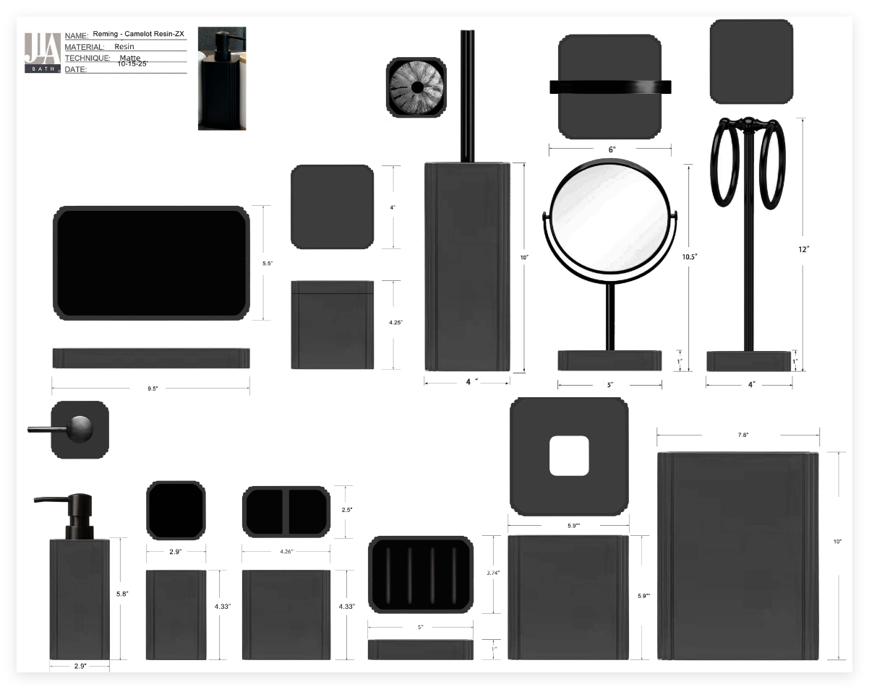 | JLA |  | BATH ACCESSORIES(71) | Camelot | Resin Lotion Pump(balck stainless steel pump ) | resin+hand painted | 2.9x2.9x7.92” | black | HG71-5031 |  | Piece | $2.35 | Normal | 2 pcs LP+1 pc TBH+1 pc TUM+1 pc SD+1pc CJ+1pc Tray+1pc TC+1pc WB+1pc BBH+1pc mirror+1PCS Holder+1PC ORG混装入外箱 | 56.0 | 31.0 | 42.0 | 16.5 | 8.5 | 22.0 | 8.00 | 2 | 0.003 | 63.00 | 40836 | 2,250 | $0.06 | 8424.89.9000 | 1.8% | 21.8% | $0.51 | $2.92 | 0.00% | $0.00 | 0.00% | $0.00 | $0.00 | 0.00% | $0.00 | $0.00 | $2.92 | 35.2% | $4.50 | 1000 | $2,917.40 | $4,500.00 | 36.46 |  |  | Yantian,China | China | S-DGDH
 |  |  |  | BATH ACCESSORIES(71) | Camelot | Resin Toothbrush holder | resin+hand painted | 2.9x2.9x4.33" | black | HG71-5032 |  | Piece | $1.45 | Normal |  |  |  |  | 8.5 | 8.5 | 13.0 | 8.00 | 1 | 0.001 | 63.00 | 67075 | 2,250 | $0.03 | 3924.10.4000 | 3.4% | 23.4% | $0.34 | $1.82 | 0.00% | $0.00 | 0.00% | $0.00 | $0.00 | 0.00% | $0.00 | $0.00 | $1.82 | 31.2% | $2.65 | 500 | $911.42 | $1,325.00 |  |  |  | Yantian,China | China | S-DGDH
 |  |  |  | BATH ACCESSORIES(71) | Camelot | Resin Tumbler | resin+hand painted | 4.26x2.5x4.33" | black | HG71-5033 |  | Piece | $1.37 | Normal |  |  |  |  | 12.0 | 8.0 | 13.0 | 8.00 | 1 | 0.001 | 63.00 | 50481 | 2,250 | $0.04 | 3924.10.4000 | 3.4% | 23.4% | $0.32 | $1.74 | 0.00% | $0.00 | 0.00% | $0.00 | $0.00 | 0.00% | $0.00 | $0.00 | $1.74 | 30.6% | $2.50 | 500 | $867.58 | $1,250.00 |  |  |  | Yantian,China | China | S-DGDH
 |  |  |  | BATH ACCESSORIES(71) | Camelot | Resin Soap dish | resin+hand painted | 5x3.74x1" | black | HG71-5034 |  | Piece | $1.37 | Normal |  |  |  |  | 10.5 | 3.5 | 15.0 | 8.00 | 1 | 0.001 | 63.00 | 114286 | 2,250 | $0.02 | 3924.10.4000 | 3.4% | 23.4% | $0.32 | $1.71 | 0.00% | $0.00 | 0.00% | $0.00 | $0.00 | 0.00% | $0.00 | $0.00 | $1.71 | 31.6% | $2.50 | 500 | $855.13 | $1,250.00 |  |  |  | Yantian,China | China | S-DGDH
 |  |  |  | BATH ACCESSORIES(71) | Camelot | Resin Tray | resin+hand painted | 9.5x5.5x1" | black | HG71-5035 |  | Piece | $2.57 | Normal |  |  |  |  | 15.0 | 3.5 | 26.0 | 8.00 | 1 | 0.001 | 63.00 | 46154 | 2,250 | $0.05 | 3924.10.4000 | 3.4% | 23.4% | $0.60 | $3.22 | 0.00% | $0.00 | 0.00% | $0.00 | $0.00 | 0.00% | $0.00 | $0.00 | $3.22 | 28.4% | $4.50 | 500 | $1,610.07 | $2,250.00 |  |  |  | Yantian,China | China | S-DGDH
 |  |  |  | BATH ACCESSORIES(71) | Camelot | Resin Cotton jar | resin+hand painted | 4x4x4.25" | black | HG71-5036 |  | Piece | $2.25 | Normal |  |  |  |  | 11.0 | 11.0 | 13.0 | 8.00 | 1 | 0.002 | 63.00 | 40051 | 2,250 | $0.06 | 3924.10.4000 | 3.4% | 23.4% | $0.53 | $2.83 | 0.00% | $0.00 | 0.00% | $0.00 | $0.00 | 0.00% | $0.00 | $0.00 | $2.83 | 34.1% | $4.30 | 500 | $1,416.34 | $2,150.00 |  |  |  | Yantian,China | China | S-DGDH
 |  |  |  | BATH ACCESSORIES(72) | Camelot | Resin Towel Holder | resin+hand painted | 4x4x12" | black | HG71-5037 |  | Piece | $4.00 | Normal |  |  |  |  | 15.0 | 15.0 | 36.5 | 8.00 | 1 | 0.008 | 63.00 | 7671 | 2,250 | $0.29 | 3924.10.4000 | 3.4% | 23.4% | $0.94 | $5.23 | 0.00% | $0.00 | 0.00% | $0.00 | $0.00 | 0.00% | $0.00 | $0.00 | $5.23 | 30.3% | $7.50 | 500 | $2,614.65 | $3,750.00 |  |  |  | Yantian,China | China | S-DGDH
 |  |  |  | BATH ACCESSORIES(73) | Camelot | Resin Toilet Brush | resin+hand painted | 4x4x10" | black | HG71-5038 |  | Piece | $3.88 | Normal |  |  |  |  | 11.0 | 11.0 | 40.5 | 8.00 | 1 | 0.005 | 63.00 | 12856 | 2,250 | $0.18 | 3924.10.4000 | 3.4% | 23.4% | $0.91 | $4.96 | 0.00% | $0.00 | 0.00% | $0.00 | $0.00 | 0.00% | $0.00 | $0.00 | $4.96 | 29.1% | $7.00 | 500 | $2,481.47 | $3,500.00 |  |  |  | Yantian,China | China | S-DGDH
 |  |  |  | BATH ACCESSORIES(74) | Camelot | mirror | resin+hand painted | 6x5x10" | black | HG71-5039 |  | Piece | $4.87 | Normal |  |  |  |  | 22.5 | 18.0 | 31.5 | 8.00 | 1 | 0.013 | 63.00 | 4938 | 2,250 | $0.46 | 3924.10.4000 | 3.4% | 23.4% | $1.14 | $6.47 | 0.00% | $0.00 | 0.00% | $0.00 | $0.00 | 0.00% | $0.00 | $0.00 | $6.47 | 28.2% | $9.00 | 500 | $3,232.60 | $4,500.00 |  |  |  | Yantian,China | China | S-DGDH
 |  |  |  | BATH ACCESSORIES(75) | Camelot | Resin Tissue cover | resin+hand painted | 5.9x5.9x5.9" | black | HG71-5040 |  | Piece | $3.77 | Normal |  |  |  |  | 16.0 | 16.0 | 17.0 | 8.00 | 1 | 0.004 | 63.00 | 14476 | 2,250 | $0.16 | 3924.10.4000 | 3.4% | 23.4% | $0.88 | $4.81 | 0.00% | $0.00 | 0.00% | $0.00 | $0.00 | 0.00% | $0.00 | $0.00 | $4.81 | 35.9% | $7.50 | 500 | $2,403.80 | $3,750.00 |  |  |  | Yantian,China | China | S-DGDH
 |  |  |  | BATH ACCESSORIES(76) | Camelot | Resin Spinner | resin+hand painted | 5.75x5.75x5.3" | black | HG71-5041 |  | Piece | $5.10 | Normal |  |  |  |  | 15.5 | 15.5 | 15.5 | 8.00 | 1 | 0.004 | 63.00 | 16918 | 2,250 | $0.13 | 3924.10.4000 | 3.4% | 23.4% | $1.19 | $6.43 | 0.00% | $0.00 | 0.00% | $0.00 | $0.00 | 0.00% | $0.00 | $0.00 | $6.43 | 25.7% | $8.65 | 500 | $3,213.20 | $4,325.00 |  |  |  | Yantian,China | China | S-DGDH
 |  |  |  | BATH ACCESSORIES(76) | Camelot | Resin Wastebasket | resin+hand painted | 7.8x7.8x10" | black | HG71-5042 |  | Piece | $6.35 | Normal |  |  |  |  | 21.0 | 21.0 | 27.5 | 8.00 | 1 | 0.012 | 63.00 | 5195 | 2,250 | $0.43 | 3924.10.4000 | 3.4% | 23.4% | $1.49 | $8.27 | 0.00% | $0.00 | 0.00% | $0.00 | $0.00 | 0.00% | $0.00 | $0.00 | $8.27 | 31.09% | $12.00 | 500 | $4,134.51 | $6,000.00 |  |  |  | Yantian,China | China | S-DGDH
 | 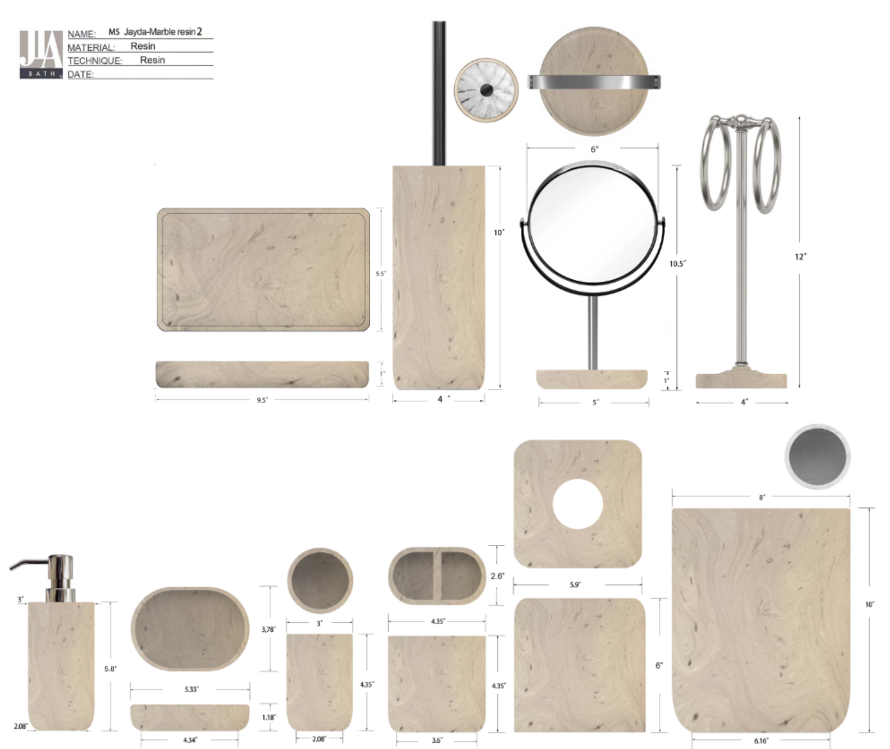 | Natori | Natori 7% | BATH ACCESSORIES(74) | Muki | Resin Lotion Pump(w/stainless steel pump) | resin | 3x3x8" | Travertine | NA71-3494 |  | Piece | $2.15 | Normal | 2 pcs LP+1 pcs TBH+1 pc TUM+1 pc SD+1pc Tray+1 pc BB+1pc TC+1pc WB+1pcmirror+1pcTowel入外箱 | 45.0 | 41.5 | 29.5 | 14.5 | 12 | 18.5 | 8.00 | 2 | 0.003 | 63.00 | 39143 | 2,250 | $0.06 | 8424.89.9000 | 1.8% | 21.8% | $0.47 | $2.68 | 0.00% | $0.00 | 5.00% | $0.23 | $0.00 | 0.00% | $0.00 | $0.23 | $2.90 | 35.5% | $4.50 | 1000 | $2,901.18 | $4,500.00 | 27.55 |  |  | Yantian,China | China | S-HZML
 |  |  | Natori 7% | BATH ACCESSORIES(74) | Muki | Resin Toothbrush holder | resin | 4.35x2.6x4.35" | Travertine | NA71-3495 |  | Piece | $1.75 | Normal |  |  |  |  | 12.9 | 7.5 | 12.3 | 8.00 | 1 | 0.001 | 63.00 | 52940 | 2,250 | $0.04 | 3924.10.4000 | 3.4% | 23.4% | $0.41 | $2.20 | 0.00% | $0.00 | 5.00% | $0.16 | $0.00 | 0.00% | $0.00 | $0.16 | $2.36 | 25.1% | $3.15 | 500 | $1,179.75 | $1,575.00 |  |  |  | Yantian,China | China | S-HZML
 |  |  | Natori 7% | BATH ACCESSORIES(74) | Muki | Resin Tumbler | resin | 3x3x4.35" | Travertine | NA71-3496 |  | Piece | $1.70 | Normal |  |  |  |  | 8.8 | 8.8 | 12 | 8.00 | 1 | 0.001 | 63.00 | 67794 | 2,250 | $0.03 | 3924.10.4000 | 3.4% | 23.4% | $0.40 | $2.13 | 0.00% | $0.00 | 5.00% | $0.15 | $0.00 | 0.00% | $0.00 | $0.15 | $2.28 | 22.8% | $2.95 | 500 | $1,139.24 | $1,475.00 |  |  |  | Yantian,China | China | S-HZML
 |  |  | Natori 7% | BATH ACCESSORIES(74) | Muki | Resin Soap dish | resin | 5.33x3.78x1.18" | Travertine | NA71-3497 |  | Piece | $1.65 | Normal |  |  |  |  | 11.5 | 4 | 15.5 | 8.00 | 1 | 0.001 | 63.00 | 88359 | 2,250 | $0.03 | 3924.10.4000 | 3.4% | 23.4% | $0.39 | $2.06 | 0.00% | $0.00 | 5.00% | $0.15 | $0.00 | 0.00% | $0.00 | $0.15 | $2.21 | 25.1% | $2.95 | 500 | $1,104.53 | $1,475.00 |  |  |  | Yantian,China | China | S-HZML
 |  |  | Natori 7% | BATH ACCESSORIES(74) | Muki | Resin Tray | resin | 9.5x5.5x1" | Travertine | NA71-3498 |  | Piece | $2.88 | Normal |  |  |  |  | 25.5 | 4 | 15 | 8.00 | 1 | 0.002 | 63.00 | 41176 | 2,250 | $0.05 | 3924.10.4000 | 3.4% | 23.4% | $0.67 | $3.61 | 0.00% | $0.00 | 5.00% | $0.26 | $0.00 | 0.00% | $0.00 | $0.26 | $3.87 | 26.3% | $5.25 | 500 | $1,935.53 | $2,625.00 |  |  |  | Yantian,China | China | S-HZML
 |  |  | Natori 7% | BATH ACCESSORIES(74) | Muki | Resin 2 hole organizer | resin | 5.9x3.07x3.94" | Travertine | NA71-3499 |  | Piece | $2.21 | Normal |  |  |  |  | 10.8 | 10.8 | 39 | 8.00 | 1 | 0.005 | 63.00 | 13849 | 2,250 | $0.16 | 3924.10.4000 | 3.4% | 23.4% | $0.52 | $2.89 | 0.00% | $0.00 | 5.00% | $0.25 | $0.00 | 0.00% | $0.00 | $0.25 | $3.14 | 37.2% | $5.00 | 500 | $1,569.80 | $2,500.00 |  |  |  | Yantian,China | China | S-HZML
 |  |  | Natori 7% | BATH ACCESSORIES(74) | Muki | Resin Tissue cover | resin | 5.9x5.9x6" | Travertine | NA71-3500 |  | Piece | $4.52 | Normal |  |  |  |  | 16.8 | 8.5 | 12 | 8.00 | 1 | 0.002 | 63.00 | 36765 | 2,250 | $0.06 | 3924.10.4000 | 3.4% | 23.4% | $1.06 | $5.64 | 0.00% | $0.00 | 5.00% | $0.40 | $0.00 | 0.00% | $0.00 | $0.40 | $6.04 | 24.1% | $7.95 | 500 | $3,018.19 | $3,975.00 |  |  |  | Yantian,China | China | S-HZML
 |  |  | Natori 7% | BATH ACCESSORIES(74) | Muki | Resin Wastebasket | resin | 8x8x10" | Travertine | NA71-3501 |  | Piece | $6.65 | Normal |  |  |  |  | 15.5 | 15.5 | 16.5 | 8.00 | 1 | 0.004 | 63.00 | 15893 | 2,250 | $0.14 | 3924.10.4000 | 3.4% | 23.4% | $1.56 | $8.35 | 0.00% | $0.00 | 5.00% | $0.63 | $0.00 | 0.00% | $0.00 | $0.63 | $8.97 | 28.2% | $12.50 | 500 | $4,486.34 | $6,250.00 |  |  |  | Yantian,China | China | S-HZML
 |  |  | Natori 7% | BATH ACCESSORIES(74) | Muki | Resin Toilet Brush | resin | 4x4x15" | Travertine | NA71-3502 |  | Piece | $4.58 | Normal |  |  |  |  | 21.3 | 21.3 | 26.5 | 8.00 | 1 | 0.012 | 63.00 | 5240 | 2,250 | $0.43 | 3924.10.4000 | 3.4% | 23.4% | $1.07 | $6.08 | 0.00% | $0.00 | 5.00% | $0.43 | $0.00 | 0.00% | $0.00 | $0.43 | $6.51 | 23.5% | $8.50 | 500 | $3,253.05 | $4,250.00 |  |  |  | Yantian,China | China | S-HZML
 |  |  | Natori 7% | BATH ACCESSORIES(74) | Muki | Resin Towel bar(w/iron) | resin | 4x4x12" | Travertine | NA71-3503 |  | Piece | $4.15 | Normal |  |  |  |  | 13.8 | 13.8 | 30 | 8.00 | 1 | 0.006 | 63.00 | 11027 | 2,250 | $0.20 | 3924.10.4000 | 3.4% | 23.4% | $0.97 | $5.33 | 0.00% | $0.00 | 5.00% | $0.40 | $0.00 | 0.00% | $0.00 | $0.40 | $5.72 | 27.6% | $7.90 | 500 | $2,860.07 | $3,950.00 |  |  |  | Yantian,China | China | S-HZML
 |  |  | Natori 7% | BATH ACCESSORIES(74) | Muki | Mirror | resin | 6x6x10.5" | Travertine | NA71-3504 |  | Piece | $4.50 | Normal |  |  |  |  | 10.8 | 10.8 | 39 | 8.00 | 1 | 0.005 | 63.00 | 13849 | 2,250 | $0.16 | 3924.10.4000 | 3.4% | 23.4% | $1.05 | $5.72 | 0.00% | $0.00 | 5.00% |  | $0.00 | 0.00% | $0.00 |  |  |  | $8.50 | 500 |  | $4,250.00 |  |  |  | Yantian,China | China | S-HZML
 |  | JLA |  | BATH ACCESSORIES(71) | Quilted Marble | Diatom Lotion Pump(w/stainless pump) | Diatom | 3x3x7.9" | White Marble | HG71-5043 |  | Piece | $2.38 | Normal | 2 pcs LP+1 pc TBH+1 pc TUM+1 pc SD+1pc CJ+1pc Tray+ 1pc WB+1pc BB+1pc Towel Holder 10pcs混装入外箱--镜子和毛巾束入保利龙装一个内盒 | 65.0 | 34.0 | 43.0 | 17.0 | 8.5 | 20.5 | 8.00 | 2 | 0.003 | 63.00 | 42535 | 2,250 | $0.05 | 8424.89.9000 | 1.8% | 21.8% | $0.52 | $2.95 | 0.00% | $0.00 | 0.00% | $0.00 | $0.00 | 0.00% | $0.00 | $0.00 | $2.95 | 34.4% | $4.50 | 1000 | $2,951.74 | $4,500.00 | 47.52 |  |  | Yantian,China | China | S-DGJY
 |  |  |  | BATH ACCESSORIES(71) | Quilted Marble | Diatom Toothbrush holder | Diatom | 4.25x2.36x4.45" | White Marble | HG71-5044 |  | Piece | $1.62 | Normal |  |  |  |  | 12.0 | 7.0 | 12.5 | 8.00 | 1 | 0.001 | 63.00 | 60000 | 2,250 | $0.04 | 3924.10.4000 | 3.4% | 23.4% | $0.38 | $2.04 | 0.00% | $0.00 | 0.00% | $0.00 | $0.00 | 0.00% | $0.00 | $0.00 | $2.04 | 31.0% | $2.95 | 500 | $1,018.29 | $1,475.00 |  |  |  | Yantian,China | China | S-DGJY
 |  |  |  | BATH ACCESSORIES(71) | Quilted Marble | Diatom Tumbler | Diatom | 3x3x4.45" | White Marble | HG71-5045 |  | Piece | $1.57 | Normal |  |  |  |  | 8.5 | 8.5 | 12.5 | 8.00 | 1 | 0.001 | 63.00 | 69758 | 2,250 | $0.03 | 3924.10.4000 | 3.4% | 23.4% | $0.37 | $1.97 | 0.00% | $0.00 | 0.00% | $0.00 | $0.00 | 0.00% | $0.00 | $0.00 | $1.97 | 33.2% | $2.95 | 500 | $984.82 | $1,475.00 |  |  |  | Yantian,China | China | S-DGJY
 |  |  |  | BATH ACCESSORIES(71) | Quilted Marble | Diatom Soap dish | Diatom | 5.5x3.75x1 | White Marble | HG71-5046 |  | Piece | $1.57 | Normal |  |  |  |  | 15.0 | 12.0 | 11.5 | 8.00 | 1 | 0.002 | 63.00 | 30435 | 2,250 | $0.07 | 3924.10.4000 | 3.4% | 23.4% | $0.37 | $2.01 | 0.00% | $0.00 | 0.00% | $0.00 | $0.00 | 0.00% | $0.00 | $0.00 | $2.01 | 31.8% | $2.95 | 500 | $1,005.65 | $1,475.00 |  |  |  | Yantian,China | China | S-DGJY
 |  |  |  | BATH ACCESSORIES(71) | Quilted Marble | Diatom 2Hole Organizer | Diatom | 5.9x3.07x3.94“ | White Marble | HG71-5047 |  | Piece | $2.25 | Normal |  |  |  |  | 17.0 | 9.0 | 12.0 | 8.00 | 1 | 0.002 | 63.00 | 34314 | 2,250 | $0.07 | 3924.10.4000 | 3.4% | 23.4% | $0.53 | $2.84 | 0.00% | $0.00 | 0.00% | $0.00 | $0.00 | 0.00% | $0.00 | $0.00 | $2.84 | 36.8% | $4.50 | 500 | $1,421.04 | $2,250.00 |  |  |  | Yantian,China | China | S-DGJY
 |  |  |  | BATH ACCESSORIES(71) | Quilted Marble | Diatom Tray | Diatom | 10x5x1" | White Marble | HG71-5048 |  | Piece | $2.65 | Normal |  |  |  |  | 27.0 | 14.0 | 4.0 | 8.00 | 1 | 0.002 | 63.00 | 41667 | 2,250 | $0.05 | 3924.10.4000 | 3.4% | 23.4% | $0.62 | $3.32 | 0.00% | $0.00 | 0.00% | $0.00 | $0.00 | 0.00% | $0.00 | $0.00 | $3.32 | 32.2% | $4.90 | 500 | $1,662.05 | $2,450.00 |  |  |  | Yantian,China | China | S-DGJY
 |  |  |  | BATH ACCESSORIES(71) | Quilted Marble | Diatom Brush holder | Diatom | 3.86x3.86x16.3" | White Marble | HG71-5049 |  | Piece | $3.62 | Normal |  |  |  |  | 12.0 | 12.0 | 43.0 | 8.00 | 1 | 0.006 | 63.00 | 10174 | 2,250 | $0.22 | 3924.10.4000 | 3.4% | 23.4% | $0.85 | $4.69 | 0.00% | $0.00 | 0.00% | $0.00 | $0.00 | 0.00% | $0.00 | $0.00 | $4.69 | 30.5% | $6.75 | 500 | $2,344.11 | $3,375.00 |  |  |  | Yantian,China | China | S-DGJY
 |  |  |  | BATH ACCESSORIES(71) | Quilted Marble | Diatom Tissue Cover | Diatom | 5.75x5.75x5.9" | White Marble | HG71-5050 |  | Piece | $3.96 | Normal |  |  |  |  | 21.0 | 21.0 | 22.0 | 8.00 | 1 | 0.010 | 63.00 | 6494 | 2,250 | $0.35 | 3924.10.4000 | 3.4% | 23.4% | $0.93 | $5.23 | 0.00% | $0.00 | 0.00% | $0.00 | $0.00 | 0.00% | $0.00 | $0.00 | $5.23 | 30.2% | $7.50 | 500 | $2,616.57 | $3,750.00 |  |  |  | Yantian,China | China | S-DGJY
 |  |  |  | BATH ACCESSORIES(71) | Quilted Marble | Diatom Wastebasket | Diatom | 8x8x10" | White Marble | HG71-5051 |  | Piece | $6.10 | Normal |  |  |  |  | 25.0 | 25.0 | 30.0 | 8.00 | 1 | 0.019 | 63.00 | 3360 | 2,250 | $0.67 | 3924.10.4000 | 3.4% | 23.4% | $1.43 | $8.20 | 0.00% | $0.00 | 0.00% | $0.00 | $0.00 | 0.00% | $0.00 | $0.00 | $8.20 | 31.7% | $12.00 | 500 | $4,098.52 | $6,000.00 |  |  |  | Yantian,China | China | S-DGJY
 |  | MS | Martha Stewart (Bath) 5% | BATH ACCESSORIES(71) | Spring field | Resin Lotion Pump(w/stainless steel pump) | Resin sand+cement | 3x3x8.4" | White Brown | MT71-0820 |  | Piece | $2.50 | Normal | 2 pcs LP+1 pc TBH+1 pc TUM+1 pc SD+1pc CJ+1pc Tray+ 1pc WB+1pc BB+1pc Towel Holder 10pcs混装入外箱--镜子和毛巾束入保利龙装一个内盒 | 46.0 | 26.0 | 42.5 | 17.0 | 8.5 | 20.5 | 8.00 | 2 | 0.003 | 63.00 | 42535 | 2,250 | $0.05 | 8424.89.9000 | 1.8% | 21.8% | $0.55 | $3.10 | 0.00% | $0.00 | 5.00% | $0.26 | $0.00 | 0.00% | $0.00 | $0.26 | $3.36 | 35.4% | $5.20 | 1000 | $3,357.90 | $5,200.00 | 25.42 |  |  | Yantian,China | China | S-DGJY
 |  |  | Martha Stewart (Bath) 5% | BATH ACCESSORIES(71) | Spring field | Resin Toothbrush holder | Resin sand+cement | 4.25x2.5x4.25" | White Brown | MT71-0821 |  | Piece | $1.56 | Normal |  |  |  |  | 12.0 | 7.0 | 13.0 | 8.00 | 1 | 0.001 | 63.00 | 57692 | 2,250 | $0.04 | 3924.10.4000 | 3.4% | 23.4% | $0.37 | $1.96 | 0.00% | $0.00 | 5.00% | $0.17 | $0.00 | 0.00% | $0.00 | $0.17 | $2.14 | 38.1% | $3.45 | 500 | $1,068.27 | $1,725.00 |  |  |  | Yantian,China | China | S-DGJY
 |  |  | Martha Stewart (Bath) 5% | BATH ACCESSORIES(71) | Spring field | Resin Tumbler | Resin sand+cement | 3x3x4.25" | White Brown | MT71-0822 |  | Piece | $1.44 | Normal |  |  |  |  | 8.5 | 8.5 | 12.5 | 8.00 | 1 | 0.001 | 63.00 | 69758 | 2,250 | $0.03 | 3924.10.4000 | 3.4% | 23.4% | $0.34 | $1.81 | 0.00% | $0.00 | 5.00% | $0.16 | $0.00 | 0.00% | $0.00 | $0.16 | $1.97 | 39.3% | $3.25 | 500 | $985.86 | $1,625.00 |  |  |  | Yantian,China | China | S-DGJY
...

