Item - Selected
Line No. | Photo | Brand | Licensor | Product Category | Pattern | Item Description | Description-Short | Fabrication | Material-Short | Size/Spec. | Color | Customer Item# | Additional Customer Item# | Item No. | UPC | Unit of Measure | UCCPM Price / FOB Cost $ | Package Type | Packaging | Master Carton L (cm) | Master Carton W (cm) | Master Carton H (cm) | Carton Size L (cm) | Carton Size W (cm) | Carton Size H (cm) | Carton Gross Weight (kg) | Case Pack | Cubic Meter per Carton | Container Volume | Total Units per 40ft Container | 40ft Container Freight | Ocean Freight per Item $ | HTS Code | Duty Rate (with 20% Tariff) | Duty per Item $ | LDP Cost $ | DA % | DA $ | Royalty % | Royalty $ | Other Load | Other Load % | Other Load $ | Total Load $ | LDP Cost with Load $ | JLA LDP MU% | JLA POE Price Dec 18 | Suggested Retail Price | Retail Markup % | Additional Customer Price | Total QTY | May POE QTY | June POE QTY | July POE QTY | Total Cost | Total Sales | Retailer Selling Price Total | Master Carton CBM | Master Carton Weight (kg) | Remarks | Port | COO | Vendor | Input From HG Buyer
 | 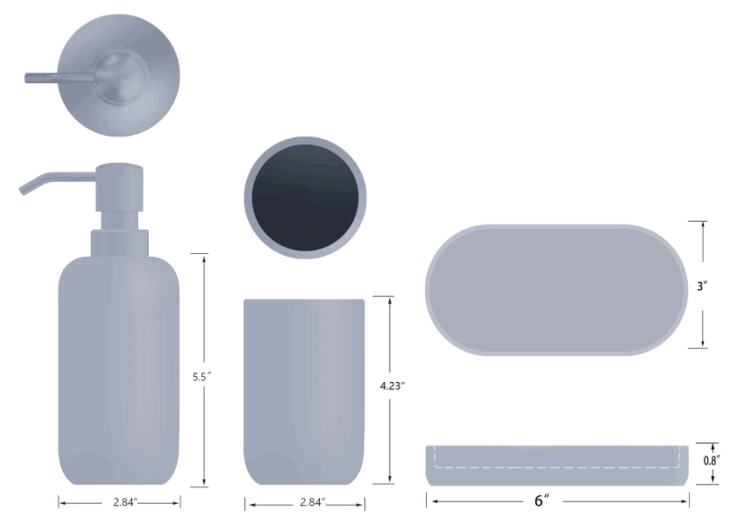 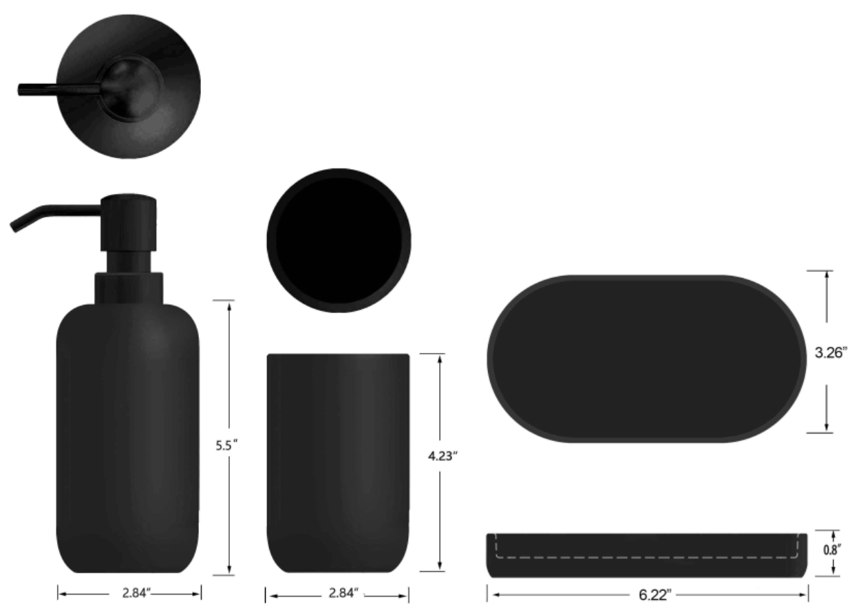 | Laura Ashley | Laura Ashley 5% | Bath Accessories | 3 Pc Set-soft touch | stoneware 1 Lotion Pump + 1 Tumbler + 1 Tray | Ceramic 3pc Bath Set | stoneware, rubber finish | stoneware, rubber finish | LP: 2.84x2.84x5.5 Tumbler: 2.84x2.84x4.23 Tray: 6x3x0.8 | LA SKYWAY |  |  | LA71-0450 |  | Set | $5.00 | Normal |  | 43 | 27 | 57 | 20 | 13 | 26 | 8 | 8 | 0.007 | 63.00 | 74556 | 2,250 | $0.03 | 8424.89.9000 | 21.80% | $1.09 | $6.12 | 1.00% | $0.09 | 6.00% | $0.51 | $0.00 | 0.00% | $0.00 | $0.60 | $6.72 | 21.00% | $8.50 | $24.99 | 65.99% |  | 4800 | 2400 | 2400 |  | $32,232.86 | $40,800.00 | $119,952.00 | 39.71 |  |  | Yantian,China | China | S-CZYY | HG Target: $10 | LA SKYWAY | 2400 | 2400 |  | TOTAL UNITS
 |  | Laura Ashley | Laura Ashley 5% | Bath Accessories | 3 Pc Set-soft touch | stoneware 1 Lotion Pump + 1 Tumbler + 1 Tray | Ceramic 3pc Bath Set | stoneware, rubber finish | stoneware, rubber finish | LP: 2.84x2.84x5.5 Tumbler: 2.84x2.84x4.23 Tray: 6x3x0.8 | LA PK DOGWOOD |  |  | LA71-0451 |  | Set | $5.00 | Normal |  | 43 | 27 | 57 | 20 | 13 | 26 | 8 | 8 | 0.007 | 63.00 | 74556 | 2,250 | $0.03 | 8424.89.9000 | 21.80% | $1.09 | $6.12 | 1.00% | $0.09 | 6.00% | $0.51 | $0.00 | 0.00% | $0.00 | $0.60 | $6.72 | 21.00% | $8.50 | $24.99 | 65.99% |  | 4800 | 2400 | 2400 |  | $32,232.86 | $40,800.00 |  |  |  |  | Yantian,China | China | S-CZYY |  | LA PK DOGWOOD | 2400 | 2400 |  | 21300
 |  | Laura Ashley | Laura Ashley 5% | Bath Accessories | 3 Pc Set-soft touch | stoneware 1 Lotion Pump + 1 Tumbler + 1 Tray | Ceramic 3pc Bath Set | stoneware, rubber finish | stoneware, rubber finish | LP: 2.84x2.84x5.5 Tumbler: 2.84x2.84x4.23 Tray: 6x3x0.8 | LS TENDER GRNS |  |  | LA71-0452 |  | Set | $5.00 | Normal |  | 43 | 27 | 57 | 20 | 13 | 26 | 8 | 8 | 0.007 | 63.00 | 74556 | 2,250 | $0.03 | 8424.89.9000 | 21.80% | $1.09 | $6.12 | 1.00% | $0.09 | 6.00% | $0.51 | $0.00 | 0.00% | $0.00 | $0.60 | $6.72 | 21.00% | $8.50 | $24.99 | 65.99% |  | 4800 | 2400 | 2400 |  | $32,232.86 | $40,800.00 |  |  |  |  | Yantian,China | China | S-CZYY |  | LS TENDER GRNS | 2400 | 2400
 |  | N Natori | N Natori 5% | Bath Accessories | 3 Pc Set-soft touch | stoneware 1 Lotion Pump + 1 Tumbler + 1 Tray | Ceramic 3pc Bath Set | stoneware, rubber finish | stoneware, rubber finish | LP: 2.84x2.84x5.5 Tumbler: 2.84x2.84x4.23 Tray: 6x3x0.8 | MOONBEAM |  |  | NN71-0385 |  | Set | $5.00 | Normal |  | 43 | 27 | 57 | 20 | 13 | 26 | 8 | 8 | 0.007 | 63.00 | 74556 | 2,250 | $0.03 | 8424.89.9000 | 21.80% | $1.09 | $6.12 | 1.00% | $0.09 | 6.00% | $0.51 | $0.00 | 0.00% | $0.00 | $0.60 | $6.72 | 21.00% | $8.50 | $24.99 | 65.99% |  | 2700 | 1200 |  | 1500 | $18,130.98 | $22,950.00 |  |  |  |  | Yantian,China | China | S-CZYY | NATORI | MOONBEAM | 1200 |  | 1500
 |  | N Natori | N Natori 5% | Bath Accessories | 3 Pc Set-soft touch | stoneware 1 Lotion Pump + 1 Tumbler + 1 Tray | Ceramic 3pc Bath Set | stoneware, rubber finish | stoneware, rubber finish | LP: 2.84x2.84x5.5 Tumbler: 2.84x2.84x4.23 Tray: 6x3x0.8 | BLACK |  |  | NN71-0386 |  | Set | $5.00 | Normal |  | 43 | 27 | 57 | 20 | 13 | 26 | 8 | 8 | 0.007 | 63.00 | 74556 | 2,250 | $0.03 | 8424.89.9000 | 21.80% | $1.09 | $6.12 | 1.00% | $0.09 | 6.00% | $0.51 | $0.00 | 0.00% | $0.00 | $0.60 | $6.72 | 21.00% | $8.50 | $24.99 | 65.99% |  | 2700 | 1200 |  | 1500 | $18,130.98 | $22,950.00 |  |  |  |  | Yantian,China | China | S-CZYY | NATORI | BLACK | 1200 |  | 1500
 |  | N Natori | N Natori 5% | Bath Accessories | 3 Pc Set-soft touch | stoneware 1 Lotion Pump + 1 Tumbler + 1 Tray | Ceramic 3pc Bath Set | stoneware, rubber finish | stoneware, rubber finish | LP: 2.84x2.84x5.5 Tumbler: 2.84x2.84x4.23 Tray: 6x3x0.8 | WHITE |  |  | NN71-0387 |  | Set | $5.00 | Normal |  | 43 | 27 | 57 | 20 | 13 | 26 | 8 | 8 | 0.007 | 63.00 | 74556 | 2,250 | $0.03 | 8424.89.9000 | 21.80% | $1.09 | $6.12 | 1.00% | $0.09 | 6.00% | $0.51 | $0.00 | 0.00% | $0.00 | $0.60 | $6.72 | 21.00% | $8.50 | $24.99 | 65.99% |  | 1500 | 0 |  | 1500 | $10,072.77 | $12,750.00 |  |  |  |  | Yantian,China | China | S-CZYY | NATORI | WHITE | 0 |  | 1500
 | 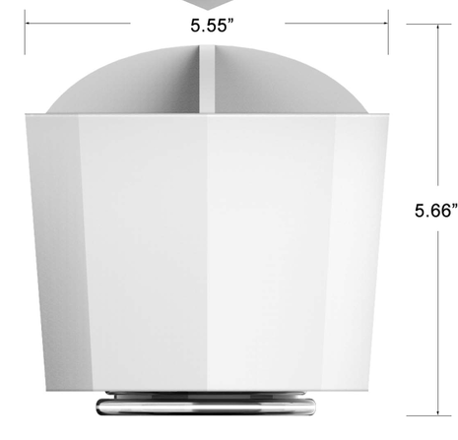 | N Natori | N Natori 5% | Bath Accessories |  | Resin Organizer-B | Resin Organizer | sand+PP base | sand+PP base | 5.55X5.55X6.55" | MOONBEAM |  |  | NN71-0388 |  | Piece | $4.20 | Normal |  | 40.0 | 36.0 | 48.0 | 40.0 | 36.0 | 48.0 | 8 | 8 | 0.014 | 63.00 | 36458 | 2,250 | $0.06 | 3926.10.0000 | 25.3% | $1.06 | $5.32 | 1.00% | $0.08 | 6.00% | $0.45 | $0.00 | 0.00% | $0.00 | $0.52 | $5.85 | 22.01% | $7.50 | $16.99 | 55.86% |  | 1200 |  | 1200 |  | $7,019.18 | $9,000.00 | $20,388.00 | 10.37 |  |  | YANTIAN | China | S-DGDH | NATORI | MOONBEAM |  | 1200 |  | TOTAL UNITS
 |  | N Natori | N Natori 5% | Bath Accessories |  | Resin Organizer-B | Resin Organizer | sand+PP base | sand+PP base | 5.55X5.55X6.55" | BLACK |  |  | NN71-0389 |  | Piece | $4.20 | Normal |  | 40.0 | 36.0 | 48.0 | 40.0 | 36.0 | 48.0 | 8 | 8 | 0.014 | 63.00 | 36458 | 2,250 | $0.06 | 3926.10.0000 | 25.3% | $1.06 | $5.32 | 1.00% | $0.08 | 6.00% | $0.45 | $0.00 | 0.00% | $0.00 | $0.52 | $5.85 | 22.01% | $7.50 | $16.99 | 55.86% |  | 1200 |  | 1200 |  | $7,019.18 | $9,000.00 | $20,388.00 | 10.37 |  |  | YANTIAN | China | S-DGDH | NATORI | BLACK |  | 1200 |  | 3600
 |  | N Natori | N Natori 5% | Bath Accessories |  | Resin Organizer-B | Resin Organizer | sand+PP base | sand+PP base | 5.55X5.55X6.55" | WHITE |  |  | NN71-0390 |  | Piece | $4.20 | Normal |  | 40.0 | 36.0 | 48.0 | 40.0 | 36.0 | 48.0 | 8 | 8 | 0.014 | 63.00 | 36458 | 2,250 | $0.06 | 3926.10.0000 | 25.3% | $1.06 | $5.32 | 1.00% | $0.08 | 6.00% | $0.45 | $0.00 | 0.00% | $0.00 | $0.52 | $5.85 | 22.01% | $7.50 | $16.99 | 55.86% |  | 1200 |  | 1200 |  | $7,019.18 | $9,000.00 | $20,388.00 | 10.37 |  |  | YANTIAN | China | S-DGDH | NATORI | WHITE |  | 1200
 | 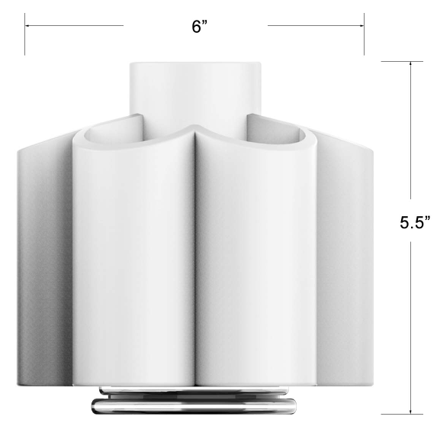 | Laura Ashley | Laura Ashley 5% | Bath Accessories |  | Resin Organizer-F | Resin Organizer | sand+PP base | sand+PP base | 6x6x5.5" | CASH BLUE |  |  | LA71-0453 |  | Piece | $4.50 | Normal |  | 42.0 | 38.5 | 46.0 | 42.0 | 38.5 | 46.0 | 8 | 8 | 0.014 | 63.00 | 35573 | 2,250 | $0.06 | 3926.10.0000 | 25.3% | $1.14 | $5.70 | 1.00% | $0.08 | 6.00% | $0.48 | $0.00 | 0.00% | $0.00 | $0.56 | $6.26 | 21.73% | $8.00 | $19.99 | 59.98% |  | 3900 | 2400 | 1500 |  | $24,420.83 | $31,200.00 | $77,961.00 | 36.26 |  |  | YANTIAN | China | S-DGDH | L ASHLEY | CASH BLUE | 2400 | 1500 |  | TOTAL UNITS
 |  | Laura Ashley | Laura Ashley 5% | Bath Accessories |  | Resin Organizer-F | Resin Organizer | sand+PP base | sand+PP base | 6x6x5.5" | FOG GREEN |  |  | LA71-0454 |  | Piece | $4.50 | Normal |  | 42.0 | 38.5 | 46.0 | 42.0 | 38.5 | 46.0 | 8 | 8 | 0.014 | 63.00 | 35573 | 2,250 | $0.06 | 3926.10.0000 | 25.3% | $1.14 | $5.70 | 1.00% | $0.08 | 6.00% | $0.48 | $0.00 | 0.00% | $0.00 | $0.56 | $6.26 | 21.73% | $8.00 | $19.99 | 59.98% |  | 3900 | 2400 | 1500 |  | $24,420.83 | $31,200.00 | $77,961.00 | 36.26 |  |  | YANTIAN | China | S-DGDH | L ASHLEY | FOG GREEN | 2400 | 1500 |  | 11700
 |  | Laura Ashley | Laura Ashley 5% | Bath Accessories |  | Resin Organizer-F | Resin Organizer | sand+PP base | sand+PP base | 6x6x5.5" | PEACH WHIP |  |  | LA71-0455 |  | Piece | $4.50 | Normal |  | 42.0 | 38.5 | 46.0 | 42.0 | 38.5 | 46.0 | 8 | 8 | 0.014 | 63.00 | 35573 | 2,250 | $0.06 | 3926.10.0000 | 25.3% | $1.14 | $5.70 | 1.00% | $0.08 | 6.00% | $0.48 | $0.00 | 0.00% | $0.00 | $0.56 | $6.26 | 21.73% | $8.00 | $19.99 | 59.98% |  | 3900 | 2400 | 1500 |  | $24,420.83 | $31,200.00 | $77,961.00 | 36.26 |  |  | YANTIAN | China | S-DGDH | L ASHLEY | PEACH WHIP | 2400 | 1500
 | 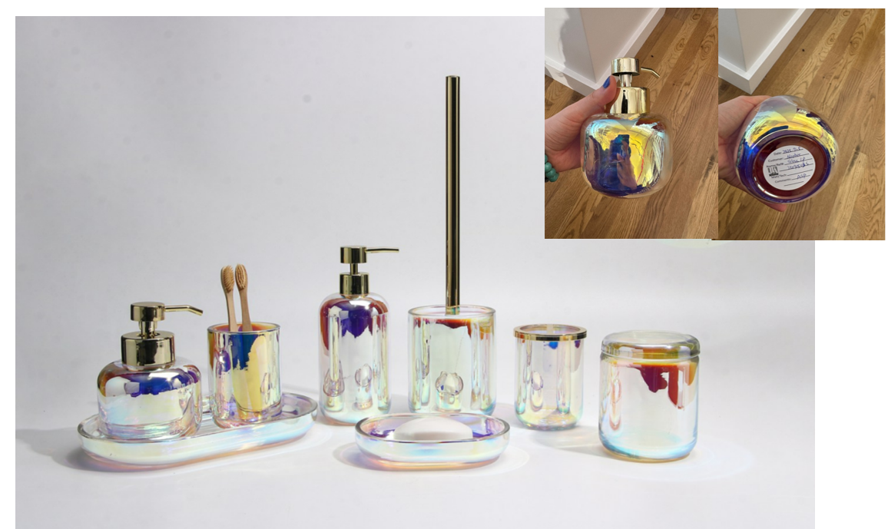 | Laura Ashley | Laura Ashley 5% | BATH ACCESSORIES | Opal Iridescent | glass Taller lotion dispenser,plastic shiny golden color pump head | lotion dispenser | glass | glass | 3.1x3.1x7.6" | as photo |  |  | LA71-0456 |  | Piece | $3.24 | Normal |  | 35.5 | 36.5 | 35.00 | 16 | 8 | 20 | 8 | 2 | 0.003 | 63.00 | 49219 | 2,250 | $0.05 | 8424.89.9000 | 21.80% | $0.71 | $3.99 | 1.00% | $0.06 | 6.00% | $0.38 | $0.00 | 0.00% | $0.00 | $0.44 | $4.43 | 29.13% | $6.25 | $14.99 | 58.31% |  | 1200 |  | 1200 |  | $5,315.44 | $7,500.00 | $17,988.00 | 27.21 |  |  | Yantian | China | Aspire |  | JUNE POE |  | 1200
 |  | Laura Ashley | Laura Ashley 5% | BATH ACCESSORIES | Opal Iridescent | glass Shorter lotion dispenser,plastic shiny golden color pump head | lotion dispenser | glass | glass | 3.9x3.9x5.5"(10x10x14cm) | as photo |  |  | LA71-0457 |  | Piece | $3.57 | Normal |  |  |  |  | 10 | 10 | 14 | 8 | 1 | 0.001 | 63.00 | 45000 | 2,250 | $0.05 | 8424.89.9000 | 21.80% | $0.78 | $4.40 | 1.00% | $0.07 | 6.00% | $0.40 | $0.00 | 0.00% | $0.00 | $0.47 | $4.87 | 27.84% | $6.75 | $14.99 | 54.97% |  | 1200 |  | 1200 |  | $5,844.91 | $8,100.00 | $17,988.00 |  |  |  | Yantian | China | Aspire |  |  |  | 1200
 | 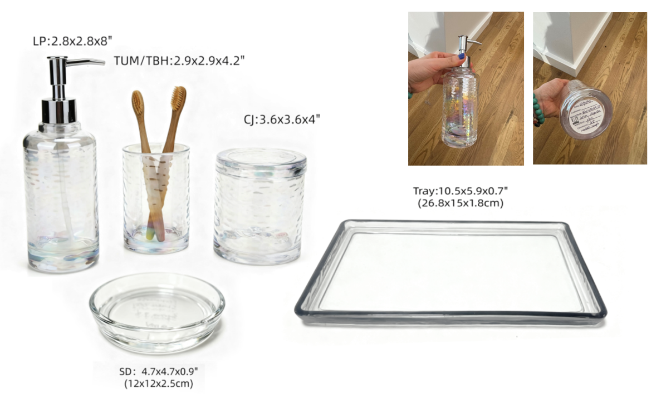 Blue | Laura Ashley | Laura Ashley 5% | BATH ACCESSORIES | Glass | glass Lotion dispenser,plastic chromed pump head | lotion dispenser | glass | glass | 2.8x2.8x8"(7.2x7.2x20.3cm) | Blue |  |  | LA71-0458 |  | Piece | $2.80 | Normal |  | 23.4 | 26.9 | 29.10 | 15 | 8 | 21 | 8 | 2 | 0.003 | 63.00 | 50000 | 2,250 | $0.05 | 8424.89.9000 | 21.80% | $0.61 | $3.46 | 1.00% | $0.06 | 6.00% | $0.33 | $0.00 | 0.00% | $0.00 | $0.38 | $3.84 | 30.17% | $5.50 | $12.99 | 57.66% |  | 1200 |  | 1200 |  | $4,608.48 | $6,600.00 | $15,588.00 | 10.99 |  |  | Yantian | China | Aspire | JUNE POE |  |  | 1200
 |  | Laura Ashley | Laura Ashley 5% | BATH ACCESSORIES | Glass | glass Toothbrush Holder, chromed cover | tooth brush holder | glass | glass | 2.9x2.9x4.2"(7.4x7.4x10.8cm) | Blue |  |  | LA71-0459 |  | Piece | $2.54 | Normal |  |  |  |  | 8 | 8 | 11 | 8 | 1 | 0.001 | 63.00 | 89489 | 2,250 | $0.03 | 7013.99.5010 | 50.00% | $1.27 | $3.84 | 1.00% | $0.06 | 6.00% | $0.34 | $0.00 | 0.00% | $0.00 | $0.40 | $4.23 | 25.12% | $5.65 | $12.99 | 56.51% |  | 600 |  | 600 |  | $2,538.39 | $3,390.00 | $7,794.00 |  |  |  | Yantian | China | Aspire |  |  |  | 600
 |  | Laura Ashley | Laura Ashley 5% | BATH ACCESSORIES | Glass | glass Tumbler | tumbler | glass | glass | 2.9x2.9x4.2"(7.4x7.4x10.8cm) | Blue |  |  | LA71-0460 |  | Piece | $1.97 | Normal |  |  |  |  | 8 | 8 | 11 | 8 | 1 | 0.001 | 63.00 | 89489 | 2,250 | $0.03 | 7013.99.5010 | 50.00% | $0.99 | $2.98 | 1.00% | $0.05 | 6.00% | $0.27 | $0.00 | 0.00% | $0.00 | $0.32 | $3.30 | 26.77% | $4.50 | $9.99 | 54.95% |  | 600 |  | 600 |  | $1,977.09 | $2,700.00 | $5,994.00 |  |  |  | Yantian | China | Aspire | DOES THIS HAVE A NAME? |  |  | 600
 |  | Laura Ashley | Laura Ashley 5% | BATH ACCESSORIES | Glass | glass Soap Dish | soap dish | glass | glass | 4.7x4.7x0.9 | Blue |  |  | LA71-0461 |  | Piece | $1.68 | Normal |  |  |  |  | 12 | 12 | 3 | 8 | 1 | 0.00043 | 63.00 | 145833 | 2,250 | $0.02 | 7013.99.5010 | 50.00% | $0.84 | $2.54 | 1.00% | $0.04 | 6.00% | $0.22 | $0.00 | 0.00% | $0.00 | $0.26 | $2.80 | 25.39% | $3.75 | $7.99 | 53.07% |  | 600 |  | 600 |  | $1,678.76 | $2,250.00 | $4,794.00 |  |  |  | Yantian | China | Aspire |  |  |  | 600
 |  | Laura Ashley | Laura Ashley 5% | BATH ACCESSORIES | Glass | glass Cotton jar | cotton jar | glass | glass | 3.6x3.6x4"(9.2x9.2x10.4cm) | Blue |  |  | LA71-0462 |  | Piece | $2.84 | Normal |  |  |  |  | 10 | 10 | 11 | 8 | 1 | 0.001 | 63.00 | 57273 | 2,250 | $0.04 | 7013.99.5010 | 50.00% | $1.42 | $4.30 | 1.00% | $0.06 | 6.00% | $0.38 | $0.00 | 0.00% | $0.00 | $0.44 | $4.74 | 24.21% | $6.25 | $14.99 | 58.31% |  | 600 |  | 600 |  | $2,842.07 | $3,750.00 | $8,994.00 |  |  |  | Yantian | China | Aspire | JUST BLUE - NO IRIDESCENT |  |  | 600
 |  | Laura Ashley | Laura Ashley 5% | BATH ACCESSORIES | Glass | glass Tray | tray | glass | glass | 10.5x5.9x0.7 | Blue |  |  | LA71-0463 |  | Piece | $3.28 | Normal |  |  |  |  | 27 | 15 | 2 | 8 | 1 | 0.001 | 63.00 | 77778 | 2,250 | $0.03 | 7013.99.8090 | 31.30% | $1.03 | $4.34 | 1.00% | $0.07 | 6.00% | $0.39 | $0.00 | 0.00% | $0.00 | $0.46 | $4.79 | 26.30% | $6.50 | $14.99 | 56.64% |  | 600 |  | 600 |  | $2,874.34 | $3,900.00 | $8,994.00 |  |  |  | Yantian | China | Aspire |  |  |  | 600
 | 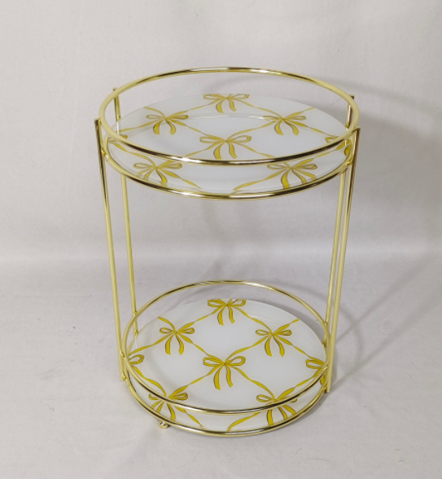 | Laura Ashley | Laura Ashley 5% | Bath Hardware | 2 Tier Rounded Tray Pattern 1 | 2 Tier iron Rounded Vanity Tray with Bows Mirror | 2 Tier Rounded Vanity Tray | iron+glass | iron+glass | 9.06*9.84*12.2" |  |  |  | LA76-0464 |  |  | $4.49 | Normal |  | 45.0 | 40.5 | 50.5 | 45.0 | 40.5 | 50.5 | 8 | 4 | 0.008 | 63.00 | 30803 | 2,250 | $0.07 | 9403.20.0090 | 45.0% | $2.02 | $6.58 | 1.00% | $0.11 | 6.00% | $0.66 | $0.00 | 0.00% | $0.00 | $0.77 | $7.35 | 33.15% | $11.00 | $21.99 | 49.98% |  | 1000 | 1000 |  |  | $7,353.54 | $11,000.00 | $21,990.00 | 23.01 |  |  | Yantian | China | S-JMHS | 3 PATTERNS 1000 PER STYLE | NEED TO SEE PATTERNS - MAY POE | 3000
 |  | Laura Ashley | Laura Ashley 5% | Bath Hardware | 2 Tier Rounded Tray Pattern 2 | 2 Tier iron Rounded Vanity Tray with Bows Mirror | 2 Tier Rounded Vanity Tray | iron+glass | iron+glass | 9.06*9.84*12.2" |  |  |  | LA76-0465 |  |  | $4.49 | Normal |  | 45.0 | 40.5 | 50.5 | 45.0 | 40.5 | 50.5 | 8 | 4 | 0.008 | 63.00 | 30803 | 2,250 | $0.07 | 9403.20.0090 | 45.0% | $2.02 | $6.58 | 1.00% | $0.11 | 6.00% | $0.66 | $0.00 | 0.00% | $0.00 | $0.77 | $7.35 | 33.15% | $11.00 | $21.99 | 49.98% |  | 1000 | 1000 |  |  | $7,353.54 | $11,000.00 | $21,990.00 | 23.01 |  |  | Yantian | China | S-JMHS
 |  | Laura Ashley | Laura Ashley 5% | Bath Hardware | 2 Tier Rounded Tray Pattern 3 | 2 Tier iron Rounded Vanity Tray with Bows Mirror | 2 Tier Rounded Vanity Tray | iron+glass | iron+glass | 9.06*9.84*12.2" |  |  |  | LA76-0466 |  |  | $4.49 | Normal |  | 45.0 | 40.5 | 50.5 | 45.0 | 40.5 | 50.5 | 8 | 4 | 0.008 | 63.00 | 30803 | 2,250 | $0.07 | 9403.20.0090 | 45.0% | $2.02 | $6.58 | 1.00% | $0.11 | 6.00% | $0.66 | $0.00 | 0.00% | $0.00 | $0.77 | $7.35 | 33.15% | $11.00 | $21.99 | 49.98% |  | 1000 | 1000 |  |  | $7,353.54 | $11,000.00 | $21,990.00 | 23.01 |  |  | Yantian | China | S-JMHS
 | 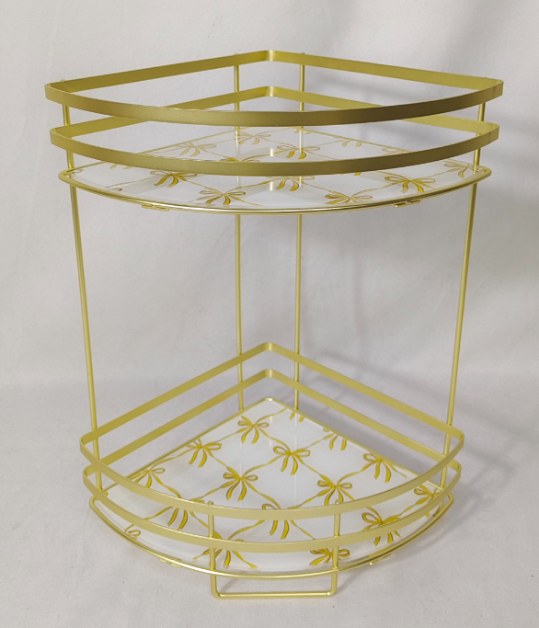 | Laura Ashley | Laura Ashley 5% | Bath Hardware | 2 Tier Corner Tray Pattern 1 | 2 Tier iron Corner Vanity Tray with Bows Mirror | 2 Tier Corner Vanity Tray | Iron+Mirror Electroplated Weight: 0.95KG | Iron+Mirror Electroplated Weight: 0.95KG | 32*10.24*12.6" |  |  |  | LA76-0467 |  |  | $3.33 | Normal |  | 62.0 | 23.0 | 40.0 | 62.0 | 23.0 | 40.0 | 8 | 6 | 0.006 | 63.00 | 68478 | 2,250 | $0.03 | 9403.20.0090 | 45.0% | $1.50 | $4.86 | 1.00% | $0.08 | 6.00% | $0.50 | $0.00 | 0.00% | $0.00 | $0.58 | $5.45 | 34.78% | $8.35 | $16.99 | 50.85% |  | 1,000 | 1,000 |  |  | $5,445.86 | $8,350.00 | $16,990.00 | 9.51 |  |  | YANTIAN | China | S-JMHS | 3 PATTERNS 1000 PER STYLE | NEED TO SEE PATTERNS - MAY POE | 3000
 |  | Laura Ashley | Laura Ashley 5% | Bath Hardware | 2 Tier Corner Tray Pattern 2 | 2 Tier iron Corner Vanity Tray with Bows Mirror | 2 Tier Corner Vanity Tray | Iron+Mirror Electroplated Weight: 0.95KG | Iron+Mirror Electroplated Weight: 0.95KG | 32*10.24*12.6" |  |  |  | LA76-0468 |  |  | $3.33 | Normal |  | 62.0 | 23.0 | 40.0 | 62.0 | 23.0 | 40.0 | 8 | 6 | 0.006 | 63.00 | 68478 | 2,250 | $0.03 | 9403.20.0090 | 45.0% | $1.50 | $4.86 | 1.00% | $0.08 | 6.00% | $0.50 | $0.00 | 0.00% | $0.00 | $0.58 | $5.45 | 34.78% | $8.35 | $16.99 | 50.85% |  | 1,000 | 1,000 |  |  | $5,445.86 | $8,350.00 | $16,990.00 | 9.51 |  |  | YANTIAN | China | S-JMHS
 |  | Laura Ashley | Laura Ashley 5% | Bath Hardware | 2 Tier Corner Tray Pattern 3 | 2 Tier iron Corner Vanity Tray with Bows Mirror | 2 Tier Corner Vanity Tray | Iron+Mirror Electroplated Weight: 0.95KG | Iron+Mirror Electroplated Weight: 0.95KG | 32*10.24*12.6" |  |  |  | LA76-0469 |  |  | $3.33 | Normal |  | 62.0 | 23.0 | 40.0 | 62.0 | 23.0 | 40.0 | 8 | 6 | 0.006 | 63.00 | 68478 | 2,250 | $0.03 | 9403.20.0090 | 45.0% | $1.50 | $4.86 | 1.00% | $0.08 | 6.00% | $0.50 | $0.00 | 0.00% | $0.00 | $0.58 | $5.45 | 34.78% | $8.35 | $16.99 | 50.85% |  | 1,000 | 1,000 |  |  | $5,445.86 | $8,350.00 | $16,990.00 | 9.51 |  |  | YANTIAN | China | S-JMHS
 |  | Natori | Natori 7% | Bath Hardware |  | Iron 3 Tier SPA Tower | Iron 3 Tier SPA Tower | Iron Powder Coating Weight: 2.50 KG | Iron Powder Coating Weight: 2.50 KG | 11*11*30" | WHITE |  |  | NA76-3512 |  |  | $7.41 | Normal |  | 91.0 | 52.0 | 58.0 | 91.0 | 52.0 | 58.0 | 8 | 4 | 0.012 | 63.00 | 20889 | 2,250 | $0.11 | 7324.90.0000 | 45.0% | $3.33 | $10.85 | 1.00% | $0.17 | 6.00% | $1.02 | $0.00 | 0.00% | $0.00 | $1.19 | $12.04 | 29.16% | $17.00 | $36.99 | 54.04% |  | 1000 |  | 1000 |  | $12,042.21 | $17,000.00 | $36,990.00 | 68.61 |  |  | YANTIAN | China | S-JMHS | NATORI - WHITE, BLACK,TAUPE 1000 PER STYLE | JUNE POE | OR CONTIANER FILL | 1000
 |  | Natori | Natori 7% | Bath Hardware |  | Iron 3 Tier SPA Tower | Iron 3 Tier SPA Tower | Iron Powder Coating Weight: 2.50 KG | Iron Powder Coating Weight: 2.50 KG | 11*11*30" | BLACK |  |  | NA76-3513 |  |  | $7.41 | Normal |  | 91.0 | 52.0 | 58.0 | 91.0 | 52.0 | 58.0 | 8 | 4 | 0.012 | 63.00 | 20889 | 2,250 | $0.11 | 7324.90.0000 | 45.0% | $3.33 | $10.85 | 1.00% | $0.17 | 6.00% | $1.02 | $0.00 | 0.00% | $0.00 | $1.19 | $12.04 | 29.16% | $17.00 | $36.99 | 54.04% |  | 1000 |  | 1000 |  | $12,042.21 | $17,000.00 | $36,990.00 | 68.61 |  |  | YANTIAN | China | S-JMHS
 |  | Natori | Natori 7% | Bath Hardware |  | Iron 3 Tier SPA Tower | Iron 3 Tier SPA Tower | Iron Powder Coating Weight: 2.50 KG | Iron Powder Coating Weight: 2.50 KG | 11*11*30" | TAUPE |  |  | NA76-3514 |  |  | $7.41 | Normal |  | 91.0 | 52.0 | 58.0 | 91.0 | 52.0 | 58.0 | 8 | 4 | 0.012 | 63.00 | 20889 | 2,250 | $0.11 | 7324.90.0000 | 45.0% | $3.33 | $10.85 | 1.00% | $0.17 | 6.00% | $1.02 | $0.00 | 0.00% | $0.00 | $1.19 | $12.04 | 29.16% | $17.00 | $36.99 | 54.04% |  | 1000 |  | 1000 |  | $12,042.21 | $17,000.00 | $36,990.00 | 68.61 |  |  | YANTIAN | China | S-JMHS
 |  | Laura Ashley | Laura Ashley 5% | Bath Hardware |  | bamboo shelf | bamboo mat | bamboo | bamboo | 30.5x9x9" |  |  |  | LA76-0470 |  |  | $6.70 | Normal |  | 25.00 | 25.00 | 79.50 | 25.00 | 25.00 | 79.50 | 8 | 1 | 0.002 | 63.00 | 31698 | 2,250 | $0.07 | 9403.82.0015 | 45.0% | $3.02 | $9.79 | 1.00% | $0.15 | 6.00% | $0.90 | $0.00 | 0.00% | $0.00 | $1.05 | $10.84 | 27.76% | $15.00 | $32.99 | 54.53% |  | 1000 |  | 1000 |  | $10,835.98 | $15,000.00 | $32,990.00 | 49.69 |  |  | FUZHOU | China | Longhui | LA BRAND? |  |  | 1000 (or container fill?)
 | 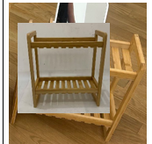 | Laura Ashley | Laura Ashley 5% | Bath Hardware |  | bamboo shelf | bamboo mat | bamboo | bamboo | 12.8x6.1x13.75" |  |  |  | LA76-0471 |  |  | $3.70 | Normal |  | 34.50 | 17.50 | 37.00 | 34.50 | 17.50 | 37.00 | 8 | 1 | 0.001 | 63.00 | 97297 | 2,250 | $0.02 | 9403.82.0015 | 45.0% | $1.67 | $5.39 | 1.00% | $0.08 | 6.00% | $0.48 | $0.00 | 0.00% | $0.00 | $0.56 | $5.95 | 25.65% | $8.00 | $19.99 | 59.98% |  | 1000 |  | 1000 |  | $5,948.13 | $8,000.00 | $19,990.00 | 22.34 |  |  | FUZHOU | CHINA | longhui | LA BRAND? |  |  | 1000
 | 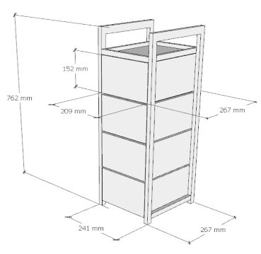 | Laura Ashley | Laura Ashley 5% | Bath Hardware |  | bamboo shelf | bamboo mat | bamboo | bamboo | 30”(H)x9.5”(W)x10.5”(D) |  |  |  | LA76-0472 |  |  | $13.80 | Normal |  | 26.10 | 28.70 | 78.20 | 26.10 | 28.70 | 78.20 | 8 | 1 | 0.002 | 63.00 | 28071 | 2,250 | $0.08 | 9403.82.0015 | 45.0% | $6.21 | $20.09 | 1.00% | $0.30 | 6.00% | $1.80 | $0.00 | 0.00% | $0.00 | $2.10 | $22.19 | 26.03% | $30.00 | $69.99 | 57.14% |  | 1000 |  |  |  | $22,190.16 | $30,000.00 | $69,990.00 | 58.58 |  |  | FUZHOU | CHINA | longhui |  |  | WHAT IS CONTAINER FILL?
 |  | N Natori | N Natori 5% | Bath Hardware |  | plastic shower caddy | plastic shower caddy | TPR+PP | TPR+PP | 12x3.5x20.6/34.6"(30.6x9x52.5/88cm) | White |  |  | NN76-0391 |  |  | $2.43 | Normal |  | 38.00 | 33.00 | 64.00 | 38.00 | 33.00 | 64.00 | 8 | 6 | 0.013 | 63.00 | 29830 | 2,250 | $0.08 | 3924.90.5650 | 30.9% | $0.75 | $3.26 | 1.00% | $0.05 | 6.00% | $0.28 | $0.00 | 0.00% | $0.00 | $0.33 | $3.58 | 22.97% | $4.65 | $9.99 | 53.45% |  | 1000 | 1000 |  |  | $3,581.80 | $4,650.00 | $9,990.00 | 13.38 |  |  | Yantian | China | Aspire | CAN WE TEST THIS INTO STOCK? AS NATORI? | natori - white, black, grey 1000 each
 |  | N Natori | N Natori 5% | Bath Hardware |  | plastic shower caddy | plastic shower caddy | TPR+PP | TPR+PP | 12x3.5x20.6/34.6"(30.6x9x52.5/88cm) | Black |  |  | NN76-0392 |  |  | $2.43 | Normal |  | 38.00 | 33.00 | 64.00 | 38.00 | 33.00 | 64.00 | 8 | 6 | 0.013 | 63.00 | 29830 | 2,250 | $0.08 | 3924.90.5650 | 30.9% | $0.75 | $3.26 | 1.00% | $0.05 | 6.00% | $0.28 | $0.00 | 0.00% | $0.00 | $0.33 | $3.58 | 22.97% | $4.65 | $9.99 | 53.45% |  | 1000 | 1000 |  |  | $3,581.80 | $4,650.00 | $9,990.00 | 13.38 |  |  | Yantian | China | Aspire | CAN WE TEST THIS INTO STOCK? AS NATORI? | natori - white, black, grey 1000 each
 |  | N Natori | N Natori 5% | Bath Hardware |  | plastic shower caddy | plastic shower caddy | TPR+PP | TPR+PP | 12x3.5x20.6/34.6"(30.6x9x52.5/88cm) | Grey |  |  | NN76-0393 |  |  | $2.43 | Normal |  | 38.00 | 33.00 | 64.00 | 38.00 | 33.00 | 64.00 | 8 | 6 | 0.013 | 63.00 | 29830 | 2,250 | $0.08 | 3924.90.5650 | 30.9% | $0.75 | $3.26 | 1.00% | $0.05 | 6.00% | $0.28 | $0.00 | 0.00% | $0.00 | $0.33 | $3.58 | 22.97% | $4.65 | $9.99 | 53.45% |  | 1000 | 1000 |  |  | $3,581.80 | $4,650.00 | $9,990.00 | 13.38 |  |  | Yantian | China | Aspire | CAN WE TEST THIS INTO STOCK? AS NATORI? | natori - white, black, grey 1000 each
 |  | N Natori | N Natori 5% | Bath Hardware |  | plastic shower caddy | plastic shower caddy | Round Wire D5MM；Plastic ： PET ； | Round Wire D5MM；Plastic ： PET ； | 11.81*5.78*28.74 |  |  |  | NN76-0394 |  |  | $3.83 | Normal |  | 42.00 | 30.00 | 38.00 | 42.00 | 30.00 | 38.00 | 8 | 8 | 0.009 | 63.00 | 55263 | 2,250 | $0.04 | 3924.90.5650 | 30.9% | $1.18 | $5.05 | 1.00% | $0.07 | 6.00% | $0.44 | $0.00 | 0.00% | $0.00 | $0.51 | $5.56 | 23.29% | $7.25 | $14.99 | 51.63% |  | 1000 | 1000 |  |  | $5,561.68 | $7,250.00 | $14,990.00 | 5.99 |  |  | Yantian | China | S-JMLD | CAN WE TEST THIS INTO STOCK? AS NATORI? | natori -1000
ORB
ORB
 | 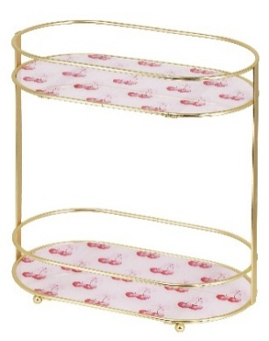 | Laura Ashley | Laura Ashley 5% | Bath Hardware |  | 2 Tier Iron Oval Countertop with Printed Glass | 2 Tier Iron Oval Countertop | Iron+glass | Iron+glass | 12"x6.69"x12.6” | gold plating |  |  | LA76-0473 |  | Piece | $4.55 | Normal |  | 41 | 32 | 66 | 41 | 32 | 66 | 8 | 6 | 0.087 | 63.00 | 4365 | 2,250 | $0.52 | 9403.20.0090 | 45.0% | $2.05 | $7.11 | 1.00% | $0.13 | 6.00% | $0.75 | $0.00 | 0.00% | $0.00 | $0.88 | $7.99 | 36.10% | $12.50 | $26.99 | 53.69% |  | 1500 |  | 1500 |  | $11,981.89 | $18,750.00 | $40,485.00 | 21.65 |  |  | Yantian,China | China | S-JMJGY | WHAT IS THE DIFFERENCE IN PRICE? | JUNE POE
ORB
ORB
 |  | Laura Ashley | Laura Ashley 5% | Bath Hardware |  | 2 Tier Iron Oval Countertop with Printed Glass | 2 Tier Iron Oval Countertop | Iron+glass | Iron+glass | 12"x6.69"x12.6” | chrome plating |  |  | LA76-0474 |  | Piece | $4.30 | Normal |  | 41 | 32 | 66 | 41 | 32 | 66 | 8 | 6 | 0.087 | 63.00 | 4365 | 2,250 | $0.52 | 9403.20.0090 | 45.0% | $1.94 | $6.75 | 1.00% | $0.12 | 6.00% | $0.74 | $0.00 | 0.00% | $0.00 | $0.86 | $7.61 | 38.12% | $12.30 | $26.99 | 54.43% |  | 1500 |  | 1500 |  | $11,417.14 | $18,450.00 | $40,485.00 | 21.65 |  |  | Yantian,China | China | S-JMJGY
ORB
ORB
 |  | Laura Ashley | Laura Ashley 5% | Bath Hardware |  | 2 Tier Iron Oval Countertop with Printed Glass | 2 Tier Iron Oval Countertop | Iron+glass | Iron+glass | 12"x6.69"x12.6” | black powder coating |  |  | LA76-0475 |  | Piece | $4.10 | Normal |  | 41 | 32 | 66 | 41 | 32 | 66 | 8 | 6 | 0.087 | 63.00 | 4365 | 2,250 | $0.52 | 9403.20.0090 | 45.0% | $1.85 | $6.46 | 1.00% | $0.12 | 6.00% | $0.72 | $0.00 | 0.00% | $0.00 | $0.84 | $7.30 | 39.16% | $12.00 | $26.99 | 55.54% |  | 1500 |  | 1500 |  | $10,950.64 | $18,000.00 | $40,485.00 | 21.65 |  |  | Yantian,China | China | S-JMJGY
ORB
ORB
ORB
ORB
ORB
ORB
ORB
ORB
ORB
ORB
ORB
ORB
 |  | Laura Ashley | Laura Ashley 5% | BATH ACCESSORIES |  | plastic 3 hole ORG | plastic 3 hole ORG | 100% Polystyrene | 100% Polystyrene | 7.09*2.75*3.78 | as photo | Piece |  | LA71-0476 |  | Piece | $1.01 | Normal |  | 38.2 | 21.0 | 23.0 | 38.2 | 21.0 | 23.0 | 8 | 12 | 0.018 | 63.00 | 40974 | 2,250 | $0.05 | 3924.90.5650 | 45.0% | $0.45 | $1.52 | 1.00% | $0.02 | 6.00% | $0.12 | $0.00 | 0.00% | $0.00 | $0.14 | $1.66 | 15.08% | $1.95 | $3.99 | 51.13% |  | 3000 |  |  |  | $4,967.74 | $5,850.00 | $11,970.00 | 4.61 |  |  | Yantian,China | China | N-NBBT | CAN I SEE SAMPLES? CAN THIS BE OURT OF WAREHOUSE?
 | 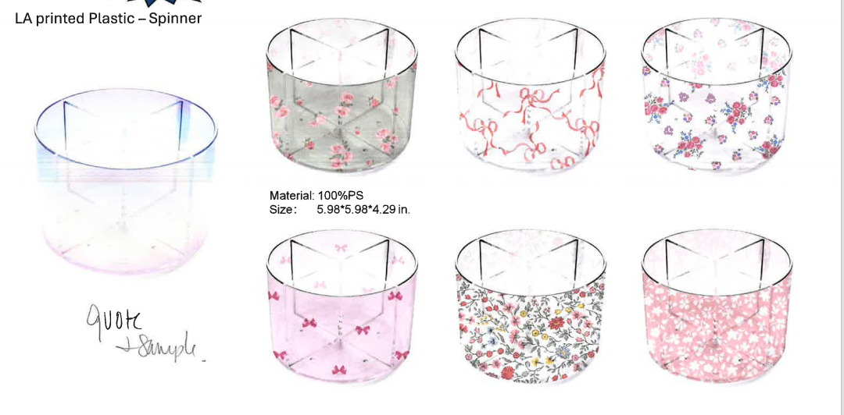 | Laura Ashley | Laura Ashley 5% | BATH ACCESSORIES |  | spinner | spinner | 100% Polystyrene | 100% Polystyrene | 5.98*5.98*4.29 | as photo | Piece |  | LA71-0477 |  | Piece | $1.51 | Normal |  | 32.0 | 32.0 | 35.4 | 32.0 | 32.0 | 35.4 | 8 | 12 | 0.036 | 63.00 | 20855 | 2,250 | $0.11 | 3926.10.0000 | 25.3% | $0.38 | $2.00 | 1.00% | $0.03 | 6.00% | $0.17 | $0.00 | 0.00% | $0.00 | $0.20 | $2.20 | 21.57% | $2.80 | $5.99 | 53.26% |  | 3000 |  |  |  | $6,587.75 | $8,400.00 | $17,970.00 | 9.06 |  |  | Yantian,China | China | N-NBBT | CAN I SEE SAMPLES? CAN THIS BE OURT OF WAREHOUSE?
 | 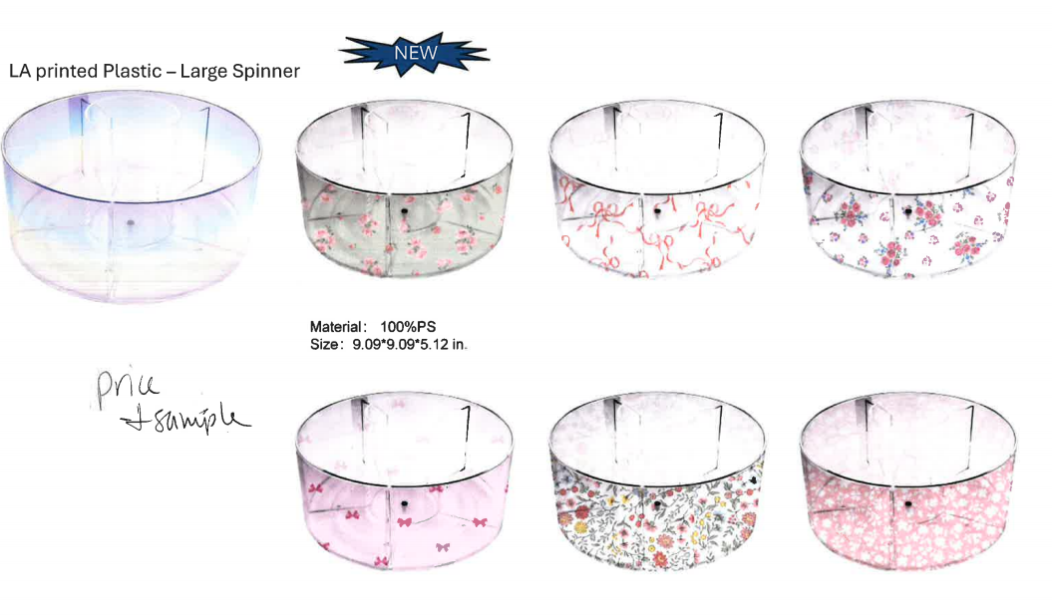 | Laura Ashley | Laura Ashley 5% | BATH ACCESSORIES |  | large spinner | large spinner | 100% Polystyrene | 100% Polystyrene | 9.09*9.09*5.12 | as photo | Piece |  | LA71-0478 |  | Piece | $2.45 | Normal |  | 48.2 | 40.5 | 25.3 | 48.2 | 40.5 | 25.3 | 8 | 6 | 0.049 | 63.00 | 7654 | 2,250 | $0.29 | 3926.10.0000 | 25.3% | $0.62 | $3.36 | 1.00% | $0.05 | 6.00% | $0.29 | $0.00 | 0.00% | $0.00 | $0.33 | $3.70 | 22.18% | $4.75 | $9.99 | 52.45% |  | 3000 |  |  |  | $11,088.98 | $14,250.00 | $29,970.00 | 24.69 |  |  | Yantian,China | China | N-NBBT | CAN I SEE SAMPLES? CAN THIS BE OURT OF WAREHOUSE?
 |  | Laura Ashley | Laura Ashley 5% | BATH ACCESSORIES |  | water squeegee with Thick handle (Black ) | water squeegee | Materials :Stainless Steel and Silione | Materials :Stainless Steel and Silione | 9.84 * 6.10 | BLACK | Piece |  | LA71-0479 |  | Piece | $2.55 | Normal |  | 28 | 23 | 15 | 28 | 23 | 15 | 8 | 6 | 0.010 | 63.00 | 39130 | 2,250 | $0.06 | 9603.90.8050 | 70.30% | $1.79 | $4.40 | 1.00% | $0.07 | 6.00% | $0.42 | $0.00 | 0.00% | $0.00 | $0.49 | $4.89 | 30.14% | $7.00 | $15.99 | 56.22% |  | 2000 | 2000 |  |  | $9,780.30 | $14,000.00 | $31,980.00 | 3.22 |  |  | Yantian,China | China | S-JMLD | 5 COLORS - BLACK, WHITE, LA BLUE, LA GREEN,LA PINK | may poe | BLACK WHITE 2000 UNITS EACH | COLORS 1500 EACH - TOTAL 6500 UNITS
 |  | Laura Ashley | Laura Ashley 5% | BATH ACCESSORIES |  | water squeegee with Thick handle (Black) | water squeegee | Materials :Stainless Steel and Silione | Materials :Stainless Steel and Silione | 9.84 * 6.10 | WHITE | Piece |  | LA71-0480 |  | Piece | $2.55 | Normal |  | 28 | 23 | 15 | 28 | 23 | 15 | 8 | 6 | 0.010 | 63.00 | 39130 | 2,250 | $0.06 | 9603.90.8050 | 70.30% | $1.79 | $4.40 | 1.00% | $0.07 | 6.00% | $0.42 | $0.00 | 0.00% | $0.00 | $0.49 | $4.89 | 30.14% | $7.00 | $15.99 | 56.22% |  | 2000 | 2000 |  |  | $9,780.30 | $14,000.00 | $31,980.00 | 3.22 |  |  | Yantian,China | China | S-JMLD
 |  | Laura Ashley | Laura Ashley 5% | BATH ACCESSORIES |  | water squeegee with Thick handle (Black) | water squeegee | Materials :Stainless Steel and Silione | Materials :Stainless Steel and Silione | 9.84 * 6.10 | LA BLUE | Piece |  | LA71-0481 |  | Piece | $2.55 | Normal |  | 28 | 23 | 15 | 28 | 23 | 15 | 8 | 6 | 0.010 | 63.00 | 39130 | 2,250 | $0.06 | 9603.90.8050 | 70.30% | $1.79 | $4.40 | 1.00% | $0.07 | 6.00% | $0.42 | $0.00 | 0.00% | $0.00 | $0.49 | $4.89 | 30.14% | $7.00 | $15.99 | 56.22% |  | 1500 | 1500 |  |  | $7,335.23 | $10,500.00 | $23,985.00 | 2.42 |  |  | Yantian,China | China | S-JMLD
 |  | Laura Ashley | Laura Ashley 5% | BATH ACCESSORIES |  | water squeegee with Thick handle (Black) | water squeegee | Materials :Stainless Steel and Silione | Materials :Stainless Steel and Silione | 9.84 * 6.10 | LA GREEN | Piece |  | LA71-0482 |  | Piece | $2.55 | Normal |  | 28 | 23 | 15 | 28 | 23 | 15 | 8 | 6 | 0.010 | 63.00 | 39130 | 2,250 | $0.06 | 9603.90.8050 | 70.30% | $1.79 | $4.40 | 1.00% | $0.07 | 6.00% | $0.42 | $0.00 | 0.00% | $0.00 | $0.49 | $4.89 | 30.14% | $7.00 | $15.99 | 56.22% |  | 1500 | 1500 |  |  | $7,335.23 | $10,500.00 | $23,985.00 | 2.42 |  |  | Yantian,China | China | S-JMLD
 |  | Laura Ashley | Laura Ashley 5% | BATH ACCESSORIES |  | water squeegee with Thick handle (Black) | water squeegee | Materials :Stainless Steel and Silione | Materials :Stainless Steel and Silione | 9.84 * 6.10 | LA PINK | Piece |  | LA71-0483 |  | Piece | $2.55 | Normal |  | 28 | 23 | 15 | 28 | 23 | 15 | 8 | 6 | 0.010 | 63.00 | 39130 | 2,250 | $0.06 | 9603.90.8050 | 70.30% | $1.79 | $4.40 | 1.00% | $0.07 | 6.00% | $0.42 | $0.00 | 0.00% | $0.00 | $0.49 | $4.89 | 30.14% | $7.00 | $15.99 | 56.22% |  | 1500 | 1500 |  |  | $7,335.23 | $10,500.00 | $23,985.00 | 2.42 |  |  | Yantian,China | China | S-JMLD
 | 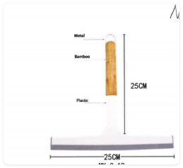 | Natori | Natori 7% | BATH ACCESSORIES |  | water squeegee with Bamboo handle (White) | water squeegee | Materials :Stainless Steel and Silione | Materials :Stainless Steel and Silione | 9.84*9.84 | White | Piece |  | NA71-3515 |  | Piece | $3.25 | Normal |  | 28 | 24 | 17 | 28 | 24 | 17 | 8 | 6 | 0.011 | 63.00 | 33088 | 2,250 | $0.07 | 9603.90.8050 | 70.30% | $2.28 | $5.60 | 1.00% | $0.09 | 6.00% | $0.51 | $0.00 | 0.00% | $0.00 | $0.60 | $6.20 | 27.09% | $8.50 | $19.99 | 57.48% |  | 2000 |  | 2000 |  | $12,395.50 | $17,000.00 | $39,980.00 | 3.81 |  |  | Yantian,China | China | S-JMLD | WHITE, BLACK,TAUPE NATORI? | JUNE POE | 2000 UNITS EACH | TOTAL UNITS 6000
 |  | Natori | Natori 7% | BATH ACCESSORIES |  | water squeegee with Bamboo handle (White) | water squeegee | Materials :Stainless Steel and Silione | Materials :Stainless Steel and Silione | 9.84*9.84 | Black | Piece |  | NA71-3516 |  | Piece | $3.25 | Normal |  | 28 | 24 | 17 | 28 | 24 | 17 | 8 | 6 | 0.011 | 63.00 | 33088 | 2,250 | $0.07 | 9603.90.8050 | 70.30% | $2.28 | $5.60 | 1.00% | $0.09 | 6.00% | $0.51 | $0.00 | 0.00% | $0.00 | $0.60 | $6.20 | 27.09% | $8.50 | $19.99 | 57.48% |  | 2000 |  | 2000 |  | $12,395.50 | $17,000.00 | $39,980.00 | 3.81 |  |  | Yantian,China | China | S-JMLD
 |  | Natori | Natori 7% | BATH ACCESSORIES |  | water squeegee with Bamboo handle (White) | water squeegee | Materials :Stainless Steel and Silione | Materials :Stainless Steel and Silione | 9.84*9.84 | Taupe | Piece |  | NA71-3517 |  | Piece | $3.25 | Normal |  | 28 | 24 | 17 | 28 | 24 | 17 | 8 | 6 | 0.011 | 63.00 | 33088 | 2,250 | $0.07 | 9603.90.8050 | 70.30% | $2.28 | $5.60 | 1.00% | $0.09 | 6.00% | $0.51 | $0.00 | 0.00% | $0.00 | $0.60 | $6.20 | 27.09% | $8.50 | $19.99 | 57.48% |  | 2000 |  | 2000 |  | $12,395.50 | $17,000.00 | $39,980.00 | 3.81 |  |  | Yantian,China | China | S-JMLD
 | 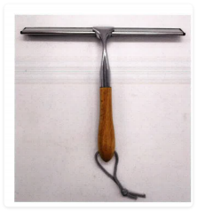 | Natori | Natori 7% | BATH ACCESSORIES |  | water squeegee with Bamboo handle (Sliver) | water squeegee | Materials : zinc alloy /Stainless Steel and Silione | Materials : zinc alloy /Stainless Steel and Silione | 9.84*9.84 | WHITE | Piece |  | NA71-3518 |  | Piece | $3.29 | Normal |  | 28 | 24 | 17 | 28 | 24 | 17 | 8 | 6 | 0.011 | 63.00 | 33088 | 2,250 | $0.07 | 9603.90.8050 | 70.30% | $2.31 | $5.67 | 1.00% | $0.09 | 6.00% | $0.51 | $0.00 | 0.00% | $0.00 | $0.60 | $6.27 | 26.28% | $8.50 | $19.99 | 57.48% |  | 2000 |  |  |  | $12,531.74 | $17,000.00 | $39,980.00 | 3.81 |  |  | Yantian,China | China | S-JMLD | WHITE, BLACK,TAUPE NATORI? |  | WANT TO SEE SAMPLES
 |  | Natori | Natori 7% | BATH ACCESSORIES |  | water squeegee with Bamboo handle (Sliver) | water squeegee | Materials : zinc alloy /Stainless Steel and Silione | Materials : zinc alloy /Stainless Steel and Silione | 9.84*9.84 | WHITE | Piece |  | NA71-3519 |  | Piece | $3.29 | Normal |  | 28 | 24 | 17 | 28 | 24 | 17 | 8 | 6 | 0.011 | 63.00 | 33088 | 2,250 | $0.07 | 9603.90.8050 | 70.30% | $2.31 | $5.67 | 1.00% | $0.09 | 6.00% | $0.51 | $0.00 | 0.00% | $0.00 | $0.60 | $6.27 | 26.28% | $8.50 | $19.99 | 57.48% |  | 2000 |  |  |  | $12,531.74 | $17,000.00 | $39,980.00 | 3.81 |  |  | Yantian,China | China | S-JMLD | WHITE, BLACK,TAUPE NATORI? |  | WANT TO SEE SAMPLES
 |  | Natori | Natori 7% | BATH ACCESSORIES |  | water squeegee with Bamboo handle (Sliver) | water squeegee | Materials : zinc alloy /Stainless Steel and Silione | Materials : zinc alloy /Stainless Steel and Silione | 9.84*9.84 | TAUPE | Piece |  | NA71-3520 |  | Piece | $3.29 | Normal |  | 28 | 24 | 17 | 28 | 24 | 17 | 8 | 6 | 0.011 | 63.00 | 33088 | 2,250 | $0.07 | 9603.90.8050 | 70.30% | $2.31 | $5.67 | 1.00% | $0.09 | 6.00% | $0.51 | $0.00 | 0.00% | $0.00 | $0.60 | $6.27 | 26.28% | $8.50 | $19.99 | 57.48% |  | 2000 |  |  |  | $12,531.74 | $17,000.00 | $39,980.00 | 3.81 |  |  | Yantian,China | China | S-JMLD | WHITE, BLACK,TAUPE NATORI? |  | WANT TO SEE SAMPLES
 | 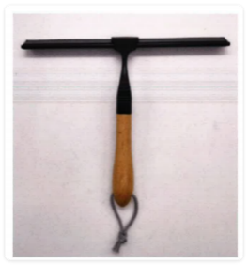 | Natori | Natori 7% | BATH ACCESSORIES |  | water squeegee with Bamboo handle (Black) | water squeegee | Materials : zinc alloy Stainless Steel and Silione | Materials : zinc alloy Stainless Steel and Silione | 9.84*9.84 | WHITE | Piece |  | NA71-3521 |  | Piece | $3.38 | Normal |  | 28 | 24 | 17 | 28 | 24 | 17 | 8 | 6 | 0.011 | 63.00 | 33088 | 2,250 | $0.07 | 9603.90.8050 | 70.30% | $2.38 | $5.82 | 1.00% | $0.09 | 6.00% | $0.51 | $0.00 | 0.00% | $0.00 | $0.60 | $6.42 | 24.48% | $8.50 | $19.99 | 57.48% |  | 2000 |  |  |  | $12,838.28 | $17,000.00 | $39,980.00 | 3.81 |  |  | Yantian,China | China | S-JMLD | WHITE, BLACK,TAUPE NATORI?
 |  | Natori | Natori 7% | BATH ACCESSORIES |  | water squeegee with Bamboo handle (Black) | water squeegee | Materials : zinc alloy Stainless Steel and Silione | Materials : zinc alloy Stainless Steel and Silione | 9.84*9.84 | BLACK | Piece |  | NA71-3522 |  | Piece | $3.38 | Normal |  | 28 | 24 | 17 | 28 | 24 | 17 | 8 | 6 | 0.011 | 63.00 | 33088 | 2,250 | $0.07 | 9603.90.8050 | 70.30% | $2.38 | $5.82 | 1.00% | $0.09 | 6.00% | $0.51 | $0.00 | 0.00% | $0.00 | $0.60 | $6.42 | 24.48% | $8.50 | $19.99 | 57.48% |  | 2000 |  |  |  | $12,838.28 | $17,000.00 | $39,980.00 | 3.81 |  |  | Yantian,China | China | S-JMLD | WHITE, BLACK,TAUPE NATORI?
 |  | Natori | Natori 7% | BATH ACCESSORIES |  | water squeegee with Bamboo handle (Black) | water squeegee | Materials : zinc alloy Stainless Steel and Silione | Materials : zinc alloy Stainless Steel and Silione | 9.84*9.84 | TAUPE | Piece |  | NA71-3523 |  | Piece | $3.38 | Normal |  | 28 | 24 | 17 | 28 | 24 | 17 | 8 | 6 | 0.011 | 63.00 | 33088 | 2,250 | $0.07 | 9603.90.8050 | 70.30% | $2.38 | $5.82 | 1.00% | $0.09 | 6.00% | $0.51 | $0.00 | 0.00% | $0.00 | $0.60 | $6.42 | 24.48% | $8.50 | $19.99 | 57.48% |  | 2000 |  |  |  | $12,838.28 | $17,000.00 | $39,980.00 | 3.81 |  |  | Yantian,China | China | S-JMLD | WHITE, BLACK,TAUPE NATORI?
ORB
ORB
ORB
ORB
ORB
ORB
ORB
ORB
ORB
ORB
ORB
ORB
ORB
ORB
ORB
ORB
ORB
ORB
ORB
ORB
ORB
ORB
ORB
ORB
ORB
ORB
ORB
ORB
ORB
ORB
ORB
ORB
ORB
ORB
ORB
ORB
ORB
ORB
ORB
ORB
ORB
ORB
ORB
ORB
ORB
ORB
ORB
ORB
ORB
ORB
ORB
ORB
ORB
ORB
ORB
ORB
ORB
ORB
ORB
ORB
ORB
ORB
ORB
ORB
ORB
ORB
ORB
ORB
ORB
ORB
ORB
ORB
ORB
ORB
ORB
ORB
ORB
ORB
ORB
ORB
ORB
ORB
ORB
ORB
ORB
ORB
ORB
ORB
ORB
ORB
ORB
ORB
ORB
ORB
ORB
ORB
ORB
ORB
ORB
ORB
ORB
ORB
ORB
ORB
ORB
ORB
ORB
ORB
ORB
ORB
ORB
ORB
ORB
ORB
ORB
ORB
ORB
ORB
ORB
ORB
ORB
ORB
ORB
ORB
ORB
ORB
ORB
ORB
ORB
ORB
ORB
ORB
ORB
ORB
ORB
ORB
ORB
ORB
ORB
ORB
ORB
ORB
ORB
ORB
ORB
ORB
ORB
ORB
ORB
ORB
ORB
ORB
ORB
ORB
ORB
ORB
ORB
ORB
ORB
ORB
ORB
ORB
ORB
ORB
ORB
ORB
ORB
ORB
ORB
ORB
ORB
ORB
ORB
ORB
ORB
ORB
ORB
ORB

