Item
Vendor | Line No. | Photo | VIN/Art No. | Brand | Licensor | Product Category | Pattern | Item Description | Description-Short | Fabrication | Material-Short | Size/Spec. | Color | Customer Item# | Item No. | UPC | Unit of Measure | China RMB Cost | Exchange Rate | FOB Cost $ (Formula) | FOB Cost $ (Value) | UCCPM Price | Package Type | Carton Size L (cm) | Carton Size W (cm) | Carton Size H (cm) | Carton Gross Weight (kg) | Case Pack | Cubic Meter per Carton | Total Units per 40ft Container | 40ft Container Freight | Ocean Freight per Item $ | HTS Code | Duty Rate | Duty per Item $ | LDP Cost $ | DA % | DA $ | General Load % | General Load $ | Warehouse Charge % | Warehouse Charge $ | Load 1 | Load 1 % | Load 1 $ | Total Load $ | LDP Cost with Load $ | JLA LDP MU% | JLA POE Price Quote (Formula) | JLA POE Price Quote (Value) | Suggested Retail Price | Retailer Markup (Value) | Retailer Markup (Formula) | Total Quantity | Total Cost | Total Sales
 | 3 | 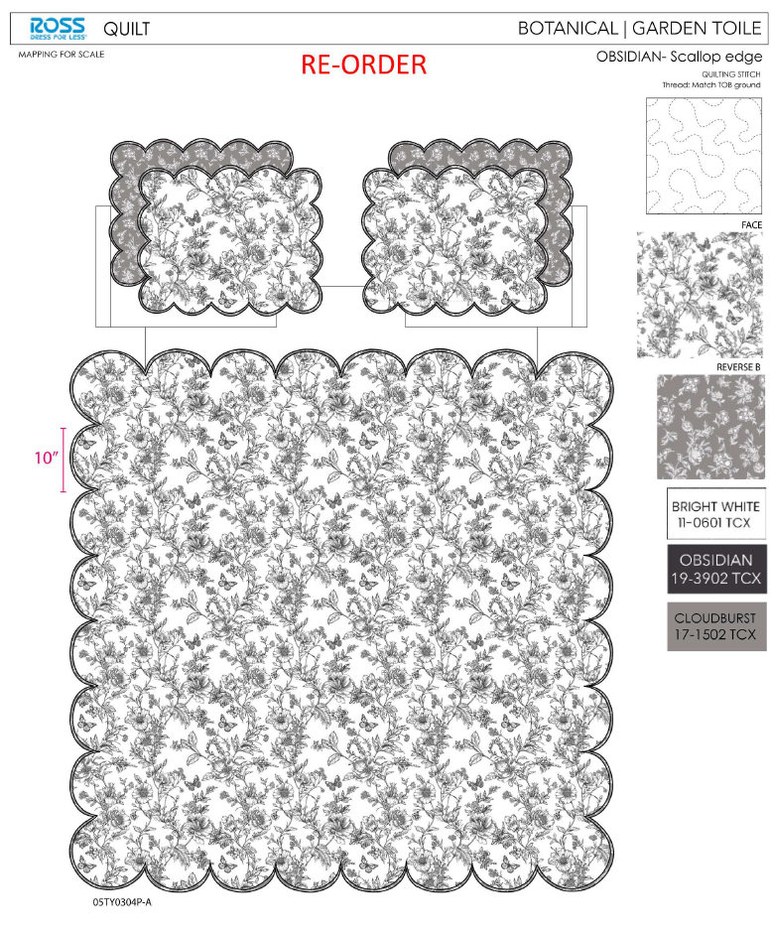 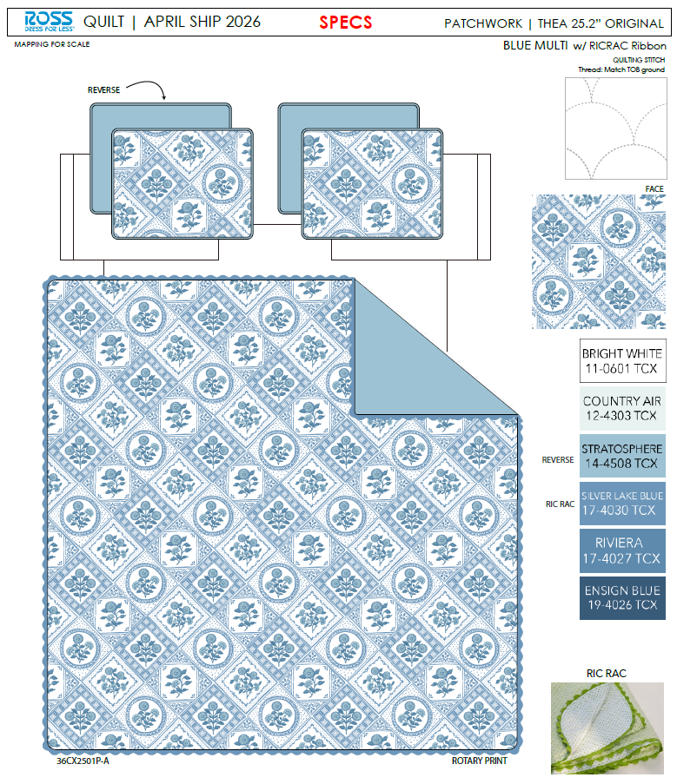 |  |  |  | QUILT | Patchwork | 100% Polyester 3pc Hanging Print Quilt | 3pc Hanging Quilt | Face：85gsm microfiber disperse print Back：85gsm microfiber solid Filling：180gsm slick Poly Fill. With ric rac | 100% Polyester | Full/Queen: 86x86"/20x26+1/2"(2) | Blue |  | RS14-8688 |  | Set | ¥71.80 | 8.10 | $8.86 | $8.86 |  | Normal | 44.0 | 41.0 | 25.0 | 5.00 | 2 | 0.045 | 2882 | 2250 | $0.78 | 9404.40.9022 | 42.80% | $3.79 | $13.43 | 0.00% | $0.00 | 0.00% | $0.00 | 0.00% | $0.00 | 0 | 0.00% | $0.00 | $0.00 | $13.43 | 16.88% | $16.16 | $16.16 | $29.99 | 46.12% | 46.12% | 710 | $9,537.19 | $11,473.60
 | 4 |  |  |  |  | QUILT | Patchwork | 100% Polyester 3pc Hanging Print Quilt | 3pc Hanging Quilt | Face：85gsm microfiber disperse print Back：85gsm microfiber solid Filling：180gsm slick Poly Fill. With ric rac | 100% Polyester | King: 102x86"/20x36+1/2"(2) | Blue |  | RS14-8689 |  | Set | ¥81.85 | 8.10 | $10.10 | $10.10 |  | Normal | 44.0 | 41.0 | 28.0 | 5.00 | 2 | 0.051 | 2574 | 2250 | $0.87 | 9404.40.9022 | 42.80% | $4.32 | $15.30 | 0.00% | $0.00 | 0.00% | $0.00 | 0.00% | $0.00 | 0 | 0.00% | $0.00 | $0.00 | $15.30 | 19.49% | $19.00 | $19.00 | $34.99 | 45.70% | 45.70% | 710 | $10,860.90 | $13,490.00
 | 12 | 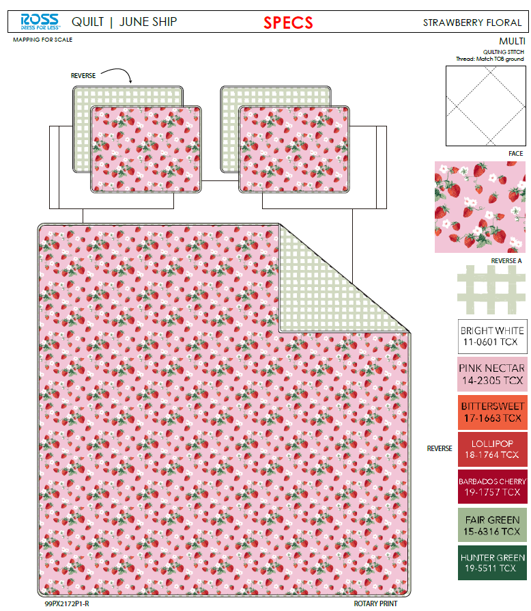 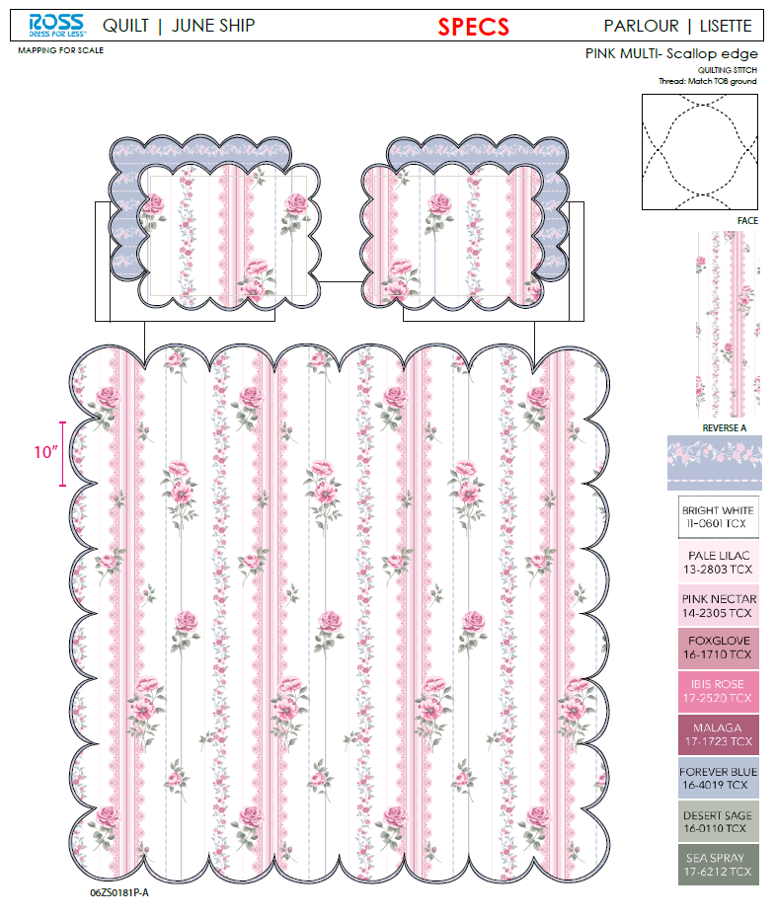 |  |  |  | QUILT | Patchwork | 100% Polyester 3pc Hanging Print Quilt | 3pc Hanging Quilt | Face：85gsm microfiber disperse print Back：85gsm microfiber solid Filling：180gsm slick Poly Fill. With ric rac | 100% Polyester | Twin: 66x86"/20x26+1/2"(1) | Blue |  | RS14-8690 |  | Set | ¥54.90 | 8.10 | $6.78 | $6.78 |  | Normal | 44.0 | 41.0 | 23.0 | 5.00 | 2 | 0.041 | 3133 | 2250 | $0.72 | 9404.40.9022 | 42.80% | $2.90 | $10.40 | 0.00% | $0.00 | 0.00% | $0.00 | 0.00% | $0.00 | 0 | 0.00% | $0.00 | $0.00 | $10.40 | 15.79% | $12.35 | $12.35 | $19.99 | 38.22% | 38.22% | 810 | $8,423.98 | $10,003.50
 | 16 | 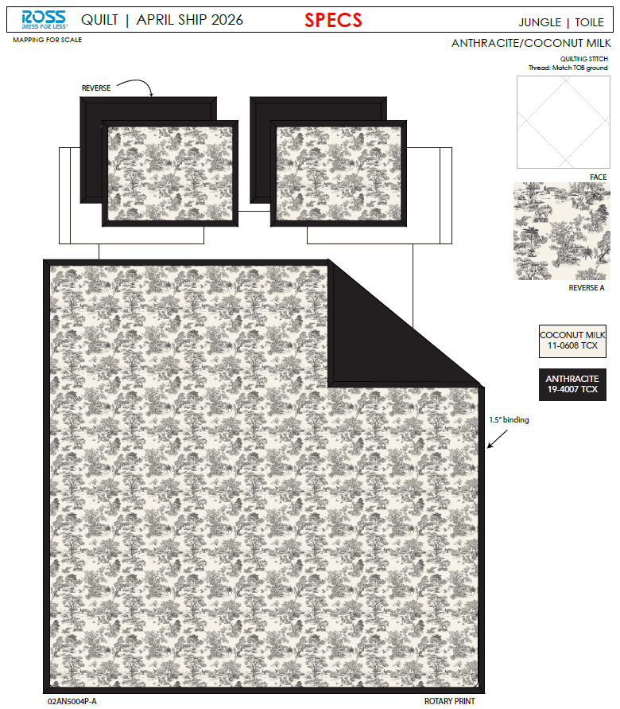 |  |  |  | QUILT | Toile | 100% Polyester 3pc Hanging Print Quilt | 3pc Hanging Quilt | Face：85gsm microfiber digital print Back：85gsm microfiber solid Filling：180gsm slick Poly Fill. With flange | 100% Polyester | Full/Queen: 86x86"/20x26+1.5"(2) | Black |  | RS14-8691 |  | Set | ¥70.10 | 8.10 | $8.65 | $8.65 |  | Normal | 44.0 | 41.0 | 25.0 | 5.00 | 2 | 0.045 | 2882 | 2250 | $0.78 | 9404.40.9022 | 42.80% | $3.70 | $13.13 | 0.00% | $0.00 | 0.00% | $0.00 | 0.00% | $0.00 | 0 | 0.00% | $0.00 | $0.00 | $13.13 | 11.62% | $14.86 | $14.86 | $29.99 | 50.45% | 50.45% | 560 | $7,354.36 | $8,321.60
 | 17 |  |  |  |  | QUILT | Toile | 100% Polyester 3pc Hanging Print Quilt | 3pc Hanging Quilt | Face：85gsm microfiber digital print Back：85gsm microfiber solid Filling：180gsm slick Poly Fill. With flange | 100% Polyester | King: 102x86"/20x36+1.5"(2) | Black |  | RS14-8692 |  | Set | ¥80.40 | 8.10 | $9.93 | $9.93 |  | Normal | 44.0 | 41.0 | 28.0 | 5.00 | 2 | 0.051 | 2574 | 2250 | $0.87 | 9404.40.9022 | 42.80% | $4.25 | $15.05 | 0.00% | $0.00 | 0.00% | $0.00 | 0.00% | $0.00 | 0 | 0.00% | $0.00 | $0.00 | $15.05 | 12.78% | $17.26 | $17.26 | $34.99 | 50.67% | 50.67% | 840 | $12,645.60 | $14,498.40
 | 18 | 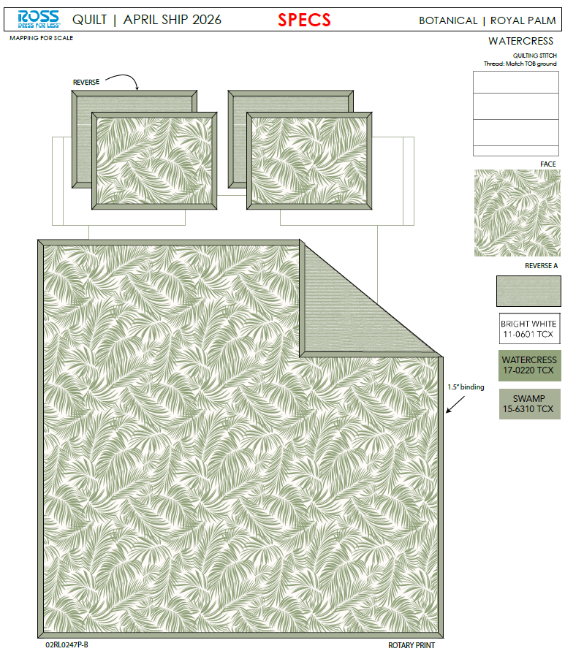 |  |  |  | QUILT | Palm | 100% Polyester 3pc Hanging Print Quilt | 3pc Hanging Quilt | Face: 85gsm microfiber disperse print Back：85gsm microfiber solid Filling：180gsm slick Poly Fill. With flange | 100% Polyester | Full/Queen: 86x86"/20x26+1.5"(2) | Seaglass |  | RS14-8693 |  | Set | ¥65.70 | 8.10 | $8.11 | $8.11 |  | Normal | 44.0 | 41.0 | 25.0 | 5.00 | 2 | 0.045 | 2882 | 2250 | $0.78 | 9404.40.9022 | 42.80% | $3.47 | $12.36 | 0.00% | $0.00 | 0.00% | $0.00 | 0.00% | $0.00 | 0 | 0.00% | $0.00 | $0.00 | $12.36 | 16.81% | $14.86 | $14.86 | $29.99 | 50.45% | 50.45% | 560 | $6,922.53 | $8,321.60
 | 19 |  |  |  |  | QUILT | Palm | 100% Polyester 3pc Hanging Print Quilt | 3pc Hanging Quilt | Face: 85gsm microfiber disperse print Back：85gsm microfiber solid Filling：180gsm slick Poly Fill. With flange | 100% Polyester | King: 102x86"/20x36+1.5"(2) | Seaglass |  | RS14-8694 |  | Set | ¥75.10 | 8.10 | $9.27 | $9.27 |  | Normal | 44.0 | 41.0 | 28.0 | 5.00 | 2 | 0.051 | 2574 | 2250 | $0.87 | 9404.40.9022 | 42.80% | $3.97 | $14.11 | 0.00% | $0.00 | 0.00% | $0.00 | 0.00% | $0.00 | 0 | 0.00% | $0.00 | $0.00 | $14.11 | 18.24% | $17.26 | $17.26 | $34.99 | 50.67% | 50.67% | 840 | $11,853.92 | $14,498.40
 | 21 |  |  |  |  | QUILT | Ditsy Tulips | 100% Polyester 3pc Hanging Emboridery Quilt | 3pc Hanging Quilt | Face& Back：85gsm washed microfiber solid. Embroidered. With ruffle edge. Filling：180gsm Poly Slick Fill. | 100% Polyester | Full/Queen: 86x86"/20x26+2.5"(2) | Pink/Green |  | RS14-8695 |  | Set | ¥81.00 | 8.10 | $10.00 | $10.00 |  | Normal | 44.0 | 41.0 | 28.0 | 5.00 | 2 | 0.051 | 2574 | 2250 | $0.87 | 9404.40.9022 | 42.80% | $4.28 | $15.15 | 0.00% | $0.00 | 0.00% | $0.00 | 0.00% | $0.00 | 0 | 0.00% | $0.00 | $0.00 | $15.15 | 18.09% | $18.50 | $18.50 | $34.99 | 47.13% | 47.13% | 650 | $9,850.26 | $12,025.00
 | 22 |  |  |  |  | QUILT | Ditsy Tulips | 100% Polyester 3pc Hanging Emboridery Quilt | 3pc Hanging Quilt | Face& Back：85gsm washed microfiber solid. Embroidered. With ruffle edge. Filling：180gsm Poly Slick Fill. | 100% Polyester | King: 102x86"/20x36+2.5"(2) | Pink/Green |  | RS14-8696 |  | Set | ¥97.00 | 8.10 | $11.98 | $11.98 |  | Normal | 44.0 | 41.0 | 30.0 | 5.00 | 2 | 0.054 | 2402 | 2250 | $0.94 | 9404.40.9022 | 42.80% | $5.13 | $18.04 | 0.00% | $0.00 | 0.00% | $0.00 | 0.00% | $0.00 | 0 | 0.00% | $0.00 | $0.00 | $18.04 | 14.08% | $21.00 | $21.00 | $39.99 | 47.49% | 47.49% | 650 | $11,728.69 | $13,650.00
 | 28 | 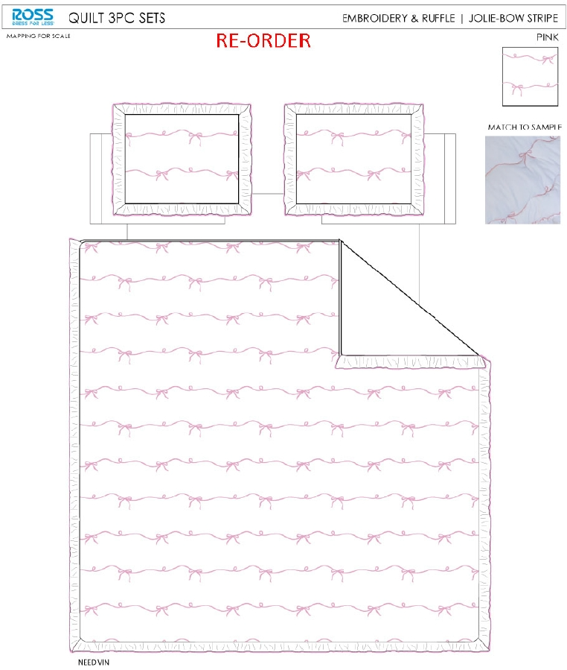 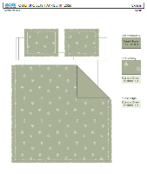 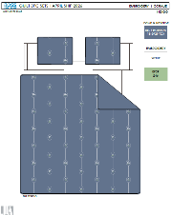 |  |  |  | QUILT | Coralie | 100% Polyester 3pc Hanging Emboridery Quilt | 3pc Hanging Quilt | Face& Back：85gsm washed microfiber solid. Embroidered. Filling：180gsm Poly Slick Fill. | 100% Polyester | Full/Queen: 86x86"/20x26+1/2"(2) | Blue |  | RS14-8697 |  | Set | ¥74.50 | 8.10 | $9.20 | $9.20 |  | Normal | 44.0 | 41.0 | 28.0 | 5.00 | 2 | 0.051 | 2574 | 2250 | $0.87 | 9404.40.9022 | 42.80% | $3.94 | $14.01 | 0.00% | $0.00 | 0.00% | $0.00 | 0.00% | $0.00 | 0 | 0.00% | $0.00 | $0.00 | $14.01 | 17.58% | $17.00 | $17.00 | $34.99 | 51.41% | 51.41% | 650 | $9,107.70 | $11,050.00
 | 29 |  |  |  |  | QUILT | Coralie | 100% Polyester 3pc Hanging Emboridery Quilt | 3pc Hanging Quilt | Face& Back：85gsm washed microfiber solid. Embroidered. Filling：180gsm Poly Slick Fill. | 100% Polyester | King: 102x86"/20x36+1/2"(2) | Blue |  | RS14-8698 |  | Set | ¥84.60 | 8.10 | $10.44 | $10.44 |  | Normal | 44.0 | 41.0 | 30.0 | 5.00 | 2 | 0.054 | 2402 | 2250 | $0.94 | 9404.40.9022 | 42.80% | $4.47 | $15.85 | 0.00% | $0.00 | 0.00% | $0.00 | 0.00% | $0.00 | 0 | 0.00% | $0.00 | $0.00 | $15.85 | 20.77% | $20.00 | $20.00 | $39.99 | 49.99% | 49.99% | 650 | $10,299.26 | $13,000.00
 | 31 |  |  |  |  | QUILT | Ditsy Tulips | 100% Polyester 3pc Hanging Emboridery Quilt | 3pc Hanging Quilt | Face& Back：85gsm washed microfiber solid. Embroidered. With ruffle edge. Filling：180gsm Poly Slick Fill. | 100% Polyester | Twin: 66x86"/20x26+2.5"(1) | Pink/Green |  | RS14-8699 |  | Set | ¥61.00 | 8.10 | $7.53 | $7.53 |  | Normal | 44.0 | 41.0 | 25.0 | 5.00 | 2 | 0.045 | 2882 | 2250 | $0.78 | 9404.40.9022 | 42.80% | $3.22 | $11.53 | 0.00% | $0.00 | 0.00% | $0.00 | 0.00% | $0.00 | 0 | 0.00% | $0.00 | $0.00 | $11.53 | 14.57% | $13.50 | $13.50 | $24.99 | 45.98% | 45.98% | 725 | $8,361.73 | $9,787.50
 | 34 |  |  |  |  | QUILT | Coralie | 100% Polyester 3pc Hanging Emboridery Quilt | 3pc Hanging Quilt | Face& Back：85gsm washed microfiber solid. Embroidered. Filling：180gsm Poly Slick Fill. | 100% Polyester | Twin: 66x86"/20x26+1/2"(1) | Blue |  | RS14-8700 |  | Set | ¥56.40 | 8.10 | $6.96 | $6.96 |  | Normal | 44.0 | 41.0 | 25.0 | 5.00 | 2 | 0.045 | 2882 | 2250 | $0.78 | 9404.40.9022 | 42.80% | $2.98 | $10.72 | 0.00% | $0.00 | 0.00% | $0.00 | 0.00% | $0.00 | 0 | 0.00% | $0.00 | $0.00 | $10.72 | 17.54% | $13.00 | $13.00 | $24.99 | 47.98% | 47.98% | 725 | $7,771.61 | $9,425.00
 | 36 | 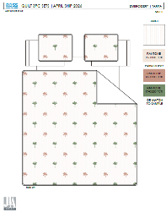 |  |  |  | QUILT | Tarifa | 100% Polyester 3pc Hanging Emboridery Quilt | 3pc Hanging Quilt | Face：85gsm seersucker solid. Embroidered. Back：85gsm washed microfiber solid. Filling：180gsm Poly Slick Fill. | 100% Polyester | Full/Queen: 86x86"/20x26+1/2"(2) | Multi |  | RS14-8701 |  | Set | ¥81.40 | 8.10 | $10.05 | $10.05 |  | Normal | 44.0 | 41.0 | 28.0 | 5.00 | 2 | 0.051 | 2574 | 2250 | $0.87 | 9404.40.9022 | 42.80% | $4.30 | $15.23 | 0.00% | $0.00 | 0.00% | $0.00 | 0.00% | $0.00 | 0 | 0.00% | $0.00 | $0.00 | $15.23 | 16.57% | $18.25 | $18.25 | $34.99 | 47.84% | 47.84% | 650 | $9,896.67 | $11,862.50
 | 37 |  |  |  |  | QUILT | Tarifa | 100% Polyester 3pc Hanging Emboridery Quilt | 3pc Hanging Quilt | Face：85gsm seersucker solid. Embroidered. Back：85gsm washed microfiber solid. Filling：180gsm Poly Slick Fill. | 100% Polyester | King: 102x86"/20x36+1/2"(2) | Multi |  | RS14-8702 |  | Set | ¥92.80 | 8.10 | $11.46 | $11.46 |  | Normal | 44.0 | 41.0 | 30.0 | 5.00 | 2 | 0.054 | 2402 | 2250 | $0.94 | 9404.40.9022 | 42.80% | $4.90 | $17.30 | 0.00% | $0.00 | 0.00% | $0.00 | 0.00% | $0.00 | 0 | 0.00% | $0.00 | $0.00 | $17.30 | 19.53% | $21.50 | $21.50 | $39.99 | 46.24% | 46.24% | 650 | $11,246.02 | $13,975.00
 | 38 | 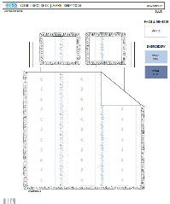 |  |  |  | QUILT | Mirabelle | 100% Polyester 3pc Hanging Emboridery Quilt | 3pc Hanging Quilt | Face& Back：85gsm washed microfiber solid. Embroidered. Filling：180gsm Poly Slick Fill. With ruffle edge | 100% Polyester | Full/Queen: 86x86"/20x26+2.5“(2) | Blue |  | RS14-8703 |  | Set | ¥83.00 | 8.10 | $10.25 | $10.25 |  | Normal | 44.0 | 41.0 | 28.0 | 5.00 | 2 | 0.051 | 2574 | 2250 | $0.87 | 9404.40.9022 | 42.80% | $4.39 | $15.51 | 0.00% | $0.00 | 0.00% | $0.00 | 0.00% | $0.00 | 0 | 0.00% | $0.00 | $0.00 | $15.51 | 15.01% | $18.25 | $18.25 | $34.99 | 47.84% | 47.84% | 650 | $10,082.31 | $11,862.50
 | 39 |  |  |  |  | QUILT | Mirabelle | 100% Polyester 3pc Hanging Emboridery Quilt | 3pc Hanging Quilt | Face& Back：85gsm washed microfiber solid. Embroidered. Filling：180gsm Poly Slick Fill. With ruffle edge | 100% Polyester | King: 102x86"/20x36+2.5"(2) | Blue |  | RS14-8704 |  | Set | ¥95.50 | 8.10 | $11.79 | $11.79 |  | Normal | 44.0 | 41.0 | 30.0 | 5.00 | 2 | 0.054 | 2402 | 2250 | $0.94 | 9404.40.9022 | 42.80% | $5.05 | $17.77 | 0.00% | $0.00 | 0.00% | $0.00 | 0.00% | $0.00 | 0 | 0.00% | $0.00 | $0.00 | $17.77 | 17.34% | $21.50 | $21.50 | $39.99 | 46.24% | 46.24% | 650 | $11,552.33 | $13,975.00

