Item
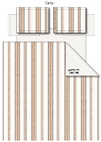
Line No. | Photo | VIN/Art No. | Brand | Licensor | Product Category | Pattern | Item Description | Description-Short | Fabrication | Material-Short | Size/Spec. | Color | Trim | Customer Item# | Item No. | UPC | Unit of Measure | China RMB Cost | Exchange Rate | FOB Cost $ (Formula) | FOB Cost $ (Value) | UCCPM Price | Package Type | Carton Size L (cm) | Carton Size W (cm) | Carton Size H (cm) | Carton Gross Weight (kg) | Case Pack | Cubic Meter per Carton | Total Units per 40ft Container | 40ft Container Freight | Ocean Freight per Item $ | HTS Code | Duty Rate | Duty per Item $ | DA % | DA $ | Load 1 | Warehouse Charge % | Warehouse Charge $ | Load 2 | Load 2 % | Load 2 $ | DI Total Load $ | FOB Cost with Load $ | JLA FOB MU% | JLA FOB Price Quote (Value) | Total Quantity | Total Cost | Total Sales
1 |  |  |  |  | COMFORTER (SET) | Carter | 100% cotton comforter Set | comforter Set | Front: 100% cotton yarn dye; Back: T144 cotton solid; Fill: 100% polyester 250gsm; Package: wire bag with insert. | 100% cotton | 190x240+50x70cm(1pc) | Café |  |  | SVTD10-0719 |  | Set | ¥115.50 | 8.10 | $14.26 | $14.26 |  | Normal | 58.0 | 48.0 | 33.0 | 6.40 | 2 |  |  |  |  |  |  |  | 0.00% | $0.00 | 0 | 0.00% | $0.00 | 0 | 0.00% | 0.00% | $0.00 | $14.26 | 26.88% | $19.50 | 100 | $1,425.93 | $1,950.00
2 |  |  |  |  | COMFORTER (SET) | Carter | 100% cotton comforter Set | comforter Set | Front: 100% cotton yarn dye; Back: T144 cotton solid; Fill: 100% polyester 250gsm; Package: wire bag with insert. | 100% cotton | 230x240cm+ 50x70cm(2pc) | Café |  |  | SVTD10-0720 |  | Set | ¥142.30 | 8.10 | $17.57 | $17.57 |  | Normal | 58.0 | 48.0 | 38.0 | 6.50 | 2 |  |  |  |  |  |  |  | 0.00% | $0.00 | 0 | 0.00% | $0.00 | 0 | 0.00% | 0.00% | $0.00 | $17.57 | 21.92% | $22.50 | 500 | $8,783.95 | $11,250.00
3 |  |  |  |  | COMFORTER (SET) | Carter | 100% cotton comforter Set | comforter Set | Front: 100% cotton yarn dye; Back: T144 cotton solid; Fill: 100% polyester 250gsm; Package: wire bag with insert. | 100% cotton | 290x240cm+ 50x90cm(2pc) | Café |  |  | SVTD10-0721 |  | Set | ¥170.40 | 8.10 | $21.04 | $21.04 |  | Normal | 58.0 | 48.0 | 43.0 | 7.00 | 2 |  |  |  |  |  |  |  | 0.00% | $0.00 | 0 | 0.00% | $0.00 | 0 | 0.00% | 0.00% | $0.00 | $21.04 | 20.61% | $26.50 | 400 | $8,414.81 | $10,600.00
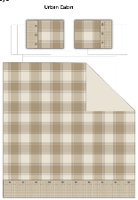
4 |  |  |  |  | COMFORTER (SET) | Urban Cabin | 100% cotton comforter Set | comforter Set | Front: 100% cotton yarn dye with patchwork; Back: T144 cotton solid; Fill: 100% polyester 250gsm; Package: wire bag with insert. | 100% cotton | 190x240+50x70cm(1pc) | Multi |  |  | SVTD10-0722 |  | Set | ¥156.30 | 8.10 | $19.30 | $19.30 |  | Normal | 58.0 | 48.0 | 33.0 | 6.40 | 2 |  |  |  |  |  |  |  | 0.00% | $0.00 | 0 | 0.00% | $0.00 | 0 | 0.00% | 0.00% | $0.00 | $19.30 | 21.24% | $24.50 | 100 | $1,929.63 | $2,450.00
5 |  |  |  |  | COMFORTER (SET) | Urban Cabin | 100% cotton comforter Set | comforter Set | Front: 100% cotton yarn dye with patchwork; Back: T144 cotton solid; Fill: 100% polyester 250gsm; Package: wire bag with insert. | 100% cotton | 230x240cm+ 50x70cm(2pc) | Multi |  |  | SVTD10-0723 |  | Set | ¥194.70 | 8.10 | $24.04 | $24.04 |  | Normal | 58.0 | 48.0 | 38.0 | 6.50 | 2 |  |  |  |  |  |  |  | 0.00% | $0.00 | 0 | 0.00% | $0.00 | 0 | 0.00% | 0.00% | $0.00 | $24.04 | 21.19% | $30.50 | 350 | $8,412.96 | $10,675.00
6 |  |  |  |  | COMFORTER (SET) | Urban Cabin | 100% cotton comforter Set | comforter Set | Front: 100% cotton yarn dye with patchwork; Back: T144 cotton solid; Fill: 100% polyester 250gsm; Package: wire bag with insert. | 100% cotton | 290x240cm+ 50x90cm(2pc) | Multi |  |  | SVTD10-0724 |  | Set | ¥235.00 | 8.10 | $29.01 | $29.01 |  | Normal | 58.0 | 48.0 | 43.0 | 7.00 | 2 |  |  |  |  |  |  |  | 0.00% | $0.00 | 0 | 0.00% | $0.00 | 0 | 0.00% | 0.00% | $0.00 | $29.01 | 20.51% | $36.50 | 300 | $8,703.70 | $10,950.00
7 |  |  |  |  | COMFORTER (SET) | Stripe Waffle | 100% polyester comforter Set | comforter Set | Front: Poly Yarn Dye Waffle ; Back: 120gsm polyester; Fill: 100% polyester 250gsm; Package: wire bag with insert. | 100% polyester | 190x240+50x70cm(1pc) | Café |  |  | SVTD10-0725 |  | Set | ¥98.00 | 8.10 | $12.10 | $12.10 |  | Normal | 58.0 | 48.0 | 33.0 | 6.40 | 2 |  |  |  |  |  |  |  | 0.00% | $0.00 | 0 | 0.00% | $0.00 | 0 | 0.00% | 0.00% | $0.00 | $12.10 | 18.25% | $14.80 | 100 | $1,209.88 | $1,480.00
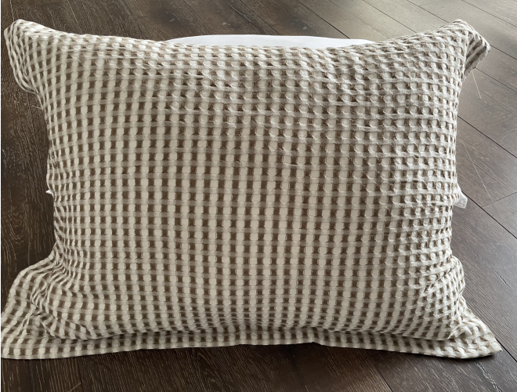 8 |  |  |  |  | COMFORTER (SET) | Stripe Waffle | 100% polyester comforter Set | comforter Set | Front: Poly Yarn Dye Waffle ; Back: 120gsm polyester; Fill: 100% polyester 250gsm; Package: wire bag with insert. | 100% polyester | 230x240cm+ 50x70cm(2pc) | Café |  |  | SVTD10-0726 |  | Set | ¥119.00 | 8.10 | $14.69 | $14.69 |  | Normal | 58.0 | 48.0 | 38.0 | 6.50 | 2 |  |  |  |  |  |  |  | 0.00% | $0.00 | 0 | 0.00% | $0.00 | 0 | 0.00% | 0.00% | $0.00 | $14.69 | 18.38% | $18.00 | 400 | $5,876.54 | $7,200.00
9 |  |  |  |  | COMFORTER (SET) | Stripe Waffle | 100% polyester comforter Set | comforter Set | Front: Poly Yarn Dye Waffle ; Back: 120gsm polyester; Fill: 100% polyester 250gsm; Package: wire bag with insert. | 100% polyester | 290x240cm+ 50x90cm(2pc) | Café |  |  | SVTD10-0727 |  | Set | ¥140.50 | 8.10 | $17.35 | $17.35 |  | Normal | 58.0 | 48.0 | 43.0 | 7.00 | 2 |  |  |  |  |  |  |  | 0.00% | $0.00 | 0 | 0.00% | $0.00 | 0 | 0.00% | 0.00% | $0.00 | $17.35 | 18.56% | $21.30 | 300 | $5,203.70 | $6,390.00
10 |  |  |  |  | COMFORTER (SET) | Square Waffle | 100% polyester comforter Set | comforter Set | Front: Poly Yarn Dye Waffle ; Back: 120gsm polyester; Fill: 100% polyester 250gsm; Package: wire bag with insert. | 100% polyester | 190x240+50x70cm(1pc) | Café |  |  | SVTD10-0728 |  | Set | ¥98.00 | 8.10 | $12.10 | $12.10 |  | Normal | 58.0 | 48.0 | 33.0 | 6.40 | 2 |  |  |  |  |  |  |  | 0.00% | $0.00 | 0 | 0.00% | $0.00 | 0 | 0.00% | 0.00% | $0.00 | $12.10 | 18.25% | $14.80 | 50 | $604.94 | $740.00
11 |  |  |  |  | COMFORTER (SET) | Square Waffle | 100% polyester comforter Set | comforter Set | Front: Poly Yarn Dye Waffle ; Back: 120gsm polyester; Fill: 100% polyester 250gsm; Package: wire bag with insert. | 100% polyester | 230x240cm+ 50x70cm(2pc) | Café |  |  | SVTD10-0729 |  | Set | ¥119.00 | 8.10 | $14.69 | $14.69 |  | Normal | 58.0 | 48.0 | 38.0 | 6.50 | 2 |  |  |  |  |  |  |  | 0.00% | $0.00 | 0 | 0.00% | $0.00 | 0 | 0.00% | 0.00% | $0.00 | $14.69 | 18.38% | $18.00 | 450 | $6,611.11 | $8,100.00
12 |  |  |  |  | COMFORTER (SET) | Square Waffle | 100% polyester comforter Set | comforter Set | Front: Poly Yarn Dye Waffle ; Back: 120gsm polyester; Fill: 100% polyester 250gsm; Package: wire bag with insert. | 100% polyester | 290x240cm+ 50x90cm(2pc) | Café |  |  | SVTD10-0730 |  | Set | ¥140.50 | 8.10 | $17.35 | $17.35 |  | Normal | 58.0 | 48.0 | 43.0 | 7.00 | 2 |  |  |  |  |  |  |  | 0.00% | $0.00 | 0 | 0.00% | $0.00 | 0 | 0.00% | 0.00% | $0.00 | $17.35 | 18.56% | $21.30 | 350 | $6,070.99 | $7,455.00
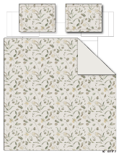
13 |  |  |  |  | DUVET&DUVET SET | Floral | 100% polyester duvet Set | Duvet set | Front: Poly linen printed; Back: 120gsm polyester; Package: wire bag with insert. | 100% polyester | 190x240+50x70cm(1pc) | Taupe |  |  | SVTD12-0731 |  | Set | ¥81.00 | 8.10 | $10.00 | $10.00 |  | Normal | 30.0 | 50.0 | 28.0 | 6.40 | 2 |  |  |  |  |  |  |  | 0.00% | $0.00 | 0 | 0.00% | $0.00 | 0 | 0.00% | 0.00% | $0.00 | $10.00 | 20.00% | $12.50 | 50 | $500.00 | $625.00
14 |  |  |  |  | DUVET&DUVET SET | Floral | 100% polyester duvet Set | Duvet set | Front: Poly linen printed; Back: 120gsm polyester; Package: wire bag with insert. | 100% polyester | 230x240cm+ 50x70cm(2pc) | Taupe |  |  | SVTD12-0732 |  | Set | ¥100.60 | 8.10 | $12.42 | $12.42 |  | Normal | 30.0 | 50.0 | 32.0 | 6.50 | 2 |  |  |  |  |  |  |  | 0.00% | $0.00 | 0 | 0.00% | $0.00 | 0 | 0.00% | 0.00% | $0.00 | $12.42 | 19.87% | $15.50 | 350 | $4,346.91 | $5,425.00
15 |  |  |  |  | DUVET&DUVET SET | Floral | 100% polyester duvet Set | Duvet set | Front: Poly linen printed; Back: 120gsm polyester; Package: wire bag with insert. | 100% polyester | 290x240cm+ 50x90cm(2pc) | Taupe |  |  | SVTD12-0733 |  | Set | ¥120.10 | 8.10 | $14.83 | $14.83 |  | Normal | 30.0 | 50.0 | 37.0 | 7.00 | 2 |  |  |  |  |  |  |  | 0.00% | $0.00 | 0 | 0.00% | $0.00 | 0 | 0.00% | 0.00% | $0.00 | $14.83 | 19.85% | $18.50 | 300 | $4,448.15 | $5,550.00
13 |  |  |  |  | COMFORTER (SET) | Rocket | 100% cotton comforter Set | comforter Set | Comforter & Sham front: 100% cotton printed with embroidery;Back: T144 cotton solid; Fill: 100% polyester 250gsm; Package: wire bag with insert. | 100% cotton | 190x240+50x70cm(1pc) | Multi |  |  | SVTD10-0734 |  | Set | ¥129.90 | 8.10 | $16.04 | $16.04 |  | Normal | 30.0 | 50.0 | 28.0 | 6.40 | 2 |  |  |  |  |  |  |  | 0.00% | $0.00 | 0 | 0.00% | $0.00 | 0 | 0.00% | 0.00% | $0.00 | $16.04 | 20.21% | $20.10 | 300 | $4,811.11 | $6,030.00
14 | 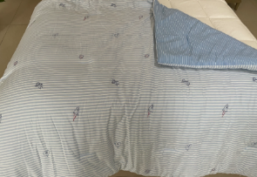 |  |  |  | COMFORTER (SET) | Rocket | 100% cotton comforter Set | comforter Set | Comforter & Sham front: 100% cotton printed with embroidery;Back: T144 cotton solid; Fill: 100% polyester 250gsm; Package: wire bag with insert. | 100% cotton | 230x240cm+ 50x70cm(2pc) | Multi |  |  | SVTD10-0735 |  | Set | ¥160.80 | 8.10 | $19.85 | $19.85 |  | Normal | 30.0 | 50.0 | 32.0 | 6.50 | 2 |  |  |  |  |  |  |  | 0.00% | $0.00 | 0 | 0.00% | $0.00 | 0 | 0.00% | 0.00% | $0.00 | $19.85 | 20.27% | $24.90 | 300 | $5,955.56 | $7,470.00

