Item
 |  |  |  |  |  |  |  | 30 characters |  |  |  |  |  |  |  |  |  |  | Copy Formula Cost to here if no given value |  |  |  |  |  |  |  |  |  |  |  |  |  |  |  |  |  |  |  |  |  |  | free text
 |  |  |  |  | Required |  | Required | Required | Required | Required | Required | Required |  |  | Required | Cost |  |  |  |  | Freight |  |  |  |  |  |  |  |  |  | Duty |  |  |  | Load |  |  |  |  |  |  |  |  |  |  | Price
Line No. | Photo | VIN/Art No. | Brand | Licensor | Product Category | Pattern | Item Description | Description-Short | Fabrication | Material-Short | Size/Spec. | Color | Item No. | UPC | Unit of Measure | China RMB Cost | Exchange Rate | FOB Cost $ (Formula) | FOB Cost $ (Value) | UCCPM Price | Package Type | Carton Size L (cm) | Carton Size W (cm) | Carton Size H (cm) | Carton Gross Weight (kg) | Case Pack | Cubic Meter per Carton | Total Units per 40ft Container | 40ft Container Freight | Ocean Freight per Item $ | HTS Code | Duty Rate | Duty per Item $ | LDP Cost $ | DA % | DA $ | General Load % | General Load $ | Warehouse Charge % | Warehouse Charge $ | Dropship Charge | Load 1 | Load 1 % | Load 1 $ | Total Load $ | LDP Cost with Load $ | JLA LDP MU% | JLA FOB CA/GA Price Quote (Formula) | Suggested Retail Price | Initial Markup | Initial Rollout Forecast
1 |  |  | Comfort Spaces |  | COVERLET&BEDSPREAD | Verone | Mini Quilt Set | 100% Polyester Quilt | Quilt/sham face: 100% polyester microfiber 85gram printed; Back: 75gsm solid microfiber solid; Quilt filling: 120gsm 100% polyester | Polyester Microfiber | 1 Quilt:66"W x 90"L 1 Sham:20"W x 26"L | Blue | CS14-0213-3 | 675716951931 | Piece | ¥46.30 | 7.95 | $5.82 | $5.82 |  | Compressed/Knocked Down | 45.0 | 36.0 | 40.0 |  | 3 | 0.065 | 3000 | $3,700 | $1.23 | 9404.40.9022 | 32.80% | $1.91 | $8.96 | 31.00% | $7.09 | 0.00% | $0.00 | 10.00% | $2.29 | $0.00 |  |  | $0.00 | $9.38 | $18.34 | 19.84% | $22.88 | $32.99 | 31%
2 | 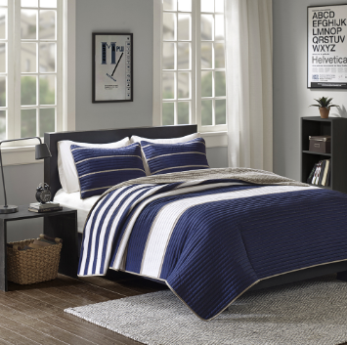 |  | Comfort Spaces |  | COVERLET&BEDSPREAD | Verone | Mini Quilt Set | 100% Polyester Quilt | Quilt/sham face: 100% polyester microfiber 85gram printed; Back: 75gsm solid microfiber solid; Quilt filling: 120gsm 100% polyester | Polyester Microfiber | 1 Quilt:90"W x 90"L 2 Sham:20"W x 26"L(2) | Blue | CS14-0214-3 | 675716951948 | Piece | ¥63.20 | 7.95 | $7.95 | $7.95 |  | Compressed/Knocked Down | 45.0 | 36.0 | 48.0 |  | 3 | 0.078 | 2500 | $3,700 | $1.48 | 9404.40.9022 | 32.80% | $2.61 | $12.04 | 31.00% | $9.41 | 0.00% | $0.00 | 10.00% | $3.04 | $0.00 |  |  | $0.00 | $12.45 | $24.49 | 19.33% | $30.36 | $39.99 | 24%

