Puff 1211
核价表编号： | LC251211-Puff |  | 报价性质：
系列开发项目名称：
产品英文名称： |  |  | 杭办核价人：
客 户： |  |  | 杭办报价人： | tongxiaomei
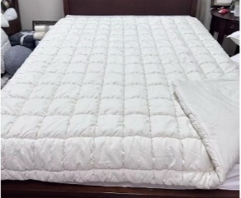
总部负责人： |  |  | 报价日期： | 2024.3.29
JLA# 款号
CSTM# 款号
订单数量（quantity) | MOQ：按约1100条核
产品类别（item) | 化纤被 | 枕套 | 化纤被 | 枕套 | 化纤被 | 枕套
款式描述 (Description) | 正面：200gsm 全涤水晶超柔素色+6oz/y2 6D羽丝棉+160gsm弹力布(95%涤5%氨纶)，三层单针绗6“方格，背面：85gsm 全涤素色桃皮绒 款式：刀口式，6oz/y2 6D 羽丝棉+背面面料一起绗点绗，绗好后与正面合缝。 包装：钢丝袋+彩卡，2条/箱 | 正面：200gsm 水晶绒，填充6oz/yds 羽丝棉+160gsm氨纶布，三层绗6"格子绗缝，背面：85gsm全涤素色磨毛布，内衬涤丝纺漂白色，背面居中开口，5"叠门，正背面合缝。 | 正面：200gsm 全涤水晶超柔素色+6oz/y2 6D羽丝棉+160gsm弹力布(95%涤5%氨纶)，三层单针绗6“方格，背面：85gsm 全涤素色桃皮绒 款式：刀口式，6oz/y2 6D 羽丝棉+背面面料一起绗点绗，绗好后与正面合缝。 包装：钢丝袋+彩卡，2条/箱 | 正面：200gsm 水晶绒，填充6oz/yds 羽丝棉+160gsm氨纶布，三层绗6"格子绗缝，背面：85gsm全涤素色磨毛布，内衬涤丝纺漂白色，背面居中开口，5"叠门，正背面合缝。 | 正面：200gsm 全涤水晶超柔素色+6oz/y2 6D羽丝棉+160gsm弹力布(95%涤5%氨纶)，三层单针绗6“方格，背面：85gsm 全涤素色桃皮绒 款式：刀口式，6oz/y2 6D 羽丝棉+背面面料一起绗点绗，绗好后与正面合缝。 包装：钢丝袋+彩卡，2条/箱 | 正面：200gsm 水晶绒，填充6oz/yds 羽丝棉+160gsm氨纶布，三层绗6"格子绗缝，背面：85gsm全涤素色磨毛布，内衬涤丝纺漂白色，背面居中开口，5"叠门，正背面合缝。 | 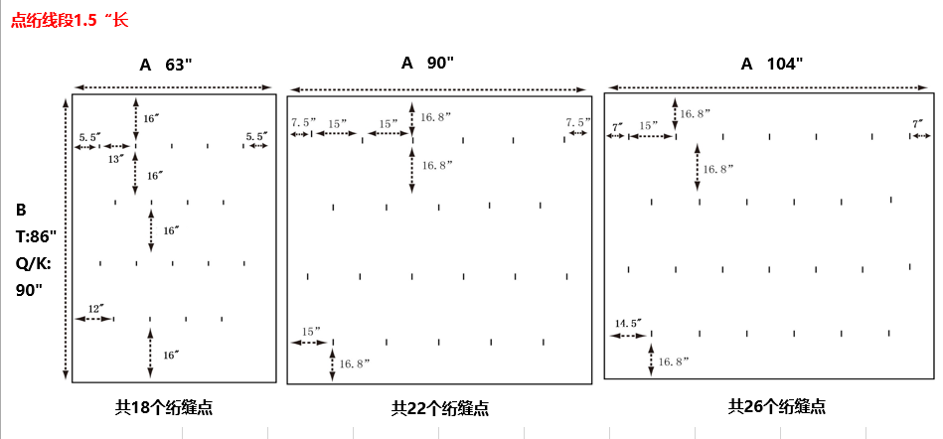
成品规格 （specification) | 68*90“ | 20*26“-1pc | 90*90“ | 20*26“-2pc | 104*90” | 20*36“-2pc
主面料名称#1 | 200gsm 全涤水晶超柔，素色--114“ | 200gsm 全涤水晶超柔，素色--114“ | 200gsm 全涤水晶超柔，素色--114“ | 200gsm 全涤水晶超柔，素色--114“ | 200gsm 全涤水晶超柔，素色--114“ | 200gsm 全涤水晶超柔，素色--114“
单价 | 23.50 | 23.50 | 23.50 | 23.50 | 23.50 | 23.50
用量 | 1.32 | 0.13 | 1.74 | 0.25 | 2.01 | 0.35
金额 | 31.02 | 3.06 | 40.89 | 5.88 | 47.24 | 8.23
主面料名称#2 | 85gsm 全涤桃皮绒，素色--92” | 85gsm 全涤桃皮绒，素色--92” | 85gsm 全涤桃皮绒，素色--92” | 85gsm 全涤桃皮绒，素色--92” | 85gsm 全涤桃皮绒，素色--92” | 85gsm 全涤桃皮绒，素色--92”
单价 | 4.20 | 4.20 | 4.20 | 4.20 | 4.20 | 4.20
用量 | 1.83 | 0.20 | 2.41 | 0.40 | 2.77 | 0.52
金额 | 7.69 | 0.84 | 10.12 | 1.68 | 11.63 | 2.18
主面料名称#3 | 160gsm弹力布(95%涤5%氨纶)，漂白色--92“ | 160gsm弹力布(95%涤5%氨纶)，漂白色--88“ | 160gsm弹力布(95%涤5%氨纶)，漂白色--92“ | 160gsm弹力布(95%涤5%氨纶)，漂白色--88“ | 160gsm弹力布(95%涤5%氨纶)，漂白色--92“ | 160gsm弹力布(95%涤5%氨纶)，漂白色--88“
单价 | 25.50 | 25.50 | 25.50 | 25.50 | 25.50 | 25.50
用量 | 0.69 | 0.06 | 0.91 | 0.13 | 1.05 | 0.18
金额 | 17.60 | 1.53 | 23.21 | 3.32 | 26.78 | 4.59
主面料名称#4 |  | 50gsm涤丝纺, 63D*63D,110*78，漂白色-62” |  | 50gsm涤丝纺, 63D*63D,110*78，漂白色-62” |  | 50gsm涤丝纺, 63D*63D,110*78，漂白色-62”
单价 |  | 2.50 |  | 2.50 |  | 2.50
用量 |  | 0.24 |  | 0.47 |  | 0.65
金额 | 0.00 | 0.60 | 0.00 | 1.18 | 0.00 | 1.63
主面料名称#5 | 6oz/y2 6D 羽丝棉 | 6oz/y2 6D 羽丝棉 | 6oz/y2 6D 羽丝棉 | 6oz/y2 6D 羽丝棉 | 6oz/y2 6D 羽丝棉 | 6oz/y2 6D 羽丝棉
单价 | 14.00 | 14.00 | 14.00 | 14.00 | 14.00 | 14.00
用量 | 2.19 | 0.12 | 2.88 | 0.23 | 3.32 | 0.32
金额 | 30.66 | 1.68 | 40.32 | 3.22 | 46.48 | 4.48
主面料小计 | 86.97 | 7.71 | 114.54 | 15.28 | 132.13 | 21.11
辅料，包装，其它名称#1 | 美国法标4.75*2.25"+洗标5.5*1.75“ | 洗标5.5*1.75“ | 美国法标4.75*2.25"+洗标5.5*1.75“ | 洗标5.5*1.75“ | 美国法标4.75*2.25"+洗标5.5*1.75“ | 洗标5.5*1.75“
单价 | 0.10 | 0.04 | 0.10 | 0.04 | 0.10 | 0.04
用量 | 1.00 | 1.00 | 1.00 | 2.00 | 1.00 | 2.00
金额 | 0.10 | 0.04 | 0.10 | 0.08 | 0.10 | 0.08
辅料，包装，其它名称#2 | 干燥剂 |  | 干燥剂 |  | 干燥剂
单价 | 0.02 |  | 0.02 |  | 0.02
用量 | 2.00 |  | 2.00 |  | 2.00
金额 | 0.04 |  | 0.04 |  | 0.04
辅料，包装，其它名称#3 | 14S无毒PVC钢丝袋22*20*”10/11/12“ |  | 14S无毒PVC钢丝袋22*20*”10/11/12“ |  | 14S无毒PVC钢丝袋22*20*”10/11/12“
单价 | 7.45 |  | 7.57 |  | 7.68
用量 | 1.00 |  | 1.00 |  | 1.00
金额 | 7.45 | 0.00 | 7.57 | 0.00 | 7.68 | 0.00
辅料，包装，其它名称#4 | 彩卡 |  | 彩卡 |  | 彩卡
单价 | 2.50 |  | 2.50 |  | 2.50
用量 | 1.00 |  | 1.00 |  | 1.00
金额 | 2.50 | 0.00 | 2.50 | 0.00 | 2.50 | 0.00
辅料，包装，其它名称#5
金额
辅料，包装，其它名称#6
金额
辅料，包装，其它名称#7 | 样品费,不含其他订单，后续翻单要取消 |  | 样品费,不含其他订单，后续翻单要取消 |  | 样品费,不含其他订单，后续翻单要取消
金额 | 1.74 |  | 1.74 |  | 1.74
辅料，包装，其它名称#8 | 价格贴5cmx2.8cm |  | 价格贴5cmx2.8cm |  | 价格贴5cmx2.8cm
金额 | 0.02 |  | 0.02 |  | 0.02
辅料，包装，其它名称#9 | thread | thread | thread | thread | thread | thread
金额 | 0.20 | 0.05 | 0.20 | 0.10 | 0.20 | 0.10
辅料，包装，其它名称#10 | 封箱带+天地盖 |  | 封箱带+天地盖 |  | 封箱带+天地盖
金额 | 0.13 |  | 0.13 |  | 0.13
纸箱长（厘米） | 58.00 |  | 58.00 |  | 58.00
纸箱宽（厘米） | 53.00 |  | 53.00 |  | 53.00
纸箱高（厘米） | 51.00 |  | 56.00 |  | 61.00
成箱方式（每箱） | 2.00 |  | 2.00 |  | 2.00
纸箱单价 | 7.50 |  | 7.50 |  | 7.50
金额 | 4.82 |  | 5.04 |  | 5.27
辅料，包装，其它小计 | 17.00 | 0.09 | 17.34 | 0.18 | 17.68 | 0.18
主、辅料、包装其他小计 | 103.97 | 7.80 | 131.88 | 15.46 | 149.81 | 21.29
工缴 | 13.12 | 2.20 | 16.61 | 4.40 | 18.56 | 4.60
运、杂费 | 6.93 |  | 7.48 |  | 8.03
利税 | 1.71 | 0.29 | 2.16 | 0.57 | 2.41 | 0.60
换汇 | 7.90 | 7.90 | 7.90 | 7.90 | 7.90 | 7.90
配额费
辅工等费用小计 | 21.76 | 2.49 | 26.25 | 4.97 | 29.00 | 5.20
出厂价位 | ¥125.73 | 10.29 | ¥158.13 | 20.43 | ¥178.81 | 26.49
美 元 价 | $15.92 | 1.30 | $20.02 | 2.59 | $22.63 | 3.35
1.07 | ¥134.53 | ¥11.01 | ¥169.20 | ¥21.86 | ¥191.33 | ¥28.34
含利税美金价 | $17.03 | $1.39 | $21.42 | $2.77 | $24.22 | $3.59
合计 | ¥145.54 |  | ¥191.06 |  | ¥219.67
含利税美金价 | $18.42 |  | $24.18 |  | $27.81

建议报价 丹阳丽娜 251211 | ¥142.10 |  | ¥189.50 |  | ¥215.30

