Item - Selected
Line No. | Photo | VIN/Art No. | Brand | Licensor | Product Category | Pattern | Item Description | Description-Short | Fabrication | Material-Short | Size/Spec. | Color | Customer Item# | Additional Customer Item# | Item No. | UPC | Unit of Measure | UCCPM Price / FOB Cost $ | Package Type | Packaging | Master Carton L (cm) | Master Carton W (cm) | Master Carton H (cm) | Carton Size L (cm) | Carton Size W (cm) | Carton Size H (cm) | Carton Gross Weight (kg) | Case Pack | Cubic Meter per Carton | Container Volume | Total Units per 40ft Container | 40ft Container Freight | Ocean Freight per Item $ | HTS Code | Duty Rate (with 20% Tariff) | Duty per Item $ | LDP Cost $ | DA % | DA $ | Royalty % | Royalty $ | Other Load | Other Load % | Other Load $ | Total Load $ | LDP Cost with Load $ | JLA LDP MU% | JLA POE Price Dec 18 |  |  | Suggested Retail Price | Retail Markup % | Additional Customer Price | Total QTY | May POE QTY | June POE QTY | July POE QTY | Total Cost | Total Sales | Retailer Selling Price Total | May POE CBM | June POE CBM | July POE CBM | TOTAL CBM (May, June, July) | Master Carton CBM | Master Carton Weight (kg) | Remarks | Port | COO | Vendor
 |  |  | Laura Ashley | Laura Ashley 5% | Bath Accessories | 3 Pc Set-soft touch | stoneware 1 Lotion Pump + 1 Tumbler + 1 Tray | Ceramic 3pc Bath Set | stoneware, rubber finish | stoneware, rubber finish | LP: 2.84x2.84x5.5 Tumbler: 2.84x2.84x4.23 Tray: 6x3x0.8 | LA SKYWAY |  |  | LA71-0450 |  | Set | $5.00 | Normal |  | 40 | 40 | 25 | 18 | 10 | 22 | 8.00 | 8 | 0.004 | 63.00 | 127273 | 2,250 | $0.02 | 8424.89.9000 | 21.80% | $1.09 | $6.11 | 1.00% | $0.09 | 6.00% | $0.51 | $0.00 | 0.00% | $0.00 | $0.60 | $6.70 | 21.14% | $8.50 |  |  | $24.99 | 65.99% |  | 4800 | 2400 | 2400 |  | $32,172.86 | $40,800.00 | $119,952.00 | 12.00 | 12.00 | 0.00 | 24.00 | 24.00 |  |  | Yantian,China | China | S-CZYY
 |  |  | Laura Ashley | Laura Ashley 5% | Bath Accessories | 3 Pc Set-soft touch | stoneware 1 Lotion Pump + 1 Tumbler + 1 Tray | Ceramic 3pc Bath Set | stoneware, rubber finish | stoneware, rubber finish | LP: 2.84x2.84x5.5 Tumbler: 2.84x2.84x4.23 Tray: 6x3x0.8 | LA PK DOGWOOD |  |  | LA71-0451 |  | Set | $5.00 | Normal |  | 40 | 40 | 25 | 18 | 10 | 22 | 8.00 | 8 | 0.004 | 63.00 | 127273 | 2,250 | $0.02 | 8424.89.9000 | 21.80% | $1.09 | $6.11 | 1.00% | $0.09 | 6.00% | $0.51 | $0.00 | 0.00% | $0.00 | $0.60 | $6.70 | 21.14% | $8.50 |  |  | $24.99 | 65.99% |  | 4800 | 2400 | 2400 |  | $32,172.86 | $40,800.00 |  | 12.00 | 12.00 | 0.00 | 24.00 |  |  |  | Yantian,China | China | S-CZYY
 |  |  | Laura Ashley | Laura Ashley 5% | Bath Accessories | 3 Pc Set-soft touch | stoneware 1 Lotion Pump + 1 Tumbler + 1 Tray | Ceramic 3pc Bath Set | stoneware, rubber finish | stoneware, rubber finish | LP: 2.84x2.84x5.5 Tumbler: 2.84x2.84x4.23 Tray: 6x3x0.8 | LS TENDER GRNS |  |  | LA71-0452 |  | Set | $5.00 | Normal |  | 40 | 40 | 25 | 18 | 10 | 22 | 8.00 | 8 | 0.004 | 63.00 | 127273 | 2,250 | $0.02 | 8424.89.9000 | 21.80% | $1.09 | $6.11 | 1.00% | $0.09 | 6.00% | $0.51 | $0.00 | 0.00% | $0.00 | $0.60 | $6.70 | 21.14% | $8.50 |  |  | $24.99 | 65.99% |  | 4800 | 2400 | 2400 |  | $32,172.86 | $40,800.00 |  | 12.00 | 12.00 | 0.00 | 24.00 |  |  |  | Yantian,China | China | S-CZYY
 |  |  | N Natori | N Natori 5% | Bath Accessories | 3 Pc Set-soft touch | stoneware 1 Lotion Pump + 1 Tumbler + 1 Tray | Ceramic 3pc Bath Set | stoneware, rubber finish | stoneware, rubber finish | LP: 2.84x2.84x5.5 Tumbler: 2.84x2.84x4.23 Tray: 6x3x0.8 | MOONBEAM |  |  | NN71-0385 |  | Set | $5.00 | Normal |  | 40 | 40 | 25 | 18 | 10 | 22 | 8.00 | 8 | 0.004 | 63.00 | 127273 | 2,250 | $0.02 | 8424.89.9000 | 21.80% | $1.09 | $6.11 | 1.00% | $0.09 | 6.00% | $0.51 | $0.00 | 0.00% | $0.00 | $0.60 | $6.70 | 21.14% | $8.50 |  |  | $24.99 | 65.99% |  | 2700 | 1200 |  | 1500 | $18,097.23 | $22,950.00 |  | 6.00 | 0.00 | 7.50 | 13.50 |  |  |  | Yantian,China | China | S-CZYY
 |  |  | N Natori | N Natori 5% | Bath Accessories | 3 Pc Set-soft touch | stoneware 1 Lotion Pump + 1 Tumbler + 1 Tray | Ceramic 3pc Bath Set | stoneware, rubber finish | stoneware, rubber finish | LP: 2.84x2.84x5.5 Tumbler: 2.84x2.84x4.23 Tray: 6x3x0.8 | BLACK |  |  | NN71-0386 |  | Set | $5.00 | Normal |  | 40 | 40 | 25 | 18 | 10 | 22 | 8.00 | 8 | 0.004 | 63.00 | 127273 | 2,250 | $0.02 | 8424.89.9000 | 21.80% | $1.09 | $6.11 | 1.00% | $0.09 | 6.00% | $0.51 | $0.00 | 0.00% | $0.00 | $0.60 | $6.70 | 21.14% | $8.50 |  |  | $24.99 | 65.99% |  | 2700 | 1200 |  | 1500 | $18,097.23 | $22,950.00 |  | 6.00 | 0.00 | 7.50 | 13.50 |  |  |  | Yantian,China | China | S-CZYY
 |  |  | N Natori | N Natori 5% | Bath Accessories | 3 Pc Set-soft touch | stoneware 1 Lotion Pump + 1 Tumbler + 1 Tray | Ceramic 3pc Bath Set | stoneware, rubber finish | stoneware, rubber finish | LP: 2.84x2.84x5.5 Tumbler: 2.84x2.84x4.23 Tray: 6x3x0.8 | WHITE |  |  | NN71-0387 |  | Set | $5.00 | Normal |  | 40 | 40 | 25 | 18 | 10 | 22 | 8.00 | 8 | 0.004 | 63.00 | 127273 | 2,250 | $0.02 | 8424.89.9000 | 21.80% | $1.09 | $6.11 | 1.00% | $0.09 | 6.00% | $0.51 | $0.00 | 0.00% | $0.00 | $0.60 | $6.70 | 21.14% | $8.50 |  |  | $24.99 | 65.99% |  | 1500 | 0 |  | 1500 | $10,054.02 | $12,750.00 |  | 0.00 | 0.00 | 7.50 | 7.50 |  |  |  | Yantian,China | China | S-CZYY
 | 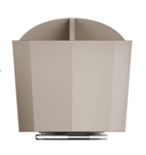 |  | N Natori | N Natori 5% | Bath Accessories | Organizer-B | Resin Organizer-B | Resin Organizer | sand+PP base | sand+PP base | 5.55X5.55X6.55" | MOONBEAM |  |  | NN71-0388 |  | Piece | $4.20 | Normal |  | 40.0 | 34.0 | 44.0 | 40.0 | 34.0 | 44.0 | 8.00 | 8 | 0.012 | 63.00 | 42112 | 2,250 | $0.05 | 3926.10.0000 | 25.3% | $1.06 | $5.32 | 1.00% | $0.08 | 6.00% | $0.45 | $0.00 | 0.00% | $0.00 | $0.52 | $5.84 | 22.12% | $7.50 |  |  | $16.99 | 55.86% |  | 1200 |  | 1200 |  | $7,009.23 | $9,000.00 | $20,388.00 | 0.00 | 8.98 | 0.00 | 8.98 | 8.98 |  |  | YANTIAN | China | S-DGDH
 | 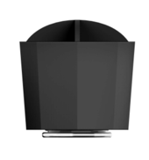 |  | N Natori | N Natori 5% | Bath Accessories | Organizer-B | Resin Organizer-B | Resin Organizer | sand+PP base | sand+PP base | 5.55X5.55X6.55" | BLACK |  |  | NN71-0389 |  | Piece | $4.20 | Normal |  | 40.0 | 34.0 | 44.0 | 40.0 | 34.0 | 44.0 | 8.00 | 8 | 0.012 | 63.00 | 42112 | 2,250 | $0.05 | 3926.10.0000 | 25.3% | $1.06 | $5.32 | 1.00% | $0.08 | 6.00% | $0.45 | $0.00 | 0.00% | $0.00 | $0.52 | $5.84 | 22.12% | $7.50 |  |  | $16.99 | 55.86% |  | 1200 |  | 1200 |  | $7,009.23 | $9,000.00 | $20,388.00 | 0.00 | 8.98 | 0.00 | 8.98 | 8.98 |  |  | YANTIAN | China | S-DGDH
 | 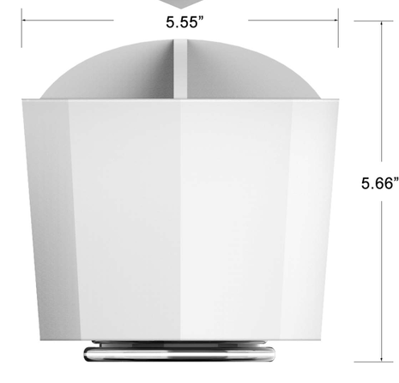 |  | N Natori | N Natori 5% | Bath Accessories | Organizer-B | Resin Organizer-B | Resin Organizer | sand+PP base | sand+PP base | 5.55X5.55X6.55" | WHITE |  |  | NN71-0390 |  | Piece | $4.20 | Normal |  | 40.0 | 34.0 | 44.0 | 40.0 | 34.0 | 44.0 | 8.00 | 8 | 0.012 | 63.00 | 42112 | 2,250 | $0.05 | 3926.10.0000 | 25.3% | $1.06 | $5.32 | 1.00% | $0.08 | 6.00% | $0.45 | $0.00 | 0.00% | $0.00 | $0.52 | $5.84 | 22.12% | $7.50 |  |  | $16.99 | 55.86% |  | 1200 |  | 1200 |  | $7,009.23 | $9,000.00 | $20,388.00 | 0.00 | 8.98 | 0.00 | 8.98 | 8.98 |  |  | YANTIAN | China | S-DGDH
 | 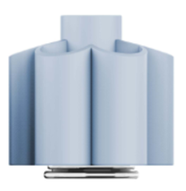 |  | Laura Ashley | Laura Ashley 5% | Bath Accessories | Organizer-F | Resin Organizer-F | Resin Organizer | sand+PP base | sand+PP base | 6x6x5.5" | CASH BLUE |  |  | LA71-0453 |  | Piece | $4.50 | Normal |  | 42.0 | 34.0 | 44.0 | 42.0 | 34.0 | 44.0 | 8.00 | 8 | 0.012 | 63.00 | 42112 | 2,250 | $0.05 | 3926.10.0000 | 25.3% | $1.14 | $5.69 | 1.00% | $0.08 | 6.00% | $0.48 | $0.00 | 0.00% | $0.00 | $0.56 | $6.25 | 21.85% | $8.00 |  |  | $19.99 | 59.98% |  | 3900 | 2400 | 1500 |  | $24,382.52 | $31,200.00 | $77,961.00 | 18.85 | 11.78 | 0.00 | 30.63 | 30.63 |  |  | YANTIAN | China | S-DGDH
 | 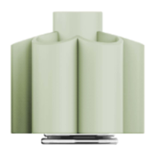 |  | Laura Ashley | Laura Ashley 5% | Bath Accessories | Organizer-F | Resin Organizer-F | Resin Organizer | sand+PP base | sand+PP base | 6x6x5.5" | FOG GREEN |  |  | LA71-0454 |  | Piece | $4.50 | Normal |  | 42.0 | 34.0 | 44.0 | 42.0 | 34.0 | 44.0 | 8.00 | 8 | 0.012 | 63.00 | 42112 | 2,250 | $0.05 | 3926.10.0000 | 25.3% | $1.14 | $5.69 | 1.00% | $0.08 | 6.00% | $0.48 | $0.00 | 0.00% | $0.00 | $0.56 | $6.25 | 21.85% | $8.00 |  |  | $19.99 | 59.98% |  | 3900 | 2400 | 1500 |  | $24,382.52 | $31,200.00 | $77,961.00 | 18.85 | 11.78 | 0.00 | 30.63 | 30.63 |  |  | YANTIAN | China | S-DGDH
 | 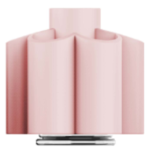 |  | Laura Ashley | Laura Ashley 5% | Bath Accessories | Organizer-F | Resin Organizer-F | Resin Organizer | sand+PP base | sand+PP base | 6x6x5.5" | PEACH WHIP |  |  | LA71-0455 |  | Piece | $4.50 | Normal |  | 42.0 | 34.0 | 44.0 | 42.0 | 34.0 | 44.0 | 8.00 | 8 | 0.012 | 63.00 | 42112 | 2,250 | $0.05 | 3926.10.0000 | 25.3% | $1.14 | $5.69 | 1.00% | $0.08 | 6.00% | $0.48 | $0.00 | 0.00% | $0.00 | $0.56 | $6.25 | 21.85% | $8.00 |  |  | $19.99 | 59.98% |  | 3900 | 2400 | 1500 |  | $24,382.52 | $31,200.00 | $77,961.00 | 18.85 | 11.78 | 0.00 | 30.63 | 30.63 |  |  | YANTIAN | China | S-DGDH
 | 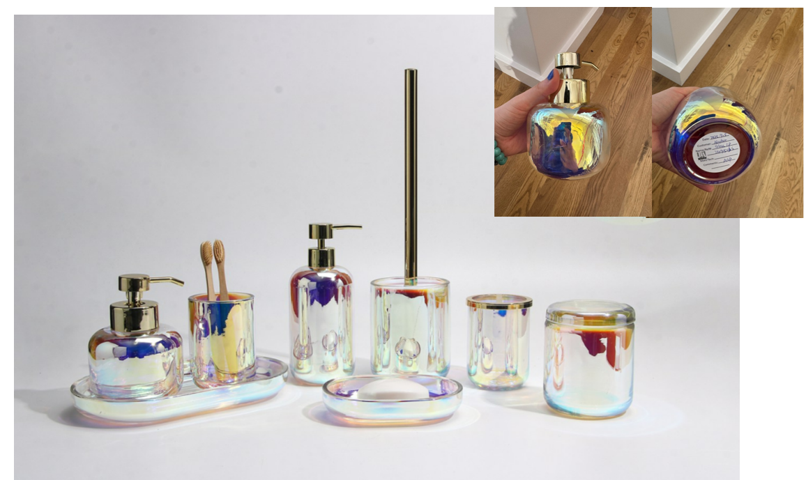 |  | Laura Ashley | Laura Ashley 5% | BATH ACCESSORIES | Opal Iridescent Bath Accessories | glass Taller lotion dispenser,plastic shiny golden color pump head | lotion dispenser | glass | glass | 3.1x3.1x7.6" | as photo |  |  | LA71-0456 |  | Piece | $3.24 | Normal |  | 41.5 | 33.5 | 24.0 | 16 | 8 | 20 | 8.00 | 12 | 0.003 | 63.00 | 295312 | 2,250 | $0.01 | 8424.89.9000 | 21.80% | $0.71 | $3.95 | 1.00% | $0.06 | 6.00% | $0.38 | $0.00 | 0.00% | $0.00 | $0.44 | $4.39 | 29.74% | $6.25 |  |  | $14.99 | 58.31% |  | 1200 |  | 1200 |  | $5,269.73 | $7,500.00 | $17,988.00 | 0.00 | 3.34 | 0.00 | 3.34 | 3.34 |  |  | Yantian | China | Aspire
 |  |  | Laura Ashley | Laura Ashley 5% | BATH ACCESSORIES | Opal Iridescent Bath Accessories | glass Shorter lotion dispenser,plastic shiny golden color pump head | lotion dispenser | glass | glass | 3.9x3.9x5.5"(10x10x14cm) | as photo |  |  | LA71-0457 |  | Piece | $3.57 | Normal |  | 39.5 | 26.5 | 35.00 | 20 | 10 | 14 | 8.00 | 12 | 0.003 | 63.00 | 270000 | 2,250 | $0.01 | 8424.89.9000 | 21.80% | $0.78 | $4.36 | 1.00% | $0.07 | 6.00% | $0.40 | $0.00 | 0.00% | $0.00 | $0.47 | $4.83 | 28.46% | $6.75 |  |  | $14.99 | 54.97% |  | 1200 |  | 1200 |  | $5,794.91 | $8,100.00 | $17,988.00 | 0.00 | 3.66 | 0.00 | 3.66 | 3.66 |  |  | Yantian | China | Aspire
 | 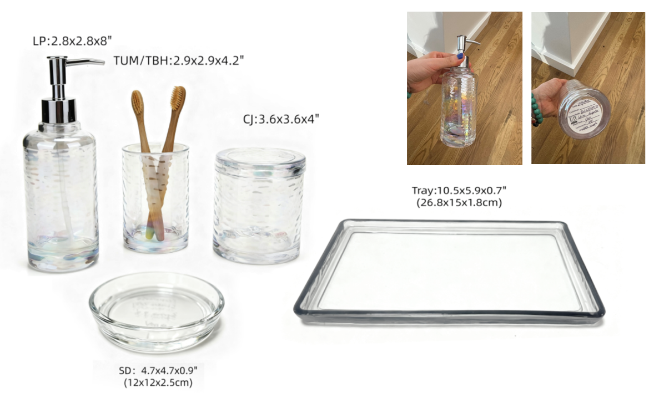 Blue |  | Laura Ashley | Laura Ashley 5% | BATH ACCESSORIES | Glass Bath Accessories | glass Lotion dispenser,plastic chromed pump head | lotion dispenser | glass | glass | 2.8x2.8x8"(7.2x7.2x20.3cm) | Blue |  |  | LA71-0458 |  | Piece | $2.80 | Normal |  | 23.4 | 26.9 | 29.10 | 15 | 8 | 21 | 8.00 | 2 | 0.003 | 63.00 | 50000 | 2,250 | $0.05 | 8424.89.9000 | 21.80% | $0.61 | $3.46 | 1.00% | $0.06 | 6.00% | $0.33 | $0.00 | 0.00% | $0.00 | $0.38 | $3.84 | 30.17% | $5.50 |  |  | $12.99 | 57.66% |  | 1200 |  | 1200 |  | $4,608.48 | $6,600.00 | $15,588.00 | 0.00 | 10.99 | 0.00 | 10.99 | 10.99 |  |  | Yantian | China | Aspire
 |  |  | Laura Ashley | Laura Ashley 5% | BATH ACCESSORIES | Glass Bath Accessories | glass Toothbrush Holder, chromed cover | tooth brush holder | glass | glass | 2.9x2.9x4.2"(7.4x7.4x10.8cm) | Blue |  |  | LA71-0459 |  | Piece | $2.54 | Normal |  |  |  |  | 8 | 8 | 11 | 8.00 | 1 | 0.001 | 63.00 | 89489 | 2,250 | $0.03 | 7013.99.5010 | 50.00% | $1.27 | $3.84 | 1.00% | $0.06 | 6.00% | $0.34 | $0.00 | 0.00% | $0.00 | $0.40 | $4.23 | 25.12% | $5.65 |  |  | $12.99 | 56.51% |  | 600 |  | 600 |  | $2,538.39 | $3,390.00 | $7,794.00 | 0.00 | 0.00 | 0.00 | 0.00 |  |  |  | Yantian | China | Aspire
 |  |  | Laura Ashley | Laura Ashley 5% | BATH ACCESSORIES | Glass Bath Accessories | glass Tumbler | tumbler | glass | glass | 2.9x2.9x4.2"(7.4x7.4x10.8cm) | Blue |  |  | LA71-0460 |  | Piece | $1.97 | Normal |  |  |  |  | 8 | 8 | 11 | 8.00 | 1 | 0.001 | 63.00 | 89489 | 2,250 | $0.03 | 7013.99.5010 | 50.00% | $0.99 | $2.98 | 1.00% | $0.05 | 6.00% | $0.27 | $0.00 | 0.00% | $0.00 | $0.32 | $3.30 | 26.77% | $4.50 |  |  | $9.99 | 54.95% |  | 600 |  | 600 |  | $1,977.09 | $2,700.00 | $5,994.00 | 0.00 | 0.00 | 0.00 | 0.00 |  |  |  | Yantian | China | Aspire
 |  |  | Laura Ashley | Laura Ashley 5% | BATH ACCESSORIES | Glass Bath Accessories | glass Soap Dish | soap dish | glass | glass | 4.7x4.7x0.9 | Blue |  |  | LA71-0461 |  | Piece | $1.68 | Normal |  |  |  |  | 12 | 12 | 3 | 8.00 | 1 | 0.00043 | 63.00 | 145833 | 2,250 | $0.02 | 7013.99.5010 | 50.00% | $0.84 | $2.54 | 1.00% | $0.04 | 6.00% | $0.22 | $0.00 | 0.00% | $0.00 | $0.26 | $2.80 | 25.39% | $3.75 |  |  | $7.99 | 53.07% |  | 600 |  | 600 |  | $1,678.76 | $2,250.00 | $4,794.00 | 0.00 | 0.00 | 0.00 | 0.00 |  |  |  | Yantian | China | Aspire
 |  |  | Laura Ashley | Laura Ashley 5% | BATH ACCESSORIES | Glass Bath Accessories | glass Cotton jar | cotton jar | glass | glass | 3.6x3.6x4"(9.2x9.2x10.4cm) | Blue |  |  | LA71-0462 |  | Piece | $2.84 | Normal |  |  |  |  | 10 | 10 | 11 | 8.00 | 1 | 0.001 | 63.00 | 57273 | 2,250 | $0.04 | 7013.99.5010 | 50.00% | $1.42 | $4.30 | 1.00% | $0.06 | 6.00% | $0.38 | $0.00 | 0.00% | $0.00 | $0.44 | $4.74 | 24.21% | $6.25 |  |  | $14.99 | 58.31% |  | 600 |  | 600 |  | $2,842.07 | $3,750.00 | $8,994.00 | 0.00 | 0.00 | 0.00 | 0.00 |  |  |  | Yantian | China | Aspire
 |  |  | Laura Ashley | Laura Ashley 5% | BATH ACCESSORIES | Glass Bath Accessories | glass Tray | tray | glass | glass | 10.5x5.9x0.7 | Blue |  |  | LA71-0463 |  | Piece | $3.28 | Normal |  |  |  |  | 27 | 15 | 2 | 8.00 | 1 | 0.001 | 63.00 | 77778 | 2,250 | $0.03 | 7013.99.8090 | 31.30% | $1.03 | $4.34 | 1.00% | $0.07 | 6.00% | $0.39 | $0.00 | 0.00% | $0.00 | $0.46 | $4.79 | 26.30% | $6.50 |  |  | $14.99 | 56.64% |  | 600 |  | 600 |  | $2,874.34 | $3,900.00 | $8,994.00 | 0.00 | 0.00 | 0.00 | 0.00 |  |  |  | Yantian | China | Aspire
 | 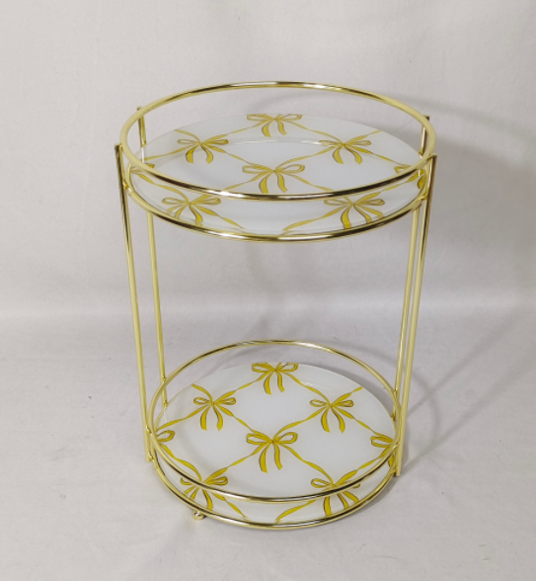 |  | Laura Ashley | Laura Ashley 5% | Bath Hardware | 2 Tier Rounded Tray Pattern 1 | 2 Tier iron Rounded Vanity Tray with Bows Mirror | 2 Tier Rounded Vanity Tray | Iron+glass | Iron+glass | 9.06*9.84*12.2" |  |  |  | LA76-0464 |  |  | $4.46 | Normal |  | 36.5 | 33.0 | 50.0 | 45.0 | 40.5 | 50.5 | 8.00 | 4 | 0.008 | 63.00 | 30803 | 2,250 | $0.07 | 9403.20.0090 | 45.0% | $2.01 | $6.54 | 1.00% | $0.11 | 6.00% | $0.66 | $0.00 | 0.00% | $0.00 | $0.77 | $7.31 | 33.55% | $11.00 |  |  | $21.99 | 49.98% |  | 1000 | 1000 |  |  | $7,310.04 | $11,000.00 | $21,990.00 | 15.06 | 0.00 | 0.00 | 15.06 | 15.06 |  |  | Yantian | China | S-JMHS
 |  |  | Laura Ashley | Laura Ashley 5% | Bath Hardware | 2 Tier Rounded Tray Pattern 2 | 2 Tier iron Rounded Vanity Tray with Bows Mirror | 2 Tier Rounded Vanity Tray | Iron+glass | Iron+glass | 9.06*9.84*12.2" |  |  |  | LA76-0465 |  |  | $4.46 | Normal |  | 36.5 | 33.0 | 50.0 | 45.0 | 40.5 | 50.5 | 8.00 | 4 | 0.008 | 63.00 | 30803 | 2,250 | $0.07 | 9403.20.0090 | 45.0% | $2.01 | $6.54 | 1.00% | $0.11 | 6.00% | $0.66 | $0.00 | 0.00% | $0.00 | $0.77 | $7.31 | 33.55% | $11.00 |  |  | $21.99 | 49.98% |  | 1000 | 1000 |  |  | $7,310.04 | $11,000.00 | $21,990.00 | 15.06 | 0.00 | 0.00 | 15.06 | 15.06 |  |  | Yantian | China | S-JMHS
 |  |  | Laura Ashley | Laura Ashley 5% | Bath Hardware | 2 Tier Rounded Tray Pattern 3 | 2 Tier iron Rounded Vanity Tray with Bows Mirror | 2 Tier Rounded Vanity Tray | Iron+glass | Iron+glass | 9.06*9.84*12.2" |  |  |  | LA76-0466 |  |  | $4.46 | Normal |  | 36.5 | 33.0 | 50.0 | 45.0 | 40.5 | 50.5 | 8.00 | 4 | 0.008 | 63.00 | 30803 | 2,250 | $0.07 | 9403.20.0090 | 45.0% | $2.01 | $6.54 | 1.00% | $0.11 | 6.00% | $0.66 | $0.00 | 0.00% | $0.00 | $0.77 | $7.31 | 33.55% | $11.00 |  |  | $21.99 | 49.98% |  | 1000 | 1000 |  |  | $7,310.04 | $11,000.00 | $21,990.00 | 15.06 | 0.00 | 0.00 | 15.06 | 15.06 |  |  | Yantian | China | S-JMHS
 | 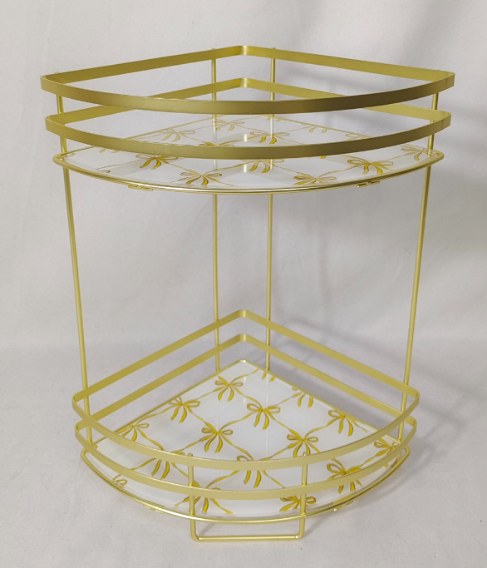 |  | Laura Ashley | Laura Ashley 5% | Bath Hardware | 2 Tier Corner Tray Pattern 1 | 2 Tier iron Corner Vanity Tray with Bows Mirror | 2 Tier Corner Vanity Tray | Iron+Mirror Electroplated Weight: 0.95KG | Iron+Mirror Electroplated Weight: 0.95KG | 32*10.24*12.6" |  |  |  | LA76-0467 |  |  | $3.31 | Normal |  | 62.0 | 23.0 | 40.0 | 62.0 | 23.0 | 40.0 | 8.00 | 6 | 0.006 | 63.00 | 68478 | 2,250 | $0.03 | 9403.20.0090 | 45.0% | $1.49 | $4.83 | 1.00% | $0.08 | 6.00% | $0.50 | $0.00 | 0.00% | $0.00 | $0.58 | $5.42 | 35.13% | $8.35 |  |  | $16.99 | 50.85% |  | 1,000 | 1,000 |  |  | $5,416.86 | $8,350.00 | $16,990.00 | 9.51 | 0.00 | 0.00 | 9.51 | 9.51 |  |  | YANTIAN | China | S-JMHS
 |  |  | Laura Ashley | Laura Ashley 5% | Bath Hardware | 2 Tier Corner Tray Pattern 2 | 2 Tier iron Corner Vanity Tray with Bows Mirror | 2 Tier Corner Vanity Tray | Iron+Mirror Electroplated Weight: 0.95KG | Iron+Mirror Electroplated Weight: 0.95KG | 32*10.24*12.6" |  |  |  | LA76-0468 |  |  | $3.31 | Normal |  | 62.0 | 23.0 | 40.0 | 62.0 | 23.0 | 40.0 | 8.00 | 6 | 0.006 | 63.00 | 68478 | 2,250 | $0.03 | 9403.20.0090 | 45.0% | $1.49 | $4.83 | 1.00% | $0.08 | 6.00% | $0.50 | $0.00 | 0.00% | $0.00 | $0.58 | $5.42 | 35.13% | $8.35 |  |  | $16.99 | 50.85% |  | 1,000 | 1,000 |  |  | $5,416.86 | $8,350.00 | $16,990.00 | 9.51 | 0.00 | 0.00 | 9.51 | 9.51 |  |  | YANTIAN | China | S-JMHS
 |  |  | Laura Ashley | Laura Ashley 5% | Bath Hardware | 2 Tier Corner Tray Pattern 3 | 2 Tier iron Corner Vanity Tray with Bows Mirror | 2 Tier Corner Vanity Tray | Iron+Mirror Electroplated Weight: 0.95KG | Iron+Mirror Electroplated Weight: 0.95KG | 32*10.24*12.6" |  |  |  | LA76-0469 |  |  | $3.31 | Normal |  | 62.0 | 23.0 | 40.0 | 62.0 | 23.0 | 40.0 | 8.00 | 6 | 0.006 | 63.00 | 68478 | 2,250 | $0.03 | 9403.20.0090 | 45.0% | $1.49 | $4.83 | 1.00% | $0.08 | 6.00% | $0.50 | $0.00 | 0.00% | $0.00 | $0.58 | $5.42 | 35.13% | $8.35 |  |  | $16.99 | 50.85% |  | 1,000 | 1,000 |  |  | $5,416.86 | $8,350.00 | $16,990.00 | 9.51 | 0.00 | 0.00 | 9.51 | 9.51 |  |  | YANTIAN | China | S-JMHS
 |  |  | Natori | Natori 7% | Bath Hardware | 3 Tier SPA TOWER | Iron 3 Tier SPA Tower | 3 Tier SPA Tower | Iron Powder Coating Weight: 2.50 KG | Iron Powder Coating Weight: 2.50 KG | 11*11*30" | WHITE |  |  | NA76-3512 |  |  | $7.41 | Normal |  | 88.0 | 52.0 | 58.0 | 91.0 | 52.0 | 58.0 | 8.00 | 4 | 0.012 | 63.00 | 20889 | 2,250 | $0.11 | 7324.90.0000 | 45.0% | $3.33 | $10.85 | 1.00% | $0.17 | 6.00% | $1.02 | $0.00 | 0.00% | $0.00 | $1.19 | $12.04 | 29.16% | $17.00 |  |  | $36.99 | 54.04% |  | 1000 |  | 1000 |  | $12,042.21 | $17,000.00 | $36,990.00 | 0.00 | 66.35 | 0.00 | 66.35 | 66.35 |  |  | YANTIAN | China | S-JMHS
 |  |  | Natori | Natori 7% | Bath Hardware | 3 Tier SPA TOWER | Iron 3 Tier SPA Tower | 4 Tier SPA Tower | Iron Powder Coating Weight: 2.50 KG | Iron Powder Coating Weight: 2.50 KG | 11*11*30" | BLACK |  |  | NA76-3513 |  |  | $7.41 | Normal |  | 88.0 | 52.0 | 58.0 | 91.0 | 52.0 | 58.0 | 8.00 | 4 | 0.012 | 63.00 | 20889 | 2,250 | $0.11 | 7324.90.0000 | 45.0% | $3.33 | $10.85 | 1.00% | $0.17 | 6.00% | $1.02 | $0.00 | 0.00% | $0.00 | $1.19 | $12.04 | 29.16% | $17.00 |  |  | $36.99 | 54.04% |  | 1000 |  | 1000 |  | $12,042.21 | $17,000.00 | $36,990.00 | 0.00 | 66.35 | 0.00 | 66.35 | 66.35 |  |  | YANTIAN | China | S-JMHS
 |  |  | Natori | Natori 7% | Bath Hardware | 3 Tier SPA TOWER | Iron 3 Tier SPA Tower | 5 Tier SPA Tower | Iron Powder Coating Weight: 2.50 KG | Iron Powder Coating Weight: 2.50 KG | 11*11*30" | TAUPE |  |  | NA76-3514 |  |  | $7.41 | Normal |  | 88.0 | 52.0 | 58.0 | 91.0 | 52.0 | 58.0 | 8.00 | 4 | 0.012 | 63.00 | 20889 | 2,250 | $0.11 | 7324.90.0000 | 45.0% | $3.33 | $10.85 | 1.00% | $0.17 | 6.00% | $1.02 | $0.00 | 0.00% | $0.00 | $1.19 | $12.04 | 29.16% | $17.00 |  |  | $36.99 | 54.04% |  | 1000 |  | 1000 |  | $12,042.21 | $17,000.00 | $36,990.00 | 0.00 | 66.35 | 0.00 | 66.35 | 66.35 |  |  | YANTIAN | China | S-JMHS
 |  |  | Laura Ashley | Laura Ashley 5% | Bath Hardware | bamboo shelf | bamboo shelf | bamboo mat | bamboo | bamboo | 30.5x9x9" | AS Image |  |  | LA76-0470 |  |  | $6.70 | Normal |  | 25.00 | 25.00 | 79.50 | 25.00 | 25.00 | 79.50 | 8.00 | 1 | 0.002 | 63.00 | 31698 | 2,250 | $0.07 | 9403.82.0015 | 45.0% | $3.02 | $9.79 | 1.00% | $0.15 | 6.00% | $0.90 | $0.00 | 0.00% | $0.00 | $1.05 | $10.84 | 27.76% | $15.00 |  |  | $32.99 | 54.53% |  | 1000 |  | 1000 |  | $10,835.98 | $15,000.00 | $32,990.00 | 0.00 | 49.69 | 0.00 | 49.69 | 49.69 |  |  | FUZHOU | China | Longhui
 | 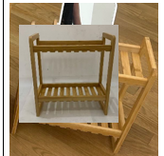 |  | Laura Ashley | Laura Ashley 5% | Bath Hardware | bamboo shelf | bamboo shelf | bamboo mat | bamboo | bamboo | 12.8x6.1x13.75" | AS Image |  |  | LA76-0471 |  |  | $3.70 | Normal |  | 34.50 | 17.50 | 37.00 | 34.50 | 17.50 | 37.00 | 8.00 | 1 | 0.001 | 63.00 | 97297 | 2,250 | $0.02 | 9403.82.0015 | 45.0% | $1.67 | $5.39 | 1.00% | $0.08 | 6.00% | $0.48 | $0.00 | 0.00% | $0.00 | $0.56 | $5.95 | 25.65% | $8.00 |  |  | $19.99 | 59.98% |  | 1000 |  | 1000 |  | $5,948.13 | $8,000.00 | $19,990.00 | 0.00 | 22.34 | 0.00 | 22.34 | 22.34 |  |  | FUZHOU | CHINA | longhui
 | 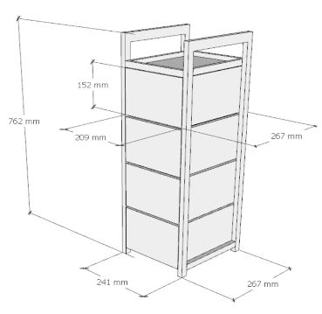 |  | Laura Ashley | Laura Ashley 5% | Bath Hardware | bamboo shelf | bamboo shelf | bamboo mat | bamboo | bamboo | 30”(H)x9.5”(W)x10.5”(D) | AS Image |  |  | LA76-0472 |  |  | $13.80 | Normal |  | 26.10 | 28.70 | 78.20 | 26.10 | 28.70 | 78.20 | 8.00 | 1 | 0.002 | 63.00 | 28071 | 2,250 | $0.08 | 9403.82.0015 | 45.0% | $6.21 | $20.09 | 1.00% | $0.30 | 6.00% | $1.80 | $0.00 | 0.00% | $0.00 | $2.10 | $22.19 | 26.03% | $30.00 |  |  | $69.99 | 57.14% |  | 1000 |  |  |  | $22,190.16 | $30,000.00 | $69,990.00 | 0.00 | 0.00 | 0.00 | 0.00 | 58.58 |  |  | FUZHOU | CHINA | longhui
 |  |  | N Natori | N Natori 5% | Bath Hardware |  | plastic shower caddy | plastic shower caddy | TPR+PP | TPR+PP | 12x3.5x20.6/34.6"(30.6x9x52.5/88cm) | White |  |  | NN76-0391 |  |  | $2.43 | Normal |  | 38.00 | 33.00 | 64.00 | 38.00 | 33.00 | 64.00 | 8.00 | 6 | 0.013 | 63.00 | 29830 | 2,250 | $0.08 | 3924.90.5650 | 30.9% | $0.75 | $3.26 | 1.00% | $0.05 | 6.00% | $0.28 | $0.00 | 0.00% | $0.00 | $0.33 | $3.58 | 22.97% | $4.65 |  |  | $9.99 | 53.45% |  | 1000 | 1000 |  |  | $3,581.80 | $4,650.00 | $9,990.00 | 13.38 | 0.00 | 0.00 | 13.38 | 13.38 |  |  | Yantian | China | Aspire
 |  |  | N Natori | N Natori 5% | Bath Hardware |  | plastic shower caddy | plastic shower caddy | TPR+PP | TPR+PP | 12x3.5x20.6/34.6"(30.6x9x52.5/88cm) | Black |  |  | NN76-0392 |  |  | $2.43 | Normal |  | 38.00 | 33.00 | 64.00 | 38.00 | 33.00 | 64.00 | 8.00 | 6 | 0.013 | 63.00 | 29830 | 2,250 | $0.08 | 3924.90.5650 | 30.9% | $0.75 | $3.26 | 1.00% | $0.05 | 6.00% | $0.28 | $0.00 | 0.00% | $0.00 | $0.33 | $3.58 | 22.97% | $4.65 |  |  | $9.99 | 53.45% |  | 1000 | 1000 |  |  | $3,581.80 | $4,650.00 | $9,990.00 | 13.38 | 0.00 | 0.00 | 13.38 | 13.38 |  |  | Yantian | China | Aspire
 |  |  | N Natori | N Natori 5% | Bath Hardware |  | plastic shower caddy | plastic shower caddy | TPR+PP | TPR+PP | 12x3.5x20.6/34.6"(30.6x9x52.5/88cm) | Grey |  |  | NN76-0393 |  |  | $2.43 | Normal |  | 38.00 | 33.00 | 64.00 | 38.00 | 33.00 | 64.00 | 8.00 | 6 | 0.013 | 63.00 | 29830 | 2,250 | $0.08 | 3924.90.5650 | 30.9% | $0.75 | $3.26 | 1.00% | $0.05 | 6.00% | $0.28 | $0.00 | 0.00% | $0.00 | $0.33 | $3.58 | 22.97% | $4.65 |  |  | $9.99 | 53.45% |  | 1000 | 1000 |  |  | $3,581.80 | $4,650.00 | $9,990.00 | 13.38 | 0.00 | 0.00 | 13.38 | 13.38 |  |  | Yantian | China | Aspire
 |  |  | N Natori | N Natori 5% | Bath Hardware |  | plastic shower caddy | plastic shower caddy | Round Wire D5MM；Iron+PET | Round Wire D5MM；Iron+PET | 11.81*5.78*28.74 | AS Image |  |  | NN76-0394 |  |  | $3.55 | Normal |  | 75.0 | 31.0 | 47.5 | 75.0 | 31.0 | 47.5 | 8.00 | 8 | 0.012 | 63.00 | 42784 | 2,250 | $0.05 | 3924.90.5650 | 30.9% | $1.10 | $4.70 | 1.00% | $0.07 | 6.00% | $0.44 | $0.00 | 0.00% | $0.00 | $0.51 | $5.21 | 28.18% | $7.25 |  |  | $14.99 | 51.63% |  | 1000 | 1000 |  |  | $5,207.04 | $7,250.00 | $14,990.00 | 13.80 | 0.00 | 0.00 | 13.80 | 13.80 |  |  | Yantian | China | S-JMLD
ORB
ORB
ORB
 | 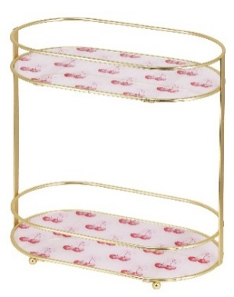 |  | Laura Ashley | Laura Ashley 5% | Bath Hardware |  | 2 Tier Iron Oval Countertop with Printed Glass | 2 Tier Oval Countertop | Iron+glass | Iron+glass | 12"x6.69"x12.6” | gold plating |  |  | LA76-0473 |  | Piece | $4.55 | Normal |  | 41 | 41 | 47 | 41 | 41 | 47 | 8.00 | 6 | 0.01156 | 63.00 | 32693 | 2,250 | $0.07 | 9403.20.0090 | 45.0% | $2.05 | $6.67 | 1.00% | $0.11 | 6.00% | $0.66 | $0.00 | 0.00% | $0.00 | $0.77 | $7.44 | 32.40% | $11.00 | $11.00 | $12.50 | $26.99 | 59.24% |  | 1500 |  | 1500 |  | $11,154.48 | $16,500.00 | $40,485.00 | 0.00 | 19.75 | 0.00 | 19.75 | 19.75 |  |  | Yantian,China | China | S-JMJGY
ORB
ORB
ORB
 |  |  | Laura Ashley | Laura Ashley 5% | Bath Hardware |  | 2 Tier Iron Oval Countertop with Printed Glass | 2 Tier Oval Countertop | Iron+glass | Iron+glass | 12"x6.69"x12.6” | chrome plating |  |  | LA76-0474 |  | Piece | $4.30 | Normal |  | 41 | 41 | 47 | 41 | 41 | 47 | 8.00 | 6 | 0.01156 | 63.00 | 32693 | 2,250 | $0.07 | 9403.20.0090 | 45.0% | $1.94 | $6.30 | 1.00% | $0.11 | 6.00% | $0.66 | $0.00 | 0.00% | $0.00 | $0.77 | $7.07 | 35.69% | $11.00 | $11.00 | $12.30 | $26.99 | 59.24% |  | 1500 |  | 1500 |  | $10,610.73 | $16,500.00 | $40,485.00 | 0.00 | 19.75 | 0.00 | 19.75 | 19.75 |  |  | Yantian,China | China | S-JMJGY
ORB
ORB
ORB
 |  |  | Laura Ashley | Laura Ashley 5% | Bath Hardware |  | 2 Tier Iron Oval Countertop with Printed Glass | 2 Tier Oval Countertop | Iron+glass | Iron+glass | 12"x6.69"x12.6” | black powder coating |  |  | LA76-0475 |  | Piece | $4.10 | Normal |  | 41 | 41 | 47 | 41 | 41 | 47 | 8.00 | 6 | 0.01156 | 63.00 | 32693 | 2,250 | $0.07 | 9403.20.0090 | 45.0% | $1.85 | $6.01 | 1.00% | $0.11 | 6.00% | $0.66 | $0.00 | 0.00% | $0.00 | $0.77 | $6.78 | 38.33% | $11.00 | $11.00 | $12.00 | $26.99 | 59.24% |  | 1500 |  | 1500 |  | $10,175.73 | $16,500.00 | $40,485.00 | 0.00 | 19.75 | 0.00 | 19.75 | 19.75 |  |  | Yantian,China | China | S-JMJGY
ORB
ORB
ORB
ORB
ORB
ORB
ORB
ORB
ORB
ORB
ORB
ORB
ORB
 |  |  | Laura Ashley | Laura Ashley 5% | BATH ACCESSORIES |  | plastic 3 hole ORG | plastic 3 hole ORG | 100%Polystyrene | 100%Polystyrene | 7.09*2.75*3.78 | as photo | Piece |  | LA71-0476 |  | Piece | $1.01 | Normal |  | 38.2 | 21.0 | 23.0 | 38.2 | 21.0 | 23.0 | 8.00 | 12 | 0.018 | 63.00 | 40974 | 2,250 | $0.05 | 3924.90.5650 | 45.0% | $0.45 | $1.52 | 1.00% | $0.02 | 6.00% | $0.12 | $0.00 | 0.00% | $0.00 | $0.14 | $1.66 | 15.08% | $1.95 |  |  | $3.99 | 51.13% |  | 3000 |  |  |  | $4,967.74 | $5,850.00 | $11,970.00 | 0.00 | 0.00 | 0.00 | 0.00 | 4.61 |  |  | Yantian,China | China | N-NBBT
 | 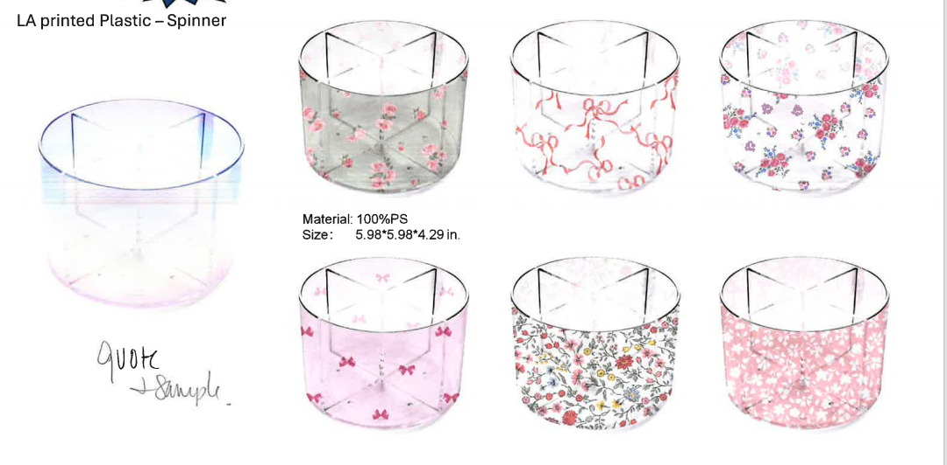 |  | Laura Ashley | Laura Ashley 5% | BATH ACCESSORIES |  | spinner | spinner | 100%Polystyrene | 100%Polystyrene | 5.98*5.98*4.29 | as photo | Piece |  | LA71-0477 |  | Piece | $1.51 | Normal |  | 32.0 | 32.0 | 35.4 | 32.0 | 32.0 | 35.4 | 8.00 | 12 | 0.036 | 63.00 | 20855 | 2,250 | $0.11 | 3926.10.0000 | 25.3% | $0.38 | $2.00 | 1.00% | $0.03 | 6.00% | $0.17 | $0.00 | 0.00% | $0.00 | $0.20 | $2.20 | 21.57% | $2.80 |  |  | $5.99 | 53.26% |  | 3000 |  |  |  | $6,587.75 | $8,400.00 | $17,970.00 | 0.00 | 0.00 | 0.00 | 0.00 | 9.06 |  |  | Yantian,China | China | N-NBBT
 | 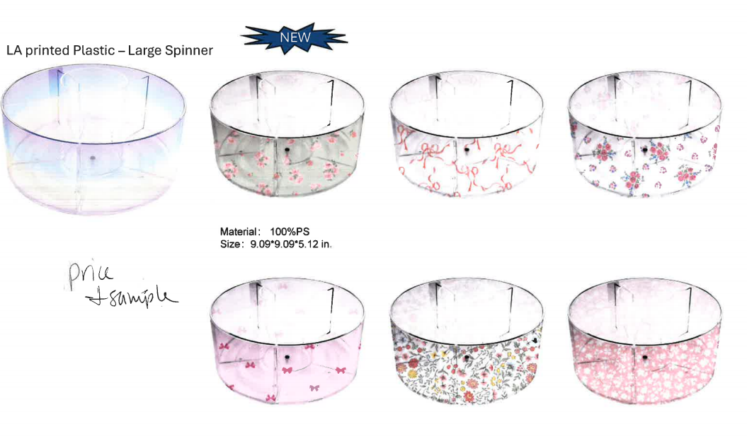 |  | Laura Ashley | Laura Ashley 5% | BATH ACCESSORIES |  | large spinner | large spinner | 100%Polystyrene | 100%Polystyrene | 9.09*9.09*5.12 | as photo | Piece |  | LA71-0478 |  | Piece | $2.45 | Normal |  | 48.2 | 40.5 | 25.3 | 48.2 | 40.5 | 25.3 | 8.00 | 6 | 0.049 | 63.00 | 7654 | 2,250 | $0.29 | 3926.10.0000 | 25.3% | $0.62 | $3.36 | 1.00% | $0.05 | 6.00% | $0.29 | $0.00 | 0.00% | $0.00 | $0.33 | $3.70 | 22.18% | $4.75 |  |  | $9.99 | 52.45% |  | 3000 |  |  |  | $11,088.98 | $14,250.00 | $29,970.00 | 0.00 | 0.00 | 0.00 | 0.00 | 24.69 |  |  | Yantian,China | China | N-NBBT
 |  |  | Laura Ashley | Laura Ashley 5% | BATH ACCESSORIES |  | water squeegee with Thick handle (Black) | water squeegee | Materials :Stainless Steel and Silione | Materials :Stainless Steel and Silione | 9.84 * 6.10 | BLACK | Piece |  | LA71-0479 |  | Piece | $2.55 | Normal |  | 28 | 26 | 12 | 28 | 23 | 15 | 8.00 | 6 | 0.010 | 63.00 | 39130 | 2,250 | $0.06 | 9603.90.8050 | 70.30% | $1.79 | $4.40 | 1.00% | $0.07 | 6.00% | $0.42 | $0.00 | 0.00% | $0.00 | $0.49 | $4.89 | 30.14% | $7.00 |  |  | $15.99 | 56.22% |  | 2000 | 2000 |  |  | $9,780.30 | $14,000.00 | $31,980.00 | 2.91 | 0.00 | 0.00 | 2.91 | 2.91 |  |  | Yantian,China | China | S-JMLD
 |  |  | Laura Ashley | Laura Ashley 5% | BATH ACCESSORIES |  | water squeegee with Thick handle (Black) | water squeegee | Materials :Stainless Steel and Silione | Materials :Stainless Steel and Silione | 9.84 * 6.10 | WHITE | Piece |  | LA71-0480 |  | Piece | $2.55 | Normal |  | 28 | 26 | 12 | 28 | 23 | 15 | 8.00 | 6 | 0.010 | 63.00 | 39130 | 2,250 | $0.06 | 9603.90.8050 | 70.30% | $1.79 | $4.40 | 1.00% | $0.07 | 6.00% | $0.42 | $0.00 | 0.00% | $0.00 | $0.49 | $4.89 | 30.14% | $7.00 |  |  | $15.99 | 56.22% |  | 2000 | 2000 |  |  | $9,780.30 | $14,000.00 | $31,980.00 | 2.91 | 0.00 | 0.00 | 2.91 | 2.91 |  |  | Yantian,China | China | S-JMLD
 |  |  | Laura Ashley | Laura Ashley 5% | BATH ACCESSORIES |  | water squeegee with Thick handle | water squeegee | Materials :Stainless Steel and Silione | Materials :Stainless Steel and Silione | 9.84 * 6.10 | LA BLUE | Piece |  | LA71-0481 |  | Piece | $2.55 | Normal |  | 28 | 26 | 12 | 28 | 23 | 15 | 8.00 | 6 | 0.010 | 63.00 | 39130 | 2,250 | $0.06 | 9603.90.8050 | 70.30% | $1.79 | $4.40 | 1.00% | $0.07 | 6.00% | $0.42 | $0.00 | 0.00% | $0.00 | $0.49 | $4.89 | 30.14% | $7.00 |  |  | $15.99 | 56.22% |  | 1500 | 1500 |  |  | $7,335.23 | $10,500.00 | $23,985.00 | 2.18 | 0.00 | 0.00 | 2.18 | 2.18 |  |  | Yantian,China | China | S-JMLD
 |  |  | Laura Ashley | Laura Ashley 5% | BATH ACCESSORIES |  | water squeegee with Thick handle | water squeegee | Materials :Stainless Steel and Silione | Materials :Stainless Steel and Silione | 9.84 * 6.10 | LA GREEN | Piece |  | LA71-0482 |  | Piece | $2.55 | Normal |  | 28 | 26 | 12 | 28 | 23 | 15 | 8.00 | 6 | 0.010 | 63.00 | 39130 | 2,250 | $0.06 | 9603.90.8050 | 70.30% | $1.79 | $4.40 | 1.00% | $0.07 | 6.00% | $0.42 | $0.00 | 0.00% | $0.00 | $0.49 | $4.89 | 30.14% | $7.00 |  |  | $15.99 | 56.22% |  | 1500 | 1500 |  |  | $7,335.23 | $10,500.00 | $23,985.00 | 2.18 | 0.00 | 0.00 | 2.18 | 2.18 |  |  | Yantian,China | China | S-JMLD
 |  |  | Laura Ashley | Laura Ashley 5% | BATH ACCESSORIES |  | water squeegee with Thick handle | water squeegee | Materials :Stainless Steel and Silione | Materials :Stainless Steel and Silione | 9.84 * 6.10 | LA PINK | Piece |  | LA71-0483 |  | Piece | $2.55 | Normal |  | 28 | 26 | 12 | 28 | 23 | 15 | 8.00 | 6 | 0.010 | 63.00 | 39130 | 2,250 | $0.06 | 9603.90.8050 | 70.30% | $1.79 | $4.40 | 1.00% | $0.07 | 6.00% | $0.42 | $0.00 | 0.00% | $0.00 | $0.49 | $4.89 | 30.14% | $7.00 |  |  | $15.99 | 56.22% |  | 1500 | 1500 |  |  | $7,335.23 | $10,500.00 | $23,985.00 | 2.18 | 0.00 | 0.00 | 2.18 | 2.18 |  |  | Yantian,China | China | S-JMLD
 | 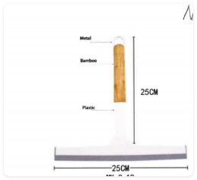 |  | Natori | Natori 7% | BATH ACCESSORIES |  | water squeegee with Bamboo handle | water squeegee | Materials :Stainless Steel and Silione | Materials :Stainless Steel and Silione | 9.84*9.84 | White | Piece |  | NA71-3515 |  | Piece | $3.25 | Normal |  | 30 | 28 | 12 | 28 | 24 | 17 | 8.00 | 6 | 0.011 | 63.00 | 33088 | 2,250 | $0.07 | 9603.90.8050 | 70.30% | $2.28 | $5.60 | 1.00% | $0.09 | 6.00% | $0.51 | $0.00 | 0.00% | $0.00 | $0.60 | $6.20 | 27.09% | $8.50 |  |  | $19.99 | 57.48% |  | 2000 |  | 2000 |  | $12,395.50 | $17,000.00 | $39,980.00 | 0.00 | 3.36 | 0.00 | 3.36 | 3.36 |  |  | Yantian,China | China | S-JMLD
 |  |  | Natori | Natori 7% | BATH ACCESSORIES |  | water squeegee with Bamboo handle | water squeegee | Materials :Stainless Steel and Silione | Materials :Stainless Steel and Silione | 9.84*9.84 | Black | Piece |  | NA71-3516 |  | Piece | $3.25 | Normal |  | 30 | 28 | 12 | 28 | 24 | 17 | 8.00 | 6 | 0.011 | 63.00 | 33088 | 2,250 | $0.07 | 9603.90.8050 | 70.30% | $2.28 | $5.60 | 1.00% | $0.09 | 6.00% | $0.51 | $0.00 | 0.00% | $0.00 | $0.60 | $6.20 | 27.09% | $8.50 |  |  | $19.99 | 57.48% |  | 2000 |  | 2000 |  | $12,395.50 | $17,000.00 | $39,980.00 | 0.00 | 3.36 | 0.00 | 3.36 | 3.36 |  |  | Yantian,China | China | S-JMLD
 |  |  | Natori | Natori 7% | BATH ACCESSORIES |  | water squeegee with Bamboo handle | water squeegee | Materials :Stainless Steel and Silione | Materials :Stainless Steel and Silione | 9.84*9.84 | Taupe | Piece |  | NA71-3517 |  | Piece | $3.25 | Normal |  | 30 | 28 | 12 | 28 | 24 | 17 | 8.00 | 6 | 0.011 | 63.00 | 33088 | 2,250 | $0.07 | 9603.90.8050 | 70.30% | $2.28 | $5.60 | 1.00% | $0.09 | 6.00% | $0.51 | $0.00 | 0.00% | $0.00 | $0.60 | $6.20 | 27.09% | $8.50 |  |  | $19.99 | 57.48% |  | 2000 |  | 2000 |  | $12,395.50 | $17,000.00 | $39,980.00 | 0.00 | 3.36 | 0.00 | 3.36 | 3.36 |  |  | Yantian,China | China | S-JMLD
 | 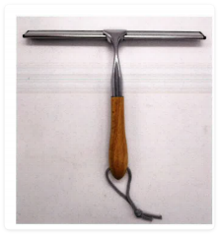 |  | Natori | Natori 7% | BATH ACCESSORIES |  | water squeegee with Bamboo handle (Sliver) | water squeegee | Materials : zinc alloy /Stainless Steel and Silione | Materials : zinc alloy /Stainless Steel and Silione | 9.84*9.84 | WHITE | Piece |  | NA71-3518 |  | Piece | $3.29 | Normal |  | 28 | 24 | 17 | 28 | 24 | 17 | 8.00 | 6 | 0.011 | 63.00 | 33088 | 2,250 | $0.07 | 9603.90.8050 | 70.30% | $2.31 | $5.67 | 1.00% | $0.09 | 6.00% | $0.51 | $0.00 | 0.00% | $0.00 | $0.60 | $6.27 | 26.28% | $8.50 |  |  | $19.99 | 57.48% |  | 2000 |  |  |  | $12,531.74 | $17,000.00 | $39,980.00 | 0.00 | 0.00 | 0.00 | 0.00 | 3.81 |  |  | Yantian,China | China | S-JMLD
 |  |  | Natori | Natori 7% | BATH ACCESSORIES |  | water squeegee with Bamboo handle (Sliver) | water squeegee | Materials : zinc alloy /Stainless Steel and Silione | Materials : zinc alloy /Stainless Steel and Silione | 9.84*9.84 | BLACK | Piece |  | NA71-3519 |  | Piece | $3.29 | Normal |  | 28 | 24 | 17 | 28 | 24 | 17 | 8.00 | 6 | 0.011 | 63.00 | 33088 | 2,250 | $0.07 | 9603.90.8050 | 70.30% | $2.31 | $5.67 | 1.00% | $0.09 | 6.00% | $0.51 | $0.00 | 0.00% | $0.00 | $0.60 | $6.27 | 26.28% | $8.50 |  |  | $19.99 | 57.48% |  | 2000 |  |  |  | $12,531.74 | $17,000.00 | $39,980.00 | 0.00 | 0.00 | 0.00 | 0.00 | 3.81 |  |  | Yantian,China | China | S-JMLD
 |  |  | Natori | Natori 7% | BATH ACCESSORIES |  | water squeegee with Bamboo handle (Sliver) | water squeegee | Materials : zinc alloy /Stainless Steel and Silione | Materials : zinc alloy /Stainless Steel and Silione | 9.84*9.84 | TAUPE | Piece |  | NA71-3520 |  | Piece | $3.29 | Normal |  | 28 | 24 | 17 | 28 | 24 | 17 | 8.00 | 6 | 0.011 | 63.00 | 33088 | 2,250 | $0.07 | 9603.90.8050 | 70.30% | $2.31 | $5.67 | 1.00% | $0.09 | 6.00% | $0.51 | $0.00 | 0.00% | $0.00 | $0.60 | $6.27 | 26.28% | $8.50 |  |  | $19.99 | 57.48% |  | 2000 |  |  |  | $12,531.74 | $17,000.00 | $39,980.00 | 0.00 | 0.00 | 0.00 | 0.00 | 3.81 |  |  | Yantian,China | China | S-JMLD
 | 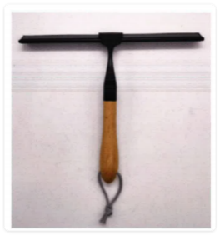 |  | Natori | Natori 7% | BATH ACCESSORIES |  | water squeegee with Bamboo handle (Black) | water squeegee | Materials : zinc alloy Stainless Steel and Silione | Materials : zinc alloy Stainless Steel and Silione | 9.84*9.84 | WHITE | Piece |  | NA71-3521 |  | Piece | $3.38 | Normal |  | 28 | 24 | 17 | 28 | 24 | 17 | 8.00 | 6 | 0.011 | 63.00 | 33088 | 2,250 | $0.07 | 9603.90.8050 | 70.30% | $2.38 | $5.82 | 1.00% | $0.09 | 6.00% | $0.51 | $0.00 | 0.00% | $0.00 | $0.60 | $6.42 | 24.48% | $8.50 |  |  | $19.99 | 57.48% |  | 2000 |  |  |  | $12,838.28 | $17,000.00 | $39,980.00 | 0.00 | 0.00 | 0.00 | 0.00 | 3.81 |  |  | Yantian,China | China | S-JMLD
 |  |  | Natori | Natori 7% | BATH ACCESSORIES |  | water squeegee with Bamboo handle (Black) | water squeegee | Materials : zinc alloy Stainless Steel and Silione | Materials : zinc alloy Stainless Steel and Silione | 9.84*9.84 | BLACK | Piece |  | NA71-3522 |  | Piece | $3.38 | Normal |  | 28 | 24 | 17 | 28 | 24 | 17 | 8.00 | 6 | 0.011 | 63.00 | 33088 | 2,250 | $0.07 | 9603.90.8050 | 70.30% | $2.38 | $5.82 | 1.00% | $0.09 | 6.00% | $0.51 | $0.00 | 0.00% | $0.00 | $0.60 | $6.42 | 24.48% | $8.50 |  |  | $19.99 | 57.48% |  | 2000 |  |  |  | $12,838.28 | $17,000.00 | $39,980.00 | 0.00 | 0.00 | 0.00 | 0.00 | 3.81 |  |  | Yantian,China | China | S-JMLD
 |  |  | Natori | Natori 7% | BATH ACCESSORIES |  | water squeegee with Bamboo handle (Black) | water squeegee | Materials : zinc alloy Stainless Steel and Silione | Materials : zinc alloy Stainless Steel and Silione | 9.84*9.84 | TAUPE | Piece |  | NA71-3523 |  | Piece | $3.38 | Normal |  | 28 | 24 | 17 | 28 | 24 | 17 | 8.00 | 6 | 0.011 | 63.00 | 33088 | 2,250 | $0.07 | 9603.90.8050 | 70.30% | $2.38 | $5.82 | 1.00% | $0.09 | 6.00% | $0.51 | $0.00 | 0.00% | $0.00 | $0.60 | $6.42 | 24.48% | $8.50 |  |  | $19.99 | 57.48% |  | 2000 |  |  |  | $12,838.28 | $17,000.00 | $39,980.00 | 0.00 | 0.00 | 0.00 | 0.00 | 3.81 |  |  | Yantian,China | China | S-JMLD
ORB
ORB
 |  |  | Larah Ashley | Laura Ashley 5% | BATH ACCESSORIES |  | 2 Tier Iron Scallop Round Countertop with Solid Metal Base | 2 Tier Scallop Round Countertop | Iron | Iron | 10.63”x9.84”x15.75”( 27x25x40cm),round shape | black powder coating |  |  | LA71-0484 |  | Piece | $3.29 | Normal |  | 69.00 | 30.00 | 28.00 | 69.00 | 30.00 | 28.00 | 8.00 | 4 | 0.058 | 63.00 | 4348 | 2,250 | $0.52 | 9403.20.0090 | 45.0% | $1.48 | $5.29 | 1.00% | $0.10 | 6.00% | $0.58 | $0.00 | 0.00% | $0.00 | $0.68 | $5.96 | 38.20% | $9.65 |  |  | $19.99 | 51.73% |  | 1500 |  |  |  | $8,945.25 | $14,475.00 | $29,985.00 | 0.00 | 0.00 | 0.00 | 0.00 | 21.74 |  |  | Yantian,China | China | S-JMJGY
ORB
ORB
ORB
ORB
ORB
ORB
ORB
ORB
ORB
ORB
ORB
ORB
ORB
ORB
ORB
ORB
ORB
ORB
ORB
ORB
ORB
ORB
ORB
ORB
ORB
ORB
ORB
ORB
ORB
ORB
ORB
ORB
ORB
ORB
ORB
ORB
ORB
ORB
ORB
ORB
ORB
ORB
ORB
ORB
ORB
ORB
ORB
ORB
ORB
ORB
ORB
ORB
ORB
ORB
ORB
ORB
ORB
ORB
ORB
ORB
ORB
ORB
ORB
ORB
ORB
ORB
ORB
ORB
ORB
ORB
ORB
ORB
ORB
ORB
ORB
ORB
ORB
ORB
ORB
ORB
ORB
ORB
ORB
ORB
ORB
ORB
ORB
ORB
ORB
ORB
ORB
ORB
ORB
ORB
ORB
ORB
ORB
ORB
ORB
ORB
ORB
ORB
ORB
ORB
ORB
ORB
ORB
ORB
ORB
ORB
ORB
ORB
ORB
ORB
ORB
ORB
ORB
ORB
ORB
ORB
ORB
ORB
ORB
ORB
ORB
ORB
ORB
ORB
ORB
ORB
ORB
ORB
ORB
ORB
ORB
ORB
ORB
ORB
ORB
ORB
ORB
ORB
ORB
ORB
ORB
ORB
ORB
ORB
ORB
ORB
ORB
ORB
ORB
ORB
ORB
ORB
ORB
ORB
ORB
ORB
ORB
ORB
ORB
ORB
ORB
ORB
ORB
ORB
ORB
ORB
ORB
ORB
ORB
ORB
ORB
ORB

