Item
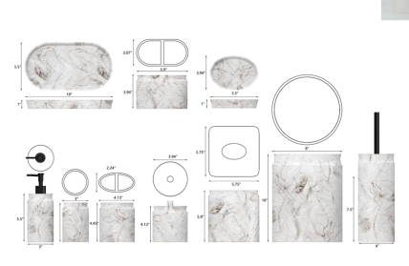
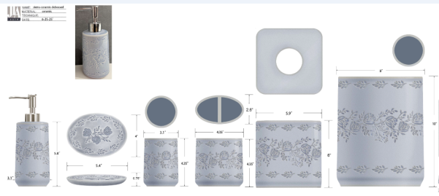
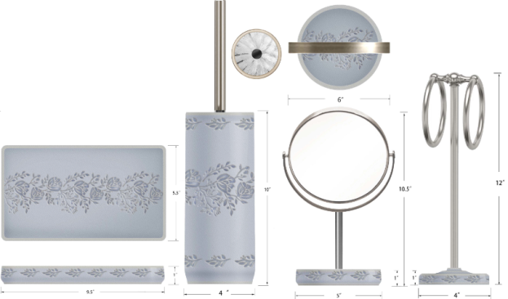
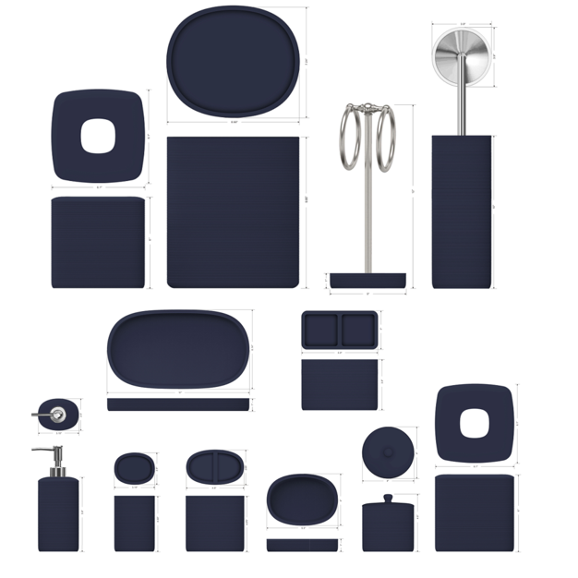
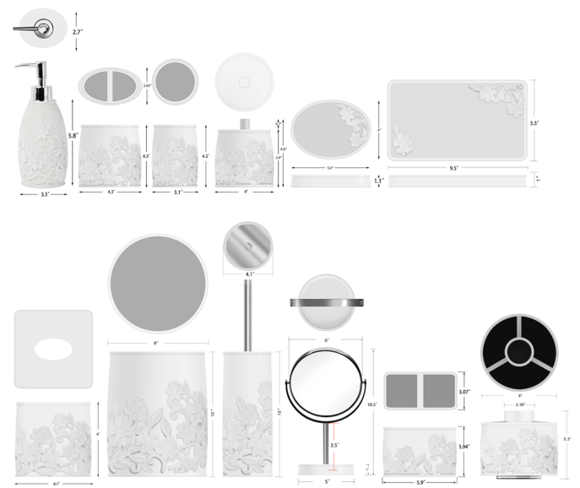
Line No. | Photo | Brand | Licensor | Product Category | Pattern | Item Description | Description-Short | Fabrication | Size/Spec. | Color | Item No. | UPC | Unit of Measure | UCCPM Price / FOB Cost $ | Package Type | Packaging | Master Carton L (cm) | Master Carton W (cm) | Master Carton H (cm) | Carton Size L (cm) | Carton Size W (cm) | Carton Size H (cm) | Carton Gross Weight (kg) | Case Pack | Cubic Meter per Carton | Container Volume | Total Units per 40ft Container | 40ft Container Freight | Ocean Freight per Item $ | HTS Code |  | Duty Rate (20% Tariff) | Duty per Item $ | LDP Cost $ | DA % | DA $ | Royalty % | Royalty $ | Other Load | Other Load % | Other Load $ | Total Load $ | LDP Cost with Load $ | JLA LDP MU% | JLA POE Price | MOQ | Total Cost | Total Sales | Master Carton CBM | Master Carton Weight (kg) | Remarks | Port | COO | Vendor
 |  |  | Natori 7% | BATH ACCESSORIES(71) | Lanna | Resin Tissue Cover | Resin Tissue Cover | Resin | 5.75x5.75x5.91" | Black | NA71-3492 |  | Piece | $3.86 | Normal |  |  |  |  | 21.0 | 21.0 | 22.0 | 8.00 | 1 | 0.010 | 63.00 | 6494 | 2,250 | $0.35 | 3924.10.4000 | 3.4% | 23.4% | $0.90 | $5.11 | 0.00% | $0.00 | 5.00% | $0.40 | $0.00 | 0.00% | $0.00 | $0.40 | $5.50 | 30.3% | $7.90 | 500 | $2,752.37 | $3,950.00 |  |  |  | Yantian,China | China | S-DGJY
 |  |  | Natori 7% | BATH ACCESSORIES(71) | Lanna | Resin Wastebasket | Resin Wastebasket | Resin | 8x8x10" | Black | NA71-3493 |  | Piece | $6.10 | Normal |  |  |  |  | 25.0 | 25.0 | 30.0 | 8.00 | 1 | 0.019 | 63.00 | 3360 | 2,250 | $0.67 | 3924.10.4000 | 3.4% | 23.4% | $1.43 | $8.20 | 0.00% | $0.00 | 5.00% | $0.63 | $0.00 | 0.00% | $0.00 | $0.63 | $8.82 | 29.4% | $12.50 | 500 | $4,411.02 | $6,250.00 |  |  |  | Yantian,China | China | S-DGJY
 | 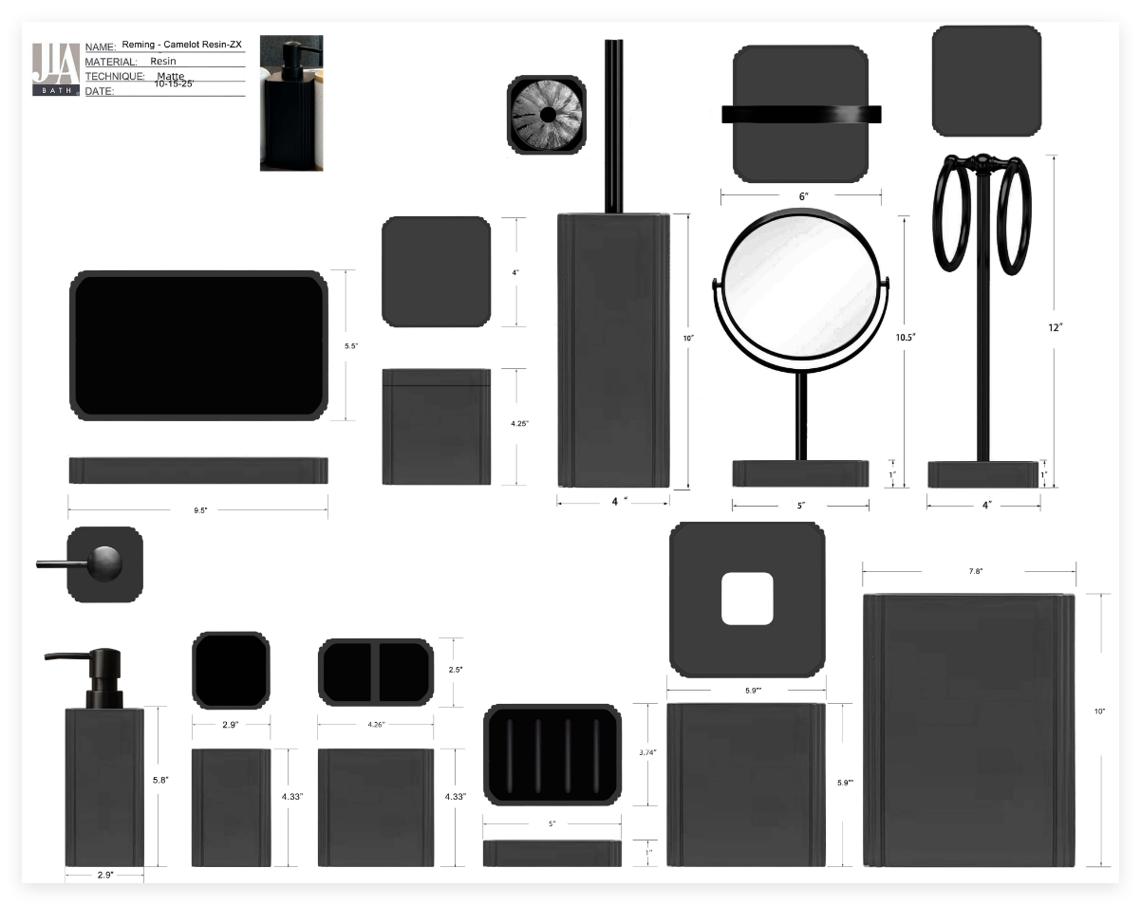 | JLA |  | BATH ACCESSORIES(71) | Camelot | Resin Lotion Pump(balck stainless steel pump ) | Resin Lotion Pump | resin+hand painted | 2.9x2.9x7.92” | black | HG71-5031 |  | Piece | $2.35 | Normal | 2 pcs LP+1 pc TBH+1 pc TUM+1 pc SD+1pc CJ+1pc Tray+1pc TC+1pc WB+1pc BBH+1pc mirror+1PCS Holder+1PC ORG混装入外箱 | 56.0 | 31.0 | 42.0 | 16.5 | 8.5 | 22.0 | 8.00 | 2 | 0.003 | 63.00 | 40836 | 2,250 | $0.06 | 8424.89.9000 | 1.8% | 21.8% | $0.51 | $2.92 | 0.00% | $0.00 | 0.00% | $0.00 | $0.00 | 0.00% | $0.00 | $0.00 | $2.92 | 35.2% | $4.50 | 1000 | $2,917.40 | $4,500.00 | 36.46 |  |  | Yantian,China | China | S-DGDH
 |  |  |  | BATH ACCESSORIES(71) | Camelot | Resin Toothbrush holder | Resin Toothbrush holder | resin+hand painted | 2.9x2.9x4.33" | black | HG71-5032 |  | Piece | $1.45 | Normal |  |  |  |  | 8.5 | 8.5 | 13.0 | 8.00 | 1 | 0.001 | 63.00 | 67075 | 2,250 | $0.03 | 3924.10.4000 | 3.4% | 23.4% | $0.34 | $1.82 | 0.00% | $0.00 | 0.00% | $0.00 | $0.00 | 0.00% | $0.00 | $0.00 | $1.82 | 31.2% | $2.65 | 500 | $911.42 | $1,325.00 |  |  |  | Yantian,China | China | S-DGDH
 |  |  |  | BATH ACCESSORIES(71) | Camelot | Resin Tumbler | Resin Tumbler | resin+hand painted | 4.26x2.5x4.33" | black | HG71-5033 |  | Piece | $1.37 | Normal |  |  |  |  | 12.0 | 8.0 | 13.0 | 8.00 | 1 | 0.001 | 63.00 | 50481 | 2,250 | $0.04 | 3924.10.4000 | 3.4% | 23.4% | $0.32 | $1.74 | 0.00% | $0.00 | 0.00% | $0.00 | $0.00 | 0.00% | $0.00 | $0.00 | $1.74 | 30.6% | $2.50 | 500 | $867.58 | $1,250.00 |  |  |  | Yantian,China | China | S-DGDH
 |  |  |  | BATH ACCESSORIES(71) | Camelot | Resin Soap dish | Resin Soap dish | resin+hand painted | 5x3.74x1" | black | HG71-5034 |  | Piece | $1.37 | Normal |  |  |  |  | 10.5 | 3.5 | 15.0 | 8.00 | 1 | 0.001 | 63.00 | 114286 | 2,250 | $0.02 | 3924.10.4000 | 3.4% | 23.4% | $0.32 | $1.71 | 0.00% | $0.00 | 0.00% | $0.00 | $0.00 | 0.00% | $0.00 | $0.00 | $1.71 | 31.6% | $2.50 | 500 | $855.13 | $1,250.00 |  |  |  | Yantian,China | China | S-DGDH
 |  |  |  | BATH ACCESSORIES(71) | Camelot | Resin Tray | Resin Tray | resin+hand painted | 9.5x5.5x1" | black | HG71-5035 |  | Piece | $2.57 | Normal |  |  |  |  | 15.0 | 3.5 | 26.0 | 8.00 | 1 | 0.001 | 63.00 | 46154 | 2,250 | $0.05 | 3924.10.4000 | 3.4% | 23.4% | $0.60 | $3.22 | 0.00% | $0.00 | 0.00% | $0.00 | $0.00 | 0.00% | $0.00 | $0.00 | $3.22 | 28.4% | $4.50 | 500 | $1,610.07 | $2,250.00 |  |  |  | Yantian,China | China | S-DGDH
 |  |  |  | BATH ACCESSORIES(71) | Camelot | Resin Cotton jar | Resin Cotton jar | resin+hand painted | 4x4x4.25" | black | HG71-5036 |  | Piece | $2.25 | Normal |  |  |  |  | 11.0 | 11.0 | 13.0 | 8.00 | 1 | 0.002 | 63.00 | 40051 | 2,250 | $0.06 | 3924.10.4000 | 3.4% | 23.4% | $0.53 | $2.83 | 0.00% | $0.00 | 0.00% | $0.00 | $0.00 | 0.00% | $0.00 | $0.00 | $2.83 | 34.1% | $4.30 | 500 | $1,416.34 | $2,150.00 |  |  |  | Yantian,China | China | S-DGDH
 |  |  |  | BATH ACCESSORIES(72) | Camelot | Resin Towel Holder | Resin Towel Holder | resin+hand painted | 4x4x12" | black | HG71-5037 |  | Piece | $4.00 | Normal |  |  |  |  | 15.0 | 15.0 | 36.5 | 8.00 | 1 | 0.008 | 63.00 | 7671 | 2,250 | $0.29 | 3924.10.4000 | 3.4% | 23.4% | $0.94 | $5.23 | 0.00% | $0.00 | 0.00% | $0.00 | $0.00 | 0.00% | $0.00 | $0.00 | $5.23 | 30.3% | $7.50 | 500 | $2,614.65 | $3,750.00 |  |  |  | Yantian,China | China | S-DGDH
 |  |  |  | BATH ACCESSORIES(73) | Camelot | Resin Toilet Brush | Resin Toilet Brush | resin+hand painted | 4x4x10" | black | HG71-5038 |  | Piece | $3.88 | Normal |  |  |  |  | 11.0 | 11.0 | 40.5 | 8.00 | 1 | 0.005 | 63.00 | 12856 | 2,250 | $0.18 | 3924.10.4000 | 3.4% | 23.4% | $0.91 | $4.96 | 0.00% | $0.00 | 0.00% | $0.00 | $0.00 | 0.00% | $0.00 | $0.00 | $4.96 | 29.1% | $7.00 | 500 | $2,481.47 | $3,500.00 |  |  |  | Yantian,China | China | S-DGDH
 |  |  |  | BATH ACCESSORIES(74) | Camelot | mirror | mirror | resin+hand painted | 6x5x10" | black | HG71-5039 |  | Piece | $4.87 | Normal |  |  |  |  | 22.5 | 18.0 | 31.5 | 8.00 | 1 | 0.013 | 63.00 | 4938 | 2,250 | $0.46 | 3924.10.4000 | 3.4% | 23.4% | $1.14 | $6.47 | 0.00% | $0.00 | 0.00% | $0.00 | $0.00 | 0.00% | $0.00 | $0.00 | $6.47 | 28.2% | $9.00 | 500 | $3,232.60 | $4,500.00 |  |  |  | Yantian,China | China | S-DGDH
 |  |  |  | BATH ACCESSORIES(75) | Camelot | Resin Tissue cover | Resin Tissue cover | resin+hand painted | 5.9x5.9x5.9" | black | HG71-5040 |  | Piece | $3.77 | Normal |  |  |  |  | 16.0 | 16.0 | 17.0 | 8.00 | 1 | 0.004 | 63.00 | 14476 | 2,250 | $0.16 | 3924.10.4000 | 3.4% | 23.4% | $0.88 | $4.81 | 0.00% | $0.00 | 0.00% | $0.00 | $0.00 | 0.00% | $0.00 | $0.00 | $4.81 | 35.9% | $7.50 | 500 | $2,403.80 | $3,750.00 |  |  |  | Yantian,China | China | S-DGDH
 |  |  |  | BATH ACCESSORIES(76) | Camelot | Resin Spinner | Resin Spinner | resin+hand painted | 5.75x5.75x5.3" | black | HG71-5041 |  | Piece | $5.10 | Normal |  |  |  |  | 15.5 | 15.5 | 15.5 | 8.00 | 1 | 0.004 | 63.00 | 16918 | 2,250 | $0.13 | 3924.10.4000 | 3.4% | 23.4% | $1.19 | $6.43 | 0.00% | $0.00 | 0.00% | $0.00 | $0.00 | 0.00% | $0.00 | $0.00 | $6.43 | 25.7% | $8.65 | 500 | $3,213.20 | $4,325.00 |  |  |  | Yantian,China | China | S-DGDH
 |  |  |  | BATH ACCESSORIES(76) | Camelot | Resin Wastebasket | Resin Wastebasket | resin+hand painted | 7.8x7.8x10" | black | HG71-5042 |  | Piece | $6.35 | Normal |  |  |  |  | 21.0 | 21.0 | 27.5 | 8.00 | 1 | 0.012 | 63.00 | 5195 | 2,250 | $0.43 | 3924.10.4000 | 3.4% | 23.4% | $1.49 | $8.27 | 0.00% | $0.00 | 0.00% | $0.00 | $0.00 | 0.00% | $0.00 | $0.00 | $8.27 | 31.09% | $12.00 | 500 | $4,134.51 | $6,000.00 |  |  |  | Yantian,China | China | S-DGDH
 | 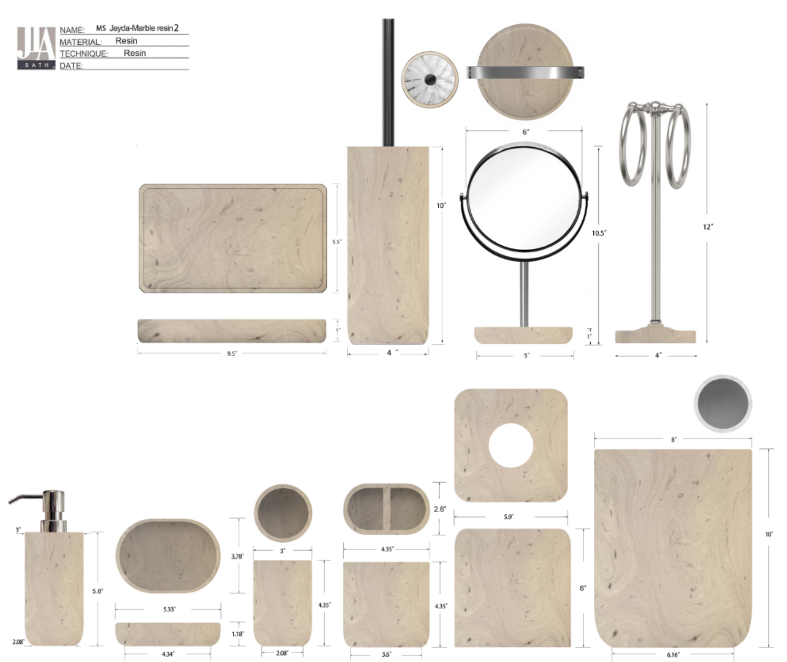 | Natori | Natori 7% | BATH ACCESSORIES(74) | Muki | Resin Lotion Pump(w/stainless steel pump) | Resin Lotion Pump | resin | 3x3x8" | Travertine | NA71-3494 |  | Piece | $2.15 | Normal | 2 pcs LP+1 pcs TBH+1 pc TUM+1 pc SD+1pc Tray+1 pc BB+1pc TC+1pc WB+1pcmirror+1pcTowel入外箱 | 45.0 | 41.5 | 29.5 | 14.5 | 12 | 18.5 | 8.00 | 2 | 0.003 | 63.00 | 39143 | 2,250 | $0.06 | 8424.89.9000 | 1.8% | 21.8% | $0.47 | $2.68 | 0.00% | $0.00 | 5.00% | $0.23 | $0.00 | 0.00% | $0.00 | $0.23 | $2.90 | 35.5% | $4.50 | 1000 | $2,901.18 | $4,500.00 | 27.55 |  |  | Yantian,China | China | S-HZML
 |  |  | Natori 7% | BATH ACCESSORIES(74) | Muki | Resin Toothbrush holder | Resin Toothbrush holder | resin | 4.35x2.6x4.35" | Travertine | NA71-3495 |  | Piece | $1.75 | Normal |  |  |  |  | 12.9 | 7.5 | 12.3 | 8.00 | 1 | 0.001 | 63.00 | 52940 | 2,250 | $0.04 | 3924.10.4000 | 3.4% | 23.4% | $0.41 | $2.20 | 0.00% | $0.00 | 5.00% | $0.16 | $0.00 | 0.00% | $0.00 | $0.16 | $2.36 | 25.1% | $3.15 | 500 | $1,179.75 | $1,575.00 |  |  |  | Yantian,China | China | S-HZML
 |  |  | Natori 7% | BATH ACCESSORIES(74) | Muki | Resin Tumbler | Resin Tumbler | resin | 3x3x4.35" | Travertine | NA71-3496 |  | Piece | $1.70 | Normal |  |  |  |  | 8.8 | 8.8 | 12 | 8.00 | 1 | 0.001 | 63.00 | 67794 | 2,250 | $0.03 | 3924.10.4000 | 3.4% | 23.4% | $0.40 | $2.13 | 0.00% | $0.00 | 5.00% | $0.15 | $0.00 | 0.00% | $0.00 | $0.15 | $2.28 | 22.8% | $2.95 | 500 | $1,139.24 | $1,475.00 |  |  |  | Yantian,China | China | S-HZML
 |  |  | Natori 7% | BATH ACCESSORIES(74) | Muki | Resin Soap dish | Resin Soap dish | resin | 5.33x3.78x1.18" | Travertine | NA71-3497 |  | Piece | $1.65 | Normal |  |  |  |  | 11.5 | 4 | 15.5 | 8.00 | 1 | 0.001 | 63.00 | 88359 | 2,250 | $0.03 | 3924.10.4000 | 3.4% | 23.4% | $0.39 | $2.06 | 0.00% | $0.00 | 5.00% | $0.15 | $0.00 | 0.00% | $0.00 | $0.15 | $2.21 | 25.1% | $2.95 | 500 | $1,104.53 | $1,475.00 |  |  |  | Yantian,China | China | S-HZML
 |  |  | Natori 7% | BATH ACCESSORIES(74) | Muki | Resin Tray | Resin Tray | resin | 9.5x5.5x1" | Travertine | NA71-3498 |  | Piece | $2.88 | Normal |  |  |  |  | 25.5 | 4 | 15 | 8.00 | 1 | 0.002 | 63.00 | 41176 | 2,250 | $0.05 | 3924.10.4000 | 3.4% | 23.4% | $0.67 | $3.61 | 0.00% | $0.00 | 5.00% | $0.26 | $0.00 | 0.00% | $0.00 | $0.26 | $3.87 | 26.3% | $5.25 | 500 | $1,935.53 | $2,625.00 |  |  |  | Yantian,China | China | S-HZML
 |  |  | Natori 7% | BATH ACCESSORIES(74) | Muki | Resin 2 hole organizer | Resin 2 hole organizer | resin | 5.9x3.07x3.94" | Travertine | NA71-3499 |  | Piece | $2.21 | Normal |  |  |  |  | 10.8 | 10.8 | 39 | 8.00 | 1 | 0.005 | 63.00 | 13849 | 2,250 | $0.16 | 3924.10.4000 | 3.4% | 23.4% | $0.52 | $2.89 | 0.00% | $0.00 | 5.00% | $0.25 | $0.00 | 0.00% | $0.00 | $0.25 | $3.14 | 37.2% | $5.00 | 500 | $1,569.80 | $2,500.00 |  |  |  | Yantian,China | China | S-HZML
 |  |  | Natori 7% | BATH ACCESSORIES(74) | Muki | Resin Tissue cover | Resin Tissue cover | resin | 5.9x5.9x6" | Travertine | NA71-3500 |  | Piece | $4.52 | Normal |  |  |  |  | 16.8 | 8.5 | 12 | 8.00 | 1 | 0.002 | 63.00 | 36765 | 2,250 | $0.06 | 3924.10.4000 | 3.4% | 23.4% | $1.06 | $5.64 | 0.00% | $0.00 | 5.00% | $0.40 | $0.00 | 0.00% | $0.00 | $0.40 | $6.04 | 24.1% | $7.95 | 500 | $3,018.19 | $3,975.00 |  |  |  | Yantian,China | China | S-HZML
 |  |  | Natori 7% | BATH ACCESSORIES(74) | Muki | Resin Wastebasket | Resin Wastebasket | resin | 8x8x10" | Travertine | NA71-3501 |  | Piece | $6.65 | Normal |  |  |  |  | 15.5 | 15.5 | 16.5 | 8.00 | 1 | 0.004 | 63.00 | 15893 | 2,250 | $0.14 | 3924.10.4000 | 3.4% | 23.4% | $1.56 | $8.35 | 0.00% | $0.00 | 5.00% | $0.63 | $0.00 | 0.00% | $0.00 | $0.63 | $8.97 | 28.2% | $12.50 | 500 | $4,486.34 | $6,250.00 |  |  |  | Yantian,China | China | S-HZML
 |  |  | Natori 7% | BATH ACCESSORIES(74) | Muki | Resin Toilet Brush | Resin Toilet Brush | resin | 4x4x15" | Travertine | NA71-3502 |  | Piece | $4.58 | Normal |  |  |  |  | 21.3 | 21.3 | 26.5 | 8.00 | 1 | 0.012 | 63.00 | 5240 | 2,250 | $0.43 | 3924.10.4000 | 3.4% | 23.4% | $1.07 | $6.08 | 0.00% | $0.00 | 5.00% | $0.43 | $0.00 | 0.00% | $0.00 | $0.43 | $6.51 | 23.5% | $8.50 | 500 | $3,253.05 | $4,250.00 |  |  |  | Yantian,China | China | S-HZML
 |  |  | Natori 7% | BATH ACCESSORIES(74) | Muki | Resin Towel bar(w/iron) | Resin Towel bar(w/iron) | resin | 4x4x12" | Travertine | NA71-3503 |  | Piece | $4.15 | Normal |  |  |  |  | 13.8 | 13.8 | 30 | 8.00 | 1 | 0.006 | 63.00 | 11027 | 2,250 | $0.20 | 3924.10.4000 | 3.4% | 23.4% | $0.97 | $5.33 | 0.00% | $0.00 | 5.00% | $0.40 | $0.00 | 0.00% | $0.00 | $0.40 | $5.72 | 27.6% | $7.90 | 500 | $2,860.07 | $3,950.00 |  |  |  | Yantian,China | China | S-HZML
 |  |  | Natori 7% | BATH ACCESSORIES(74) | Muki | Mirror | Mirror | resin | 6x6x10.5" | Travertine | NA71-3504 |  | Piece | $4.50 | Normal |  |  |  |  | 10.8 | 10.8 | 39 | 8.00 | 1 | 0.005 | 63.00 | 13849 | 2,250 | $0.16 | 3924.10.4000 | 3.4% | 23.4% | $1.05 | $5.72 | 0.00% | $0.00 | 5.00% |  | $0.00 | 0.00% | $0.00 |  |  |  | $8.50 | 500 |  | $4,250.00 |  |  |  | Yantian,China | China | S-HZML
 |  | JLA |  | BATH ACCESSORIES(71) | Quilted Marble | Diatom Lotion Pump(w/stainless pump) | Diatom Lotion Pump | Diatom | 3x3x7.9" | White Marble | HG71-5043 |  | Piece | $2.38 | Normal | 2 pcs LP+1 pc TBH+1 pc TUM+1 pc SD+1pc CJ+1pc Tray+ 1pc WB+1pc BB+1pc Towel Holder 10pcs混装入外箱--镜子和毛巾束入保利龙装一个内盒 | 65.0 | 34.0 | 43.0 | 17.0 | 8.5 | 20.5 | 8.00 | 2 | 0.003 | 63.00 | 42535 | 2,250 | $0.05 | 8424.89.9000 | 1.8% | 21.8% | $0.52 | $2.95 | 0.00% | $0.00 | 0.00% | $0.00 | $0.00 | 0.00% | $0.00 | $0.00 | $2.95 | 34.4% | $4.50 | 1000 | $2,951.74 | $4,500.00 | 47.52 |  |  | Yantian,China | China | S-DGJY
 |  |  |  | BATH ACCESSORIES(71) | Quilted Marble | Diatom Toothbrush holder | Diatom Toothbrush holder | Diatom | 4.25x2.36x4.45" | White Marble | HG71-5044 |  | Piece | $1.62 | Normal |  |  |  |  | 12.0 | 7.0 | 12.5 | 8.00 | 1 | 0.001 | 63.00 | 60000 | 2,250 | $0.04 | 3924.10.4000 | 3.4% | 23.4% | $0.38 | $2.04 | 0.00% | $0.00 | 0.00% | $0.00 | $0.00 | 0.00% | $0.00 | $0.00 | $2.04 | 31.0% | $2.95 | 500 | $1,018.29 | $1,475.00 |  |  |  | Yantian,China | China | S-DGJY
 |  |  |  | BATH ACCESSORIES(71) | Quilted Marble | Diatom Tumbler | Diatom Tumbler | Diatom | 3x3x4.45" | White Marble | HG71-5045 |  | Piece | $1.57 | Normal |  |  |  |  | 8.5 | 8.5 | 12.5 | 8.00 | 1 | 0.001 | 63.00 | 69758 | 2,250 | $0.03 | 3924.10.4000 | 3.4% | 23.4% | $0.37 | $1.97 | 0.00% | $0.00 | 0.00% | $0.00 | $0.00 | 0.00% | $0.00 | $0.00 | $1.97 | 33.2% | $2.95 | 500 | $984.82 | $1,475.00 |  |  |  | Yantian,China | China | S-DGJY
 |  |  |  | BATH ACCESSORIES(71) | Quilted Marble | Diatom Soap dish | Diatom Soap dish | Diatom | 5.5x3.75x1 | White Marble | HG71-5046 |  | Piece | $1.57 | Normal |  |  |  |  | 15.0 | 12.0 | 11.5 | 8.00 | 1 | 0.002 | 63.00 | 30435 | 2,250 | $0.07 | 3924.10.4000 | 3.4% | 23.4% | $0.37 | $2.01 | 0.00% | $0.00 | 0.00% | $0.00 | $0.00 | 0.00% | $0.00 | $0.00 | $2.01 | 31.8% | $2.95 | 500 | $1,005.65 | $1,475.00 |  |  |  | Yantian,China | China | S-DGJY
 |  |  |  | BATH ACCESSORIES(71) | Quilted Marble | Diatom 2Hole Organizer | Diatom 2Hole Organizer | Diatom | 5.9x3.07x3.94“ | White Marble | HG71-5047 |  | Piece | $2.25 | Normal |  |  |  |  | 17.0 | 9.0 | 12.0 | 8.00 | 1 | 0.002 | 63.00 | 34314 | 2,250 | $0.07 | 3924.10.4000 | 3.4% | 23.4% | $0.53 | $2.84 | 0.00% | $0.00 | 0.00% | $0.00 | $0.00 | 0.00% | $0.00 | $0.00 | $2.84 | 36.8% | $4.50 | 500 | $1,421.04 | $2,250.00 |  |  |  | Yantian,China | China | S-DGJY
 |  |  |  | BATH ACCESSORIES(71) | Quilted Marble | Diatom Tray | Diatom Tray | Diatom | 10x5x1" | White Marble | HG71-5048 |  | Piece | $2.65 | Normal |  |  |  |  | 27.0 | 14.0 | 4.0 | 8.00 | 1 | 0.002 | 63.00 | 41667 | 2,250 | $0.05 | 3924.10.4000 | 3.4% | 23.4% | $0.62 | $3.32 | 0.00% | $0.00 | 0.00% | $0.00 | $0.00 | 0.00% | $0.00 | $0.00 | $3.32 | 32.2% | $4.90 | 500 | $1,662.05 | $2,450.00 |  |  |  | Yantian,China | China | S-DGJY
 |  |  |  | BATH ACCESSORIES(71) | Quilted Marble | Diatom Brush holder | Diatom Brush holder | Diatom | 3.86x3.86x16.3" | White Marble | HG71-5049 |  | Piece | $3.62 | Normal |  |  |  |  | 12.0 | 12.0 | 43.0 | 8.00 | 1 | 0.006 | 63.00 | 10174 | 2,250 | $0.22 | 3924.10.4000 | 3.4% | 23.4% | $0.85 | $4.69 | 0.00% | $0.00 | 0.00% | $0.00 | $0.00 | 0.00% | $0.00 | $0.00 | $4.69 | 30.5% | $6.75 | 500 | $2,344.11 | $3,375.00 |  |  |  | Yantian,China | China | S-DGJY
 |  |  |  | BATH ACCESSORIES(71) | Quilted Marble | Diatom Tissue Cover | Diatom Tissue Cover | Diatom | 5.75x5.75x5.9" | White Marble | HG71-5050 |  | Piece | $3.96 | Normal |  |  |  |  | 21.0 | 21.0 | 22.0 | 8.00 | 1 | 0.010 | 63.00 | 6494 | 2,250 | $0.35 | 3924.10.4000 | 3.4% | 23.4% | $0.93 | $5.23 | 0.00% | $0.00 | 0.00% | $0.00 | $0.00 | 0.00% | $0.00 | $0.00 | $5.23 | 30.2% | $7.50 | 500 | $2,616.57 | $3,750.00 |  |  |  | Yantian,China | China | S-DGJY
 |  |  |  | BATH ACCESSORIES(71) | Quilted Marble | Diatom Wastebasket | Diatom Wastebasket | Diatom | 8x8x10" | White Marble | HG71-5051 |  | Piece | $6.10 | Normal |  |  |  |  | 25.0 | 25.0 | 30.0 | 8.00 | 1 | 0.019 | 63.00 | 3360 | 2,250 | $0.67 | 3924.10.4000 | 3.4% | 23.4% | $1.43 | $8.20 | 0.00% | $0.00 | 0.00% | $0.00 | $0.00 | 0.00% | $0.00 | $0.00 | $8.20 | 31.7% | $12.00 | 500 | $4,098.52 | $6,000.00 |  |  |  | Yantian,China | China | S-DGJY
 |  | MS | Martha Stewart (Bath) 5% | BATH ACCESSORIES(71) | Spring field | Resin Lotion Pump(w/stainless steel pump) | Resin Lotion Pump | Resin sand+cement | 3x3x8.4" | White Brown | MT71-0820 |  | Piece | $2.50 | Normal | 2 pcs LP+1 pc TBH+1 pc TUM+1 pc SD+1pc CJ+1pc Tray+ 1pc WB+1pc BB+1pc Towel Holder 10pcs混装入外箱--镜子和毛巾束入保利龙装一个内盒 | 46.0 | 26.0 | 42.5 | 17.0 | 8.5 | 20.5 | 8.00 | 2 | 0.003 | 63.00 | 42535 | 2,250 | $0.05 | 8424.89.9000 | 1.8% | 21.8% | $0.55 | $3.10 | 0.00% | $0.00 | 5.00% | $0.26 | $0.00 | 0.00% | $0.00 | $0.26 | $3.36 | 35.4% | $5.20 | 1000 | $3,357.90 | $5,200.00 | 25.42 |  |  | Yantian,China | China | S-DGJY
 |  |  | Martha Stewart (Bath) 5% | BATH ACCESSORIES(71) | Spring field | Resin Toothbrush holder | Resin Toothbrush holder | Resin sand+cement | 4.25x2.5x4.25" | White Brown | MT71-0821 |  | Piece | $1.56 | Normal |  |  |  |  | 12.0 | 7.0 | 13.0 | 8.00 | 1 | 0.001 | 63.00 | 57692 | 2,250 | $0.04 | 3924.10.4000 | 3.4% | 23.4% | $0.37 | $1.96 | 0.00% | $0.00 | 5.00% | $0.17 | $0.00 | 0.00% | $0.00 | $0.17 | $2.14 | 38.1% | $3.45 | 500 | $1,068.27 | $1,725.00 |  |  |  | Yantian,China | China | S-DGJY
 |  |  | Martha Stewart (Bath) 5% | BATH ACCESSORIES(71) | Spring field | Resin Tumbler | Resin Tumbler | Resin sand+cement | 3x3x4.25" | White Brown | MT71-0822 |  | Piece | $1.44 | Normal |  |  |  |  | 8.5 | 8.5 | 12.5 | 8.00 | 1 | 0.001 | 63.00 | 69758 | 2,250 | $0.03 | 3924.10.4000 | 3.4% | 23.4% | $0.34 | $1.81 | 0.00% | $0.00 | 5.00% | $0.16 | $0.00 | 0.00% | $0.00 | $0.16 | $1.97 | 39.3% | $3.25 | 500 | $985.86 | $1,625.00 |  |  |  | Yantian,China | China | S-DGJY
 |  |  | Martha Stewart (Bath) 5% | BATH ACCESSORIES(71) | Spring field | Resin Soap dish | Resin Soap dish | Resin sand+cement | 5.5x3.75x1 | White Brown | MT71-0823 |  | Piece | $1.44 | Normal |  |  |  |  | 15.0 | 4.0 | 11.5 | 8.00 | 1 | 0.001 | 63.00 | 91304 | 2,250 | $0.02 | 3924.10.4000 | 3.4% | 23.4% | $0.34 | $1.80 | 0.00% | $0.00 | 5.00% | $0.16 | $0.00 | 0.00% | $0.00 | $0.16 | $1.96 | 39.6% | $3.25 | 500 | $982.05 | $1,625.00 |  |  |  | Yantian,China | China | S-DGJY
 |  |  | Martha Stewart (Bath) 5% | BATH ACCESSORIES(71) | Spring field | Resin Cotton jar | Resin Cotton jar | Resin sand+cement | 4x4x4.25 | White Brown | MT71-0824 |  | Piece | $2.16 | Normal |  |  |  |  | 15.0 | 4.0 | 11.5 | 8.00 | 1 | 0.001 | 63.00 | 91304 | 2,250 | $0.02 | 3924.10.4000 | 3.4% | 23.4% | $0.51 | $2.69 | 0.00% | $0.00 | 5.00% | $0.24 | $0.00 | 0.00% | $0.00 | $0.24 | $2.93 | 39.5% | $4.85 | 500 | $1,466.29 | $2,425.00 |  |  |  | Yantian,China | China | S-DGJY
...

