Item
Line No. | Photo | VIN/Art No. | Brand | Licensor | Product Category | Pattern | Item Description | Description-Short | Fabrication | Material-Short | Size/Spec. | Color | Item No. | UPC | Unit of Measure | China RMB Cost | Exchange Rate | FOB Cost $ (Formula) | FOB Cost $ (Value) | UCCPM Price | Package Type | Carton Size L (cm) | Carton Size W (cm) | Carton Size H (cm) | Carton Gross Weight (kg) | Case Pack | Cubic Meter per Carton | Total Units per 40ft Container | 40ft Container Freight | Ocean Freight per Item $ | HTS Code | Duty Rate | Duty per Item $ | LDP Cost $ | DA % | DA $ | General Load % | General Load $ | Warehouse Charge % | Warehouse Charge $ | Dropship Charge | Load 1 | Load 1 % | Load 1 $ | Total Load $ | LDP Cost with Load $ | JLA LDP MU% | JLA FOB CA/GA Price Quote (Formula) | JLA price with drop ship charges | Suggested Retail Price | Initial Markup | Initial Rollout Forecast
1 | 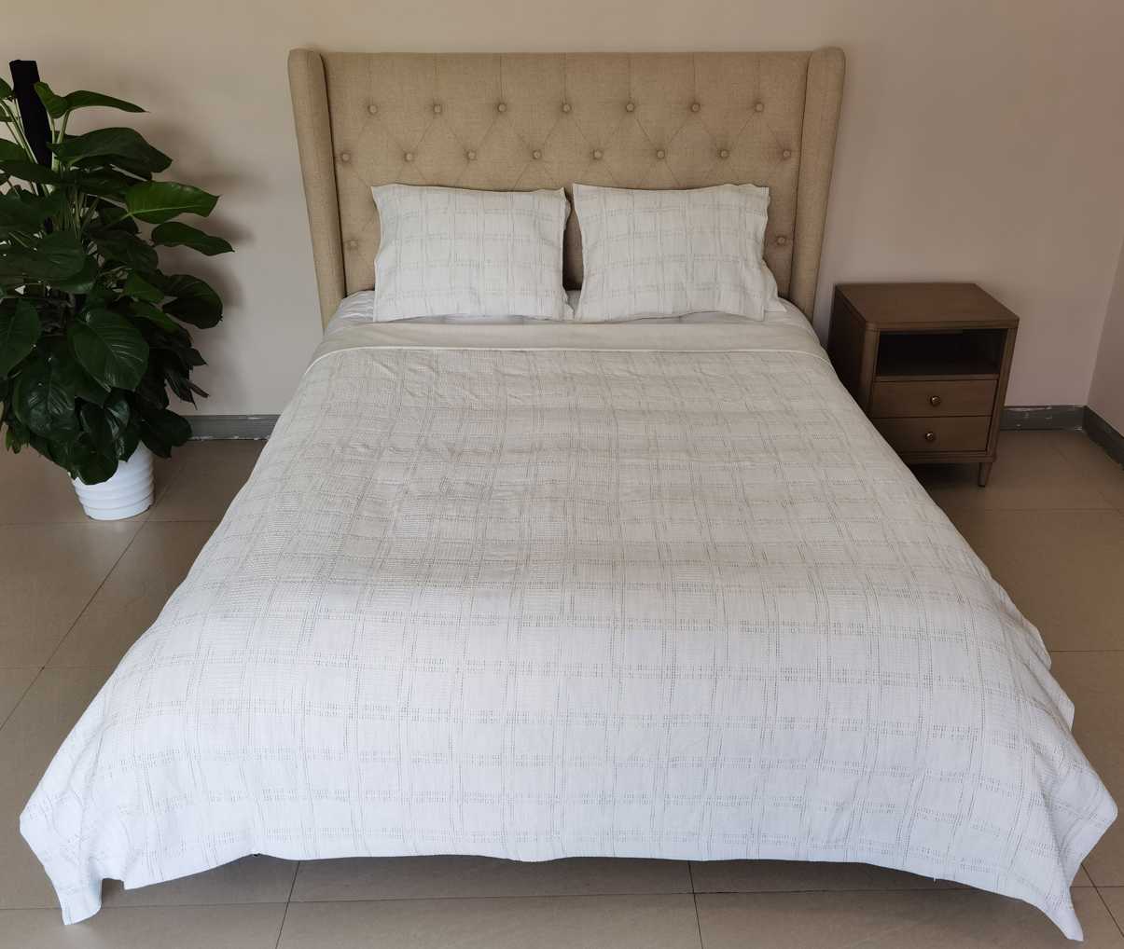 Comforter Mini Set | N/A | Regency Heights |  | COMFORTER (SET) | Tessa | 100% Polyester Waffle 2pcs Comforter Mini Set | 2pcs Comforter Mini set | Comf/sham : 100% Polyester Waffle fabri on face, 85gsm microfiber solid reverse, 200gsm poly fill. | 100% polyester , poly filling | Twin/Twin XL:66"Wx90"L/20"Wx26"L | Black | RH10-0563 |  | Set | ￥69.00 | 8.10 | $8.52 | $8.52 |  | Compressed/Knocked Down | 43.0 | 33.0 | 44.0 | 11.20 | 3 | 0.062 | 3123 | $4,000.00 | $1.28 | 9404.40.9022 | 32.80% | $2.79 | $12.59 | 0.00% | $0.00 | 0.00% | $0.00 | 0.00% | $0.00 | $0.00 | $0.00 | 0.00% | $0.00 | $0.00 | $12.59 | 0.00% | $12.59 | $42.99 | $42.99 |  | 171
2 |  | N/A | Regency Heights |  | COMFORTER (SET) | Tessa | 100% Polyester Waffle 3pcs Comforter Mini Set | 3pcs Comforter Mini set | Comf/sham : 100% Polyester Waffle fabri on face, 85gsm microfiber solid reverse, 200gsm poly fill. | 100% polyester , poly filling | Full/Queen:90"Wx90"L/20"Wx26"L(2) | Black | RH10-0564 |  | Set | ￥85.90 | 8.10 | $10.60 | $10.60 |  | Compressed/Knocked Down | 43.0 | 33.0 | 44.0 | 14.40 | 3 | 0.062 | 3123 | $4,000.00 | $1.28 | 9404.40.9022 | 32.80% | $3.48 | $15.36 | 0.00% | $0.00 | 0.00% | $0.00 | 0.00% | $0.00 | $0.00 | $0.00 | 0.00% | $0.00 | $0.00 | $15.36 | 0.00% | $15.36 | $49.99 | $49.99 |  | 288
3 |  | N/A | Regency Heights |  | COMFORTER (SET) | Tessa | 100% Polyester Waffle 3pcs Comforter Mini Set | 3pcs Comforter Mini set | Comf/sham : 100% Polyester Waffle fabri on face, 85gsm microfiber solid reverse, 200gsm poly fill. | 100% polyester , poly filling | King/Cal King:104"Wx90"L/20"Wx36"L(2) | Black | RH10-0565 |  | Set | ￥99.00 | 8.10 | $12.22 | $12.22 |  | Compressed/Knocked Down | 43.0 | 33.0 | 44.0 | 16.30 | 3 | 0.062 | 3123 | $4,000.00 | $1.28 | 9404.40.9022 | 32.80% | $4.01 | $17.51 | 0.00% | $0.00 | 0.00% | $0.00 | 0.00% | $0.00 | $0.00 | $0.00 | 0.00% | $0.00 | $0.00 | $17.51 | 0.00% | $17.51 | $56.99 | $56.99 |  | 171
4 | 4/5-Piece: Mini Set + Pillow + Throw | N/A | Regency Heights |  | COMFORTER (SET) | Tessa | 100% Polyester Waffle 4pcs Comforter Mini Set | 4pcs Comforter set | Comf/sham : 100% Polyester Waffle fabri on face, 85gsm microfiber solid reverse, 200gsm poly fill. Pillow: 100% Polyester Waffle fabri on face and reverse, poly filling. Throw: 100% Polyester | 100% polyester , poly filling | Twin/Twin XL:66"Wx90"L/20"Wx26"L/ Pillow: 16x16"/ Throw: 50x60” | Black | RH10-0566 |  | Set | ￥91.50 | 8.10 | $11.30 | $11.30 |  | Compressed/Knocked Down | 43.0 | 33.0 | 59.0 | 13.20 | 3 | 0.084 | 2329 | $4,000.00 | $1.72 | 9404.40.9022 | 32.80% | $3.71 | $16.72 | 0.00% | $0.00 | 0.00% | $0.00 | 0.00% | $0.00 | $0.00 | $0.00 | 0.00% | $0.00 | $0.00 | $16.72 | 0.00% | $16.72 | $54.99 | $54.99 |  | 177
5 |  | N/A | Regency Heights |  | COMFORTER (SET) | Tessa | 100% Polyester Waffle 5pcs Comforter Mini Set | 5pcs Comforter set | Comf/sham : 100% Polyester Waffle fabri on face, 85gsm microfiber solid reverse, 200gsm poly fill. Pillow: 100% Polyester Waffle fabri on face and reverse, poly filling. Throw: 100% Polyester | 100% polyester , poly filling | Full/Queen:90"Wx90"L/20"Wx26"L(2)/Pillow: 16x16"/ Throw: 50x60” | Black | RH10-0567 |  | Set | ￥108.40 | 8.10 | $13.38 | $13.38 |  | Compressed/Knocked Down | 43.0 | 33.0 | 59.0 | 16.40 | 3 | 0.084 | 2329 | $4,000.00 | $1.72 | 9404.40.9022 | 32.80% | $4.39 | $19.49 | 0.00% | $0.00 | 0.00% | $0.00 | 0.00% | $0.00 | $0.00 | $0.00 | 0.00% | $0.00 | $0.00 | $19.49 | 0.00% | $19.49 | $59.99 | $59.99 |  | 336
6 |  | N/A | Regency Heights |  | COMFORTER (SET) | Tessa | 100% Polyester Waffle 5pcs Comforter Mini Set | 5pcs Comforter set | Comf/sham : 100% Polyester Waffle fabri on face, 85gsm microfiber solid reverse, 200gsm poly fill. Pillow: 100% Polyester Waffle fabri on face and reverse, poly filling. Throw: 100% Polyester | 100% polyester , poly filling | King/Cal King:104"Wx90"L/20"Wx36"L(2)/Pillow: 16x16"/ Throw: 50x60” | Black | RH10-0568 |  | Set | ￥121.50 | 8.10 | $15.00 | $15.00 |  | Compressed/Knocked Down | 43.0 | 33.0 | 59.0 | 18.30 | 3 | 0.084 | 2329 | $4,000.00 | $1.72 | 9404.40.9022 | 32.80% | $4.92 | $21.64 | 0.00% | $0.00 | 0.00% | $0.00 | 0.00% | $0.00 | $0.00 | $0.00 | 0.00% | $0.00 | $0.00 | $21.64 | 0.00% | $21.64 | $65.99 | $65.99 |  | 216
7 | Duvet Mini Set | N/A | Regency Heights |  | DUVET&DUVET SET | Tessa | 100% Polyester Waffle 2pcs Duvet Mini Set | 2pcs Duvet Mini Set | Duvet/sham : 100% Polyester Waffle fabri on face, 85gsm microfiber solid reverse | 100% polyester , poly filling | Twin/Twin XL:66"Wx90"L/20"Wx26"L | Black | RH12-0569 |  | Set | ￥49.80 | 8.10 | $6.15 | $6.15 |  | Normal | 30.0 | 25.0 | 42.0 | 5.60 | 4 | 0.032 | 8254 | $4,000.00 | $0.48 | 6302.32.2060 | 31.40% | $1.93 | $8.57 | 0.00% | $0.00 | 0.00% | $0.00 | 0.00% | $0.00 | $0.00 | $0.00 | 0.00% | $0.00 | $0.00 | $8.57 | 0.00% | $8.57 | $39.99 | $39.99 |  | 40
8 |  | N/A | Regency Heights |  | DUVET&DUVET SET | Tessa | 100% Polyester Waffle 3pcs Duvet Mini Set | 3pcs Duvet Mini Set | Duvet/sham : 100% Polyester Waffle fabri on face, 85gsm microfiber solid reverse | 100% polyester , poly filling | Full/Queen:90"Wx90"L/20"Wx26"L(2) | Black | RH12-0570 |  | Set | ￥68.40 | 8.10 | $8.44 | $8.44 |  | Normal | 30.0 | 25.0 | 50.0 | 7.60 | 4 | 0.038 | 6933 | $4,000.00 | $0.58 | 6302.32.2060 | 31.40% | $2.65 | $11.67 | 0.00% | $0.00 | 0.00% | $0.00 | 0.00% | $0.00 | $0.00 | $0.00 | 0.00% | $0.00 | $0.00 | $11.67 | 0.00% | $11.67 | $45.99 | $45.99 |  | 72
9 |  | N/A | Regency Heights |  | DUVET&DUVET SET | Tessa | 100% Polyester Waffle 3pcs Duvet Mini Set | 3pcs Duvet Mini Set | Duvet/sham : 100% Polyester Waffle fabri on face, 85gsm microfiber solid reverse | 100% polyester , poly filling | King/Cal King:104"Wx90"L/20"Wx36"L(2) | Black | RH12-0571 |  | Set | ￥78.50 | 8.10 | $9.69 | $9.69 |  | Normal | 30.0 | 25.0 | 58.0 | 8.80 | 4 | 0.044 | 5977 | $4,000.00 | $0.67 | 6302.32.2060 | 31.40% | $3.04 | $13.40 | 0.00% | $0.00 | 0.00% | $0.00 | 0.00% | $0.00 | $0.00 | $0.00 | 0.00% | $0.00 | $0.00 | $13.40 | 0.00% | $13.40 | $49.99 | $49.99 |  | 88
1 | Comforter Mini Set SPECAIL YARN DYE | N/A | Regency Heights |  | COMFORTER (SET) | Tessa | 100% Polyester Waffle 2pcs Comforter Mini Set | 2pcs Comforter Mini set | Comf/sham : 100% Polyester Waffle fabri on face, 85gsm microfiber solid reverse, 200gsm poly fill. | 100% polyester , poly filling | Twin/Twin XL:66"Wx90"L/20"Wx26"L | White/Multi Color | RH10-0572 |  | Set | ￥71.00 | 8.10 | $8.77 | $8.77 |  | Compressed/Knocked Down | 43.0 | 33.0 | 44.0 | 11.20 | 3 | 0.062 | 3123 | $4,000.00 | $1.28 | 9404.40.9022 | 32.80% | $2.88 | $12.93 | 0.00% | $0.00 | 0.00% | $0.00 | 0.00% | $0.00 | $0.00 | $0.00 | 0.00% | $0.00 | $0.00 | $12.93 | 0.00% | $12.93 | $42.99 | $42.99 |  | 162
2 |  | N/A | Regency Heights |  | COMFORTER (SET) | Tessa | 100% Polyester Waffle 3pcs Comforter Mini Set | 3pcs Comforter Mini set | Comf/sham : 100% Polyester Waffle fabri on face, 85gsm microfiber solid reverse, 200gsm poly fill. | 100% polyester , poly filling | Full/Queen:90"Wx90"L/20"Wx26"L(2) | White/Multi Color | RH10-0573 |  | Set | ￥92.70 | 8.10 | $11.44 | $11.44 |  | Compressed/Knocked Down | 43.0 | 33.0 | 44.0 | 14.40 | 3 | 0.062 | 3123 | $4,000.00 | $1.28 | 9404.40.9022 | 32.80% | $3.75 | $16.47 | 0.00% | $0.00 | 0.00% | $0.00 | 0.00% | $0.00 | $0.00 | $0.00 | 0.00% | $0.00 | $0.00 | $16.47 | 0.00% | $16.47 | $49.99 | $49.99 |  | 312
3 |  | N/A | Regency Heights |  | COMFORTER (SET) | Tessa | 100% Polyester Waffle 3pcs Comforter Mini Set | 3pcs Comforter Mini set | Comf/sham : 100% Polyester Waffle fabri on face, 85gsm microfiber solid reverse, 200gsm poly fill. | 100% polyester , poly filling | King/Cal King:104"Wx90"L/20"Wx36"L(2) | White/Multi Color | RH10-0574 |  | Set | ￥106.80 | 8.10 | $13.19 | $13.19 |  | Compressed/Knocked Down | 43.0 | 33.0 | 44.0 | 16.30 | 3 | 0.062 | 3123 | $4,000.00 | $1.28 | 9404.40.9022 | 32.80% | $4.32 | $18.80 | 0.00% | $0.00 | 0.00% | $0.00 | 0.00% | $0.00 | $0.00 | $0.00 | 0.00% | $0.00 | $0.00 | $18.80 | 0.00% | $18.80 | $56.99 | $56.99 |  | 162
4 | 4/5-Piece: Mini Set + Pillow + Throw SPECAIL YARN DYE | N/A | Regency Heights |  | COMFORTER (SET) | Tessa | 100% Polyester Waffle 4pcs Comforter Mini Set | 4pcs Comforter set | Comf/sham : 100% Polyester Waffle fabri on face, 85gsm microfiber solid reverse, 200gsm poly fill. Pillow: 100% Polyester Waffle fabri on face and reverse, poly filling. Throw: 100% Polyester | 100% polyester , poly filling | Twin/Twin XL:66"Wx90"L/20"Wx26"L/ Pillow: 16x16"/ Throw: 50x60” | White/Multi Color | RH10-0575 |  | Set | ￥93.50 | 8.10 | $11.54 | $11.54 |  | Compressed/Knocked Down | 43.0 | 33.0 | 59.0 | 13.20 | 3 | 0.084 | 2329 | $4,000.00 | $1.72 | 9404.40.9022 | 32.80% | $3.79 | $17.04 | 0.00% | $0.00 | 0.00% | $0.00 | 0.00% | $0.00 | $0.00 | $0.00 | 0.00% | $0.00 | $0.00 | $17.04 | 0.00% | $17.04 | $54.99 | $54.99 |  | 168
5 |  | N/A | Regency Heights |  | COMFORTER (SET) | Tessa | 100% Polyester Waffle 5pcs Comforter Mini Set | 5pcs Comforter set | Comf/sham : 100% Polyester Waffle fabri on face, 85gsm microfiber solid reverse, 200gsm poly fill. Pillow: 100% Polyester Waffle fabri on face and reverse, poly filling. Throw: 100% Polyester | 100% polyester , poly filling | Full/Queen:90"Wx90"L/20"Wx26"L(2)/Pillow: 16x16"/ Throw: 50x60” | White/Multi Color | RH10-0576 |  | Set | ￥115.20 | 8.10 | $14.22 | $14.22 |  | Compressed/Knocked Down | 43.0 | 33.0 | 59.0 | 16.40 | 3 | 0.084 | 2329 | $4,000.00 | $1.72 | 9404.40.9022 | 32.80% | $4.66 | $20.60 | 0.00% | $0.00 | 0.00% | $0.00 | 0.00% | $0.00 | $0.00 | $0.00 | 0.00% | $0.00 | $0.00 | $20.60 | 0.00% | $20.60 | $59.99 | $59.99 |  | 360
6 |  | N/A | Regency Heights |  | COMFORTER (SET) | Tessa | 100% Polyester Waffle 5pcs Comforter Mini Set | 5pcs Comforter set | Comf/sham : 100% Polyester Waffle fabri on face, 85gsm microfiber solid reverse, 200gsm poly fill. Pillow: 100% Polyester Waffle fabri on face and reverse, poly filling. Throw: 100% Polyester | 100% polyester , poly filling | King/Cal King:104"Wx90"L/20"Wx36"L(2)/Pillow: 16x16"/ Throw: 50x60” | White/Multi Color | RH10-0577 |  | Set | ￥129.30 | 8.10 | $15.96 | $15.96 |  | Compressed/Knocked Down | 43.0 | 33.0 | 59.0 | 18.30 | 3 | 0.084 | 2329 | $4,000.00 | $1.72 | 9404.40.9022 | 32.80% | $5.24 | $22.91 | 0.00% | $0.00 | 0.00% | $0.00 | 0.00% | $0.00 | $0.00 | $0.00 | 0.00% | $0.00 | $0.00 | $22.91 | 0.00% | $22.91 | $65.99 | $65.99 |  | 207
7 | Duvet Mini Set SPECAIL YARN DYE | N/A | Regency Heights |  | DUVET&DUVET SET | Tessa | 100% Polyester Waffle 2pcs Duvet Mini Set | 2pcs Duvet Mini Set | Duvet/sham : 100% Polyester Waffle fabri on face, 85gsm microfiber solid reverse | 100% polyester , poly filling | Twin/Twin XL:66"Wx90"L/20"Wx26"L | White/Multi Color | RH12-0578 |  | Set | ￥54.00 | 8.10 | $6.67 | $6.67 |  | Normal | 30.0 | 25.0 | 42.0 | 5.60 | 4 | 0.032 | 8254 | $4,000.00 | $0.48 | 6302.32.2060 | 31.40% | $2.09 | $9.25 | 0.00% | $0.00 | 0.00% | $0.00 | 0.00% | $0.00 | $0.00 | $0.00 | 0.00% | $0.00 | $0.00 | $9.25 | 0.00% | $9.25 | $39.99 | $39.99 |  | 40
8 |  | N/A | Regency Heights |  | DUVET&DUVET SET | Tessa | 100% Polyester Waffle 3pcs Duvet Mini Set | 3pcs Duvet Mini Set | Duvet/sham : 100% Polyester Waffle fabri on face, 85gsm microfiber solid reverse | 100% polyester , poly filling | Full/Queen:90"Wx90"L/20"Wx26"L(2) | White/Multi Color | RH12-0579 |  | Set | ￥74.50 | 8.10 | $9.20 | $9.20 |  | Normal | 30.0 | 25.0 | 50.0 | 7.60 | 4 | 0.038 | 6933 | $4,000.00 | $0.58 | 6302.32.2060 | 31.40% | $2.89 | $12.66 | 0.00% | $0.00 | 0.00% | $0.00 | 0.00% | $0.00 | $0.00 | $0.00 | 0.00% | $0.00 | $0.00 | $12.66 | 0.00% | $12.66 | $45.99 | $45.99 |  | 72
9 |  | N/A | Regency Heights |  | DUVET&DUVET SET | Tessa | 100% Polyester Waffle 3pcs Duvet Mini Set | 3pcs Duvet Mini Set | Duvet/sham : 100% Polyester Waffle fabri on face, 85gsm microfiber solid reverse | 100% polyester , poly filling | King/Cal King:104"Wx90"L/20"Wx36"L(2) | White/Multi Color | RH12-0580 |  | Set | ￥85.80 | 8.10 | $10.59 | $10.59 |  | Normal | 30.0 | 25.0 | 58.0 | 8.80 | 4 | 0.044 | 5977 | $4,000.00 | $0.67 | 6302.32.2060 | 31.40% | $3.33 | $14.59 | 0.00% | $0.00 | 0.00% | $0.00 | 0.00% | $0.00 | $0.00 | $0.00 | 0.00% | $0.00 | $0.00 | $14.59 | 0.00% | $14.59 | $49.99 | $49.99 |  | 88
1 | Comforter Mini Set | N/A | Regency Heights |  | COMFORTER (SET) | Tessa | 100% Polyester Waffle 2pcs Comforter Mini Set | 2pcs Comforter Mini set | Comf/sham : 100% Polyester Waffle fabri on face, 85gsm microfiber solid reverse, 200gsm poly fill. | 100% polyester , poly filling | Twin/Twin XL:66"Wx90"L/20"Wx26"L | Green | RH10-0581 |  | Set | ￥69.00 | 8.10 | $8.52 | $8.52 |  | Compressed/Knocked Down | 43.0 | 33.0 | 44.0 | 11.20 | 3 | 0.062 | 3123 | $4,000.00 | $1.28 | 9404.40.9022 | 32.80% | $2.79 | $12.59 | 0.00% | $0.00 | 0.00% | $0.00 | 0.00% | $0.00 | $0.00 | $0.00 | 0.00% | $0.00 | $0.00 | $12.59 | 0.00% | $12.59 | $42.99 | $42.99 |  | 84
2 |  | N/A | Regency Heights |  | COMFORTER (SET) | Tessa | 100% Polyester Waffle 3pcs Comforter Mini Set | 3pcs Comforter Mini set | Comf/sham : 100% Polyester Waffle fabri on face, 85gsm microfiber solid reverse, 200gsm poly fill. | 100% polyester , poly filling | Full/Queen:90"Wx90"L/20"Wx26"L(2) | Green | RH10-0582 |  | Set | ￥85.90 | 8.10 | $10.60 | $10.60 |  | Compressed/Knocked Down | 43.0 | 33.0 | 44.0 | 14.40 | 3 | 0.062 | 3123 | $4,000.00 | $1.28 | 9404.40.9022 | 32.80% | $3.48 | $15.36 | 0.00% | $0.00 | 0.00% | $0.00 | 0.00% | $0.00 | $0.00 | $0.00 | 0.00% | $0.00 | $0.00 | $15.36 | 0.00% | $15.36 | $49.99 | $49.99 |  | 237
...

