Item
Line No. | Photo | Brand | Licensor | Product Category | Pattern | Item Description | Description-Short | Fabrication | Material-Short | Size/Spec. | Color | Customer Item# | Additional Customer Item# | Item No. | UPC | Unit of Measure | UCCPM Price / FOB Cost $ | Package Type | Packaging | Master Carton L (cm) | Master Carton W (cm) | Master Carton H (cm) | Carton Size L (cm) | Carton Size W (cm) | Carton Size H (cm) | Carton Gross Weight (kg) | Case Pack | Cubic Meter per Carton | Container Volume | Total Units per 40ft Container | 40ft Container Freight | Ocean Freight per Item $ | HTS Code | Duty Rate | Duty Rate (with 20% Tariff) | Duty per Item $ | LDP Cost $ | DA % | DA $ | Royalty % | Royalty $ | Other Load | Other Load % | Other Load $ | Total Load $ | LDP Cost with Load $ | JLA LDP MU% | JLA POE Price | Suggested Retail Price | Retail Markup % | Additional Customer Price | MOQ | Total Cost | Total Sales | Retailer Selling Price Total | Master Carton CBM | Master Carton Weight (kg) | Remarks | Port | COO | Vendor | Group
 |  | Natori | Natori 7% | Bath Accessories | Natori - Nori | Resin Tray | Resin Tray | resin+hand painted+wood | resin+hand painted+wood | 10x5.5x1.18" | black |  |  | NA71-3448 |  | Piece | $3.62 | Normal |  |  |  |  | 15.0 | 4.0 | 27.5 | 10.00 | 1 | 0.002 | 63.00 | 38182 | 2,250 | $0.06 | 3924.10.4000 | 3.4% | 23.4% | $0.85 | $4.53 | 0.00% | $0.00 | 5.00% | $0.33 | $0.00 | 0.00% | $0.00 | $0.33 | $4.85 | 25.37% | $6.50 |  |  |  | 500 | $2,425.50 | $3,250.00 | $0.00 |  |  |  | Yantian,China | China | S-DGDH
 |  | Natori | Natori 7% | Bath Accessories | Natori - Nori | Resin 2 Hole Organizer | Resin 2 Hole Organizer | resin+hand painted+wood | resin+hand painted+wood | 5.9x3.07x3.94" | black |  |  | NA71-3449 |  | Piece | $2.55 | Normal |  |  |  |  | 16.0 | 9.0 | 12.0 | 10.00 | 1 | 0.002 | 63.00 | 36458 | 2,250 | $0.06 | 3924.10.4000 | 3.4% | 23.4% | $0.60 | $3.21 | 0.00% | $0.00 | 5.00% | $0.25 | $0.00 | 0.00% | $0.00 | $0.25 | $3.46 | 30.83% | $5.00 |  |  |  | 500 | $1,729.21 | $2,500.00 | $0.00 |  |  |  | Yantian,China | China | S-DGDH
 |  | Natori | Natori 7% | Bath Accessories | Natori - Nori | Resin Cotton jar | Resin Cotton jar | resin+hand painted+wood | resin+hand painted+wood | 3.54x3.54x4.13" | black |  |  | NA71-3450 |  | Piece | $2.69 | Normal |  |  |  |  | 10.0 | 10.0 | 12.5 | 10.00 | 1 | 0.001 | 63.00 | 50400 | 2,250 | $0.04 | 3924.10.4000 | 3.4% | 23.4% | $0.63 | $3.36 | 0.00% | $0.00 | 5.00% | $0.25 | $0.00 | 0.00% | $0.00 | $0.25 | $3.61 | 27.72% | $5.00 |  |  |  | 500 | $1,807.05 | $2,500.00 | $0.00 |  |  |  | Yantian,China | China | S-DGDH
 |  | Natori | Natori 7% | Bath Accessories | Natori - Nori | Resin Toilet Brush | Resin Toilet Brush | resin+hand painted+wood | resin+hand painted+wood | 3.86x3.86x10" | black |  |  | NA71-3451 |  | Piece | $3.45 | Normal |  |  |  |  | 11.0 | 11.0 | 40.5 | 10.00 | 1 | 0.005 | 63.00 | 12856 | 2,250 | $0.18 | 3924.10.4000 | 3.4% | 23.4% | $0.81 | $4.43 | 0.00% | $0.00 | 5.00% | $0.35 | $0.00 | 0.00% | $0.00 | $0.35 | $4.78 | 31.68% | $7.00 |  |  |  | 500 | $2,391.16 | $3,500.00 | $0.00 |  |  |  | Yantian,China | China | S-DGDH
 |  | Natori | Natori 7% | Bath Accessories | Natori - Nori | Resin Tissue cover | Resin Tissue cover | resin+hand painted+wood | resin+hand painted+wood | 5.75x5.75x5.9" | black |  |  | NA71-3452 |  | Piece | $4.87 | Normal |  |  |  |  | 15.5 | 15.5 | 17.0 | 10.00 | 1 | 0.004 | 63.00 | 15425 | 2,250 | $0.15 | 3924.10.4000 | 3.4% | 23.4% | $1.14 | $6.16 | 0.00% | $0.00 | 5.00% | $0.43 | $0.00 | 0.00% | $0.00 | $0.43 | $6.59 | 23.84% | $8.65 |  |  |  | 500 | $3,293.97 | $4,325.00 | $0.00 |  |  |  | Yantian,China | China | S-DGDH
 |  | Natori | Natori 7% | Bath Accessories | Natori - Nori | Resin Wastebasket | Resin Wastebasket | resin+hand painted+wood | resin+hand painted+wood | 7.5x7.5x10" | black |  |  | NA71-3453 |  | Piece | $7.15 | Normal |  |  |  |  | 20.0 | 20.0 | 27.5 | 10.00 | 1 | 0.011 | 63.00 | 5727 | 2,250 | $0.39 | 3924.10.4000 | 3.4% | 23.4% | $1.67 | $9.22 | 0.00% | $0.00 | 5.00% | $0.63 | $0.00 | 0.00% | $0.00 | $0.63 | $9.85 | 22.15% | $12.65 |  |  |  | 500 | $4,924.23 | $6,325.00 | $0.00 |  |  |  | Yantian,China | China | S-DGDH
 |  | Natori | Natori 7% | Bath Accessories | Castle | glass Lotion dispenser,plastic antique brass colour pump head | Lotion dispenser | glass | glass | 3.2x3.2x8.3" | Tanner Amber or Bella Charcoal |  |  | NA71-3454 |  | Piece | $2.45 | Normal | 2 pcs LP+1 pc TBH+1 pc TUM+1pc SD+1pc CJ+1pc Tray,mixed into master carton | 30.5 | 28.0 | 26.0 | 17 | 9 | 22 | 10.00 | 2 | 0.003 | 63.00 | 37433 | 2,250 | $0.06 | 8424.89.9000 | 1.8% | 21.80% | $0.53 | $3.04 | 0.00% | $0.00 | 5.00% | $0.27 | $0.00 | 0.00% | $0.00 | $0.27 | $3.32 | 39.14% | $5.45 |  |  |  | 1200 | $3,980.05 | $6,540.00 | $0.00 | 13.32 |  |  | Yantian | China | Aspire | A
 |  | Natori | Natori 7% | Bath Accessories | Castle | glass Toothbrush Holder,antique brass colour iron cover | Toothbrush Holder | glass | glass | 3.1x3.1x4.3" | Tanner Amber or Bella Charcoal |  |  | NA71-3455 |  | Piece | $2.50 | Normal |  |  |  |  | 8 | 8 | 11 | 10.00 | 1 | 0.001 | 63.00 | 89489 | 2,250 | $0.03 | 7013.99.5010 | 30.0% | 50.00% | $1.25 | $3.78 | 0.00% | $0.00 | 5.00% | $0.29 | $0.00 | 0.00% | $0.00 | $0.29 | $4.07 | 30.47% | $5.85 |  |  |  | 600 | $2,440.59 | $3,510.00 | $0.00 |  |  |  | Yantian | China | Aspire
 |  | Natori | Natori 7% | Bath Accessories | Castle | glass Tumbler | Tumbler | glass | glass | 3.1x3.1x4.3" | Tanner Amber or Bella Charcoal |  |  | NA71-3456 |  | Piece | $1.83 | Normal |  |  |  |  | 8 | 8 | 11 | 10.00 | 1 | 0.001 | 63.00 | 89489 | 2,250 | $0.03 | 7013.99.5010 | 30.0% | 50.00% | $0.92 | $2.77 | 0.00% | $0.00 | 5.00% | $0.24 | $0.00 | 0.00% | $0.00 | $0.24 | $3.01 | 36.68% | $4.75 |  |  |  | 600 | $1,804.59 | $2,850.00 | $0.00 |  |  |  | Yantian | China | Aspire
 |  | Natori | Natori 7% | Bath Accessories | Castle | glass Soap Dish | Soap Dish | glass | glass | 5.3x3.8x1.1" | Tanner Amber or Bella Charcoal |  |  | NA71-3457 |  | Piece | $1.50 | Normal |  |  |  |  | 14 | 10 | 3 | 10.00 | 1 | 0.00042 | 63.00 | 150000 | 2,250 | $0.02 | 7013.99.5010 | 30.0% | 50.00% | $0.75 | $2.26 | 0.00% | $0.00 | 5.00% | $0.20 | $0.00 | 0.00% | $0.00 | $0.20 | $2.46 | 37.66% | $3.95 |  |  |  | 600 | $1,477.50 | $2,370.00 | $0.00 |  |  |  | Yantian | China | Aspire
 |  | Natori | Natori 7% | Bath Accessories | Castle | glass Cotton jar,antique brass colour iron cover | Cotton jar | glass | glass | 3.9x3.9x4.9" | Tanner Amber or Bella Charcoal |  |  | NA71-3458 |  | Piece | $3.57 | Normal |  |  |  |  | 10 | 10 | 13 | 10.00 | 1 | 0.001 | 63.00 | 48462 | 2,250 | $0.05 | 7013.99.8090 | 11.3% | 31.30% | $1.12 | $4.73 | 0.00% | $0.00 | 5.00% | $0.33 | $0.00 | 0.00% | $0.00 | $0.33 | $5.06 | 22.17% | $6.50 |  |  |  | 600 | $3,035.30 | $3,900.00 | $0.00 |  |  |  | Yantian | China | Aspire
 |  | Natori | Natori 7% | Bath Accessories | Castle | glass Tray | Tray | glass | glass | 9.5x5.5x1" | Tanner Amber or Bella Charcoal |  |  | NA71-3459 |  | Piece | $3.24 | Normal |  |  |  |  | 25 | 14 | 3 | 10.00 | 1 | 0.001 | 63.00 | 60000 | 2,250 | $0.04 | 7013.99.8090 | 11.3% | 31.30% | $1.01 | $4.29 | 0.00% | $0.00 | 5.00% | $0.33 | $0.00 | 0.00% | $0.00 | $0.33 | $4.62 | 28.98% | $6.50 |  |  |  | 600 | $2,769.97 | $3,900.00 | $0.00 |  |  |  | Yantian | China | Aspire
 | 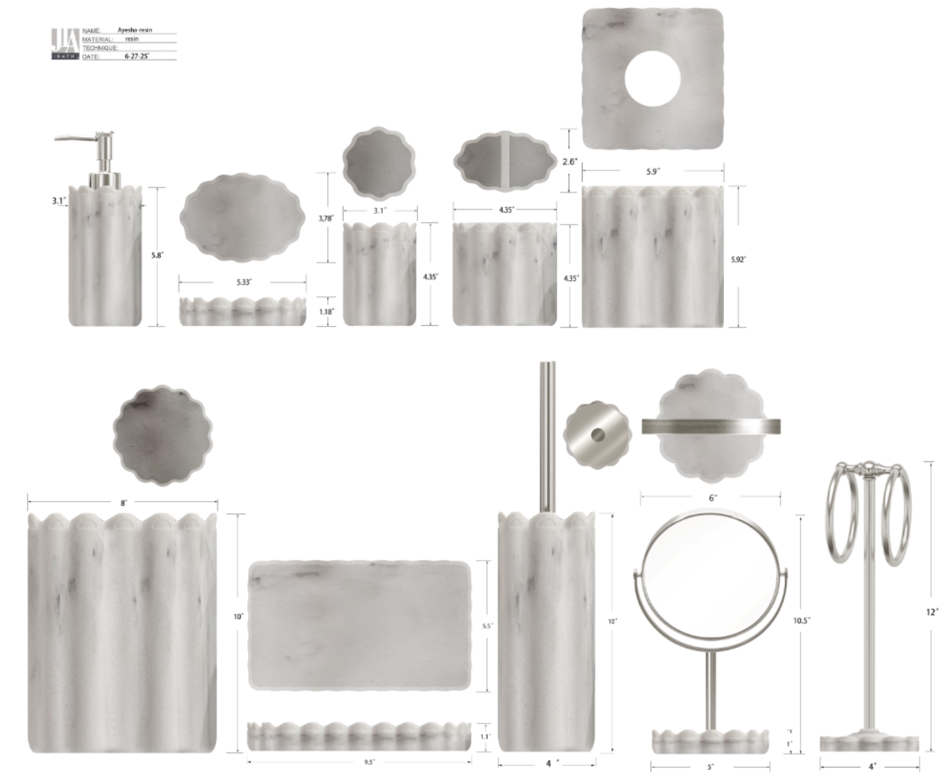 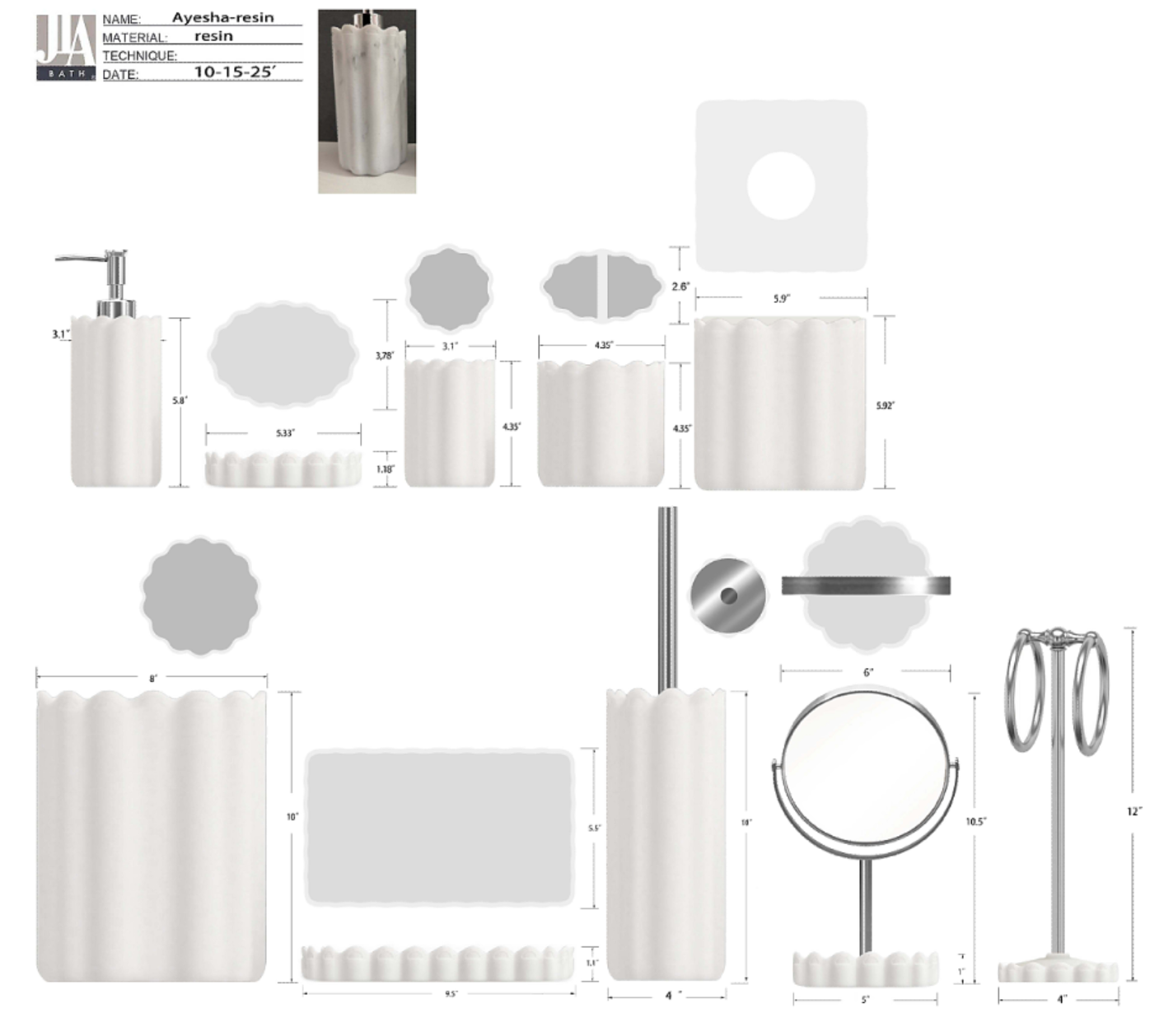 | Hampton Hill |  | Bath Accessories | Adrian | Resin Lotion Pump(w/stainless steel chrome pump) | Resin Lotion Pump | resin sand | resin sand | 3.1x3.1x8.16" | marble/ or white sand |  |  | HG71-5010 |  | Piece | $2.40 | Normal | 2 pcs LP+1 pc TBH+1 pc TUM+1 pc SD+1pc Tray+1pc TC+1pc WB+1pc BB+ 1pc Towel Bar+1pc Mirror 11pcs混装入外箱 | 43.0 | 41.0 | 38.0 | 17.50 | 9.00 | 22.00 | 10.00 | 2 | 0.003 | 63.00 | 36364 | 2,250 | $0.06 | 8424.89.9000 | 1.8% | 21.8% | $0.52 | $2.99 | 0.00% | $0.00 | 0.00% | $0.00 | $0.00 | 0.00% | $0.00 | $0.00 | $2.99 | 35.80% | $4.65 |  |  |  | 1000 | $2,985.08 | $4,650.00 | $0.00 | 33.50 |  |  | Yantian,China | China | S-DGJH | E
 |  | Hampton Hill |  | Bath Accessories | Adrian | Resin Toothbrush holder | Resin Toothbrush holder | resin sand | resin sand | 4.35x2.6x4.35" | marble/ or white sand |  |  | HG71-5011 |  | Piece | $1.50 | Normal |  |  |  |  | 12.50 | 7.50 | 13.00 | 10.00 | 1 | 0.001 | 63.00 | 51692 | 2,250 |  | 3924.10.4000 | 3.4% | 23.4% | $0.35 | $1.85 | 0.00% | $0.00 | 0.00% | $0.00 | $0.00 | 0.00% | $0.00 | $0.00 | $1.85 | 32.69% | $2.75 |  |  |  | 500 | $925.50 | $1,375.00 | $0.00 |  |  |  | Yantian,China | China | S-DGJH
 |  | Hampton Hill |  | Bath Accessories | Adrian | Resin Tumbler | Resin Tumbler | resin sand | resin sand | 3.1x3.1x4.35" | marble/ or white sand |  |  | HG71-5012 |  | Piece | $1.40 | Normal |  |  |  |  | 9.00 | 9.00 | 13.00 | 10.00 | 1 | 0.001 | 63.00 | 59829 | 2,250 |  | 3924.10.4000 | 3.4% | 23.4% | $0.33 | $1.73 | 0.00% | $0.00 | 0.00% | $0.00 | $0.00 | 0.00% | $0.00 | $0.00 | $1.73 | 34.81% | $2.65 |  |  |  | 500 | $863.80 | $1,325.00 | $0.00 |  |  |  | Yantian,China | China | S-DGJH
 |  | Hampton Hill |  | Bath Accessories | Adrian | Resin Soap dish | Resin Soap dish | resin sand | resin sand | 5.33x3.78x1.18" | marble/ or white sand |  |  | HG71-5013 |  | Piece | $1.40 | Normal |  |  |  |  | 15.50 | 4.00 | 11.50 | 10.00 | 1 | 0.001 | 63.00 | 88359 | 2,250 |  | 3924.10.4000 | 3.4% | 23.4% | $0.33 | $1.73 | 0.00% | $0.00 | 0.00% | $0.00 | $0.00 | 0.00% | $0.00 | $0.00 | $1.73 | 34.81% | $2.65 |  |  |  | 500 | $863.80 | $1,325.00 | $0.00 |  |  |  | Yantian,China | China | S-DGJH
 |  | Hampton Hill |  | Bath Accessories | Adrian | Resin Tray | Resin Tray | resin sand | resin sand | 9.5x5.5x1.1" | marble/ or white sand |  |  | HG71-5014 |  | Piece | $2.70 | Normal |  |  |  |  | 27.50 | 4.50 | 15.50 | 10.00 | 1 | 0.002 | 63.00 | 32845 | 2,250 | $0.07 | 3924.10.4000 | 3.4% | 23.4% | $0.63 | $3.40 | 0.00% | $0.00 | 0.00% | $0.00 | $0.00 | 0.00% | $0.00 | $0.00 | $3.40 | 28.57% | $4.76 |  |  |  | 500 | $1,700.15 | $2,380.00 | $0.00 |  |  |  | Yantian,China | China | S-DGJH
 |  | Hampton Hill |  | Bath Accessories | Adrian | Resin Tissue cover | Resin Tissue cover | resin sand | resin sand | 5.9x5.9x5.92" | marble/ or white sand |  |  | HG71-5015 |  | Piece | $3.75 | Normal |  |  |  |  | 17.0 | 17.0 | 16.5 | 10.00 | 1 | 0.005 | 63.00 | 13212 | 2,250 | $0.17 | 3924.10.4000 | 3.4% | 23.4% | $0.88 | $4.80 | 0.00% | $0.00 | 0.00% | $0.00 | $0.00 | 0.00% | $0.00 | $0.00 | $4.80 | 28.39% | $6.70 |  |  |  | 500 | $2,398.90 | $3,350.00 | $0.00 |  |  |  | Yantian,China | China | S-DGJH
 |  | Hampton Hill |  | Bath Accessories | Adrian | Resin Wastebasket | Resin Wastebasket | resin sand | resin sand | 8x8x10" | marble/ or white sand |  |  | HG71-5016 |  | Piece | $6.40 | Normal |  |  |  |  | 21.5 | 21.5 | 27.0 | 10.00 | 1 | 0.012 | 63.00 | 5048 | 2,250 | $0.45 | 3924.10.4000 | 3.4% | 23.4% | $1.50 | $8.34 | 0.00% | $0.00 | 0.00% | $0.00 | $0.00 | 0.00% | $0.00 | $0.00 | $8.34 | 31.89% | $12.25 |  |  |  | 500 | $4,171.67 | $6,125.00 | $0.00 |  |  |  | Yantian,China | China | S-DGJH
 |  | Hampton Hill |  | Bath Accessories | Adrian | Resin Toilet Brush | Resin Toilet Brush | resin sand | resin sand | 4x4x14.7" | marble/ or white sand |  |  | HG71-5017 |  | Piece | $3.80 | Normal |  |  |  |  | 12.5 | 12.5 | 38.5 | 10.00 | 1 | 0.006 | 63.00 | 10473 | 2,250 | $0.21 | 3924.10.4000 | 3.4% | 23.4% | $0.89 | $4.90 | 0.00% | $0.00 | 0.00% | $0.00 | $0.00 | 0.00% | $0.00 | $0.00 | $4.90 | 28.41% | $6.85 |  |  |  | 500 | $2,452.02 | $3,425.00 | $0.00 |  |  |  | Yantian,China | China | S-DGJH
 |  | Hampton Hill |  | Bath Accessories | Adrian | Resin Towel bar(w/iron) | Resin Towel bar(w/iron) | resin sand | resin sand | 4x4x12" | marble/ or white sand |  |  | HG71-5018 |  | Piece | $4.00 | Normal |  |  |  |  | 37.0 | 25.0 | 21.0 | 10.00 | 1 | 0.019 | 63.00 | 3243 | 2,250 | $0.69 | 3924.10.4000 | 3.4% | 23.4% | $0.94 | $5.63 | 0.00% | $0.00 | 0.00% | $0.00 | $0.00 | 0.00% | $0.00 | $0.00 | $5.63 | 29.63% | $8.00 |  |  |  | 500 | $2,814.88 | $4,000.00 | $0.00 |  |  |  | Yantian,China | China | S-DGJH
 |  | Hampton Hill |  | Bath Accessories | Adrian | Resin Mirror | Resin Mirror | resin sand | resin sand | 5x5x10.5" | marble/ or white sand |  |  | HG71-5019 |  | Piece | $4.40 | Normal |  |  |  |  |  |  |  | 10.00 | 1 |  | 63.00 | 3243 | 2,250 | $0.69 | 3924.10.4000 | 3.4% | 23.4% | $1.03 | $6.12 | 0.00% | $0.00 | 0.00% | $0.00 | $0.00 | 0.00% | $0.00 | $0.00 | $6.12 | 27.96% | $8.50 |  |  |  | 500 | $3,061.68 | $4,250.00 | $0.00 |  |  |  | Yantian,China | China | S-DGJH

