Item
Line No. | Photo | VIN/Art No. | Brand | Licensor | Product Category | Pattern | Item Description | Description-Short | Fabrication | Material-Short | Size/Spec. | Color | Customer Item# | Item No. | UPC | Unit of Measure | China RMB Cost | Exchange Rate | FOB Cost $ (Formula) | FOB Cost $ (Value) | UCCPM Price | Package Type | Carton Size L (cm) | Carton Size W (cm) | Carton Size H (cm) | Carton Gross Weight (kg) | Case Pack | Cubic Meter per Carton | Total Units per 40ft Container | 40ft Container Freight | Ocean Freight per Item $ | HTS Code | Duty Rate | Duty per Item $ | LDP Cost $ | DA % | DA $ | General Load % | General Load $ | Warehouse Charge % | Warehouse Charge $ | Load 1 | Load 1 % | Load 1 $ | Total Load $ | LDP Cost with Load $ | JLA LDP MU% | JLA POE Price Quote (Formula) | JLA POE Price Quote (Value) | Suggested Retail Price | Retailer Markup (Value) | Retailer Markup (Formula) | Total Quantity | Total Cost | Total Sales
1 | 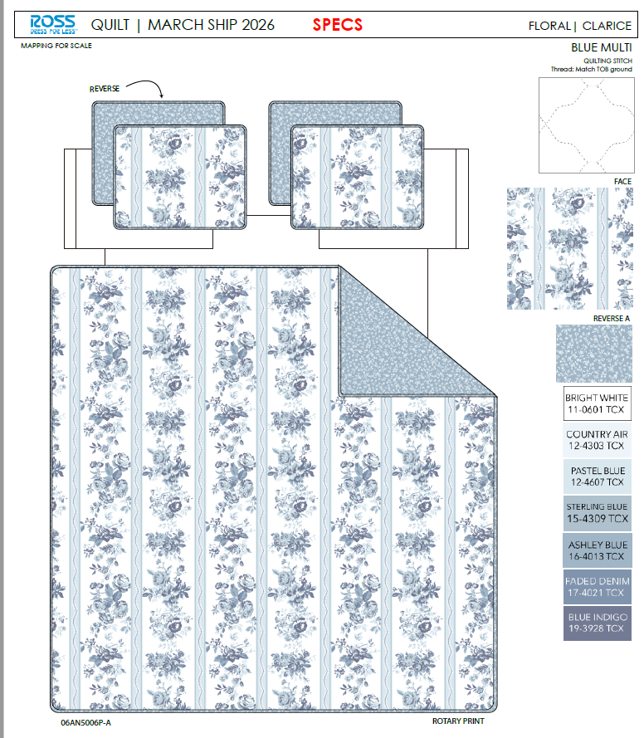 | 06AN5006P-A |  |  | QUILT | Clarice | 100% Polyester 3pc Hanging Print Quilt | 3pc Hanging Print Quilt | Face& Back: 85gsm microfiber disperse print Filling：180gsm slick Poly Fill. | 100% Polyester | Full/Queen: 86x86"/20x26+1/2"(2) | Blue Multi |  | RS14-8633 |  | Set | ¥60.70 | 8.10 | $7.49 | $7.49 |  | Normal | 44.0 | 41.0 | 25.0 | 5.30 | 2 | 0.045 | 2882 | 2250 | $0.78 | 9404.40.9022 | 42.80% | $3.21 | $11.48 | 0.00% | $0.00 | 0.00% | $0.00 | 0.00% | $0.00 | 0 | 0.00% | $0.00 | $0.00 | $11.48 | 20.47% | $14.43 | $14.43 | $29.99 | 51.88% | 51.88% | 710 | $8,148.17 | $10,245.30
2 |  | 06AN5006P-A |  |  | QUILT | Clarice | 100% Polyester 3pc Hanging Print Quilt | 3pc Hanging Print Quilt | Face& Back: 85gsm microfiber disperse print Filling：180gsm slick Poly Fill. | 100% Polyester | King: 102x86"/20x36+1/2"(2) | Blue Multi |  | RS14-8634 |  | Set | ¥69.70 | 8.10 | $8.60 | $8.60 |  | Normal | 44.0 | 41.0 | 28.0 | 6.20 | 2 | 0.051 | 2574 | 2250 | $0.87 | 9404.40.9022 | 42.80% | $3.68 | $13.16 | 0.00% | $0.00 | 0.00% | $0.00 | 0.00% | $0.00 | 0.00% | 0.00% | $0.00 | $0.00 | $13.16 | 21.51% | $16.76 | $16.76 | $34.99 | 52.10% | 52.10% | 710 | $9,340.08 | $11,899.60
3 | 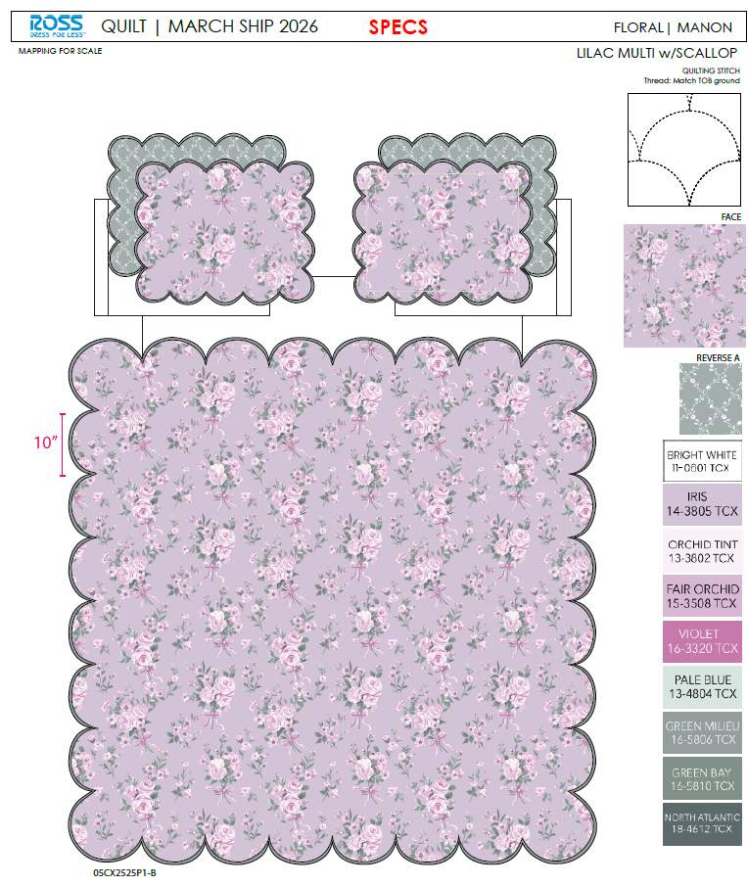 | 05CX2525P1-B |  |  | QUILT | Manon | 100% Polyester 3pc Hanging Print Quilt | 3pc Hanging Print Quilt | Face& Back: 85gsm microfiber disperse print, with scallop edge Filling：180gsm slick Poly Fill. | 100% Polyester | Full/Queen: 86x86"/20x26+1.5"(2) | Lilac Multi |  | RS14-8635 |  | Set | ¥61.20 | 8.10 | $7.56 | $7.56 |  | Normal | 44.0 | 41.0 | 25.0 | 5.30 | 2 | 0.045 | 2882 | 2250 | $0.78 | 9404.40.9022 | 42.80% | $3.24 | $11.58 | 0.00% | $0.00 | 0.00% | $0.00 | 0.00% | $0.00 | 0.00% | 0.00% | $0.00 | $0.00 | $11.58 | 20.71% | $14.60 | $14.60 | $29.99 | 51.32% | 51.32% | 710 | $8,219.14 | $10,366.00
4 |  | 05CX2525P1-B |  |  | QUILT | Manon | 100% Polyester 3pc Hanging Print Quilt | 3pc Hanging Print Quilt | Face& Back: 85gsm microfiber disperse print, with scallop edge Filling：180gsm slick Poly Fill. | 100% Polyester | King: 102x86"/20x36+1.5"(2) | Lilac Multi |  | RS14-8636 |  | Set | ¥70.50 | 8.10 | $8.70 | $8.70 |  | Normal | 44.0 | 41.0 | 28.0 | 6.20 | 2 | 0.051 | 2574 | 2250 | $0.87 | 9404.40.9022 | 42.80% | $3.72 | $13.30 | 0.00% | $0.00 | 0.00% | $0.00 | 0.00% | $0.00 | 0.00% | 0.00% | $0.00 | $0.00 | $13.30 | 22.33% | $17.12 | $17.12 | $34.99 | 51.07% | 51.07% | 710 | $9,441.47 | $12,155.20
10 | 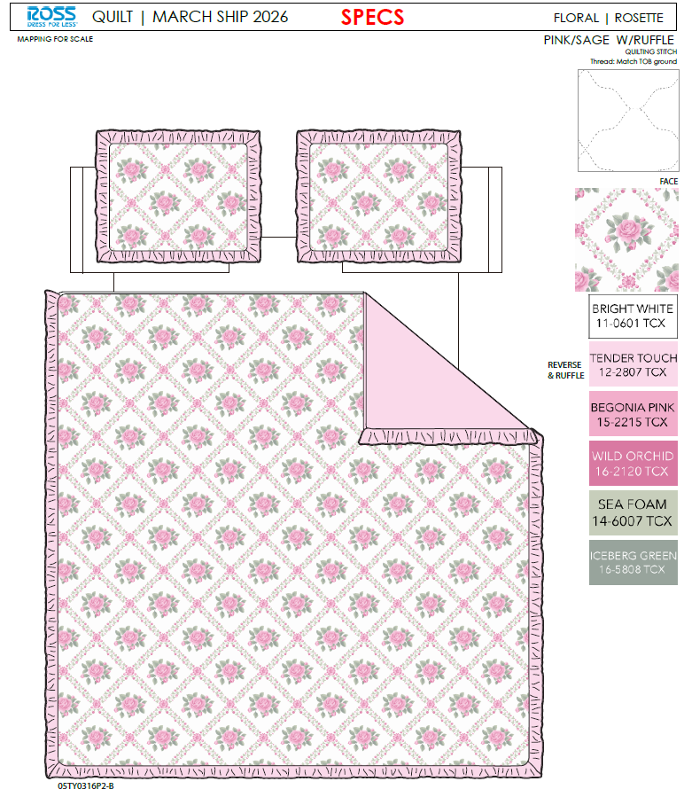 | 05TY0316P2-B |  |  | QUILT | Rosette | 100% Polyester 3pc Hanging Print Quilt | 3pc Hanging Print Quilt | Face：85gsm microfiber disperse print Back：85gsm microfiber solid Filling：180gsm slick Poly Fill. With ruffle edge | 100% Polyester | Full/Queen: 86x86"/20x26+2.5"(2) | Pink/Sage |  | RS14-8637 |  | Set | ¥66.00 | 8.10 | $8.15 | $8.15 |  | Normal | 44.0 | 41.0 | 25.0 | 5.30 | 2 | 0.045 | 2882 | 2250 | $0.78 | 9404.40.9022 | 42.80% | $3.49 | $12.42 | 0.00% | $0.00 | 0.00% | $0.00 | 0.00% | $0.00 | 0.00% | 0.00% | $0.00 | $0.00 | $12.42 | 17.26% | $15.01 | $15.01 | $29.99 | 49.95% | 49.95% | 710 | $8,817.33 | $10,657.10
11 |  | 05TY0316P2-B |  |  | QUILT | Rosette | 100% Polyester 3pc Hanging Print Quilt | 3pc Hanging Print Quilt | Face：85gsm microfiber disperse print Back：85gsm microfiber solid Filling：180gsm slick Poly Fill. With ruffle edge | 100% Polyester | King: 102x86"/20x36+2.5"(2) | Pink/Sage |  | RS14-8638 |  | Set | ¥76.10 | 8.10 | $9.40 | $9.40 |  | Normal | 44.0 | 41.0 | 28.0 | 6.20 | 2 | 0.051 | 2574 | 2250 | $0.87 | 9404.40.9022 | 42.80% | $4.02 | $14.30 | 0.00% | $0.00 | 0.00% | $0.00 | 0.00% | $0.00 | 0.00% | 0.00% | $0.00 | $0.00 | $14.30 | 17.97% | $17.43 | $17.43 | $34.99 | 50.19% | 50.19% | 710 | $10,151.19 | $12,375.30
12 | 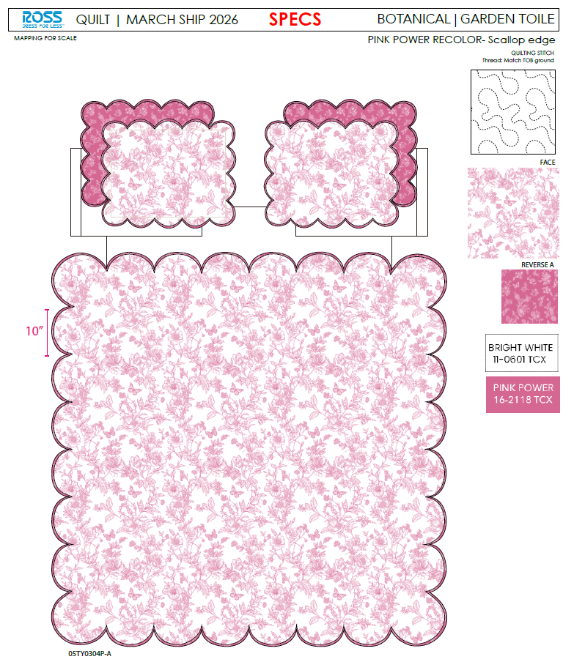 | 05TY0304P-A |  |  | QUILT | Garden Toile | 100% Polyester 3pc Hanging Print Quilt | 3pc Hanging Print Quilt | Face& Back: 85gsm microfiber disperse print Filling：180gsm slick Poly Fill. With scallop edge | 100% Polyester | Full/Queen: 86x86"/20x26+1.5“(2) | Pink |  | RS14-8639 |  | Set | ¥61.20 | 8.10 | $7.56 | $7.56 |  | Normal | 44.0 | 41.0 | 25.0 | 5.30 | 2 | 0.045 | 2882 | 2250 | $0.78 | 9404.40.9022 | 42.80% | $3.24 | $11.58 | 0.00% | $0.00 | 0.00% | $0.00 | 0.00% | $0.00 | 0.00% | 0.00% | $0.00 | $0.00 | $11.58 | 20.71% | $14.60 | $14.60 | $29.99 | 51.32% | 51.32% | 710 | $8,219.14 | $10,366.00
13 |  | 05TY0304P-A |  |  | QUILT | Garden Toile | 100% Polyester 3pc Hanging Print Quilt | 3pc Hanging Print Quilt | Face& Back: 85gsm microfiber disperse print Filling：180gsm slick Poly Fill. With scallop edge | 100% Polyester | King: 102x86"/20x36+1.5"(2) | Pink |  | RS14-8640 |  | Set | ¥70.50 | 8.10 | $8.70 | $8.70 |  | Normal | 44.0 | 41.0 | 28.0 | 6.20 | 2 | 0.051 | 2574 | 2250 | $0.87 | 9404.40.9022 | 42.80% | $3.72 | $13.30 | 0.00% | $0.00 | 0.00% | $0.00 | 0.00% | $0.00 | 0.00% | 0.00% | $0.00 | $0.00 | $13.30 | 22.33% | $17.12 | $17.12 | $34.99 | 51.07% | 51.07% | 710 | $9,441.47 | $12,155.20
15 |  | 06AN5006P-A |  |  | QUILT | Clarice | 100% Polyester 3pc Hanging Print Quilt | 3pc Hanging Print Quilt | Face& Back: 85gsm microfiber disperse print Filling：180gsm slick Poly Fill. | 100% Polyester | Twin: 66x86"/20x26+1/2"(1) | Blue Multi |  | RS14-8641 |  | Set | ¥47.30 | 8.10 | $5.84 | $5.84 |  | Normal | 44.0 | 41.0 | 23.0 | 5.00 | 2 | 0.041 | 3133 | 2250 | $0.72 | 9404.40.9022 | 42.80% | $2.50 | $9.06 | 0.00% | $0.00 | 0.00% | $0.00 | 0.00% | $0.00 | 0.00% | 0.00% | $0.00 | $0.00 | $9.06 | 18.69% | $11.14 | $11.14 | $24.99 | 55.42% | 55.42% | 810 | $7,336.70 | $9,023.40
16 |  | 05CX2525P1-B |  |  | QUILT | Manon | 100% Polyester 3pc Hanging Print Quilt | 3pc Hanging Print Quilt | Face& Back: 85gsm microfiber disperse print, with scallop edge Filling：180gsm slick Poly Fill. | 100% Polyester | Twin: 66x86"/20x26+1.5"(1) | Lilac Multi |  | RS14-8642 |  | Set | ¥47.50 | 8.10 | $5.86 | $5.86 |  | Normal | 44.0 | 41.0 | 23.0 | 5.00 | 2 | 0.041 | 3133 | 2250 | $0.72 | 9404.40.9022 | 42.80% | $2.51 | $9.09 | 0.00% | $0.00 | 0.00% | $0.00 | 0.00% | $0.00 | 0.00% | 0.00% | $0.00 | $0.00 | $9.09 | 19.87% | $11.34 | $11.34 | $24.99 | 54.62% | 54.62% | 810 | $7,359.83 | $9,185.40
17 |  | 05TY0316P2-B |  |  | QUILT | Rosette | 100% Polyester 3pc Hanging Print Quilt | 3pc Hanging Print Quilt | Face：85gsm microfiber disperse print Back：85gsm microfiber solid Filling：180gsm slick Poly Fill. With ruffle edge | 100% Polyester | Twin: 66x86"/20x26+2.5"(1) | Pink/Sage |  | RS14-8643 |  | Set | ¥50.50 | 8.10 | $6.23 | $6.23 |  | Normal | 44.0 | 41.0 | 23.0 | 5.00 | 2 | 0.041 | 3133 | 2250 | $0.72 | 9404.40.9022 | 42.80% | $2.67 | $9.61 | 0.00% | $0.00 | 0.00% | $0.00 | 0.00% | $0.00 | 0.00% | 0.00% | $0.00 | $0.00 | $9.61 | 21.19% | $12.20 | $12.20 | $24.99 | 51.18% | 51.18% | 810 | $7,787.80 | $9,882.00
18 |  | 05TY0304P-A |  |  | QUILT | Garden Toile | 100% Polyester 3pc Hanging Print Quilt | 3pc Hanging Print Quilt | Face& Back: 85gsm microfiber disperse print Filling：180gsm slick Poly Fill. With scallop edge | 100% Polyester | Twin: 66x86"/20x26+1.5"(1) | Pink |  | RS14-8644 |  | Set | ¥47.50 | 8.10 | $5.86 | $5.86 |  | Normal | 44.0 | 41.0 | 23.0 | 5.00 | 2 | 0.041 | 3133 | 2250 | $0.72 | 9404.40.9022 | 42.80% | $2.51 | $9.09 | 0.00% | $0.00 | 0.00% | $0.00 | 0.00% | $0.00 | 0.00% | 0.00% | $0.00 | $0.00 | $9.09 | 19.87% | $11.34 | $11.34 | $24.99 | 54.62% | 54.62% | 810 | $7,359.83 | $9,185.40
20 | 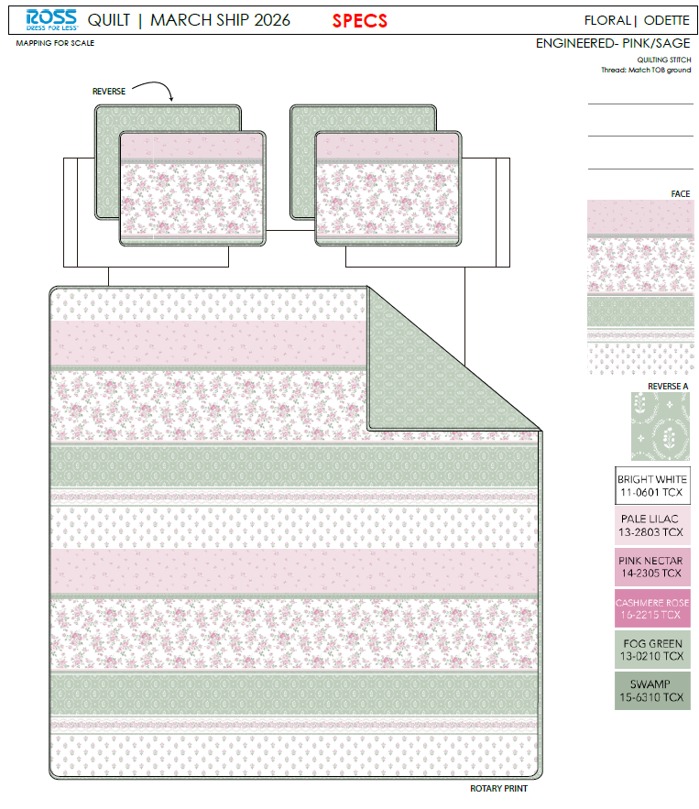 | 36AN5006P-A |  |  | QUILT | Odette | 100% Polyester 3pc Hanging Print Quilt | 3pc Hanging Print Quilt | Face& Back: 85gsm microfiber disperse print Filling：180gsm slick Poly Fill. | 100% Polyester | Twin: 66x86"/20x26+1/2"(1) | Pink/Sage |  | RS14-8645 |  | Set | ¥47.30 | 8.10 | $5.84 | $5.84 |  | Normal | 44.0 | 41.0 | 23.0 | 5.00 | 2 | 0.041 | 3133 | 2250 | $0.72 | 9404.40.9022 | 42.80% | $2.50 | $9.06 | 0.00% | $0.00 | 0.00% | $0.00 | 0.00% | $0.00 | 0.00% | 0.00% | $0.00 | $0.00 | $9.06 | 18.69% | $11.14 | $11.14 | $24.99 | 55.42% | 55.42% | 260 | $2,354.99 | $2,896.40
21 |  | 36AN5006P-A |  |  | QUILT | Odette | 100% Polyester 3pc Hanging Print Quilt | 3pc Hanging Print Quilt | Face& Back: 85gsm microfiber disperse print Filling：180gsm slick Poly Fill. | 100% Polyester | Full/Queen: 86x86"/20x26+1/2"(2) | Pink/Sage |  | RS14-8646 |  | Set | ¥60.70 | 8.10 | $7.49 | $7.49 |  | Normal | 44.0 | 41.0 | 25.0 | 5.30 | 2 | 0.045 | 2882 | 2250 | $0.78 | 9404.40.9022 | 42.80% | $3.21 | $11.48 | 0.00% | $0.00 | 0.00% | $0.00 | 0.00% | $0.00 | 0.00% | 0.00% | $0.00 | $0.00 | $11.48 | 20.47% | $14.43 | $14.43 | $29.99 | 51.88% | 51.88% | 700 | $8,033.41 | $10,101.00
22 |  | 36AN5006P-A |  |  | QUILT | Odette | 100% Polyester 3pc Hanging Print Quilt | 3pc Hanging Print Quilt | Face& Back: 85gsm microfiber disperse print Filling：180gsm slick Poly Fill. | 100% Polyester | King: 102x86"/20x36+1/2"(2) | Pink/Sage |  | RS14-8647 |  | Set | ¥69.70 | 8.10 | $8.60 | $8.60 |  | Normal | 44.0 | 41.0 | 28.0 | 6.20 | 2 | 0.051 | 2574 | 2250 | $0.87 | 9404.40.9022 | 42.80% | $3.68 | $13.16 | 0.00% | $0.00 | 0.00% | $0.00 | 0.00% | $0.00 | 0.00% | 0.00% | $0.00 | $0.00 | $13.16 | 21.51% | $16.76 | $16.76 | $34.99 | 52.10% | 52.10% | 500 | $6,577.52 | $8,380.00
23 | 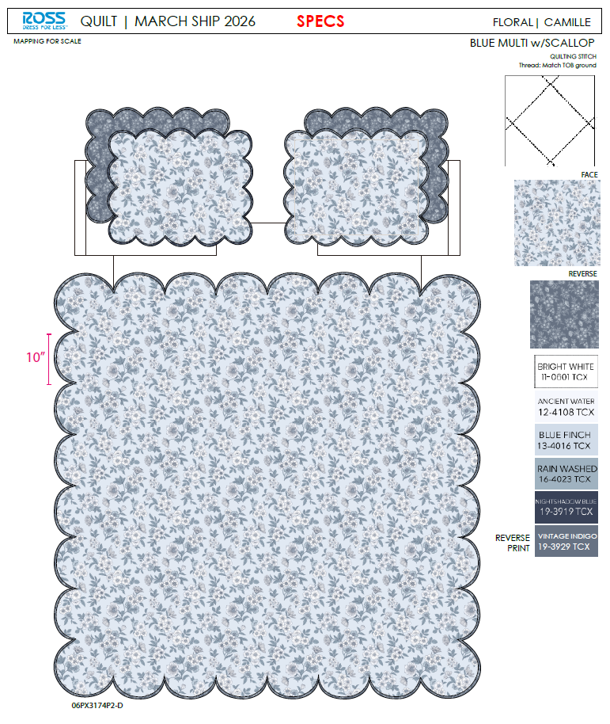 | 06PX3174P2-D |  |  | QUILT | Camille | 100% Polyester 3pc Hanging Print Quilt | 3pc Hanging Print Quilt | Face& Back: 85gsm microfiber disperse print Filling：180gsm slick Poly Fill. With scallop edge. | 100% Polyester | Twin: 66x86"/20x26+1.5"(1) | Blue Multi |  | RS14-8648 |  | Set | ¥47.50 | 8.10 | $5.86 | $5.86 |  | Normal | 44.0 | 41.0 | 23.0 | 5.00 | 2 | 0.041 | 3133 | 2250 | $0.72 | 9404.40.9022 | 42.80% | $2.51 | $9.09 | 0.00% | $0.00 | 0.00% | $0.00 | 0.00% | $0.00 | 0.00% | 0.00% | $0.00 | $0.00 | $9.09 | 19.87% | $11.34 | $11.34 | $24.99 | 54.62% | 54.62% | 260 | $2,362.41 | $2,948.40
24 |  | 06PX3174P2-D |  |  | QUILT | Camille | 100% Polyester 3pc Hanging Print Quilt | 3pc Hanging Print Quilt | Face& Back: 85gsm microfiber disperse print Filling：180gsm slick Poly Fill. With scallop edge. | 100% Polyester | Full/Queen: 86x86"/20x26+1.5"(2) | Blue Multi |  | RS14-8649 |  | Set | ¥61.20 | 8.10 | $7.56 | $7.56 |  | Normal | 44.0 | 41.0 | 25.0 | 5.30 | 2 | 0.045 | 2882 | 2250 | $0.78 | 9404.40.9022 | 42.80% | $3.24 | $11.58 | 0.00% | $0.00 | 0.00% | $0.00 | 0.00% | $0.00 | 0.00% | 0.00% | $0.00 | $0.00 | $11.58 | 20.71% | $14.60 | $14.60 | $29.99 | 51.32% | 51.32% | 700 | $8,103.38 | $10,220.00
25 |  | 06PX3174P2-D |  |  | QUILT | Camille | 100% Polyester 3pc Hanging Print Quilt | 3pc Hanging Print Quilt | Face& Back: 85gsm microfiber disperse print Filling：180gsm slick Poly Fill. With scallop edge. | 100% Polyester | King: 102x86"/20x36+1.5"(2) | Blue Multi |  | RS14-8650 |  | Set | ¥70.50 | 8.10 | $8.70 | $8.70 |  | Normal | 44.0 | 41.0 | 28.0 | 6.20 | 2 | 0.051 | 2574 | 2250 | $0.87 | 9404.40.9022 | 42.80% | $3.72 | $13.30 | 0.00% | $0.00 | 0.00% | $0.00 | 0.00% | $0.00 | 0.00% | 0.00% | $0.00 | $0.00 | $13.30 | 22.33% | $17.12 | $17.12 | $34.99 | 51.07% | 51.07% | 500 | $6,648.92 | $8,560.00
27 | 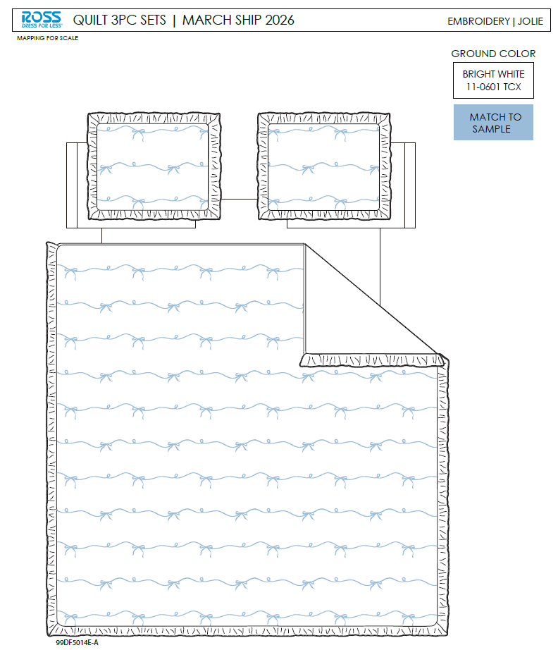 | 99DF5014E-A |  |  | QUILT | Jolie | 100% Polyester 3pc Hanging Embroidery Quilt | 3pc Hanging Embroidery Quilt | 85gsm microfiber Prewashed ultra soft finish. Embroidered with Ruffle edge. Stitch quilting. 180gsm Poly Fill. | 100% Polyester | Full/Queen: 86x86"/20x26+2.5"(2) | Blue |  | RS14-8651 |  | Set | ¥76.44 | 8.10 | $9.44 | $9.44 |  | Normal | 44.0 | 41.0 | 27.0 | 5.30 | 2 | 0.049 | 2669 | 2250 | $0.84 | 9404.40.9022 | 42.80% | $4.04 | $14.32 | 0.00% | $0.00 | 0.00% | $0.00 | 0.00% | $0.00 | 0.00% | 0.00% | $0.00 | $0.00 | $14.32 | 15.75% | $17.00 | $17.00 | $34.99 | 51.41% | 51.41% | 780 | $11,172.21 | $13,260.00
28 |  | 99DF5014E-A |  |  | QUILT | Jolie | 100% Polyester 3pc Hanging Embroidery Quilt | 3pc Hanging Embroidery Quilt | 85gsm microfiber Prewashed ultra soft finish. Embroidered with Ruffle edge. Stitch quilting. 180gsm Poly Fill. | 100% Polyester | King: 102x86"/20x36+2.5"(2) | Blue |  | RS14-8652 |  | Set | ¥94.00 | 8.10 | $11.60 | $11.60 |  | Normal | 44.0 | 41.0 | 30.0 | 6.20 | 2 | 0.054 | 2402 | 2250 | $0.94 | 9404.40.9022 | 42.80% | $4.96 | $17.50 | 0.00% | $0.00 | 0.00% | $0.00 | 0.00% | $0.00 | 0.00% | 0.00% | $0.00 | $0.00 | $17.50 | 12.49% | $20.00 | $20.00 | $39.99 | 49.99% | 49.99% | 520 | $9,100.78 | $10,400.00
29 | 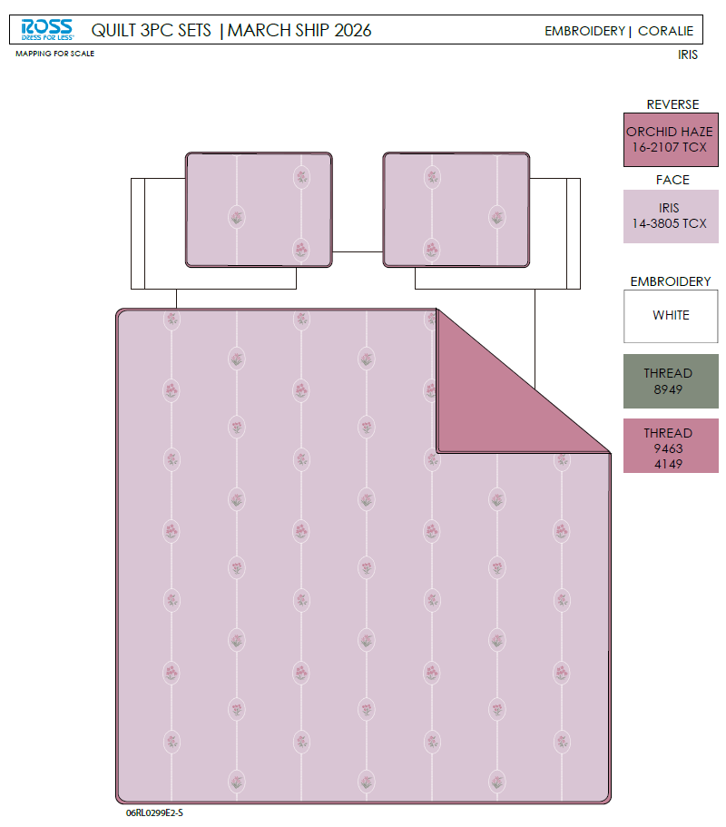 | 06RL0299E2-S |  |  | QUILT | Coralie | 100% Polyester 3pc Hanging Embroidery Quilt | 3pc Hanging Embroidery Quilt | Face& Back：85gsm washed microfiber solid. Embroidered. Filling：180gsm Poly Slick Fill. | 100% Polyester | Full/Queen: 86x86"/20x26+1/2“(2) | Iris |  | RS14-8653 |  | Set | ¥74.50 | 8.10 | $9.20 | $9.20 |  | Normal | 44.0 | 41.0 | 28.0 | 5.30 | 2 | 0.051 | 2574 | 2250 | $0.87 | 9404.40.9022 | 42.80% | $3.94 | $14.01 | 0.00% | $0.00 | 0.00% | $0.00 | 0.00% | $0.00 | 0.00% | 0.00% | $0.00 | $0.00 | $14.01 | 17.58% | $17.00 | $17.00 | $34.99 | 51.41% | 51.41% | 780 | $10,929.24 | $13,260.00
30 |  | 06RL0299E2-S |  |  | QUILT | Coralie | 100% Polyester 3pc Hanging Embroidery Quilt | 3pc Hanging Embroidery Quilt | Face& Back：85gsm washed microfiber solid. Embroidered. Filling：180gsm Poly Slick Fill. | 100% Polyester | King: 102x86"/20x36+1/2”(2) | Iris |  | RS14-8654 |  | Set | ¥84.60 | 8.10 | $10.44 | $10.44 |  | Normal | 44.0 | 41.0 | 30.0 | 6.20 | 2 | 0.054 | 2402 | 2250 | $0.94 | 9404.40.9022 | 42.80% | $4.47 | $15.85 | 0.00% | $0.00 | 0.00% | $0.00 | 0.00% | $0.00 | 0.00% | 0.00% | $0.00 | $0.00 | $15.85 | 20.77% | $20.00 | $20.00 | $39.99 | 49.99% | 49.99% | 520 | $8,239.41 | $10,400.00
32 | 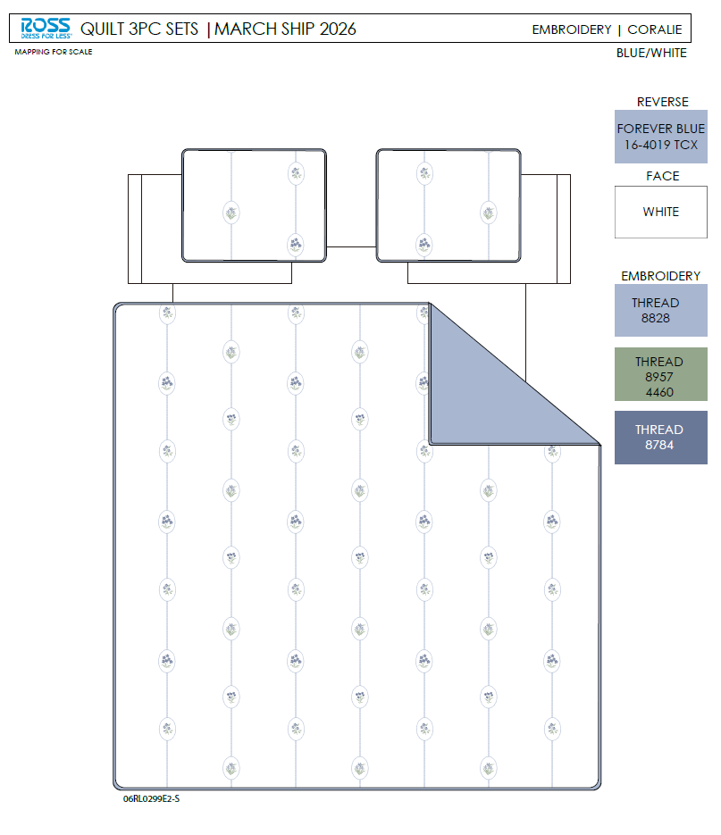 | 06RL0299E2-S |  |  | QUILT | Coralie | 100% Polyester 3pc Hanging Embroidery Quilt | 3pc Hanging Embroidery Quilt | Face& Back：85gsm washed microfiber solid. Embroidered. Filling：180gsm Poly Slick Fill. | 100% Polyester | Full/Queen: 86x86"/20x26+1/2“(2) | Blue/ White |  | RS14-8655 |  | Set | ¥74.50 | 8.10 | $9.20 | $9.20 |  | Normal | 44.0 | 41.0 | 28.0 | 5.30 | 2 | 0.051 | 2574 | 2250 | $0.87 | 9404.40.9022 | 42.80% | $3.94 | $14.01 | 0.00% | $0.00 | 0.00% | $0.00 | 0.00% | $0.00 | 0.00% | 0.00% | $0.00 | $0.00 | $14.01 | 17.58% | $17.00 | $17.00 | $34.99 | 51.41% | 51.41% | 780 | $10,929.24 | $13,260.00
33 |  | 06RL0299E2-S |  |  | QUILT | Coralie | 100% Polyester 3pc Hanging Embroidery Quilt | 3pc Hanging Embroidery Quilt | Face& Back：85gsm washed microfiber solid. Embroidered. Filling：180gsm Poly Slick Fill. | 100% Polyester | King: 102x86"/20x36+1/2”(2) | Blue/ White |  | RS14-8656 |  | Set | ¥84.60 | 8.10 | $10.44 | $10.44 |  | Normal | 44.0 | 41.0 | 30.0 | 6.20 | 2 | 0.054 | 2402 | 2250 | $0.94 | 9404.40.9022 | 42.80% | $4.47 | $15.85 | 0.00% | $0.00 | 0.00% | $0.00 | 0.00% | $0.00 | 0.00% | 0.00% | $0.00 | $0.00 | $15.85 | 20.77% | $20.00 | $20.00 | $39.99 | 49.99% | 49.99% | 520 | $8,239.41 | $10,400.00
34 | 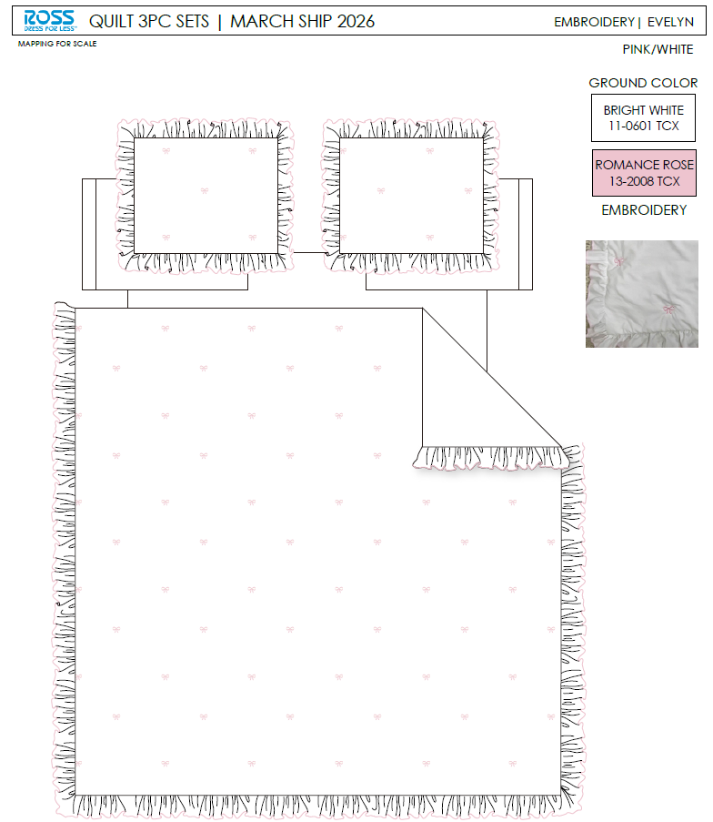 |  |  |  | QUILT | Evelyn | 100% Polyester 3pc Hanging Embroidery Quilt | 3pc Hanging Embroidery Quilt | 85gsm microfiber Prewashed ultra soft finish. Embroidered with Ruffle edge. Stitch quilting. 180gsm Poly Fill. | 100% Polyester | Full/Queen: 86x86"/20x26+2.5"(2) | Pink/ White |  | RS14-8657 |  | Set | ¥83.15 | 8.10 | $10.27 | $10.27 |  | Normal | 44.0 | 41.0 | 27.0 | 5.30 | 2 | 0.049 | 2669 | 2250 | $0.84 | 9404.40.9022 | 42.80% | $4.40 | $15.51 | 0.00% | $0.00 | 0.00% | $0.00 | 0.00% | $0.00 | 0.00% | 0.00% | $0.00 | $0.00 | $15.51 | 11.38% | $17.50 | $17.50 | $34.99 | 49.99% | 49.99% | 780 | $12,096.69 | $13,650.00
35 |  |  |  |  | QUILT | Evelyn | 100% Polyester 3pc Hanging Embroidery Quilt | 3pc Hanging Embroidery Quilt | 85gsm microfiber Prewashed ultra soft finish. Embroidered with Ruffle edge. Stitch quilting. 180gsm Poly Fill. | 100% Polyester | King: 102x86"/20x36+2.5"(2) | Pink/ White |  | RS14-8658 |  | Set | ¥94.74 | 8.10 | $11.70 | $11.70 |  | Normal | 44.0 | 41.0 | 30.0 | 6.20 | 2 | 0.054 | 2402 | 2250 | $0.94 | 9404.40.9022 | 42.80% | $5.01 | $17.64 | 0.00% | $0.00 | 0.00% | $0.00 | 0.00% | $0.00 | 0.00% | 0.00% | $0.00 | $0.00 | $17.64 | 13.93% | $20.50 | $20.50 | $39.99 | 48.74% | 48.74% | 520 | $9,175.03 | $10,660.00
37 |  | 99DF5014E-A |  |  | QUILT | Jolie | 100% Polyester 3pc Hanging Embroidery Quilt | 3pc Hanging Embroidery Quilt | 85gsm microfiber Prewashed ultra soft finish. Embroidered with Ruffle edge. Stitch quilting. 180gsm Poly Fill. | 100% Polyester | Twin: 66x86"/20x26+2.5"(1) | Blue |  | RS14-8659 |  | Set | ¥56.84 | 8.10 | $7.02 | $7.02 |  | Normal | 44.0 | 41.0 | 25.0 | 5.00 | 2 | 0.045 | 2882 | 2250 | $0.78 | 9404.40.9022 | 42.80% | $3.00 | $10.81 | 0.00% | $0.00 | 0.00% | $0.00 | 0.00% | $0.00 | 0.00% | 0.00% | $0.00 | $0.00 | $10.81 | 16.88% | $13.00 | $13.00 | $24.99 | 47.98% | 47.98% | 725 | $7,833.72 | $9,425.00
38 |  | 06RL0299E2-S |  |  | QUILT | Coralie | 100% Polyester 3pc Hanging Embroidery Quilt | 3pc Hanging Embroidery Quilt | Face& Back：85gsm washed microfiber solid. Embroidered. Filling：180gsm Poly Slick Fill. | 100% Polyester | Twin: 66x86"/20x26+1/2"(1) | Iris |  | RS14-8660 |  | Set | ¥56.40 | 8.10 | $6.96 | $6.96 |  | Normal | 44.0 | 41.0 | 25.0 | 5.00 | 2 | 0.045 | 2882 | 2250 | $0.78 | 9404.40.9022 | 42.80% | $2.98 | $10.72 | 0.00% | $0.00 | 0.00% | $0.00 | 0.00% | $0.00 | 0.00% | 0.00% | $0.00 | $0.00 | $10.72 | 17.54% | $13.00 | $13.00 | $24.99 | 47.98% | 47.98% | 725 | $7,771.61 | $9,425.00
39 |  | 06RL0299E2-S |  |  | QUILT | Coralie | 100% Polyester 3pc Hanging Embroidery Quilt | 3pc Hanging Embroidery Quilt | Face& Back：85gsm washed microfiber solid. Embroidered. Filling：180gsm Poly Slick Fill. | 100% Polyester | Twin: 66x86"/20x26+1/2"(1) | Blue/ White |  | RS14-8661 |  | Set | ¥56.40 | 8.10 | $6.96 | $6.96 |  | Normal | 44.0 | 41.0 | 25.0 | 5.00 | 2 | 0.045 | 2882 | 2250 | $0.78 | 9404.40.9022 | 42.80% | $2.98 | $10.72 | 0.00% | $0.00 | 0.00% | $0.00 | 0.00% | $0.00 | 0.00% | 0.00% | $0.00 | $0.00 | $10.72 | 17.54% | $13.00 | $13.00 | $24.99 | 47.98% | 47.98% | 725 | $7,771.61 | $9,425.00
40 |  |  |  |  | QUILT | Evelyn | 100% Polyester 3pc Hanging Embroidery Quilt | 3pc Hanging Embroidery Quilt | 85gsm microfiber Prewashed ultra soft finish. Embroidered with Ruffle edge. Stitch quilting. 180gsm Poly Fill. | 100% Polyester | Twin: 66x86"/20x26+2.5"(1) | Pink/ White |  | RS14-8662 |  | Set | ¥61.00 | 8.10 | $7.53 | $7.53 |  | Normal | 44.0 | 41.0 | 25.0 | 5.00 | 2 | 0.045 | 2882 | 2250 | $0.78 | 9404.40.9022 | 42.80% | $3.22 | $11.53 | 0.00% | $0.00 | 0.00% | $0.00 | 0.00% | $0.00 | 0.00% | 0.00% | $0.00 | $0.00 | $11.53 | 14.57% | $13.50 | $13.50 | $24.99 | 45.98% | 45.98% | 725 | $8,361.73 | $9,787.50
42 | 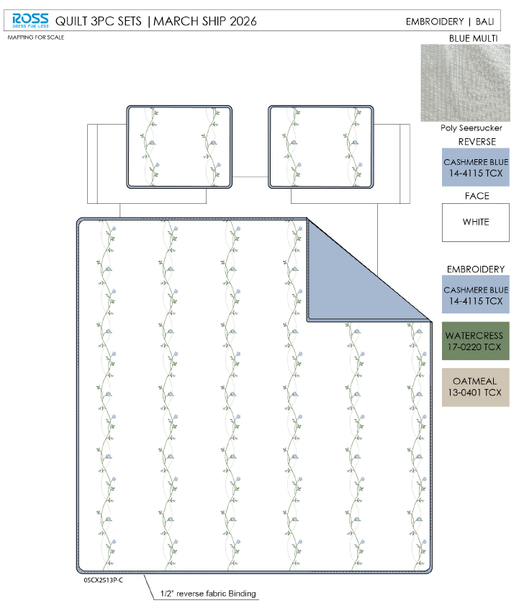 | 05CX2513P-C |  |  | QUILT | Bali | 100% Polyester 3pc Hanging Embroidery Quilt | 3pc Hanging Embroidery Quilt | Face：85gsm microfiber seersucker, embroidered. Back：85gsm microfiber solid Filling：180gsm Poly Slick Fill. | 100% Polyester | Twin: 66x86"/20x26+1/2"(1) | Blue Multi |  | RS14-8663 |  | Set | ¥59.95 | 8.10 | $7.40 | $7.40 |  | Normal | 44.0 | 41.0 | 25.0 | 5.00 | 2 | 0.045 | 2882 | 2250 | $0.78 | 9404.40.9022 | 42.80% | $3.17 | $11.35 | 0.00% | $0.00 | 0.00% | $0.00 | 0.00% | $0.00 | 0.00% | 0.00% | $0.00 | $0.00 | $11.35 | 15.94% | $13.50 | $13.50 | $24.99 | 45.98% | 45.98% | 140 | $1,588.69 | $1,890.00
43 |  | 05CX2513P-C |  |  | QUILT | Bali | 100% Polyester 3pc Hanging Embroidery Quilt | 3pc Hanging Embroidery Quilt | Face：85gsm microfiber seersucker, embroidered. Back：85gsm microfiber solid Filling：180gsm Poly Slick Fill. | 100% Polyester | Full/Queen: 86x86"/20x26+1/2"(2) | Blue Multi |  | RS14-8664 |  | Set | ¥78.20 | 8.10 | $9.65 | $9.65 |  | Normal | 44.0 | 41.0 | 27.0 | 5.30 | 2 | 0.049 | 2669 | 2250 | $0.84 | 9404.40.9022 | 42.80% | $4.13 | $14.62 | 0.00% | $0.00 | 0.00% | $0.00 | 0.00% | $0.00 | 0.00% | 0.00% | $0.00 | $0.00 | $14.62 | 18.76% | $18.00 | $18.00 | $34.99 | 48.56% | 48.56% | 610 | $8,920.17 | $10,980.00
44 |  | 05CX2513P-C |  |  | QUILT | Bali | 100% Polyester 3pc Hanging Embroidery Quilt | 3pc Hanging Embroidery Quilt | Face：85gsm microfiber seersucker, embroidered. Back：85gsm microfiber solid Filling：180gsm Poly Slick Fill. | 100% Polyester | King: 102x86"/20x36+1/2"(2) | Blue Multi |  | RS14-8665 |  | Set | ¥90.61 | 8.10 | $11.19 | $11.19 |  | Normal | 44.0 | 41.0 | 30.0 | 6.20 | 2 | 0.054 | 2402 | 2250 | $0.94 | 9404.40.9022 | 42.80% | $4.79 | $16.92 | 0.00% | $0.00 | 0.00% | $0.00 | 0.00% | $0.00 | 0.00% | 0.00% | $0.00 | $0.00 | $16.92 | 21.32% | $21.50 | $21.50 | $39.99 | 46.24% | 46.24% | 570 | $9,642.13 | $12,255.00
45 | 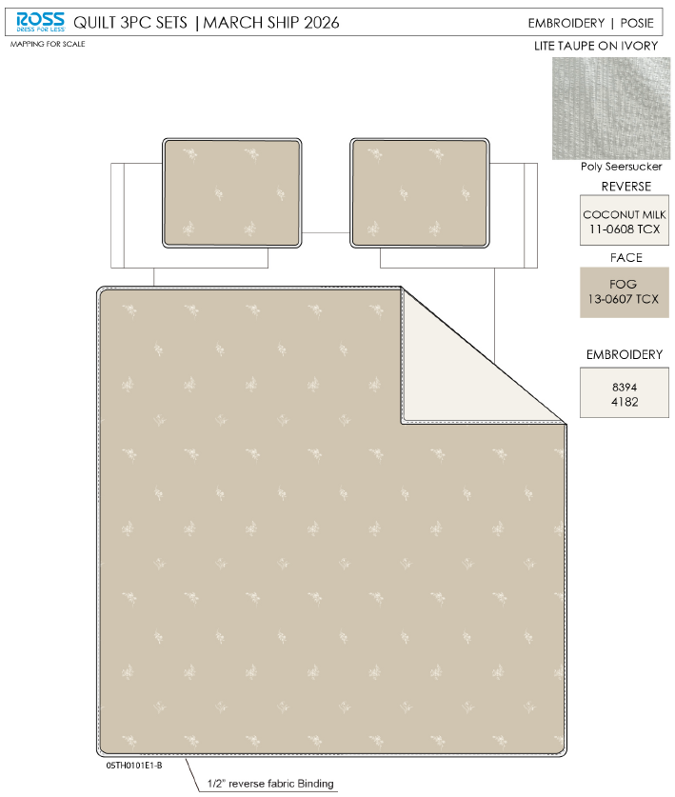 | 05TH0101E1-B |  |  | QUILT | Posie | 100% Polyester 3pc Hanging Embroidery Quilt | 3pc Hanging Embroidery Quilt | Face：85gsm microfiber seersucker, embroidered. Back：85gsm microfiber solid Filling：180gsm Poly Slick Fill. | 100% Polyester | Twin: 66x86"/20x26+1/2"(1) | Lite taupe |  | RS14-8666 |  | Set | ¥55.70 | 8.10 | $6.88 | $6.88 |  | Normal | 44.0 | 41.0 | 25.0 | 5.00 | 2 | 0.045 | 2882 | 2250 | $0.78 | 9404.40.9022 | 42.80% | $2.94 | $10.61 | 0.00% | $0.00 | 0.00% | $0.00 | 0.00% | $0.00 | 0.00% | 0.00% | $0.00 | $0.00 | $10.61 | 18.42% | $13.00 | $13.00 | $24.99 | 47.98% | 47.98% | 140 | $1,484.73 | $1,820.00
46 |  | 05TH0101E1-B |  |  | QUILT | Posie | 100% Polyester 3pc Hanging Embroidery Quilt | 3pc Hanging Embroidery Quilt | Face：85gsm microfiber seersucker, embroidered. Back：85gsm microfiber solid Filling：180gsm Poly Slick Fill. | 100% Polyester | Full/Queen: 86x86"/20x26+1/2"(2) | Lite taupe |  | RS14-8667 |  | Set | ¥76.50 | 8.10 | $9.44 | $9.44 |  | Normal | 44.0 | 41.0 | 27.0 | 5.30 | 2 | 0.049 | 2669 | 2250 | $0.84 | 9404.40.9022 | 42.80% | $4.04 | $14.32 | 0.00% | $0.00 | 0.00% | $0.00 | 0.00% | $0.00 | 0.00% | 0.00% | $0.00 | $0.00 | $14.32 | 15.75% | $17.00 | $17.00 | $34.99 | 51.41% | 51.41% | 610 | $8,737.24 | $10,370.00
47 |  | 05TH0101E1-B |  |  | QUILT | Posie | 100% Polyester 3pc Hanging Embroidery Quilt | 3pc Hanging Embroidery Quilt | Face：85gsm microfiber seersucker, embroidered. Back：85gsm microfiber solid Filling：180gsm Poly Slick Fill. | 100% Polyester | King: 102x86"/20x36+1/2"(2) | Lite taupe |  | RS14-8668 |  | Set | ¥87.80 | 8.10 | $10.84 | $10.84 |  | Normal | 44.0 | 41.0 | 30.0 | 6.20 | 2 | 0.054 | 2402 | 2250 | $0.94 | 9404.40.9022 | 42.80% | $4.64 | $16.42 | 0.00% | $0.00 | 0.00% | $0.00 | 0.00% | $0.00 | 0.00% | 0.00% | $0.00 | $0.00 | $16.42 | 17.92% | $20.00 | $20.00 | $39.99 | 49.99% | 49.99% | 570 | $9,357.24 | $11,400.00

