Item Master
Vendor | Line No. | Photo | VIN/Art No. | Brand | Licensor | Product Category | Pattern | Item Description | Description-Short | Fabrication | Material-Short | Size/Spec. | Color | Customer Item# | Item No. | UPC | Unit of Measure | China RMB Cost | Exchange Rate | FOB Cost $ (Formula) | FOB Cost $ (Value) | UCCPM Price | Package Type | Carton Size L (cm) | Carton Size W (cm) | Carton Size H (cm) | Carton Gross Weight (kg) | Case Pack | Cubic Meter per Carton | Total Units per 40ft Container | 40ft Container Freight | Ocean Freight per Item $ | HTS Code | Duty Rate | Duty per Item $ | LDP Cost $ | DA % | DA $ | General Load % | General Load $ | Warehouse Charge % | Warehouse Charge $ | Load 1 | Load 1 % | Load 1 $ | Total Load $ | LDP Cost with Load $ | JLA LDP MU% | JLA POE Price Quote (Formula) | JLA POE Price Quote (Value) | Suggested Retail Price | Retailer Markup (Value) | Retailer Markup (Formula) | Total Quantity | Total Cost | Total Sales | ship date | S/W
 | 1 | 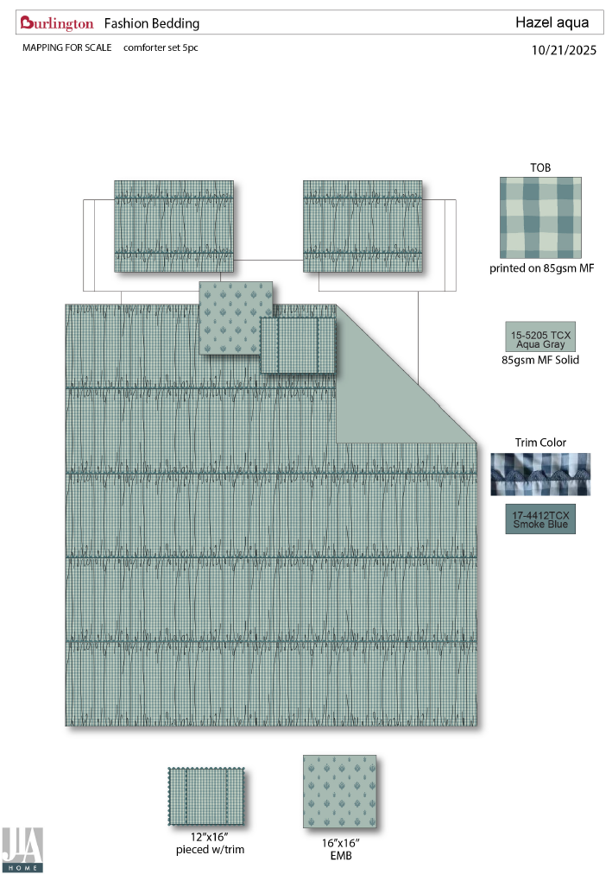 |  | Nanette Lepore |  | COMFORTER (SET) | HAZEL | 100% Polyester 5pc Set with 2 decs |  | Comforter/Shams:FRONT printed on 85gsm microfiber, pieced&ruched w/ inset trim. BACK 85gsm solid microfiber . Filling: 250gsm polyester. Pillow: microfiber cover, poly fill | 100% Polyester | Full/Queen: 90x90"/20x26"(2) Pillow 16X16"/12x16" | GREEN |  | BCF10-4087 |  | Set | ¥102.50 | 8.10 | $12.65 | $13.70 |  | Normal | 57.0 | 52.0 | 53.0 |  | 2 | 0.157 | 828 | 3300 | $3.99 | 9404.40.9022 | 42.80% | $5.86 | $23.55 |  | $0.00 |  | $0.00 |  | $0.00 |  |  | $0.00 | $0.00 | $23.55 | 14.36% | $27.50 | $27.50 | $49.99 | 44.99% | 44.99% | 2000 | $47,102.64 | $55,000.00 | 2026-04-08 | 5/13-5/19/2026
 | 2 |  |  | Nanette Lepore |  | COMFORTER (SET) | HAZEL | 100% Polyester 5pc Set with 2 decs |  | Comforter/Shams:FRONT printed on 85gsm microfiber, pieced&ruched w/ inset trim. BACK 85gsm solid microfiber . Filling: 250gsm polyester. Pillow: microfiber cover, poly fill | 100% Polyester | King: 104x90"/20x36"(2) Pillow 16X16"/12x16" | GREEN |  | BCF10-4088 |  | Set | ¥111.23 | 8.10 | $13.73 | $15.56 |  | Normal | 57.0 | 52.0 | 58.0 |  | 2 | 0.172 | 756 | 3300 | $4.36 | 9404.40.9022 | 42.80% | $6.66 | $26.58 |  | $0.00 |  | $0.00 |  | $0.00 |  |  | $0.00 | $0.00 | $26.58 | 18.20% | $32.50 | $32.50 | $54.99 | 40.90% | 40.90% |  | $0.00 | $0.00
 | 3 | 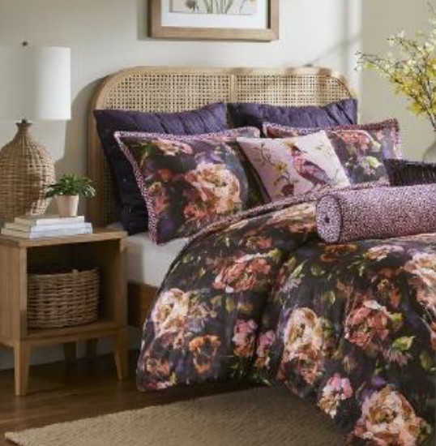 |  |  |  | COMFORTER (SET) | Seraphina | 100% Polyester 7pc Set with 2 decs, 2 euro shams |  | Comforter/Shams:FRONT printed on 85gsm microfiber BACK 85gsm microfiber print. Filling: 250gsm polyester. Pillow: microfiber cover, poly fill Euro Sham: 85gsm solid microfiber. | 100% Polyester | Full/Queen: 90x90"/20x26"(2) Pillow 16X16"/12x16" EURO SHAM:26x26"(2) | PURPLE |  | BCF10-4089 |  | Set | ¥0.00 | 8.10 | $0.00 | $12.90 |  | Normal | 57.0 | 52.0 | 53.0 |  | 2 | 0.157 | 828 | 3300 | $3.99 | 9404.40.9022 | 42.80% | $5.52 | $22.41 |  | $0.00 |  | $0.00 |  | $0.00 |  |  | $0.00 | $0.00 | $22.41 | 15.44% | $26.50 | $26.50 | $44.99 | 41.10% | 41.10% | 1600 | $35,854.27 | $42,400.00 | 2026-05-06 | 6/10-6/16/2026
 | 4 |  |  |  |  | COMFORTER (SET) | Seraphina | 100% Polyester 7pc Set with 2 decs, 2 euro shams |  | Comforter/Shams:FRONT printed on 85gsm microfiber BACK 85gsm microfiber print. Filling: 250gsm polyester. Pillow: microfiber cover, poly fill Euro Sham: 85gsm solid microfiber. | 100% Polyester | King: 104x90"/20x36"(2) Pillow 16X16"/12x16" EURO SHAM:26x26"(2) | PURPLE |  | BCF10-4090 |  | Set | ¥0.00 | 8.10 | $0.00 | $14.14 |  | Normal | 57.0 | 52.0 | 58.0 |  | 2 | 0.172 | 756 | 3300 | $4.36 | 9404.40.9022 | 42.80% | $6.05 | $24.56 |  | $0.00 |  | $0.00 |  | $0.00 |  |  | $0.00 | $0.00 | $24.56 | 15.32% | $29.00 | $29.00 | $49.99 | 41.99% | 41.99% | 400 | $9,822.34 | $11,600.00 | 2026-05-06 | 6/10-6/16/2026
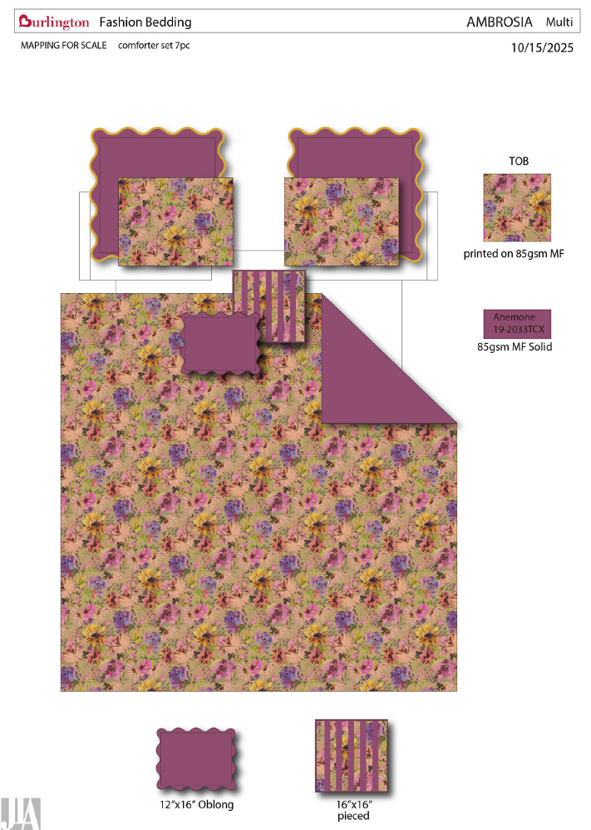
 | 5 |  |  |  |  | COMFORTER (SET) | AMBROSIA | 100% Polyester 7pc Set with 2 decs, 2 euro shams |  | Comforter/Shams:FRONT printed on 85gsm microfiber BACK 85gsm solid microfiber . Filling: 250gsm polyester. Pillow: microfiber cover, poly fill Euro Sham: microfiber. | 100% Polyester | Full/Queen: 90x90"/20x26"(2) Pillow 16X16"/12x16" EURO SHAM:26x26"(2) | PURPLE |  | BCF10-4091 |  | Set | ¥0.00 | 8.10 | $0.00 | $12.65 |  | Normal | 57.0 | 52.0 | 53.0 |  | 2 | 0.157 | 828 | 3300 | $3.99 | 9404.40.9022 | 42.80% | $5.41 | $22.05 |  | $0.00 |  | $0.00 |  | $0.00 |  |  | $0.00 | $0.00 | $22.05 | 15.18% | $26.00 | $26.00 | $54.99 | 52.72% | 52.72% | 1600 | $35,283.07 | $41,600.00 | 2026-05-06 | 6/10-6/16/2026
 | 6 |  |  |  |  | COMFORTER (SET) | AMBROSIA | 100% Polyester 7pc Set with 2 decs, 2 euro shams |  | Comforter/Shams:FRONT printed on 85gsm microfiber BACK 85gsm solid microfiber . Filling: 250gsm polyester. Pillow: microfiber cover, poly fill Euro Sham: microfiber. | 100% Polyester | King: 104x90"/20x36"(2) Pillow 16X16"/12x16" EURO SHAM:26x26"(2) | PURPLE |  | BCF10-4092 |  | Set | ¥0.00 | 8.10 | $0.00 | $13.89 |  | Normal | 57.0 | 52.0 | 58.0 |  | 2 | 0.172 | 756 | 3300 | $4.36 | 9404.40.9022 | 42.80% | $5.94 | $24.20 |  | $0.00 |  | $0.00 |  | $0.00 |  |  | $0.00 | $0.00 | $24.20 | 15.09% | $28.50 | $28.50 | $59.99 | 52.49% | 52.49% | 400 | $9,679.54 | $11,400.00 | 2026-05-06 | 6/10-6/16/2026
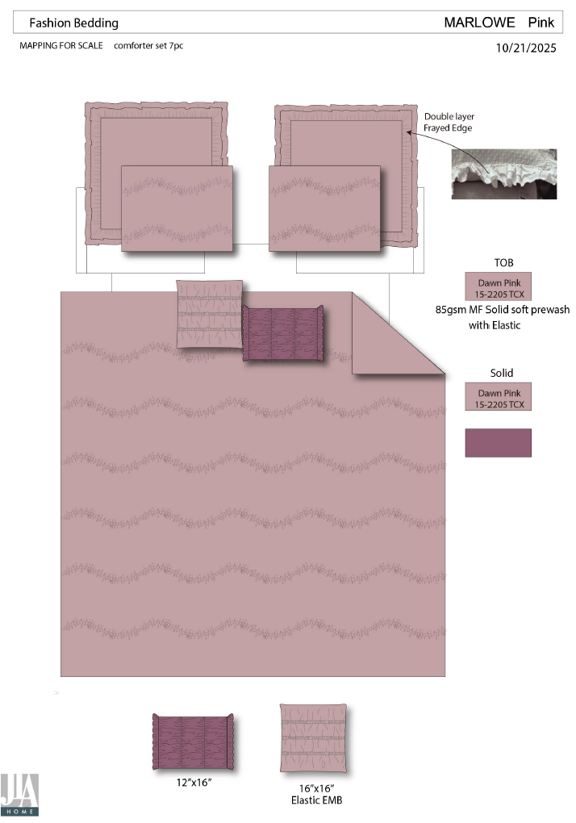
 | 7 |  |  | Nanette Lepore |  | COMFORTER (SET) | MARLOWE | 100% Polyester 7pc Set with 2 decs, 2 euro shams |  | Comforter/Shams:85gsm microfiber Prewashed/100gsm poly filling and dubble elastic stitch. BACK 85gsm solid microfiber. Filling: 150gsm polyester. Pillow: microfiber cover, poly fill Euro Sham: microfiber. | 100% Polyester | Full/Queen: Comforter set 90x90"/20x26"(2) Pillow 16X16"/12x16" EURO SHAM:26x26"(2) | PURPLE |  | BCF10-4093 |  | Set | ¥0.00 | 8.10 | $0.00 | $15.33 |  | Normal | 57.0 | 52.0 | 53.0 |  | 2 | 0.157 | 828 | 3300 | $3.99 | 9404.40.9022 | 42.80% | $6.56 | $25.88 |  | $0.00 |  | $0.00 |  | $0.00 |  |  | $0.00 | $0.00 | $25.88 | 16.52% | $31.00 | $31.00 | $54.99 | 43.63% | 43.63% | 1500 | $38,818.44 | $46,500.00 | 2026-05-06 | 6/10-6/16/2026
 | 8 |  |  | Nanette Lepore |  | COMFORTER (SET) | MARLOWE | 100% Polyester 7pc Set with 2 decs, 2 euro shams |  | Comforter/Shams:85gsm microfiber Prewashed/100gsm poly filling and dubble elastic stitch. BACK 85gsm solid microfiber. Filling: 150gsm polyester. Pillow: microfiber cover, poly fill Euro Sham: microfiber. | 100% Polyester | King: Comforter Set 104x90"/20x36"(2) Pillow 16X16"/12x16" EURO SHAM:26x26"(2) | PURPLE |  | BCF10-4094 |  | Set | ¥126.00 | 8.10 | $15.56 | $17.38 |  | Normal | 57.0 | 52.0 | 58.0 |  | 2 | 0.172 | 756 | 3300 | $4.36 | 9404.40.9022 | 42.80% | $7.44 | $29.18 |  | $0.00 |  | $0.00 |  | $0.00 |  |  | $0.00 | $0.00 | $29.18 | 16.62% | $35.00 | $35.00 | $59.99 | 41.66% | 41.66% |  | $0.00 | $0.00
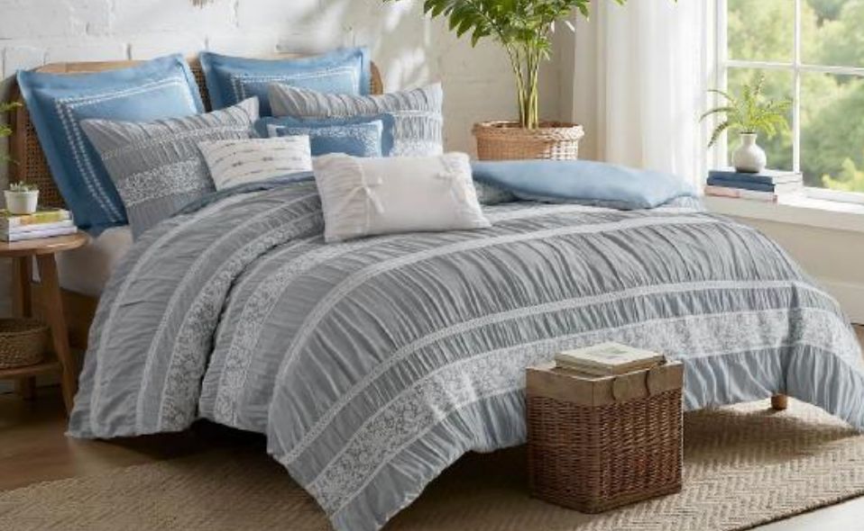
 | 9 |  |  | Nanette Lepore |  | COMFORTER (SET) | PERRYN | 100% Polyester 5pc Set with 2 decs |  | Comforter/Shams:polyester yarn dye jacquard. BACK 85gsm solid microfiber. Filling: 250gsm polyester. Pillow: microfiber cover, poly fill | 100% Polyester | Full/Queen: Comforter set 90x90"/20x26"(2) Pillow 16X16"/12x16" | TAN |  | BCF10-4095 |  | Set |  | 8.10 | $0.00 | $14.57 |  | Normal | 57.0 | 52.0 | 53.0 |  | 2 | 0.157 | 828 | 3300 | $3.99 | 9404.40.9022 | 42.80% | $6.24 | $24.79 |  | $0.00 |  | $0.00 |  | $0.00 |  |  | $0.00 | $0.00 | $24.79 | 13.00% | $28.50 | $28.50 | $49.99 | 42.99% | 42.99% | 1500 | $37,190.52 | $42,750.00 | 2026-05-06 | 6/10-6/16/2026
 | 10 |  |  | Nanette Lepore |  | COMFORTER (SET) | PERRYN | 100% Polyester 5pc Set with 2 decs |  | Comforter/Shams:polyester yarn dye jacquard. BACK 85gsm solid microfiber. Filling: 250gsm polyester. Pillow: microfiber cover, poly fill | 100% Polyester | King: Comforter Set 104x90"/20x36"(2) Pillow 16X16"/12x16" | TAN |  | BCF10-4096 |  | Set | ¥140.80 | 8.10 | $17.38 | $16.48 |  | Normal | 57.0 | 52.0 | 58.0 |  | 2 | 0.172 | 756 | 3300 | $4.36 | 9404.40.9022 | 42.80% | $7.05 | $27.90 |  | $0.00 |  | $0.00 |  | $0.00 |  |  | $0.00 | $0.00 | $27.90 | 15.46% | $33.00 | $33.00 | $54.99 | 39.99% | 39.99% |  | $0.00 | $0.00
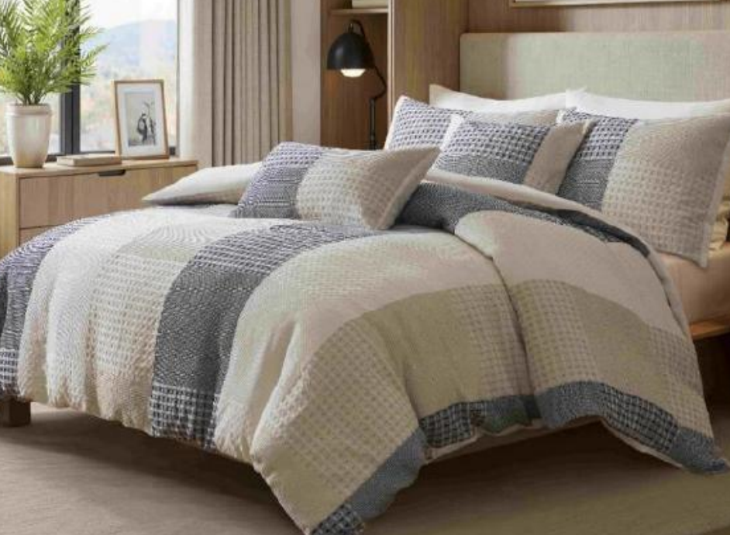
 | 11 |  |  |  |  | COMFORTER (SET) | CAMERON | 100% Polyester 5pc Set with 2 decs |  | Comforter/Shams: poly waffle . BACK 85gsm solid microfiber. Filling: 250gsm polyester. Pillow: microfiber cover, poly fill | 100% Polyester | Full/Queen: Comforter set 90x90"/20x26"(2) Pillow 16X16"/12x16" | Blue |  | BCF10-4097 |  | Set | ¥118.00 | 8.10 | $14.57 | $15.31 |  | Normal | 57.0 | 52.0 | 53.0 |  | 2 | 0.157 | 828 | 3300 | $3.99 | 9404.40.9022 | 42.80% | $6.55 | $25.85 |  | $0.00 |  | $0.00 |  | $0.00 |  |  | $0.00 | $0.00 | $25.85 | 15.24% | $30.50 | $30.50 | $54.99 | 44.54% | 44.54% | 1600 | $41,360.64 | $48,800.00 | 2026-04-08 | 5/13-5/19/2026
 | 12 |  |  |  |  | COMFORTER (SET) | CAMERON | 100% Polyester 5pc Set with 2 decs |  | Comforter/Shams: poly waffle . BACK 85gsm solid microfiber. Filling: 250gsm polyester. Pillow: microfiber cover, poly fill | 100% Polyester | King: Comforter Set 104x90"/20x36"(2) Pillow 16X16"/12x16" | Blue |  | BCF10-4098 |  | Set | ¥0.00 | 8.10 | $0.00 | $17.04 |  | Normal | 57.0 | 52.0 | 58.0 |  | 2 | 0.172 | 756 | 3300 | $4.36 | 9404.40.9022 | 42.80% | $7.29 | $28.70 |  | $0.00 |  | $0.00 |  | $0.00 |  |  | $0.00 | $0.00 | $28.70 | 14.34% | $33.50 | $33.50 | $59.99 | 44.16% | 44.16% | 400 | $11,478.82 | $13,400.00 | 2026-04-08 | 5/13-5/19/2026
 | 13 | DORM IN A BAG |  |  |  | COMFORTER (SET) | TBD | Set includes: 1 comforter mini set 1 print sheet set 1 throw 1 laundry bag 1 shower caddy 2 bath towel 4pc washcloth 1 storage bag 2 pillows |  | Comforter mini set: 100% polyester 85gsm microfiber print on front, 100% polyester 85gsm microfiber solid reverse, 170gsm poly fill, visible tacking. Sheet set (1): 100% polyester 85gsm microfiber printed Throw: 100% polyester 260gsm plush farbic with binding around, solid Laundry bag: 100% polyester 85gsm microfiber Shower Caddy: 100% polyester fabric Bath towel: 100% cotton 360gsm white Wash pack: 100% cotton 360gsm white Storage bag: PVC bag Pillow: microfiber cover, poly fill | 100% Polyester | Twin XL: Comforter mini set: 68x90''/20x26'' Sheet set: 66x96/39x80+13“/20x32 Throw: 50x70'' Laundry bag: 25x28'' Shower Caddy: 8x8x7'' Bath towel: 34x64 (2) Wash pack: 12x12''(4) Storage bag: 22.5*19*12'' Pillow: 12x16"/16x16" | PINK |  | BCF10-4099 |  | Set | ¥203.50 | 8.10 | $25.12 | $23.77 |  | Normal | 58.0 | 48.0 | 52.0 |  | 2 | 0.145 | 898 | 3300 | $3.67 | 9404.40.9022 | 42.80% | $10.17 | $37.62 |  | $0.00 |  | $0.00 |  | $0.00 |  |  | $0.00 | $0.00 | $37.62 | 17.32% | $45.50 | $45.50 | $79.99 | 43.12% | 43.12% | 2000 | $75,236.88 | $91,000.00 | 2026-04-08 | 5/13-5/19/2026
 | 14 |  |  |  |  | COMFORTER (SET) | TBD | Set includes: 1 comforter mini set 1 print sheet set 1 throw 1 laundry bag 1 shower caddy 2 bath towel 4pc washcloth 1 storage bag 2 pillows |  | Comforter mini set: 100% polyester 85gsm microfiber print on front, 100% polyester 85gsm microfiber solid reverse, 170gsm poly fill, visible tacking. Sheet set (1): 100% polyester 85gsm microfiber printed Throw: 100% polyester 260gsm plush farbic with binding around, solid Laundry bag: 100% polyester 85gsm microfiber Shower Caddy: 100% polyester fabric Bath towel: 100% cotton 360gsm white Wash pack: 100% cotton 360gsm white Storage bag: PVC bag Pillow: microfiber cover, poly fill | 100% Polyester | Queen: Comforter mini set:90x90''/20x26''(2) Sheet set:90x102/60x80+13“/20x32（2） Throw: 50x70'' Laundry bag: 25x28'' Shower Caddy: 8x8x7'' Bath towel: 34*64' (2) Wash pack: 12x12''(4) Storage bag: 22.5*19*14'' Pillow: 12x16"/16x16" | PINK |  | BCF10-4100 |  | Set | ¥233.50 | 8.10 | $28.83 | $26.91 |  | Normal | 58.0 | 50.0 | 52.0 |  | 2 | 0.151 | 862 | 3300 | $3.83 | 9404.40.9022 | 42.80% | $11.52 | $42.26 |  | $0.00 |  | $0.00 |  | $0.00 |  |  | $0.00 | $0.00 | $42.26 | 17.95% | $51.50 | $51.50 | $89.99 | 42.77% | 42.77% |  | $0.00 | $0.00
 | 15 | 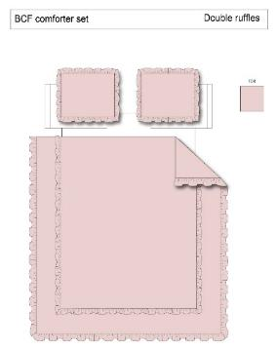 #VALUE! |  |  |  | COMFORTER (SET) | Double ruffle | Set includes: 1 comforter mini set 1 print sheet set 1 throw 1 laundry bag 1 shower caddy 2 bath towel 4pc washcloth 1 storage bag 2 pillows |  | Comforter mini set: 100% polyester 85gsm microfiber solid front and reverse,prewashed ultra soft finish. 170gsm poly fill, visible tacking. Sheet set (1): 100% polyester 85gsm microfiber printed Throw: 100% polyester 260gsm plush farbic with binding around, solid Laundry bag: 100% polyester 85gsm microfiber Shower Caddy: 100% polyester fabric Bath towel: 100% cotton 360gsm white Wash pack: 100% cotton 360gsm white Storage bag: PVC bag Pillow: microfiber cover, poly fill | 100% Polyester | Twin XL: Comforter mini set: 68x90''+2.5"/20x26''+2.5" Sheet set: 66x96/39x80+13“/20x32 Throw: 50x70'' Laundry bag: 25x28'' Shower Caddy: 8x8x7'' Bath towel: 34x64 (2) Wash pack: 12x12''(4) Storage bag: 22.5*19*12'' Pillow: 12x16"/16x16" | Blue |  | BCF10-4101 |  | Set | ¥198.50 | 8.10 | $24.51 | $24.57 |  | Normal | 58.0 | 48.0 | 52.0 |  | 2 | 0.145 | 898 | 3300 | $3.67 | 9404.40.9022 | 42.80% | $10.52 | $38.76 |  | $0.00 |  | $0.00 |  | $0.00 |  |  | $0.00 | $0.00 | $38.76 | 17.53% | $47.00 | $47.00 | $84.99 | 44.70% | 44.70% | 2000 | $77,521.68 | $94,000.00 | 2026-05-06 | 6/10-6/16/2026
 | 16 |  |  |  |  | COMFORTER (SET) | Double ruffle | Set includes: 1 comforter mini set 1 print sheet set 1 throw 1 laundry bag 1 shower caddy 2 bath towel 4pc washcloth 1 storage bag 2 pillows |  | Comforter mini set: 100% polyester 85gsm microfiber solid front and reverse,prewashed ultra soft finish. 170gsm poly fill, visible tacking. Sheet set (1): 100% polyester 85gsm microfiber printed Throw: 100% polyester 260gsm plush farbic with binding around, solid Laundry bag: 100% polyester 85gsm microfiber Shower Caddy: 100% polyester fabric Bath towel: 100% cotton 360gsm white Wash pack: 100% cotton 360gsm white Storage bag: PVC bag Pillow: microfiber cover, poly fill | 100% Polyester | Queen: Comforter mini set:90x90''+2.5"/20x26''+2.5"(2) Sheet set:90x102/60x80+13“/20x32(2） Throw: 50x70'' Laundry bag: 25x28'' Shower Caddy: 8x8x7'' Bath towel: 34*64' (2) Wash pack: 12x12''(4) Storage bag: 22.5*19*14'' Pillow: 12x16"/16x16" | Blue |  | BCF10-4102 |  | Set | ¥232.50 | 8.10 | $28.70 | $27.78 |  | Normal | 58.0 | 50.0 | 52.0 |  | 2 | 0.151 | 862 | 3300 | $3.83 | 9404.40.9022 | 42.80% | $11.89 | $43.50 |  | $0.00 |  | $0.00 |  | $0.00 |  |  | $0.00 | $0.00 | $43.50 | 17.93% | $53.00 | $53.00 | $94.99 | 44.20% | 44.20% |  | $0.00 | $0.00

