Item
Vendor | Line No. | Photo | VIN/Art No. | Product Category | Pattern | Item Description | Description-Short | Fabrication | Material-Short | Size/Spec. | Color | Customer Item# | Item No. | UPC | Unit of Measure | China RMB Cost | Exchange Rate | FOB Cost $ (Formula) | FOB Cost $ (Value) | UCCPM Price | Package Type | Carton Size L (cm) | Carton Size W (cm) | Carton Size H (cm) | Carton Gross Weight (kg) | Case Pack | Cubic Meter per Carton | Total Units per 40ft Container | 40ft Container Freight | Ocean Freight per Item $ | HTS Code | Duty Rate | Duty per Item $ | LDP Cost $ | DA % | DA $ | General Load % | General Load $ | Warehouse Charge % | Warehouse Charge $ | Load 1 | Load 1 % | Load 1 $ | Total Load $ | LDP Cost with Load $ | JLA LDP MU% | JLA POE Price Quote (Formula) | JLA POE Price Quote (Value) | Suggested Retail Price | Retailer Markup (Value) | Retailer Markup (Formula) | Total Quantity | Total Cost | Total Sales
 | 19 | 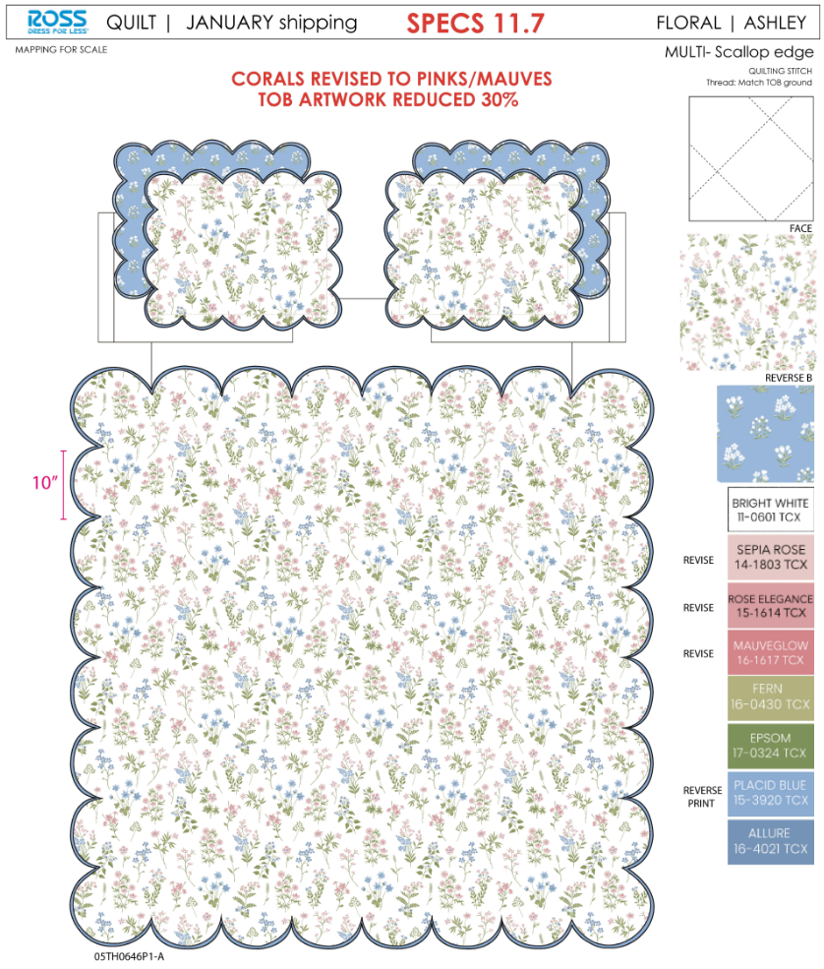 |  | QUILT | Ashley Scallop | 100% Polyester Hanging Print Quilt Set | Hanging 3pc Quilt Set | 85gsm microfiber print front and reverse. Stitch quilted. 180gsm Slick Poly Fill. Folded packaging. | 100% Polyester | Twin: 66x86"/20x26+1.5"(1) | LT BLUE |  | RS14-8686 |  | Set | ¥47.50 | 8.10 | $5.86 | $5.86 | 47.50 | Normal | 44 | 41 | 23 | 5.00 | 2 | 0.041 | 3133 | 2250 | $0.72 | 9404.40.9022 | 42.80% | $2.51 | $9.09 | 0.00% | $0.00 | 0.00% | $0.00 | 0.00% | $0.00 | 0 | 0.00% | $0.00 | $0.00 | $9.09 | 19.87% | $11.34 | $11.34 | $24.99 | 54.62% | 54.62% | 810 | $7,359.83 | $9,185.40
 | 20 |  |  | QUILT | Talia | 100% Polyester Hanging Print Quilt Set | Hanging 3pc Quilt Set | 85gsm microfiber print front and solid reverse. Stitch quilted. 180gsm Slick Poly Fill. | 100% Polyester | Twin: 66x86"/20x26+1/2"(1) | Blue |  | RS14-8687 |  | Set | ¥46.30 | 8.10 | $5.72 | $5.72 | 46.30 | Normal | 44 | 41 | 23 | 5.00 | 2 | 0.041 | 3133 | 2250 | $0.72 | 9404.40.9022 | 42.80% | $2.45 | $8.89 | 0.00% | $0.00 | 0.00% | $0.00 | 0.00% | $0.00 | 0 | 0.00% | $0.00 | $0.00 | $8.89 | 20.23% | $11.14 | $11.14 | $24.99 | 55.42% | 55.42% | 810 | $7,197.90 | $9,023.40

