Item
Line No. | Photo | VIN/Art No. | Brand | Licensor | Product Category | Pattern | Item Description | Description-Short | Fabrication | Material-Short | Size/Spec. | Color | Item No. | UPC | Unit of Measure | China RMB Cost | Exchange Rate | FOB Cost $ (Formula) | FOB Cost $ (Value) | UCCPM Price | Package Type | Carton Size L (cm) | Carton Size W (cm) | Carton Size H (cm) | Carton Gross Weight (kg) | Case Pack | Cubic Meter per Carton | Total Units per 40ft Container | 40ft Container Freight | Ocean Freight per Item $ | HTS Code | Duty Rate | Duty per Item $ | LDP Cost $ | DA % | DA $ | General Load % | General Load $ | Warehouse Charge % | Warehouse Charge $ | Dropship Charge | Load 1 | Load 1 % | Load 1 $ | Total Load $ | LDP Cost with Load $ | JLA LDP MU% | JLA FOB CA/GA Price Quote (Formula) | JLA price with drop ship charges | Suggested Retail Price | Initial Markup | Initial Rollout Forecast
1 | 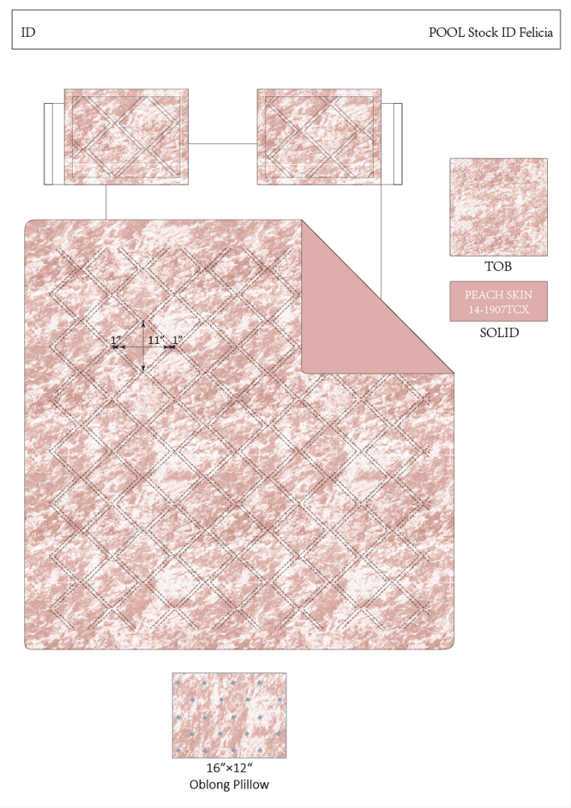 |  | Regency Heights |  | COMFORTER (SET) | Felicia | 100% Polyester Crashed velvet Comforter Set | 3pcs Comforter Set | Comf/sham: 100% polyester crashed velvet fabric with double-needle diamond quilting on face, 100% polyester solid microfiber reverse; sham has narrow flange and overlap opening at back; comforter has 200gsm poly fill. Pillow: 100% polyester velvet with embroidery on face, 100% polyester velvet on back, poly fill. | 100% polyester | Twin/Twin XL:68"Wx90"L/20"Wx26"L+2"D/12"Wx16"L | Blush | RH10-0473 |  | Set | ￥79.00 | 8.10 | $9.75 | $9.75 |  | Compressed/Knocked Down | 42.0 | 32.0 | 43.5 | 10.00 | 3 | 0.058 | 3335 | $4,000.00 | $1.20 | 9404.40.9022 | 42.80% | $4.17 | $15.12 | 0.00% | $0.00 | 0.00% | $0.00 | 0.00% | $0.00 | $0.00 | $0.00 | 0.00% | $0.00 | $0.00 | $15.12 | 0.00% | $15.12 | $39.99 | $39.99 |  | 243
2 |  |  | Regency Heights |  | COMFORTER (SET) | Felicia | 100% Polyester Crashed velvet Comforter Set | 4pcs Comforter Set | Comf/sham: 100% polyester crashed velvet fabric with double-needle diamond quilting on face, 100% polyester solid microfiber reverse; sham has narrow flange and overlap opening at back; comforter has 200gsm poly fill. Pillow: 100% polyester velvet with embroidery on face, 100% polyester velvet on back, poly fill. | 100% polyester | Full/Queen:90"Wx90"L/20"Wx26"L+2"D(2)/12"Wx16"L | Blush | RH10-0474 |  | Set | ￥101.90 | 8.10 | $12.58 | $12.58 |  | Compressed/Knocked Down | 42.0 | 32.0 | 52.5 | 10.00 | 3 | 0.071 | 2764 | $4,000.00 | $1.45 | 9404.40.9022 | 42.80% | $5.38 | $19.41 | 0.00% | $0.00 | 0.00% | $0.00 | 0.00% | $0.00 | $0.00 | $0.00 | 0.00% | $0.00 | $0.00 | $19.41 | 0.00% | $19.41 | $46.99 | $46.99 |  | 336
3 |  |  | Regency Heights |  | COMFORTER (SET) | Felicia | 100% Polyester Crashed velvet Comforter Set | 4pcs Comforter Set | Comf/sham: 100% polyester crashed velvet fabric with double-needle diamond quilting on face, 100% polyester solid microfiber reverse; sham has narrow flange and overlap opening at back; comforter has 200gsm poly fill. Pillow: 100% polyester velvet with embroidery on face, 100% polyester velvet on back, poly fill. | 100% polyester | King/Cal King:104"Wx90"L/20"Wx36"L+2"D(2)/12"Wx16"L | Blush | RH10-0475 |  | Set | ￥112.70 | 8.10 | $13.91 | $13.91 |  | Compressed/Knocked Down | 42.0 | 32.0 | 59.5 | 10.00 | 3 | 0.080 | 2438 | $4,000.00 | $1.64 | 9404.40.9022 | 42.80% | $5.96 | $21.51 | 0.00% | $0.00 | 0.00% | $0.00 | 0.00% | $0.00 | $0.00 | $0.00 | 0.00% | $0.00 | $0.00 | $21.51 | 0.00% | $21.51 | $49.99 | $49.99 |  | 252
1 |  |  | Regency Heights |  | COMFORTER (SET) | Felicia | 100% Polyester Crashed velvet Comforter Set | 3pcs Comforter Set | Comf/sham: 100% polyester crashed velvet fabric with double-needle diamond quilting on face, 100% polyester solid microfiber reverse; sham has narrow flange and overlap opening at back; comforter has 200gsm poly fill. Pillow: 100% polyester velvet with embroidery on face, 100% polyester velvet on back, poly fill. | 100% polyester | Twin/Twin XL:68"Wx90"L/20"Wx26"L+2"D/12"Wx16"L | Black | RH10-0476 |  | Set | ￥79.00 | 8.10 | $9.75 | $9.75 |  | Compressed/Knocked Down | 42.0 | 32.0 | 43.5 | 10.00 | 3 | 0.058 | 3335 | $4,000.00 | $1.20 | 9404.40.9022 | 42.80% | $4.17 | $15.12 | 0.00% | $0.00 | 0.00% | $0.00 | 0.00% | $0.00 | $0.00 | $0.00 | 0.00% | $0.00 | $0.00 | $15.12 | 0.00% | $15.12 | $39.99 | $39.99 |  | 105
2 |  |  | Regency Heights |  | COMFORTER (SET) | Felicia | 100% Polyester Crashed velvet Comforter Set | 4pcs Comforter Set | Comf/sham: 100% polyester crashed velvet fabric with double-needle diamond quilting on face, 100% polyester solid microfiber reverse; sham has narrow flange and overlap opening at back; comforter has 200gsm poly fill. Pillow: 100% polyester velvet with embroidery on face, 100% polyester velvet on back, poly fill. | 100% polyester | Full/Queen:90"Wx90"L/20"Wx26"L+2"D(2)/12"Wx16"L | Black | RH10-0477 |  | Set | ￥101.90 | 8.10 | $12.58 | $12.58 |  | Compressed/Knocked Down | 42.0 | 32.0 | 52.5 | 10.00 | 3 | 0.071 | 2764 | $4,000.00 | $1.45 | 9404.40.9022 | 42.80% | $5.38 | $19.41 | 0.00% | $0.00 | 0.00% | $0.00 | 0.00% | $0.00 | $0.00 | $0.00 | 0.00% | $0.00 | $0.00 | $19.41 | 0.00% | $19.41 | $46.99 | $46.99 |  | 237
3 |  |  | Regency Heights |  | COMFORTER (SET) | Felicia | 100% Polyester Crashed velvet Comforter Set | 4pcs Comforter Set | Comf/sham: 100% polyester crashed velvet fabric with double-needle diamond quilting on face, 100% polyester solid microfiber reverse; sham has narrow flange and overlap opening at back; comforter has 200gsm poly fill. Pillow: 100% polyester velvet with embroidery on face, 100% polyester velvet on back, poly fill. | 100% polyester | King/Cal King:104"Wx90"L/20"Wx36"L+2"D(2)/12"Wx16"L | Black | RH10-0478 |  | Set | ￥112.70 | 8.10 | $13.91 | $13.91 |  | Compressed/Knocked Down | 42.0 | 32.0 | 59.5 | 10.00 | 3 | 0.080 | 2438 | $4,000.00 | $1.64 | 9404.40.9022 | 42.80% | $5.96 | $21.51 | 0.00% | $0.00 | 0.00% | $0.00 | 0.00% | $0.00 | $0.00 | $0.00 | 0.00% | $0.00 | $0.00 | $21.51 | 0.00% | $21.51 | $49.99 | $49.99 |  | 459
1 |  |  | Regency Heights |  | COMFORTER (SET) | Felicia | 100% Polyester Crashed velvet Comforter Set | 3pcs Comforter Set | Comf/sham: 100% polyester crashed velvet fabric with double-needle diamond quilting on face, 100% polyester solid microfiber reverse; sham has narrow flange and overlap opening at back; comforter has 200gsm poly fill. Pillow: 100% polyester velvet with embroidery on face, 100% polyester velvet on back, poly fill. | 100% polyester | Twin/Twin XL:68"Wx90"L/20"Wx26"L+2"D/12"Wx16"L | Grey | RH10-0479 |  | Set | ￥79.00 | 8.10 | $9.75 | $9.75 |  | Compressed/Knocked Down | 42.0 | 32.0 | 43.5 | 10.00 | 3 | 0.058 | 3335 | $4,000.00 | $1.20 | 9404.40.9022 | 42.80% | $4.17 | $15.12 | 0.00% | $0.00 | 0.00% | $0.00 | 0.00% | $0.00 | $0.00 | $0.00 | 0.00% | $0.00 | $0.00 | $15.12 | 0.00% | $15.12 | $39.99 | $39.99 |  | 102
2 |  |  | Regency Heights |  | COMFORTER (SET) | Felicia | 100% Polyester Crashed velvet Comforter Set | 4pcs Comforter Set | Comf/sham: 100% polyester crashed velvet fabric with double-needle diamond quilting on face, 100% polyester solid microfiber reverse; sham has narrow flange and overlap opening at back; comforter has 200gsm poly fill. Pillow: 100% polyester velvet with embroidery on face, 100% polyester velvet on back, poly fill. | 100% polyester | Full/Queen:90"Wx90"L/20"Wx26"L+2"D(2)/12"Wx16"L | Grey | RH10-0480 |  | Set | ￥101.90 | 8.10 | $12.58 | $12.58 |  | Compressed/Knocked Down | 42.0 | 32.0 | 52.5 | 10.00 | 3 | 0.071 | 2764 | $4,000.00 | $1.45 | 9404.40.9022 | 42.80% | $5.38 | $19.41 | 0.00% | $0.00 | 0.00% | $0.00 | 0.00% | $0.00 | $0.00 | $0.00 | 0.00% | $0.00 | $0.00 | $19.41 | 0.00% | $19.41 | $46.99 | $46.99 |  | 282
3 |  |  | Regency Heights |  | COMFORTER (SET) | Felicia | 100% Polyester Crashed velvet Comforter Set | 4pcs Comforter Set | Comf/sham: 100% polyester crashed velvet fabric with double-needle diamond quilting on face, 100% polyester solid microfiber reverse; sham has narrow flange and overlap opening at back; comforter has 200gsm poly fill. Pillow: 100% polyester velvet with embroidery on face, 100% polyester velvet on back, poly fill. | 100% polyester | King/Cal King:104"Wx90"L/20"Wx36"L+2"D(2)/12"Wx16"L | Grey | RH10-0481 |  | Set | ￥112.70 | 8.10 | $13.91 | $13.91 |  | Compressed/Knocked Down | 42.0 | 32.0 | 59.5 | 10.00 | 3 | 0.080 | 2438 | $4,000.00 | $1.64 | 9404.40.9022 | 42.80% | $5.96 | $21.51 | 0.00% | $0.00 | 0.00% | $0.00 | 0.00% | $0.00 | $0.00 | $0.00 | 0.00% | $0.00 | $0.00 | $21.51 | 0.00% | $21.51 | $49.99 | $49.99 |  | 417
1 |  |  | Regency Heights |  | COMFORTER (SET) | Felicia | 100% Polyester Crashed velvet Comforter Set | 3pcs Comforter Set | Comf/sham: 100% polyester crashed velvet fabric with double-needle diamond quilting on face, 100% polyester solid microfiber reverse; sham has narrow flange and overlap opening at back; comforter has 200gsm poly fill. Pillow: 100% polyester velvet with embroidery on face, 100% polyester velvet on back, poly fill. | 100% polyester | Twin/Twin XL:68"Wx90"L/20"Wx26"L+2"D/12"Wx16"L | Purple | RH10-0482 |  | Set | ￥79.00 | 8.10 | $9.75 | $9.75 |  | Compressed/Knocked Down | 42.0 | 32.0 | 43.5 | 10.00 | 3 | 0.058 | 3335 | $4,000.00 | $1.20 | 9404.40.9022 | 42.80% | $4.17 | $15.12 | 0.00% | $0.00 | 0.00% | $0.00 | 0.00% | $0.00 | $0.00 | $0.00 | 0.00% | $0.00 | $0.00 | $15.12 | 0.00% | $15.12 | $39.99 | $39.99 |  | 192
2 |  |  | Regency Heights |  | COMFORTER (SET) | Felicia | 100% Polyester Crashed velvet Comforter Set | 4pcs Comforter Set | Comf/sham: 100% polyester crashed velvet fabric with double-needle diamond quilting on face, 100% polyester solid microfiber reverse; sham has narrow flange and overlap opening at back; comforter has 200gsm poly fill. Pillow: 100% polyester velvet with embroidery on face, 100% polyester velvet on back, poly fill. | 100% polyester | Full/Queen:90"Wx90"L/20"Wx26"L+2"D(2)/12"Wx16"L | Purple | RH10-0483 |  | Set | ￥101.90 | 8.10 | $12.58 | $12.58 |  | Compressed/Knocked Down | 42.0 | 32.0 | 52.5 | 10.00 | 3 | 0.071 | 2764 | $4,000.00 | $1.45 | 9404.40.9022 | 42.80% | $5.38 | $19.41 | 0.00% | $0.00 | 0.00% | $0.00 | 0.00% | $0.00 | $0.00 | $0.00 | 0.00% | $0.00 | $0.00 | $19.41 | 0.00% | $19.41 | $46.99 | $46.99 |  | 348
3 |  |  | Regency Heights |  | COMFORTER (SET) | Felicia | 100% Polyester Crashed velvet Comforter Set | 4pcs Comforter Set | Comf/sham: 100% polyester crashed velvet fabric with double-needle diamond quilting on face, 100% polyester solid microfiber reverse; sham has narrow flange and overlap opening at back; comforter has 200gsm poly fill. Pillow: 100% polyester velvet with embroidery on face, 100% polyester velvet on back, poly fill. | 100% polyester | King/Cal King:104"Wx90"L/20"Wx36"L+2"D(2)/12"Wx16"L | Purple | RH10-0484 |  | Set | ￥112.70 | 8.10 | $13.91 | $13.91 |  | Compressed/Knocked Down | 42.0 | 32.0 | 59.5 | 10.00 | 3 | 0.080 | 2438 | $4,000.00 | $1.64 | 9404.40.9022 | 42.80% | $5.96 | $21.51 | 0.00% | $0.00 | 0.00% | $0.00 | 0.00% | $0.00 | $0.00 | $0.00 | 0.00% | $0.00 | $0.00 | $21.51 | 0.00% | $21.51 | $49.99 | $49.99 |  | 261

