Item
Line No. | Photo | VIN/Art No. | Brand | Licensor | Product Category | Pattern | Item Description | Description-Short | Fabrication | Material-Short | Size/Spec. | Color | Customer Item# | Item No. | UPC | Unit of Measure | China RMB Cost | Exchange Rate | FOB Cost $ (Formula) | FOB Cost $ (Value) | UCCPM Price | Package Type | Carton Size L (cm) | Carton Size W (cm) | Carton Size H (cm) | Carton Gross Weight (kg) | Case Pack | Cubic Meter per Carton | Total Units per 40ft Container | 40ft Container Freight | Ocean Freight per Item $ | HTS Code | Duty Rate | Duty per Item $ | LDP Cost $ | DA % | DA $ | General Load % | General Load $ | Warehouse Charge % | Warehouse Charge $ | Load 1 | Load 1 % | Load 1 $ | Total Load $ | LDP Cost with Load $ | JLA LDP MU% | JLA POE Price Quote (Formula) | JLA POE Price Quote (Value) | Suggested Retail Price | Retailer Markup (Value) | Retailer Markup (Formula) | Total Quantity | Total Cost | Total Sales
1 | 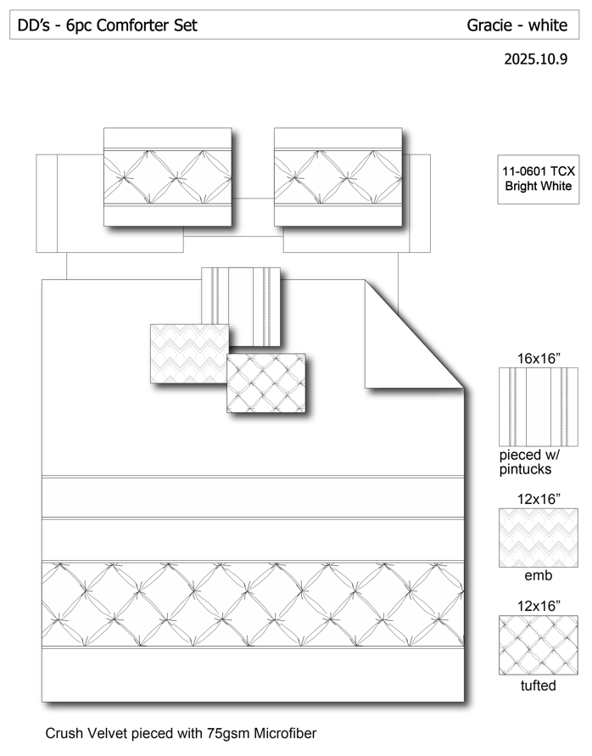 |  |  |  | COMFORTER (SET) | Gracie | 100% Polyester 6pcs Comforter Set | 6pcs Comforter Set | Comforter/shams: FRONT poly crushed velvet ruched, pieced with 75gsm Microfiber. BACK 75gsm microfiber solid. 200gsm poly fill. Dec pillow: microfiber cover, poly fill | 100% Polyester | Queen: 86x86"/20x26"(2pcs)/16x16"/12x16"/12x16" | White |  | DD10-152 |  | Set | ¥91.50 | 8.10 | $11.30 | $11.30 |  | Normal | 56.0 | 50.0 | 72.0 | 4.07 | 3 | 0.202 | 967 | 2250 | $2.33 | 9404.40.9022 | 42.80% | $4.84 | $18.46 | 0.00% | $0.00 | 0.00% | $0.00 | 0.00% | $0.00 | 0 | 0.00% | $0.00 | $0.00 | $18.46 | 14.25% | $21.53 | $21.53 | $36.99 | 41.80% | 41.80% | 460 | $8,492.77 | $9,903.80
2 |  |  |  |  | COMFORTER (SET) | Gracie | 100% Polyester 6pcs Comforter Set | 6pcs Comforter Set | Comforter/shams: FRONT poly crushed velvet ruched, pieced with 75gsm Microfiber. BACK 75gsm microfiber solid. 200gsm poly fill. Dec pillow: microfiber cover, poly fill | 100% Polyester | King: 102x86"/20x36"(2pcs)/16x16"/12x16'/12x16" | White |  | DD10-153 |  | Set | ¥100.50 | 8.10 | $12.41 | $12.41 |  | Normal | 56.0 | 50.0 | 78.0 | 4.27 | 3 | 0.218 | 893 | 2250 | $2.52 | 9404.40.9022 | 42.80% | $5.31 | $20.24 | 0.00% | $0.00 | 0.00% | $0.00 | 0.00% | $0.00 | 0 | 0.00% | $0.00 | $0.00 | $20.24 | 14.34% | $23.63 | $23.63 | $41.99 | 43.72% | 43.72% | 540 | $10,930.40 | $12,760.20
3 | 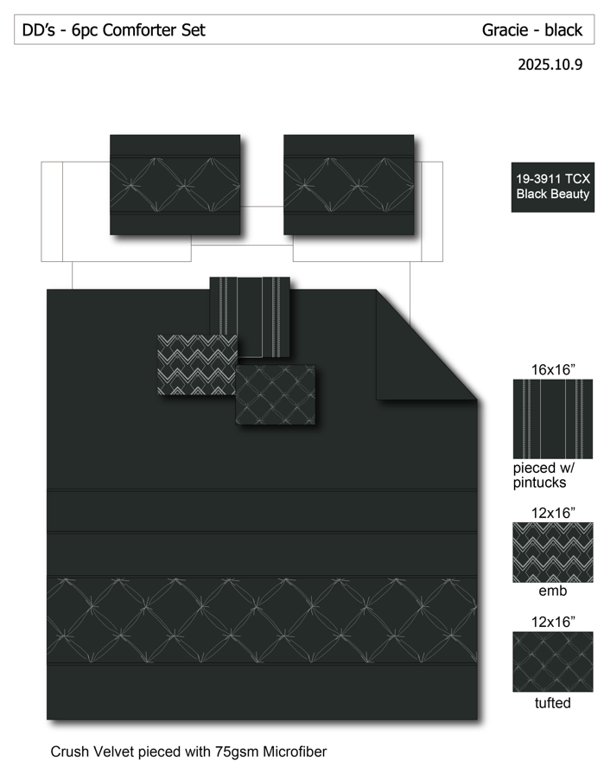 |  |  |  | COMFORTER (SET) | Gracie | 100% Polyester 6pcs Comforter Set | 6pcs Comforter Set | Comforter/shams: FRONT poly crushed velvet ruched, pieced with 75gsm Microfiber. BACK 75gsm microfiber solid. 200gsm poly fill. Dec pillow: microfiber cover, poly fill | 100% Polyester | Queen: 86x86"/20x26"(2pcs)/16x16"/12x16"/12x16" | Black |  | DD10-154 |  | Set | ¥91.50 | 8.10 | $11.30 | $11.30 |  | Normal | 56.0 | 50.0 | 72.0 | 4.07 | 3 | 0.202 | 967 | 2250 | $2.33 | 9404.40.9022 | 42.80% | $4.84 | $18.46 | 0.00% | $0.00 | 0.00% | $0.00 | 0.00% | $0.00 | 0 | 0.00% | $0.00 | $0.00 | $18.46 | 14.25% | $21.53 | $21.53 | $36.99 | 41.80% | 41.80% | 460 | $8,492.77 | $9,903.80
4 |  |  |  |  | COMFORTER (SET) | Gracie | 100% Polyester 6pcs Comforter Set | 6pcs Comforter Set | Comforter/shams: FRONT poly crushed velvet ruched, pieced with 75gsm Microfiber. BACK 75gsm microfiber solid. 200gsm poly fill. Dec pillow: microfiber cover, poly fill | 100% Polyester | King: 102x86"/20x36"(2pcs)/16x16"/12x16'/12x16" | Black |  | DD10-155 |  | Set | ¥100.50 | 8.10 | $12.41 | $12.41 |  | Normal | 56.0 | 50.0 | 78.0 | 4.27 | 3 | 0.218 | 893 | 2250 | $2.52 | 9404.40.9022 | 42.80% | $5.31 | $20.24 | 0.00% | $0.00 | 0.00% | $0.00 | 0.00% | $0.00 | 0 | 0.00% | $0.00 | $0.00 | $20.24 | 14.34% | $23.63 | $23.63 | $41.99 | 43.72% | 43.72% | 540 | $10,930.40 | $12,760.20

