Item
Line No. | Photo | VIN/Art No. | Brand | Licensor | Product Category | Pattern | Item Description | Description-Short | Fabrication | Material-Short | Size/Spec. | Color | Customer Item# | Additional Customer Item# | Item No. | UPC | Unit of Measure | China RMB Cost | Exchange Rate | FOB Cost $ (Formula) | FOB Cost $ (Value) | UCCPM Price | Package Type | Carton Size L (cm) | Carton Size W (cm) | Carton Size H (cm) | Carton Gross Weight (kg) | Case Pack | Cubic Meter per Carton | Total Units per 40ft Container | 40ft Container Freight | Ocean Freight per Item $ | HTS Code | Duty Rate | Duty per Item $ | LDP Cost $ | DA % | DA $ | General Load % | General Load $ | Warehouse Charge % | Warehouse Charge $ | Load 1 | Load 1 % | Load 1 $ | Total Load $ | LDP Cost with Load $ | JLA LDP MU% | JLA POE Price Quote (Formula) | JLA POE Price Quote (Value) | Additional Customer Price | Suggested Retail Price | Retailer Markup (Value) | Retailer Markup (Formula) | Total Quantity | Total Cost | Total Sales
1 |  |  | 510 Design |  | COMFORTER (SET) | Evan | 100% Polyester Evan Comforter Set | Comforter Set | Face: 100% polyster woven fabric Back: 85 gsm polyester MF solid Filling: 200gsm polyester | 100% Polyester | Twin/Twin XL: 66x90/20x26" | Gray |  |  | KL10-3861 |  | Piece | ¥57.80 | 8.10 | $7.14 | $7.14 |  | Normal | 48.00 | 45.00 | 31.00 | 5.00 | 2 | 0.067 | 1941 | 2450 | $1.26 | 9404.40.9022 | 42.80% | $3.06 | $11.46 | 0.00% | $0.00 | 10.00% | $1.68 | 0.00% | $0.00 | MD | 4.00% | $0.67 | $2.35 | $13.81 | 17.80% | $16.80 | $16.80 | $16.80 | $59.99 | 72.00% | 72.00% | 1348 | $18,615.69 | $22,646.40
2 |  |  | 510 Design |  | COMFORTER (SET) | Evan | 100% Polyester Evan Comforter Set | Comforter Set | Face: 100% polyster woven fabric Back: 85 gsm polyester MF solid Filling: 200gsm polyester | 100% Polyester | Full/Queen: 90x90/20x26" (2) | Gray |  |  | KL10-3862 |  | Piece | ¥76.50 | 8.10 | $9.44 | $9.44 |  | Normal | 48.00 | 45.00 | 36.00 | 5.00 | 2 | 0.078 | 1672 | 2450 | $1.47 | 9404.40.9022 | 42.80% | $4.04 | $14.95 | 0.00% | $0.00 | 10.00% | $2.15 | 0.00% | $0.00 | MD | 4.00% | $0.86 | $3.00 | $17.95 | 16.36% | $21.46 | $21.46 | $21.46 | $69.99 | 69.34% | 69.34% | 2768 | $49,686.15 | $59,401.28
3 |  |  | 510 Design |  | COMFORTER (SET) | Evan | 100% Polyester Evan Comforter Set | Comforter Set | Face: 100% polyster woven fabric Back: 85 gsm polyester MF solid Filling: 200gsm polyester | 100% Polyester | King/Cal King: 104x90/20x36" (2) | Gray |  |  | KL10-3863 |  | Piece | ¥87.10 | 8.10 | $10.75 | $10.75 |  | Normal | 48.00 | 45.00 | 42.00 | 5.00 | 2 | 0.091 | 1433 | 2450 | $1.71 | 9404.40.9022 | 42.80% | $4.60 | $17.06 | 0.00% | $0.00 | 10.00% | $2.39 | 0.00% | $0.00 | MD | 4.00% | $0.96 | $3.34 | $20.40 | 14.56% | $23.88 | $23.88 | $23.88 | $79.99 | 70.15% | 70.15% | 1686 | $34,401.01 | $40,261.68
4 |  |  | 510 Design |  | COMFORTER (SET) | Taran | 100% Polyester Taran Comforter Set | Comforter Set | Face: 100% polyster woven fabric Back: 85 gsm polyester MF solid Filling: 200gsm polyester | 100% Polyester | Twin/Twin XL: 66x90/20x26" | Blue |  |  | KL10-3864 |  | Piece | ¥57.80 | 8.10 | $7.14 | $7.14 |  | Normal | 48.00 | 45.00 | 31.00 | 5.00 | 2 | 0.067 | 1941 | 2450 | $1.26 | 9404.40.9022 | 42.80% | $3.06 | $11.46 | 0.00% | $0.00 | 10.00% | $1.68 | 0.00% | $0.00 | MD | 4.00% | $0.67 | $2.35 | $13.81 | 17.80% | $16.80 | $16.80 | $16.80 | $59.99 | 72.00% | 72.00% | 1325 | $18,298.06 | $22,260.00
5 | 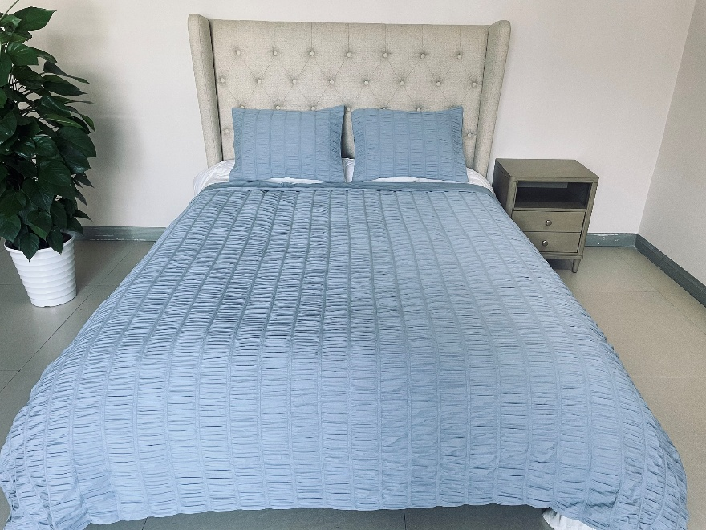 |  | 510 Design |  | COMFORTER (SET) | Taran | 100% Polyester Taran Comforter Set | Comforter Set | Face: 100% polyster woven fabric Back: 85 gsm polyester MF solid Filling: 200gsm polyester | 100% Polyester | Full/Queen: 90x90/20x26" (2) | Blue |  |  | KL10-3865 |  | Piece | ¥76.50 | 8.10 | $9.44 | $9.44 |  | Normal | 48.00 | 45.00 | 36.00 | 5.00 | 2 | 0.078 | 1672 | 2450 | $1.47 | 9404.40.9022 | 42.80% | $4.04 | $14.95 | 0.00% | $0.00 | 10.00% | $2.15 | 0.00% | $0.00 | MD | 4.00% | $0.86 | $3.00 | $17.95 | 16.36% | $21.46 | $21.46 | $21.46 | $69.99 | 69.34% | 69.34% | 2846 | $51,086.26 | $61,075.16
6 |  |  | 510 Design |  | COMFORTER (SET) | Taran | 100% Polyester Taran Comforter Set | Comforter Set | Face: 100% polyster woven fabric Back: 85 gsm polyester MF solid Filling: 200gsm polyester | 100% Polyester | King/Cal King: 104x90/20x36" (2) | Blue |  |  | KL10-3866 |  | Piece | ¥87.10 | 8.10 | $10.75 | $10.75 |  | Normal | 48.00 | 45.00 | 42.00 | 5.00 | 2 | 0.091 | 1433 | 2450 | $1.71 | 9404.40.9022 | 42.80% | $4.60 | $17.06 | 0.00% | $0.00 | 10.00% | $2.39 | 0.00% | $0.00 | MD | 4.00% | $0.96 | $3.34 | $20.40 | 14.56% | $23.88 | $23.88 | $23.88 | $79.99 | 70.15% | 70.15% | 1838 | $37,502.41 | $43,891.44

