Cost
Customer | Bealls Outlet |  | Quote date | 2025-09-25
Project Name |  |  | Quote by | Dinglifen
Sample #, Factory name | Lead time, MOQ | Item Description | Fabrication | Size / Spec. | F.O.B Cost $ | Feight |  |  |  |  |  |  |  | Picture
 |  |  |  |  |  | Carton size |  |  | Total units per carton | Cubic Meter/ per item | Total units per 40' Cnt | Freight cost per 40' | Freight cost per item $
 |  |  |  |  |  | L (cm) | W (cm) | H (cm)
 |  |  |  |  |  |  |  |  |  |  |  |  |  |  |  | 8.29 FOB Cost
JOL 85gsm素色 | 80-90 days MOQ 500sets/color | 四件套:枕套/床单大身联体不裁断，做4"头子。床单两侧和底边1/2"卷边;枕套正背面一样。床笠一周做0.7cm宽乳胶橡筋卷边工艺,床笠四角1/4"卷边。PVC袋+彩卡 | 85gsm Microfiber Solid 100% Polyester 素色 | Twin: 66x96"/20x30"(1)/39x75"+14" | $3.25 | 30 | 25 | 26 | 4 | 0.0049 | 11,429
 |  |  |  | Full: 81x96"/20x30"(2)/54x75"+14" | $3.92 | 30 | 25 | 30 | 4 | 0.0056 | 10,000
 |  |  |  | Queen: 90x102"/20x30"(2)/60x80"+14" | $4.31 | 30 | 25 | 34 | 4 | 0.0064 | 8,750
 |  |  |  | King: 108x102"/20x40"(2)/78x80"+14" | $4.95 | 30 | 25 | 40 | 4 | 0.0075 | 7,467
 |  |  |  | SPC: 20x30"(2) | $1.04 | 30 | 25 | 13 | 8 | 0.0012 | 46,667
 |  |  |  | KPC: 20x40"(2) | $1.20 | 30 | 25 | 15 | 8 | 0.0014 | 40,000
JOL 85gsm涂料印花 | 80-90 days MOQ 1000sets/color | 四件套:枕套/床单大身联体不裁断，做4"头子。床单两侧和底边1/2"卷边;枕套正背面一样。床笠一周做0.7cm宽乳胶橡筋卷边工艺,床笠四角1/4"卷边。PVC袋+彩卡 | 85gsm Microfiber Pigment Printed 100% Polyester 涂料印花 | Twin: 66x96"/20x30"(1)/39x75"+14" | $3.42 | 30 | 25 | 26 | 4 | 0.0049 | 11,429 |  |  |  | 5% | 3.42 | 0%
 |  |  |  | Full: 81x96"/20x30"(2)/54x75"+14" | $4.13 | 30 | 25 | 30 | 4 | 0.0056 | 10,000 |  |  |  | 5% | 4.13 | 0%
 |  |  |  | Queen: 90x102"/20x30"(2)/60x80"+14" | $4.54 | 30 | 25 | 34 | 4 | 0.0064 | 8,750 |  |  |  | 5% | 4.54 | 0%
 |  |  |  | King: 108x102"/20x40"(2)/78x80"+14" | $5.20 | 30 | 25 | 40 | 4 | 0.0075 | 7,467 |  |  |  | 5% | 5.20 | 0%
 |  |  |  | SPC: 20x30"(2) | $1.10 | 30 | 25 | 13 | 8 | 0.0012 | 46,667 |  |  |  | 6% | 1.10 | 0%
 |  |  |  | KPC: 20x40"(2) | $1.26 | 30 | 25 | 15 | 8 | 0.0014 | 40,000 |  |  |  | 5% | 1.26 | 0%
JOL 85gsm加国产凉感助剂 | 80-90 days MOQ 500sets/color | 四件套:枕套/床单大身联体不裁断，做4"头子。床单两侧和底边1/2"卷边;枕套正背面一样。床笠一周做0.7cm宽乳胶橡筋卷边工艺,床笠四角1/4"卷边。PVC袋+彩卡 | 85gsm Microfiber Solid 100% Polyester with cooling topical treatment (20 washings) 国产凉感助剂，35元/kg，用量为布重1.5% | Twin: 66x96"/20x30"(1)/39x75"+14" | $3.31 | 30 | 25 | 26 | 4 | 0.0049 | 11,429 |  |  |  | 2% | 3.72 | -11% | BCF 85gsm
 |  |  |  | Full: 81x96"/20x30"(2)/54x75"+14" | $4.00 | 30 | 25 | 30 | 4 | 0.0056 | 10,000 |  |  |  | 2% | 4.58 | -13%
 |  |  |  | Queen: 90x102"/20x30"(2)/60x80"+14" | $4.40 | 30 | 25 | 34 | 4 | 0.0064 | 8,750 |  |  |  | 2% | 5.09 | -14%
 |  |  |  | King: 108x102"/20x40"(2)/78x80"+14" | $5.04 | 30 | 25 | 40 | 4 | 0.0075 | 7,467 |  |  |  | 2% | 5.89 | -14%
 |  |  |  | SPC: 20x30"(2) | $1.06 | 30 | 25 | 13 | 8 | 0.0012 | 46,667 |  |  |  | 2% | 0.98 | 8%
 |  |  |  | KPC: 20x40"(2) | $1.23 | 30 | 25 | 15 | 8 | 0.0014 | 40,000 |  |  |  | 3% | 1.12 | 10%
JOL 144TC全棉素色 | 80-90 days MOQ 500sets/color | 四件套:枕套/床单大身联体不裁断，做4"头子。床单两侧和底边1/2"卷边;枕套正背面一样。床笠一周做0.7cm宽乳胶橡筋卷边工艺,床笠四角1/4"卷边。PVC袋+彩卡 | 144TC Cotton Solid 100% Cotton (32x32s/78x65) 平纹 出美国，要求非新疆棉 | Twin: 66x96"/20x30"(1)/39x75"+14" | $7.85 | 30 | 25 | 26 | 4 | 0.0049 | 11,429
 |  |  |  | Full: 81x96"/20x30"(2)/54x75"+14" | $9.85 | 30 | 25 | 30 | 4 | 0.0056 | 10,000 |  |  |  |  | PAK
 |  |  |  | Queen: 90x102"/20x30"(2)/60x80"+14" | $10.95 | 30 | 25 | 34 | 4 | 0.0064 | 8,750 |  |  |  |  | 11.48 | -5%
 |  |  |  | King: 108x102"/20x40"(2)/78x80"+14" | $12.90 | 30 | 25 | 40 | 4 | 0.0075 | 7,467 |  |  |  |  | 13.58 | -5%
 |  |  |  | SPC: 20x30"(2) | $1.85 | 30 | 25 | 13 | 8 | 0.0012 | 46,667 |  |  |  |  | 1.90 | -3%
 |  |  |  | KPC: 20x40"(2) | $2.20 | 30 | 25 | 15 | 8 | 0.0014 | 40,000 |  |  |  |  | 2.25 | -2%
HNM 90gsm色丁素色 | 80-90 days MOQ 500sets/color | 四件套:枕套/床单大身联体不裁断，做4"头子。床单两侧和底边1/2"卷边;枕套正背面一样。床笠一周做0.7cm宽乳胶橡筋卷边工艺,床笠四角1/4"卷边。抽绳布袋+车缝彩卡 | 90gsm Satin Solid 100% Polyester | Twin: 66x96"/20x30"(1)/39x75"+14" | $4.30 | 30 | 25 | 26 | 4 | 0.0049 | 11,429 |  |  |  | 32%
 |  |  |  | Full: 81x96"/20x30"(2)/54x75"+14" | $5.25 | 30 | 25 | 30 | 4 | 0.0056 | 10,000 |  |  |  | 34%
 |  |  |  | Queen: 90x102"/20x30"(2)/60x80"+14" | $5.75 | 30 | 25 | 34 | 4 | 0.0064 | 8,750 |  |  |  | 33% | 6.16 | -7%
 |  |  |  | King: 108x102"/20x40"(2)/78x80"+14" | $6.55 | 30 | 25 | 40 | 4 | 0.0075 | 7,467 |  |  |  | 32% | 7.20 | -9%
 |  |  |  | SPC: 20x30"(2) | $1.14 | 30 | 25 | 13 | 8 | 0.0012 | 46,667 |  |  |  | 10% | 1.06 | 7%
 |  |  |  | KPC: 20x40"(2) | $1.29 | 30 | 25 | 15 | 8 | 0.0014 | 40,000 |  |  |  | 8% | 1.21 | 7%
HNM 85gsm胶印 | 80-90 days MOQ 500sets/color | 四件套:床单大身裁断做4"胶印头子 ,两侧1/2"卷边,底边1/2"卷边;枕套正面裁断做4"胶印头子，反面大身联体不裁断。床笠一周做0.7CM橡筋,床笠四角1/4"卷边。件套胶印拼接魔术贴布袋+车缝彩卡 | 85gsm Microfiber Solid 100% Polyester with 3D Embossed hem 胶印 | Twin: 66x96"/20x30"(1)/39x75"+14" | $4.34 | 30 | 25 | 26 | 4 | 0.0049 | 11,429 |  |  |  | 34%
 |  |  |  | Full: 81x96"/20x30"(2)/54x75"+14" | $5.19 | 30 | 25 | 30 | 4 | 0.0056 | 10,000 |  |  |  | 32%
 |  |  |  | Queen: 90x102"/20x30"(2)/60x80"+14" | $5.58 | 30 | 25 | 34 | 4 | 0.0064 | 8,750 |  |  |  | 29%
 |  |  |  | King: 108x102"/20x40"(2)/78x80"+14" | $6.33 | 30 | 25 | 40 | 4 | 0.0075 | 7,467 |  |  |  | 28%
 |  |  |  | SPC: 20x30"(2) | $1.34 | 30 | 25 | 13 | 8 | 0.0012 | 46,667 |  |  |  | 29%
 |  |  |  | KPC: 20x40"(2) | $1.48 | 30 | 25 | 15 | 8 | 0.0014 | 40,000 |  |  |  | 23% | HG
JOL 300TC全天丝 | 80-90 days MOQ 500sets/color | 四件套:枕套/床单大身联体不裁断，做4"头子。床单两侧和底边1/2"卷边;枕套正背面一样。床笠一周做0.7cm宽乳胶橡筋卷边工艺,床笠四角1/4"卷边。抽绳布袋+车缝彩卡 | 300TC Tencel Solid 100% Tencel 60x60s/200x95 兰精天丝G100 | Twin: 66x96"/20x30"(1)/39x75"+15" | $12.80 | 30 | 25 | 28 | 4 | 0.0053 | 10,566 |  |  |  | 45% | 13.96 | -8%
 |  |  |  | Full: 81x96"/20x30"(2)/54x75"+15" | $15.80 | 30 | 25 | 32 | 4 | 0.0060 | 9,333 |  |  |  | 44% | 17.08 | -7%
 |  |  |  | Queen: 90x102"/20x30"(2)/60x80"+15" | $16.90 | 30 | 25 | 36 | 4 | 0.0068 | 8,235 |  |  |  | 43% | 18.31 | -8%
 |  |  |  | King: 108x102"/20x40"(2)/78x80"+15" | $19.90 | 30 | 25 | 42 | 4 | 0.0079 | 7,089 |  |  |  | 43% | 21.48 | -7%
 |  |  |  | SPC: 20x30"(2) | $2.95 | 30 | 25 | 15 | 8 | 0.0014 | 40,000 |  |  |  | 51% | 3.04 | -3%
 |  |  |  | KPC: 20x40"(2) | $3.54 | 30 | 25 | 17 | 8 | 0.0016 | 35,000 |  |  |  | 51% | 3.63 | -2%
JOL 180TC天丝涤水洗 | 80-90 days MOQ 500sets/color | 四件套:枕套/床单大身联体不裁断，做4"头子。床单两侧和底边1/2"卷边;枕套正背面一样。床笠一周做0.7cm宽乳胶橡筋卷边工艺,床笠四角1/4"卷边。抽绳布袋+车缝彩卡 | 180TC Tencel Poly Solid 55% Tencel (兰精天丝) 45% Polyester 75Dx30s/96x84 经向涤纬向天丝 （水洗皱） | Twin: 66x96"/20x30"(1)/39x75"+15" | $8.85 | 30 | 25 | 28 | 4 | 0.0053 | 10,566
 |  |  |  | Full: 81x96"/20x30"(2)/54x75"+15" | $11.00 | 30 | 25 | 32 | 4 | 0.0060 | 9,333
 |  |  |  | Queen: 90x102"/20x30"(2)/60x80"+15" | $11.80 | 30 | 25 | 36 | 4 | 0.0068 | 8,235
 |  |  |  | King: 108x102"/20x40"(2)/78x80"+15" | $13.90 | 30 | 25 | 42 | 4 | 0.0079 | 7,089
...
Customer | Bealls Outlet |  | Quote date | 2025-09-25
JOL 90gsm竹涤单染 | 80-90 days MOQ 500sets/color | 四件套:枕套/床单大身联体不裁断，做4"头子。床单两侧和底边1/2"卷边;枕套正背面一样。床笠一周做0.7cm宽乳胶橡筋卷边工艺,床笠四角1/4"卷边。抽绳布袋+车缝彩卡 | 90gsm Poly Bamboo Blend Solid 70% Polyester 30% Rayon from Bamboo (75Dx75D+60s/100x68) 竹涤单染 | Twin: 66x96"/20x30"(1)/39x75"+15" | $5.72 | 30 | 25 | 26 | 4 | 0.0049
 |  |  |  | Full: 81x96"/20x30"(2)/54x75"+15" | $7.00 | 30 | 25 | 30 | 4 | 0.0056 | 10,000
 |  |  |  | Queen: 90x102"/20x30"(2)/60x80"+15" | $7.40 | 30 | 25 | 34 | 4 | 0.0064 | 8,750 |  |  |  |  | 7.30 | 1%
 |  |  |  | King: 108x102"/20x40"(2)/78x80"+15" | $8.60 | 30 | 25 | 40 | 4 | 0.0075 | 7,467 |  |  |  |  | 8.50 | 1%
 |  |  |  | SPC: 20x30"(2) | $1.40 | 30 | 25 | 13 | 8 | 0.0012 | 46,667 |  |  |  |  | 1.35 | 4%
 |  |  |  | KPC: 20x40"(2) | $1.65 | 30 | 25 | 15 | 8 | 0.0014 | 40,000 |  |  |  |  | 1.60 | 3%

 |  | 无测试无客检

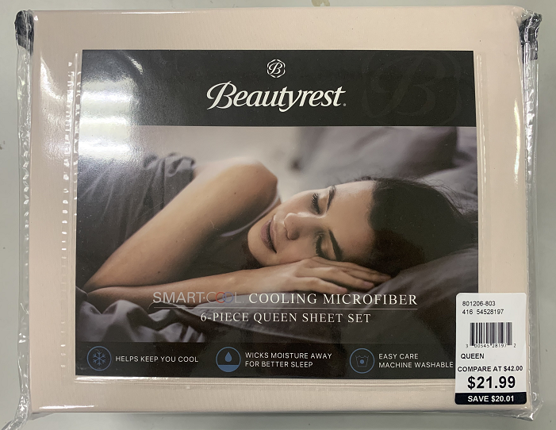
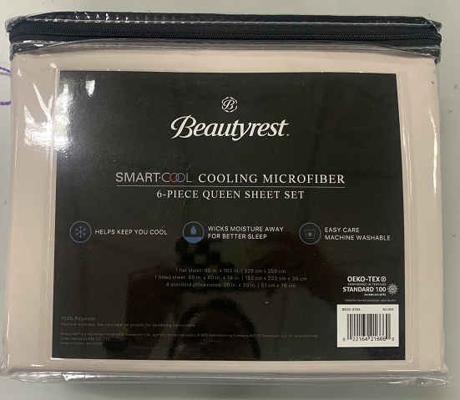
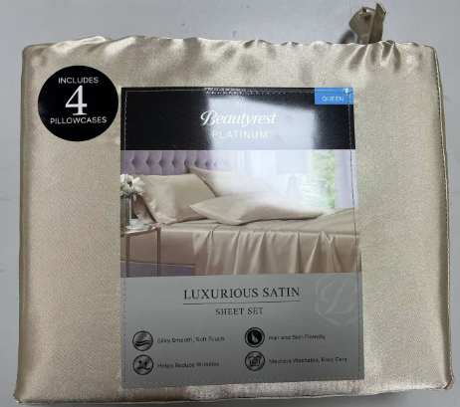
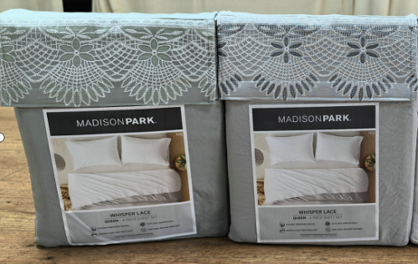
 |  | 包装参考：
 |  | PVC袋+彩卡 |  |  | 抽绳布袋+车缝彩卡 |  |  |  |  |  |  | 双色胶印魔术贴布袋+车缝彩卡
 | 件套

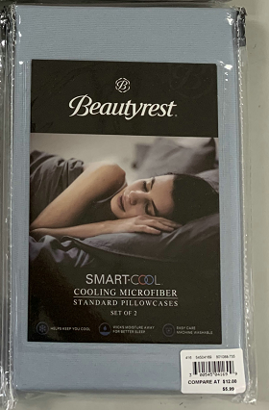
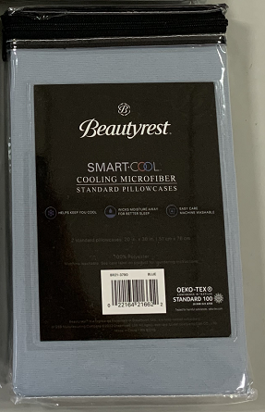
 | 枕套

4"

