Item
Line No. | Photo | Brand | Licensor | Product Category | Pattern | Item Description | Description-Short | Fabrication | Material-Short | Size/Spec. | Color | Item No. | UPC | Unit of Measure | UCCPM Price / FOB Cost $ | Package Type | Packaging | Master Carton L (cm) | Master Carton W (cm) | Master Carton H (cm) | Carton Size L (cm) | Carton Size W (cm) | Carton Size H (cm) | Carton Gross Weight (kg) | Case Pack | Cubic Meter per Carton | Container Volume | Total Units per 40ft Container | 40ft Container Freight | Ocean Freight per Item $ | HTS Code | Duty Rate | Duty per Item $ | LDP Cost $ | DA % | DA $ | Royalty % | Royalty $ | Other Load | Other Load % | Other Load $ | Total Load $ | LDP Cost with Load $ | JLA LDP MU% | JLA POE Price | MOQ | Total Cost | Total Sales | Master Carton CBM | Master Carton Weight (kg) | Remarks | Port | COO | Vendor
1 | 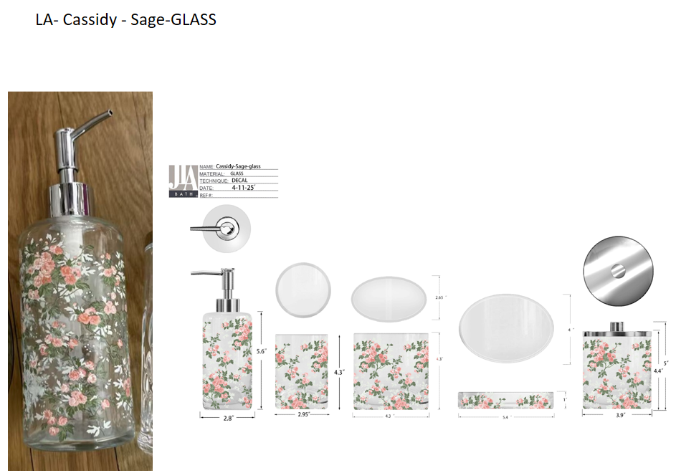 | Laura Ashley | Laura Ashley 5% | Bath Accessories | Cassidy | Glass Lotion Dispenser,plastic chromed pump head | Glass Lotion Dispenser,plastic chromed pump head | glass | glass | 2.9x2.9x7.8"(7.5x7.5x20cm) | Sage/Pink multi | LA71-0288 |  | Piece | $2.56 | Normal | 2 pcs LP+1pc TBH+1 pc TUM+1 pc SD+1pc CJ+1pc Tray mix into master carton | 29.0 | 25.0 | 29.0 | 16 | 8 | 20 | 6.00 | 2 | 0.003 | 63.00 | 49219 | 2,250 | $0.05 | 8424.89.9000 | 31.8% | $0.81 | $3.42 | 0.00% | $0.00 | 6.00% | $0.38 | $0.00 | 0.00% | $0.00 | $0.38 | $3.80 | 39.72% | $6.30 | 1200 | $4,557.35 | $7,560.00 | 12.61 | 11.3 |  | Yantian | China | A
2 |  | Laura Ashley | Laura Ashley 5% | Bath Accessories |  | Glass Toothbrush holder | Glass Toothbrush holder |  |  | 3.6x2.4x4.2"(9.3x6.2x10.7cm) |  | LA71-0289 |  | Piece | $3.01 | Normal |  |  |  |  | 10 | 7 | 11 | 6.00 | 1 | 0.001 | 63.00 | 81818 | 2,250 | $0.03 | 7013.99.8090 | 41.3% | $1.24 | $4.28 | 0.00% | $0.00 | 6.00% | $0.36 | $0.00 | 0.00% | $0.00 | $0.36 | $4.64 | 22.66% | $6.00 | 600 | $2,784.38 | $3,600.00 |  |  |  | Yantian | China
3 |  | Laura Ashley | Laura Ashley 5% | Bath Accessories |  | Glass Tumbler | Glass Tumbler |  |  | 3.1x3.1x4.2"(7.9x7.9x10.8cm) |  | LA71-0290 |  | Piece | $1.87 | Normal |  |  |  |  | 8 | 8 | 11 | 6.00 | 1 | 0.001 | 63.00 | 89489 | 2,250 | $0.03 | 7013.99.5010 | 60.0% | $1.12 | $3.02 | 0.00% | $0.00 | 6.00% | $0.28 | $0.00 | 0.00% | $0.00 | $0.28 | $3.30 | 29.12% | $4.65 | 600 | $1,977.69 | $2,790.00 |  |  |  | Yantian | China
4 |  | Laura Ashley | Laura Ashley 5% | Bath Accessories |  | Glass Soap dish | Glass Soap dish |  |  | 5.4x4x1" |  | LA71-0291 |  | Piece | $1.81 | Normal |  |  |  |  | 14 | 11 | 3 | 6.00 | 1 | 0.00046 | 63.00 | 136364 | 2,250 | $0.02 | 7013.99.5010 | 60.0% | $1.09 | $2.91 | 0.00% | $0.00 | 6.00% | $0.28 | $0.00 | 0.00% | $0.00 | $0.28 | $3.19 | 31.37% | $4.65 | 600 | $1,914.90 | $2,790.00 |  |  |  | Yantian | China
5 |  | Laura Ashley | Laura Ashley 5% | Bath Accessories |  | Glass Cotton jar,chromed iron cover | Glass Cotton jar,chromed iron cover |  |  | 3.9x3.9x4.2"(10.1x10.1x10.7cm) |  | LA71-0292 |  | Piece | $3.17 | Normal |  |  |  |  | 11 | 11 | 11 | 6.00 | 1 | 0.001 | 63.00 | 47333 | 2,250 | $0.05 | 7013.99.8090 | 41.3% | $1.31 | $4.53 | 0.00% | $0.00 | 6.00% | $0.40 | $0.00 | 0.00% | $0.00 | $0.40 | $4.93 | 25.93% | $6.65 | 600 | $2,955.45 | $3,990.00 |  |  |  | Yantian | China
6 |  | Laura Ashley | Laura Ashley 5% | Bath Accessories |  | Glass Tray | Glass Tray |  |  | 9.1x5.1x1.2"(23.3x13.1x3.2cm) |  | LA71-0293 |  | Piece | $3.32 | Normal |  |  |  |  | 24 | 14 | 4 | 6.00 | 1 | 0.001 | 63.00 | 46875 | 2,250 | $0.05 | 7013.99.8090 | 41.3% | $1.37 | $4.74 | 0.00% | $0.00 | 6.00% | $0.44 | $0.00 | 0.00% | $0.00 | $0.44 | $5.17 | 28.63% | $7.25 | 600 | $3,104.50 | $4,350.00 |  |  |  | Yantian | China
8 | 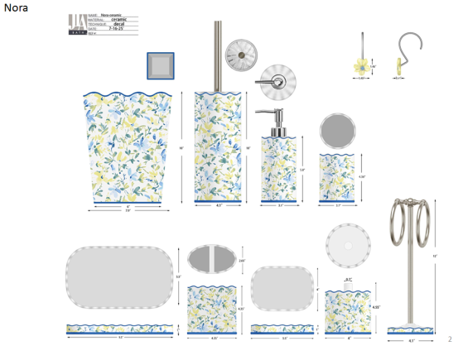 | Laura Ashley | Laura Ashley 5% | Bath Accessories | Nora | Ceramic Lotion Pump | Lotion Pump | ceramic | ceramic | 3.1x3.1x5.8 | Blue/Yellow multi | LA71-0294 |  | Piece | $2.18 | Normal | 2 pcs LP+1 pc TBH+1 pc TUM+1 pc SD+1pc CJ+1pc Tray+1pc WB+1pc BB+1pc Towel Bar+12pcs Hook+混装入外箱--（垃圾桶/毛巾架入保利龙装一个内盒） | 45.0 | 40.0 | 40.0 | 18.7 | 10.9 | 23.7 | 6.00 | 2 | 0.005 | 63.00 | 26083 | 2,250 | $0.09 | 8424.89.9000 | 31.8% | $0.69 | $2.96 | 0.00% | $0.00 | 6.00% | $0.33 | $0.00 | 0.00% | $0.00 | $0.33 | $3.29 | 40.19% | $5.50 | 1000 | $3,289.50 | $5,500.00 | 36.00 |  |  | Yantian | China | A
9 |  | Laura Ashley | Laura Ashley 5% | Bath Accessories |  | Ceramic Toothbrush holder | Toothbrush holder |  |  | 4.25x2.65x4.35 |  | LA71-0295 |  | Piece | $1.62 | Normal |  |  |  |  | 13.0 | 8.7 | 13.0 | 6.00 | 1 | 0.001 | 63.00 | 42848 | 2,250 | $0.05 | 6912.00.5000 | 36.0% | $0.58 | $2.26 | 0.00% | $0.00 | 6.00% | $0.24 | $0.00 | 0.00% | $0.00 | $0.24 | $2.49 | 36.89% | $3.95 | 500 | $1,246.36 | $1,975.00 |  |  |  | Yantian | China
10 |  | Laura Ashley | Laura Ashley 5% | Bath Accessories |  | Ceramic Tumbler | Tumbler |  |  | 3.1x3.1x4.36 |  | LA71-0296 |  | Piece | $1.55 | Normal |  |  |  |  | 9.9 | 9.9 | 13.0 | 6.00 | 1 | 0.001 | 63.00 | 49446 | 2,250 | $0.05 | 6912.00.5000 | 36.0% | $0.56 | $2.15 | 0.00% | $0.00 | 6.00% | $0.24 | $0.00 | 0.00% | $0.00 | $0.24 | $2.39 | 39.48% | $3.95 | 500 | $1,195.25 | $1,975.00 |  |  |  | Yantian | China
11 |  | Laura Ashley | Laura Ashley 5% | Bath Accessories |  | Ceramic Soap dish | Soap dish |  |  | 5.5x4x1 |  | LA71-0297 |  | Piece | $1.45 | Normal |  |  |  |  | 16.0 | 4.5 | 12.2 | 6.00 | 1 | 0.001 | 63.00 | 71721 | 2,250 | $0.03 | 6912.00.5000 | 36.0% | $0.52 | $2.00 | 0.00% | $0.00 | 6.00% | $0.20 | $0.00 | 0.00% | $0.00 | $0.20 | $2.20 | 34.20% | $3.35 | 500 | $1,102.19 | $1,675.00 |  |  |  | Yantian | China
12 |  | Laura Ashley | Laura Ashley 5% | Bath Accessories |  | Ceramic Cotton jar | Cotton jar |  |  | 4x4x4.55 |  | LA71-0298 |  | Piece | $2.28 | Normal |  |  |  |  | 12.2 | 12.2 | 13.0 | 6.00 | 1 | 0.002 | 63.00 | 32559 | 2,250 | $0.07 | 6912.00.5000 | 36.0% | $0.82 | $3.17 | 0.00% | $0.00 | 6.00% | $0.32 | $0.00 | 0.00% | $0.00 | $0.32 | $3.48 | 33.62% | $5.25 | 500 | $1,742.45 | $2,625.00 |  |  |  | Yantian | China
13 |  | Laura Ashley | Laura Ashley 5% | Bath Accessories |  | Ceramic Tray | Tray |  |  | 9.5x5.5x1 |  | LA71-0299 |  | Piece | $2.45 | Normal |  |  |  |  | 26.1 | 4.5 | 16.0 | 6.00 | 1 | 0.002 | 63.00 | 33525 | 2,250 | $0.07 | 6912.00.5000 | 36.0% | $0.88 | $3.40 | 0.00% | $0.00 | 6.00% | $0.35 | $0.00 | 0.00% | $0.00 | $0.35 | $3.75 | 35.90% | $5.85 | 500 | $1,875.06 | $2,925.00 |  |  |  | Yantian | China
14 |  | Laura Ashley | Laura Ashley 5% | Bath Accessories |  | Ceramic Wastebasket | Wastebasket |  |  | 7.9x7.9x10 |  | LA71-0300 |  | Piece | $8.20 | Normal |  |  |  |  | 26.1 | 26.1 | 31.4 | 6.00 | 1 | 0.021 | 63.00 | 2945 | 2,250 | $0.76 | 6912.00.5000 | 36.0% | $2.95 | $11.92 | 0.00% | $0.00 | 6.00% | $1.01 | $0.00 | 0.00% | $0.00 | $1.01 | $12.92 | 22.86% | $16.75 | 500 | $6,460.46 | $8,375.00 |  |  |  | Yantian | China
15 |  | Laura Ashley | Laura Ashley 5% | Bath Accessories |  | Ceramic Toilet brush holder | Toilet brush holder |  |  | 4.1x4.1x10 |  | LA71-0301 |  | Piece | $4.56 | Normal |  |  |  |  | 12.4 | 12.4 | 39.4 | 6.00 | 1 | 0.006 | 63.00 | 10399 | 2,250 | $0.22 | 6912.00.5000 | 36.0% | $1.64 | $6.42 | 0.00% | $0.00 | 6.00% | $0.53 | $0.00 | 0.00% | $0.00 | $0.53 | $6.94 | 20.65% | $8.75 | 500 | $3,471.48 | $4,375.00 |  |  |  | Yantian | China
16 |  | Laura Ashley | Laura Ashley 5% | Bath Accessories |  | Ceramic Towel Bar | Towel Bar |  |  | 4.1x4.1x12 |  | LA71-0302 |  | Piece | $4.22 | Normal |  |  |  |  | 18.6 | 18.6 | 42.1 | 6.00 | 1 | 0.015 | 63.00 | 4325 | 2,250 | $0.52 | 6912.00.5000 | 36.0% | $1.52 | $6.26 | 0.00% | $0.00 | 6.00% | $0.51 | $0.00 | 0.00% | $0.00 | $0.51 | $6.77 | 20.36% | $8.50 | 500 | $3,384.69 | $4,250.00 |  |  |  | Yantian | China
17 |  | Laura Ashley | Laura Ashley 5% | Bath Accessories |  | Resin hooks | hook | Resin | Resin | 1.45x1.45 | painted | LA71-0303 |  | Piece | $1.70 | Normal |  |  |  |  | 9.0 | 7.0 | 17.5 | 6.00 | 1 | 0.001 | 63.00 | 57143 | 2,250 | $0.04 | 6912.00.5000 | 36.0% | $0.61 | $2.35 | 0.00% | $0.00 | 6.00% | $0.22 | $0.00 | 0.00% | $0.00 | $0.22 | $2.57 | 29.58% | $3.65 | 500 | $1,285.19 | $1,825.00 |  |  |  | Yantian | China
19 |  | Natori | Natori 7% | Bath Accessories | Ayna | Resin Lotion Pump( chrome pump) | Resin Lotion Pump | Resin hand paint /matte +embossed | Resin hand paint /matte +embossed | 3x3x8.15" | Beige | NA71-3374 |  | Piece | $2.40 | Normal | 2 pcs LP+1 pc TBH+1 pc TUM+1 pc SD+1pc CJ+1pc Tray +1pc 2org+ 1pc TC+1pc WB+1pc BB 11pcs混装入外箱 | 42.0 | 27.5 | 40.5 | 17.50 | 9.00 | 21.50 | 6.00 | 2 | 0.003 | 63.00 | 37209 | 2,250 | $0.06 | 8424.89.9000 | 31.8% | $0.76 | $3.22 | 0.00% | $0.00 | 5.00% | $0.26 | $0.00 | 0.00% | $0.00 | $0.26 | $3.49 | 33.60% | $5.25 | 1000 | $3,486.17 | $5,250.00 | 23.39 |  |  | Yantian,China | China | C
20 |  | Natori | Natori 7% | Bath Accessories |  | Resin Toothbrush holder | Resin Toothbrush holder |  |  | 4.25x2.36x4.45" |  | NA71-3375 |  | Piece | $1.50 | Normal |  |  |  |  | 12.50 | 7.50 | 13.00 | 6.00 | 1 | 0.001 | 63.00 | 51692 | 2,250 |  | 3924.10.4000 | 33.4% | $0.50 | $2.00 | 0.00% | $0.00 | 5.00% | $0.16 | $0.00 | 0.00% | $0.00 | $0.16 | $2.16 | 30.45% | $3.10 | 500 | $1,078.00 | $1,550.00 |  |  |  | Yantian,China | China
21 |  | Natori | Natori 7% | Bath Accessories |  | Resin Tumbler | Resin Tumbler |  |  | 3x3x4.45" |  | NA71-3376 |  | Piece | $1.40 | Normal |  |  |  |  | 9.00 | 9.00 | 13.00 | 6.00 | 1 | 0.001 | 63.00 | 59829 | 2,250 |  | 3924.10.4000 | 33.4% | $0.47 | $1.87 | 0.00% | $0.00 | 5.00% | $0.16 | $0.00 | 0.00% | $0.00 | $0.16 | $2.02 | 34.75% | $3.10 | 500 | $1,011.30 | $1,550.00 |  |  |  | Yantian,China | China
22 |  | Natori | Natori 7% | Bath Accessories |  | Resin Soap dish | Resin Soap dish |  |  | 5.5x3.94x1" |  | NA71-3377 |  | Piece | $1.40 | Normal |  |  |  |  | 15.50 | 4.00 | 11.50 | 6.00 | 1 | 0.001 | 63.00 | 88359 | 2,250 |  | 3924.10.4000 | 33.4% | $0.47 | $1.87 | 0.00% | $0.00 | 5.00% | $0.15 | $0.00 | 0.00% | $0.00 | $0.15 | $2.02 | 32.75% | $3.00 | 500 | $1,008.80 | $1,500.00 |  |  |  | Yantian,China | China
23 |  | Natori | Natori 7% | Bath Accessories |  | Resin Cotton jar | Resin Cotton jar |  |  | 3.94x3.94x4.8" |  | NA71-3378 |  | Piece | $2.10 | Normal |  |  |  |  | 11.5 | 11.5 | 13.5 | 6.00 | 1 | 0.002 | 63.00 | 35287 | 2,250 | $0.06 | 3924.10.4000 | 33.4% | $0.70 | $2.87 | 0.00% | $0.00 | 5.00% | $0.22 | $0.00 | 0.00% | $0.00 | $0.22 | $3.09 | 29.88% | $4.40 | 500 | $1,542.58 | $2,200.00 |  |  |  | Yantian,China | China
24 |  | Natori | Natori 7% | Bath Accessories |  | Resin Tray | Resin Tray |  |  | 10x5.5x1" |  | NA71-3379 |  | Piece | $2.80 | Normal |  |  |  |  | 27.50 | 4.50 | 15.50 | 6.00 | 1 | 0.002 | 63.00 | 32845 | 2,250 | $0.07 | 3924.10.4000 | 33.4% | $0.94 | $3.80 | 0.00% | $0.00 | 5.00% | $0.27 | $0.00 | 0.00% | $0.00 | $0.27 | $4.07 | 23.90% | $5.35 | 500 | $2,035.60 | $2,675.00 |  |  |  | Yantian,China | China
25 |  | Natori | Natori 7% | Bath Accessories |  | Resin 2 hole organizer | Resin 2 hole organizer |  |  | 5.9x3.07x3.94" |  | NA71-3380 |  | Piece | $2.70 | Normal |  |  |  |  | 16.0 | 9.0 | 11.5 | 6.00 | 1 | 0.002 | 63.00 | 38043 | 2,250 | $0.06 | 3924.10.4000 | 33.4% | $0.90 | $3.66 | 0.00% | $0.00 | 5.00% | $0.27 | $0.00 | 0.00% | $0.00 | $0.27 | $3.93 | 26.57% | $5.35 | 500 | $1,964.22 | $2,675.00 |  |  |  | Yantian,China | China
26 |  | Natori | Natori 7% | Bath Accessories |  | Resin Tissue cover | Resin Tissue cover |  |  | 5.75x5.75x5.9" |  | NA71-3381 |  | Piece | $3.85 | Normal |  |  |  |  | 17.0 | 17.0 | 16.5 | 6.00 | 1 | 0.005 | 63.00 | 13212 | 2,250 | $0.17 | 3924.10.4000 | 33.4% | $1.29 | $5.31 | 0.00% | $0.00 | 5.00% | $0.39 | $0.00 | 0.00% | $0.00 | $0.39 | $5.70 | 26.97% | $7.80 | 500 | $2,848.10 | $3,900.00 |  |  |  | Yantian,China | China
27 |  | Natori | Natori 7% | Bath Accessories |  | Resin Wastebasket | Resin Wastebasket |  |  | 8x8x10" |  | NA71-3382 |  | Piece | $6.50 | Normal |  |  |  |  | 21.5 | 21.5 | 27.0 | 6.00 | 1 | 0.012 | 63.00 | 5048 | 2,250 | $0.45 | 3924.10.4000 | 33.4% | $2.17 | $9.12 | 0.00% | $0.00 | 5.00% | $0.70 | $0.00 | 0.00% | $0.00 | $0.70 | $9.81 | 29.65% | $13.95 | 500 | $4,907.12 | $6,975.00 |  |  |  | Yantian,China | China
28 |  | Natori | Natori 7% | Bath Accessories |  | Resin Toilet Brush | Resin Toilet Brush |  |  | 3.86x3.86x14.7" |  | NA71-3383 |  | Piece | $3.90 | Normal |  |  |  |  | 12.5 | 12.5 | 38.5 | 6.00 | 1 | 0.006 | 63.00 | 10473 | 2,250 | $0.21 | 3924.10.4000 | 33.4% | $1.30 | $5.42 | 0.00% | $0.00 | 5.00% | $0.40 | $0.00 | 0.00% | $0.00 | $0.40 | $5.81 | 26.42% | $7.90 | 500 | $2,906.22 | $3,950.00 |  |  |  | Yantian,China | China
30 | 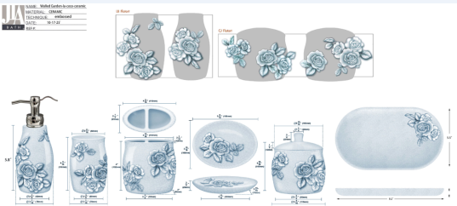 | Laura Ashley | Laura Ashley 5% | Bath Accessories | Cece | Ceramic Lotion Pump | Lotion Pump | ceramic | ceramic | 3.06x3.06x5.8 | blue | LA71-0303 |  | Piece | $2.38 | Normal | 2 pcs LP+1 pc TBH+1 pc TUM+1 pc SD+1pc CJ+1pc Tray+1pc TC+1pc WB+1pc BB混装入外箱--（垃圾桶入保利龙装一个内盒） | 45 | 40 | 35 | 18.6 | 10.8 | 23.7 | 6.00 | 2 | 0.005 | 63.00 | 26466 | 2,250 | $0.09 | 8424.89.9000 | 31.8% | $0.76 | $3.22 | 0.00% | $0.00 | 6.00% | $0.33 | $0.00 | 0.00% | $0.00 | $0.33 | $3.55 | 35.42% | $5.50 | 1000 | $3,551.86 | $5,500.00 | 31.50 |  |  | Yantian | China | B
31 |  | Laura Ashley | Laura Ashley 5% | Bath Accessories |  | Ceramic Toothbrush holder | Toothbrush holder |  |  | 4.3x2.25x4 |  | LA71-0304 |  | Piece | $1.45 | Normal |  |  |  |  | 13.0 | 7.7 | 12.2 | 6.00 | 1 | 0.001 | 63.00 | 51588 | 2,250 | $0.04 | 6912.00.5000 | 36.0% | $0.52 | $2.02 | 0.00% | $0.00 | 6.00% | $0.22 | $0.00 | 0.00% | $0.00 | $0.22 | $2.24 | 40.25% | $3.75 | 500 | $1,120.31 | $1,875.00 |  |  |  | Yantian | China
32 |  | Laura Ashley | Laura Ashley 5% | Bath Accessories |  | Ceramic Tumbler | Tumbler |  |  | 3.06x3.06x4.3 |  | LA71-0305 |  | Piece | $1.38 | Normal |  |  |  |  | 9.8 | 9.8 | 13.0 | 6.00 | 1 | 0.001 | 63.00 | 50460 | 2,250 | $0.04 | 6912.00.5000 | 36.0% | $0.50 | $1.92 | 0.00% | $0.00 | 6.00% | $0.22 | $0.00 | 0.00% | $0.00 | $0.22 | $2.15 | 42.76% | $3.75 | 500 | $1,073.20 | $1,875.00 |  |  |  | Yantian | China
33 |  | Laura Ashley | Laura Ashley 5% | Bath Accessories |  | Ceramic Soap dish | Soap dish |  |  | 5.3x3.94x0.75 |  | LA71-0306 |  | Piece | $1.35 | Normal |  |  |  |  | 15.5 | 3.9 | 12.0 | 6.00 | 1 | 0.001 | 63.00 | 86849 | 2,250 | $0.03 | 6912.00.5000 | 36.0% | $0.49 | $1.86 | 0.00% | $0.00 | 6.00% | $0.22 | $0.00 | 0.00% | $0.00 | $0.22 | $2.08 | 42.28% | $3.60 | 500 | $1,038.95 | $1,800.00 |  |  |  | Yantian | China
34 |  | Laura Ashley | Laura Ashley 5% | Bath Accessories |  | Ceramic Cotton jar | Cotton jar |  |  | 4.3x4.3x3.94x4.72 |  | LA71-0307 |  | Piece | $2.06 | Normal |  |  |  |  | 13.0 | 13.0 | 13.9 | 6.00 | 1 | 0.002 | 63.00 | 26819 | 2,250 | $0.08 | 6912.00.5000 | 36.0% | $0.74 | $2.89 | 0.00% | $0.00 | 6.00% | $0.30 | $0.00 | 0.00% | $0.00 | $0.30 | $3.19 | 36.29% | $5.00 | 500 | $1,592.75 | $2,500.00 |  |  |  | Yantian | China
35 |  | Laura Ashley | Laura Ashley 5% | Bath Accessories |  | Ceramic Tray | Tray |  |  | 9.5x5.5x1 |  | LA71-0308 |  | Piece | $2.20 | Normal |  |  |  |  | 26.1 | 4.5 | 16.0 | 6.00 | 1 | 0.002 | 63.00 | 33525 | 2,250 | $0.07 | 6912.00.5000 | 36.0% | $0.79 | $3.06 | 0.00% | $0.00 | 6.00% | $0.35 | $0.00 | 0.00% | $0.00 | $0.35 | $3.40 | 40.80% | $5.75 | 500 | $1,702.06 | $2,875.00 |  |  |  | Yantian | China
36 |  | Laura Ashley | Laura Ashley 5% | Bath Accessories |  | Ceramic Tissue cover | Tissue cover |  |  | 5.9x5.9x5.9 |  | LA71-0309 |  | Piece | $4.20 | Normal |  |  |  |  | 21.0 | 21.0 | 21.0 | 6.00 | 1 | 0.009 | 63.00 | 6803 | 2,250 | $0.33 | 6912.00.5000 | 36.0% | $1.51 | $6.04 | 0.00% | $0.00 | 6.00% | $0.53 | $0.00 | 0.00% | $0.00 | $0.53 | $6.57 | 24.94% | $8.75 | 500 | $3,283.88 | $4,375.00 |  |  |  | Yantian | China
37 |  | Laura Ashley | Laura Ashley 5% | Bath Accessories |  | Ceramic Wastebasket | Wastebasket |  |  | 8x8x10 |  | LA71-0310 |  | Piece | $7.42 | Normal |  |  |  |  | 26.3 | 26.3 | 31.4 | 6.00 | 1 | 0.022 | 63.00 | 2901 | 2,250 | $0.78 | 6912.00.5000 | 36.0% | $2.67 | $10.87 | 0.00% | $0.00 | 6.00% | $0.98 | $0.00 | 0.00% | $0.00 | $0.98 | $11.84 | 27.13% | $16.25 | 500 | $5,920.94 | $8,125.00 |  |  |  | Yantian | China
38 |  | Laura Ashley | Laura Ashley 5% | Bath Accessories |  | Ceramic Toilet brush holder | Toilet brush holder |  |  | 4.1x4.1x10 |  | LA71-0311 |  | Piece | $4.42 | Normal |  |  |  |  | 12.4 | 12.4 | 39.4 | 6.00 | 1 | 0.006 | 63.00 | 10399 | 2,250 | $0.22 | 6912.00.5000 | 36.0% | $1.59 | $6.23 | 0.00% | $0.00 | 6.00% | $0.53 | $0.00 | 0.00% | $0.00 | $0.53 | $6.75 | 22.83% | $8.75 | 500 | $3,376.28 | $4,375.00 |  |  |  | Yantian | China
40 | 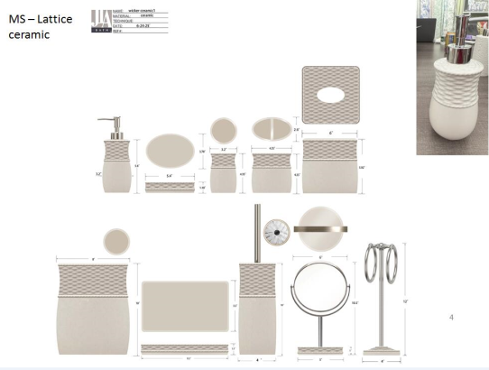 | Martha Stewart | Martha Stewart (Bath) 5% | Bath Accessories | Lattice | Ceramic Lotion Pump | Lotion Pump | ceramic | ceramic | 3.2x3.2x5.8 | beige | MT71-0719 |  | Piece | $2.00 | Normal | 2 pcs LP+1 pc TBH+1 pc TUM+1 pc SD+1pc Tray+1pc TC+1pc WB+1pc BB+1pc Towel Bar+1pc Mirror混装入外箱--（垃圾桶/毛巾架/镜架入保利龙装一个内盒） | 50 | 40 | 40 | 19.3 | 11.1 | 23.7 | 6.00 | 2 | 0.005 | 63.00 | 24817 | 2,250 | $0.09 | 8424.89.9000 | 31.8% | $0.64 | $2.73 | 0.00% | $0.00 | 5.00% | $0.25 | $0.00 | 0.00% | $0.00 | $0.25 | $2.98 | 40.47% | $5.00 | 1000 | $2,976.67 | $5,000.00 | 40.00 |  |  | Yantian | China | C
41 |  | Martha Stewart | Martha Stewart (Bath) 5% | Bath Accessories |  | Ceramic Toothbrush holder | Toothbrush holder |  |  | 4.35x2.6x4.35 |  | MT71-0720 |  | Piece | $1.42 | Normal |  |  |  |  | 13.0 | 9.1 | 13.0 | 6.00 | 1 | 0.002 | 63.00 | 40965 | 2,250 | $0.05 | 6912.00.5000 | 36.0% | $0.51 | $1.99 | 0.00% | $0.00 | 5.00% | $0.18 | $0.00 | 0.00% | $0.00 | $0.18 | $2.16 | 38.25% | $3.50 | 500 | $1,080.56 | $1,750.00 |  |  |  | Yantian | China
42 |  | Martha Stewart | Martha Stewart (Bath) 5% | Bath Accessories |  | Ceramic Tumbler | Tumbler |  |  | 3.2x3.2x4.35 |  | MT71-0721 |  | Piece | $1.35 | Normal |  |  |  |  | 10.1 | 10.1 | 13.0 | 6.00 | 1 | 0.001 | 63.00 | 47507 | 2,250 | $0.05 | 6912.00.5000 | 36.0% | $0.49 | $1.88 | 0.00% | $0.00 | 5.00% | $0.18 | $0.00 | 0.00% | $0.00 | $0.18 | $2.06 | 41.19% | $3.50 | 500 | $1,029.18 | $1,750.00 |  |  |  | Yantian | China
43 |  | Martha Stewart | Martha Stewart (Bath) 5% | Bath Accessories |  | Ceramic Soap dish | Soap dish |  |  | 5.4x3.78x1.18 |  | MT71-0722 |  | Piece | $1.30 | Normal |  |  |  |  | 15.7 | 4.7 | 11.5 | 6.00 | 1 | 0.001 | 63.00 | 74241 | 2,250 | $0.03 | 6912.00.5000 | 36.0% | $0.47 | $1.80 | 0.00% | $0.00 | 5.00% | $0.17 | $0.00 | 0.00% | $0.00 | $0.17 | $1.97 | 41.32% | $3.35 | 500 | $982.90 | $1,675.00 |  |  |  | Yantian | China
44 |  | Martha Stewart | Martha Stewart (Bath) 5% | Bath Accessories |  | Ceramic Tray | Tray |  |  | 9.5x5.5x1.1 |  | MT71-0723 |  | Piece | $2.16 | Normal |  |  |  |  | 26.1 | 4.5 | 16.0 | 6.00 | 1 | 0.002 | 63.00 | 33525 | 2,250 | $0.07 | 6912.00.5000 | 36.0% | $0.78 | $3.00 | 0.00% | $0.00 | 5.00% | $0.28 | $0.00 | 0.00% | $0.00 | $0.28 | $3.29 | 41.82% | $5.65 | 500 | $1,643.61 | $2,825.00 |  |  |  | Yantian | China
45 |  | Martha Stewart | Martha Stewart (Bath) 5% | Bath Accessories |  | Ceramic Tissue cover | Tissue cover |  |  | 6x6x5.92 |  | MT71-0724 |  | Piece | $4.12 | Normal |  |  |  |  | 21.2 | 21.2 | 21.2 | 6.00 | 1 | 0.010 | 63.00 | 6612 | 2,250 | $0.34 | 6912.00.5000 | 36.0% | $1.48 | $5.94 | 0.00% | $0.00 | 5.00% | $0.43 | $0.00 | 0.00% | $0.00 | $0.43 | $6.38 | 26.29% | $8.65 | 500 | $3,188.00 | $4,325.00 |  |  |  | Yantian | China
46 |  | Martha Stewart | Martha Stewart (Bath) 5% | Bath Accessories |  | Ceramic Wastebasket | Wastebasket |  |  | 8x8x10 |  | MT71-0725 |  | Piece | $7.28 | Normal |  |  |  |  | 26.3 | 26.3 | 31.4 | 6.00 | 1 | 0.022 | 63.00 | 2901 | 2,250 | $0.78 | 6912.00.5000 | 36.0% | $2.62 | $10.68 | 0.00% | $0.00 | 5.00% | $0.80 | $0.00 | 0.00% | $0.00 | $0.80 | $11.47 | 28.06% | $15.95 | 500 | $5,736.99 | $7,975.00 |  |  |  | Yantian | China
47 |  | Martha Stewart | Martha Stewart (Bath) 5% | Bath Accessories |  | Ceramic Toilet brush holder | Toilet brush holder |  |  | 4x4x10 |  | MT71-0726 |  | Piece | $4.12 | Normal |  |  |  |  | 12.2 | 12.2 | 39.4 | 6.00 | 1 | 0.006 | 63.00 | 10743 | 2,250 | $0.21 | 6912.00.5000 | 36.0% | $1.48 | $5.81 | 0.00% | $0.00 | 5.00% | $0.43 | $0.00 | 0.00% | $0.00 | $0.43 | $6.24 | 26.62% | $8.50 | 500 | $3,118.82 | $4,250.00 |  |  |  | Yantian | China
48 |  | Martha Stewart | Martha Stewart (Bath) 5% | Bath Accessories |  | Ceramic Towel Bar | Towel Bar |  |  | 4x4x12 |  | MT71-0727 |  | Piece | $4.06 | Normal |  |  |  |  | 18.6 | 18.6 | 42.1 | 6.00 | 1 | 0.015 | 63.00 | 4325 | 2,250 | $0.52 | 6912.00.5000 | 36.0% | $1.46 | $6.04 | 0.00% | $0.00 | 5.00% | $0.43 | $0.00 | 0.00% | $0.00 | $0.43 | $6.47 | 23.92% | $8.50 | 500 | $3,233.39 | $4,250.00 |  |  |  | Yantian | China
49 |  | Martha Stewart | Martha Stewart (Bath) 5% | Bath Accessories |  | Ceramic Mirror | Mirror |  |  | 6x6x10.5 |  | MT71-0728 |  | Piece | $3.98 | Normal |  |  |  |  | 21.2 | 21.2 | 31.4 | 6.00 | 1 | 0.014 | 63.00 | 4464 | 2,250 | $0.50 | 6912.00.5000 | 36.0% | $1.43 | $5.92 | 0.00% | $0.00 | 5.00% | $0.43 | $0.00 | 0.00% | $0.00 | $0.43 | $6.34 | 25.39% | $8.50 | 500 | $3,170.91 | $4,250.00 |  |  |  | Yantian | China
 | 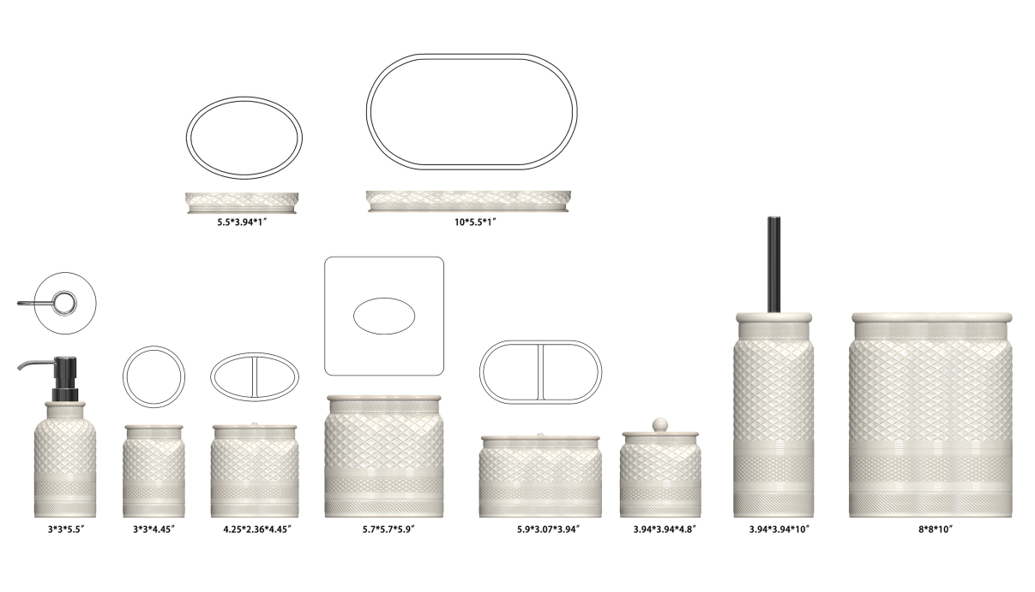 | Martha Stewart | Martha Stewart (Bath) 5% | Bath Accessories | Taylor | Ceramic Lotion Pump | Lotion Pump | Stoneware/reactive glaze+embossed | Stoneware/reactive glaze+embossed | 3x3x7.95" | Ivory | MT71-0729 |  | Piece | $2.50 | Normal | 2 pcs LP+1 pcs TBH+1 pc TUM+1 pc SD+1pc CJ+1pc Tray+1pc 2 Org+1pc TC+1pc WB+1 pc BB 11pcs混装入外箱 | 44.5 | 33.0 | 38.0 | 17.50 | 9.00 | 22.00 | 6.00 | 2 | 0.003 | 63.00 | 36364 | 2,250 | $0.06 | 8424.89.9000 | 31.8% | $0.80 | $3.36 | 0.00% | $0.00 | 5.00% | $0.30 | $0.00 | 0.00% | $0.00 | $0.30 | $3.65 | 38.10% | $5.90 | 1000 | $3,651.88 | $5,900.00 | 27.90 |  |  | Yantian | China | E
 |  | Martha Stewart | Martha Stewart (Bath) 5% | Bath Accessories |  | Ceramic Toothbrush holder | Toothbrush holder |  |  | 4.25x2.36x4.45" |  | MT71-0730 |  | Piece | $1.72 | Normal |  |  |  |  | 12.0 | 7.0 | 13.0 | 6.00 | 1 | 0.001 | 63.00 | 57692 | 2,250 |  | 6912.00.5000 | 36.0% | $0.62 | $2.34 | 0.00% | $0.00 | 5.00% | $0.20 | $0.00 | 0.00% | $0.00 | $0.20 | $2.54 | 35.78% | $3.95 | 500 | $1,268.35 | $1,975.00 |  |  |  | Yantian | China
 |  | Martha Stewart | Martha Stewart (Bath) 5% | Bath Accessories |  | Ceramic Tumbler | Tumbler |  |  | 3x3x4.45" |  | MT71-0731 |  | Piece | $1.68 | Normal |  |  |  |  | 8.5 | 8.5 | 12.5 | 6.00 | 1 | 0.001 | 63.00 | 69758 | 2,250 |  | 6912.00.5000 | 36.0% | $0.60 | $2.28 | 0.00% | $0.00 | 5.00% | $0.19 | $0.00 | 0.00% | $0.00 | $0.19 | $2.47 | 34.07% | $3.75 | 500 | $1,236.15 | $1,875.00 |  |  |  | Yantian | China
 |  | Martha Stewart | Martha Stewart (Bath) 5% | Bath Accessories |  | Ceramic Soap dish | Soap dish |  |  | 5.5x3.94x1" |  | MT71-0732 |  | Piece | $1.68 | Normal |  |  |  |  | 15.0 | 4.0 | 11.5 | 6.00 | 1 | 0.001 | 63.00 | 91304 | 2,250 |  | 6912.00.5000 | 36.0% | $0.60 | $2.28 | 0.00% | $0.00 | 5.00% | $0.19 | $0.00 | 0.00% | $0.00 | $0.19 | $2.47 | 34.07% | $3.75 | 500 | $1,236.15 | $1,875.00 |  |  |  | Yantian | China
 |  | Martha Stewart | Martha Stewart (Bath) 5% | Bath Accessories |  | Ceramic Cotton jar | Cotton jar |  |  | 3.94x3.94x4.8" |  | MT71-0733 |  | Piece | $2.98 | Normal |  |  |  |  | 11.5 | 11.5 | 13.5 | 6.00 | 1 | 0.002 | 63.00 | 35287 | 2,250 |  | 6912.00.5000 | 36.0% | $1.07 | $4.05 | 0.00% | $0.00 | 5.00% | $0.30 | $0.00 | 0.00% | $0.00 | $0.30 | $4.35 | 26.89% | $5.95 | 500 | $2,175.15 | $2,975.00 |  |  |  | Yantian | China
 |  | Martha Stewart | Martha Stewart (Bath) 5% | Bath Accessories |  | Ceramic Tray | Tray |  |  | 10x5.5x1" |  | MT71-0734 |  | Piece | $3.40 | Normal |  |  |  |  | 26.5 | 4.0 | 15.5 | 6.00 | 1 | 0.002 | 63.00 | 38344 | 2,250 | $0.06 | 6912.00.5000 | 36.0% | $1.22 | $4.68 | 0.00% | $0.00 | 5.00% | $0.35 | $0.00 | 0.00% | $0.00 | $0.35 | $5.03 | 28.10% | $7.00 | 500 | $2,516.34 | $3,500.00 |  |  |  | Yantian | China
 |  | Martha Stewart | Martha Stewart (Bath) 5% | Bath Accessories |  | Ceramic 2 Hole Organizer | 2 Hole Organizer |  |  | 5.9x3.07x3.94" |  | MT71-0735 |  | Piece | $3.35 | Normal |  |  |  |  | 16.0 | 9.0 | 11.5 | 6.00 | 1 | 0.002 | 63.00 | 38043 | 2,250 | $0.06 | 6912.00.5000 | 36.0% | $1.21 | $4.62 | 0.00% | $0.00 | 5.00% | $0.34 | $0.00 | 0.00% | $0.00 | $0.34 | $4.95 | 26.63% | $6.75 | 500 | $2,476.32 | $3,375.00 |  |  |  | Yantian | China
 |  | Martha Stewart | Martha Stewart (Bath) 5% | Bath Accessories |  | Ceramic Tissue cover | Tissue cover |  |  | 5.75x5.75x5.9" |  | MT71-0736 |  | Piece | $4.90 | Normal |  |  |  |  | 17.0 | 17.0 | 16.5 | 6.00 | 1 | 0.005 | 63.00 | 13212 | 2,250 | $0.17 | 6912.00.5000 | 36.0% | $1.76 | $6.83 | 0.00% | $0.00 | 5.00% | $0.49 | $0.00 | 0.00% | $0.00 | $0.49 | $7.32 | 24.90% | $9.75 | 500 | $3,660.90 | $4,875.00 |  |  |  | Yantian | China
 |  | Martha Stewart | Martha Stewart (Bath) 5% | Bath Accessories |  | Ceramic Wastebasket | Wastebasket |  |  | 8x8x10" |  | MT71-0737 |  | Piece | $8.60 | Normal |  |  |  |  | 21.5 | 21.5 | 27.0 | 6.00 | 1 | 0.012 | 63.00 | 5048 | 2,250 | $0.45 | 6912.00.5000 | 36.0% | $3.10 | $12.14 | 0.00% | $0.00 | 5.00% | $0.85 | $0.00 | 0.00% | $0.00 | $0.85 | $12.99 | 23.37% | $16.95 | 500 | $6,494.62 | $8,475.00 |  |  |  | Yantian | China
 |  | Martha Stewart | Martha Stewart (Bath) 5% | Bath Accessories |  | Ceramic Toilet Brush | Toilet Brush |  |  | 3.94x3.94x15.55" |  | MT71-0738 |  | Piece | $4.28 | Normal |  |  |  |  | 12.5 | 12.5 | 38.5 | 6.00 | 1 | 0.006 | 63.00 | 10473 | 2,250 | $0.21 | 6912.00.5000 | 36.0% | $1.54 | $6.04 | 0.00% | $0.00 | 5.00% | $0.44 | $0.00 | 0.00% | $0.00 | $0.44 | $6.48 | 26.80% | $8.85 | 500 | $3,239.07 | $4,425.00 |  |  |  | Yantian | China
 |  | Natori | Natori 7% | Bath Accessories | Pedro | Resin Lotion Pump | Resin Lotion Pump | Resin | Resin | 3.5x2.16x7.8" | Black | NA71-3384 |  | Piece | $2.38 | Normal | 2 pcs LP+1 pc TBH+1 pc TUM+1 pc SD+1pc CJ+1pc Tray+ 1pc WB+1pc BB+1pc Towel Holder 10pcs混装入外箱--镜子和毛巾束入保利龙装一个内盒 | 52.0 | 27.5 | 43.0 | 24.0 | 21.0 | 13.0 | 6.00 | 2 | 0.007 | 63.00 | 19231 | 2,250 | $0.12 | 8424.89.9000 | 31.8% | $0.76 | $3.25 | 0.00% | $0.00 | 5.00% | $0.26 | $0.00 | 0.00% | $0.00 | $0.26 | $3.52 | 33.02% | $5.25 | 1000 | $3,516.34 | $5,250.00 | 30.75 |  |  | Yantian,China | China | E
 |  | Natori | Natori 7% | Bath Accessories |  | Resin Toothbrush holder | Toothbrush holder |  |  | 4.5x2.36x4.45" |  | NA71-3385 |  | Piece | $1.45 | Normal |  |  |  |  | 15.0 | 15.0 | 11.5 | 6.00 | 1 | 0.003 | 63.00 | 24348 | 2,250 | $0.09 | 3924.10.4000 | 33.4% | $0.48 | $2.03 | 0.00% | $0.00 | 5.00% | $0.15 | $0.00 | 0.00% | $0.00 | $0.15 | $2.17 | 26.30% | $2.95 | 500 | $1,087.11 | $1,475.00 |  |  |  | Yantian,China | China
 |  | Natori | Natori 7% | Bath Accessories |  | Resin Tumbler | Tumbler |  |  | 2.76x2.76x4.45" |  | NA71-3386 |  | Piece | $1.32 | Normal |  |  |  |  | 15.5 | 13.5 | 12.0 | 6.00 | 1 | 0.003 | 63.00 | 25090 | 2,250 | $0.09 | 3924.10.4000 | 33.4% | $0.44 | $1.85 | 0.00% | $0.00 | 5.00% | $0.15 | $0.00 | 0.00% | $0.00 | $0.15 | $2.00 | 32.27% | $2.95 | 500 | $999.03 | $1,475.00 |  |  |  | Yantian,China | China
 |  | Natori | Natori 7% | Bath Accessories |  | Resin Soap dish | Soap dish |  |  | 5.5x3.75x1" |  | NA71-3387 |  | Piece | $1.32 | Normal |  |  |  |  | 19.0 | 17.0 | 8.0 | 6.00 | 1 | 0.003 | 63.00 | 24381 | 2,250 | $0.09 | 3924.10.4000 | 33.4% | $0.44 | $1.85 | 0.00% | $0.00 | 5.00% | $0.15 | $0.00 | 0.00% | $0.00 | $0.15 | $2.00 | 32.18% | $2.95 | 500 | $1,000.33 | $1,475.00 |  |  |  | Yantian,China | China
 |  | Natori | Natori 7% | Bath Accessories |  | Resin Cotton jar | Cotton jar |  |  | 3.54x3.45x4.13" |  | NA71-3388 |  | Piece | $1.99 | Normal |  |  |  |  | 21.0 | 16.0 | 5.0 | 6.00 | 1 | 0.002 | 63.00 | 37500 | 2,250 | $0.06 | 3924.10.4000 | 33.4% | $0.66 | $2.71 | 0.00% | $0.00 | 5.00% | $0.22 | $0.00 | 0.00% | $0.00 | $0.22 | $2.93 | 33.30% | $4.40 | 500 | $1,467.33 | $2,200.00 |  |  |  | Yantian,China | China
 |  | Natori | Natori 7% | Bath Accessories |  | Resin Tray | Tray |  |  | 10x5.5x1" |  | NA71-3389 |  | Piece | $2.45 | Normal |  |  |  |  | 16.0 | 9.0 | 12.0 | 6.00 | 1 | 0.002 | 63.00 | 36458 | 2,250 | $0.06 | 3924.10.4000 | 33.4% | $0.82 | $3.33 | 0.00% | $0.00 | 5.00% | $0.25 | $0.00 | 0.00% | $0.00 | $0.25 | $3.58 | 27.04% | $4.90 | 500 | $1,787.51 | $2,450.00 |  |  |  | Yantian,China | China
 |  | Natori | Natori 7% | Bath Accessories |  | Resin 2 hole Organizer | 2 hole Organizer |  |  | 5.9x3.07x3.94" |  | NA71-3390 |  | Piece | $2.12 | Normal |  |  |  |  | 11.0 | 11.0 | 13.0 | 6.00 | 1 | 0.002 | 63.00 | 40051 | 2,250 | $0.06 | 3924.10.4000 | 33.4% | $0.71 | $2.88 | 0.00% | $0.00 | 5.00% | $0.25 | $0.00 | 0.00% | $0.00 | $0.25 | $3.13 | 36.14% | $4.90 | 500 | $1,564.63 | $2,450.00 |  |  |  | Yantian,China | China
 |  | Natori | Natori 7% | Bath Accessories |  | Resin Tissue Cover | Tissue Cover |  |  | 5.75x5.75x5.9" |  | NA71-3391 |  | Piece | $3.67 | Normal |  |  |  |  | 21.0 | 16.0 | 15.5 | 6.00 | 1 | 0.005 | 63.00 | 12097 | 2,250 | $0.19 | 3924.10.4000 | 33.4% | $1.23 | $5.08 | 0.00% | $0.00 | 5.00% | $0.38 | $0.00 | 0.00% | $0.00 | $0.38 | $5.46 | 28.57% | $7.65 | 500 | $2,732.14 | $3,825.00 |  |  |  | Yantian,China | China
 |  | Natori | Natori 7% | Bath Accessories |  | Resin Brush holder | Brush holder |  |  | 3.86x3.86x15" |  | NA71-3392 |  | Piece | $3.60 | Normal |  |  |  |  | 20.0 | 20.0 | 20.5 | 6.00 | 1 | 0.008 | 63.00 | 7683 | 2,250 | $0.29 | 3924.10.4000 | 33.4% | $1.20 | $5.10 | 0.00% | $0.00 | 5.00% | $0.38 | $0.00 | 0.00% | $0.00 | $0.38 | $5.48 | 28.40% | $7.65 | 500 | $2,738.88 | $3,825.00 |  |  |  | Yantian,China | China
 |  | Natori | Natori 7% | Bath Accessories |  | Resin Wastebasket | Wastebasket |  |  | 7.5x7.5x10" |  | NA71-3393 |  | Piece | $5.89 | Normal |  |  |  |  | 32.0 | 26.0 | 26.5 | 6.00 | 1 | 0.022 | 63.00 | 2857 | 2,250 | $0.79 | 3924.10.4000 | 33.4% | $1.97 | $8.64 | 0.00% | $0.00 | 5.00% | $0.68 | $0.00 | 0.00% | $0.00 | $0.68 | $9.32 | 30.97% | $13.50 | 500 | $4,659.84 | $6,750.00 |  |  |  | Yantian,China | China
 | 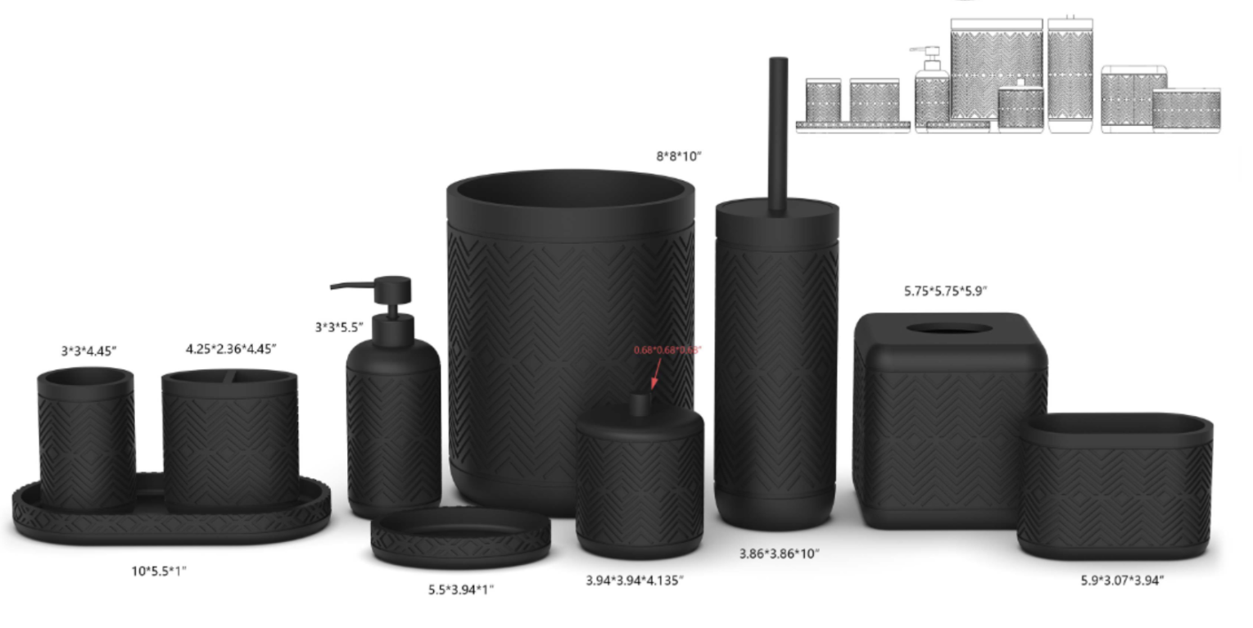 | N. Natori | N Natori 5% | Bath Accessories | Nathan | Resin Lotion Pump | Resin Lotion Pump | resin+hand painted | resin+hand painted | 3x3x8.32" | matte black | NN71-0332 |  | Piece | $2.37 | Normal | 2 pcs LP+1 pcs TBH+1 pc TUM+1 pc SD+1pc CJ+1pc Tray+1pc TC+1pc WB+1pc Towel+1pc BBH+1pc 2ORG,混装入外箱 | 43.5 | 28.5 | 42.0 | 17.5 | 8.5 | 21.5 | 6.00 | 2 | 0.003 | 63.00 | 39398 | 2,250 | $0.06 | 8424.89.9000 | 31.8% | $0.75 | $3.18 | 0.00% | $0.00 | 5.00% | $0.26 | $0.00 | 0.00% | $0.00 | $0.26 | $3.44 | 34.41% | $5.25 | 1000 | $3,443.27 | $5,250.00 | 26.03 |  |  | Yantian,China | China | D
 |  | N. Natori | N Natori 5% | Bath Accessories |  | Resin Toothbrush holder | Resin Toothbrush holder |  |  | 4.25x2.36x4.45" |  | NN71-0333 |  | Piece | $1.57 | Normal |  |  |  |  | 12.0 | 7.0 | 13.5 | 6.00 | 1 | 0.001 | 63.00 | 55556 | 2,250 |  | 3924.10.4000 | 33.4% | $0.52 | $2.09 | 0.00% | $0.00 | 5.00% | $0.16 | $0.00 | 0.00% | $0.00 | $0.16 | $2.25 | 28.51% | $3.15 | 500 | $1,125.94 | $1,575.00 |  |  |  | Yantian,China | China
 |  | N. Natori | N Natori 5% | Bath Accessories |  | Resin Tumbler | Resin Tumbler |  |  | 3x3x4.45" |  | NN71-0334 |  | Piece | $1.47 | Normal |  |  |  |  | 8.5 | 8.5 | 13.5 | 6.00 | 1 | 0.001 | 63.00 | 64591 | 2,250 |  | 3924.10.4000 | 33.4% | $0.49 | $1.96 | 0.00% | $0.00 | 5.00% | $0.16 | $0.00 | 0.00% | $0.00 | $0.16 | $2.12 | 32.75% | $3.15 | 500 | $1,059.24 | $1,575.00 |  |  |  | Yantian,China | China
 |  | N. Natori | N Natori 5% | Bath Accessories |  | Resin Cotton jar | Resin Cotton jar |  |  | 3.94x3.94x*4.135" |  | NN71-0335 |  | Piece | $2.37 | Normal |  |  |  |  | 11.0 | 11.0 | 12.5 | 6.00 | 1 | 0.002 | 63.00 | 41653 | 2,250 |  | 3924.10.4000 | 33.4% | $0.79 | $3.16 | 0.00% | $0.00 | 5.00% | $0.23 | $0.00 | 0.00% | $0.00 | $0.23 | $3.39 | 27.01% | $4.65 | 500 | $1,697.04 | $2,325.00 |  |  |  | Yantian,China | China
 |  | N. Natori | N Natori 5% | Bath Accessories |  | Resin Soap dish | Resin Soap dish |  |  | 5.5x3.94x1" |  | NN71-0336 |  | Piece | $1.47 | Normal |  |  |  |  | 11.0 | 3.5 | 16.0 | 6.00 | 1 | 0.001 | 63.00 | 102273 | 2,250 |  | 3924.10.4000 | 33.4% | $0.49 | $1.96 | 0.00% | $0.00 | 5.00% | $0.16 | $0.00 | 0.00% | $0.00 | $0.16 | $2.12 | 32.75% | $3.15 | 500 | $1,059.24 | $1,575.00 |  |  |  | Yantian,China | China
 |  | N. Natori | N Natori 5% | Bath Accessories |  | Resin Tray | Resin Tray |  |  | 10x5.5x1" |  | NN71-0337 |  | Piece | $2.57 | Normal |  |  |  |  | 15.0 | 3.5 | 27.5 | 6.00 | 1 | 0.001 | 63.00 | 43636 | 2,250 | $0.05 | 3924.10.4000 | 33.4% | $0.86 | $3.48 | 0.00% | $0.00 | 5.00% | $0.26 | $0.00 | 0.00% | $0.00 | $0.26 | $3.74 | 28.72% | $5.25 | 500 | $1,871.22 | $2,625.00 |  |  |  | Yantian,China | China
 |  | N. Natori | N Natori 5% | Bath Accessories |  | Resin 2 hole organizer | Resin 2 hole organizer |  |  | 5.9x3.07x3.94" |  | NN71-0338 |  | Piece | $2.17 | Normal |  |  |  |  | 16.0 | 9.0 | 12.0 | 6.00 | 1 | 0.002 | 63.00 | 36458 | 2,250 | $0.06 | 3924.10.4000 | 33.4% | $0.72 | $2.96 | 0.00% | $0.00 | 5.00% | $0.25 | $0.00 | 0.00% | $0.00 | $0.25 | $3.20 | 34.66% | $4.90 | 500 | $1,600.75 | $2,450.00 |  |  |  | Yantian,China | China
 |  | N. Natori | N Natori 5% | Bath Accessories |  | Resin Toilet Brush | Resin Toilet Brush |  |  | 3.86x3.86x15.1" |  | NN71-0339 |  | Piece | $4.00 | Normal |  |  |  |  | 11.00 | 11.00 | 40.50 | 6.00 | 1 | 0.005 | 63.00 | 12856 | 2,250 | $0.18 | 3924.10.4000 | 33.4% | $1.34 | $5.51 | 0.00% | $0.00 | 5.00% | $0.40 | $0.00 | 0.00% | $0.00 | $0.40 | $5.91 | 25.68% | $7.95 | 500 | $2,954.26 | $3,975.00 |  |  |  | Yantian,China | China
 |  | N. Natori | N Natori 5% | Bath Accessories |  | Resin Tissue cover | Resin Tissue cover |  |  | 5.75x5.75x5.9" |  | NN71-0340 |  | Piece | $3.77 | Normal |  |  |  |  | 15.50 | 15.50 | 17.00 | 6.00 | 1 | 0.004 | 63.00 | 15425 | 2,250 | $0.15 | 3924.10.4000 | 33.4% | $1.26 | $5.18 | 0.00% | $0.00 | 5.00% | $0.39 | $0.00 | 0.00% | $0.00 | $0.39 | $5.57 | 29.08% | $7.85 | 500 | $2,783.77 | $3,925.00 |  |  |  | Yantian,China | China
 |  | N. Natori | N Natori 5% | Bath Accessories |  | Resin Wastebasket | Resin Wastebasket |  |  | 8x8x10" |  | NN71-0341 |  | Piece | $6.42 | Normal |  |  |  |  | 21.50 | 21.50 | 27.50 | 6.00 | 1 | 0.013 | 63.00 | 4956 | 2,250 | $0.45 | 3924.10.4000 | 33.4% | $2.14 | $9.02 | 0.00% | $0.00 | 5.00% | $0.69 | $0.00 | 0.00% | $0.00 | $0.69 | $9.71 | 29.41% | $13.75 | 500 | $4,852.89 | $6,875.00 |  |  |  | Yantian,China | China
 | 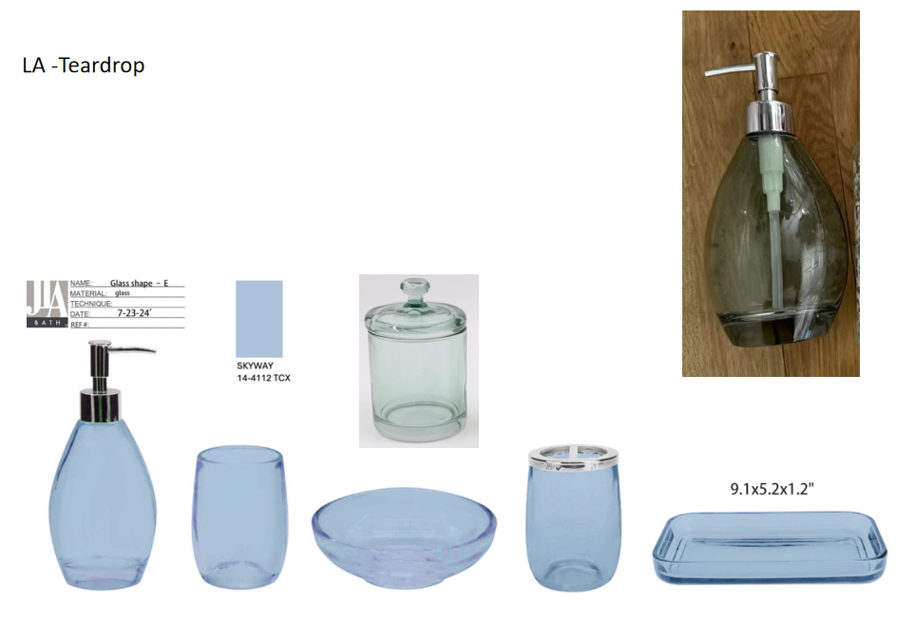 | Laura Ashley | Laura Ashley 5% | Bath Accessories | Teardrop | Glass Lotion Dispenser,plastic chromed pump head | Glass Lotion Dispenser,plastic chromed pump head | glass | glass | 3.6x2.8x7.5"(9.2x7.2x19.2cm) | blue | LA71-0312 |  | Piece | $2.31 | Normal | 2 pcs LP+1pc TBH+1 pc TUM+1 pc SD+1pc CJ+1pc Tray mix into master carton | 29.6 | 24.8 | 28.0 | 19 | 8 | 20 | 6.00 | 2 | 0.003 | 63.00 | 41447 | 2,250 | $0.05 | 8424.89.9000 | 31.8% | $0.73 | $3.10 | 0.00% | $0.00 | 6.00% | $0.35 | $0.00 | 0.00% | $0.00 | $0.35 | $3.45 | 41.48% | $5.90 | 1200 | $4,143.44 | $7,080.00 | 12.33 |  |  | Yantian | China | A
 |  | Laura Ashley | Laura Ashley 5% | Bath Accessories |  | Glass Toothbrush holder，iron cover | Glass Toothbrush holder，iron cover |  |  | 3x3x4.1" |  | LA71-0313 |  | Piece | $2.35 | Normal |  |  |  |  | 8 | 8 | 11 | 6.00 | 1 | 0.001 | 63.00 | 89489 | 2,250 | $0.03 | 7013.99.5010 | 60.0% | $1.41 | $3.79 | 0.00% | $0.00 | 6.00% | $0.32 | $0.00 | 0.00% | $0.00 | $0.32 | $4.10 | 21.90% | $5.25 | 600 | $2,460.09 | $3,150.00 |  |  |  | Yantian | China
 |  | Laura Ashley | Laura Ashley 5% | Bath Accessories |  | Glass Tumbler | Glass Tumbler |  |  | 3x3x4.1" |  | LA71-0314 |  | Piece | $1.85 | Normal |  |  |  |  | 8 | 8 | 11 | 6.00 | 1 | 0.001 | 63.00 | 89489 | 2,250 | $0.03 | 7013.99.5010 | 60.0% | $1.11 | $2.99 | 0.00% | $0.00 | 6.00% | $0.28 | $0.00 | 0.00% | $0.00 | $0.28 | $3.26 | 29.11% | $4.60 | 600 | $1,956.69 | $2,760.00 |  |  |  | Yantian | China
 |  | Laura Ashley | Laura Ashley 5% | Bath Accessories |  | Glass Soap dish | Glass Soap dish |  |  | 4.9x4.9x1.5" |  | LA71-0315 |  | Piece | $1.68 | Normal |  |  |  |  | 13 | 13 | 4 | 6.00 | 1 | 0.001 | 63.00 | 93195 | 2,250 | $0.02 | 7013.99.5010 | 60.0% | $1.01 | $2.71 | 0.00% | $0.00 | 6.00% | $0.27 | $0.00 | 0.00% | $0.00 | $0.27 | $2.98 | 33.05% | $4.45 | 600 | $1,787.49 | $2,670.00 |  |  |  | Yantian | China
 |  | Laura Ashley | Laura Ashley 5% | Bath Accessories |  | Glass Cotton jar | Glass Cotton jar |  |  | 3.9x3.9x6.1“ |  | LA71-0316 |  | Piece | $2.90 | Normal |  |  |  |  | 10 | 10 | 16 | 6.00 | 1 | 0.002 | 63.00 | 39375 | 2,250 | $0.06 | 7013.99.5010 | 60.0% | $1.74 | $4.70 | 0.00% | $0.00 | 6.00% | $0.40 | $0.00 | 0.00% | $0.00 | $0.40 | $5.09 | 22.83% | $6.60 | 600 | $3,055.89 | $3,960.00 |  |  |  | Yantian | China
 |  | Laura Ashley | Laura Ashley 5% | Bath Accessories |  | Glass Tray | Glass Tray |  |  | 9x5.1x1.3" |  | LA71-0317 |  | Piece | $3.10 | Normal |  |  |  |  | 23 | 13 | 4 | 6.00 | 1 | 0.001 | 63.00 | 52676 | 2,250 | $0.04 | 7013.99.8090 | 41.3% | $1.28 | $4.42 | 0.00% | $0.00 | 6.00% | $0.42 | $0.00 | 0.00% | $0.00 | $0.42 | $4.84 | 30.81% | $7.00 | 600 | $2,905.81 | $4,200.00 |  |  |  | Yantian | China
 | 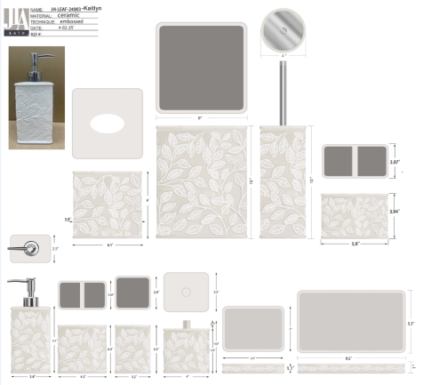 | Martha Stewart | Martha Stewart (Bath) 5% | Bath Accessories | Kaitlyn | Ceramic Lotion Pump | Lotion Pump | ceramic | ceramic | 3.4x2.5x5.7 | cream | MT71-0739 |  | Piece | $2.14 | Normal | 2 pcs LP+1 pc TBH+1 pc TUM+1 pc SD+1pc CJ+1pc Tray+1pc TC+1pc WB+1pc BB+1pc 2ORG混装入外箱--（垃圾桶入保利龙装一个内盒） | 45 | 35 | 38 | 20.3 | 9.4 | 23.5 | 6.00 | 2 | 0.004 | 63.00 | 28098 | 2,250 | $0.08 | 8424.89.9000 | 31.8% | $0.68 | $2.90 | 0.00% | $0.00 | 5.00% | $0.25 | $0.00 | 0.00% | $0.00 | $0.25 | $3.15 | 36.99% | $5.00 | 1000 | $3,150.60 | $5,000.00 | 29.93 |  |  | Yantian | China | B
 |  | Martha Stewart | Martha Stewart (Bath) 5% | Bath Accessories |  | Ceramic Toothbrush holder | Toothbrush holder |  |  | 4.3x2.65x4.3 |  | MT71-0740 |  | Piece | $1.58 | Normal |  |  |  |  | 12.9 | 8.7 | 12.9 | 6.00 | 1 | 0.001 | 63.00 | 43515 | 2,250 | $0.05 | 6912.00.5000 | 36.0% | $0.57 | $2.20 | 0.00% | $0.00 | 5.00% | $0.18 | $0.00 | 0.00% | $0.00 | $0.18 | $2.38 | 32.13% | $3.50 | 500 | $1,187.75 | $1,750.00 |  |  |  | Yantian | China
 |  | Martha Stewart | Martha Stewart (Bath) 5% | Bath Accessories |  | Ceramic Tumbler | Tumbler |  |  | 2.9x2.9x3.2 |  | MT71-0741 |  | Piece | $1.50 | Normal |  |  |  |  | 10.1 | 9.4 | 12.9 | 6.00 | 1 | 0.001 | 63.00 | 51440 | 2,250 | $0.04 | 6912.00.5000 | 36.0% | $0.54 | $2.08 | 0.00% | $0.00 | 5.00% | $0.18 | $0.00 | 0.00% | $0.00 | $0.18 | $2.26 | 35.46% | $3.50 | 500 | $1,129.37 | $1,750.00 |  |  |  | Yantian | China
 |  | Martha Stewart | Martha Stewart (Bath) 5% | Bath Accessories |  | Ceramic Soap dish | Soap dish |  |  | 5.4x4x1.1 |  | MT71-0742 |  | Piece | $1.40 | Normal |  |  |  |  | 15.7 | 4.8 | 12.2 | 6.00 | 1 | 0.001 | 63.00 | 68524 | 2,250 | $0.03 | 6912.00.5000 | 36.0% | $0.50 | $1.94 | 0.00% | $0.00 | 5.00% | $0.17 | $0.00 | 0.00% | $0.00 | $0.17 | $2.10 | 37.18% | $3.35 | 500 | $1,052.17 | $1,675.00 |  |  |  | Yantian | China
 |  | Martha Stewart | Martha Stewart (Bath) 5% | Bath Accessories |  | Ceramic Cotton jar | Cotton jar |  |  | 4x4x4.6 |  | MT71-0743 |  | Piece | $2.22 | Normal |  |  |  |  | 12.2 | 10.6 | 13.7 | 6.00 | 1 | 0.002 | 63.00 | 35559 | 2,250 | $0.06 | 6912.00.5000 | 36.0% | $0.80 | $3.09 | 0.00% | $0.00 | 5.00% | $0.26 | $0.00 | 0.00% | $0.00 | $0.26 | $3.35 | 36.21% | $5.25 | 500 | $1,674.53 | $2,625.00 |  |  |  | Yantian | China
 |  | Martha Stewart | Martha Stewart (Bath) 5% | Bath Accessories |  | Ceramic Tray | Tray |  |  | 9.5x5.5x1 |  | MT71-0744 |  | Piece | $2.40 | Normal |  |  |  |  | 26.1 | 4.5 | 16.0 | 6.00 | 1 | 0.002 | 63.00 | 33525 | 2,250 | $0.07 | 6912.00.5000 | 36.0% | $0.86 | $3.33 | 0.00% | $0.00 | 5.00% | $0.28 | $0.00 | 0.00% | $0.00 | $0.28 | $3.61 | 34.43% | $5.50 | 500 | $1,803.06 | $2,750.00 |  |  |  | Yantian | China
 |  | Martha Stewart | Martha Stewart (Bath) 5% | Bath Accessories |  | Ceramic Tissue cover | Tissue cover |  |  | 6.1x6.1x6 |  | MT71-0745 |  | Piece | $4.38 | Normal |  |  |  |  | 21.5 | 21.5 | 21.2 | 6.00 | 1 | 0.010 | 63.00 | 6429 | 2,250 | $0.35 | 6912.00.5000 | 36.0% | $1.58 | $6.31 | 0.00% | $0.00 | 5.00% | $0.45 | $0.00 | 0.00% | $0.00 | $0.45 | $6.75 | 24.53% | $8.95 | 500 | $3,377.14 | $4,475.00 |  |  |  | Yantian | China
 |  | Martha Stewart | Martha Stewart (Bath) 5% | Bath Accessories |  | Ceramic Wastebasket | Wastebasket |  |  | 8x8x10 |  | MT71-0746 |  | Piece | $8.08 | Normal |  |  |  |  | 26.3 | 26.3 | 31.4 | 6.00 | 1 | 0.022 | 63.00 | 2901 | 2,250 | $0.78 | 6912.00.5000 | 36.0% | $2.91 | $11.76 | 0.00% | $0.00 | 5.00% | $0.83 | $0.00 | 0.00% | $0.00 | $0.83 | $12.59 | 23.70% | $16.50 | 500 | $6,294.74 | $8,250.00 |  |  |  | Yantian | China
 |  | Martha Stewart | Martha Stewart (Bath) 5% | Bath Accessories |  | Ceramic Toilet brush holder | Toilet brush holder |  |  | 4x4x10 |  | MT71-0747 |  | Piece | $4.43 | Normal |  |  |  |  | 12.2 | 12.2 | 39.4 | 6.00 | 1 | 0.006 | 63.00 | 10743 | 2,250 | $0.21 | 6912.00.5000 | 36.0% | $1.59 | $6.23 | 0.00% | $0.00 | 5.00% | $0.44 | $0.00 | 0.00% | $0.00 | $0.44 | $6.67 | 23.75% | $8.75 | 500 | $3,335.87 | $4,375.00 |  |  |  | Yantian | China
 |  | Martha Stewart | Martha Stewart (Bath) 5% | Bath Accessories |  | Ceramic 2 organiser | 2 organiser |  |  | 5.9x3.07x3.94" |  | MT71-0748 |  | Piece | $2.26 | Normal |  |  |  |  | 17.0 | 9.8 | 12.0 | 6.00 | 1 | 0.002 | 63.00 | 31513 | 2,250 | $0.07 | 6912.00.5000 | 36.0% | $0.81 | $3.14 | 0.00% | $0.00 | 5.00% | $0.27 | $0.00 | 0.00% | $0.00 | $0.27 | $3.41 | 35.66% | $5.30 | 500 | $1,705.00 | $2,650.00 |  |  |  | Yantian | China
 | 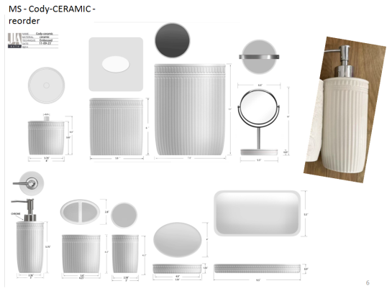 | Martha Stewart | Martha Stewart (Bath) 5% | Bath Accessories | Cody | Ceramic Lotion Pump | Lotion Pump | ceramic | ceramic | 3x3x5.75 | white | MT71-0247 | 022164151930 | Piece | $2.00 | Normal | 2 pcs LP+1 pc TBH+1 pc TUM+1 pc SD+1pc CJ+1pc Tray+1pc TC+1pc WB+1pc Mirror混装入外箱--（垃圾桶/镜架入保利龙装一个内盒） | 45 | 40 | 40 | 18.2 | 10.6 | 23.6 | 6.00 | 2 | 0.005 | 63.00 | 27675 | 2,250 | $0.08 | 8424.89.9000 | 31.8% | $0.64 | $2.72 | 0.00% | $0.00 | 5.00% | $0.25 | $0.00 | 0.00% | $0.00 | $0.25 | $2.96 | 39.54% | $4.90 | 1000 | $2,962.30 | $4,900.00 | 36.00 |  |  | Yantian | China | D
 |  | Martha Stewart | Martha Stewart (Bath) 5% | Bath Accessories |  | Ceramic Toothbrush holder | Toothbrush holder |  |  | 4.25x2.8x4.2 |  | MT71-0248 | 022164151947 | Piece | $1.42 | Normal |  |  |  |  | 12.8 | 9.1 | 12.7 | 6.00 | 1 | 0.001 | 63.00 | 42588 | 2,250 | $0.05 | 6912.00.5000 | 36.0% | $0.51 | $1.98 | 0.00% | $0.00 | 5.00% | $0.17 | $0.00 | 0.00% | $0.00 | $0.17 | $2.15 | 34.88% | $3.30 | 500 | $1,074.52 | $1,650.00 |  |  |  | Yantian | China
 |  | Martha Stewart | Martha Stewart (Bath) 5% | Bath Accessories |  | Ceramic Tumbler | Tumbler |  |  | 3x3x4.2 |  | MT71-0249 | 022164151954 | Piece | $1.35 | Normal |  |  |  |  | 9.6 | 9.6 | 12.7 | 6.00 | 1 | 0.001 | 63.00 | 53826 | 2,250 | $0.04 | 6912.00.5000 | 36.0% | $0.49 | $1.88 | 0.00% | $0.00 | 5.00% | $0.17 | $0.00 | 0.00% | $0.00 | $0.17 | $2.04 | 38.10% | $3.30 | 500 | $1,021.40 | $1,650.00 |  |  |  | Yantian | China
 |  | Martha Stewart | Martha Stewart (Bath) 5% | Bath Accessories |  | Ceramic Soap dish | Soap dish |  |  | 5.36x4x1.05 |  | MT71-0250 | 022164151961 | Piece | $1.30 | Normal |  |  |  |  | 15.6 | 4.9 | 12.2 | 6.00 | 1 | 0.001 | 63.00 | 67555 | 2,250 | $0.03 | 6912.00.5000 | 36.0% | $0.47 | $1.80 | 0.00% | $0.00 | 5.00% | $0.16 | $0.00 | 0.00% | $0.00 | $0.16 | $1.96 | 37.82% | $3.15 | 500 | $979.40 | $1,575.00 |  |  |  | Yantian | China
 |  | Martha Stewart | Martha Stewart (Bath) 5% | Bath Accessories |  | Ceramic Cotton jar | Cotton jar |  |  | 4x4x4.3 |  | MT71-0251 | 022164151978 | Piece | $2.02 | Normal |  |  |  |  | 12.2 | 12.2 | 12.9 | 6.00 | 1 | 0.002 | 63.00 | 32812 | 2,250 | $0.07 | 6912.00.5000 | 36.0% | $0.73 | $2.82 | 0.00% | $0.00 | 5.00% | $0.25 | $0.00 | 0.00% | $0.00 | $0.25 | $3.07 | 38.68% | $5.00 | 500 | $1,532.89 | $2,500.00 |  |  |  | Yantian | China
 |  | Martha Stewart | Martha Stewart (Bath) 5% | Bath Accessories |  | Ceramic Tray | Tray |  |  | 9.5x5.5x0.9 |  | MT71-0252 | 022164151985 | Piece | $2.16 | Normal |  |  |  |  | 26.1 | 4.5 | 15.7 | 6.00 | 1 | 0.002 | 63.00 | 34166 | 2,250 | $0.07 | 6912.00.5000 | 36.0% | $0.78 | $3.00 | 0.00% | $0.00 | 5.00% | $0.27 | $0.00 | 0.00% | $0.00 | $0.27 | $3.27 | 38.33% | $5.30 | 500 | $1,634.23 | $2,650.00 |  |  |  | Yantian | China
 |  | Martha Stewart | Martha Stewart (Bath) 5% | Bath Accessories |  | Ceramic Tissue cover | Tissue cover |  |  | 5.9x5.9x6 |  | MT71-0253 | 022164151992 | Piece | $4.12 | Normal |  |  |  |  | 21.2 | 21.2 | 21.2 | 6.00 | 1 | 0.010 | 63.00 | 6612 | 2,250 | $0.34 | 6912.00.5000 | 36.0% | $1.48 | $5.94 | 0.00% | $0.00 | 5.00% | $0.43 | $0.00 | 0.00% | $0.00 | $0.43 | $6.38 | 26.29% | $8.65 | 500 | $3,188.00 | $4,325.00 |  |  |  | Yantian | China
 |  | Martha Stewart | Martha Stewart (Bath) 5% | Bath Accessories |  | Ceramic Wastebasket | Wastebasket |  |  | 7.8x7.8x10 |  | MT71-0254 | 022164152005 | Piece | $7.28 | Normal |  |  |  |  | 26.3 | 26.3 | 31.4 | 6.00 | 1 | 0.022 | 63.00 | 2901 | 2,250 | $0.78 | 6912.00.5000 | 36.0% | $2.62 | $10.68 | 0.00% | $0.00 | 5.00% | $0.81 | $0.00 | 0.00% | $0.00 | $0.81 | $11.49 | 29.30% | $16.25 | 500 | $5,744.49 | $8,125.00 |  |  |  | Yantian | China
 |  | Martha Stewart | Martha Stewart (Bath) 5% | Bath Accessories |  | Ceramic Mirror | Mirror |  |  | 6.6x6.6x10 |  | MT71-0749 |  | Piece | $3.98 | Normal |  |  |  |  | 21.2 | 21.2 | 31.4 | 6.00 | 1 | 0.014 | 63.00 | 4464 | 2,250 | $0.50 | 6912.00.5000 | 36.0% | $1.43 | $5.92 | 0.00% | $0.00 | 5.00% | $0.48 | $0.00 | 0.00% | $0.00 | $0.48 | $6.39 | 32.72% | $9.50 | 500 | $3,195.91 | $4,750.00 |  |  |  | Yantian | China

