Item
Vendor | Line No. | Photo | VIN/Art No. | Brand | Licensor | Product Category | Pattern | Item Description | Description-Short | Fabrication | Material-Short | Size/Spec. | Color | Customer Item# | Item No. | UPC | Unit of Measure | China RMB Cost | Exchange Rate | FOB Cost $ (Formula) | FOB Cost $ (Value) | UCCPM Price | Package Type | Carton Size L (cm) | Carton Size W (cm) | Carton Size H (cm) | Carton Gross Weight (kg) | Case Pack | Cubic Meter per Carton | Total Units per 40ft Container | 40ft Container Freight | Ocean Freight per Item $ | HTS Code | Duty Rate | Duty per Item $ | LDP Cost $ | DA % | DA $ | General Load % | General Load $ | Warehouse Charge % | Warehouse Charge $ | Load 1 | Load 1 % | Load 1 $ | Total Load $ | LDP Cost with Load $ | JLA LDP MU% | JLA POE Price Quote (Formula) | JLA POE Price Quote (Value) | Suggested Retail Price | Retailer Markup (Value) | Retailer Markup (Formula) | Total Quantity | Total Cost | Total Sales
 | 1 | 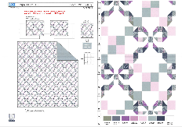 |  |  |  | QUILT | Louisa | 100% Polyester Hanging Print Quilt Set | Hanging 3pc Quilt Set | Face：85gsm microfiber disperse print Back：85gsm microfiber solid Filling：180gsm slick Poly Fill. | 100% Polyester | Twin: 66x86"/20x26+1/2"(1) | SAGE BLUSH |  | RS14-8564 |  | Set | ¥46.30 | 8.10 | $5.72 | $5.72 |  | Normal | 44 | 41 | 23 | 5.00 | 2 | 0.041 | 3133 | 2250 | $0.72 | 9404.40.9022 | 42.80% | $2.45 | $8.89 | 0.00% | $0.00 | 0.00% | $0.00 | 0.00% | $0.00 | 0 | 0.00% | $0.00 | $0.00 | $8.89 | 20.23% | $11.14 | $11.14 | $24.99 | 55.42% | 55.42% | 200 | $1,777.26 | $2,228.00
 | 2 |  |  |  |  | QUILT | Louisa | 100% Polyester Hanging Print Quilt Set | Hanging 3pc Quilt Set | Face：85gsm microfiber disperse print Back：85gsm microfiber solid Filling：180gsm slick Poly Fill. | 100% Polyester | Full/Queen: 86x86"/20x26+1/2"(2) | SAGE BLUSH |  | RS14-8565 |  | Set | ¥59.50 | 8.10 | $7.35 | $7.35 |  | Normal | 44 | 41 | 25 | 5.00 | 2 | 0.045 | 2882 | 2250 | $0.78 | 9404.40.9022 | 42.80% | $3.15 | $11.28 | 0.00% | $0.00 | 0.00% | $0.00 | 0.00% | $0.00 | 0 | 0.00% | $0.00 | $0.00 | $11.28 | 21.85% | $14.43 | $14.43 | $29.99 | 51.88% | 51.88% | 700 | $7,893.46 | $10,101.00
 | 3 |  |  |  |  | QUILT | Louisa | 100% Polyester Hanging Print Quilt Set | Hanging 3pc Quilt Set | Face：85gsm microfiber disperse print Back：85gsm microfiber solid Filling：180gsm slick Poly Fill. | 100% Polyester | King: 102x86"/20x36+1/2"(2) | SAGE BLUSH |  | RS14-8566 |  | Set | ¥68.20 | 8.10 | $8.42 | $8.42 |  | Normal | 44 | 41 | 28 | 5.00 | 2 | 0.051 | 2574 | 2250 | $0.87 | 9404.40.9022 | 42.80% | $3.60 | $12.90 | 0.00% | $0.00 | 0.00% | $0.00 | 0.00% | $0.00 | 0 | 0.00% | $0.00 | $0.00 | $12.90 | 23.04% | $16.76 | $16.76 | $34.99 | 52.10% | 52.10% | 550 | $7,093.90 | $9,218.00
 | 4 | 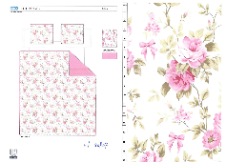 |  |  |  | QUILT | Anna | 100% Polyester Hanging Print Quilt Set | Hanging 3pc Quilt Set | Face：85gsm microfiber disperse print Back：85gsm microfiber solid Filling：180gsm slick Poly Fill. WIth scallope edge | 100% Polyester | Twin: 66x86"/20x26+1.5"(1) |  |  | RS14-8567 |  | Set | ¥49.30 | 8.10 | $6.09 | $6.09 |  | Normal | 44 | 41 | 23 | 5.00 | 2 | 0.041 | 3133 | 2250 | $0.72 | 9404.40.9022 | 42.80% | $2.61 | $9.41 | 0.00% | $0.00 | 0.00% | $0.00 | 0.00% | $0.00 | 0 | 0.00% | $0.00 | $0.00 | $9.41 | 16.98% | $11.34 | $11.34 | $24.99 | 54.62% | 54.62% | 200 | $1,882.93 | $2,268.00
 | 5 |  |  |  |  | QUILT | Anna | 100% Polyester Hanging Print Quilt Set | Hanging 3pc Quilt Set | Face：85gsm microfiber disperse print Back：85gsm microfiber solid Filling：180gsm slick Poly Fill. WIth scallope edge | 100% Polyester | Full/Queen: 86x86"/20x26+1.5“(2) |  |  | RS14-8568 |  | Set | ¥63.10 | 8.10 | $7.79 | $7.79 |  | Normal | 44 | 41 | 25 | 5.00 | 2 | 0.045 | 2882 | 2250 | $0.78 | 9404.40.9022 | 42.80% | $3.33 | $11.90 | 0.00% | $0.00 | 0.00% | $0.00 | 0.00% | $0.00 | 0 | 0.00% | $0.00 | $0.00 | $11.90 | 18.46% | $14.60 | $14.60 | $29.99 | 51.32% | 51.32% | 700 | $8,333.29 | $10,220.00
 | 6 |  |  |  |  | QUILT | Anna | 100% Polyester Hanging Print Quilt Set | Hanging 3pc Quilt Set | Face：85gsm microfiber disperse print Back：85gsm microfiber solid Filling：180gsm slick Poly Fill. WIth scallope edge | 100% Polyester | King: 102x86"/20x36+1.5"(2) |  |  | RS14-8569 |  | Set | ¥72.30 | 8.10 | $8.93 | $8.93 |  | Normal | 44 | 41 | 28 | 5.00 | 2 | 0.051 | 2574 | 2250 | $0.87 | 9404.40.9022 | 42.80% | $3.82 | $13.63 | 0.00% | $0.00 | 0.00% | $0.00 | 0.00% | $0.00 | 0 | 0.00% | $0.00 | $0.00 | $13.63 | 20.31% | $17.10 | $17.10 | $34.99 | 51.13% | 51.13% | 550 | $7,494.46 | $9,405.00
 | 8 | 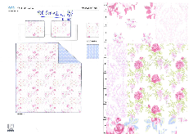 |  |  |  | QUILT | Patchwork floral | 100% Polyester Hanging Print Quilt Set | Hanging 3pc Quilt Set | Face& Back: 85gsm microfiber disperse print Filling：180gsm slick Poly Fill. | 100% Polyester | Full/Queen: 86x86"/20x26+1/2“(2) |  |  | RS14-8570 |  | Set | ¥60.70 | 8.10 | $7.49 | $7.49 |  | Normal | 44 | 41 | 25 | 5.00 | 2 | 0.045 | 2882 | 2250 | $0.78 | 9404.40.9022 | 42.80% | $3.21 | $11.48 | 0.00% | $0.00 | 0.00% | $0.00 | 0.00% | $0.00 | 0 | 0.00% | $0.00 | $0.00 | $11.48 | 20.47% | $14.43 | $14.43 | $29.99 | 51.88% | 51.88% | 835 | $9,582.71 | $12,049.05
 | 9 |  |  |  |  | QUILT | Patchwork floral | 100% Polyester Hanging Print Quilt Set | Hanging 3pc Quilt Set | Face& Back: 85gsm microfiber disperse print Filling：180gsm slick Poly Fill. | 100% Polyester | King: 102x86"/20x36+1/2”(2) |  |  | RS14-8571 |  | Set | ¥69.70 | 8.10 | $8.60 | $8.60 |  | Normal | 44 | 41 | 28 | 5.00 | 2 | 0.051 | 2574 | 2250 | $0.87 | 9404.40.9022 | 42.80% | $3.68 | $13.16 | 0.00% | $0.00 | 0.00% | $0.00 | 0.00% | $0.00 | 0 | 0.00% | $0.00 | $0.00 | $13.16 | 21.51% | $16.76 | $16.76 | $34.99 | 52.10% | 52.10% | 600 | $7,893.03 | $10,056.00
 | 10 | 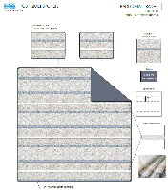 |  |  |  | QUILT | Radhi | 100% Polyester Hanging Print Quilt Set | Hanging 3pc Quilt Set | Face：85gsm microfiber disperse print Back：85gsm microfiber solid Filling：180gsm slick Poly Fill. With eyelet ribbon | 100% Polyester | Full/Queen: 86x86"/20x26+1/2“(2) | BLUE BLUSH |  | RS14-8572 |  | Set | ¥69.30 | 8.10 | $8.56 | $8.56 |  | Normal | 44 | 41 | 25 | 5.00 | 2 | 0.045 | 2882 | 2250 | $0.78 | 9404.40.9022 | 42.80% | $3.66 | $13.00 | 0.00% | $0.00 | 0.00% | $0.00 | 0.00% | $0.00 | 0 | 0.00% | $0.00 | $0.00 | $13.00 | 16.10% | $15.50 | $15.50 | $29.99 | 48.32% | 48.32% | 835 | $10,858.55 | $12,942.50
 | 11 |  |  |  |  | QUILT | Radhi | 100% Polyester Hanging Print Quilt Set | Hanging 3pc Quilt Set | Face：85gsm microfiber disperse print Back：85gsm microfiber solid Filling：180gsm slick Poly Fill. With eyelet ribbon | 100% Polyester | King: 102x86"/20x36+1/2”(2) | BLUE BLUSH |  | RS14-8573 |  | Set | ¥78.50 | 8.10 | $9.69 | $9.69 |  | Normal | 44 | 41 | 28 | 5.00 | 2 | 0.051 | 2574 | 2250 | $0.87 | 9404.40.9022 | 42.80% | $4.15 | $14.71 | 0.00% | $0.00 | 0.00% | $0.00 | 0.00% | $0.00 | 0 | 0.00% | $0.00 | $0.00 | $14.71 | 18.27% | $18.00 | $18.00 | $34.99 | 48.56% | 48.56% | 600 | $8,826.94 | $10,800.00
 | 13 | 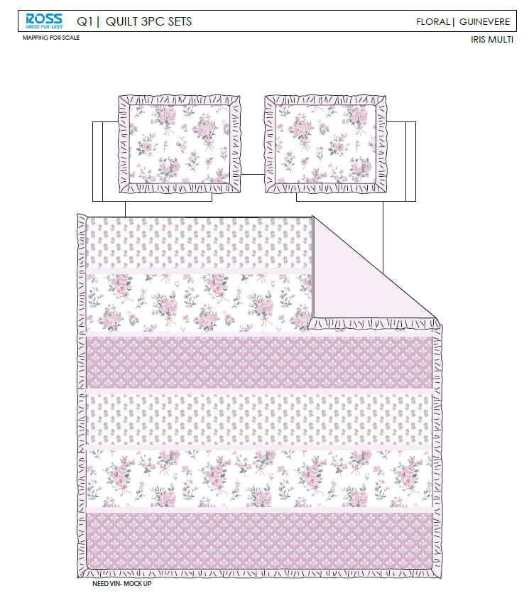 |  |  |  | QUILT | GUINEVERE IRIS | 100% Polyester Hanging Print Quilt Set | Hanging 3pc Quilt Set | Face& Back: 85gsm microfiber disperse print , with ruffle edge Filling：180gsm slick Poly Fill. | 100% Polyester | Full/Queen: 86x86"+2.5"/20x26+2.5“(2) | IRIS MULTI |  | RS14-8574 |  | Set | ¥66.00 | 8.10 | $8.15 | $8.15 |  | Normal | 44 | 41 | 25 | 5.00 | 2 | 0.045 | 2882 | 2250 | $0.78 | 9404.40.9022 | 42.80% | $3.49 | $12.42 | 0.00% | $0.00 | 0.00% | $0.00 | 0.00% | $0.00 | 0 | 0.00% | $0.00 | $0.00 | $12.42 | 17.26% | $15.01 | $15.01 | $29.99 | 49.95% | 49.95% | 835 | $10,369.68 | $12,533.35
 | 14 |  |  |  |  | QUILT | GUINEVERE IRIS | 100% Polyester Hanging Print Quilt Set | Hanging 3pc Quilt Set | Face& Back: 85gsm microfiber disperse print , with ruffle edge Filling：180gsm slick Poly Fill. | 100% Polyester | King: 102x86"+2.5"/20x36+2.5”(2) | IRIS MULTI |  | RS14-8575 |  | Set | ¥76.10 | 8.10 | $9.40 | $9.40 |  | Normal | 44 | 41 | 28 | 5.00 | 2 | 0.051 | 2574 | 2250 | $0.87 | 9404.40.9022 | 42.80% | $4.02 | $14.30 | 0.00% | $0.00 | 0.00% | $0.00 | 0.00% | $0.00 | 0 | 0.00% | $0.00 | $0.00 | $14.30 | 17.97% | $17.43 | $17.43 | $34.99 | 50.19% | 50.19% | 600 | $8,578.47 | $10,458.00
 | 16 |  |  |  |  | QUILT | Esme | 100% Polyester Hanging Print Quilt Set | Hanging 3pc Quilt Set | Face：85gsm microfiber disperse print Back：85gsm microfiber solid Filling：180gsm slick Poly Fill. | 100% Polyester | Full/Queen: 86x86"/20x26+1.5"(2) | INDIGO |  | RS14-8576 |  | Set | ¥65.70 | 8.10 | $8.11 | $8.11 |  | Normal | 44 | 41 | 25 | 5.00 | 2 | 0.045 | 2882 | 2250 | $0.78 | 9404.40.9022 | 42.80% | $3.47 | $12.36 | 0.00% | $0.00 | 0.00% | $0.00 | 0.00% | $0.00 | 0 | 0.00% | $0.00 | $0.00 | $12.36 | 16.81% | $14.86 | $14.86 | $29.99 | 50.45% | 50.45% | 835 | $10,321.98 | $12,408.10
 | 17 | 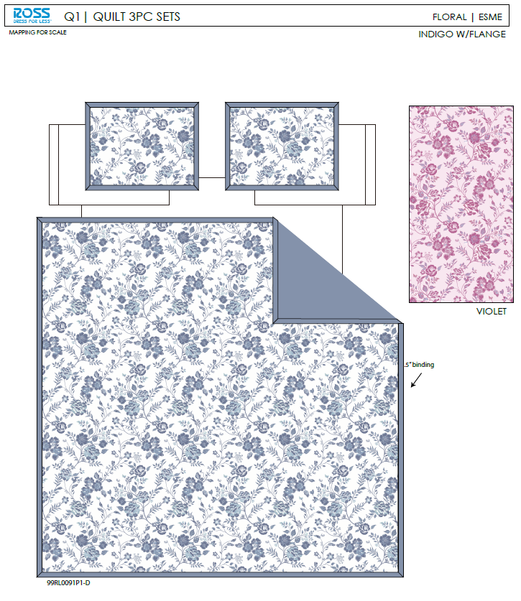 |  |  |  | QUILT | Esme | 100% Polyester Hanging Print Quilt Set | Hanging 3pc Quilt Set | Face：85gsm microfiber disperse print Back：85gsm microfiber solid Filling：180gsm slick Poly Fill. | 100% Polyester | King: 102x86"/20x36+1.5"(2) | INDIGO |  | RS14-8577 |  | Set | ¥75.10 | 8.10 | $9.27 | $9.27 |  | Normal | 44 | 41 | 28 | 5.00 | 2 | 0.051 | 2574 | 2250 | $0.87 | 9404.40.9022 | 42.80% | $3.97 | $14.11 | 0.00% | $0.00 | 0.00% | $0.00 | 0.00% | $0.00 | 0 | 0.00% | $0.00 | $0.00 | $14.11 | 18.24% | $17.26 | $17.26 | $34.99 | 50.67% | 50.67% | 600 | $8,467.08 | $10,356.00
 | 19 |  |  |  |  | QUILT | Radhi | 100% Polyester Hanging Print Quilt Set | Hanging 3pc Quilt Set | Face：85gsm microfiber disperse print Back：85gsm microfiber solid Filling：180gsm slick Poly Fill. With eyelet ribbon | 100% Polyester | Twin: 66x86"/20x26+1/2"(1) | BLUE BLUSH |  | RS14-8578 |  | Set | ¥53.60 | 8.10 | $6.62 | $6.62 |  | Normal | 44 | 41 | 23 | 5.00 | 2 | 0.041 | 3133 | 2250 | $0.72 | 9404.40.9022 | 42.80% | $2.83 | $10.17 | 0.00% | $0.00 | 0.00% | $0.00 | 0.00% | $0.00 | 0 | 0.00% | $0.00 | $0.00 | $10.17 | 16.63% | $12.20 | $12.20 | $24.99 | 51.18% | 51.18% | 810 | $8,238.91 | $9,882.00
 | 20 |  |  |  |  | QUILT | Patchwork floral | 100% Polyester Hanging Print Quilt Set | Hanging 3pc Quilt Set | Face& Back: 85gsm microfiber disperse print Filling：180gsm slick Poly Fill. | 100% Polyester | Twin: 66x86"/20x26+1/2"(1) |  |  | RS14-8579 |  | Set | ¥47.30 | 8.10 | $5.84 | $5.84 |  | Normal | 44 | 41 | 23 | 5.00 | 2 | 0.041 | 3133 | 2250 | $0.72 | 9404.40.9022 | 42.80% | $2.50 | $9.06 | 0.00% | $0.00 | 0.00% | $0.00 | 0.00% | $0.00 | 0 | 0.00% | $0.00 | $0.00 | $9.06 | 18.69% | $11.14 | $11.14 | $24.99 | 55.42% | 55.42% | 810 | $7,336.70 | $9,023.40
 | 21 |  |  |  |  | QUILT | GUINEVERE IRIS | 100% Polyester Hanging Print Quilt Set | Hanging 3pc Quilt Set | Face& Back: 85gsm microfiber disperse print , with ruffle edge Filling：180gsm slick Poly Fill. | 100% Polyester | Twin: 66x86"+2.5"/20x26+2.5"(1) | IRIS MULTI |  | RS14-8580 |  | Set | ¥50.50 | 8.10 | $6.23 | $6.23 |  | Normal | 44 | 41 | 23 | 5.00 | 2 | 0.041 | 3133 | 2250 | $0.72 | 9404.40.9022 | 42.80% | $2.67 | $9.61 | 0.00% | $0.00 | 0.00% | $0.00 | 0.00% | $0.00 | 0 | 0.00% | $0.00 | $0.00 | $9.61 | 21.19% | $12.20 | $12.20 | $24.99 | 51.18% | 51.18% | 810 | $7,787.80 | $9,882.00
 | 22 |  |  |  |  | QUILT | Esme | 100% Polyester Hanging Print Quilt Set | Hanging 3pc Quilt Set | Face：85gsm microfiber disperse print Back：85gsm microfiber solid Filling：180gsm slick Poly Fill. | 100% Polyester | Twin: 66x86"/20x26+1.5"(1) | INDIGO |  | RS14-8581 |  | Set | ¥50.30 | 8.10 | $6.21 | $6.21 |  | Normal | 44 | 41 | 23 | 5.00 | 2 | 0.041 | 3133 | 2250 | $0.72 | 9404.40.9022 | 42.80% | $2.66 | $9.59 | 0.00% | $0.00 | 0.00% | $0.00 | 0.00% | $0.00 | 0 | 0.00% | $0.00 | $0.00 | $9.59 | 16.43% | $11.47 | $11.47 | $24.99 | 54.10% | 54.10% | 810 | $7,764.67 | $9,290.70
 | 24 | 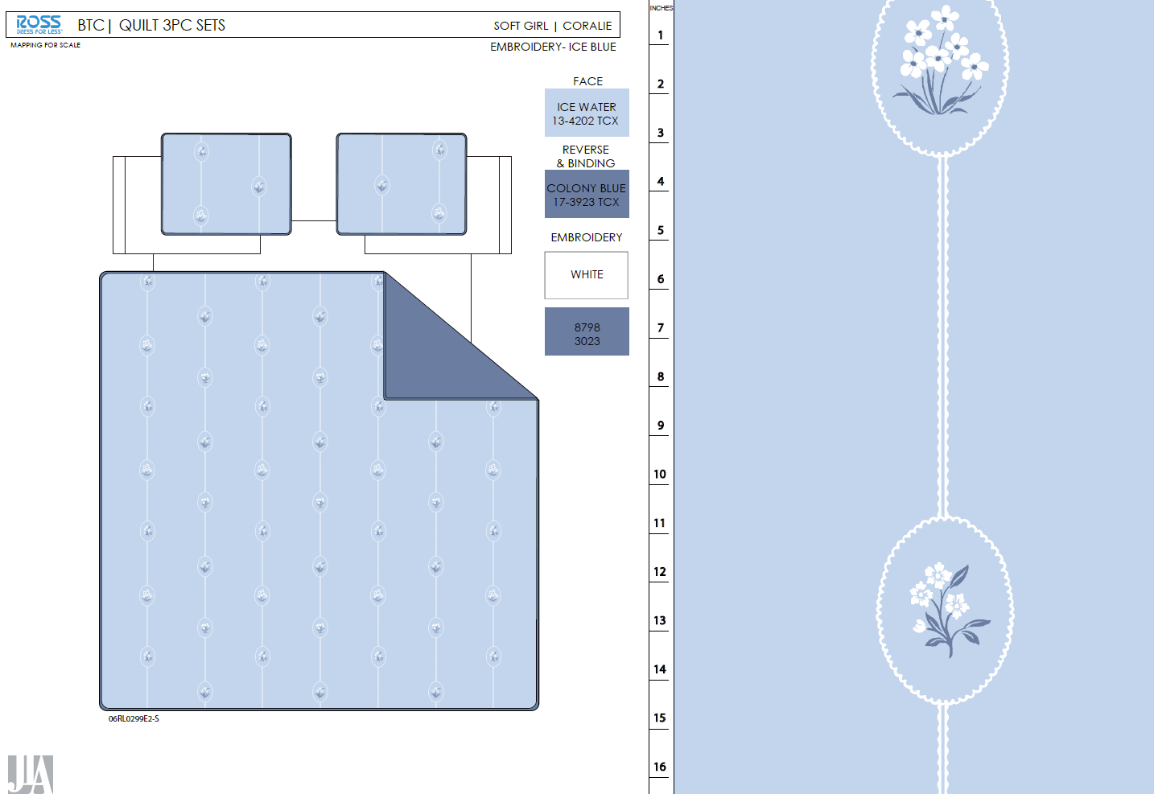 |  |  |  | QUILT | Coralie | 100% Polyester Hanging Embroidery Quilt Set | Hanging 3pc Quilt Set | Face& Back：85gsm washed microfiber solid. Embroidered. Filling：180gsm Poly Slick Fill. | 100% Polyester | Full/Queen: 86x86"/20x26+1/2“(2) | Ice Blue |  | RS14-8582 |  | Set | ¥74.50 | 8.10 | $9.20 | $9.20 |  | Normal | 44 | 41 | 28 | 5.00 | 2 | 0.051 | 2574 | 2250 | $0.87 | 9404.40.9022 | 42.80% | $3.94 | $14.01 | 0.00% | $0.00 | 0.00% | $0.00 | 0.00% | $0.00 | 0 | 0.00% | $0.00 | $0.00 | $14.01 | 17.58% | $17.00 | $17.00 | $34.99 | 51.41% | 51.41% | 700 | $9,808.29 | $11,900.00
 | 25 |  |  |  |  | QUILT | Coralie | 100% Polyester Hanging Embroidery Quilt Set | Hanging 3pc Quilt Set | Face& Back：85gsm washed microfiber solid. Embroidered. Filling：180gsm Poly Slick Fill. | 100% Polyester | King: 102x86"/20x36+1/2”(2) | Ice Blue |  | RS14-8583 |  | Set | ¥84.60 | 8.10 | $10.44 | $10.44 |  | Normal | 44 | 41 | 30 | 5.00 | 2 | 0.054 | 2402 | 2250 | $0.94 | 9404.40.9022 | 42.80% | $4.47 | $15.85 | 0.00% | $0.00 | 0.00% | $0.00 | 0.00% | $0.00 | 0 | 0.00% | $0.00 | $0.00 | $15.85 | 20.77% | $20.00 | $20.00 | $39.99 | 49.99% | 49.99% | 600 | $9,507.01 | $12,000.00
 | 26 |  |  |  |  | QUILT | Iris | 100% Polyester Hanging Embroidery Quilt Set | Hanging 3pc Quilt Set | Face：85gsm microfiber seersucker , embroidered. Back：85gsm microfiber solid Filling：180gsm Poly Slick Fill. | 100% Polyester | Full/Queen: 86x86"/20x26+1/2“(2) | Pink |  | RS14-8584 |  | Set | ¥82.60 | 8.10 | $10.20 | $10.20 |  | Normal | 44 | 41 | 28 | 5.00 | 2 | 0.051 | 2574 | 2250 | $0.87 | 9404.40.9022 | 42.80% | $4.37 | $15.44 | 0.00% | $0.00 | 0.00% | $0.00 | 0.00% | $0.00 | 0 | 0.00% | $0.00 | $0.00 | $15.44 | 15.40% | $18.25 | $18.25 | $34.99 | 47.84% | 47.84% | 700 | $10,807.89 | $12,775.00
 | 27 |  |  |  |  | QUILT | Iris | 100% Polyester Hanging Embroidery Quilt Set | Hanging 3pc Quilt Set | Face：85gsm microfiber seersucker , embroidered. Back：85gsm microfiber solid Filling：180gsm Poly Slick Fill. | 100% Polyester | King: 102x86"/20x36+1/2”(2) | Pink |  | RS14-8585 |  | Set | ¥94.70 | 8.10 | $11.69 | $11.69 |  | Normal | 44 | 41 | 30 | 5.00 | 2 | 0.054 | 2402 | 2250 | $0.94 | 9404.40.9022 | 42.80% | $5.00 | $17.63 | 0.00% | $0.00 | 0.00% | $0.00 | 0.00% | $0.00 | 0 | 0.00% | $0.00 | $0.00 | $17.63 | 18.00% | $21.50 | $21.50 | $39.99 | 46.24% | 46.24% | 600 | $10,578.01 | $12,900.00
 | 29 | 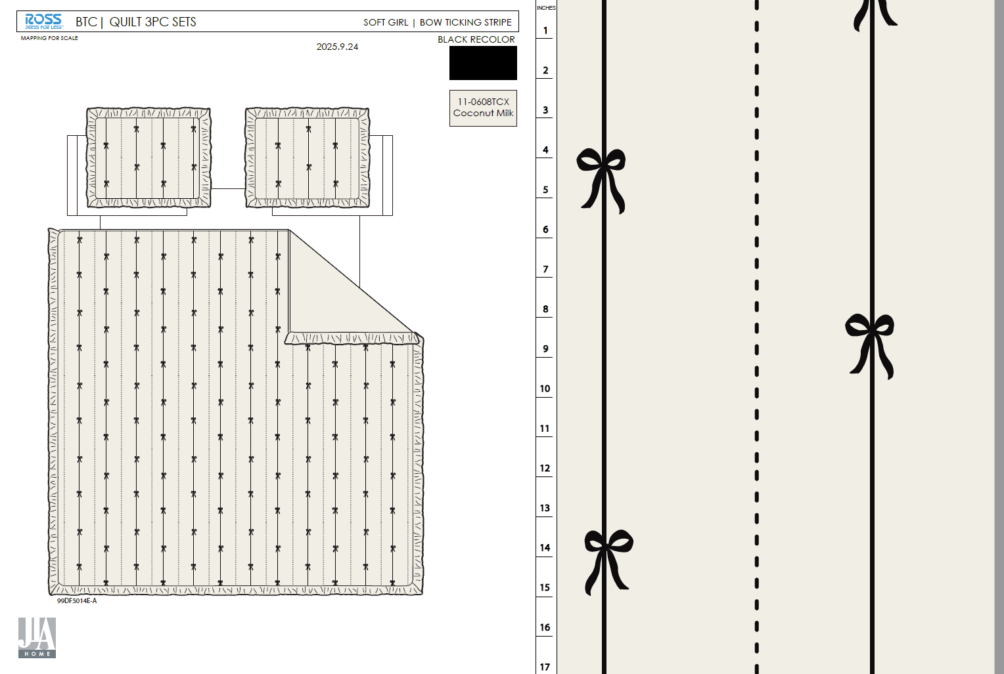 |  |  |  | QUILT | Bow Ticking Stripe | 100% Polyester Hanging Embroidery Quilt Set | Hanging 3pc Quilt Set | 85gsm microfiber Prewashed ultra soft finish. Embroidered with Ruffle edge. Stitch quilting. 180gsm Poly Fill. | 100% Polyester | Full/Queen: 86x86"+2.5“/20x26+2.5"(2) | Black |  | RS14-8586 |  | Set | ¥80.80 | 8.10 | $9.98 | $9.98 |  | Normal | 44 | 41 | 28 | 5.00 | 2 | 0.051 | 2574 | 2250 | $0.87 | 9404.40.9022 | 42.80% | $4.27 | $15.13 | 0.00% | $0.00 | 0.00% | $0.00 | 0.00% | $0.00 | 0 | 0.00% | $0.00 | $0.00 | $15.13 | 11.03% | $17.00 | $17.00 | $34.99 | 51.41% | 51.41% | 700 | $10,587.98 | $11,900.00
 | 30 |  |  |  |  | QUILT | Bow Ticking Stripe | 100% Polyester Hanging Embroidery Quilt Set | Hanging 3pc Quilt Set | 85gsm microfiber Prewashed ultra soft finish. Embroidered with Ruffle edge. Stitch quilting. 180gsm Poly Fill. | 100% Polyester | King: 102x86"+2.5“/20x36+2.5"(2) | Black |  | RS14-8587 |  | Set | ¥94.56 | 8.10 | $11.67 | $11.67 |  | Normal | 44 | 41 | 30 | 5.00 | 2 | 0.054 | 2402 | 2250 | $0.94 | 9404.40.9022 | 42.80% | $4.99 | $17.60 | 0.00% | $0.00 | 0.00% | $0.00 | 0.00% | $0.00 | 0 | 0.00% | $0.00 | $0.00 | $17.60 | 11.99% | $20.00 | $20.00 | $39.99 | 49.99% | 49.99% | 600 | $10,560.87 | $12,000.00
 | 31 |  |  |  |  | QUILT | Mirabelle | 100% Polyester Hanging Embroidery Quilt Set | Hanging 3pc Quilt Set | Face& Back：85gsm washed microfiber solid, embroidered. With 2.5" ruffle. Filling：180gsm Poly Slick Fill. | 100% Polyester | Full/Queen: 86x86"+2.5“/20x26+2.5"(2) | Pink |  | RS14-8588 |  | Set | ¥83.00 | 8.10 | $10.25 | $10.25 |  | Normal | 44 | 41 | 28 | 5.00 | 2 | 0.051 | 2574 | 2250 | $0.87 | 9404.40.9022 | 42.80% | $4.39 | $15.51 | 0.00% | $0.00 | 0.00% | $0.00 | 0.00% | $0.00 | 0 | 0.00% | $0.00 | $0.00 | $15.51 | 15.01% | $18.25 | $18.25 | $34.99 | 47.84% | 47.84% | 700 | $10,857.87 | $12,775.00
 | 32 |  |  |  |  | QUILT | Mirabelle | 100% Polyester Hanging Embroidery Quilt Set | Hanging 3pc Quilt Set | Face& Back：85gsm washed microfiber solid, embroidered. With 2.5" ruffle. Filling：180gsm Poly Slick Fill. | 100% Polyester | King: 102x86"+2.5“/20x36+2.5"(2) | Pink |  | RS14-8589 |  | Set | ¥95.50 | 8.10 | $11.79 | $11.79 |  | Normal | 44 | 41 | 30 | 5.00 | 2 | 0.054 | 2402 | 2250 | $0.94 | 9404.40.9022 | 42.80% | $5.05 | $17.77 | 0.00% | $0.00 | 0.00% | $0.00 | 0.00% | $0.00 | 0 | 0.00% | $0.00 | $0.00 | $17.77 | 17.34% | $21.50 | $21.50 | $39.99 | 46.24% | 46.24% | 600 | $10,663.69 | $12,900.00
 | 34 |  |  |  |  | QUILT | Coralie | 100% Polyester Hanging Embroidery Quilt Set | Hanging 3pc Quilt Set | Face& Back：85gsm washed microfiber solid. Embroidered. Filling：180gsm Poly Slick Fill. | 100% Polyester | Twin: 66x86"/20x26+1/2"(1) | Ice Blue |  | RS14-8590 |  | Set | ¥56.40 | 8.10 | $6.96 | $6.96 |  | Normal | 44 | 41 | 25 | 5.00 | 2 | 0.045 | 2882 | 2250 | $0.78 | 9404.40.9022 | 42.80% | $2.98 | $10.72 | 0.00% | $0.00 | 0.00% | $0.00 | 0.00% | $0.00 | 0 | 0.00% | $0.00 | $0.00 | $10.72 | 17.54% | $13.00 | $13.00 | $24.99 | 47.98% | 47.98% | 740 | $7,932.40 | $9,620.00
 | 35 |  |  |  |  | QUILT | Iris | 100% Polyester Hanging Embroidery Quilt Set | Hanging 3pc Quilt Set | Face：85gsm microfiber seersucker , embroidered. Back：85gsm microfiber solid Filling：180gsm Poly Slick Fill. | 100% Polyester | Twin: 66x86"/20x26+1/2"(1) | Pink |  | RS14-8591 |  | Set | ¥63.90 | 8.10 | $7.89 | $7.89 |  | Normal | 44 | 41 | 25 | 5.00 | 2 | 0.045 | 2882 | 2250 | $0.78 | 9404.40.9022 | 42.80% | $3.38 | $12.05 | 0.00% | $0.00 | 0.00% | $0.00 | 0.00% | $0.00 | 0 | 0.00% | $0.00 | $0.00 | $12.05 | 12.38% | $13.75 | $13.75 | $24.99 | 44.98% | 44.98% | 740 | $8,915.15 | $10,175.00
 | 36 |  |  |  |  | QUILT | Bow Ticking Stripe | 100% Polyester Hanging Embroidery Quilt Set | Hanging 3pc Quilt Set | 85gsm microfiber Prewashed ultra soft finish. Embroidered with Ruffle edge. Stitch quilting. 180gsm Poly Fill. | 100% Polyester | Twin: 66x86"/20x26+2.5"(1) | Black |  | RS14-8592 |  | Set | ¥60.50 | 8.10 | $7.47 | $7.47 |  | Normal | 44 | 41 | 25 | 5.00 | 2 | 0.045 | 2882 | 2250 | $0.78 | 9404.40.9022 | 42.80% | $3.20 | $11.45 | 0.00% | $0.00 | 0.00% | $0.00 | 0.00% | $0.00 | 0 | 0.00% | $0.00 | $0.00 | $11.45 | 11.94% | $13.00 | $13.00 | $24.99 | 47.98% | 47.98% | 740 | $8,471.33 | $9,620.00
 | 37 |  |  |  |  | QUILT | Mirabelle | 100% Polyester Hanging Embroidery Quilt Set | Hanging 3pc Quilt Set | Face& Back：85gsm washed microfiber solid, embroidered. With 2.5" ruffle. Filling：180gsm Poly Slick Fill. | 100% Polyester | Twin: 66x86"/20x26+2.5"(1) | Pink |  | RS14-8593 |  | Set | ¥62.50 | 8.10 | $7.72 | $7.72 |  | Normal | 44 | 41 | 25 | 5.00 | 2 | 0.045 | 2882 | 2250 | $0.78 | 9404.40.9022 | 42.80% | $3.30 | $11.80 | 0.00% | $0.00 | 0.00% | $0.00 | 0.00% | $0.00 | 0 | 0.00% | $0.00 | $0.00 | $11.80 | 14.15% | $13.75 | $13.75 | $24.99 | 44.98% | 44.98% | 740 | $8,735.51 | $10,175.00

