Item
Line No. | Photo | VIN/Art No. | Brand | Licensor | Product Category | Pattern | Item Description | Description-Short | Fabrication | Material-Short | Size/Spec. | Color | Trim | Customer Item# | Item No. | UPC | Unit of Measure | China RMB Cost | Exchange Rate | FOB Cost $ (Formula) | FOB Cost $ (Value) | UCCPM Price | Package Type | Carton Size L (cm) | Carton Size W (cm) | Carton Size H (cm) | Carton Gross Weight (kg) | Case Pack | Cubic Meter per Carton | Total Units per 40ft Container | 40ft Container Freight | Ocean Freight per Item $ | HTS Code | Duty Rate | Duty per Item $ | DA % | DA $ | Load 1 | Warehouse Charge % | Warehouse Charge $ | Load 2 | Load 2 % | Load 2 $ | DI Total Load $ | FOB Cost with Load $ | JLA FOB MU% | JLA FOB Price Quote (Value) | Total Quantity | Total Cost | Total Sales
1 |  |  |  |  | COMFORTER (SET) | Colton | 100% Cotton Comforter Set | Comforter Set | Comforter & sham face: Yarn dye,100% cotton; back: 144TC cotton solid color; comforter fill: 250gsm polyester. Package: wire bag with insert. | 100% cotton | 190x240+50x70cm(1pc) | Grey |  |  | SVTD10-0704 |  | Set |  | 8.00 | $20.52 | $20.52 |  | Normal | 58.0 | 48.0 | 33.0 | 10.00 | 2 |  |  |  |  |  |  |  | 0.00% | $0.00 | 0 | 0.00% | $0.00 | 0 | 0.00% | 0.00% | $0.00 | $20.52 | 20.31% | $25.75 |  | $0.00 | $0.00
2 | 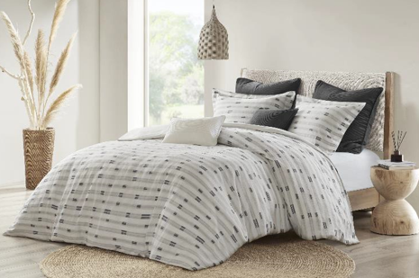 |  |  |  | COMFORTER (SET) | Colton | 100% Cotton Comforter Set | Comforter Set | Comforter & sham face: Yarn dye,100% cotton; back: 144TC cotton solid color; comforter fill: 250gsm polyester. Package: wire bag with insert. | 100% cotton | 230x240cm+ 50x70cm(2pc) | Grey |  |  | SVTD10-0705 |  | Set |  | 8.00 | $23.24 | $23.24 |  | Normal | 58.0 | 48.0 | 38.0 | 10.00 | 2 |  |  |  |  |  |  |  | 0.00% | $0.00 | 0 | 0.00% | $0.00 | 0 | 0.00% | 0.00% | $0.00 | $23.24 | 20.84% | $29.36 |  | $0.00 | $0.00
3 |  |  |  |  | COMFORTER (SET) | Colton | 100% Cotton Comforter Set | Comforter Set | Comforter & sham face: Yarn dye,100% cotton; back: 144TC cotton solid color; comforter fill: 250gsm polyester. Package: wire bag with insert. | 100% cotton | 290x240cm+ 50x90cm(2pc) | Grey |  |  | SVTD10-0706 |  | Set |  | 8.00 | $26.76 | $26.76 |  | Normal | 58.0 | 48.0 | 43.0 | 10.00 | 2 |  |  |  |  |  |  |  | 0.00% | $0.00 | 0 | 0.00% | $0.00 | 0 | 0.00% | 0.00% | $0.00 | $26.76 | 20.07% | $33.48 |  | $0.00 | $0.00
4 |  |  |  |  | COMFORTER (SET) | Leonie | 100% Cotton Comforter Set | Comforter Set | Front: 100% cotton; Back: T144 cotton solid Fill: 100% polyester 250gsm.Package: Wire bag with insert. Case pack 2. | 100% cotton | 190x240+50x70cm(1pc) | Beige |  |  | SVTD10-0707 |  | Set |  | 8.00 | $20.89 | $20.89 |  | Normal | 58.0 | 48.0 | 33.0 | 10.00 | 2 |  |  |  |  |  |  |  | 0.00% | $0.00 | 0 | 0.00% | $0.00 | 0 | 0.00% | 0.00% | $0.00 | $20.89 | 18.87% | $25.75 |  | $0.00 | $0.00
5 | 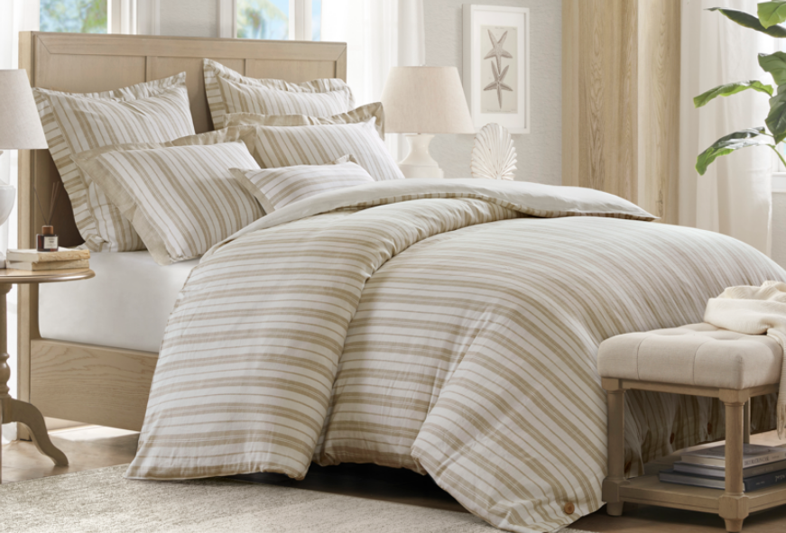 |  |  |  | COMFORTER (SET) | Leonie | 100% Cotton Comforter Set | Comforter Set | Front: 100% cotton; Back: T144 cotton solid Fill: 100% polyester 250gsm.Package: Wire bag with insert. Case pack 2. | 100% cotton | 230x240cm+ 50x70cm(2pc) | Beige |  |  | SVTD10-0708 |  | Set |  | 8.00 | $23.73 | $23.73 |  | Normal | 58.0 | 48.0 | 38.0 | 10.00 | 2 |  |  |  |  |  |  |  | 0.00% | $0.00 | 0 | 0.00% | $0.00 | 0 | 0.00% | 0.00% | $0.00 | $23.73 | 19.18% | $29.36 |  | $0.00 | $0.00
6 |  |  |  |  | COMFORTER (SET) | Leonie | 100% Cotton Comforter Set | Comforter Set | Front: 100% cotton; Back: T144 cotton solid Fill: 100% polyester 250gsm.Package: Wire bag with insert. Case pack 2. | 100% cotton | 290x240cm+ 50x90cm(2pc) | Beige |  |  | SVTD10-0709 |  | Set |  | 8.00 | $28.01 | $28.01 |  | Normal | 58.0 | 48.0 | 43.0 | 10.00 | 2 |  |  |  |  |  |  |  | 0.00% | $0.00 | 0 | 0.00% | $0.00 | 0 | 0.00% | 0.00% | $0.00 | $28.01 | 16.34% | $33.48 |  | $0.00 | $0.00

