Item
Line No. | Photo | VIN/Art No. | Brand | Licensor | Product Category | Pattern | Item Description | Description-Short | Fabrication | Material-Short | Size/Spec. | Color | Item No. | UPC | Unit of Measure | China RMB Cost | Exchange Rate | FOB Cost $ (Formula) | FOB Cost $ (Value) | UCCPM Price | Package Type | Carton Size L (cm) | Carton Size W (cm) | Carton Size H (cm) | Carton Gross Weight (kg) | Case Pack | Cubic Meter per Carton | Total Units per 40ft Container | 40ft Container Freight | Ocean Freight per Item $ | HTS Code | Duty Rate | Duty per Item $ | LDP Cost $ | DA % | DA $ | General Load % | General Load $ | Warehouse Charge % | Warehouse Charge $ | Dropship Charge | Load 1 | Load 1 % | Load 1 $ | Total Load $ | LDP Cost with Load $ | JLA LDP MU% | JLA FOB CA/GA Price Quote (Formula) | JLA price with drop ship charges | Suggested Retail Price | Initial Markup | Initial Rollout Forecast
1 | 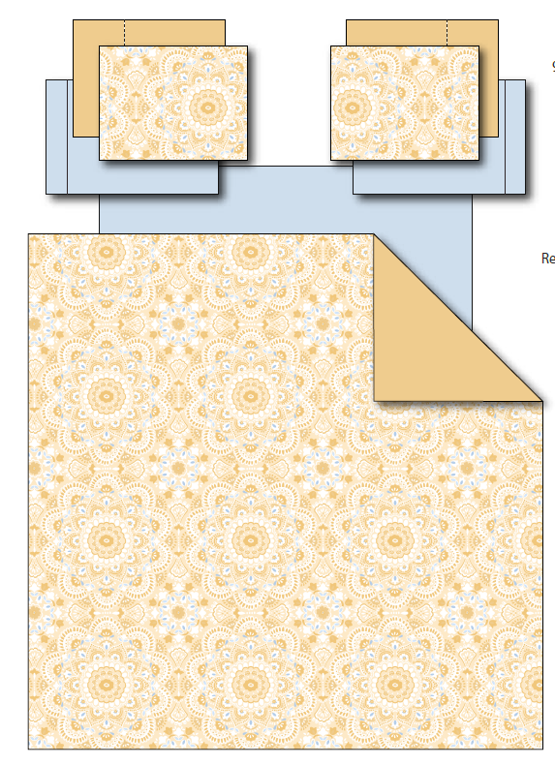 |  | Regency Heights |  | COMFORTER (SET) | Cara | 100% Polyester Printed 6PCs Comforter Set | 6PCs Comforter Set | Comforter/sham face: 100% polyester microfiber 85gsm printed Comforter Back: 85gsm MF, sheet set: 85gsm solid microfiber. Fitted sheet with 1 pocket on each side. Comforter filling: 200gsm poly fill. | 100% Polyester Microfiber, poly fill | Twin: 66x90"/20x26+1"/66x96"/39x75+12"/20x30"/20x30" | Yellow | RH10-0460 |  | Set | ￥76.50 | 8.00 | $9.56 | $9.56 |  | Compressed/Knocked Down | 42.0 | 31.0 | 30.0 | 6.60 | 2 | 0.039 | 3328 | $4,000.00 | $1.20 | 9404.40.9022 | 42.80% | $4.09 | $14.85 | 0.00% | $0.00 | 0.00% | $0.00 | 0.00% | $0.00 | $0.00 | $0.00 | 0.00% | $0.00 | $0.00 | $14.85 | 0.00% | $14.85 | $45.99 | $45.99
2 |  |  | Regency Heights |  | COMFORTER (SET) | Cara | 100% Polyester Printed 6PCs Comforter Set | 6PCs Comforter Set | Comforter/sham face: 100% polyester microfiber 85gsm printed Comforter Back: 85gsm MF, sheet set: 85gsm solid microfiber. Fitted sheet with 1 pocket on each side. Comforter filling: 200gsm poly fill. | 100% Polyester Microfiber, poly fill | Twin/TXL: 66x90"/20x26+1"/66x96"/39x80+12"/20x30"/20x30" | Yellow | RH10-0461 |  | Set | ￥75.80 | 8.00 | $9.48 | $9.48 |  | Compressed/Knocked Down | 42.0 | 31.0 | 30.0 | 6.60 | 2 | 0.039 | 3328 | $4,000.00 | $1.20 | 9404.40.9022 | 42.80% | $4.06 | $14.74 | 0.00% | $0.00 | 0.00% | $0.00 | 0.00% | $0.00 | $0.00 | $0.00 | 0.00% | $0.00 | $0.00 | $14.74 | 0.00% | $14.74 | $45.99 | $45.99
3 |  |  | Regency Heights |  | COMFORTER (SET) | Cara | 100% Polyester Printed 9PCs Comforter Set | 9PCs Comforter Set | Comforter/sham face: 100% polyester microfiber 85gsm printed Comforter Back: 85gsm MF, sheet set: 85gsm solid microfiber. Fitted sheet with 1 pocket on each side. Comforter filling: 200gsm poly fill. | 100% Polyester Microfiber, poly fill | Full: 80x90"/20x26+1"(2)/81x96"/54x75"+15"/20x30"(2)/20x30"(2) | Yellow | RH10-0462 |  | Set | ￥97.00 | 8.00 | $12.13 | $12.13 |  | Compressed/Knocked Down | 42.0 | 40.0 | 31.0 | 8.40 | 2 | 0.052 | 2496 | $4,000.00 | $1.60 | 9404.40.9022 | 42.80% | $5.19 | $18.92 | 0.00% | $0.00 | 0.00% | $0.00 | 0.00% | $0.00 | $0.00 | $0.00 | 0.00% | $0.00 | $0.00 | $18.92 | 0.00% | $18.92 | $49.99 | $49.99
4 |  |  | Regency Heights |  | COMFORTER (SET) | Cara | 100% Polyester Printed 9PCs Comforter Set | 9PCs Comforter Set | Comforter/sham face: 100% polyester microfiber 85gsm printed Comforter Back: 85gsm MF, sheet set: 85gsm solid microfiber. Fitted sheet with 1 pocket on each side. Comforter filling: 200gsm poly fill. | 100% Polyester Microfiber, poly fill | Queen: 90x90"/20x26+1"(2)/90x102"/60x80"+15"/20x30"(2)/20x30"(2) | Yellow | RH10-0463 |  | Set | ￥102.10 | 8.00 | $12.76 | $12.76 |  | Compressed/Knocked Down | 42.0 | 40.0 | 31.0 | 9.20 | 2 | 0.052 | 2496 | $4,000.00 | $1.60 | 9404.40.9022 | 42.80% | $5.46 | $19.82 | 0.00% | $0.00 | 0.00% | $0.00 | 0.00% | $0.00 | $0.00 | $0.00 | 0.00% | $0.00 | $0.00 | $19.82 | 0.00% | $19.82 | $54.99 | $54.99
5 |  |  | Regency Heights |  | COMFORTER (SET) | Cara | 100% Polyester Printed 9PCs Comforter Set | 9PCs Comforter Set | Comforter/sham face: 100% polyester microfiber 85gsm printed Comforter Back: 85gsm MF, sheet set: 85gsm solid microfiber. Fitted sheet with 1 pocket on each side. Comforter filling: 200gsm poly fill. | 100% Polyester Microfiber, poly fill | King: 104x90"L/20x36+1"L(2)/108x102"/78x80"+15"/20x40"(2)/20x40"(2) | Yellow | RH10-0464 |  | Set | ￥121.70 | 8.00 | $15.21 | $15.21 |  | Compressed/Knocked Down | 42.0 | 40.0 | 31.0 | 10.30 | 2 | 0.052 | 2496 | $4,000.00 | $1.60 | 9404.40.9022 | 42.80% | $6.51 | $23.32 | 0.00% | $0.00 | 0.00% | $0.00 | 0.00% | $0.00 | $0.00 | $0.00 | 0.00% | $0.00 | $0.00 | $23.32 | 0.00% | $23.32 | $64.99 | $64.99

