Item
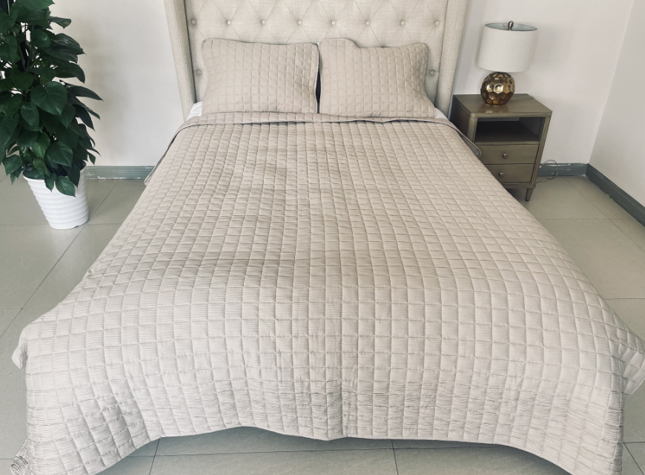
Line No. | Photo | VIN/Art No. | Brand | Licensor | Product Category | Pattern | Item Description | Description-Short | Fabrication | Material-Short | Size/Spec. | Color | Customer Item# | Additional Customer Item# | Item No. | UPC | Unit of Measure | China RMB Cost | Exchange Rate | FOB Cost $ (Formula) | FOB Cost $ (Value) | UCCPM Price | Package Type | Carton Size L (cm) | Carton Size W (cm) | Carton Size H (cm) | Carton Gross Weight (kg) | Case Pack | Cubic Meter per Carton | Total Units per 40ft Container | 40ft Container Freight | Ocean Freight per Item $ | HTS Code | Duty Rate | Duty per Item $ | LDP Cost $ | DA % | DA $ | General Load % | General Load $ | Warehouse Charge % | Warehouse Charge $ | Load 1 | Load 1 % | Load 1 $ | Total Load $ | LDP Cost with Load $ | JLA LDP MU% | JLA POE Price Quote (Formula) | JLA POE Price Quote (Value) | Additional Customer Price | Suggested Retail Price | Retailer Markup (Value) | Retailer Markup (Formula) | Total Quantity | Total Cost | Total Sales
¥1.00 |  |  | 510 Design |  | QUILT | Crinkle | 100% Polyester 510 Design Crinkle Quilt Set | Crinkle Quilt Set | Face: polyester crinkle Back: 75 gsm MF Filling: 90 gsm polyfill | 100% polyester | Twin/Twin XL: 66x90/20x26" | Light Gray |  |  | KL14-3822 |  | Piece | ¥57.30 | 8.10 | $7.07 | $7.07 |  | Rolled | 40.0 | 36.0 | 18.0 | 5.00 | 2 | 0.026 | 5015 | ¥2,400.00 | $0.48 | 9404.40.9022 | 42.80% | $3.03 | $10.57 | 10.00% | $1.61 | 4.00% | $0.65 | 0.00% | $0.00 | ¥0.00 | 0.00% | $0.00 | $2.26 | $12.83 | 20.48% | $16.14 | $16.14 |  | $59.99 | 73.10% | 73.10% | 774 | $9,933.58 | $12,492.36
¥2.00 |  |  | 510 Design |  | QUILT | Crinkle | 100% Polyester 510 Design Crinkle Quilt Set | Crinkle Quilt Set | Face: polyester crinkle Back: 75 gsm MF Filling: 90 gsm polyfill | 100% polyester | Full/Queen: 90x90/20x26" (2) | Light Gray |  |  | KL14-3823 |  | Piece | ¥77.60 | 8.10 | $9.58 | $9.58 |  | Rolled | 44.0 | 41.0 | 21.0 | 5.00 | 2 | 0.038 | 3432 | ¥2,400.00 | $0.70 | 9404.40.9022 | 42.80% | $4.10 | $14.38 | 10.00% | $2.07 | 4.00% | $0.83 | 0.00% | $0.00 | ¥0.00 | 0.00% | $0.00 | $2.90 | $17.28 | 16.60% | $20.72 | $20.72 |  | $69.99 | 70.40% | 70.40% | 2040 | $35,252.09 | $42,268.80
¥3.00 |  |  | 510 Design |  | QUILT | Crinkle | 100% Polyester 510 Design Crinkle Quilt Set | Crinkle Quilt Set | Face: polyester crinkle Back: 75 gsm MF Filling: 90 gsm polyfill | 100% polyester | King/Cal King: 104x90/20x36" (2) | Light Gray |  |  | KL14-3824 |  | Piece | ¥89.50 | 8.10 | $11.05 | $11.05 |  | Rolled | 50.0 | 41.0 | 23.0 | 5.00 | 2 | 0.047 | 2757 | ¥2,400.00 | $0.87 | 9404.40.9022 | 42.80% | $4.73 | $16.65 | 10.00% | $2.31 | 4.00% | $0.92 | 0.00% | $0.00 | ¥0.00 | 0.00% | $0.00 | $3.24 | $19.89 | 13.95% | $23.11 | $23.11 |  | $79.99 | 71.11% | 71.11% | 1256 | $24,975.89 | $29,026.16
¥4.00 |  |  | 510 Design |  | QUILT | Crinkle | 100% Polyester 510 Design Crinkle Quilt Set | Crinkle Quilt Set | Face: polyester crinkle Back: 75 gsm MF Filling: 90 gsm polyfill | 100% polyester | Twin/Twin XL: 66x90/20x26" | Blue |  |  | KL14-3825 |  | Piece | ¥57.30 | 8.10 | $7.07 | $7.07 |  | Rolled | 40.0 | 36.0 | 18.0 | 5.00 | 2 | 0.026 | 5015 | ¥2,400.00 | $0.48 | 9404.40.9022 | 42.80% | $3.03 | $10.57 | 10.00% | $1.61 | 4.00% | $0.65 | 0.00% | $0.00 | ¥0.00 | 0.00% | $0.00 | $2.26 | $12.83 | 20.48% | $16.14 | $16.14 |  | $59.99 | 73.10% | 73.10% | 774 | $9,933.58 | $12,492.36
¥5.00 |  |  | 510 Design |  | QUILT | Crinkle | 100% Polyester 510 Design Crinkle Quilt Set | Crinkle Quilt Set | Face: polyester crinkle Back: 75 gsm MF Filling: 90 gsm polyfill | 100% polyester | Full/Queen: 90x90/20x26" (2) | Blue |  |  | KL14-3826 |  | Piece | ¥77.60 | 8.10 | $9.58 | $9.58 |  | Rolled | 44.0 | 41.0 | 21.0 | 5.00 | 2 | 0.038 | 3432 | ¥2,400.00 | $0.70 | 9404.40.9022 | 42.80% | $4.10 | $14.38 | 10.00% | $2.07 | 4.00% | $0.83 | 0.00% | $0.00 | ¥0.00 | 0.00% | $0.00 | $2.90 | $17.28 | 16.60% | $20.72 | $20.72 |  | $69.99 | 70.40% | 70.40% | 1968 | $34,007.90 | $40,776.96
¥6.00 |  |  | 510 Design |  | QUILT | Crinkle | 100% Polyester 510 Design Crinkle Quilt Set | Crinkle Quilt Set | Face: polyester crinkle Back: 75 gsm MF Filling: 90 gsm polyfill | 100% polyester | King/Cal King: 104x90/20x36" (2) | Blue |  |  | KL14-3827 |  | Piece | ¥89.50 | 8.10 | $11.05 | $11.05 |  | Rolled | 50.0 | 41.0 | 23.0 | 5.00 | 2 | 0.047 | 2757 | ¥2,400.00 | $0.87 | 9404.40.9022 | 42.80% | $4.73 | $16.65 | 10.00% | $2.31 | 4.00% | $0.92 | 0.00% | $0.00 | ¥0.00 | 0.00% | $0.00 | $3.24 | $19.89 | 13.95% | $23.11 | $23.11 |  | $79.99 | 71.11% | 71.11% | 1256 | $24,975.89 | $29,026.16
¥7.00 |  |  | 510 Design |  | QUILT | Crinkle | 100% Polyester 510 Design Crinkle Quilt Set | Crinkle Quilt Set | Face: polyester crinkle Back: 75 gsm MF Filling: 90 gsm polyfill | 100% polyester | Twin/Twin XL: 66x90/20x26" | Khaki |  |  | KL14-3828 |  | Piece | ¥57.30 | 8.10 | $7.07 | $7.07 |  | Rolled | 40.0 | 36.0 | 18.0 | 5.00 | 2 | 0.026 | 5015 | ¥2,400.00 | $0.48 | 9404.40.9022 | 42.80% | $3.03 | $10.57 | 10.00% | $1.61 | 4.00% | $0.65 | 0.00% | $0.00 | ¥0.00 | 0.00% | $0.00 | $2.26 | $12.83 | 20.48% | $16.14 | $16.14 |  | $59.99 | 73.10% | 73.10% | 774 | $9,933.58 | $12,492.36
¥8.00 |  |  | 510 Design |  | QUILT | Crinkle | 100% Polyester 510 Design Crinkle Quilt Set | Crinkle Quilt Set | Face: polyester crinkle Back: 75 gsm MF Filling: 90 gsm polyfill | 100% polyester | Full/Queen: 90x90/20x26" (2) | Khaki |  |  | KL14-3829 |  | Piece | ¥77.60 | 8.10 | $9.58 | $9.58 |  | Rolled | 44.0 | 41.0 | 21.0 | 5.00 | 2 | 0.038 | 3432 | ¥2,400.00 | $0.70 | 9404.40.9022 | 42.80% | $4.10 | $14.38 | 10.00% | $2.07 | 4.00% | $0.83 | 0.00% | $0.00 | ¥0.00 | 0.00% | $0.00 | $2.90 | $17.28 | 16.60% | $20.72 | $20.72 |  | $69.99 | 70.40% | 70.40% | 1544 | $26,680.99 | $31,991.68
¥9.00 |  |  | 510 Design |  | QUILT | Crinkle | 100% Polyester 510 Design Crinkle Quilt Set | Crinkle Quilt Set | Face: polyester crinkle Back: 75 gsm MF Filling: 90 gsm polyfill | 100% polyester | King/Cal King: 104x90/20x36" (2) | Khaki |  |  | KL14-3830 |  | Piece | ¥89.50 | 8.10 | $11.05 | $11.05 |  | Rolled | 50.0 | 41.0 | 23.0 | 5.00 | 2 | 0.047 | 2757 | ¥2,400.00 | $0.87 | 9404.40.9022 | 42.80% | $4.73 | $16.65 | 10.00% | $2.31 | 4.00% | $0.92 | 0.00% | $0.00 | ¥0.00 | 0.00% | $0.00 | $3.24 | $19.89 | 13.95% | $23.11 | $23.11 |  | $79.99 | 71.11% | 71.11% | 1220 | $24,260.02 | $28,194.20
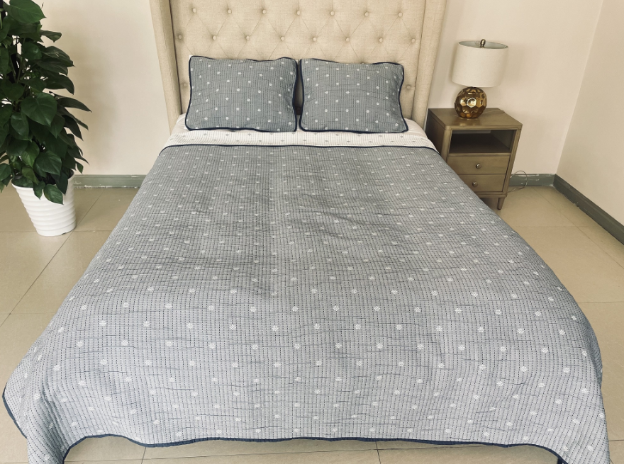
¥10.00 |  |  | 510 Design |  | QUILT | Farrah Floral | 100% Polyester 510 Design Farrah Floral Quilt Set | Farrah Floral Quilt Set | Single layer coverlet: 100% polyester | 100% polyester | Twin/Twin XL: 66x90/20x26" | Green |  |  | KL14-3831 |  | Piece | ¥64.35 | 8.10 | $7.94 | $7.94 |  | Rolled | 40.0 | 36.0 | 18.0 | 5.00 | 2 | 0.026 | 5015 | ¥2,400.00 | $0.48 | 9404.40.9022 | 42.80% | $3.40 | $11.82 | 10.00% | $1.73 | 4.00% | $0.69 | 0.00% | $0.00 | ¥0.00 | 0.00% | $0.00 | $2.43 | $14.24 | 17.81% | $17.33 | $17.33 |  | $59.99 | 71.11% | 71.11% | 702 | $9,998.62 | $12,165.66
¥11.00 |  |  | 510 Design |  | QUILT | Farrah Floral | 100% Polyester 510 Design Farrah Floral Quilt Set | Farrah Floral Quilt Set | Single layer coverlet: 100% polyester | 100% polyester | Full/Queen: 90x90/20x26" (2) | Green |  |  | KL14-3832 |  | Piece | ¥88.31 | 8.10 | $10.90 | $10.90 |  | Rolled | 44.0 | 41.0 | 21.0 | 5.00 | 2 | 0.038 | 3432 | ¥2,400.00 | $0.70 | 9404.40.9022 | 42.80% | $4.67 | $16.26 | 10.00% | $2.21 | 4.00% | $0.89 | 0.00% | $0.00 | ¥0.00 | 0.00% | $0.00 | $3.10 | $19.36 | 12.50% | $22.13 | $22.13 |  | $69.99 | 68.38% | 68.38% | 1472 | $28,502.04 | $32,575.36
¥12.00 |  |  | 510 Design |  | QUILT | Farrah Floral | 100% Polyester 510 Design Farrah Floral Quilt Set | Farrah Floral Quilt Set | Single layer coverlet: 100% polyester | 100% polyester | King/Cal King: 104x90/20x36" (2) | Green |  |  | KL14-3833 |  | Piece | ¥102.17 | 8.10 | $12.61 | $12.61 |  | Rolled | 50.0 | 41.0 | 23.0 | 5.00 | 2 | 0.047 | 2757 | ¥2,400.00 | $0.87 | 9404.40.9022 | 42.80% | $5.40 | $18.88 | 10.00% | $2.57 | 4.00% | $1.03 | 0.00% | $0.00 | ¥0.00 | 0.00% | $0.00 | $3.60 | $22.48 | 12.66% | $25.74 | $25.74 |  | $79.99 | 67.82% | 67.82% | 860 | $19,333.78 | $22,136.40
¥13.00 |  |  | 510 Design |  | QUILT | Farrah Floral | 100% Polyester 510 Design Farrah Floral Quilt Set | Farrah Floral Quilt Set | Single layer coverlet: 100% polyester | 100% polyester | Twin/Twin XL: 66x90/20x26" | Blue |  |  | KL14-3834 |  | Piece | ¥64.35 | 8.10 | $7.94 | $7.94 |  | Rolled | 40.0 | 36.0 | 18.0 | 5.00 | 2 | 0.026 | 5015 | ¥2,400.00 | $0.48 | 9404.40.9022 | 42.80% | $3.40 | $11.82 | 10.00% | $1.73 | 4.00% | $0.69 | 0.00% | $0.00 | ¥0.00 | 0.00% | $0.00 | $2.43 | $14.24 | 17.81% | $17.33 | $17.33 |  | $59.99 | 71.11% | 71.11% | 702 | $9,998.62 | $12,165.66
¥14.00 |  |  | 510 Design |  | QUILT | Farrah Floral | 100% Polyester 510 Design Farrah Floral Quilt Set | Farrah Floral Quilt Set | Single layer coverlet: 100% polyester | 100% polyester | Full/Queen: 90x90/20x26" (2) | Blue |  |  | KL14-3835 |  | Piece | ¥88.31 | 8.10 | $10.90 | $10.90 |  | Rolled | 44.0 | 41.0 | 21.0 | 5.00 | 2 | 0.038 | 3432 | ¥2,400.00 | $0.70 | 9404.40.9022 | 42.80% | $4.67 | $16.26 | 10.00% | $2.21 | 4.00% | $0.89 | 0.00% | $0.00 | ¥0.00 | 0.00% | $0.00 | $3.10 | $19.36 | 12.50% | $22.13 | $22.13 |  | $69.99 | 68.38% | 68.38% | 1400 | $27,107.92 | $30,982.00
¥15.00 |  |  | 510 Design |  | QUILT | Farrah Floral | 100% Polyester 510 Design Farrah Floral Quilt Set | Farrah Floral Quilt Set | Single layer coverlet: 100% polyester | 100% polyester | King/Cal King: 104x90/20x36" (2) | Blue |  |  | KL14-3836 |  | Piece | ¥102.17 | 8.10 | $12.61 | $12.61 |  | Rolled | 50.0 | 41.0 | 23.0 | 5.00 | 2 | 0.047 | 2757 | ¥2,400.00 | $0.87 | 9404.40.9022 | 42.80% | $5.40 | $18.88 | 10.00% | $2.57 | 4.00% | $1.03 | 0.00% | $0.00 | ¥0.00 | 0.00% |  |  |  |  | $25.74 | $25.74 |  | $79.99 | 67.82% | 67.82% | 860 |  | $22,136.40

