Item
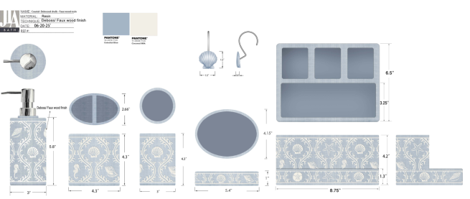
Line No. | Photo | VIN/Art No. | Brand | Licensor | Product Category | Pattern | Item Description | Description-Short | Fabrication | Size/Spec. | Color | Customer Item# | Item No. | UPC | Unit of Measure | UCCPM Price / FOB Cost $ | Package Type | Packaging | Carton Size L (cm) | Carton Size W (cm) | Carton Size H (cm) | Carton Gross Weight (kg) | Case Pack | Cubic Meter per Carton | Container Volume | Total Units per 40ft Container | 40ft Container Freight | Ocean Freight per Item $ | HTS Code | Duty Rate | Duty per Item $ | LDP Cost $ | DA % | DA $ | Royalty % | Royalty $ | Other Load | Other Load % | Other Load $ | Total Load $ | LDP Cost with Load $ | JLA LDP MU% | JLA POE Price | Suggested Retail Price | Retail Markup % | MOQ | Total Cost | Total Sales | Retailer Selling Price Total | Remarks | Port | COO | Vendor
1 |  |  | JLA Home |  | BATH ACCESSORIES(71) | SeaBreeze | Resin faux wood Lotion pump (plastic chrome black pump head) | Lotion pump (plastic chrome black pump head) | Resin faux wood | 3x3x8'' | Blue |  | RS71-8468 |  | Piece | $1.83 | Normal | 2 pcs LP+2 pcs TBH+1 pc TUM+1 pc SD +1 set Hooks，mix into one carton | 16.0 | 8.0 | 20.5 | 11.00 | 2 | 0.0026 | 63.00 | 48018 | 2,250 | $0.05 | 8424.89.9000 | 31.8% | $0.58 | $2.46 | 0.00% | $0.00 | 0.00% | $0.00 | $0.00 | 0.00% | $0.00 | $0.00 | $2.46 | 25.49% | $3.30 | $6.99 | 52.79% | 600 | $1,475.28 | $1,980.00 | $4,194.00 |  | Yantian,China | China | S-DGJY
2 |  |  | JLA Home |  | BATH ACCESSORIES(71) | SeaBreeze | Resin faux wood Toothbrush holder | Toothbrush holder | Resin faux wood | 4.3x2.66x4.3'' | Blue |  | RS71-8469 |  | Piece | $1.56 | Normal | 2 pcs LP+2 pcs TBH+1 pc TUM+1 pc SD +1 set Hooks，mix into one carton | 22.0 | 7.0 | 11.0 | 11.00 | 2 | 0.0017 | 63.00 | 74380 | 2,250 | $0.03 | 3924.10.4000 | 33.4% | $0.52 | $2.11 | 0.00% | $0.00 | 0.00% | $0.00 | $0.00 | 0.00% | $0.00 | $0.00 | $2.11 | 27.20% | $2.90 | $5.99 | 51.59% | 600 | $1,266.77 | $1,740.00 | $3,594.00 |  | Yantian,China | China | S-DGJY
3 |  |  | JLA Home |  | BATH ACCESSORIES(71) | SeaBreeze | Resin faux wood Tumbler | Tumbler | Resin faux wood | 3x3x4.3'' | Blue |  | RS71-8470 |  | Piece | $1.44 | Normal | 2 pcs LP+2 pcs TBH+1 pc TUM+1 pc SD +1 set Hooks，mix into one carton | 8.0 | 8.0 | 11.0 | 11.00 | 1 | 0.0007 | 63.00 | 89489 | 2,250 | $0.03 | 3924.10.4000 | 33.4% | $0.48 | $1.95 | 0.00% | $0.00 | 0.00% | $0.00 | $0.00 | 0.00% | $0.00 | $0.00 | $1.95 | 25.15% | $2.60 | $4.99 | 47.90% | 300 | $583.83 | $780.00 | $1,497.00 |  | Yantian,China | China | S-DGJY
4 |  |  | JLA Home |  | BATH ACCESSORIES(71) | SeaBreeze | Resin faux wood Soap dish | Soap dish | Resin faux wood | 5.4x4.15x1'' | Blue |  | RS71-8471 |  | Piece | $1.44 | Normal | 2 pcs LP+2 pcs TBH+1 pc TUM+1 pc SD +1 set Hooks，mix into one carton | 14.0 | 10.5 | 2.5 | 11.00 | 1 | 0.0004 | 63.00 | 168073 | 2,250 | $0.01 | 3924.10.4000 | 33.4% | $0.48 | $1.93 | 0.00% | $0.00 | 0.00% | $0.00 | $0.00 | 0.00% | $0.00 | $0.00 | $1.93 | 25.60% | $2.60 | $4.99 | 47.90% | 300 | $580.30 | $780.00 | $1,497.00 |  | Yantian,China | China | S-DGJY
5 |  |  | JLA Home |  | BATH ACCESSORIES(71) | SeaBreeze | Resin faux wood 3 holes organiser W/TRAY | 3H ORG W/TRAY | Resin faux wood | 8.75x6.5x4.2" | Blue |  | RS71-8472 |  | Piece | $3.45 | Normal | 2 pcs LP+2 pcs TBH+1 pc TUM+1 pc SD +1 set Hooks，mix into one carton | 23.0 | 17.0 | 11.0 | 11.00 | 1 | 0.0043 | 63.00 | 14648 | 2,250 | $0.15 | 3924.10.4000 | 33.4% | $1.15 | $4.76 | 0.00% | $0.00 | 0.00% | $0.00 | $0.00 | 0.00% | $0.00 | $0.00 | $4.76 | 19.39% | $5.90 | $10.99 | 46.31% | 300 | $1,426.77 | $1,770.00 | $3,297.00 |  | Yantian,China | China | S-DGJY
6 |  |  | JLA Home |  | BATH ACCESSORIES(71) | SeaBreeze | Resin faux wood Hooks(12pcs) | Hooks(12pcs) | Resin faux wood | 3.54x2.75x6.89" | Blue |  | RS71-8473 |  | Piece | $1.66 | Normal | 2 pcs LP+2 pcs TBH+1 pc TUM+1 pc SD +1 set Hooks，mix into one carton | 10.5 | 7.0 | 18.0 | 11.00 | 1 | 0.0013 | 63.00 | 47434 | 2,250 | $0.05 | 3924.10.4000 | 33.4% | $0.55 | $2.26 | 0.00% | $0.00 | 0.00% | $0.00 | $0.00 | 0.00% | $0.00 | $0.00 | $2.26 | 30.40% | $3.25 | $5.99 | 45.74% | 300 | $678.56 | $975.00 | $1,797.00 |  | Yantian,China | China | S-DGJY
8 |  |  | JLA Home |  | BATH ACCESSORIES(71) | Shipley | Resin Lotion pump (plastic chrome black pump head) | Lotion pump (plastic chrome black pump head) | Resin handpainted | 2.9X2.9X8.2" | Milk |  | RS71-8474 |  | Piece | $1.83 | Normal | 2 pcs LP+2 pcs TBH+1 pc TUM+1 pc SD +1 set Hooks，mix into one carton | 16.0 | 8.0 | 20.5 | 11.00 | 2 | 0.0026 | 63.00 | 48018 | 2,250 | $0.05 | 8424.89.9000 | 31.8% | $0.58 | $2.46 | 0.00% | $0.00 | 0.00% | $0.00 | $0.00 | 0.00% | $0.00 | $0.00 | $2.46 | 25.49% | $3.30 | $6.99 | 52.79% | 600 | $1,475.28 | $1,980.00 | $4,194.00 |  | Yantian,China | China | S-DGJY
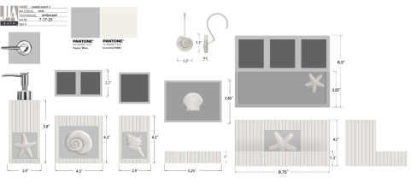
9 |  |  | JLA Home |  | BATH ACCESSORIES(71) | Shipley | Resin Toothbrush holder | Toothbrush holder | Resin handpainted | 4.3x2.7x4.3'' | Milk |  | RS71-8475 |  | Piece | $1.56 | Normal | 2 pcs LP+2 pcs TBH+1 pc TUM+1 pc SD +1 set Hooks，mix into one carton | 22.0 | 7.0 | 11.0 | 11.00 | 2 | 0.0017 | 63.00 | 74380 | 2,250 | $0.03 | 3924.10.4000 | 33.4% | $0.52 | $2.11 | 0.00% | $0.00 | 0.00% | $0.00 | $0.00 | 0.00% | $0.00 | $0.00 | $2.11 | 27.20% | $2.90 | $5.99 | 51.59% | 600 | $1,266.77 | $1,740.00 | $3,594.00 |  | Yantian,China | China | S-DGJY
10 |  |  | JLA Home |  | BATH ACCESSORIES(71) | Shipley | Resin Tumbler | Tumbler | Resin handpainted | 2.9X2.9X4.3" | Milk |  | RS71-8476 |  | Piece | $1.44 | Normal | 2 pcs LP+2 pcs TBH+1 pc TUM+1 pc SD +1 set Hooks，mix into one carton | 8.0 | 8.0 | 11.0 | 11.00 | 1 | 0.0007 | 63.00 | 89489 | 2,250 | $0.03 | 3924.10.4000 | 33.4% | $0.48 | $1.95 | 0.00% | $0.00 | 0.00% | $0.00 | $0.00 | 0.00% | $0.00 | $0.00 | $1.95 | 25.15% | $2.60 | $4.99 | 47.90% | 300 | $583.83 | $780.00 | $1,497.00 |  | Yantian,China | China | S-DGJY
11 |  |  | JLA Home |  | BATH ACCESSORIES(71) | Shipley | Resin Soap dish | Soap dish | Resin handpainted | 5.25x3.85x1'' | Milk |  | RS71-8477 |  | Piece | $1.44 | Normal | 2 pcs LP+2 pcs TBH+1 pc TUM+1 pc SD +1 set Hooks，mix into one carton | 14.0 | 10.0 | 2.5 | 11.00 | 1 | 0.0004 | 63.00 | 177165 | 2,250 | $0.01 | 3924.10.4000 | 33.4% | $0.48 | $1.93 | 0.00% | $0.00 | 0.00% | $0.00 | $0.00 | 0.00% | $0.00 | $0.00 | $1.93 | 25.63% | $2.60 | $4.99 | 47.90% | 300 | $580.10 | $780.00 | $1,497.00 |  | Yantian,China | China | S-DGJY
12 |  |  | JLA Home |  | BATH ACCESSORIES(71) | Shipley | Resin 3 holes organiser W/TRAY | 3H ORG W/TRAY | Resin handpainted | 8.75x6.5x4.2" | Milk |  | RS71-8478 |  | Piece | $3.45 | Normal | 2 pcs LP+2 pcs TBH+1 pc TUM+1 pc SD +1 set Hooks，mix into one carton | 23.0 | 17.0 | 11.0 | 11.00 | 1 | 0.0043 | 63.00 | 14648 | 2,250 | $0.15 | 3924.10.4000 | 33.4% | $1.15 | $4.76 | 0.00% | $0.00 | 0.00% | $0.00 | $0.00 | 0.00% | $0.00 | $0.00 | $4.76 | 19.39% | $5.90 | $10.99 | 46.31% | 300 | $1,426.77 | $1,770.00 | $3,297.00 |  | Yantian,China | China | S-DGJY
13 |  |  | JLA Home |  | BATH ACCESSORIES(71) | Shipley | Resin Hooks(12pcs) | Hooks(12pcs) | Resin handpainted | 3.54x2.75x6.89" | Milk |  | RS71-8479 |  | Piece | $1.66 | Normal | 2 pcs LP+2 pcs TBH+1 pc TUM+1 pc SD +1 set Hooks，mix into one carton | 10.5 | 7.0 | 18.0 | 11.00 | 1 | 0.0013 | 63.00 | 47619 | 2,250 | $0.05 | 3924.10.4000 | 33.4% | $0.55 | $2.26 | 0.00% | $0.00 | 0.00% | $0.00 | $0.00 | 0.00% | $0.00 | $0.00 | $2.26 | 30.41% | $3.25 | $5.99 | 45.74% | 300 | $678.51 | $975.00 | $1,797.00 |  | Yantian,China | China | S-DGJY
15 | 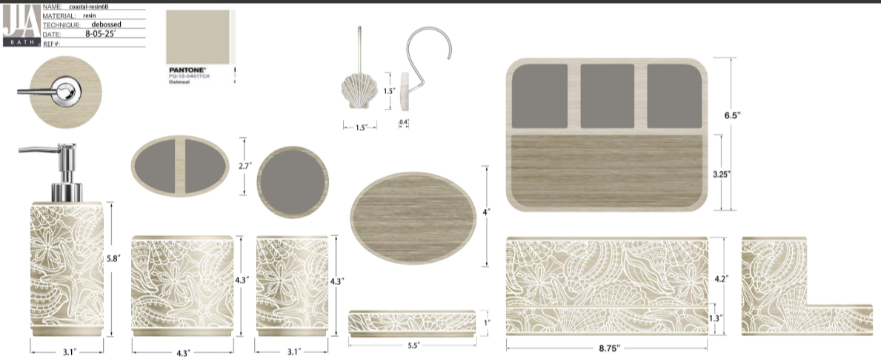 |  | JLA Home |  | BATH ACCESSORIES(71) | Coastal Shells | Resin Sand Lotion pump (plastic chrome pump head) | Lotion pump (plastic chrome pump head) | Resin Sand | 3.1x3.1x8'' | Oatmeal |  | RS71-8480 |  | Piece | $1.78 | Normal | 2 pcs LP+2 pcs TBH+1 pc TUM+1 pc SD +1 set Hooks，mix into one carton | 16.0 | 8.0 | 20.5 | 11.00 | 2 | 0.0026 | 63.00 | 48018 | 2,250 | $0.05 | 8424.89.9000 | 31.8% | $0.57 | $2.39 | 0.00% | $0.00 | 0.00% | $0.00 | $0.00 | 0.00% | $0.00 | $0.00 | $2.39 | 27.49% | $3.30 | $6.99 | 52.79% | 600 | $1,435.74 | $1,980.00 | $4,194.00 |  | Yantian,China | China | S-DGJY
16 |  |  | JLA Home |  | BATH ACCESSORIES(71) | Coastal Shells | Resin Toothbrush holder | Toothbrush holder | Resin | 4.3x2.7x4.3'' | Oatmeal |  | RS71-8481 |  | Piece | $1.52 | Normal | 2 pcs LP+2 pcs TBH+1 pc TUM+1 pc SD +1 set Hooks，mix into one carton | 22.0 | 7.0 | 11.0 | 11.00 | 2 | 0.0017 | 63.00 | 74380 | 2,250 | $0.03 | 3924.10.4000 | 33.4% | $0.51 | $2.06 | 0.00% | $0.00 | 0.00% | $0.00 | $0.00 | 0.00% | $0.00 | $0.00 | $2.06 | 29.04% | $2.90 | $5.99 | 51.59% | 600 | $1,234.76 | $1,740.00 | $3,594.00 |  | Yantian,China | China | S-DGJY
17 |  |  | JLA Home |  | BATH ACCESSORIES(71) | Coastal Shells | Resin Tumbler | Tumbler | Resin | 3.1x3.1x4.3'' | Oatmeal |  | RS71-8482 |  | Piece | $1.40 | Normal | 2 pcs LP+2 pcs TBH+1 pc TUM+1 pc SD +1 set Hooks，mix into one carton | 8.0 | 8.0 | 11.0 | 11.00 | 1 | 0.0007 | 63.00 | 89489 | 2,250 | $0.03 | 3924.10.4000 | 33.4% | $0.47 | $1.89 | 0.00% | $0.00 | 0.00% | $0.00 | $0.00 | 0.00% | $0.00 | $0.00 | $1.89 | 27.20% | $2.60 | $4.99 | 47.90% | 300 | $567.82 | $780.00 | $1,497.00 |  | Yantian,China | China | S-DGJY
18 |  |  | JLA Home |  | BATH ACCESSORIES(71) | Coastal Shells | Resin Soap dish | Soap dish | Resin | 5.5x4x1'' | Oatmeal |  | RS71-8483 |  | Piece | $1.40 | Normal | 2 pcs LP+2 pcs TBH+1 pc TUM+1 pc SD +1 set Hooks，mix into one carton | 14.0 | 10.5 | 2.5 | 11.00 | 1 | 0.0004 | 63.00 | 168073 | 2,250 | $0.01 | 3924.10.4000 | 33.4% | $0.47 | $1.88 | 0.00% | $0.00 | 0.00% | $0.00 | $0.00 | 0.00% | $0.00 | $0.00 | $1.88 | 27.65% | $2.60 | $4.99 | 47.90% | 300 | $564.30 | $780.00 | $1,497.00 |  | Yantian,China | China | S-DGJY
19 |  |  | JLA Home |  | BATH ACCESSORIES(71) | Coastal Shells | Resin 3 holes organiser W/TRAY | 3H ORG W/TRAY | Resin | 8.75x6.5x4.2" | Oatmeal |  | RS71-8484 |  | Piece | $3.45 | Normal | 2 pcs LP+2 pcs TBH+1 pc TUM+1 pc SD +1 set Hooks，mix into one carton | 23.0 | 17.0 | 11.0 | 11.00 | 1 | 0.0043 | 63.00 | 14648 | 2,250 | $0.15 | 3924.10.4000 | 33.4% | $1.15 | $4.76 | 0.00% | $0.00 | 0.00% | $0.00 | $0.00 | 0.00% | $0.00 | $0.00 | $4.76 | 19.39% | $5.90 | $10.99 | 46.31% | 300 | $1,426.77 | $1,770.00 | $3,297.00 |  | Yantian,China | China | S-DGJY
20 |  |  | JLA Home |  | BATH ACCESSORIES(71) | Coastal Shells | Resin Hooks(12pcs) | Hooks(12pcs) | Resin | 3.54x2.75x6.89" | Oatmeal |  | RS71-8485 |  | Piece | $1.62 | Normal | 2 pcs LP+2 pcs TBH+1 pc TUM+1 pc SD +1 set Hooks，mix into one carton | 10.5 | 7.0 | 18.0 | 11.00 | 1 | 0.0013 | 63.00 | 47434 | 2,250 | $0.05 | 3924.10.4000 | 33.4% | $0.54 | $2.21 | 0.00% | $0.00 | 0.00% | $0.00 | $0.00 | 0.00% | $0.00 | $0.00 | $2.21 | 32.05% | $3.25 | $5.99 | 45.74% | 300 | $662.55 | $975.00 | $1,797.00 |  | Yantian,China | China | S-DGJY
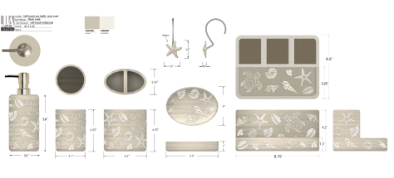
15 |  |  | JLA Home |  | BATH ACCESSORIES(71) | Sealife | Resin Sand Lotion pump (plastic chrome pump head) | Lotion pump (plastic chrome pump head) | Resin Sand | 3.1x3.1x8'' | Oatmeal |  | RS71-8486 |  | Piece | $1.78 | Normal | 2 pcs LP+2 pcs TBH+1 pc TUM+1 pc SD +1 set Hooks，mix into one carton | 16.0 | 8.0 | 20.5 | 11.00 | 2 | 0.0026 | 63.00 | 48018 | 2,250 | $0.05 | 8424.89.9000 | 31.8% | $0.57 | $2.39 | 0.00% | $0.00 | 0.00% | $0.00 | $0.00 | 0.00% | $0.00 | $0.00 | $2.39 | 27.49% | $3.30 | $6.99 | 52.79% | 600 | $1,435.74 | $1,980.00 | $4,194.00 |  | Yantian,China | China | S-DGJY
16 |  |  | JLA Home |  | BATH ACCESSORIES(71) | Sealife | Resin Toothbrush holder | Toothbrush holder | Resin | 4.3x2.7x4.3'' | Oatmeal |  | RS71-8487 |  | Piece | $1.52 | Normal | 2 pcs LP+2 pcs TBH+1 pc TUM+1 pc SD +1 set Hooks，mix into one carton | 22.0 | 7.0 | 11.0 | 11.00 | 2 | 0.0017 | 63.00 | 74380 | 2,250 | $0.03 | 3924.10.4000 | 33.4% | $0.51 | $2.06 | 0.00% | $0.00 | 0.00% | $0.00 | $0.00 | 0.00% | $0.00 | $0.00 | $2.06 | 29.04% | $2.90 | $5.99 | 51.59% | 600 | $1,234.76 | $1,740.00 | $3,594.00 |  | Yantian,China | China | S-DGJY
17 |  |  | JLA Home |  | BATH ACCESSORIES(71) | Sealife | Resin Tumbler | Tumbler | Resin | 3.1x3.1x4.3'' | Oatmeal |  | RS71-8488 |  | Piece | $1.40 | Normal | 2 pcs LP+2 pcs TBH+1 pc TUM+1 pc SD +1 set Hooks，mix into one carton | 8.0 | 8.0 | 11.0 | 11.00 | 1 | 0.0007 | 63.00 | 89489 | 2,250 | $0.03 | 3924.10.4000 | 33.4% | $0.47 | $1.89 | 0.00% | $0.00 | 0.00% | $0.00 | $0.00 | 0.00% | $0.00 | $0.00 | $1.89 | 27.20% | $2.60 | $4.99 | 47.90% | 300 | $567.82 | $780.00 | $1,497.00 |  | Yantian,China | China | S-DGJY
18 |  |  | JLA Home |  | BATH ACCESSORIES(71) | Sealife | Resin Soap dish | Soap dish | Resin | 5.5x4x1'' | Oatmeal |  | RS71-8489 |  | Piece | $1.40 | Normal | 2 pcs LP+2 pcs TBH+1 pc TUM+1 pc SD +1 set Hooks，mix into one carton | 14.0 | 10.5 | 2.5 | 11.00 | 1 | 0.0004 | 63.00 | 168073 | 2,250 | $0.01 | 3924.10.4000 | 33.4% | $0.47 | $1.88 | 0.00% | $0.00 | 0.00% | $0.00 | $0.00 | 0.00% | $0.00 | $0.00 | $1.88 | 27.65% | $2.60 | $4.99 | 47.90% | 300 | $564.30 | $780.00 | $1,497.00 |  | Yantian,China | China | S-DGJY
19 |  |  | JLA Home |  | BATH ACCESSORIES(71) | Sealife | Resin 3 holes organiser W/TRAY | 3H ORG W/TRAY | Resin | 8.75x6.5x4.2" | Oatmeal |  | RS71-8490 |  | Piece | $3.45 | Normal | 2 pcs LP+2 pcs TBH+1 pc TUM+1 pc SD +1 set Hooks，mix into one carton | 23.0 | 17.0 | 11.0 | 11.00 | 1 | 0.0043 | 63.00 | 14648 | 2,250 | $0.15 | 3924.10.4000 | 33.4% | $1.15 | $4.76 | 0.00% | $0.00 | 0.00% | $0.00 | $0.00 | 0.00% | $0.00 | $0.00 | $4.76 | 19.39% | $5.90 | $10.99 | 46.31% | 300 | $1,426.77 | $1,770.00 | $3,297.00 |  | Yantian,China | China | S-DGJY
20 |  |  | JLA Home |  | BATH ACCESSORIES(71) | Sealife | Resin Hooks(12pcs) | Hooks(12pcs) | Resin | 3.54x2.75x6.89" | Oatmeal |  | RS71-8491 |  | Piece | $1.62 | Normal | 2 pcs LP+2 pcs TBH+1 pc TUM+1 pc SD +1 set Hooks，mix into one carton | 10.5 | 7.0 | 18.0 | 11.00 | 1 | 0.0013 | 63.00 | 47434 | 2,250 | $0.05 | 3924.10.4000 | 33.4% | $0.54 | $2.21 | 0.00% | $0.00 | 0.00% | $0.00 | $0.00 | 0.00% | $0.00 | $0.00 | $2.21 | 32.05% | $3.25 | $5.99 | 45.74% | 300 | $662.55 | $975.00 | $1,797.00 |  | Yantian,China | China | S-DGJY
29 | 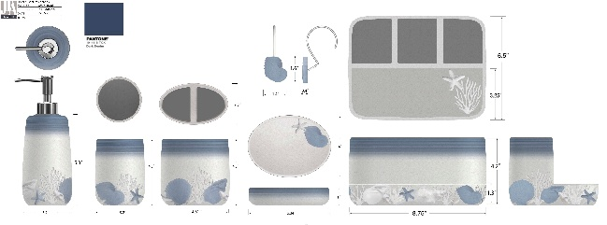 |  | JLA Home |  | BATH ACCESSORIES(71) | Seacrest Ombre | Resin sand Lotion pump (plastic matte silver pump head) | Lotion pump (plastic matte silver pump head) | Resin sand handpainted | 3.54x3.54x7.87" | Blue & White |  | RS71-8492 |  | Piece | $1.83 | Normal | 2 pcs LP+2 pcs TBH+1 pc TUM+1 pc SD +1 set Hooks，mix into one carton | 23.0 | 8.0 | 20.5 | 11.00 | 2 | 0.0038 | 63.00 | 33404 | 2,250 | $0.07 | 8424.89.9000 | 31.8% | $0.58 | $2.48 | 0.00% | $0.00 | 0.00% | $0.00 | $0.00 | 0.00% | $0.00 | $0.00 | $2.48 | 24.87% | $3.30 | $6.99 | 52.79% | 600 | $1,487.58 | $1,980.00 | $4,194.00 |  | Yantian,China | China | S-DGJY | $2.90 | $3.40 | 117%
30 |  |  | JLA Home |  | BATH ACCESSORIES(71) | Seacrest Ombre | Resin sand Toothbrush holder | Toothbrush holder | Resin sand handpainted | 4.48x2.91x4.29" | Blue & White |  | RS71-8493 |  | Piece | $1.56 | Normal | 2 pcs LP+2 pcs TBH+1 pc TUM+1 pc SD +1 set Hooks，mix into one carton | 22.0 | 7.0 | 11.0 | 11.00 | 2 | 0.0017 | 63.00 | 74380 | 2,250 | $0.03 | 3924.10.4000 | 33.4% | $0.52 | $2.11 | 0.00% | $0.00 | 0.00% | $0.00 | $0.00 | 0.00% | $0.00 | $0.00 | $2.11 | 27.20% | $2.90 | $5.99 | 51.59% | 600 | $1,266.77 | $1,740.00 | $3,594.00 |  | Yantian,China | China | S-DGJY | $2.50 | $2.95 | 118%
31 |  |  | JLA Home |  | BATH ACCESSORIES(71) | Seacrest Ombre | Resin sand Tumbler | Tumbler | Resin sand handpainted | 3.93x3.93x4.33" | Blue & White |  | RS71-8494 |  | Piece | $1.44 | Normal | 2 pcs LP+2 pcs TBH+1 pc TUM+1 pc SD +1 set Hooks，mix into one carton | 8.0 | 8.0 | 11.0 | 11.00 | 1 | 0.0007 | 63.00 | 89489 | 2,250 | $0.03 | 3924.10.4000 | 33.4% | $0.48 | $1.95 | 0.00% | $0.00 | 0.00% | $0.00 | $0.00 | 0.00% | $0.00 | $0.00 | $1.95 | 25.15% | $2.60 | $4.99 | 47.90% | 300 | $583.83 | $780.00 | $1,497.00 |  | Yantian,China | China | S-DGJY | $2.25 | $2.70 | 120%
32 |  |  | JLA Home |  | BATH ACCESSORIES(71) | Seacrest Ombre | Resin sand Soap dish | Soap dish | Resin sand handpainted | 5.39x4.05x1.02" | Blue & White |  | RS71-8495 |  | Piece | $1.44 | Normal | 2 pcs LP+2 pcs TBH+1 pc TUM+1 pc SD +1 set Hooks，mix into one carton | 14.0 | 10.5 | 2.5 | 11.00 | 1 | 0.0004 | 63.00 | 168073 | 2,250 | $0.01 | 3924.10.4000 | 33.4% | $0.48 | $1.93 | 0.00% | $0.00 | 0.00% | $0.00 | $0.00 | 0.00% | $0.00 | $0.00 | $1.93 | 25.60% | $2.60 | $4.99 | 47.90% | 300 | $580.30 | $780.00 | $1,497.00 |  | Yantian,China | China | S-DGJY | $2.25 | $2.70 | 120%
33 |  |  | JLA Home |  | BATH ACCESSORIES(71) | Seacrest Ombre | Resin sand 3 holes organiser W/TRAY | 3H ORG W/TRAY | Resin sand handpainted | 8.75x6.5x4.2" | Blue & White |  | RS71-8496 |  | Piece | $3.45 | Normal | 2 pcs LP+2 pcs TBH+1 pc TUM+1 pc SD +1 set Hooks，mix into one carton | 23.0 | 17.0 | 11.0 | 11.00 | 1 | 0.0043 | 63.00 | 14648 | 2,250 | $0.15 | 3924.10.4000 | 33.4% | $1.15 | $4.76 | 0.00% | $0.00 | 0.00% | $0.00 | $0.00 | 0.00% | $0.00 | $0.00 | $4.76 | 19.39% | $5.90 | $10.99 | 46.31% | 300 | $1,426.77 | $1,770.00 | $3,297.00 |  | Yantian,China | China | S-DGJY | $2.65 | $3.15 | 119%
34 |  |  | JLA Home |  | BATH ACCESSORIES(71) | Seacrest Ombre | Resin sand Hooks(12pcs) | Hooks(12pcs) | Resin sand handpainted | 3.54x2.75x6.89" | Blue & White |  | RS71-8497 |  | Piece | $1.66 | Normal | 2 pcs LP+2 pcs TBH+1 pc TUM+1 pc SD +1 set Hooks，mix into one carton | 10.5 | 7.0 | 18.0 | 11.00 | 1 | 0.0013 | 63.00 | 47434 | 2,250 | $0.05 | 3924.10.4000 | 33.4% | $0.55 | $2.26 | 0.00% | $0.00 | 0.00% | $0.00 | $0.00 | 0.00% | $0.00 | $0.00 | $2.26 | 30.40% | $3.25 | $6.99 | 53.51% | 300 | $678.56 | $975.00 | $2,097.00 |  | Yantian,China | China | S-DGJY
90 | 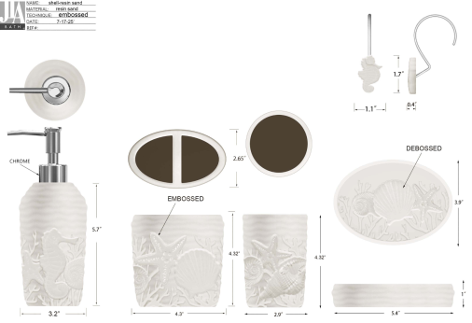 |  | JLA Home |  | BATH ACCESSORIES(71) | Cocoa Beach | Resin sand Lotion pump (plastic matte black pump head) | Lotion pump (plastic matte black pump head) | Resin sand | 3.2x3.2x7.9'' | White |  | RS71-8498 |  | Piece | $1.75 | Normal | 2 pcs LP+2 pcs TBH+1 pc TUM+1 pc SD + 1 pc #H Org/with Tray + 1 set Hooks，mix into one carton | 23 | 8 | 20.5 | 11.00 | 2 | 0.0038 | 63.00 | 33404 | 2,250 | $0.07 | 8424.89.9000 | 31.8% | $0.56 | $2.37 | 0.00% | $0.00 | 0.00% | $0.00 | $0.00 | 0.00% | $0.00 | $0.00 | $2.37 | 28.06% | $3.30 | $6.99 | 52.79% | 600 | $1,424.31 | $1,980.00 | $4,194.00 |  | Yantian,China | China | S-DGJY
91 |  |  | JLA Home |  | BATH ACCESSORIES(71) | Cocoa Beach | Resin sand Toothbrush holder | Toothbrush holder | Resin sand | 4.5x2.75x4.32'' | White |  | RS71-8499 |  | Piece | $1.49 | Normal | 3 pcs LP+2 pcs TBH+1 pc TUM+1 pc SD + 1 pc #H Org/with Tray + 1 set Hooks，mix into one carton | 22 | 7 | 11 | 11.00 | 2 | 0.0017 | 63.00 | 74380 | 2,250 | $0.03 | 3924.10.4000 | 33.4% | $0.50 | $2.02 | 0.00% | $0.00 | 0.00% | $0.00 | $0.00 | 0.00% | $0.00 | $0.00 | $2.02 | 30.42% | $2.90 | $5.99 | 51.59% | 600 | $1,210.75 | $1,740.00 | $3,594.00 |  | Yantian,China | China | S-DGJY
92 |  |  | JLA Home |  | BATH ACCESSORIES(71) | Cocoa Beach | Resin sand Tumbler | Tumbler | Resin sand | 3.1x3.x4.32'' | White |  | RS71-8500 |  | Piece | $1.38 | Normal | 4 pcs LP+2 pcs TBH+1 pc TUM+1 pc SD + 1 pc #H Org/with Tray + 1 set Hooks，mix into one carton | 8 | 8 | 11 | 11.00 | 1 | 0.0007 | 63.00 | 89489 | 2,250 | $0.03 | 3924.10.4000 | 33.4% | $0.46 | $1.87 | 0.00% | $0.00 | 0.00% | $0.00 | $0.00 | 0.00% | $0.00 | $0.00 | $1.87 | 28.23% | $2.60 | $4.99 | 47.90% | 300 | $559.82 | $780.00 | $1,497.00 |  | Yantian,China | China | S-DGJY
93 |  |  | JLA Home |  | BATH ACCESSORIES(71) | Cocoa Beach | Resin sand Soap dish | Soap dish | Resin sand | 5.4x4x1'' | White |  | RS71-8501 |  | Piece | $1.38 | Normal | 5 pcs LP+2 pcs TBH+1 pc TUM+1 pc SD + 1 pc #H Org/with Tray + 1 set Hooks，mix into one carton | 14 | 10.541 | 2.54 | 11.00 | 1 | 0.0004 | 63.00 | 168073 | 2,250 | $0.01 | 3924.10.4000 | 33.4% | $0.46 | $1.85 | 0.00% | $0.00 | 0.00% | $0.00 | $0.00 | 0.00% | $0.00 | $0.00 | $1.85 | 28.68% | $2.60 | $4.99 | 47.90% | 300 | $556.29 | $780.00 | $1,497.00 |  | Yantian,China | China | S-DGJY
94 |  |  | JLA Home |  | BATH ACCESSORIES(71) | Cocoa Beach | Resin sand 3 holes organiser W/TRAY | 3H ORG W/TRAY | Resin sand | 8.75x6.5x4.2" | White |  | RS71-8502 |  | Piece | $3.25 | Normal | 6 pcs LP+2 pcs TBH+1 pc TUM+1 pc SD + 1 pc #H Org/with Tray + 1 set Hooks，mix into one carton | 23 | 17 | 11 | 11.00 | 1 | 0.0043 | 63.00 | 14648 | 2,250 | $0.15 | 3924.10.4000 | 33.4% | $1.09 | $4.49 | 0.00% | $0.00 | 0.00% | $0.00 | $0.00 | 0.00% | $0.00 | $0.00 | $4.49 | 23.91% | $5.90 | $10.99 | 46.31% | 300 | $1,346.73 | $1,770.00 | $3,297.00 |  |  | China | S-DGJY
95 |  |  | JLA Home |  | BATH ACCESSORIES(71) | Cocoa Beach | Resin sand Hooks(12pcs) | Hooks(12pcs) | Resin sand | 4.15x2.62x7" | White |  | RS71-8503 |  | Piece | $1.62 | Normal | 7 pcs LP+2 pcs TBH+1 pc TUM+1 pc SD + 1 pc #H Org/with Tray + 1 set Hooks，mix into one carton | 10.541 | 7 | 18 | 11.00 | 1 | 0.0013 | 63.00 | 47434 | 2,250 | $0.05 | 3924.10.4000 | 33.4% | $0.54 | $2.21 | 0.00% | $0.00 | 0.00% | $0.00 | $0.00 | 0.00% | $0.00 | $0.00 | $2.21 | 32.05% | $3.25 | $5.99 | 45.74% | 300 | $662.55 | $975.00 | $1,797.00 |  | Yantian,China | China | S-DGJY
 | 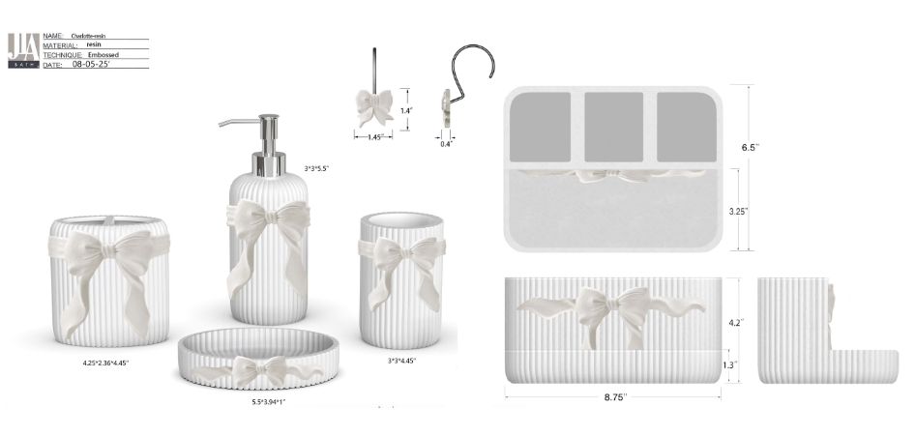 |  | Laura Ashley |  | BATH ACCESSORIES(71) | Charlotte | Resin Sand Lotion pump (plastic chrome pump head) | Lotion pump (plastic chrome pump head) | Matte resin with pearlized area | 3x3x7.9" | white |  | LA71-0239 |  | Piece | $1.99 | Normal | 2 pcs LP+2 pcs TBH+1 pc TUM+1 pc SD+1 set Hooks+1 pc 3ORG，mix into one carton | 17 | 8.5 | 22 | 11.00 | 2 | 0.0032 | 63.00 | 39635 | 2,250 | $0.06 | 8424.89.9000 | 31.8% | $0.63 | $2.68 | 0.00% | $0.00 | 6.00% | $0.22 | $0.00 | 0.00% | $0.00 | $0.22 | $2.90 | 21.58% | $3.70 | $6.99 | 47.07% | 600 | $1,740.95 | $2,220.00 |  |  | Yantian,China | China | S-DGJH
 |  |  | Laura Ashley |  | BATH ACCESSORIES(71) | Charlotte | Resin Toothbrush holder | Toothbrush holder | Matte resin with pearlized area | 4.25x2.36x4.45" | white |  | LA71-0240 |  | Piece | $1.57 | Normal | 2 pcs LP+2 pcs TBH+1 pc TUM+1 pc SD+1 set Hooks+1 pc 3ORG，mix into one carton | 14 | 12 | 13 | 11.00 | 1 | 0.0022 | 63.00 | 28846 | 2,250 | $0.08 | 3924.10.4000 | 33.4% | $0.52 | $2.17 | 0.00% | $0.00 | 6.00% | $0.19 | $0.00 | 0.00% | $0.00 | $0.19 | $2.36 | 26.11% | $3.20 | $5.99 | 46.58% | 300 | $709.31 | $960.00 |  |  | Yantian,China | China | S-DGJH
 |  |  | Laura Ashley |  | BATH ACCESSORIES(71) | Charlotte | Resin Tumbler | Tumbler | Matte resin with pearlized area | 3x3x4.45" | white |  | LA71-0241 |  | Piece | $1.46 | Normal | 2 pcs LP+2 pcs TBH+1 pc TUM+1 pc SD+1 set Hooks+1 pc 3ORG，mix into one carton | 9 | 9 | 12 | 11.00 | 1 | 0.0010 | 63.00 | 64815 | 2,250 | $0.03 | 3924.10.4000 | 33.4% | $0.49 | $1.98 | 0.00% | $0.00 | 6.00% | $0.18 | $0.00 | 0.00% | $0.00 | $0.18 | $2.16 | 26.80% | $2.95 | $4.99 | 40.88% | 300 | $647.81 | $885.00 |  |  | Yantian,China | China | S-DGJH
 |  |  | Laura Ashley |  | BATH ACCESSORIES(71) | Charlotte | Resin Soap dish | Soap dish | Matte resin with pearlized area | 5.5x3.94x1" | white |  | LA71-0242 |  | Piece | $1.46 | Normal | 2 pcs LP+2 pcs TBH+1 pc TUM+1 pc SD+1 set Hooks+1 pc 3ORG，mix into one carton | 15 | 11 | 4.5 | 11.00 | 1 | 0.0007 | 63.00 | 84848 | 2,250 | $0.03 | 3924.10.4000 | 33.4% | $0.49 | $1.97 | 0.00% | $0.00 | 6.00% | $0.18 | $0.00 | 0.00% | $0.00 | $0.18 | $2.15 | 27.08% | $2.95 | $4.99 | 40.88% | 300 | $645.35 | $885.00 |  |  | Yantian,China | China | S-DGJH
 |  |  | Laura Ashley |  | BATH ACCESSORIES(71) | Charlotte | Resin 3 holes organiser W/TRAY | 3H ORG W/TRAY | Matte resin with pearlized area | 8.75x6.5x4.2" | white |  | LA71-0243 |  | Piece | $3.60 | Normal | 2 pcs LP+2 pcs TBH+1 pc TUM+1 pc SD+1 set Hooks+1 pc 3ORG，mix into one carton | 23.5 | 17.5 | 11.5 | 11.00 | 1 | 0.0047 | 63.00 | 13321 | 2,250 | $0.17 | 3924.10.4000 | 33.4% | $1.20 | $4.97 | 0.00% | $0.00 | 6.00% | $0.20 | $0.00 | 0.00% | $0.00 | $0.20 | $5.17 | 15.95% | $6.15 | $10.99 | 44.04% | 300 | $1,550.79 | $1,845.00 |  |  | Yantian,China | China | S-DGJH
 |  |  | Laura Ashley |  | BATH ACCESSORIES(71) | Charlotte | Resin Hooks(12pcs) | Hooks(12pcs) | Matte resin with pearlized area+iron | 1.38x1.38x0.6" | white |  | LA71-0244 |  | Piece | $1.78 | Normal | 2 pcs LP+2 pcs TBH+1 pc TUM+1 pc SD+1 set Hooks+1 pc 3ORG，mix into one carton | 18 | 9 | 7 | 11.00 | 1 | 0.0011 | 63.00 | 55556 | 2,250 | $0.04 | 3924.10.4000 | 33.4% | $0.59 | $2.42 | 0.00% | $0.00 | 6.00% | $0.00 | $0.00 | 0.00% | $0.00 | $0.00 | $2.42 | 26.82% | $3.30 | $5.99 | 44.91% | 300 | $724.51 | $990.00 |  |  | Yantian,China | China | S-DGJH
 | 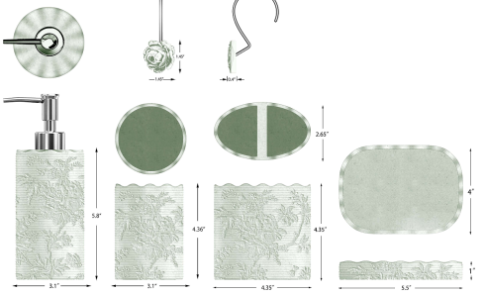 |  | Laura Ashley |  | BATH ACCESSORIES(71) | Floral Garden | Resin sand Lotion pump (plastic matte black pump head) | Lotion pump (plastic matte black pump head) | Resin sand handpainted | 3.1x3.1x8'' | Blue or Sage |  | LA71-0245 |  | Piece | $1.78 | Normal | 2 pcs LP+2 pcs TBH+1 pc TUM+1 pc SD +1 set Hooks，mix into one carton | 16.0 | 8.0 | 20.5 | 11.00 | 2 | 0.0026 | 63.00 | 48018 | 2,250 | $0.05 | 8424.89.9000 | 31.8% | $0.57 | $2.39 | 0.00% | $0.00 | 6.00% | $0.20 | $0.00 | 0.00% | $0.00 | $0.20 | $2.60 | 23.62% | $3.40 | $6.99 | 51.36% | 600 | $1,558.14 | $2,040.00 |  |  | Yantian,China | China | S-DGJY
 |  |  | Laura Ashley |  | BATH ACCESSORIES(71) | Floral Garden | Resin sand Toothbrush holder | Toothbrush holder | Resin sand handpainted | 4.35x2.65x4.35'' | Blue or Sage |  | LA71-0246 |  | Piece | $1.52 | Normal | 2 pcs LP+2 pcs TBH+1 pc TUM+1 pc SD +1 set Hooks，mix into one carton | 22.0 | 7.0 | 11.0 | 11.00 | 2 | 0.0017 | 63.00 | 74380 | 2,250 | $0.03 | 3924.10.4000 | 33.4% | $0.51 | $2.06 | 0.00% | $0.00 | 6.00% | $0.18 | $0.00 | 0.00% | $0.00 | $0.18 | $2.23 | 24.24% | $2.95 | $5.99 | 50.75% | 600 | $1,340.96 | $1,770.00 |  |  | Yantian,China | China | S-DGJY
 |  |  | Laura Ashley |  | BATH ACCESSORIES(71) | Floral Garden | Resin sand Tumbler | Tumbler | Resin sand handpainted | 3.1x3.1x4.36'' | Blue or Sage |  | LA71-0247 |  | Piece | $1.40 | Normal | 2 pcs LP+2 pcs TBH+1 pc TUM+1 pc SD +1 set Hooks，mix into one carton | 8.0 | 8.0 | 11.0 | 11.00 | 1 | 0.0007 | 63.00 | 89489 | 2,250 | $0.03 | 3924.10.4000 | 33.4% | $0.47 | $1.89 | 0.00% | $0.00 | 6.00% | $0.16 | $0.00 | 0.00% | $0.00 | $0.16 | $2.05 | 23.90% | $2.70 | $4.99 | 45.89% | 300 | $616.42 | $810.00 |  |  | Yantian,China | China | S-DGJY
 |  |  | Laura Ashley |  | BATH ACCESSORIES(71) | Floral Garden | Resin sand Soap dish | Soap dish | Resin sand handpainted | 5.5x4x1'' | Blue or Sage |  | LA71-0248 |  | Piece | $1.40 | Normal | 2 pcs LP+2 pcs TBH+1 pc TUM+1 pc SD +1 set Hooks，mix into one carton | 14.0 | 10.5 | 2.5 | 11.00 | 1 | 0.0004 | 63.00 | 168073 | 2,250 | $0.01 | 3924.10.4000 | 33.4% | $0.47 | $1.88 | 0.00% | $0.00 | 6.00% | $0.16 | $0.00 | 0.00% | $0.00 | $0.16 | $2.04 | 24.33% | $2.70 | $4.99 | 45.89% | 300 | $612.90 | $810.00 |  |  | Yantian,China | China | S-DGJY
 |  |  | Laura Ashley |  | BATH ACCESSORIES(71) | Floral Garden | Resin sand Hooks(12pcs) | Hooks(12pcs) | Resin sand handpainted | 4.15x2.62x7" | Blue or Sage |  | LA71-0249 |  | Piece | $1.62 | Normal | 2 pcs LP+2 pcs TBH+1 pc TUM+1 pc SD +1 set Hooks，mix into one carton | 10.5 | 7.0 | 18.0 | 11.00 | 1 | 0.0013 | 63.00 | 47434 | 2,250 | $0.05 | 3924.10.4000 | 33.4% | $0.54 | $2.21 | 0.00% | $0.00 | 6.00% | $0.19 | $0.00 | 0.00% | $0.00 | $0.19 | $2.40 | 23.89% | $3.15 | $5.99 | 47.41% | 300 | $719.25 | $945.00 |  |  | Yantian,China | China | S-DGJY

