Item
Line No. | Photo | VIN/Art No. | Brand | Licensor | Product Category | Pattern | Item Description | Description-Short | Fabrication | Material-Short | Size/Spec. | Color | Item No. | UPC | Unit of Measure | China RMB Cost | Exchange Rate | FOB Cost $ (Formula) | FOB Cost $ (Value) | UCCPM Price | Package Type | Carton Size L (cm) | Carton Size W (cm) | Carton Size H (cm) | Carton Gross Weight (kg) | Case Pack | Cubic Meter per Carton | Total Units per 40ft Container | 40ft Container Freight | Ocean Freight per Item $ | HTS Code | Duty Rate | Duty per Item $ | LDP Cost $ | DA % | DA $ | General Load % | General Load $ | Warehouse Charge % | Warehouse Charge $ | Dropship Charge | Load 1 | Load 1 % | Load 1 $ | Total Load $ | LDP Cost with Load $ | JLA LDP MU% | JLA FOB CA/GA Price Quote (Formula) | JLA price with drop ship charges | Suggested Retail Price | Initial Markup | Initial Rollout Forecast
1 |  |  | Regency Heights |  | COMFORTER (SET) | Blake | 100% Polyester Printed 6pcs Comforter Set | 2pcs Comforter Set | Comf/sham :85gsm printed MF on face, 85gsm solid reverse, 200gsm poly fill. | 100% polyester,poly fill | Twin/Twin XL: 66x90"/20x26"(1) | Navy/Blue | RH10-0443 |  |  | ￥47.20 | 8.00 | $5.90 | $5.90 |  | Compressed/Knocked Down | 42.0 | 32.0 | 35.0 | 6.65 | 3 | 0.047 | 4145 | $4,000.00 | $0.96 | 9404.40.9022 | 42.80% | $2.53 | $9.39 | 0.00% | $0.00 | 0.00% | $0.00 | 0.00% | $0.00 | $0.00 | $0.00 | 0.00% | $0.00 | $0.00 | $9.39 | 0.00% | $9.39 | $48.99 | $48.99 |  | 393
2 |  |  | Regency Heights |  | COMFORTER (SET) | Blake | 100% Polyester Printed 9pcs Comforter Set | 3pcs Comforter Set | Comf/sham :85gsm printed MF on face, 85gsm solid reverse, 200gsm poly fill. | 100% polyester,poly fill | Full/Queen: 90x90"/20x26"(2) | Navy/Blue | RH10-0444 |  |  | ￥61.20 | 8.00 | $7.65 | $7.65 |  | Compressed/Knocked Down | 42.0 | 32.0 | 41.0 | 8.74 | 3 | 0.055 | 3539 | $4,000.00 | $1.13 | 9404.40.9022 | 42.80% | $3.27 | $12.05 | 0.00% | $0.00 | 0.00% | $0.00 | 0.00% | $0.00 | $0.00 | $0.00 | 0.00% | $0.00 | $0.00 | $12.05 | 0.00% | $12.05 | $56.99 | $56.99 |  | 669
3 |  |  | Regency Heights |  | COMFORTER (SET) | Blake | 100% Polyester Printed 9pcs Comforter Set | 3pcs Comforter Set | Comf/sham :85gsm printed MF on face, 85gsm solid reverse, 200gsm poly fill. | 100% polyester,poly fill | King/CalKing: 104x90"/20x36"(2) | Navy/Blue | RH10-0445 |  |  | ￥68.80 | 8.00 | $8.60 | $8.60 |  | Compressed/Knocked Down | 42.0 | 32.0 | 47.0 | 10.05 | 3 | 0.063 | 3087 | $4,000.00 | $1.30 | 9404.40.9022 | 42.80% | $3.68 | $13.58 | 0.00% | $0.00 | 0.00% | $0.00 | 0.00% | $0.00 | $0.00 | $0.00 | 0.00% | $0.00 | $0.00 | $13.58 | 0.00% | $13.58 | $62.99 | $61.99 |  | 375
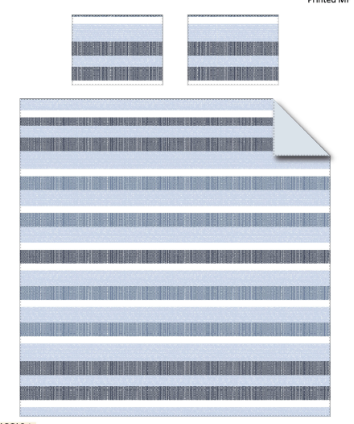
8 |  |  | Regency Heights |  | COMFORTER (SET) | Blake | 100% Polyester Printed 5pcs Comforter Set | 5pcs Comforter Set | Comf/sham :85gsm printed on face, 85gsm solid reverse, 200gsm poly fill. sheet set: 85gsm solid microfiber. Fitted sheet with 1 pocket on each side. | 100% polyester,poly fill | Twin: 66x90"/20x26"/66x96"/39x75+12"/20x30" | Navy/Blue | RH10-0446 |  |  | ￥72.90 | 8.00 | $9.11 | $9.11 |  | Compressed/Knocked Down | 42.0 | 42.0 | 32.0 | 10.00 | 3 | 0.056 | 3455 | $4,000.00 | $1.16 | 9404.40.9022 | 42.80% | $3.90 | $14.17 | 0.00% | $0.00 | 0.00% | $0.00 | 0.00% | $0.00 | $0.00 | $0.00 | 0.00% | $0.00 | $0.00 | $14.17 | 0.00% | $14.17 | $69.99 | $69.99 |  | 18
9 |  |  | Regency Heights |  | COMFORTER (SET) | Blake | 100% Polyester Printed 7pcs Comforter Set | 7pcs Comforter Set | Comf/sham :85gsm printed on face, 85gsm solid reverse, 200gsm poly fill. sheet set: 85gsm solid microfiber. Fitted sheet with 1 pocket on each side. | 100% polyester,poly fill | Full: 80x90"/20x26"(2)/81x96"/54x75"+15"/20x30"(2) | Navy/Blue | RH10-0447 |  |  | ￥88.50 | 8.00 | $11.06 | $11.06 |  | Compressed/Knocked Down | 47.0 | 42.0 | 32.00 | 10.00 | 3 | 0.063 | 3087 | $4,000.00 | $1.30 | 9404.40.9022 | 42.80% | $4.73 | $17.09 | 0.00% | $0.00 | 0.00% | $0.00 | 0.00% | $0.00 | $0.00 | $0.00 | 0.00% | $0.00 | $0.00 | $17.09 | 0.00% | $17.09 | $75.99 | $75.99 |  | 18
10 |  |  | Regency Heights |  | COMFORTER (SET) | Blake | 100% Polyester Printed 7pcs Comforter Set | 7pcs Comforter Set | Comf/sham :85gsm printed on face, 85gsm solid reverse, 200gsm poly fill. sheet set: 85gsm solid microfiber. Fitted sheet with 1 pocket on each side. | 100% polyester,poly fill | Queen: 90x90"/20x26"(2)/90x102"/60x80"+15"/20x30"(2) | Navy/Blue | RH10-0448 |  |  | ￥93.50 | 8.00 | $11.69 | $11.69 |  | Compressed/Knocked Down | 47.0 | 42.0 | 32.00 | 10.00 | 3 | 0.063 | 3087 | $4,000.00 | $1.30 | 9404.40.9022 | 42.80% | $5.00 | $17.99 | 0.00% | $0.00 | 0.00% | $0.00 | 0.00% | $0.00 | $0.00 | $0.00 | 0.00% | $0.00 | $0.00 | $17.99 | 0.00% | $17.99 | $62.99 | $79.99 |  | 150
11 |  |  | Regency Heights |  | COMFORTER (SET) | Blake | 100% Polyester Printed 7pcs Comforter Set | 7pcs Comforter Set | Comf/sham :85gsm printed on face, 85gsm solid reverse, 200gsm poly fill. sheet set: 85gsm solid microfiber. Fitted sheet with 1 pocket on each side. | 100% polyester,poly fill | King: 104"Wx90"L/20"Wx36"L(2)/108"Wx102"L/78"Wx80"L+15"D/20"Wx40"L(2) | Navy/Blue | RH10-0449 |  |  | ￥110.20 | 8.00 | $13.78 | $13.78 |  | Compressed/Knocked Down | 53.0 | 42.0 | 32.0 | 10.00 | 3 | 0.071 | 2738 | $4,000.00 | $1.46 | 9404.40.9022 | 42.80% | $5.90 | $21.13 | 0.00% | $0.00 | 0.00% | $0.00 | 0.00% | $0.00 | $0.00 | $0.00 | 0.00% | $0.00 | $0.00 | $21.13 | 0.00% | $21.13 | $69.99 | $89.99 |  | 150
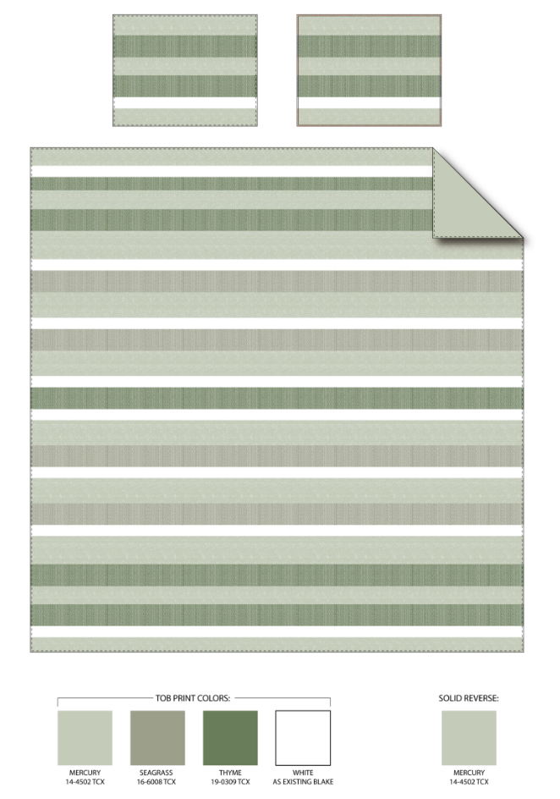
8 |  |  | Regency Heights |  | COMFORTER (SET) | Blake | 100% Polyester Printed 5pcs Comforter Set | 5pcs Comforter Set | Comf/sham :85gsm printed on face, 85gsm solid reverse, 200gsm poly fill. sheet set: 85gsm solid microfiber. Fitted sheet with 1 pocket on each side. | 100% polyester,poly fill | Twin: 66x90"/20x26"/66x96"/39x75+12"/20x30" | Sage | RH10-0450 |  |  | ￥72.90 | 8.00 | $9.11 | $9.11 |  | Compressed/Knocked Down | 42.0 | 42.0 | 32.0 | 10.00 | 3 | 0.056 | 3455 | $4,000.00 | $1.16 | 9404.40.9022 | 42.80% | $3.90 | $14.17 | 0.00% | $0.00 | 0.00% | $0.00 | 0.00% | $0.00 | $0.00 | $0.00 | 0.00% | $0.00 | $0.00 | $14.17 | 0.00% | $14.17 | $69.99 | $69.99 |  | 18
9 |  |  | Regency Heights |  | COMFORTER (SET) | Blake | 100% Polyester Printed 7pcs Comforter Set | 7pcs Comforter Set | Comf/sham :85gsm printed on face, 85gsm solid reverse, 200gsm poly fill. sheet set: 85gsm solid microfiber. Fitted sheet with 1 pocket on each side. | 100% polyester,poly fill | Full: 80x90"/20x26"(2)/81x96"/54x75"+15"/20x30"(2) | Sage | RH10-0451 |  |  | ￥88.50 | 8.00 | $11.06 | $11.06 |  | Compressed/Knocked Down | 47.0 | 42.0 | 32.00 | 10.00 | 3 | 0.063 | 3087 | $4,000.00 | $1.30 | 9404.40.9022 | 42.80% | $4.73 | $17.09 | 0.00% | $0.00 | 0.00% | $0.00 | 0.00% | $0.00 | $0.00 | $0.00 | 0.00% | $0.00 | $0.00 | $17.09 | 0.00% | $17.09 | $75.99 | $75.99 |  | 18
10 |  |  | Regency Heights |  | COMFORTER (SET) | Blake | 100% Polyester Printed 7pcs Comforter Set | 7pcs Comforter Set | Comf/sham :85gsm printed on face, 85gsm solid reverse, 200gsm poly fill. sheet set: 85gsm solid microfiber. Fitted sheet with 1 pocket on each side. | 100% polyester,poly fill | Queen: 90x90"/20x26"(2)/90x102"/60x80"+15"/20x30"(2) | Sage | RH10-0452 |  |  | ￥93.50 | 8.00 | $11.69 | $11.69 |  | Compressed/Knocked Down | 47.0 | 42.0 | 32.00 | 10.00 | 3 | 0.063 | 3087 | $4,000.00 | $1.30 | 9404.40.9022 | 42.80% | $5.00 | $17.99 | 0.00% | $0.00 | 0.00% | $0.00 | 0.00% | $0.00 | $0.00 | $0.00 | 0.00% | $0.00 | $0.00 | $17.99 | 0.00% | $17.99 | $62.99 | $79.99 |  | 150
11 |  |  | Regency Heights |  | COMFORTER (SET) | Blake | 100% Polyester Printed 7pcs Comforter Set | 7pcs Comforter Set | Comf/sham :85gsm printed on face, 85gsm solid reverse, 200gsm poly fill. sheet set: 85gsm solid microfiber. Fitted sheet with 1 pocket on each side. | 100% polyester,poly fill | King: 104"Wx90"L/20"Wx36"L(2)/108"Wx102"L/78"Wx80"L+15"D/20"Wx40"L(2) | Sage | RH10-0453 |  |  | ￥110.20 | 8.00 | $13.78 | $13.78 |  | Compressed/Knocked Down | 53.0 | 42.0 | 32.0 | 10.00 | 3 | 0.071 | 2738 | $4,000.00 | $1.46 | 9404.40.9022 | 42.80% | $5.90 | $21.13 | 0.00% | $0.00 | 0.00% | $0.00 | 0.00% | $0.00 | $0.00 | $0.00 | 0.00% | $0.00 | $0.00 | $21.13 | 0.00% | $21.13 | $69.99 | $89.99 |  | 150
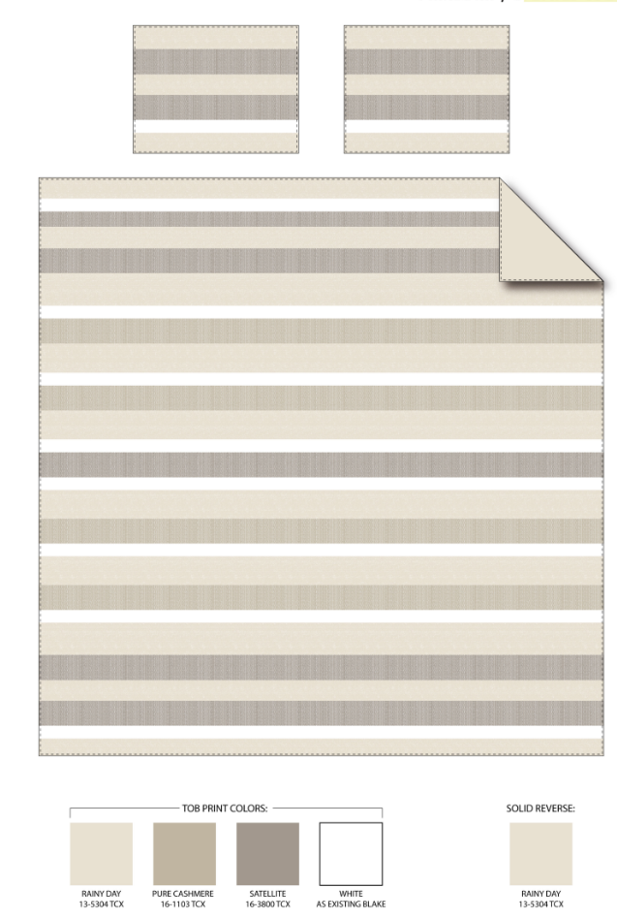
8 |  |  | Regency Heights |  | COMFORTER (SET) | Blake | 100% Polyester Printed 5pcs Comforter Set | 5pcs Comforter Set | Comf/sham :85gsm printed on face, 85gsm solid reverse, 200gsm poly fill. sheet set: 85gsm solid microfiber. Fitted sheet with 1 pocket on each side. | 100% polyester,poly fill | Twin: 66x90"/20x26"/66x96"/39x75+12"/20x30" | Neutral | RH10-0454 |  |  | ￥72.90 | 8.00 | $9.11 | $9.11 |  | Compressed/Knocked Down | 42.0 | 42.0 | 32.0 | 10.00 | 3 | 0.056 | 3455 | $4,000.00 | $1.16 | 9404.40.9022 | 42.80% | $3.90 | $14.17 | 0.00% | $0.00 | 0.00% | $0.00 | 0.00% | $0.00 | $0.00 | $0.00 | 0.00% | $0.00 | $0.00 | $14.17 | 0.00% | $14.17 | $69.99 | $69.99 |  | 18
9 |  |  | Regency Heights |  | COMFORTER (SET) | Blake | 100% Polyester Printed 7pcs Comforter Set | 7pcs Comforter Set | Comf/sham :85gsm printed on face, 85gsm solid reverse, 200gsm poly fill. sheet set: 85gsm solid microfiber. Fitted sheet with 1 pocket on each side. | 100% polyester,poly fill | Full: 80x90"/20x26"(2)/81x96"/54x75"+15"/20x30"(2) | Neutral | RH10-0455 |  |  | ￥88.50 | 8.00 | $11.06 | $11.06 |  | Compressed/Knocked Down | 47.0 | 42.0 | 32.00 | 10.00 | 3 | 0.063 | 3087 | $4,000.00 | $1.30 | 9404.40.9022 | 42.80% | $4.73 | $17.09 | 0.00% | $0.00 | 0.00% | $0.00 | 0.00% | $0.00 | $0.00 | $0.00 | 0.00% | $0.00 | $0.00 | $17.09 | 0.00% | $17.09 | $75.99 | $75.99 |  | 18
10 |  |  | Regency Heights |  | COMFORTER (SET) | Blake | 100% Polyester Printed 7pcs Comforter Set | 7pcs Comforter Set | Comf/sham :85gsm printed on face, 85gsm solid reverse, 200gsm poly fill. sheet set: 85gsm solid microfiber. Fitted sheet with 1 pocket on each side. | 100% polyester,poly fill | Queen: 90x90"/20x26"(2)/90x102"/60x80"+15"/20x30"(2) | Neutral | RH10-0456 |  |  | ￥93.50 | 8.00 | $11.69 | $11.69 |  | Compressed/Knocked Down | 47.0 | 42.0 | 32.00 | 10.00 | 3 | 0.063 | 3087 | $4,000.00 | $1.30 | 9404.40.9022 | 42.80% | $5.00 | $17.99 | 0.00% | $0.00 | 0.00% | $0.00 | 0.00% | $0.00 | $0.00 | $0.00 | 0.00% | $0.00 | $0.00 | $17.99 | 0.00% | $17.99 | $62.99 | $79.99 |  | 150
11 |  |  | Regency Heights |  | COMFORTER (SET) | Blake | 100% Polyester Printed 7pcs Comforter Set | 7pcs Comforter Set | Comf/sham :85gsm printed on face, 85gsm solid reverse, 200gsm poly fill. sheet set: 85gsm solid microfiber. Fitted sheet with 1 pocket on each side. | 100% polyester,poly fill | King: 104"Wx90"L/20"Wx36"L(2)/108"Wx102"L/78"Wx80"L+15"D/20"Wx40"L(2) | Neutral | RH10-0457 |  |  | ￥110.20 | 8.00 | $13.78 | $13.78 |  | Compressed/Knocked Down | 53.0 | 42.0 | 32.0 | 10.00 | 3 | 0.071 | 2738 | $4,000.00 | $1.46 | 9404.40.9022 | 42.80% | $5.90 | $21.13 | 0.00% | $0.00 | 0.00% | $0.00 | 0.00% | $0.00 | $0.00 | $0.00 | 0.00% | $0.00 | $0.00 | $21.13 | 0.00% | $21.13 | $69.99 | $89.99 |  | 150

