Item
Line No. | Photo | VIN/Art No. | Brand | Licensor | Product Category | Pattern | Item Description | Description-Short | Fabrication | Material-Short | Size/Spec. | Color | Customer Item# | Additional Customer Item# | Item No. | UPC | Unit of Measure | China RMB Cost | Exchange Rate | FOB Cost $ (Formula) | FOB Cost $ (Value) | UCCPM Price | Package Type | Carton Size L (cm) | Carton Size W (cm) | Carton Size H (cm) | Carton Gross Weight (kg) | Case Pack | Cubic Meter per Carton | Total Units per 40ft Container | 40ft Container Freight | Ocean Freight per Item $ | HTS Code | Duty Rate | Duty per Item $ | LDP Cost $ | General Load % | General Load $ | Load 1 | Load 1 % | Load 1 $ | Warehouse Charge % | Warehouse Charge $ | Dropship Charge | POE Cost with Load $ | JLA POE Price Quote (Formula) | JLA POE MU% | Domestic Warehouse Cost w/ Load | JLA Domestic MU% | Drop Ship Cost with Load $ | JLA Dropship MU% | JLA Quoted Price w/ Load | Additional Customer Price | Suggested Retail Price | Retailer IMU | Total Quantity | Total Sales
1 | 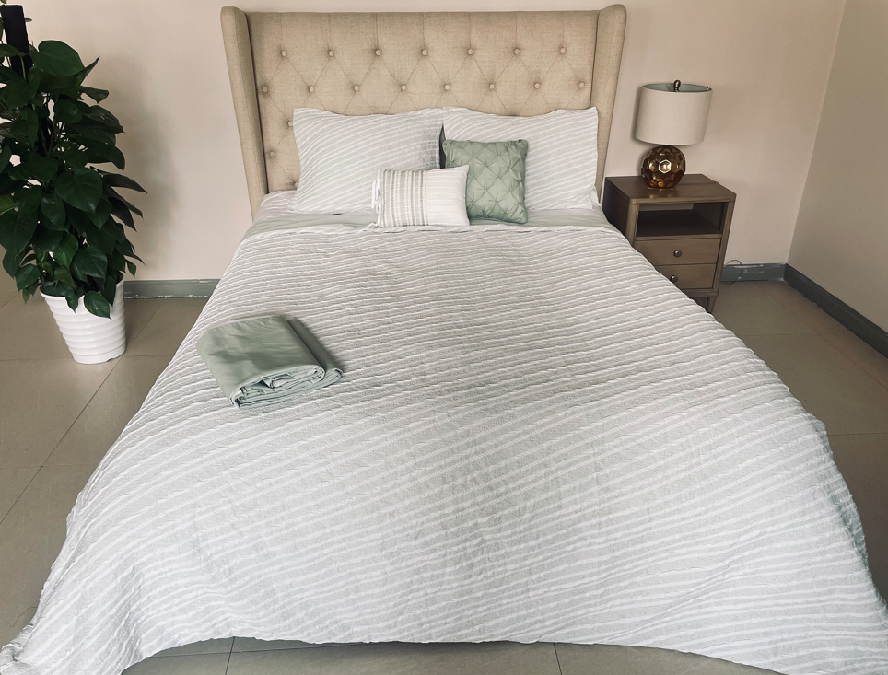 |  | Madison Park |  | COMFORTER (SET) | Abella | 100% Polyester Abella 6pc Comforter Set with coordinating pillows | 6pcs comforter set | Comforter/Sham face: 100% poly jacquard. Back: 75gsm 100% polyester solid micro fiber Filling: 220gsm polyester Bedskirt drop: 100% polyester solid, Platform: non woven fabric Dec pillow: polyester with polyfill | 100% Polyester jacquard | Queen: 90x92" /20x26" (2)/60x80+15"/12x16"(1)/16x16" (1) | Sage |  |  | KL10-3807 |  | Piece | 142 | 8.1 | $17.53 | $17.53 |  | Partially Compressed | 57.0 | 56.0 | 26.0 | 5.00 | 1 | 0.083 | 783 | 2850 | $3.64 | 9404.40.9022 | 42.8% | $7.50 | $28.67 | 10.00% | $4.22 | Funding | 4.20% | $1.77 | 6.00% | $2.53 | $2.50 | $34.66 | $41.13 | 15.72% | $37.19 | 11.83% | $37.92 | 10.10% | $42.18 |  | $169.99 | 75.19% | 1441 | $60,781.38
2 |  |  | Madison Park |  | COMFORTER (SET) | Abella | 100% Polyester Abella 6pc Comforter Set with coordinating pillows | 6pcs comforter set | Comforter/Sham face: 100% poly jacquard. Back: 75gsm 100% polyester solid micro fiber Filling: 220gsm polyester Bedskirt drop: 100% polyester solid, Platform: non woven fabric Dec pillow: polyester with polyfill | 100% Polyester jacquard | King: 106x94"/20x36"(2)/78x80+15"/12x16"(1)/16x16"(1) | Sage |  |  | KL10-3808 |  | Piece | 158 | 8.1 | $19.51 | $19.51 |  | Partially Compressed | 57.0 | 56.0 | 28.0 | 5.00 | 1 | 0.089 | 727 | 2850 | $3.92 | 9404.40.9022 | 42.8% | $8.35 | $31.78 | 10.00% | $4.85 | Funding | 4.20% | $2.04 | 6.00% | $2.91 | $2.50 | $38.67 | $47.30 | 18.25% | $41.58 | 14.29% | $42.04 | 13.34% | $48.51 |  | $199.99 | 75.74% | 1228 | $59,570.28
3 |  |  | Madison Park |  | COMFORTER (SET) | Abella | 100% Polyester Abella 6pc Comforter Set with coordinating pillows | 6pcs comforter set | Comforter/Sham face: 100% poly jacquard. Back: 75gsm 100% polyester solid micro fiber Filling: 220gsm polyester Bedskirt drop: 100% polyester solid, Platform: non woven fabric Dec pillow: polyester with polyfill | 100% Polyester jacquard | Cal King: 106x94"/20x36"(2)/72x84+15"/12x16"(1)/16x16"(1) | Sage |  |  | KL10-3809 |  | Piece | 158 | 8.1 | $19.51 | $19.51 |  | Partially Compressed | 57.0 | 56.0 | 28.0 | 5.00 | 1 | 0.089 | 727 | 2850 | $3.92 | 9404.40.9022 | 42.8% | $8.35 | $31.78 | 10.00% | $4.85 | Funding | 4.20% | $2.04 | 6.00% | $2.91 | $2.50 | $38.67 | $47.30 | 18.25% | $41.58 | 14.29% | $42.04 | 13.34% | $48.51 |  | $199.99 | 75.74% | 0 | $0.00

