Item
Line No. | Photo | VIN/Art No. | Brand | Licensor | Product Category | Pattern | Item Description | Description-Short | Fabrication | Material-Short | Size/Spec. | Color | Customer Item# | Item No. | UPC | Unit of Measure | UCCPM Price / FOB Cost $ | Package Type | Packaging | Carton Size L (cm) | Carton Size W (cm) | Carton Size H (cm) | Carton Gross Weight (kg) | Case Pack | Cubic Meter per Carton | Container Volume | Total Units per 40ft Container | 40ft Container Freight | Ocean Freight per Item $ | HTS Code | Duty Rate - 30% Tariff | Duty per Item $ | LDP Cost $ | DA % | DA $ | Royalty % | Royalty $ | Other Load | Other Load % | Other Load $ | Total Load $ | LDP Cost with Load $ | JLA LDP MU% | JLA POE Price | MOQ | Total Cost | Total Sales | Retailer Selling Price Total | Master Carton CBM | Master Carton Weight (kg) | Remarks | Port | COO | Vendor
 | 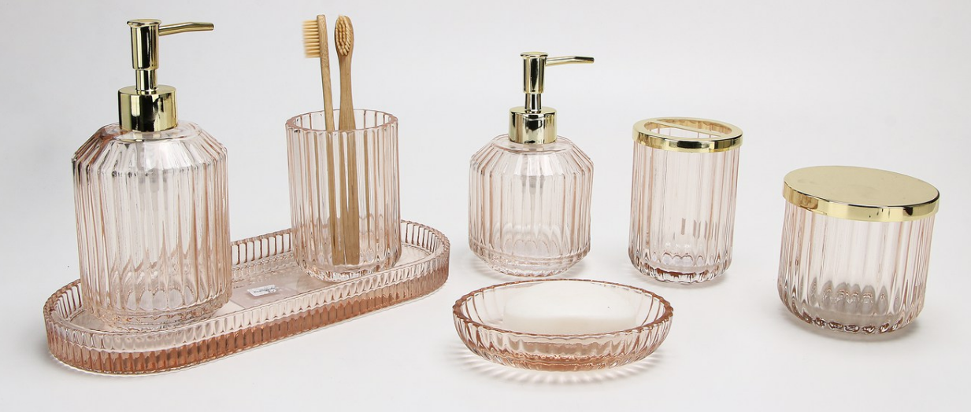 |  | JLA Home |  | Bath Accessories | Ellory (opt2) | Glass Taller Lotion Dispenser,plastic golden color pump head | Taller Lotion Dispenser,plastic golden color pump head | glass | glass | 3.43x3.43x7"（8.7x8.7x17.8cm） | Peach |  | HG71-4856 |  | Piece | $2.55 | Normal | 2 pcs taller LP+1 pcs normal LP+1pc TBH+1 pc TUM+1 pc SD+1pc CJ+1pc Tray mix into master carton | 18 | 9 | 18 | 11.00 | 2 | 0.003 | 63.00 | 43210 | 2,250 | $0.05 | 8424.89.9000 | 31.8% | $0.81 | $3.41 | 0.00% | $0.00 | 0.00% | $0.00 | $0.00 | 0.00% | $0.00 | $0.00 | $3.41 | 34.24% | $5.19 | 1200 | $4,095.57 | $6,228.00 | $0.00 | #REF! |  |  | Yantian | China | Aspire
 |  |  | JLA Home |  | Bath Accessories | Ellory (opt2) | Glass Lotion Dispenser,plastic golden color pump head | Lotion Dispenser,plastic golden color pump head | glass | glass | 3.43x3.43x6.1"（8.7x8.7x15.5cm） | Peach |  | HG71-4857 |  | Piece | $2.47 | Normal |  | 9 | 9 | 16 | 11.00 | 1 | 0.001 | 63.00 | 48611 | 2,250 | $0.05 | 8424.89.9000 | 31.8% | $0.79 | $3.30 | 0.00% | $0.00 | 0.00% | $0.00 | $0.00 | 0.00% | $0.00 | $0.00 | $3.30 | 30.78% | $4.77 | 600 | $1,981.05 | $2,862.00 | $0.00 | #REF! |  | HG-250328 -Ellory | Yantian | China | Aspire
 |  |  | JLA Home |  | Bath Accessories | Ellory (opt2) | Glass Toothbrush holder, golden color iron cover | Toothbrush holder, golden color iron cover | glass | glass | 2.8x2.8x4.13"（7.2x7.2x10.5cm） | Peach |  | HG71-4858 |  | Piece | $2.21 | Normal |  | 8 | 8 | 11 | 11.00 | 1 | 0.001 | 63.00 | 89489 | 2,250 | $0.03 | 7013.99.5010 | 60.0% | $1.33 | $3.56 | 0.00% | $0.00 | 0.00% | $0.00 | $0.00 | 0.00% | $0.00 | $0.00 | $3.56 | 31.38% | $5.19 | 600 | $2,136.69 | $3,114.00 | $0.00 | #REF! |  |  | Yantian | China | Aspire
 |  |  | JLA Home |  | Bath Accessories | Ellory (opt2) | Glass Tumbler | Tumbler | glass | glass | 2.8x2.8x4.13"（7.2x7.2x10.5cm） | Peach |  | HG71-4859 |  | Piece | $1.71 | Normal |  | 8 | 8 | 11 | 11.00 | 1 | 0.001 | 63.00 | 89489 | 2,250 | $0.03 | 7013.99.5010 | 60.0% | $1.03 | $2.76 | 0.00% | $0.00 | 0.00% | $0.00 | $0.00 | 0.00% | $0.00 | $0.00 | $2.76 | 29.56% | $3.92 | 600 | $1,656.69 | $2,352.00 | $0.00 | #REF! |  |  | Yantian | China | Aspire
9 |  |  | JLA Home |  | Bath Accessories | Ellory (opt2) | Glass Soap dish | Soap dish | glass | glass | 5.04x3.66x 1.1"(12.8x9.3x2.8cm) | Peach |  | HG71-4860 |  | Piece | $1.47 | Normal |  | 10 | 10 | 9 | 11.00 | 1 | 0.001 | 63.00 | 70000 | 2,250 | $0.03 | 7013.99.5010 | 60.0% | $0.88 | $2.38 | 0.00% | $0.00 | 0.00% | $0.00 | $0.00 | 0.00% | $0.00 | $0.00 | $2.38 | 30.89% | $3.45 | 600 | $1,430.49 | $2,070.00 | $0.00 | #REF! |  |  | Yantian | China | Aspire
10 |  |  | JLA Home |  | Bath Accessories | Ellory (opt2) | Glass Cotton jar,golden color iron cover | Cotton jar,golden color iron cover | glass | glass | 3.74x3.74x3.46"（9.5x9.5x8.8cm） | Peach |  | HG71-4861 |  | Piece | $3.13 | Normal |  | 10 | 10 | 9 | 11.00 | 1 | 0.001 | 63.00 | 70000 | 2,250 | $0.03 | 7013.99.8090 | 41.3% | $1.29 | $4.45 | 0.00% | $0.00 | 0.00% | $0.00 | $0.00 | 0.00% | $0.00 | $0.00 | $4.45 | 33.31% | $6.68 | 600 | $2,672.90 | $4,008.00 | $0.00 | #REF! |  |  | Yantian | China | Aspire
11 |  |  | JLA Home |  | Bath Accessories | Ellory (opt2) | Glass Tray | Tray | glass | glass | 10.9x4.53x0.98"（27.7x11.5x2.5cm） | Peach |  | HG71-4862 |  | Piece | $3.54 | Normal |  | 28 | 12 | 3 | 11.00 | 1 | 0.001 | 63.00 | 62500 | 2,250 | $0.04 | 7013.99.8090 | 41.3% | $1.46 | $5.04 | 0.00% | $0.00 | 0.00% | $0.00 | $0.00 | 0.00% | $0.00 | $0.00 | $5.04 | 32.10% | $7.42 | 600 | $3,022.81 | $4,452.00 | $0.00 | #REF! |  |  | Yantian | China | Aspire
16 | 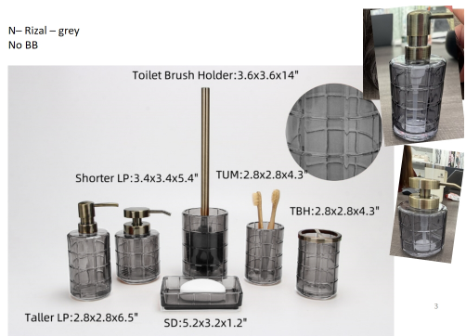 |  | Natori | N Natori 5% | Bath Accessories | N– Rizal | Glass Taller Lotion Dispenser,plastic antique brass color pump head | Taller Lotion Dispenser,plastic antique brass color pump head | glass | glass | 2.8x2.8x6.5"(7.3x7.3x16.5cm) | Grey |  | NN71-0289 |  | Piece | $2.23 | Normal | 2 pcs taller LP+1 pc shorter LP+1pc TBH+1 pc TUM+1 pc SD mix into master carton | 16 | 8 | 17 | 11.00 | 2 | 0.002 | 63.00 | 57904 | 2,250 | $0.04 | 8424.89.9000 | 31.8% | $0.71 | $2.98 | 0.00% | $0.00 | 5.00% | $0.25 | $0.00 | 0.00% | $0.00 | $0.25 | $3.22 | 34.22% | $4.90 | 1200 | $3,867.60 | $5,880.00 | $0.00 | #REF! |  |  | Yantian | China | Aspire
17 |  |  | Natori | N Natori 5% | Bath Accessories | N– Rizal | Glass Shorter Lotion Dispenser,plastic antique brass color pump head | Shorter Lotion Dispenser,plastic antique brass color pump head | glass | glass | 3.4x3.4x5.4"(8.8x8.8x13.8cm) | Grey |  | NN71-0290 |  | Piece | $2.89 | Normal |  | 9 | 9 | 14 | 11.00 | 1 | 0.001 | 63.00 | 55556 | 2,250 | $0.04 | 8424.89.9000 | 31.8% | $0.92 | $3.85 | 0.00% | $0.00 | 5.00% | $0.31 | $0.00 | 0.00% | $0.00 | $0.31 | $4.16 | 32.41% | $6.15 | 600 | $2,494.21 | $3,690.00 | $0.00 | #REF! |  |  | Yantian | China | Aspire
18 |  |  | Natori | N Natori 5% | Bath Accessories | N– Rizal | Glass Toothbrush Holder, iron cover | Toothbrush Holder, iron cover | glass | glass | 2.8x2.8x4.3" (7.3x7.3x11cm) | Grey |  | NN71-0291 |  | Piece | $2.49 | Normal |  | 8 | 8 | 11 | 11.00 | 1 | 0.001 | 63.00 | 89489 | 2,250 | $0.03 | 7013.99.5010 | 60.0% | $1.49 | $4.01 | 0.00% | $0.00 | 5.00% | $0.29 | $0.00 | 0.00% | $0.00 | $0.29 | $4.30 | 26.47% | $5.85 | 600 | $2,580.99 | $3,510.00 | $0.00 | #REF! |  |  | Yantian | China | Aspire
19 |  |  | Natori | N Natori 5% | Bath Accessories | N– Rizal | Glass Tumbler | Tumbler | glass | glass | 2.8x2.8x4.3" (7.3x7.3x11cm) | Grey |  | NN71-0292 |  | Piece | $1.87 | Normal |  | 8 | 8 | 11 | 11.00 | 1 | 0.001 | 63.00 | 89489 | 2,250 | $0.03 | 7013.99.5010 | 60.0% | $1.12 | $3.02 | 0.00% | $0.00 | 5.00% | $0.23 | $0.00 | 0.00% | $0.00 | $0.23 | $3.24 | 27.95% | $4.50 | 600 | $1,945.29 | $2,700.00 | $0.00 | #REF! |  |  | Yantian | China | Aspire
20 |  |  | Natori | N Natori 5% | Bath Accessories | N– Rizal | Glass Soap Dish | Soap Dish | glass | glass | 5.2x3.2x1.2"(13.4x8.3x3.2cm) | Grey |  | NN71-0293 |  | Piece | $1.65 | Normal |  | 14 | 9 | 4 | 11.00 | 1 | 0.001 | 63.00 | 125000 | 2,250 | $0.02 | 7013.99.5010 | 60.0% | $0.99 | $2.66 | 0.00% | $0.00 | 5.00% | $0.20 | $0.00 | 0.00% | $0.00 | $0.20 | $2.86 | 28.55% | $4.00 | 600 | $1,714.80 | $2,400.00 | $0.00 | #REF! |  |  | Yantian | China | Aspire
21 |  |  | Martha Stewart | Martha Stewart (Bath) 5% | Bath Accessories | Pansy | Ceramic Lotion Pump(w/stainless pump) | Lotion Pump(w/stainless pump) | ceramic | ceramic | 2.9x2.9x7.98" | Blue |  | MT71-0663 |  | Piece | $2.46 | Normal | 2 pcs LP+1 pc TBH+1 pc TUM+1 pc SD+1 pc TY+1pc WB mix into one carton | 18.7 | 10.9 | 23.4 | 11.00 | 2 | 0.005 | 63.00 | 26417 | 2,250 | $0.09 | 8424.89.9000 | 31.8% | $0.78 | $3.33 | 0.00% | $0.00 | 5.00% | $0.27 | $0.00 | 0.00% | $0.00 | $0.27 | $3.59 | 32.22% | $5.30 | 1000 | $3,592.45 | $5,300.00 | $15,990.00 | #REF! |  |  | Yantian | China | S-CCZW
22 |  |  | Martha Stewart | Martha Stewart (Bath) 5% | Bath Accessories | Pansy | Ceramic Toothbrush holder | Toothbrush holder | ceramic | ceramic | 4.3x2.65x4.32" | Blue |  | MT71-0664 |  | Piece | $1.73 | Normal |  | 12.8 | 8.7 | 12.6 | 11.00 | 1 | 0.001 | 63.00 | 44899 | 2,250 | $0.05 | 6912.00.5000 | 36.0% | $0.62 | $2.40 | 0.00% | $0.00 | 5.00% | $0.19 | $0.00 | 0.00% | $0.00 | $0.19 | $2.59 | 30.06% | $3.70 | 500 | $1,293.96 | $1,850.00 | $4,495.00 | #REF! |  |  | Yantian | China | S-CCZW
23 |  |  | Martha Stewart | Martha Stewart (Bath) 5% | Bath Accessories | Pansy | Ceramic Tumbler | Tumbler | ceramic | ceramic | 2.9x2.9x4.25" | Blue |  | MT71-0665 |  | Piece | $1.63 | Normal |  | 9.9 | 9.9 | 12.0 | 11.00 | 1 | 0.001 | 63.00 | 53566 | 2,250 | $0.04 | 6912.00.5000 | 36.0% | $0.59 | $2.26 | 0.00% | $0.00 | 5.00% | $0.17 | $0.00 | 0.00% | $0.00 | $0.17 | $2.43 | 27.57% | $3.35 | 500 | $1,213.15 | $1,675.00 | $4,495.00 | #REF! |  |  | Yantian | China | S-CCZW
24 |  |  | Martha Stewart | Martha Stewart (Bath) 5% | Bath Accessories | Pansy | Ceramic Soap dish | Soap dish | ceramic | ceramic | 5.4x3.9x1" | Blue |  | MT71-0666 |  | Piece | $1.42 | Normal |  | 16.0 | 4.5 | 11.9 | 11.00 | 1 | 0.001 | 63.00 | 73529 | 2,250 | $0.03 | 6912.00.5000 | 36.0% | $0.51 | $1.96 | 0.00% | $0.00 | 5.00% | $0.17 | $0.00 | 0.00% | $0.00 | $0.17 | $2.13 | 35.55% | $3.30 | 500 | $1,063.40 | $1,650.00 | $4,495.00 | #REF! |  |  | Yantian | China | S-CCZW
25 |  |  | Martha Stewart | Martha Stewart (Bath) 5% | Bath Accessories | Pansy | Ceramic Tray | Tray | ceramic | ceramic | 9.5x5.5x1" | Blue |  | MT71-0667 |  | Piece | $2.52 | Normal |  | 26.1 | 4.5 | 16.0 | 11.00 | 1 | 0.002 | 63.00 | 33525 | 2,250 | $0.07 | 6912.00.5000 | 36.0% | $0.91 | $3.49 | 0.00% | $0.00 | 5.00% | $0.36 | $0.00 | 0.00% | $0.00 | $0.36 | $3.85 | 46.47% | $7.20 | 500 | $1,927.16 | $3,600.00 | $8,495.00 | #REF! |  |  | Yantian | China | S-CCZW
26 |  |  | Martha Stewart | Martha Stewart (Bath) 5% | Bath Accessories | Pansy | Ceramic Wastebasket | Wastebasket | ceramic | ceramic | 8x8x10" | Blue |  | MT71-0668 |  | Piece | $8.02 | Normal |  | 26.3 | 26.3 | 31.0 | 11.00 | 1 | 0.021 | 63.00 | 2938 | 2,250 | $0.77 | 6912.00.5000 | 36.0% | $2.89 | $11.67 | 0.00% | $0.00 | 5.00% | $0.78 | $0.00 | 0.00% | $0.00 | $0.78 | $12.45 | 19.93% | $15.55 | 500 | $6,225.25 | $7,775.00 | $16,495.00 | #REF! |  |  | Yantian | China | S-CCZW
27 | 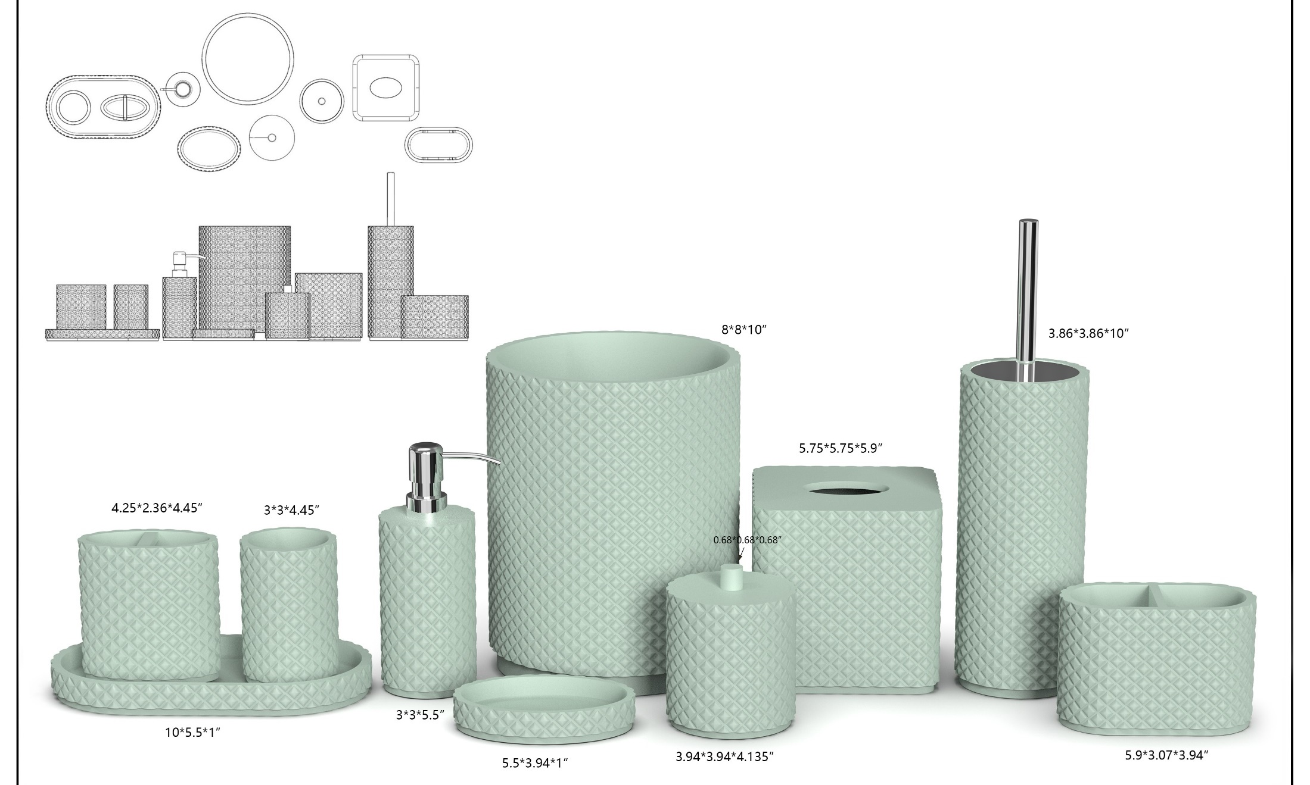 |  | JLA Home |  | Bath Accessories | Blanch soft touch | Resin Lotion Pump(w/chrome stainless steel pump ) | Resin Lotion Pump(w/chrome stainless steel pump ) | resin +hand painted+rubber | resin +hand painted+rubber | 3x3x7.63" | Aqua |  | HG71-4863 |  | Piece | $2.35 | Normal | 2 pcs LP+1 pcs TBH+1 pc TUM+1 pc SD+1pc CJ+1pc Tray+1pc TC+1pc WB+1pc Towel+1pc BBH+1pc 2ORG,混装入外箱 | 17.5 | 8.5 | 21.5 | 11.00 | 2 | 0.003 | 63.00 | 39398 | 2,250 | $0.06 | 8424.89.9000 | 31.8% | $0.75 | $3.15 | 0.00% | $0.00 | 0.00% | $0.00 | $0.00 | 0.00% | $0.00 | $0.00 | $3.15 | 36.27% | $4.95 | 1000 | $3,154.41 | $4,950.00 | $0.00 | #REF! |  |  | Yantian,China | China | S-DGDH
28 |  |  | JLA Home |  | Bath Accessories | Blanch soft touch | Resin Toothbrush holder | Resin Toothbrush holder | resin +hand painted+rubber | resin +hand painted+rubber | 4.25x2.36x4.45" | Aqua |  | HG71-4864 |  | Piece | $1.50 | Normal |  | 12.0 | 7.0 | 13.5 | 11.00 | 1 | 0.001 | 63.00 | 55556 | 2,250 |  | 3924.10.4000 | 33.4% | $0.50 | $2.00 | 0.00% | $0.00 | 0.00% | $0.00 | $0.00 | 0.00% | $0.00 | $0.00 | $2.00 | 33.30% | $3.00 | 500 | $1,000.50 | $1,500.00 | $0.00 | #REF! |  |  | Yantian,China | China | S-DGDH
29 |  |  | JLA Home |  | Bath Accessories | Blanch soft touch | Resin Tumbler | Resin Tumbler | resin +hand painted+rubber | resin +hand painted+rubber | 3x3x4.45" | Aqua |  | HG71-4865 |  | Piece | $1.45 | Normal |  | 8.5 | 8.5 | 13.5 | 11.00 | 1 | 0.001 | 63.00 | 64591 | 2,250 |  | 3924.10.4000 | 33.4% | $0.48 | $1.93 | 0.00% | $0.00 | 0.00% | $0.00 | $0.00 | 0.00% | $0.00 | $0.00 | $1.93 | 35.52% | $3.00 | 500 | $967.15 | $1,500.00 | $0.00 | #REF! |  |  | Yantian,China | China | S-DGDH
30 |  |  | JLA Home |  | Bath Accessories | Blanch soft touch | Resin Cotton jar | Resin Cotton jar | resin +hand painted+rubber | resin +hand painted+rubber | 3.94x3.94x4.135" | Aqua |  | HG71-4866 |  | Piece | $2.32 | Normal |  | 11.0 | 11.0 | 12.5 | 11.00 | 1 | 0.002 | 63.00 | 41653 | 2,250 |  | 3924.10.4000 | 33.4% | $0.77 | $3.09 | 0.00% | $0.00 | 0.00% | $0.00 | $0.00 | 0.00% | $0.00 | $0.00 | $3.09 | 31.22% | $4.50 | 500 | $1,547.44 | $2,250.00 | $0.00 | #REF! |  |  | Yantian,China | China | S-DGDH
31 |  |  | JLA Home |  | Bath Accessories | Blanch soft touch | Resin Soap dish | Resin Soap dish | resin +hand painted+rubber | resin +hand painted+rubber | 5.5x3.94x1" | Aqua |  | HG71-4867 |  | Piece | $1.45 | Normal |  | 11.0 | 3.5 | 16.0 | 11.00 | 1 | 0.001 | 63.00 | 102273 | 2,250 |  | 3924.10.4000 | 33.4% | $0.48 | $1.93 | 0.00% | $0.00 | 0.00% | $0.00 | $0.00 | 0.00% | $0.00 | $0.00 | $1.93 | 34.43% | $2.95 | 500 | $967.15 | $1,475.00 | $0.00 | #REF! |  |  | Yantian,China | China | S-DGDH
32 |  |  | JLA Home |  | Bath Accessories | Blanch soft touch | Resin Tray | Resin Tray | resin +hand painted+rubber | resin +hand painted+rubber | 10x5.5x1" | Aqua |  | HG71-4868 |  | Piece | $2.62 | Normal |  | 15.0 | 3.5 | 27.5 | 11.00 | 1 | 0.001 | 63.00 | 43636 | 2,250 | $0.05 | 3924.10.4000 | 33.4% | $0.88 | $3.55 | 0.00% | $0.00 | 0.00% | $0.00 | $0.00 | 0.00% | $0.00 | $0.00 | $3.55 | 31.80% | $5.20 | 500 | $1,773.32 | $2,600.00 | $0.00 | #REF! |  |  | Yantian,China | China | S-DGDH
33 |  |  | JLA Home |  | Bath Accessories | Blanch soft touch | Resin 2 hole organizer | Resin 2 hole organizer | resin +hand painted+rubber | resin +hand painted+rubber | 5.9x3.07x3.94" | Aqua |  | HG71-4869 |  | Piece | $2.35 | Normal |  | 16.0 | 9.0 | 12.0 | 11.00 | 1 | 0.002 | 63.00 | 36458 | 2,250 | $0.06 | 3924.10.4000 | 33.4% | $0.78 | $3.20 | 0.00% | $0.00 | 0.00% | $0.00 | $0.00 | 0.00% | $0.00 | $0.00 | $3.20 | 36.07% | $5.00 | 500 | $1,598.31 | $2,500.00 | $0.00 | #REF! |  |  | Yantian,China | China | S-DGDH
34 |  |  | JLA Home |  | Bath Accessories | Blanch soft touch | Resin Toilet Brush | Resin Toilet Brush | resin +hand painted+rubber | resin +hand painted+rubber | 3.86x3.86x10" | Aqua |  | HG71-4870 |  | Piece | $3.82 | Normal |  | 11.00 | 11.00 | 40.50 | 11.00 | 1 | 0.005 | 63.00 | 12856 | 2,250 | $0.18 | 3924.10.4000 | 33.4% | $1.28 | $5.27 | 0.00% | $0.00 | 0.00% | $0.00 | $0.00 | 0.00% | $0.00 | $0.00 | $5.27 | 29.72% | $7.50 | 500 | $2,635.45 | $3,750.00 | $0.00 | #REF! |  |  | Yantian,China | China | S-DGDH
35 |  |  | JLA Home |  | Bath Accessories | Blanch soft touch | Resin Tissue cover | Resin Tissue cover | resin +hand painted+rubber | resin +hand painted+rubber | 5.75x5.75x5.9" | Aqua |  | HG71-4871 |  | Piece | $3.92 | Normal |  | 15.50 | 15.50 | 17.00 | 11.00 | 1 | 0.004 | 63.00 | 15425 | 2,250 | $0.15 | 3924.10.4000 | 33.4% | $1.31 | $5.38 | 0.00% | $0.00 | 0.00% | $0.00 | $0.00 | 0.00% | $0.00 | $0.00 | $5.38 | 32.39% | $7.95 | 500 | $2,687.57 | $3,975.00 | $0.00 | #REF! |  |  | Yantian,China | China | S-DGDH
36 |  |  | JLA Home |  | Bath Accessories | Blanch soft touch | Resin Wastebasket | Resin Wastebasket | resin +hand painted+rubber | resin +hand painted+rubber | 8x8x10" | Aqua |  | HG71-4872 |  | Piece | $6.58 | Normal |  | 21.50 | 21.50 | 27.50 | 11.00 | 1 | 0.013 | 63.00 | 4956 | 2,250 | $0.45 | 3924.10.4000 | 33.4% | $2.20 | $9.23 | 0.00% | $0.00 | 0.00% | $0.00 | $0.00 | 0.00% | $0.00 | $0.00 | $9.23 | 31.62% | $13.50 | 500 | $4,615.86 | $6,750.00 | $0.00 | #REF! |  |  | Yantian,China | China | S-DGDH
37 |  |  | JLA Home |  | Bath Accessories | Blanch | Resin Lotion Pump(w/chrome stainless steel pump ) | Resin Lotion Pump(w/chrome stainless steel pump ) | sand | sand | 3x3x7.63" | Aqua |  | HG71-4873 |  | Piece | $2.22 | Normal | 2 pcs LP+1 pcs TBH+1 pc TUM+1 pc SD+1pc CJ+1pc Tray+1pc TC+1pc WB+1pc Towel+1pc BBH+1pc 2ORG,混装入外箱 | 17.5 | 8.5 | 21.5 | 11.00 | 2 | 0.003 | 63.00 | 39398 | 2,250 | $0.06 | 8424.89.9000 | 31.8% | $0.71 | $2.98 | 0.00% | $0.00 | 0.00% | $0.00 | $0.00 | 0.00% | $0.00 | $0.00 | $2.98 | 36.53% | $4.70 | 1000 | $2,983.07 | $4,700.00 | $0.00 | #REF! |  |  | Yantian,China | China | S-DGDH
38 |  |  | JLA Home |  | Bath Accessories | Blanch | Resin Toothbrush holder | Resin Toothbrush holder | sand | sand | 4.25x2.36x4.45" | Aqua |  | HG71-4874 |  | Piece | $1.40 | Normal |  | 12.0 | 7.0 | 13.5 | 11.00 | 1 | 0.001 | 63.00 | 55556 | 2,250 |  | 3924.10.4000 | 33.4% | $0.47 | $1.87 | 0.00% | $0.00 | 0.00% | $0.00 | $0.00 | 0.00% | $0.00 | $0.00 | $1.87 | 34.47% | $2.85 | 500 | $933.80 | $1,425.00 | $0.00 | #REF! |  |  | Yantian,China | China | S-DGDH
39 |  |  | JLA Home |  | Bath Accessories | Blanch | Resin Tumbler | Resin Tumbler | sand | sand | 3x3x4.45" | Aqua |  | HG71-4875 |  | Piece | $1.35 | Normal |  | 8.5 | 8.5 | 13.5 | 11.00 | 1 | 0.001 | 63.00 | 64591 | 2,250 |  | 3924.10.4000 | 33.4% | $0.45 | $1.80 | 0.00% | $0.00 | 0.00% | $0.00 | $0.00 | 0.00% | $0.00 | $0.00 | $1.80 | 36.81% | $2.85 | 500 | $900.45 | $1,425.00 | $0.00 | #REF! |  |  | Yantian,China | China | S-DGDH
40 |  |  | JLA Home |  | Bath Accessories | Blanch | Resin Cotton jar | Resin Cotton jar | sand | sand | 3.94x3.94x4.135" | Aqua |  | HG71-4876 |  | Piece | $2.25 | Normal |  | 11.0 | 11.0 | 12.5 | 11.00 | 1 | 0.002 | 63.00 | 41653 | 2,250 |  | 3924.10.4000 | 33.4% | $0.75 | $3.00 | 0.00% | $0.00 | 0.00% | $0.00 | $0.00 | 0.00% | $0.00 | $0.00 | $3.00 | 29.38% | $4.25 | 500 | $1,500.75 | $2,125.00 | $0.00 | #REF! |  |  | Yantian,China | China | S-DGDH
41 |  |  | JLA Home |  | Bath Accessories | Blanch | Resin Soap dish | Resin Soap dish | sand | sand | 5.5x3.94x1" | Aqua |  | HG71-4877 |  | Piece | $1.35 | Normal |  | 11.0 | 3.5 | 16.0 | 11.00 | 1 | 0.001 | 63.00 | 102273 | 2,250 |  | 3924.10.4000 | 33.4% | $0.45 | $1.80 | 0.00% | $0.00 | 0.00% | $0.00 | $0.00 | 0.00% | $0.00 | $0.00 | $1.80 | 35.68% | $2.80 | 500 | $900.45 | $1,400.00 | $0.00 | #REF! |  |  | Yantian,China | China | S-DGDH
42 |  |  | JLA Home |  | Bath Accessories | Blanch | Resin Tray | Resin Tray | sand | sand | 10x5.5x1" | Aqua |  | HG71-4878 |  | Piece | $2.60 | Normal |  | 15.0 | 3.5 | 27.5 | 11.00 | 1 | 0.001 | 63.00 | 43636 | 2,250 | $0.05 | 3924.10.4000 | 33.4% | $0.87 | $3.52 | 0.00% | $0.00 | 0.00% | $0.00 | $0.00 | 0.00% | $0.00 | $0.00 | $3.52 | 28.89% | $4.95 | 500 | $1,759.98 | $2,475.00 | $0.00 | #REF! |  |  | Yantian,China | China | S-DGDH
43 |  |  | JLA Home |  | Bath Accessories | Blanch | Resin 2 hole organizer | Resin 2 hole organizer | sand | sand | 5.9x3.07x3.94" | Aqua |  | HG71-4879 |  | Piece | $2.25 | Normal |  | 16.0 | 9.0 | 12.0 | 11.00 | 1 | 0.002 | 63.00 | 36458 | 2,250 | $0.06 | 3924.10.4000 | 33.4% | $0.75 | $3.06 | 0.00% | $0.00 | 0.00% | $0.00 | $0.00 | 0.00% | $0.00 | $0.00 | $3.06 | 35.51% | $4.75 | 500 | $1,531.61 | $2,375.00 | $0.00 | #REF! |  |  | Yantian,China | China | S-DGDH
44 |  |  | JLA Home |  | Bath Accessories | Blanch | Resin Toilet Brush | Resin Toilet Brush | sand | sand | 3.86x3.86x10" | Aqua |  | HG71-4880 |  | Piece | $3.72 | Normal |  | 11.00 | 11.00 | 40.50 | 11.00 | 1 | 0.005 | 63.00 | 12856 | 2,250 | $0.18 | 3924.10.4000 | 33.4% | $1.24 | $5.14 | 0.00% | $0.00 | 0.00% | $0.00 | $0.00 | 0.00% | $0.00 | $0.00 | $5.14 | 28.15% | $7.15 | 500 | $2,568.75 | $3,575.00 | $0.00 | #REF! |  |  | Yantian,China | China | S-DGDH
45 |  |  | JLA Home |  | Bath Accessories | Blanch | Resin Tissue cover | Resin Tissue cover | sand | sand | 5.75x5.75x5.9" | Aqua |  | HG71-4881 |  | Piece | $3.82 | Normal |  | 15.50 | 15.50 | 17.00 | 11.00 | 1 | 0.004 | 63.00 | 15425 | 2,250 | $0.15 | 3924.10.4000 | 33.4% | $1.28 | $5.24 | 0.00% | $0.00 | 0.00% | $0.00 | $0.00 | 0.00% | $0.00 | $0.00 | $5.24 | 30.57% | $7.55 | 500 | $2,620.87 | $3,775.00 | $0.00 | #REF! |  |  | Yantian,China | China | S-DGDH
46 |  |  | JLA Home |  | Bath Accessories | Blanch | Resin Wastebasket | Resin Wastebasket | sand | sand | 8x8x10" | Aqua |  | HG71-4882 |  | Piece | $6.35 | Normal |  | 21.50 | 21.50 | 27.50 | 11.00 | 1 | 0.013 | 63.00 | 4956 | 2,250 | $0.45 | 3924.10.4000 | 33.4% | $2.12 | $8.92 | 0.00% | $0.00 | 0.00% | $0.00 | $0.00 | 0.00% | $0.00 | $0.00 | $8.92 | 30.27% | $12.80 | 500 | $4,462.45 | $6,400.00 | $0.00 | #REF! |  |  | Yantian,China | China | S-DGDH
47 | 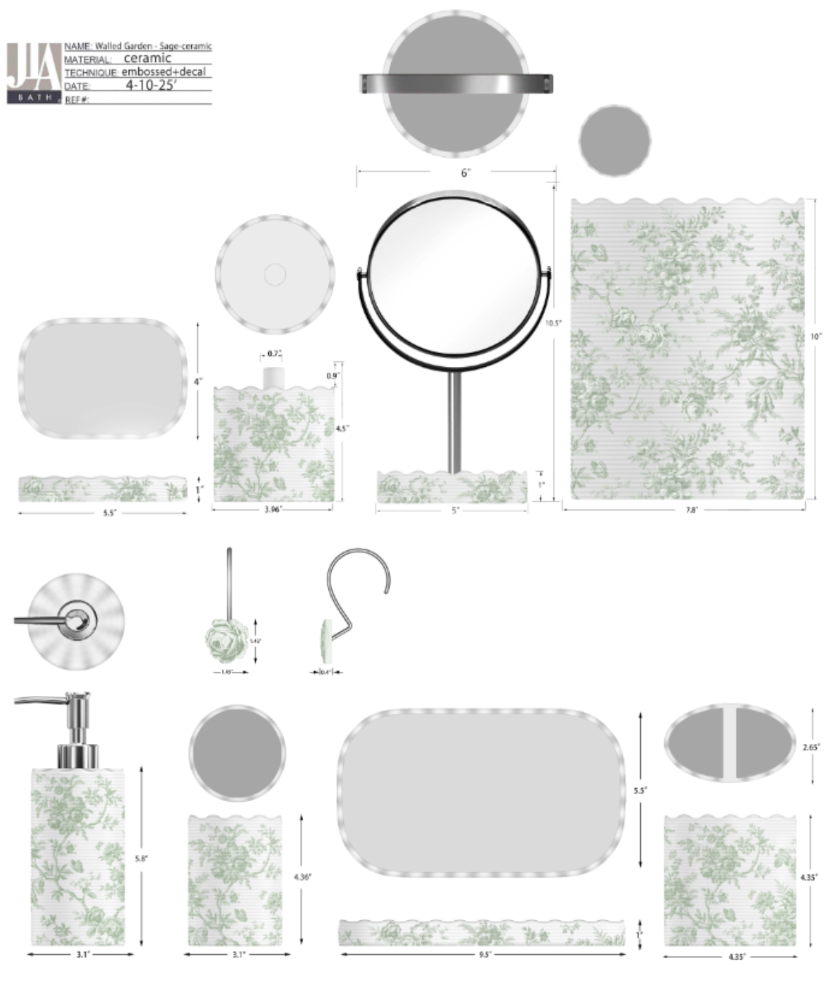 |  | Laura Ashley | Laura Ashley 5% | Bath Accessories | Walled Garden-Sage | Ceramic Lotion Pump(w/stainless pump) | Lotion Pump(w/stainless pump) | ceramic | ceramic | 2.9x2.9x7.98" | Sage |  | LA71-0252 |  | Piece | $2.53 | Normal | 2 pcs LP+1 pc TBH+1 pc TUM+1 pc SD+1 pc TY+1pc WB+1mirror+1CJ mix into one carton | 18.7 | 10.9 | 23.4 | 11.00 | 2 | 0.005 | 63.00 | 26417 | 2,250 | $0.09 | 8424.89.9000 | 31.8% | $0.80 | $3.42 | 0.00% | $0.00 | 6.00% | $0.34 | $0.00 | 0.00% | $0.00 | $0.34 | $3.76 | 33.47% | $5.65 | 1000 | $3,758.71 | $5,650.00 | $0.00 | #REF! |  |  | Yantian | China | S-CCZW
48 |  |  | Laura Ashley | Laura Ashley 5% | Bath Accessories | Walled Garden-Sage | Ceramic Toothbrush holder | Toothbrush holder | ceramic | ceramic | 4.3x2.65x4.32" | Sage |  | LA71-0253 |  | Piece | $1.83 | Normal |  | 12.8 | 8.7 | 12.6 | 11.00 | 1 | 0.001 | 63.00 | 44899 | 2,250 | $0.05 | 6912.00.5000 | 36.0% | $0.66 | $2.54 | 0.00% | $0.00 | 6.00% | $0.24 | $0.00 | 0.00% | $0.00 | $0.24 | $2.78 | 29.72% | $3.95 | 500 | $1,387.96 | $1,975.00 | $0.00 | #REF! |  |  | Yantian | China | S-CCZW
49 |  |  | Laura Ashley | Laura Ashley 5% | Bath Accessories | Walled Garden-Sage | Ceramic Tumbler | Tumbler | ceramic | ceramic | 2.9x2.9x4.25" | Sage |  | LA71-0254 |  | Piece | $1.72 | Normal |  | 9.9 | 9.9 | 12.0 | 11.00 | 1 | 0.001 | 63.00 | 53566 | 2,250 | $0.04 | 6912.00.5000 | 36.0% | $0.62 | $2.38 | 0.00% | $0.00 | 6.00% | $0.24 | $0.00 | 0.00% | $0.00 | $0.24 | $2.62 | 33.72% | $3.95 | 500 | $1,309.10 | $1,975.00 | $0.00 | #REF! |  |  | Yantian | China | S-CCZW
50 |  |  | Laura Ashley | Laura Ashley 5% | Bath Accessories | Walled Garden-Sage | Ceramic Soap dish | Soap dish | ceramic | ceramic | 5.4x3.9x1" | Sage |  | LA71-0255 |  | Piece | $1.58 | Normal |  | 16.0 | 4.5 | 11.9 | 11.00 | 1 | 0.001 | 63.00 | 73529 | 2,250 | $0.03 | 6912.00.5000 | 36.0% | $0.57 | $2.18 | 0.00% | $0.00 | 6.00% | $0.21 | $0.00 | 0.00% | $0.00 | $0.21 | $2.39 | 31.73% | $3.50 | 500 | $1,194.70 | $1,750.00 | $0.00 | #REF! |  |  | Yantian | China | S-CCZW
 |  |  | Laura Ashley | Laura Ashley 5% | Bath Accessories | Walled Garden-Sage | Ceramic Tray | Tray | ceramic | ceramic | 10.9x4.53x0.98" | Sage |  | LA71-0256 |  | Piece | $2.68 | Normal |  | 26.1 | 4.5 | 16.0 | 11.00 | 1 | 0.002 | 63.00 | 33525 | 2,250 | $0.07 | 6912.00.5000 | 36.0% | $0.96 | $3.71 | 0.00% | $0.00 | 6.00% | $0.36 | $0.00 | 0.00% | $0.00 | $0.36 | $4.07 | 32.13% | $6.00 | 1000 | $4,071.91 | $6,000.00 | $0.00 | #REF! |  |  | Yantian | China | S-CCZW
 |  |  | Laura Ashley | Laura Ashley 5% | Bath Accessories | Walled Garden-Sage | Ceramic cotton box | cotton box | ceramic | ceramic | 3.96x4.3" | Sage |  | LA71-0257 |  | Piece | $2.50 | Normal |  | 26.1 | 4.5 | 16.0 | 11.00 | 1 | 0.002 | 63.00 | 33525 | 2,250 | $0.07 | 6912.00.5000 | 36.0% | $0.90 | $3.47 | 0.00% | $0.00 | 6.00% | $0.32 | $0.00 | 0.00% | $0.00 | $0.32 | $3.79 | 29.19% | $5.35 | 500 | $1,894.06 | $2,675.00 | $0.00 | #REF! |  |  | Yantian | China | S-CCZW
 |  |  | Laura Ashley | Laura Ashley 5% | Bath Accessories | Walled Garden-Sage | mirror | mirror | ceramic+glass | ceramic+glass | 5x10.3" | Sage |  | LA71-0258 |  | Piece | $4.20 | Normal |  | 26.1 | 4.5 | 16.0 | 11.00 | 1 | 0.002 | 63.00 | 33525 | 2,250 | $0.07 | 6912.00.5000 | 36.0% | $1.51 | $5.78 | 0.00% | $0.00 | 6.00% | $0.51 | $0.00 | 0.00% | $0.00 | $0.51 | $6.29 | 26.01% | $8.50 | 500 | $3,144.56 | $4,250.00 | $0.00 | #REF! |  |  | Yantian | China | S-CCZW
 |  |  | Laura Ashley | Laura Ashley 5% | Bath Accessories | Walled Garden-Sage | Resin Hook | Hook | resin | resin | 1.45x1.45x1" | Sage |  | LA71-0259 |  | Piece | $3.00 | Normal |  | 12.8 | 8.7 | 12.6 | 11.00 | 1 | 0.001 | 63.00 | 44899 | 2,250 | $0.05 | 3924.90.5650 | 40.9% | $1.23 | $4.28 | 0.00% | $0.00 | 6.00% | $0.34 | $0.00 | 0.00% | $0.00 | $0.34 | $4.62 | 18.30% | $5.65 | 1000 | $4,616.11 | $5,650.00 | $0.00 | #REF! |  |  | Yantian | China | S-CCZW
 |  |  | Laura Ashley | Laura Ashley 5% | Bath Accessories | Walled Garden-Sage | Ceramic Wastebasket | Wastebasket | ceramic | ceramic | 8x8x10" | Sage |  | LA71-0260 |  | Piece | $8.98 | Normal |  | 26.3 | 26.3 | 31.0 | 11.00 | 1 | 0.021 | 63.00 | 2938 | 2,250 | $0.77 | 6912.00.5000 | 36.0% | $3.23 | $12.98 | 0.00% | $0.00 | 6.00% | $1.02 | $0.00 | 0.00% | $0.00 | $1.02 | $14.00 | 17.43% | $16.95 | 500 | $6,997.80 | $8,475.00 | $0.00 | #REF! |  |  | Yantian | China | S-CCZW
 | 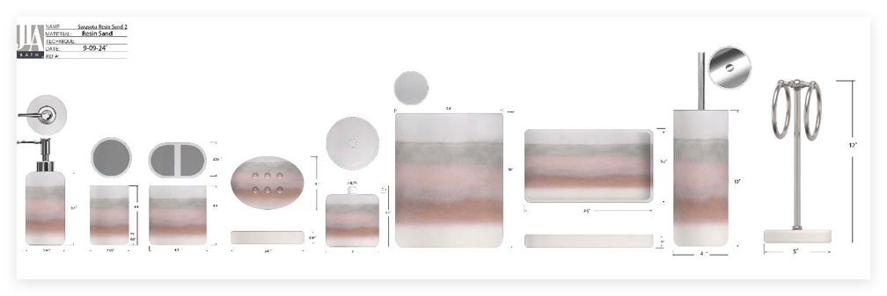 |  | JLA Brand |  | Bath Accessories | Sarasota | Resin Lotion Pump(w/chrome stainless steel pump ) | Resin Lotion Pump(w/chrome stainless steel pump ) | sand +hand painted | sand +hand painted | 2.96x2.96x7.8" | Terra Cotta |  | HG71-4883 |  | Piece | $2.26 | Normal | 2 pcs LP+1 pcs TBH+1 pc TUM+1 pc SD+1pc CJ+1pc Tray+1pc TC+1pc WB+1pc Towel+1pc BBH,混装入外箱 | 16.50 | 8.50 | 22.00 | 11.00 | 2 | 0.003 | 63.00 | 40836 | 2,250 | $0.06 | 8424.89.9000 | 31.80% | $0.72 | $3.03 | 0.00% | $0.00 | 0.00% | $0.00 | $0.00 | 0.00% | $0.00 | $0.00 | $3.03 | 38.84% | $4.96 | 1000 | $3,033.78 | $4,960.00 | $0.00 | #REF! |  |  | Yantian,China | China | S-DGDH
 |  |  | JLA Brand |  | Bath Accessories | Sarasota | Resin Toothbrush holder | Resin Toothbrush holder | sand +hand painted | sand +hand painted | 4.3x2.65x4.4" | Terra Cotta |  | HG71-4884 |  | Piece | $1.70 | Normal |  | 12.00 | 8.00 | 13.00 | 11.00 | 1 | 0.001 | 63.00 | 50481 | 2,250 |  | 3924.90.5650 | 40.90% | $0.70 | $2.40 | 0.00% | $0.00 | 0.00% | $0.00 | $0.00 | 0.00% | $0.00 | $0.00 | $2.40 | 21.21% | $3.04 | 500 | $1,197.65 | $1,520.00 | $0.00 | #REF! |  |  | Yantian,China | China | S-DGDH
 |  |  | JLA Brand |  | Bath Accessories | Sarasota | Resin Tumbler | Resin Tumbler | sand +hand painted | sand +hand painted | 2.95x2.95x4.4" | Terra Cotta |  | HG71-4885 |  | Piece | $1.68 | Normal |  | 8.50 | 8.50 | 13.00 | 11.00 | 1 | 0.001 | 63.00 | 67075 | 2,250 |  | 3924.10.4000 | 33.40% | $0.56 | $2.24 | 0.00% | $0.00 | 0.00% | $0.00 | $0.00 | 0.00% | $0.00 | $0.00 | $2.24 | 25.05% | $2.99 | 500 | $1,120.56 | $1,495.00 | $0.00 | #REF! |  |  | Yantian,China | China | S-DGDH
 |  |  | JLA Brand |  | Bath Accessories | Sarasota | Resin Cotton jar | Resin Cotton jar | sand +hand painted | sand +hand painted | 4x4x4.4" | Terra Cotta |  | HG71-4886 |  | Piece | $2.27 | Normal |  | 11.00 | 11.00 | 13.00 | 11.00 | 1 | 0.002 | 63.00 | 40051 | 2,250 |  | 3924.90.5650 | 40.90% | $0.93 | $3.20 | 0.00% | $0.00 | 0.00% | $0.00 | $0.00 | 0.00% | $0.00 | $0.00 | $3.20 | 30.32% | $4.59 | 500 | $1,599.22 | $2,295.00 | $0.00 | #REF! |  |  | Yantian,China | China | S-DGDH
 |  |  | JLA Brand |  | Bath Accessories | Sarasota | Resin Soap dish | Resin Soap dish | sand +hand painted | sand +hand painted | 5.4x4x0.95" | Terra Cotta |  | HG71-4887 |  | Piece | $1.67 | Normal |  | 11.00 | 3.50 | 15.70 | 11.00 | 1 | 0.001 | 63.00 | 104227 | 2,250 |  | 3924.90.5650 | 40.90% | $0.68 | $2.35 | 0.00% | $0.00 | 0.00% | $0.00 | $0.00 | 0.00% | $0.00 | $0.00 | $2.35 | 21.30% | $2.99 | 500 | $1,176.51 | $1,495.00 | $0.00 | #REF! |  |  | Yantian,China | China | S-DGDH
 |  |  | JLA Brand |  | Bath Accessories | Sarasota | Resin Tray | Resin Tray | sand +hand painted | sand +hand painted | 9.5x5.5x0.8" | Terra Cotta |  | HG71-4888 |  | Piece | $2.60 | Normal |  | 25.00 | 3.00 | 16.00 | 11.00 | 1 | 0.001 | 63.00 | 52500 | 2,250 | $0.04 | 3924.90.5650 | 40.90% | $1.06 | $3.71 | 0.00% | $0.00 | 0.00% | $0.00 | $0.00 | 0.00% | $0.00 | $0.00 | $3.71 | 22.95% | $4.81 | 500 | $1,853.13 | $2,405.00 | $0.00 | #REF! |  |  | Yantian,China | China | S-DGDH
 |  |  | JLA Brand |  | Bath Accessories | Sarasota | Resin Toilet Brush | Resin Toilet Brush | sand +hand painted | sand +hand painted | 4x4x15" | Terra Cotta |  | HG71-4889 |  | Piece | $3.92 | Normal |  | 11.00 | 11.00 | 40.00 | 11.00 | 1 | 0.005 | 63.00 | 13017 | 2,250 | $0.17 | 7324.90.0000 | 40.90% | $1.60 | $5.70 | 0.00% | $0.00 | 0.00% | $0.00 | $0.00 | 0.00% | $0.00 | $0.00 | $5.70 | 23.85% | $7.48 | 500 | $2,848.07 | $3,740.00 | $0.00 | #REF! |  |  | Yantian,China | China | S-DGDH
 |  |  | JLA Brand |  | Bath Accessories | Sarasota | Resin Towel Holder | Resin Towel Holder | sand +hand painted | sand +hand painted | 5x5x12" | Terra Cotta |  | HG71-4890 |  | Piece | $4.00 | Normal |  | 14.00 | 14.00 | 32.50 | 11.00 | 1 | 0.006 | 63.00 | 9890 | 2,250 | $0.23 | 3924.90.5650 | 40.90% | $1.64 | $5.86 | 0.00% | $0.00 | 0.00% | $0.00 | $0.00 | 0.00% | $0.00 | $0.00 | $5.86 | 22.75% | $7.59 | 500 | $2,931.75 | $3,795.00 | $0.00 | #REF! |  |  | Yantian,China | China | S-DGDH
 |  |  | JLA Brand |  | Bath Accessories | Sarasota | Resin Wastebasket | Resin Wastebasket | sand +hand painted | sand +hand painted | 8.1x8.1x10" | Terra Cotta |  | HG71-4891 |  | Piece | $6.37 | Normal |  | 21.00 | 21.00 | 27.50 | 11.00 | 1 | 0.012 | 63.00 | 5195 | 2,250 | $0.43 | 3924.90.5650 | 40.90% | $2.61 | $9.41 | 0.00% | $0.00 | 0.00% | $0.00 | $0.00 | 0.00% | $0.00 | $0.00 | $9.41 | 29.47% | $13.34 | 500 | $4,704.23 | $6,670.00 | $0.00 | #REF! |  |  | Yantian,China | China | S-DGDH
 | 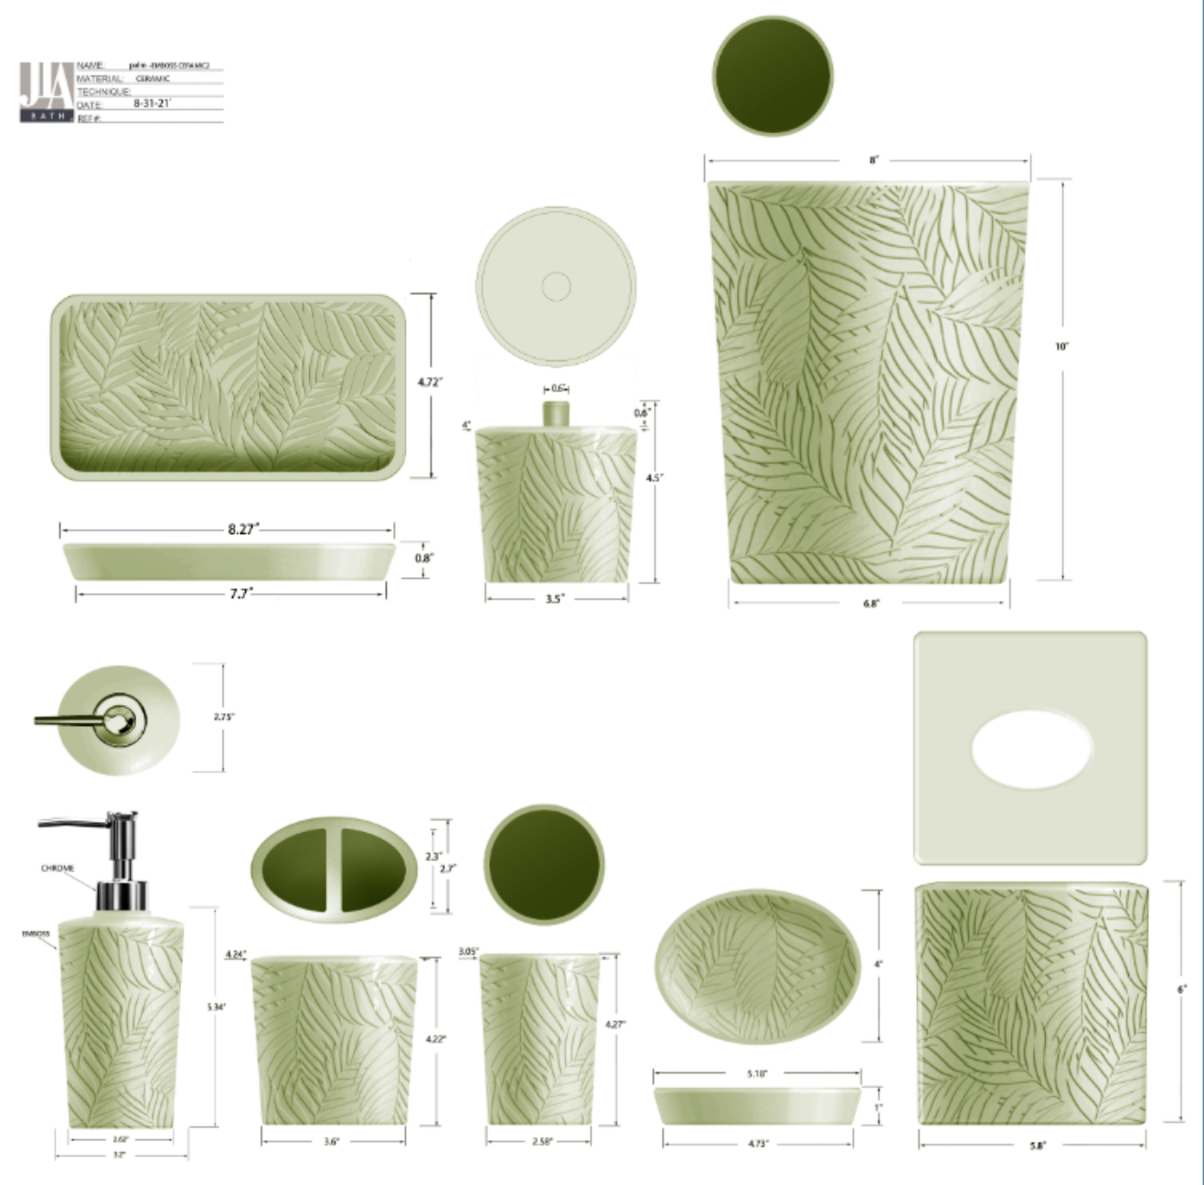 |  | JLA Brand |  | Bath Accessories | Palm | Ceramic Lotion Pump(w/stainless pump) | Lotion Pump(w/stainless pump) | ceramic | ceramic | 2.9x2.9x7.98" | Green |  | HG71-4892 |  | Piece | $2.30 | Normal | 2 pcs LP+1 pc TBH+1 pc TUM+1 pc SD+1 pc TY+1pc WB mix into one carton | 18.7 | 10.9 | 23.4 | 11.00 | 2 | 0.005 | 63.00 | 26417 | 2,250 | $0.09 | 8424.89.9000 | 31.8% | $0.73 | $3.12 | 0.00% | $0.00 | 0.00% | $0.00 | $0.00 | 0.00% | $0.00 | $0.00 | $3.12 | 36.40% | $4.90 | 1000 | $3,116.57 | $4,900.00 | $0.00 | #REF! |  |  | Yantian | China | S-CCYY
 |  |  | JLA Brand |  | Bath Accessories | Palm | Ceramic Toothbrush holder | Toothbrush holder | ceramic | ceramic | 4.3x2.65x4.32" | Green |  | HG71-4893 |  | Piece | $1.68 | Normal |  | 12.8 | 8.7 | 12.6 | 11.00 | 1 | 0.001 | 63.00 | 44899 | 2,250 | $0.05 | 6912.00.5000 | 36.0% | $0.60 | $2.33 | 0.00% | $0.00 | 0.00% | $0.00 | $0.00 | 0.00% | $0.00 | $0.00 | $2.33 | 33.29% | $3.50 | 500 | $1,167.46 | $1,750.00 | $0.00 | #REF! |  |  | Yantian | China | S-CCYY
 |  |  | JLA Brand |  | Bath Accessories | Palm | Ceramic Tumbler | Tumbler | ceramic | ceramic | 2.9x2.9x4.25" | Green |  | HG71-4894 |  | Piece | $1.55 | Normal |  | 9.9 | 9.9 | 12.0 | 11.00 | 1 | 0.001 | 63.00 | 53566 | 2,250 | $0.04 | 6912.00.5000 | 36.0% | $0.56 | $2.15 | 0.00% | $0.00 | 0.00% | $0.00 | $0.00 | 0.00% | $0.00 | $0.00 | $2.15 | 38.57% | $3.50 | 500 | $1,075.00 | $1,750.00 | $0.00 | #REF! |  |  | Yantian | China | S-CCYY
 |  |  | JLA Brand |  | Bath Accessories | Palm | Ceramic Soap dish | Soap dish | ceramic | ceramic | 5.4x3.9x1" | Green |  | HG71-4895 |  | Piece | $1.45 | Normal |  | 16.0 | 4.5 | 11.9 | 11.00 | 1 | 0.001 | 63.00 | 73529 | 2,250 | $0.03 | 6912.00.5000 | 36.0% | $0.52 | $2.00 | 0.00% | $0.00 | 0.00% | $0.00 | $0.00 | 0.00% | $0.00 | $0.00 | $2.00 | 32.12% | $2.95 | 500 | $1,001.30 | $1,475.00 | $0.00 | #REF! |  |  | Yantian | China | S-CCYY
 |  |  | JLA Brand |  | Bath Accessories | Palm | Ceramic Tray | Tray | ceramic | ceramic | 9.5x5.5x1" | Green |  | HG71-4896 |  | Piece | $2.65 | Normal |  | 26.1 | 4.5 | 16.0 | 11.00 | 1 | 0.002 | 63.00 | 33525 | 2,250 | $0.07 | 6912.00.5000 | 36.0% | $0.95 | $3.67 | 0.00% | $0.00 | 0.00% | $0.00 | $0.00 | 0.00% | $0.00 | $0.00 | $3.67 | 25.84% | $4.95 | 500 | $1,835.56 | $2,475.00 | $0.00 | #REF! |  |  | Yantian | China | S-CCYY
 |  |  | JLA Brand |  | Bath Accessories | Palm | Ceramic Wastebasket | Wastebasket | ceramic | ceramic | 8x8x10" | Green |  | HG71-4897 |  | Piece | $8.52 | Normal |  | 26.3 | 26.3 | 31.0 | 11.00 | 1 | 0.021 | 63.00 | 2938 | 2,250 | $0.77 | 6912.00.5000 | 36.0% | $3.07 | $12.35 | 0.00% | $0.00 | 0.00% |  | $0.00 | 0.00% |  |  |  |  | $15.50 | 500 |  | $7,750.00 | $0.00 | #REF! |  |  | Yantian | China | S-CCYY
 | 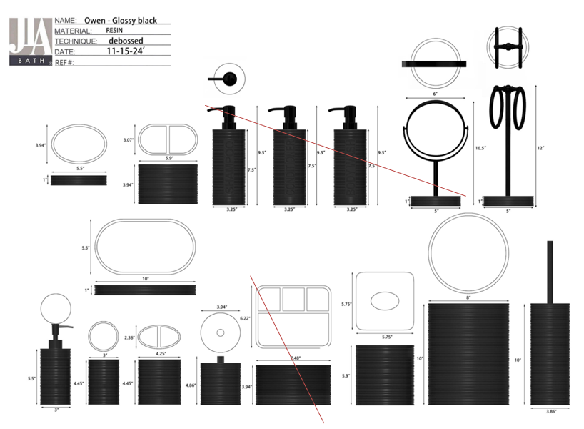 |  | JLA Brand |  | Bath Accessories | Owen | Resin Lotion Pump(w/stainless steel glossy black pump) | Lotion Pump(w/stainless steel glossy black pump) | Resin paint /glossy black+debossed | Resin paint /glossy black+debossed | 3x3x7.9" | Glossy Black |  | HG71-4898 |  | Piece | $2.50 | Normal | 2 pcs LP+1 pc TBH+1 pc TUM+1 pc SD+1pc CJ+1pc Tray +1pc 2org+ 1pc TC+1pc WB+1pc BB+1pc Towel Bar 12pcs混装入外箱 | 17.50 | 9.00 | 21.00 | 11.00 | 2 | 0.003 | 63.00 | 38095 | 2,250 | $0.06 | 8424.89.9000 | 31.8% | $0.80 | $3.35 | 0.00% | $0.00 | 0.00% | $0.00 | $0.00 | 0.00% | $0.00 | $0.00 | $3.35 | 32.24% | $4.95 | 1000 | $3,354.06 | $4,950.00 | $0.00 | #REF! |  |  | Yantian,China | China | S-DGJH
 |  |  | JLA Brand |  | Bath Accessories | Owen | Resin Toothbrush holder | Toothbrush holder | Resin paint /glossy black+debossed | Resin paint /glossy black+debossed | 4.25x2.36x4.45" | Glossy Black |  | HG71-4899 |  | Piece | $1.55 | Normal |  | 12.50 | 7.50 | 13.00 | 11.00 | 1 | 0.001 | 63.00 | 51692 | 2,250 |  | 3924.10.4000 | 33.4% | $0.52 | $2.07 | 0.00% | $0.00 | 0.00% | $0.00 | $0.00 | 0.00% | $0.00 | $0.00 | $2.07 | 31.08% | $3.00 | 500 | $1,033.85 | $1,500.00 | $0.00 | #REF! |  |  | Yantian,China | China | S-DGJH
 |  |  | JLA Brand |  | Bath Accessories | Owen | Resin Tumbler | Tumbler | Resin paint /glossy black+debossed | Resin paint /glossy black+debossed | 3x3x4.45" | Glossy Black |  | HG71-4900 |  | Piece | $1.45 | Normal |  | 9.00 | 9.00 | 13.00 | 11.00 | 1 | 0.001 | 63.00 | 59829 | 2,250 |  | 3924.10.4000 | 33.4% | $0.48 | $1.93 | 0.00% | $0.00 | 0.00% | $0.00 | $0.00 | 0.00% | $0.00 | $0.00 | $1.93 | 35.52% | $3.00 | 500 | $967.15 | $1,500.00 | $0.00 | #REF! |  |  | Yantian,China | China | S-DGJH
 |  |  | JLA Brand |  | Bath Accessories | Owen | Resin Soap dish | Soap dish | Resin paint /glossy black+debossed | Resin paint /glossy black+debossed | 5.5x3.94x1" | Glossy Black |  | HG71-4901 |  | Piece | $1.45 | Normal |  | 15.50 | 4.00 | 11.50 | 11.00 | 1 | 0.001 | 63.00 | 88359 | 2,250 |  | 3924.10.4000 | 33.4% | $0.48 | $1.93 | 0.00% | $0.00 | 0.00% | $0.00 | $0.00 | 0.00% | $0.00 | $0.00 | $1.93 | 35.52% | $3.00 | 500 | $967.15 | $1,500.00 | $0.00 | #REF! |  |  | Yantian,China | China | S-DGJH
 |  |  | JLA Brand |  | Bath Accessories | Owen | Resin Cotton jar | Cotton jar | Resin paint /glossy black+debossed | Resin paint /glossy black+debossed | 3.94x3.94x4.86" | Glossy Black |  | HG71-4902 |  | Piece | $2.15 | Normal |  | 11.5 | 11.5 | 13.5 | 11.00 | 1 | 0.002 | 63.00 | 35287 | 2,250 |  | 3924.10.4000 | 33.4% | $0.72 | $2.87 | 0.00% | $0.00 | 0.00% | $0.00 | $0.00 | 0.00% | $0.00 | $0.00 | $2.87 | 34.07% | $4.35 | 500 | $1,434.05 | $2,175.00 | $0.00 | #REF! |  |  | Yantian,China | China | S-DGJH
 |  |  | JLA Brand |  | Bath Accessories | Owen | Resin Tray | Tray | Resin paint /glossy black+debossed | Resin paint /glossy black+debossed | 10x5.5x1" | Glossy Black |  | HG71-4903 |  | Piece | $3.20 | Normal |  | 27.50 | 4.50 | 15.50 | 11.00 | 1 | 0.002 | 63.00 | 32845 | 2,250 | $0.07 | 3924.10.4000 | 33.4% | $1.07 | $4.34 | 0.00% | $0.00 | 0.00% | $0.00 | $0.00 | 0.00% | $0.00 | $0.00 | $4.34 | 32.60% | $6.44 | 500 | $2,168.65 | $3,217.50 | $0.00 | #REF! |  |  | Yantian,China | China | S-DGJH
 |  |  | JLA Brand |  | Bath Accessories | Owen | Resin 2 Hole Organizer | 2 Hole Organizer | Resin paint /glossy black+debossed | Resin paint /glossy black+debossed | 5.9x3.07x3.94" | Glossy Black |  | HG71-4904 |  | Piece | $2.90 | Normal |  | 16.0 | 9.0 | 11.5 | 11.00 | 1 | 0.002 | 63.00 | 38043 | 2,250 | $0.06 | 3924.10.4000 | 33.4% | $0.97 | $3.93 | 0.00% | $0.00 | 0.00% | $0.00 | $0.00 | 0.00% | $0.00 | $0.00 | $3.93 | 26.58% | $5.35 | 500 | $1,963.87 | $2,675.00 | $0.00 | #REF! |  |  | Yantian,China | China | S-DGJH
 |  |  | JLA Brand |  | Bath Accessories | Owen | Resin Tissue cover | Tissue cover | Resin paint /glossy black+debossed | Resin paint /glossy black+debossed | 5.75x5.75x5.9" | Glossy Black |  | HG71-4905 |  | Piece | $4.20 | Normal |  | 17.0 | 17.0 | 16.5 | 11.00 | 1 | 0.005 | 63.00 | 13212 | 2,250 | $0.17 | 3924.10.4000 | 33.4% | $1.40 | $5.77 | 0.00% | $0.00 | 0.00% | $0.00 | $0.00 | 0.00% | $0.00 | $0.00 | $5.77 | 25.51% | $7.75 | 500 | $2,886.55 | $3,875.00 | $0.00 | #REF! |  |  | Yantian,China | China | S-DGJH
 |  |  | JLA Brand |  | Bath Accessories | Owen | Resin Wastebasket | Wastebasket | Resin paint /glossy black+debossed | Resin paint /glossy black+debossed | 8x8x10" | Glossy Black |  | HG71-4906 |  | Piece | $6.80 | Normal |  | 21.5 | 21.5 | 27.0 | 11.00 | 1 | 0.012 | 63.00 | 5048 | 2,250 | $0.45 | 3924.10.4000 | 33.4% | $2.27 | $9.52 | 0.00% | $0.00 | 0.00% | $0.00 | $0.00 | 0.00% | $0.00 | $0.00 | $9.52 | 29.50% | $13.50 | 500 | $4,758.47 | $6,750.00 | $0.00 | #REF! |  |  | Yantian,China | China | S-DGJH
 | 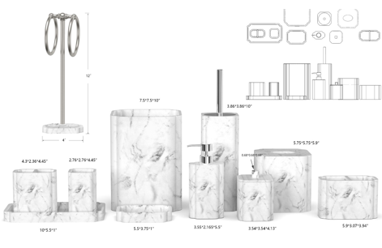 |  | JLA Brand |  | Bath Accessories | Towson | Resin Lotion Pump(w/chrome stainless steel pump ) | Resin Lotion Pump(w/chrome stainless steel pump ) | sand | sand | 3.55x3.55x7.63" | Marble |  | HG71-4907 |  | Piece | $2.22 | Normal | 2 pcs LP+1 pcs TBH+1 pc TUM+1 pc SD+1pc CJ+1pc Tray+1pc TC+1pc WB+1pc Towel+1pc BBH+1pc 2ORG+1pc woilet,混装入外箱 | 20.00 | 10.00 | 21.50 | 11.00 | 2 | 0.004 | 63.00 | 29302 | 2,250 | $0.08 | 8424.89.9000 | 31.8% | $0.71 | $3.00 | 0.00% | $0.00 | 0.00% | $0.00 | $0.00 | 0.00% | $0.00 | $0.00 | $3.00 | 36.78% | $4.75 | 1000 | $3,002.75 | $4,750.00 | $0.00 | #REF! |  |  | Yantian,China | China | S-DGDH
 |  |  | JLA Brand |  | Bath Accessories | Towson | Resin Toothbrush holder | Resin Toothbrush holder | sand | sand | 4.3x2.36x4.45" | Marble |  | HG71-4908 |  | Piece | $1.40 | Normal |  | 12.0 | 7.0 | 13.5 | 11.00 | 1 | 0.001 | 63.00 | 55556 | 2,250 |  | 3924.10.4000 | 33.4% | $0.47 | $1.87 | 0.00% | $0.00 | 0.00% | $0.00 | $0.00 | 0.00% | $0.00 | $0.00 | $1.87 | 30.83% | $2.70 | 500 | $933.80 | $1,350.00 | $0.00 | #REF! |  |  | Yantian,China | China | S-DGDH
 |  |  | JLA Brand |  | Bath Accessories | Towson | Resin Tumbler | Resin Tumbler | sand | sand | 2.76x2.76x4.45" | Marble |  | HG71-4909 |  | Piece | $1.35 | Normal |  | 8.0 | 8.0 | 13.5 | 11.00 | 1 | 0.001 | 63.00 | 72917 | 2,250 |  | 3924.10.4000 | 33.4% | $0.45 | $1.80 | 0.00% | $0.00 | 0.00% | $0.00 | $0.00 | 0.00% | $0.00 | $0.00 | $1.80 | 33.30% | $2.70 | 500 | $900.45 | $1,350.00 | $0.00 | #REF! |  |  | Yantian,China | China | S-DGDH
 |  |  | JLA Brand |  | Bath Accessories | Towson | Resin Cotton jar | Resin Cotton jar | sand | sand | 3.54x3.54x4.13" | Marble |  | HG71-4910 |  | Piece | $2.25 | Normal |  | 10.0 | 10.0 | 12.5 | 11.00 | 1 | 0.001 | 63.00 | 50400 | 2,250 |  | 3924.10.4000 | 33.4% | $0.75 | $3.00 | 0.00% | $0.00 | 0.00% | $0.00 | $0.00 | 0.00% | $0.00 | $0.00 | $3.00 | 31.00% | $4.35 | 500 | $1,500.75 | $2,175.00 | $0.00 | #REF! |  |  | Yantian,China | China | S-DGDH
 |  |  | JLA Brand |  | Bath Accessories | Towson | Resin Soap dish | Resin Soap dish | sand | sand | 5.5x3.75x1" | Marble |  | HG71-4911 |  | Piece | $1.35 | Normal |  | 10.5 | 3.5 | 16.0 | 11.00 | 1 | 0.001 | 63.00 | 107143 | 2,250 |  | 3924.10.4000 | 33.4% | $0.45 | $1.80 | 0.00% | $0.00 | 0.00% | $0.00 | $0.00 | 0.00% | $0.00 | $0.00 | $1.80 | 33.30% | $2.70 | 500 | $900.45 | $1,350.00 | $0.00 | #REF! |  |  | Yantian,China | China | S-DGDH
 |  |  | JLA Brand |  | Bath Accessories | Towson | Resin Tray | Resin Tray | sand | sand | 10x5.5x1" | Marble |  | HG71-4912 |  | Piece | $2.60 | Normal |  | 15.0 | 3.5 | 27.5 | 11.00 | 1 | 0.001 | 63.00 | 43636 | 2,250 | $0.05 | 3924.10.4000 | 33.4% | $0.87 | $3.52 | 0.00% | $0.00 | 0.00% | $0.00 | $0.00 | 0.00% | $0.00 | $0.00 | $3.52 | 28.89% | $4.95 | 1000 | $3,519.96 | $4,950.00 | $0.00 | #REF! |  |  | Yantian,China | China | S-DGDH
 |  |  | JLA Brand |  | Bath Accessories | Towson | Resin 2 hole organizer | Resin 2 hole organizer | sand | sand | 5.9x3.07x3.94" | Marble |  | HG71-4913 |  | Piece | $2.25 | Normal |  | 16.0 | 9.0 | 12.0 | 11.00 | 1 | 0.002 | 63.00 | 36458 | 2,250 | $0.06 | 3924.10.4000 | 33.4% | $0.75 | $3.06 | 0.00% | $0.00 | 0.00% | $0.00 | $0.00 | 0.00% | $0.00 | $0.00 | $3.06 | 29.58% | $4.35 | 500 | $1,531.61 | $2,175.00 | $0.00 | #REF! |  |  | Yantian,China | China | S-DGDH
 |  |  | JLA Brand |  | Bath Accessories | Towson | Resin Toilet Brush | Resin Toilet Brush | sand | sand | 3.86x3.86x10" | Marble |  | HG71-4914 |  | Piece | $3.82 | Normal |  | 11.00 | 11.00 | 40.50 | 11.00 | 1 | 0.005 | 63.00 | 12856 | 2,250 | $0.18 | 3924.10.4000 | 33.4% | $1.28 | $5.27 | 0.00% | $0.00 | 0.00% | $0.00 | $0.00 | 0.00% | $0.00 | $0.00 | $5.27 | 28.29% | $7.35 | 500 | $2,635.45 | $3,675.00 | $0.00 | #REF! |  |  | Yantian,China | China | S-DGDH
 |  |  | JLA Brand |  | Bath Accessories | Towson | Resin Towel Holder | Resin Towel Holder | sand | sand | 4x4x12" | Marble |  | HG71-4915 |  | Piece | $4.00 | Normal |  | 11.00 | 11.00 | 32.50 | 11.00 | 1 | 0.004 | 63.00 | 16020 | 2,250 | $0.14 | 3924.10.4000 | 33.4% | $1.34 | $5.48 | 0.00% | $0.00 | 0.00% | $0.00 | $0.00 | 0.00% | $0.00 | $0.00 | $5.48 | 25.49% | $7.35 | 500 | $2,738.22 | $3,675.00 | $0.00 | #REF! |  |  | Yantian,China | China | S-DGDH
 |  |  | JLA Brand |  | Bath Accessories | Towson | Resin Tissue cover | Resin Tissue cover | sand | sand | 5.75x5.75x5.9" | Marble |  | HG71-4916 |  | Piece | $3.92 | Normal |  | 15.50 | 15.50 | 17.00 | 11.00 | 1 | 0.004 | 63.00 | 15425 | 2,250 | $0.15 | 3924.10.4000 | 33.4% | $1.31 | $5.38 | 0.00% | $0.00 | 0.00% | $0.00 | $0.00 | 0.00% | $0.00 | $0.00 | $5.38 | 26.87% | $7.35 | 500 | $2,687.57 | $3,675.00 | $0.00 | #REF! |  |  | Yantian,China | China | S-DGDH
 |  |  | JLA Brand |  | Bath Accessories | Towson | Resin Wastebasket | Resin Wastebasket | sand | sand | 7.5x7.5x10" | Marble |  | HG71-4917 |  | Piece | $6.35 | Normal |  | 20.00 | 20.00 | 27.50 | 11.00 | 1 | 0.011 | 63.00 | 5727 | 2,250 | $0.39 | 3924.10.4000 | 33.4% | $2.12 | $8.86 | 0.00% | $0.00 | 0.00% | $0.00 | $0.00 | 0.00% | $0.00 | $0.00 | $8.86 | 34.34% | $13.50 | 500 | $4,431.88 | $6,750.00 | $0.00 | #REF! |  |  | Yantian,China | China | S-DGDH
 | 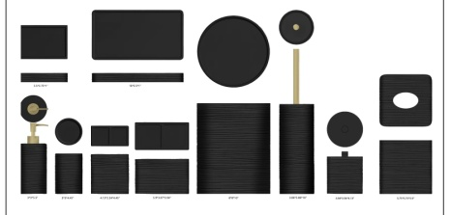 |  | Natori | N Natori 5% | Bath Accessories | Silay | Resin Lotion Pump(w/stainless steel gold pump) | Lotion Pump(w/stainless steel gold pump) | Resin embossed | Resin embossed | 3x3x7.7" | Black |  | NN71-0294 |  | Piece | $2.30 | Normal | 2 pcs LP+1 pc TBH+1 pc TUM+1 pc SD+1pc CJ+1pc Tray+1 pc 2 ORG +1pc TC+1pc WB+1pc BB 11pcs混装入外箱 | 24.0 | 21.0 | 13.0 | 11.00 | 2 | 0.007 | 63.00 | 19231 | 2,250 | $0.12 | 8424.89.9000 | 31.8% | $0.73 | $3.15 | 0.00% | $0.00 | 5.00% | $0.26 | $0.00 | 0.00% | $0.00 | $0.26 | $3.41 | 33.87% | $5.15 | 1000 | $3,405.90 | $5,150.00 | $0.00 | #REF! |  |  | Yantian,China | China | S-DGJY
 |  |  | Natori | N Natori 5% | Bath Accessories | Silay | Resin Toothbrush holder | Toothbrush holder | Resin embossed | Resin embossed | 4.13x2.24x4.45" | Black |  | NN71-0295 |  | Piece | $1.45 | Normal |  | 15.0 | 15.0 | 11.5 | 11.00 | 1 | 0.003 | 63.00 | 24348 | 2,250 |  | 3924.10.4000 | 33.4% | $0.48 | $1.93 | 0.00% | $0.00 | 5.00% | $0.15 | $0.00 | 0.00% | $0.00 | $0.15 | $2.08 | 28.30% | $2.90 | 500 | $1,039.65 | $1,450.00 | $0.00 | #REF! |  |  | Yantian,China | China | S-DGJY
 |  |  | Natori | N Natori 5% | Bath Accessories | Silay | Resin Tumbler | Tumbler | Resin embossed | Resin embossed | 3x3x4.45" | Black |  | NN71-0296 |  | Piece | $1.32 | Normal |  | 15.5 | 13.5 | 12.0 | 11.00 | 1 | 0.003 | 63.00 | 25090 | 2,250 |  | 3924.10.4000 | 33.4% | $0.44 | $1.76 | 0.00% | $0.00 | 5.00% | $0.15 | $0.00 | 0.00% | $0.00 | $0.15 | $1.91 | 34.28% | $2.90 | 500 | $952.94 | $1,450.00 | $0.00 | #REF! |  |  | Yantian,China | China | S-DGJY
 |  |  | Natori | N Natori 5% | Bath Accessories | Silay | Resin Soap dish | Soap dish | Resin embossed | Resin embossed | 5.5x3.75x1" | Black |  | NN71-0297 |  | Piece | $1.32 | Normal |  | 19.0 | 17.0 | 8.0 | 11.00 | 1 | 0.003 | 63.00 | 24381 | 2,250 |  | 3924.10.4000 | 33.4% | $0.44 | $1.76 | 0.00% | $0.00 | 5.00% | $0.15 | $0.00 | 0.00% | $0.00 | $0.15 | $1.91 | 34.28% | $2.90 | 500 | $952.94 | $1,450.00 | $0.00 | #REF! |  |  | Yantian,China | China | S-DGJY
 |  |  | Natori | N Natori 5% | Bath Accessories | Silay | Resin Tray | Tray | Resin embossed | Resin embossed | 10x5.5x1" | Black |  | NN71-0298 |  | Piece | $2.45 | Normal |  | 21.0 | 16.0 | 5.0 | 11.00 | 1 | 0.002 | 63.00 | 37500 | 2,250 | $0.06 | 3924.10.4000 | 33.4% | $0.82 | $3.33 | 0.00% | $0.00 | 5.00% | $0.25 | $0.00 | 0.00% | $0.00 | $0.25 | $3.57 | 27.08% | $4.90 | 500 | $1,786.65 | $2,450.00 | $0.00 | #REF! |  |  | Yantian,China | China | S-DGJY
 |  |  | Natori | N Natori 5% | Bath Accessories | Silay | Resin 2 Hole Organizer | 2 Hole Organizer | Resin embossed | Resin embossed | 5.9x3.07x3.94" | Black |  | NN71-0299 |  | Piece | $2.12 | Normal |  | 16.0 | 9.0 | 12.0 | 11.00 | 1 | 0.002 | 63.00 | 36458 | 2,250 | $0.06 | 3924.10.4000 | 33.4% | $0.71 | $2.89 | 0.00% | $0.00 | 5.00% | $0.25 | $0.00 | 0.00% | $0.00 | $0.25 | $3.13 | 36.02% | $4.90 | 500 | $1,567.40 | $2,450.00 | $0.00 | #REF! |  |  | Yantian,China | China | S-DGJY
 |  |  | Natori | N Natori 5% | Bath Accessories | Silay | Resin Cotton Jar | Cotton Jar | Resin embossed | Resin embossed | 3.94x3.94x4.13" | Black |  | NN71-0300 |  | Piece | $2.05 | Normal |  | 11.0 | 11.0 | 13.0 | 11.00 | 1 | 0.002 | 63.00 | 40051 | 2,250 | $0.06 | 3924.10.4000 | 33.4% | $0.68 | $2.79 | 0.00% | $0.00 | 5.00% | $0.23 | $0.00 | 0.00% | $0.00 | $0.23 | $3.02 | 33.66% | $4.55 | 500 | $1,509.19 | $2,275.00 | $0.00 | #REF! |  |  | Yantian,China | China | S-DGJY
 |  |  | Natori | N Natori 5% | Bath Accessories | Silay | Resin Toilet brush holder | Toilet brush holder | Resin embossed | Resin embossed | 3.86x3.86x10" | Black |  | NN71-0301 |  | Piece | $3.60 | Normal |  | 21.0 | 16.0 | 15.5 | 11.00 | 1 | 0.005 | 63.00 | 12097 | 2,250 | $0.19 | 3924.10.4000 | 33.4% | $1.20 | $4.99 | 0.00% | $0.00 | 5.00% | $0.40 | $0.00 | 0.00% | $0.00 | $0.40 | $5.38 | 31.86% | $7.90 | 500 | $2,691.70 | $3,950.00 | $0.00 | #REF! |  |  | Yantian,China | China | S-DGJY
 |  |  | Natori | N Natori 5% | Bath Accessories | Silay | Resin Tissue cover | Tissue cover | Resin embossed | Resin embossed | 5.75x5.75x5.9" | Black |  | NN71-0302 |  | Piece | $3.86 | Normal |  | 20.0 | 20.0 | 20.5 | 11.00 | 1 | 0.008 | 63.00 | 7683 | 2,250 | $0.29 | 3924.10.4000 | 33.4% | $1.29 | $5.44 | 0.00% | $0.00 | 5.00% | $0.40 | $0.00 | 0.00% | $0.00 | $0.40 | $5.84 | 26.11% | $7.90 | 500 | $2,918.55 | $3,950.00 | $0.00 | #REF! |  |  | Yantian,China | China | S-DGJY
 |  |  | Natori | N Natori 5% | Bath Accessories | Silay | Resin Wastebasket | Wastebasket | Resin embossed | Resin embossed | 8x8x10" | Black |  | NN71-0303 |  | Piece | $6.19 | Normal |  | 32.0 | 26.0 | 26.5 | 11.00 | 1 | 0.022 | 63.00 | 2857 | 2,250 | $0.79 | 3924.10.4000 | 33.4% | $2.07 | $9.04 | 0.00% | $0.00 | 5.00% | $0.70 | $0.00 | 0.00% | $0.00 | $0.70 | $9.74 | 30.16% | $13.95 | 500 | $4,871.19 | $6,975.00 | $0.00 | #REF! |  |  | Yantian,China | China | S-DGJY
 | 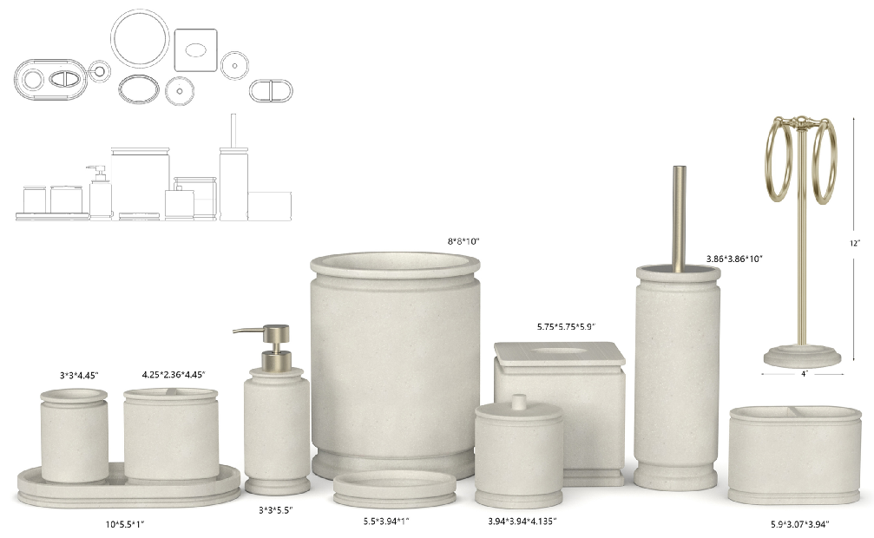 |  | JLA Brand |  | Bath Accessories | Blakelyn | Resin Lotion Pump(w/stainless steel nickel pump) | Lotion Pump(w/stainless steel nickel pump) | Natural resin sand/matte | Natural resin sand/matte | 3x3x7.5" | Natural |  | HG71-4918 |  | Piece | $2.45 | Normal | 2 pcs LP+1 pc TBH+1 pc TUM+1 pc SD+1pc CJ+1pc Tray +1pc 2org+ 1pc TC+1pc WB+1pc BB+1pc Towel Bar 12pcs混装入外箱 | 17.50 | 9.00 | 20.00 | 11.00 | 2 | 0.003 | 63.00 | 40000 | 2,250 | $0.06 | 8424.89.9000 | 31.8% | $0.78 | $3.29 | 0.00% | $0.00 | 0.00% | $0.00 | $0.00 | 0.00% | $0.00 | $0.00 | $3.29 | 33.63% | $4.95 | 1000 | $3,285.35 | $4,950.00 | $0.00 | #REF! |  |  | Yantian,China | China | S-DGJH
 |  |  | JLA Brand |  | Bath Accessories | Blakelyn | Resin Toothbrush holder | Toothbrush holder | Natural resin sand/matte | Natural resin sand/matte | 4.25x2.36x4.45" | Natural |  | HG71-4919 |  | Piece | $1.50 | Normal |  | 12.50 | 7.50 | 13.00 | 11.00 | 1 | 0.001 | 63.00 | 51692 | 2,250 |  | 3924.10.4000 | 33.4% | $0.50 | $2.00 | 0.00% | $0.00 | 0.00% | $0.00 | $0.00 | 0.00% | $0.00 | $0.00 | $2.00 | 32.17% | $2.95 | 500 | $1,000.50 | $1,475.00 | $0.00 | #REF! |  |  | Yantian,China | China | S-DGJH
 |  |  | JLA Brand |  | Bath Accessories | Blakelyn | Resin Tumbler | Tumbler | Natural resin sand/matte | Natural resin sand/matte | 3x3x4.45" | Natural |  | HG71-4920 |  | Piece | $1.40 | Normal |  | 9.00 | 9.00 | 13.00 | 11.00 | 1 | 0.001 | 63.00 | 59829 | 2,250 |  | 3924.10.4000 | 33.4% | $0.47 | $1.87 | 0.00% | $0.00 | 0.00% | $0.00 | $0.00 | 0.00% | $0.00 | $0.00 | $1.87 | 36.69% | $2.95 | 500 | $933.80 | $1,475.00 | $0.00 | #REF! |  |  | Yantian,China | China | S-DGJH
 |  |  | JLA Brand |  | Bath Accessories | Blakelyn | Resin Soap dish | Soap dish | Natural resin sand/matte | Natural resin sand/matte | 5.5x3.94x1" | Natural |  | HG71-4921 |  | Piece | $1.40 | Normal |  | 15.50 | 4.00 | 11.50 | 11.00 | 1 | 0.001 | 63.00 | 88359 | 2,250 |  | 3924.10.4000 | 33.4% | $0.47 | $1.87 | 0.00% | $0.00 | 0.00% | $0.00 | $0.00 | 0.00% | $0.00 | $0.00 | $1.87 | 36.69% | $2.95 | 500 | $933.80 | $1,475.00 | $0.00 | #REF! |  |  | Yantian,China | China | S-DGJH
 |  |  | JLA Brand |  | Bath Accessories | Blakelyn | Resin Cotton jar | Cotton jar | Natural resin sand/matte | Natural resin sand/matte | 3.94x3.94x4.72" | Natural |  | HG71-4922 |  | Piece | $2.05 | Normal |  | 11.5 | 11.5 | 13.5 | 11.00 | 1 | 0.002 | 63.00 | 35287 | 2,250 |  | 3924.10.4000 | 33.4% | $0.68 | $2.73 | 0.00% | $0.00 | 0.00% | $0.00 | $0.00 | 0.00% | $0.00 | $0.00 | $2.73 | 34.10% | $4.15 | 500 | $1,367.35 | $2,075.00 | $0.00 | #REF! |  |  | Yantian,China | China | S-DGJH
 |  |  | JLA Brand |  | Bath Accessories | Blakelyn | Resin Tray | Tray | Natural resin sand/matte | Natural resin sand/matte | 10x5.5x1" | Natural |  | HG71-4923 |  | Piece | $2.75 | Normal |  | 27.50 | 4.50 | 15.50 | 11.00 | 1 | 0.002 | 63.00 | 32845 | 2,250 | $0.07 | 3924.10.4000 | 33.4% | $0.92 | $3.74 | 0.00% | $0.00 | 0.00% | $0.00 | $0.00 | 0.00% | $0.00 | $0.00 | $3.74 | 27.44% | $5.15 | 1000 | $3,737.00 | $5,150.00 | $0.00 | #REF! |  |  | Yantian,China | China | S-DGJH
 |  |  | JLA Brand |  | Bath Accessories | Blakelyn | Resin 2 Hole Organizer | 2 Hole Organizer | Natural resin sand/matte | Natural resin sand/matte | 5.9x3.07x3.94" | Natural |  | HG71-4924 |  | Piece | $2.60 | Normal |  | 16.0 | 9.0 | 11.5 | 11.00 | 1 | 0.002 | 63.00 | 38043 | 2,250 | $0.06 | 3924.10.4000 | 33.4% | $0.87 | $3.53 | 0.00% | $0.00 | 0.00% | $0.00 | $0.00 | 0.00% | $0.00 | $0.00 | $3.53 | 28.74% | $4.95 | 500 | $1,763.77 | $2,475.00 | $0.00 | #REF! |  |  | Yantian,China | China | S-DGJH
 |  |  | JLA Brand |  | Bath Accessories | Blakelyn | Resin Wastebasket | Wastebasket | Natural resin sand/matte | Natural resin sand/matte | 8x8x10" | Natural |  | HG71-4925 |  | Piece | $6.45 | Normal |  | 21.5 | 21.5 | 27.0 | 11.00 | 1 | 0.012 | 63.00 | 5048 | 2,250 | $0.45 | 3924.10.4000 | 33.4% | $2.15 | $9.05 | 0.00% | $0.00 | 0.00% | $0.00 | $0.00 | 0.00% | $0.00 | $0.00 | $9.05 | 32.96% | $13.50 | 500 | $4,525.02 | $6,750.00 | $0.00 | #REF! |  |  | Yantian,China | China | S-DGJH
 |  |  | JLA Brand |  | Bath Accessories | Blakelyn | Resin Toilet Brush | Toilet Brush | Natural resin sand/matte | Natural resin sand/matte | 3.86x3.86x14.7" | Natural |  | HG71-4926 |  | Piece | $3.85 | Normal |  | 12.5 | 12.5 | 38.5 | 11.00 | 1 | 0.006 | 63.00 | 10473 | 2,250 | $0.21 | 3924.10.4000 | 33.4% | $1.29 | $5.35 | 0.00% | $0.00 | 0.00% | $0.00 | $0.00 | 0.00% | $0.00 | $0.00 | $5.35 | 28.66% | $7.50 | 500 | $2,675.37 | $3,750.00 | $0.00 | #REF! |  |  | Yantian,China | China | S-DGJH
 |  |  | JLA Brand |  | Bath Accessories | Blakelyn | Resin Towel bar(w/iron) | Towel bar(w/iron) | Natural resin sand/matte | Natural resin sand/matte | 4x4x12" | Natural |  | HG71-4927 |  | Piece | $4.10 | Normal |  | 14.0 | 14.0 | 31.5 | 11.00 | 1 | 0.006 | 63.00 | 10204 | 2,250 | $0.22 | 3924.10.4000 | 33.4% | $1.37 | $5.69 | 0.00% | $0.00 | 0.00% | $0.00 | $0.00 | 0.00% | $0.00 | $0.00 | $5.69 | 28.43% | $7.95 | 500 | $2,844.95 | $3,975.00 | $0.00 | #REF! |  |  | Yantian,China | China | S-DGJH
 | 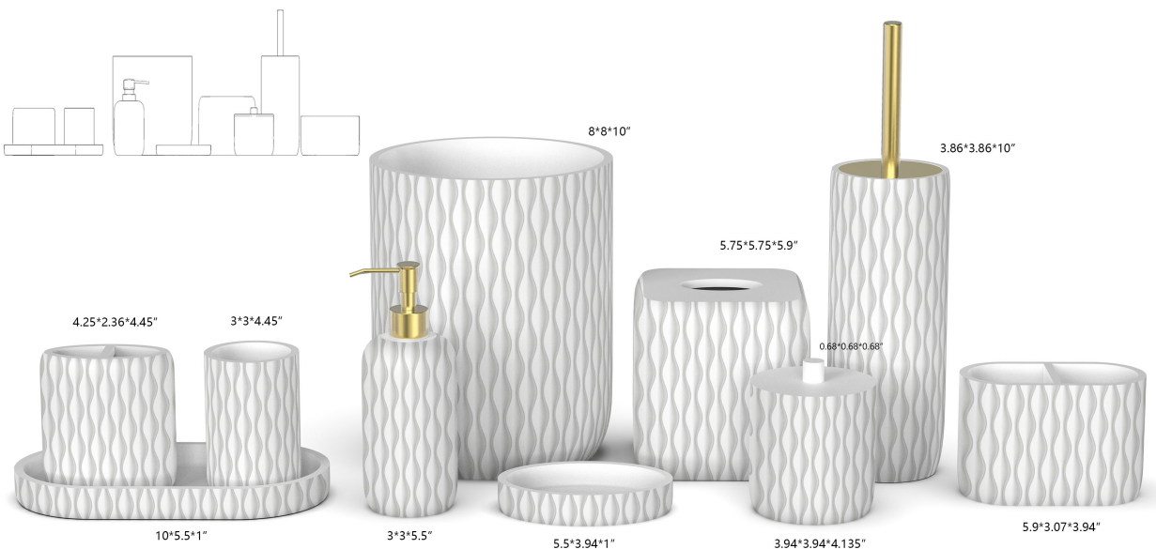 |  | Natori | N Natori 5% | Bath Accessories | Amara | Resin Lotion Pump(w/stainless steel golden pump) | Lotion Pump(w/stainless steel golden pump) | Resin paint /matte white+debossed | Resin paint /matte white+debossed | 3x3x7.9" | White |  | NN71-0304 |  | Piece | $2.45 | Normal | 2 pcs LP+1 pc TBH+1 pc TUM+1 pc SD+1pc CJ+1pc Tray +1pc 2org+ 1pc TC+1pc WB+1pc BB 11pcs混装入外箱 | 17.50 | 9.00 | 21.00 | 11.00 | 2 | 0.003 | 63.00 | 38095 | 2,250 | $0.06 | 8424.89.9000 | 31.8% | $0.78 | $3.29 | 0.00% | $0.00 | 5.00% | $0.26 | $0.00 | 0.00% | $0.00 | $0.26 | $3.55 | 31.77% | $5.20 | 1000 | $3,548.16 | $5,200.00 | $0.00 | #REF! |  |  | Yantian,China | China | S-DGJH
 |  |  | Natori | N Natori 5% | Bath Accessories | Amara | Resin Toothbrush holder | Toothbrush holder | Resin paint /matte white+debossed | Resin paint /matte white+debossed | 4.25x2.36x4.45" | White |  | NN71-0305 |  | Piece | $1.50 | Normal |  | 12.50 | 7.50 | 13.00 | 11.00 | 1 | 0.001 | 63.00 | 51692 | 2,250 |  | 3924.10.4000 | 33.4% | $0.50 | $2.00 | 0.00% | $0.00 | 5.00% | $0.16 | $0.00 | 0.00% | $0.00 | $0.16 | $2.16 | 30.45% | $3.10 | 500 | $1,078.00 | $1,550.00 | $0.00 | #REF! |  |  | Yantian,China | China | S-DGJH
 |  |  | Natori | N Natori 5% | Bath Accessories | Amara | Resin Tumbler | Tumbler | Resin paint /matte white+debossed | Resin paint /matte white+debossed | 3x3x4.45" | White |  | NN71-0306 |  | Piece | $1.40 | Normal |  | 9.00 | 9.00 | 13.00 | 11.00 | 1 | 0.001 | 63.00 | 59829 | 2,250 |  | 3924.10.4000 | 33.4% | $0.47 | $1.87 | 0.00% | $0.00 | 5.00% | $0.16 | $0.00 | 0.00% | $0.00 | $0.16 | $2.02 | 34.75% | $3.10 | 500 | $1,011.30 | $1,550.00 | $0.00 | #REF! |  |  | Yantian,China | China | S-DGJH
 |  |  | Natori | N Natori 5% | Bath Accessories | Amara | Resin Soap dish | Soap dish | Resin paint /matte white+debossed | Resin paint /matte white+debossed | 5.5x3.94x1" | White |  | NN71-0307 |  | Piece | $1.40 | Normal |  | 15.50 | 4.00 | 11.50 | 11.00 | 1 | 0.001 | 63.00 | 88359 | 2,250 |  | 3924.10.4000 | 33.4% | $0.47 | $1.87 | 0.00% | $0.00 | 5.00% | $0.16 | $0.00 | 0.00% | $0.00 | $0.16 | $2.02 | 34.75% | $3.10 | 500 | $1,011.30 | $1,550.00 | $0.00 | #REF! |  |  | Yantian,China | China | S-DGJH
 |  |  | Natori | N Natori 5% | Bath Accessories | Amara | Resin Cotton jar | Cotton jar | Resin paint /matte white+debossed | Resin paint /matte white+debossed | 3.94x3.94x4.72" | White |  | NN71-0308 |  | Piece | $2.10 | Normal |  | 11.5 | 11.5 | 13.5 | 11.00 | 1 | 0.002 | 63.00 | 35287 | 2,250 |  | 3924.10.4000 | 33.4% | $0.70 | $2.80 | 0.00% | $0.00 | 5.00% | $0.22 | $0.00 | 0.00% | $0.00 | $0.22 | $3.02 | 30.60% | $4.35 | 500 | $1,509.45 | $2,175.00 | $0.00 | #REF! |  |  | Yantian,China | China | S-DGJH
 |  |  | Natori | N Natori 5% | Bath Accessories | Amara | Resin Tray | Tray | Resin paint /matte white+debossed | Resin paint /matte white+debossed | 10x5.5x1" | White |  | NN71-0309 |  | Piece | $2.80 | Normal |  | 27.50 | 4.50 | 15.50 | 11.00 | 1 | 0.002 | 63.00 | 32845 | 2,250 | $0.07 | 3924.10.4000 | 33.4% | $0.94 | $3.80 | 0.00% | $0.00 | 5.00% | $0.27 | $0.00 | 0.00% | $0.00 | $0.27 | $4.07 | 24.56% | $5.40 | 500 | $2,036.85 | $2,700.00 | $0.00 | #REF! |  |  | Yantian,China | China | S-DGJH
 |  |  | Natori | N Natori 5% | Bath Accessories | Amara | Resin 2 Hole Organizer | 2 Hole Organizer | Resin paint /matte white+debossed | Resin paint /matte white+debossed | 5.9x3.07x3.94" | White |  | NN71-0310 |  | Piece | $2.70 | Normal |  | 16.0 | 9.0 | 11.5 | 11.00 | 1 | 0.002 | 63.00 | 38043 | 2,250 | $0.06 | 3924.10.4000 | 33.4% | $0.90 | $3.66 | 0.00% | $0.00 | 5.00% | $0.26 | $0.00 | 0.00% | $0.00 | $0.26 | $3.92 | 24.60% | $5.20 | 500 | $1,960.47 | $2,600.00 | $0.00 | #REF! |  |  | Yantian,China | China | S-DGJH
 |  |  | Natori | N Natori 5% | Bath Accessories | Amara | Resin Tissue cover | Tissue cover | Resin paint /matte white+debossed | Resin paint /matte white+debossed | 5.75x5.75x5.9" | White |  | NN71-0311 |  | Piece | $3.85 | Normal |  | 17.0 | 17.0 | 16.5 | 11.00 | 1 | 0.005 | 63.00 | 13212 | 2,250 | $0.17 | 3924.10.4000 | 33.4% | $1.29 | $5.31 | 0.00% | $0.00 | 5.00% | $0.40 | $0.00 | 0.00% | $0.00 | $0.40 | $5.70 | 27.83% | $7.90 | 500 | $2,850.60 | $3,950.00 | $0.00 | #REF! |  |  | Yantian,China | China | S-DGJH
 |  |  | Natori | N Natori 5% | Bath Accessories | Amara | Resin Wastebasket | Wastebasket | Resin paint /matte white+debossed | Resin paint /matte white+debossed | 8x8x10" | White |  | NN71-0312 |  | Piece | $6.50 | Normal |  | 21.5 | 21.5 | 27.0 | 11.00 | 1 | 0.012 | 63.00 | 5048 | 2,250 | $0.45 | 3924.10.4000 | 33.4% | $2.17 | $9.12 | 0.00% | $0.00 | 5.00% | $0.71 | $0.00 | 0.00% | $0.00 | $0.71 | $9.83 | 30.80% | $14.20 | 500 | $4,913.37 | $7,100.00 | $0.00 | #REF! |  |  | Yantian,China | China | S-DGJH
 |  |  | Natori | N Natori 5% | Bath Accessories | Amara | Resin Toilet Brush | Toilet Brush | Resin paint /matte white+debossed | Resin paint /matte white+debossed | 3.86x3.86x14.7" | White |  | NN71-0313 |  | Piece | $3.90 | Normal |  | 12.5 | 12.5 | 38.5 | 11.00 | 1 | 0.006 | 63.00 | 10473 | 2,250 | $0.21 | 3924.10.4000 | 33.4% | $1.30 | $5.42 | 0.00% | $0.00 | 5.00% | $0.40 | $0.00 | 0.00% | $0.00 | $0.40 | $5.81 | 26.42% | $7.90 | 500 | $2,906.22 | $3,950.00 | $0.00 | #REF! |  |  | Yantian,China | China | S-DGJH
 | 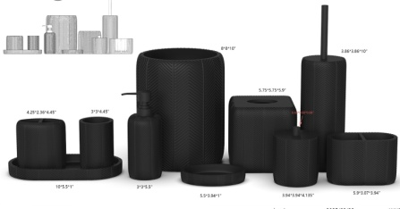 |  | JLA Brand |  | Bath Accessories | Blackwell | Resin Lotion Pump(w/stainless steel black pump) | Lotion Pump(w/stainlee steel black pump) | Resin embossed | Resin embossed | 3x3x7.7" | Black |  | HG71-4928 |  | Piece | $2.30 | Normal | 2 pcs LP+1 pc TBH+1 pc TUM+1 pc SD+1pc CJ+1pc Tray+1 pc 2 ORG +1pc TC+1pc WB+1pc BB 11pcs混装入外箱 | 24.0 | 21.0 | 13.0 | 11.00 | 2 | 0.007 | 63.00 | 19231 | 2,250 | $0.12 | 8424.89.9000 | 31.8% | $0.73 | $3.15 | 0.00% | $0.00 | 0.00% | $0.00 | $0.00 | 0.00% | $0.00 | $0.00 | $3.15 | 34.41% | $4.80 | 1000 | $3,148.40 | $4,800.00 | $0.00 | #REF! |  |  | Yantian,China | China | S-DGJY
 |  |  | JLA Brand |  | Bath Accessories | Blackwell | Resin Toothbrush holder | Toothbrush holder | Resin embossed | Resin embossed | 4.25x2.36x4.45" | Black |  | HG71-4929 |  | Piece | $1.45 | Normal |  | 15.0 | 15.0 | 11.5 | 11.00 | 1 | 0.003 | 63.00 | 24348 | 2,250 |  | 3924.10.4000 | 33.4% | $0.48 | $1.93 | 0.00% | $0.00 | 0.00% | $0.00 | $0.00 | 0.00% | $0.00 | $0.00 | $1.93 | 29.66% | $2.75 | 500 | $967.15 | $1,375.00 | $0.00 | #REF! |  |  | Yantian,China | China | S-DGJY
 |  |  | JLA Brand |  | Bath Accessories | Blackwell | Resin Tumbler | Tumbler | Resin embossed | Resin embossed | 3x3x4.45" | Black |  | HG71-4930 |  | Piece | $1.32 | Normal |  | 15.5 | 13.5 | 12.0 | 11.00 | 1 | 0.003 | 63.00 | 25090 | 2,250 |  | 3924.10.4000 | 33.4% | $0.44 | $1.76 | 0.00% | $0.00 | 0.00% | $0.00 | $0.00 | 0.00% | $0.00 | $0.00 | $1.76 | 35.97% | $2.75 | 500 | $880.44 | $1,375.00 | $0.00 | #REF! |  |  | Yantian,China | China | S-DGJY
 |  |  | JLA Brand |  | Bath Accessories | Blackwell | Resin Soap dish | Soap dish | Resin embossed | Resin embossed | 5.5x3.94x1" | Black |  | HG71-4931 |  | Piece | $1.32 | Normal |  | 19.0 | 17.0 | 8.0 | 11.00 | 1 | 0.003 | 63.00 | 24381 | 2,250 |  | 3924.10.4000 | 33.4% | $0.44 | $1.76 | 0.00% | $0.00 | 0.00% | $0.00 | $0.00 | 0.00% | $0.00 | $0.00 | $1.76 | 35.97% | $2.75 | 500 | $880.44 | $1,375.00 | $0.00 | #REF! |  |  | Yantian,China | China | S-DGJY
 |  |  | JLA Brand |  | Bath Accessories | Blackwell | Resin Tray | Tray | Resin embossed | Resin embossed | 10x5.5x1.18" | Black |  | HG71-4932 |  | Piece | $2.45 | Normal |  | 21.0 | 16.0 | 5.0 | 11.00 | 1 | 0.002 | 63.00 | 37500 | 2,250 | $0.06 | 3924.10.4000 | 33.4% | $0.82 | $3.33 | 0.00% | $0.00 | 0.00% | $0.00 | $0.00 | 0.00% | $0.00 | $0.00 | $3.33 | 28.42% | $4.65 | 500 | $1,664.15 | $2,325.00 | $0.00 | #REF! |  |  | Yantian,China | China | S-DGJY
 |  |  | JLA Brand |  | Bath Accessories | Blackwell | Resin 2 Hole Organizer | 2 Hole Organizer | Resin embossed | Resin embossed | 5.9x3.07x3.94" | Black |  | HG71-4933 |  | Piece | $2.12 | Normal |  | 16.0 | 9.0 | 12.0 | 11.00 | 1 | 0.002 | 63.00 | 36458 | 2,250 | $0.06 | 3924.10.4000 | 33.4% | $0.71 | $2.89 | 0.00% | $0.00 | 0.00% | $0.00 | $0.00 | 0.00% | $0.00 | $0.00 | $2.89 | 37.85% | $4.65 | 500 | $1,444.90 | $2,325.00 | $0.00 | #REF! |  |  | Yantian,China | China | S-DGJY
 |  |  | JLA Brand |  | Bath Accessories | Blackwell | Resin Toilet brush holder | Toilet brush holder | Resin embossed | Resin embossed | 3.86x3.86x10" | Black |  | HG71-4934 |  | Piece | $3.60 | Normal |  | 21.0 | 16.0 | 15.5 | 11.00 | 1 | 0.005 | 63.00 | 12097 | 2,250 | $0.19 | 3924.10.4000 | 33.4% | $1.20 | $4.99 | 0.00% | $0.00 | 0.00% | $0.00 | $0.00 | 0.00% | $0.00 | $0.00 | $4.99 | 33.49% | $7.50 | 500 | $2,494.20 | $3,750.00 | $0.00 | #REF! |  |  | Yantian,China | China | S-DGJY
 |  |  | JLA Brand |  | Bath Accessories | Blackwell | Resin Tissue cover | Tissue cover | Resin embossed | Resin embossed | 5.75x5.75x5.9" | Black |  | HG71-4935 |  | Piece | $3.86 | Normal |  | 20.0 | 20.0 | 20.5 | 11.00 | 1 | 0.008 | 63.00 | 7683 | 2,250 | $0.29 | 3924.10.4000 | 33.4% | $1.29 | $5.44 | 0.00% | $0.00 | 0.00% | $0.00 | $0.00 | 0.00% | $0.00 | $0.00 | $5.44 | 27.44% | $7.50 | 500 | $2,721.05 | $3,750.00 | $0.00 | #REF! |  |  | Yantian,China | China | S-DGJY
 |  |  | JLA Brand |  | Bath Accessories | Blackwell | Resin Wastebasket | Wastebasket | Resin embossed | Resin embossed | 8x8x10" | Black |  | HG71-4936 |  | Piece | $6.19 | Normal |  | 32.0 | 26.0 | 26.5 | 11.00 | 1 | 0.022 | 63.00 | 2857 | 2,250 | $0.79 | 3924.10.4000 | 33.4% | $2.07 | $9.04 | 0.00% | $0.00 | 0.00% | $0.00 | $0.00 | 0.00% | $0.00 | $0.00 | $9.04 | 33.00% | $13.50 | 500 | $4,522.44 | $6,750.00 | $0.00 | #REF! |  |  | Yantian,China | China | S-DGJY

