Item
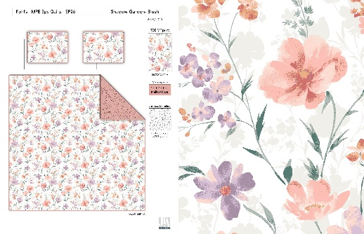
Line No. | Photo | VIN/Art No. | Brand | Licensor | Product Category | Pattern | Item Description | Description-Short | Fabrication | Material-Short | Size/Spec. | Color | Customer Item# | Additional Customer Item# | Item No. | UPC | Unit of Measure | China RMB Cost | Exchange Rate | FOB Cost $ (Formula) | FOB Cost $ (Value) | UCCPM Price | Package Type | Carton Size L (cm) | Carton Size W (cm) | Carton Size H (cm) | Carton Gross Weight (kg) | Case Pack | Cubic Meter per Carton | Total Units per 40ft Container | 40ft Container Freight | Ocean Freight per Item $ | HTS Code | Duty Rate | Duty per Item $ | LDP Cost $ | General Load % | General Load $ | Load 1 | Load 1 % | Load 1 $ | Warehouse Charge % | Warehouse Charge $ | Dropship Charge | POE Cost with Load $ | JLA POE Price Quote (Formula) | JLA POE MU% | Domestic Warehouse Cost w/ Load | JLA Domestic MU% | Drop Ship Cost with Load $ | JLA Dropship MU% | JLA Quoted Price w/ Load | Additional Customer Price | Suggested Retail Price | Retailer IMU
17 |  | 06ZS0122P1-A | Madison Park Essentials |  | QUILT | Shadow Garden | 100% Polyester Madison Park Essential Shadow Garden Quilt Set | Shadow Garden Quilt Set | Quit/sham face: 100% Polyester 75gram micro fiber printed with quilting.back: 75gram micro fiber solid. Filling: 120gram polyfill | 100% Polyester printed | Twin/Twin XL: 69x95" /20x26"+1/2" (1) | Blush |  |  | KL14-3837 |  | Piece | ¥42.40 | 8.10 | $5.23 | $5.23 |  | Rolled | 40.0 | 18.0 | 18.0 | 5.00 | 1 | 0.013 | 5015 | 3300 | $0.66 | 9404.40.9022 | 42.8% | $2.24 | $8.13 | 11.75% | $1.63 | 0 | 0.00% | $0.00 | 6.00% | $0.83 | $1.81 |  |  |  |  |  | $11.62 | 16.26% | $13.88 |  | $49.99 | 72.23%
18 |  | 06ZS0122P1-A | Madison Park Essentials |  | QUILT | Shadow Garden | 100% Polyester Madison Park Essential Shadow Garden Quilt Set | Shadow Garden Quilt Set | Quit/sham face: 100% Polyester 75gram micro fiber printed with quilting.back: 75gram micro fiber solid. Filling: 120gram polyfill | 100% Polyester printed | Full/Queen: 90x95"/20x26"+1/2" (2) | Blush |  |  | KL14-3838 |  | Piece | ¥58.50 | 8.10 | $7.22 | $7.22 |  | Rolled | 40.0 | 22.0 | 22.0 | 5.00 | 1 | 0.019 | 3357 | 3300 | $0.98 | 9404.40.9022 | 42.8% | $3.09 | $11.29 | 11.75% | $2.05 | 0 | 0.00% | $0.00 | 6.00% | $1.04 | $1.63 |  |  |  |  |  | $15.03 | 13.68% | $17.41 |  | $59.99 | 70.98%
19 |  | 06ZS0122P1-A | Madison Park Essentials |  | QUILT | Shadow Garden | 100% Polyester Madison Park Essential Shadow Garden Quilt Set | Shadow Garden Quilt Set | Quit/sham face: 100% Polyester 75gram micro fiber printed with quilting.back: 75gram micro fiber solid. Filling: 120gram polyfill | 100% Polyester printed | King/Cal King: 106x95"/20x36"+1/2" (2) | Blush |  |  | KL14-3839 |  | Piece | ¥68.00 | 8.10 | $8.40 | $8.40 |  | Rolled | 40.0 | 25.0 | 25.0 | 5.00 | 1 | 0.025 | 2600 | 3300 | $1.27 | 9404.40.9022 | 42.8% | $3.60 | $13.26 | 11.75% | $2.34 | 0 | 0.00% | $0.00 | 6.00% | $1.19 | $1.51 |  |  |  |  |  | $17.17 | 13.69% | $19.89 |  | $69.99 | 71.58%
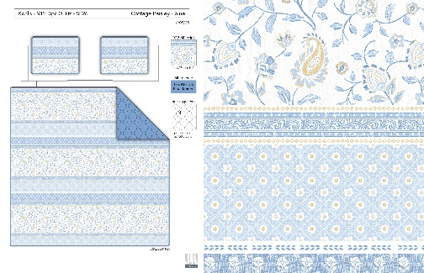
20 |  | 36CZ0001P1-A | Madison Park Essentials |  | QUILT | Cottage Paisley | 100% Polyester Madison Park Essential Cottage Paisley Quilt Set | Cottage Paisley Quilt Set | Quit/sham face: 100% Polyester 75gram micro fiber printed with quilting.back: 75gram micro fiber solid. Filling: 120gram polyfill | 100% Polyester printed | Twin/Twin XL: 69x95" /20x26"+1/2" (1) | Blue |  |  | KL14-3840 |  | Piece | ¥42.40 | 8.10 | $5.23 | $5.23 |  | Rolled | 40.0 | 18.0 | 18.0 | 5.00 | 1 | 0.013 | 5015 | 3300 | $0.66 | 9404.40.9022 | 42.8% | $2.24 | $8.13 | 11.75% | $1.63 | 0 | 0.00% | $0.00 | 6.00% | $0.83 | $1.81 |  |  |  |  |  | $11.63 | 16.23% | $13.88 |  | $49.99 | 72.23%
21 |  | 36CZ0001P1-A | Madison Park Essentials |  | QUILT | Cottage Paisley | 100% Polyester Madison Park Essential Cottage Paisley Quilt Set | Cottage Paisley Quilt Set | Quit/sham face: 100% Polyester 75gram micro fiber printed with quilting.back: 75gram micro fiber solid. Filling: 120gram polyfill | 100% Polyester printed | Full/Queen: 90x95"/20x26"+1/2" (2) | Blue |  |  | KL14-3841 |  | Piece | ¥58.50 | 8.10 | $7.22 | $7.22 |  | Rolled | 40.0 | 22.0 | 22.0 | 5.00 | 1 | 0.019 | 3357 | 3300 | $0.98 | 9404.40.9022 | 42.8% | $3.09 | $11.29 | 11.75% | $2.05 | 0 | 0.00% | $0.00 | 6.00% | $1.04 | $1.63 |  |  |  |  |  | $15.03 | 13.68% | $17.41 |  | $59.99 | 70.98%
22 |  | 36CZ0001P1-A | Madison Park Essentials |  | QUILT | Cottage Paisley | 100% Polyester Madison Park Essential Cottage Paisley Quilt Set | Cottage Paisley Quilt Set | Quit/sham face: 100% Polyester 75gram micro fiber printed with quilting.back: 75gram micro fiber solid. Filling: 120gram polyfill | 100% Polyester printed | King/Cal King: 106x95"/20x36"+1/2" (2) | Blue |  |  | KL14-3842 |  | Piece | ¥68.00 | 8.10 | $8.40 | $8.40 |  | Rolled | 40.0 | 25.0 | 25.0 | 5.00 | 1 | 0.025 | 2600 | 3300 | $1.27 | 9404.40.9022 | 42.8% | $3.60 | $13.26 | 11.75% | $2.34 | 0 | 0.00% | $0.00 | 6.00% | $1.19 | $1.51 |  |  |  |  |  | $17.17 | 13.67% | $19.89 |  | $69.99 | 71.58%
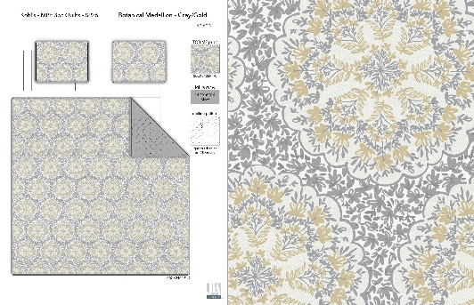
23 |  | 06CX2402P1-C | Madison Park Essentials |  | QUILT | Botanical Medallion | 100% Polyester Madison Park Essential Botanical Medallion Quilt Set | Botanical Medallion Quilt Set | Quit/sham face: 100% Polyester 75gram micro fiber printed with quilting.back: 75gram micro fiber solid. Filling: 120gram polyfill | 100% Polyester printed | Twin/Twin XL: 69x95" /20x26"+1/2" (1) | Gray/Gold |  |  | KL14-3843 |  | Piece | ¥42.40 | 8.10 | $5.23 | $5.23 |  | Rolled | 40.0 | 18.0 | 18.0 | 5.00 | 1 | 0.013 | 5015 | 3300 | $0.66 | 9404.40.9022 | 42.8% | $2.24 | $8.13 | 11.75% | $1.63 | 0 | 0.00% | $0.00 | 6.00% | $0.83 | $1.81 |  |  |  |  |  | $11.63 | 16.23% | $13.88 |  | $49.99 | 72.23%
24 |  | 06CX2402P1-C | Madison Park Essentials |  | QUILT | Botanical Medallion | 100% Polyester Madison Park Essential Botanical Medallion Quilt Set | Botanical Medallion Quilt Set | Quit/sham face: 100% Polyester 75gram micro fiber printed with quilting.back: 75gram micro fiber solid. Filling: 120gram polyfill | 100% Polyester printed | Full/Queen: 90x95"/20x26"+1/2" (2) | Gray/Gold |  |  | KL14-3844 |  | Piece | ¥58.50 | 8.10 | $7.22 | $7.22 |  | Rolled | 40.0 | 22.0 | 22.0 | 5.00 | 1 | 0.019 | 3357 | 3300 | $0.98 | 9404.40.9022 | 42.8% | $3.09 | $11.29 | 11.75% | $2.05 | 0 | 0.00% | $0.00 | 6.00% | $1.04 | $1.63 |  |  |  |  |  | $15.03 | 13.68% | $17.41 |  | $59.99 | 70.98%
25 |  | 06CX2402P1-C | Madison Park Essentials |  | QUILT | Botanical Medallion | 100% Polyester Madison Park Essential Botanical Medallion Quilt Set | Botanical Medallion Quilt Set | Quit/sham face: 100% Polyester 75gram micro fiber printed with quilting.back: 75gram micro fiber solid. Filling: 120gram polyfill | 100% Polyester printed | King/Cal King: 106x95"/20x36"+1/2" (2) | Gray/Gold |  |  | KL14-3845 |  | Piece | ¥68.00 | 8.10 | $8.40 | $8.40 |  | Rolled | 40.0 | 25.0 | 25.0 | 5.00 | 1 | 0.025 | 2600 | 3300 | $1.27 | 9404.40.9022 | 42.8% | $3.60 | $13.26 | 11.75% | $2.34 | 0 | 0.00% | $0.00 | 6.00% | $1.19 | $1.51 |  |  |  |  |  | $17.17 | 13.67% | $19.89 |  | $69.99 | 71.58%

