Item
Line No. | Photo | Brand | Licensor | Product Category | Pattern | Item Description | Description-Short | Size/Spec. | Color | Customer Item# | Additional Customer Item# | Item No. | UPC | Unit of Measure | UCCPM Price / FOB Cost $ | Package Type | Packaging | Master Carton L (cm) | Master Carton W (cm) | Master Carton H (cm) | Carton Size L (cm) | Carton Size W (cm) | Carton Size H (cm) | Carton Gross Weight (kg) | Case Pack | Cubic Meter per Carton | Container Volume | Total Units per 40ft Container | 40ft Container Freight | Ocean Freight per Item $ | HTS Code | Duty Rate | Duty per Item $ | LDP Cost $ | DA % | DA $ | Royalty % | Royalty $ | Other Load | Other Load % | Other Load $ | Total Load $ | LDP Cost with Load $ | JLA LDP MU% | JLA POE Price | Suggested Retail Price | Retail Markup % | Additional Customer Price | MOQ | Total Cost | Total Sales | Master Carton CBM | Master Carton Weight (kg) | Remarks | Port | COO | Vendor
3 | 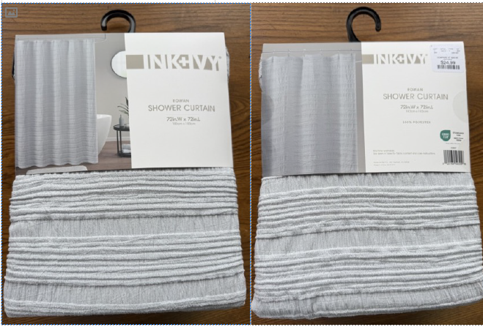 | Martha Stewart | Martha Stewart (Bath) 5% | Shower Curtain | Rowan Gray | Single SC | Material:100% polyester jacqurad Weight:170gsm | 72x72" | Gray |  |  | MT70-0699 | 022164543056 | Piece | $5.68 |  |  | 40.0 | 29.0 | 28.0 | 40.0 | 29.0 | 28.0 | 5.00 | 4 | 0.032 | 63.00 | 7759 | 2,200 | $0.28 | 6303.12.0090 | 48.8% | $2.77 | $8.74 | 0.00% | $0.00 | 0.00% | $0.00 | $0.00 | 0.00% | $0.00 | $0.00 | $8.74 | 25.02% | $11.65 | $24.99 | 53.38% |  | 1000 | $8,735.40 | $11,650.00 | 8.12 |  | REORDER， HG 2025 May SC POE | Shanghai | China | SAJ
4 | 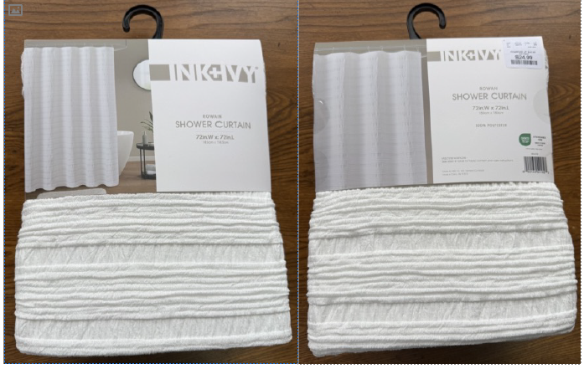 | Martha Stewart | Martha Stewart (Bath) 5% | Shower Curtain | Rowan White | Single SC | Material:100% polyester jacqurad Weight:170gsm | 72x72" | White |  |  | MT70-0700 | 022164541823 | Piece | $5.68 |  |  | 40.0 | 29.0 | 28.0 | 40.0 | 29.0 | 28.0 | 5.00 | 4 | 0.032 | 63.00 | 7759 | 2,200 | $0.28 | 6303.12.0090 | 48.8% | $2.77 | $8.74 | 0.00% | $0.00 | 0.00% | $0.00 | $0.00 | 0.00% | $0.00 | $0.00 | $8.74 | 25.02% | $11.65 | $24.99 | 53.38% |  | 1000 | $8,735.40 | $11,650.00 | 8.12 |  | REORDER， HG 2025 May SC POE | Shanghai | China | SAJ
5 |  | Martha Stewart | Martha Stewart (Bath) 5% | Shower Curtain | JHANE Taupe | Single SC | Material/Quality: 100% polyester Weight:200gsm | 72x72" | Taupe |  |  | MT70-0701 | 022164663914 | Piece | $5.80 |  |  | 40.0 | 29.0 | 23.0 | 40.0 | 29.0 | 23.0 | 5.00 | 4 | 0.027 | 63.00 | 9445 | 2,200 | $0.23 | 6303.12.0090 | 48.8% | $2.83 | $8.86 | 0.00% | $0.00 | 6.00% | $0.73 | $0.00 | 0.00% | $0.00 | $0.73 | $9.60 | 21.35% | $12.20 | $24.99 | 51.18% |  | 1000 | $9,595.32 | $12,200.00 | 6.67 |  |  | Shanghai | China | SAJ
6 |  | Martha Stewart | Martha Stewart (Bath) 5% | Shower Curtain | JHANE White | Single SC | Material/Quality: 100% polyester Weight:200gsm | 72x72" | White |  |  | MT70-0702 | 022164663921 | Piece | $5.80 |  |  | 40.0 | 29.0 | 23.0 | 40.0 | 29.0 | 23.0 | 5.00 | 4 | 0.027 | 63.00 | 9445 | 2,200 | $0.23 | 6303.12.0090 | 48.8% | $2.83 | $8.86 | 0.00% | $0.00 | 6.00% | $0.73 | $0.00 | 0.00% | $0.00 | $0.73 | $9.60 | 21.35% | $12.20 | $24.99 | 51.18% |  | 1000 | $9,595.32 | $12,200.00 | 6.67 |  |  | Shanghai | China | SAJ

