Item
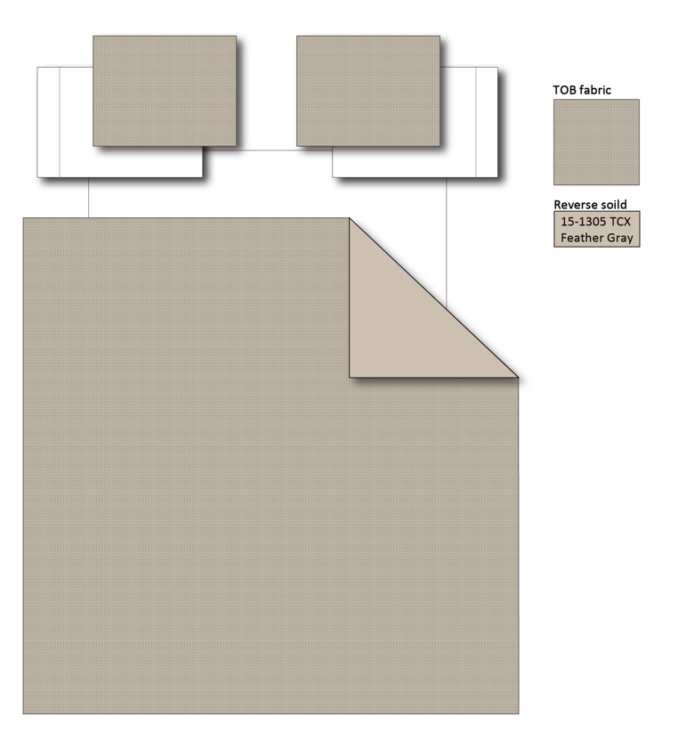
Line No. | Photo | VIN/Art No. | Brand | Licensor | Product Category | Pattern | Item Description | Description-Short | Fabrication | Material-Short | Size/Spec. | Color | Item No. | UPC | Unit of Measure | China RMB Cost | Exchange Rate | FOB Cost $ (Formula) | FOB Cost $ (Value) | UCCPM Price | Package Type | Carton Size L (cm) | Carton Size W (cm) | Carton Size H (cm) | Carton Gross Weight (kg) | Case Pack | Cubic Meter per Carton | Total Units per 40ft Container | 40ft Container Freight | Ocean Freight per Item $ | HTS Code | Duty Rate | Duty per Item $ | LDP Cost $ | DA % | DA $ | General Load % | General Load $ | Warehouse Charge % | Warehouse Charge $ | Dropship Charge | Load 1 | Load 1 % | Load 1 $ | Total Load $ | LDP Cost with Load $ | JLA LDP MU% | JLA FOB CA/GA Price Quote (Formula) | JLA price with drop ship charges | Suggested Retail Price | Initial Markup | Initial Rollout Forecast
1 |  |  | Regency Heights |  | COMFORTER (SET) | Mina | 100% Polyester Waffle Comforter Mini Set | 2pcs Waffle Comforter Mini Set | Comf/sham:100% poly wafle face, 85gsm solid MF reverse, 200gsm poly fill. | 100% Polyester Waffle, poly fill | Twin/Twin XL: 66x90"/20x26"(1) | Neutral | RH10-0437 |  | Set | ￥65.80 | 8.00 | $8.23 | $8.23 |  | Compressed/Knocked Down | 42.0 | 33.0 | 33.0 | 9.50 | 3 | 0.046 | 4263 | $4,000.00 | $0.94 | 9404.40.9022 | 42.80% | $3.52 | $12.69 | 0.00% | $0.00 | 0.00% | $0.00 | 0.00% | $0.00 | $0.00 | $0.00 | 0.00% | $0.00 | $0.00 | $12.69 | 0.00% | $12.69 | $65.99 | $65.99 |  | 0
2 |  |  | Regency Heights |  | COMFORTER (SET) | Mina | 100% Polyester Waffle Comforter Mini Set | 3pcs Waffle Comforter Mini Set | Comf/sham:100% poly wafle face, 85gsm solid MF reverse, 200gsm poly fill. | 100% Polyester Waffle, poly fill | Full/Queen: 90x90"/20x26"(2) | Neutral | RH10-0438 |  | Set | ￥81.20 | 8.00 | $10.15 | $10.15 |  | Compressed/Knocked Down | 48.0 | 42.0 | 33.0 | 12.50 | 3 | 0.067 | 2931 | $4,000.00 | $1.36 | 9404.40.9022 | 42.80% | $4.34 | $15.86 | 0.00% | $0.00 | 0.00% | $0.00 | 0.00% | $0.00 | $0.00 | $0.00 | 0.00% | $0.00 | $0.00 | $15.86 | 0.00% | $15.86 | $75.99 | $75.99 |  | 288
3 |  |  | Regency Heights |  | COMFORTER (SET) | Mina | 100% Polyester Waffle Comforter Mini Set | 3pcs Waffle Comforter Mini Set | Comf/sham:100% poly wafle face, 85gsm solid MF reverse, 200gsm poly fill. | 100% Polyester Waffle, poly fill | King/Cal King: 104x90"/20x36"(2) | Neutral | RH10-0439 |  | Set | ￥92.60 | 8.00 | $11.58 | $11.58 |  | Compressed/Knocked Down | 48.0 | 42.0 | 33.0 | 13.00 | 3 | 0.067 | 2931 | $4,000.00 | $1.36 | 9404.40.9022 | 42.80% | $4.95 | $17.90 | 0.00% | $0.00 | 0.00% | $0.00 | 0.00% | $0.00 | $0.00 | $0.00 | 0.00% | $0.00 | $0.00 | $17.90 | 0.00% | $17.90 | $62.99 | $79.99 |  | 519
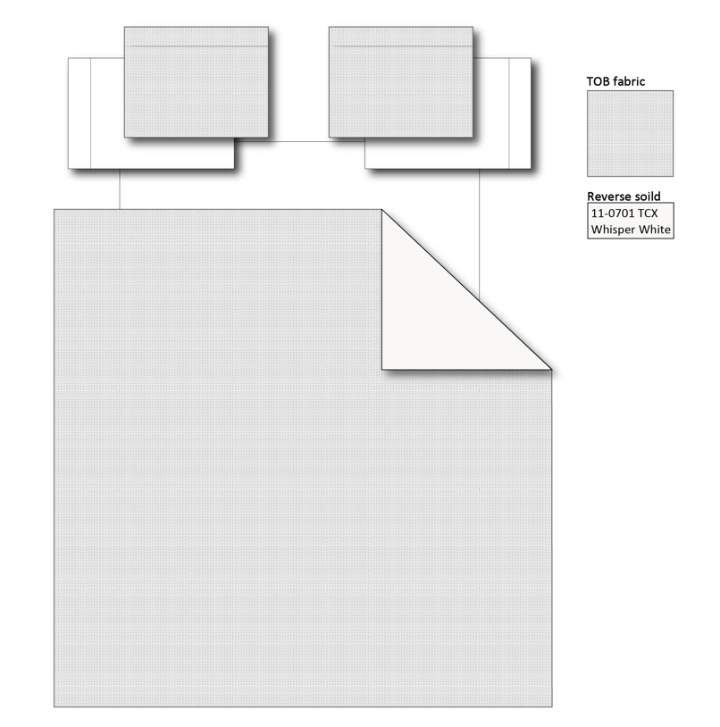
8 |  |  | Regency Heights |  | COMFORTER (SET) | Mina | 100% Polyester Waffle Comforter Mini Set | 2pcs Waffle Comforter Mini Set | Comf/sham:100% poly wafle face, 85gsm solid MF reverse, 200gsm poly fill. | 100% Polyester Waffle, poly fill | Twin/Twin XL: 66x90"/20x26"(1) | White | RH10-0440 |  | Set | ￥65.80 | 8.00 | $8.23 | $8.23 |  | Compressed/Knocked Down | 42.0 | 33.0 | 33.0 | 9.50 | 3 | 0.046 | 4263 | $4,000.00 | $0.94 | 9404.40.9022 | 42.80% | $3.52 | $12.69 | 0.00% | $0.00 | 0.00% | $0.00 | 0.00% | $0.00 | $0.00 | $0.00 | 0.00% | $0.00 | $0.00 | $12.69 | 0.00% | $12.69 | $65.99 | $65.99 |  | 198
9 |  |  | Regency Heights |  | COMFORTER (SET) | Mina | 100% Polyester Waffle Comforter Mini Set | 3pcs Waffle Comforter Mini Set | Comf/sham:100% poly wafle face, 85gsm solid MF reverse, 200gsm poly fill. | 100% Polyester Waffle, poly fill | Full/Queen: 90x90"/20x26"(2) | White | RH10-0441 |  | Set | ￥81.20 | 8.00 | $10.15 | $10.15 |  | Compressed/Knocked Down | 48.0 | 42.0 | 33.0 | 12.50 | 3 | 0.067 | 2931 | $4,000.00 | $1.36 | 9404.40.9022 | 42.80% | $4.34 | $15.86 | 0.00% | $0.00 | 0.00% | $0.00 | 0.00% | $0.00 | $0.00 | $0.00 | 0.00% | $0.00 | $0.00 | $15.86 | 0.00% | $15.86 | $75.99 | $75.99 |  | 450
10 |  |  | Regency Heights |  | COMFORTER (SET) | Mina | 100% Polyester Waffle Comforter Mini Set | 3pcs Waffle Comforter Mini Set | Comf/sham:100% poly wafle face, 85gsm solid MF reverse, 200gsm poly fill. | 100% Polyester Waffle, poly fill | King/Cal King: 104x90"/20x36"(2) | White | RH10-0442 |  | Set | ￥92.60 | 8.00 | $11.58 | $11.58 |  | Compressed/Knocked Down | 48.0 | 42.0 | 33.0 | 13.00 | 3 | 0.067 | 2931 | $4,000.00 | $1.36 | 9404.40.9022 | 42.80% | $4.95 | $17.90 | 0.00% | $0.00 | 0.00% | $0.00 | 0.00% | $0.00 | $0.00 | $0.00 | 0.00% | $0.00 | $0.00 | $17.90 | 0.00% | $17.90 | $62.99 | $79.99 |  | 402

