Item
Line No. | Photo | VIN/Art No. | Brand | Licensor | Product Category | Pattern | Item Description | Description-Short | Fabrication | Material-Short | Size/Spec. | Color | Item No. | UPC | Unit of Measure | China RMB Cost | Exchange Rate | FOB Cost $ (Formula) | FOB Cost $ (Value) | UCCPM Price | Package Type | Carton Size L (cm) | Carton Size W (cm) | Carton Size H (cm) | Carton Gross Weight (kg) | Case Pack | Cubic Meter per Carton | Total Units per 40ft Container | 40ft Container Freight | Ocean Freight per Item $ | HTS Code | Duty Rate | Duty per Item $ | LDP Cost $ | DA % | DA $ | General Load % | General Load $ | Warehouse Charge % | Warehouse Charge $ | Dropship Charge | Load 1 | Load 1 % | Load 1 $ | Total Load $ | LDP Cost with Load $ | JLA LDP MU% | JLA FOB CA/GA Price Quote (Formula) | JLA price with drop ship charges | Suggested Retail Price | Initial Markup | Initial Rollout Forecast
1 | 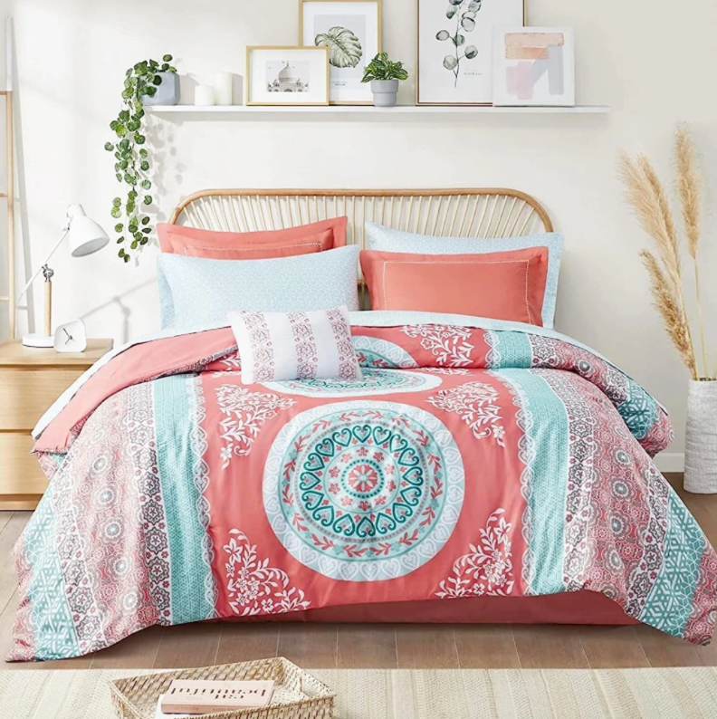 |  | Regency Heights |  | COMFORTER (SET) | Loretta | 100% Polyester Microfiber Printed 7 Piece Comforter with Sheet Set | 7pcs Comforter Set | Comforter / Sham: Face: 100% polyester brushed microfiber, 75gsm, printed; Back: 100% polyester brushed solid 75gsm microfiber; Filling: 100% polyester 170gsm; Flat sheet / Fitted sheet: 100% polyester brushed microfiber, 75gsm, printed; Dec. Pillow: polyester cover and polyester filling | 100% polyester,poly fill | Twin:68X86"/20X26+2"/39X75+14"/12X16"/66X96"/39X75+12"/20x30" | Coral | RH10-0458 |  |  | ￥98.10 | 8.00 | $12.26 |  |  | Compressed/Knocked Down | 50.0 | 42.0 | 32.0 | 10.70 | 3 | 0.067 | 2902 | $4,000.00 | $1.38 | 9404.40.9022 | 42.80% | $5.25 | $6.63 | 0.00% | $0.00 | 0.00% | $0.00 | 0.00% | $0.00 | $0.00 | $0.00 | 0.00% | $0.00 | $0.00 | $6.63 | 0.00% | $6.63 | $46.99 | $46.99 |  | 207
2 |  |  | Regency Heights |  | COMFORTER (SET) | Loretta | 100% Polyester Microfiber Printed 7 Piece Comforter with Sheet Set | 7pcs Comforter Set | Comforter / Sham: Face: 100% polyester brushed microfiber, 75gsm, printed; Back: 100% polyester brushed solid 75gsm microfiber; Filling: 100% polyester 170gsm; Flat sheet / Fitted sheet: 100% polyester brushed microfiber, 75gsm, printed; Dec. Pillow: polyester cover and polyester filling | 100% polyester,poly fill | Twin XL:68x90"/20x26+2"/39x80+14"/12x16"/66x102"/39x80+12"/20x30" | Coral | RH10-0459 |  |  | ￥98.80 | 8.00 | $12.35 |  |  | Compressed/Knocked Down | 50.0 | 42.0 | 32.0 | 10.80 | 3 | 0.067 | 2902 | $4,000.00 | $1.38 | 9404.40.9022 | 42.80% | $5.29 | $6.66 | 0.00% | $0.00 | 0.00% | $0.00 | 0.00% | $0.00 | $0.00 | $0.00 | 0.00% | $0.00 | $0.00 | $6.66 | 0.00% | $6.66 | $47.99 | $47.99 |  | 153

