cost- Cassie
5件套价格如下：
No# | Name | PIC | Spec | Fabric | cost | Note | Package | Case pack | Inner box size
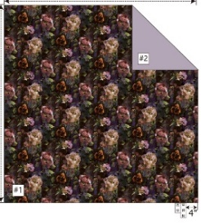 6 | Seraphina (Moody Floral)-5pc comforter |  | Q-90*90"/20*26+1"/12*18"/18*18" K/CK-104*92"/20*36+1"/12*18"/18*18" | Face：poly velvet jacquard Reverse： solid MF Filing：270gsm poly | Q-￥135.5; K/CK-￥146 | square pillow 正面按绒布+绣花报价，如果改成磨毛布，价格可以降1块钱 | 压缩，彩盒包装 | 一套/箱 | 17*13*9"/10" | 134.5 | 145

Thanks & Best Regards
-----------------------------------

