Item
Line No. | Photo | VIN/Art No. | Brand | Licensor | Product Category | Pattern | Item Description | Description-Short | Fabrication | Material-Short | Size/Spec. | Color | Item No. | UPC | Unit of Measure | China RMB Cost | Exchange Rate | FOB Cost $ (Formula) | FOB Cost $ (Value) | UCCPM Price | Package Type | Carton Size L (cm) | Carton Size W (cm) | Carton Size H (cm) | Carton Gross Weight (kg) | Case Pack | Cubic Meter per Carton | Total Units per 40ft Container | 40ft Container Freight | Ocean Freight per Item $ | HTS Code | Duty Rate | Duty per Item $ | LDP Cost $ | DA % | DA $ | General Load % | General Load $ | Warehouse Charge % | Warehouse Charge $ | Dropship Charge | Load 1 | Load 1 % | Load 1 $ | Total Load $ | LDP Cost with Load $ | JLA LDP MU% | JLA FOB CA/GA Price Quote (Formula) | JLA price with drop ship charges | Suggested Retail Price | Initial Markup | Initial Rollout Forecast
1 | 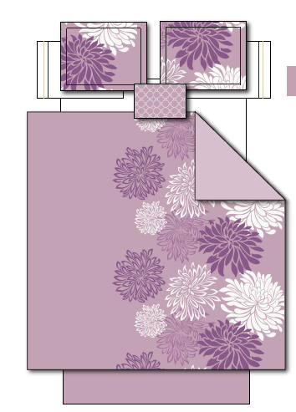 |  | Regency Heights |  | COMFORTER (SET) | Enya | 100% Polyester Microfiber Printed 5pc Comforter Set | 5PCs Comforter Set | Comf/sham face: 100% polyester 85gram MF printed / 100% polyester microfiber 75gsm back. Comf filling: 230gsm poly. Bedskirt: 100% polyester microfiber 75gsm; pillow: mcirofiber shell with polyfill | 100% Polyester Microfiber, poly fill | Queen: 90"W x 90"L /20"W x 26"L + 2"D (2)/60"W x 80" L + 15"D/12"W x 16"L | Purple | RH10-0465 |  | Set | ￥84.00 | 8.00 | $10.50 | $10.50 |  | Compressed/Knocked Down | 53.0 | 42.0 | 32.0 | 11.69 | 3 | 0.071 | 2738 | $4,000.00 | $1.46 | 9404.40.9022 | 42.80% | $4.49 | $16.46 | 0.00% | $0.00 | 0.00% | $0.00 | 0.00% | $0.00 | $0.00 | $0.00 | 0.00% | $0.00 | $0.00 | $16.46 | 0.00% | $16.46 | $49.99 | $49.99
2 |  |  | Regency Heights |  | COMFORTER (SET) | Enya | 100% Polyester Microfiber Printed 5pc Comforter Set | 5PCs Comforter Set | Comf/sham face: 100% polyester 85gram MF printed / 100% polyester microfiber 75gsm back. Comf filling: 230gsm poly. Bedskirt: 100% polyester microfiber 75gsm; pillow: mcirofiber shell with polyfill | 100% Polyester Microfiber, poly fill | King: 104"W x 90"L /20"W x 36"L + 2"D(2)/78"W x 80" L + 15"D/12"W x 16"L | Purple | RH10-0466 |  | Set | ￥93.00 | 8.00 | $11.63 | $11.63 |  | Compressed/Knocked Down | 60.0 | 42.0 | 32.0 | 13.35 | 3 | 0.081 | 2418 | $4,000.00 | $1.65 | 9404.40.9022 | 42.80% | $4.98 | $18.26 | 0.00% | $0.00 | 0.00% | $0.00 | 0.00% | $0.00 | $0.00 | $0.00 | 0.00% | $0.00 | $0.00 | $18.26 | 0.00% | $18.26 | $54.99 | $54.99
1 | 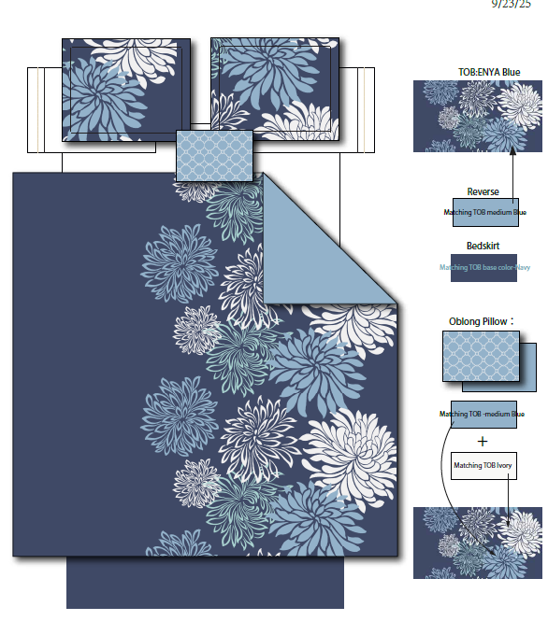 |  | Regency Heights |  | COMFORTER (SET) | Enya | 100% Polyester Microfiber Printed 5pc Comforter Set | 5PCs Comforter Set | Comf/sham face: 100% polyester 85gram MF printed / 100% polyester microfiber 75gsm back. Comf filling: 230gsm poly. Bedskirt: 100% polyester microfiber 75gsm; pillow: mcirofiber shell with polyfill | 100% Polyester Microfiber, poly fill | Queen: 90"W x 90"L /20"W x 26"L + 2"D (2)/60"W x 80" L + 15"D/12"W x 16"L | Blue | RH10-0467 |  | Set | ￥84.00 | 8.00 | $10.50 | $10.50 |  | Compressed/Knocked Down | 53.0 | 42.0 | 32.0 | 11.69 | 3 | 0.071 | 2738 | $4,000.00 | $1.46 | 9404.40.9022 | 42.80% | $4.49 | $16.46 | 0.00% | $0.00 | 0.00% | $0.00 | 0.00% | $0.00 | $0.00 | $0.00 | 0.00% | $0.00 | $0.00 | $16.46 | 0.00% | $16.46 | $49.99 | $49.99
2 |  |  | Regency Heights |  | COMFORTER (SET) | Enya | 100% Polyester Microfiber Printed 5pc Comforter Set | 5PCs Comforter Set | Comf/sham face: 100% polyester 85gram MF printed / 100% polyester microfiber 75gsm back. Comf filling: 230gsm poly. Bedskirt: 100% polyester microfiber 75gsm; pillow: mcirofiber shell with polyfill | 100% Polyester Microfiber, poly fill | King: 104"W x 90"L /20"W x 36"L + 2"D(2)/78"W x 80" L + 15"D/12"W x 16"L | Blue | RH10-0468 |  | Set | ￥93.00 | 8.00 | $11.63 | $11.63 |  | Compressed/Knocked Down | 60.0 | 42.0 | 32.0 | 13.35 | 3 | 0.081 | 2418 | $4,000.00 | $1.65 | 9404.40.9022 | 42.80% | $4.98 | $18.26 | 0.00% | $0.00 | 0.00% | $0.00 | 0.00% | $0.00 | $0.00 | $0.00 | 0.00% | $0.00 | $0.00 | $18.26 | 0.00% | $18.26 | $54.99 | $54.99
1 | 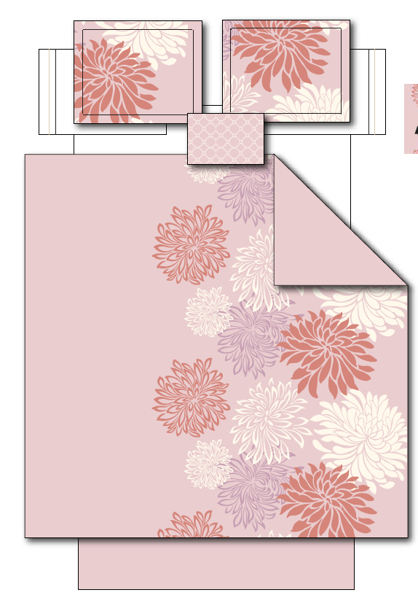 |  | Regency Heights |  | COMFORTER (SET) | Enya | 100% Polyester Microfiber Printed 5pc Comforter Set | 5PCs Comforter Set | Comf/sham face: 100% polyester 85gram MF printed / 100% polyester microfiber 75gsm back. Comf filling: 230gsm poly. Bedskirt: 100% polyester microfiber 75gsm; pillow: mcirofiber shell with polyfill | 100% Polyester Microfiber, poly fill | Queen: 90"W x 90"L /20"W x 26"L + 2"D (2)/60"W x 80" L + 15"D/12"W x 16"L | Pink | RH10-0469 |  | Set | ￥84.00 | 8.00 | $10.50 | $10.50 |  | Compressed/Knocked Down | 53.0 | 42.0 | 32.0 | 11.69 | 3 | 0.071 | 2738 | $4,000.00 | $1.46 | 9404.40.9022 | 42.80% | $4.49 | $16.46 | 0.00% | $0.00 | 0.00% | $0.00 | 0.00% | $0.00 | $0.00 | $0.00 | 0.00% | $0.00 | $0.00 | $16.46 | 0.00% | $16.46 | $49.99 | $49.99
2 |  |  | Regency Heights |  | COMFORTER (SET) | Enya | 100% Polyester Microfiber Printed 5pc Comforter Set | 5PCs Comforter Set | Comf/sham face: 100% polyester 85gram MF printed / 100% polyester microfiber 75gsm back. Comf filling: 230gsm poly. Bedskirt: 100% polyester microfiber 75gsm; pillow: mcirofiber shell with polyfill | 100% Polyester Microfiber, poly fill | King: 104"W x 90"L /20"W x 36"L + 2"D(2)/78"W x 80" L + 15"D/12"W x 16"L | Pink | RH10-0470 |  | Set | ￥93.00 | 8.00 | $11.63 | $11.63 |  | Compressed/Knocked Down | 60.0 | 42.0 | 32.0 | 13.35 | 3 | 0.081 | 2418 | $4,000.00 | $1.65 | 9404.40.9022 | 42.80% | $4.98 | $18.26 | 0.00% | $0.00 | 0.00% | $0.00 | 0.00% | $0.00 | $0.00 | $0.00 | 0.00% | $0.00 | $0.00 | $18.26 | 0.00% | $18.26 | $54.99 | $54.99

