Item
Vendor | Line No. | Photo | VIN/Art No. | Brand | Licensor | Product Category | Pattern | Item Description | Description-Short | Fabrication | Material-Short | Size/Spec. | Color | Customer Item# | Item No. | UPC | Unit of Measure | China RMB Cost | Exchange Rate | FOB Cost $ (Formula) | FOB Cost $ (Value) | UCCPM Price | Package Type | Carton Size L (cm) | Carton Size W (cm) | Carton Size H (cm) | Carton Gross Weight (kg) | Case Pack | Cubic Meter per Carton | Total Units per 40ft Container | 40ft Container Freight | Ocean Freight per Item $ | HTS Code | Duty Rate | Duty per Item $ | LDP Cost $ | DA % | DA $ | General Load % | General Load $ | Warehouse Charge % | Warehouse Charge $ | Load 1 | Load 1 % | Load 1 $ | Total Load $ | LDP Cost with Load $ | JLA LDP MU% | JLA POE Price Quote (Formula) | JLA POE Price Quote (Value) | Suggested Retail Price | Retailer Markup (Value) | Retailer Markup (Formula) | Total Quantity | Total Cost | Total Sales
 | 8 | 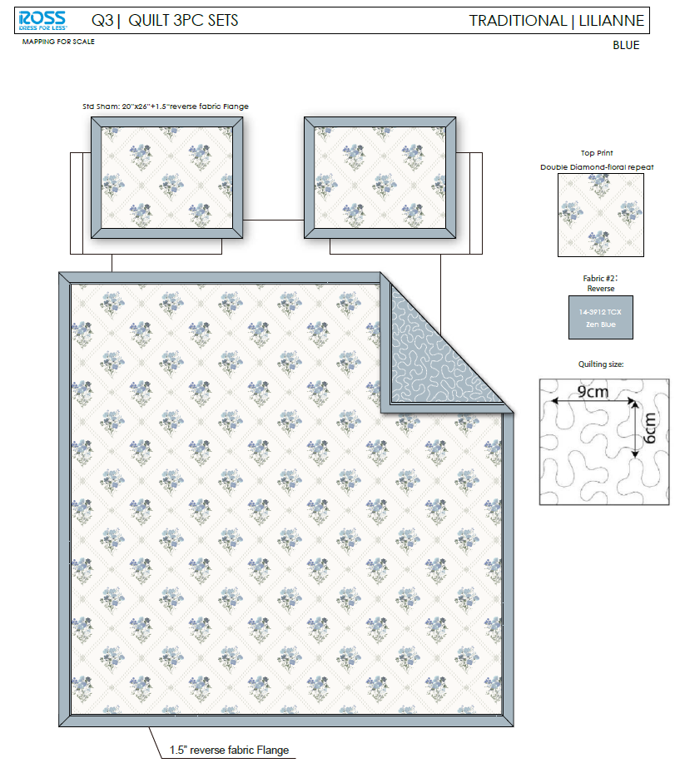 |  |  |  | QUILT | Lilianne | 100% Polyester Hanging Print Quilt Set | Hanging 3pc Quilt Set | Face：85gsm microfiber disperse print, with flange Back：85gsm microfiber solid Filling：180gsm slick Poly Fill. | 100% polyester | Twin: 66x86"/20x26+1.5"(1) | BLUE |  | RS14-8521 |  |  | ¥50.30 | 8.10 | $6.21 | $6.21 |  | Normal | 44.0 | 41.0 | 23.0 | 5.00 | 2 | 0.041 | 3133 | 2250 | $0.72 | 9404.40.9022 | 42.80% | $2.66 | $9.59 | 0.00% | $0.00 | 0.00% | $0.00 | 0.00% | $0.00 | 0 | 0.00% | $0.00 | $0.00 | $9.59 | 16.43% | $11.47 | $11.47 | $24.99 | 54.10% | 54.10% | 200 | $1,917.20 | $2,294.00
 | 9 |  |  |  |  | QUILT | Lilianne | 100% Polyester Hanging Print Quilt Set | Hanging 3pc Quilt Set | Face：85gsm microfiber disperse print, with flange Back：85gsm microfiber solid Filling：180gsm slick Poly Fill. | 100% polyester | Full/Queen: 86x86"/20x26+1.5"(2) | BLUE |  | RS14-8522 |  |  | ¥65.70 | 8.10 | $8.11 | $8.11 |  | Normal | 44.0 | 41.0 | 25.0 | 5.30 | 2 | 0.045 | 2882 | 2250 | $0.78 | 9404.40.9022 | 42.80% | $3.47 | $12.36 | 0.00% | $0.00 | 0.00% | $0.00 | 0.00% | $0.00 | 0 | 0.00% | $0.00 | $0.00 | $12.36 | 16.81% | $14.86 | $14.86 | $29.99 | 50.45% | 50.45% | 710 | $8,776.78 | $10,550.60
 | 10 |  |  |  |  | QUILT | Lilianne | 100% Polyester Hanging Print Quilt Set | Hanging 3pc Quilt Set | Face：85gsm microfiber disperse print, with flange Back：85gsm microfiber solid Filling：180gsm slick Poly Fill. | 100% polyester | King: 102x86"/20x36+1.5"(2) | BLUE |  | RS14-8523 |  |  | ¥75.10 | 8.10 | $9.27 | $9.27 |  | Normal | 44.0 | 41.0 | 28.0 | 6.20 | 2 | 0.051 | 2574 | 2250 | $0.87 | 9404.40.9022 | 42.80% | $3.97 | $14.11 | 0.00% | $0.00 | 0.00% | $0.00 | 0.00% | $0.00 | 0 | 0.00% | $0.00 | $0.00 | $14.11 | 18.24% | $17.26 | $17.26 | $34.99 | 50.67% | 50.67% | 540 | $7,620.38 | $9,320.40
 | 11 | 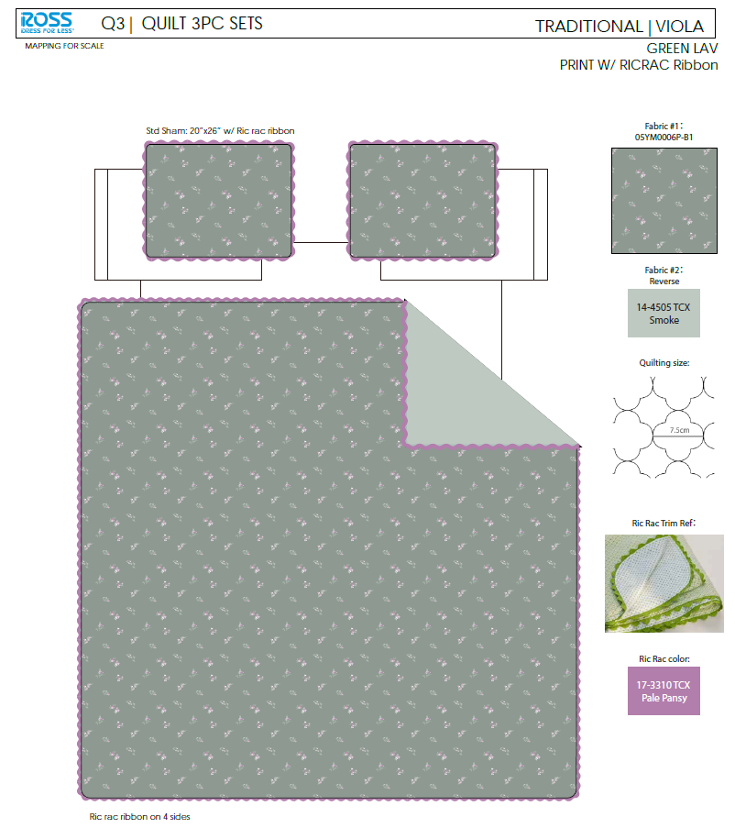 |  |  |  | QUILT | Viola | 100% Polyester Hanging Print Quilt Set | Hanging 3pc Quilt Set | Face：85gsm microfiber disperse print.With ricrac ribbon Back：85gsm microfiber solid Filling：180gsm slick Poly Fill. | 100% polyester | Twin: 66x86"/20x26+1/2"(1) | GREEN LAV |  | RS14-8524 |  |  | ¥58.50 | 8.10 | $7.22 | $7.22 |  | Normal | 44.0 | 41.0 | 23.0 | 5.00 | 2 | 0.041 | 3133 | 2250 | $0.72 | 9404.40.9022 | 42.80% | $3.09 | $11.03 | 0.00% | $0.00 | 0.00% | $0.00 | 0.00% | $0.00 | 0 | 0.00% | $0.00 | $0.00 | $11.03 | 13.44% | $12.74 | $12.74 | $24.99 | 49.02% | 49.02% | 296 | $3,264.37 | $3,771.04
 | 12 |  |  |  |  | QUILT | Viola | 100% Polyester Hanging Print Quilt Set | Hanging 3pc Quilt Set | Face：85gsm microfiber disperse print.With ricrac ribbon Back：85gsm microfiber solid Filling：180gsm slick Poly Fill. | 100% polyester | Full/Queen: 86x86"/20x26+1/2"(2) | GREEN LAV |  | RS14-8525 |  |  | ¥75.90 | 8.10 | $9.37 | $9.37 |  | Normal | 44.0 | 41.0 | 25.0 | 5.30 | 2 | 0.045 | 2882 | 2250 | $0.78 | 9404.40.9022 | 42.80% | $4.01 | $14.16 | 0.00% | $0.00 | 0.00% | $0.00 | 0.00% | $0.00 | 0 | 0.00% | $0.00 | $0.00 | $14.16 | 15.00% | $16.66 | $16.66 | $34.99 | 52.39% | 52.39% | 740 | $10,479.09 | $12,328.40
 | 13 |  |  |  |  | QUILT | Viola | 100% Polyester Hanging Print Quilt Set | Hanging 3pc Quilt Set | Face：85gsm microfiber disperse print.With ricrac ribbon Back：85gsm microfiber solid Filling：180gsm slick Poly Fill. | 100% polyester | King: 102x86"/20x36+1/2"(2) | GREEN LAV |  | RS14-8526 |  |  | ¥86.40 | 8.10 | $10.67 | $10.67 |  | Normal | 44.0 | 41.0 | 28.0 | 6.20 | 2 | 0.051 | 2574 | 2250 | $0.87 | 9404.40.9022 | 42.80% | $4.57 | $16.11 | 0.00% | $0.00 | 0.00% | $0.00 | 0.00% | $0.00 | 0 | 0.00% | $0.00 | $0.00 | $16.11 | 17.80% | $19.60 | $19.60 | $39.99 | 50.99% | 50.99% | 444 | $7,153.29 | $8,702.40
 | 14 | 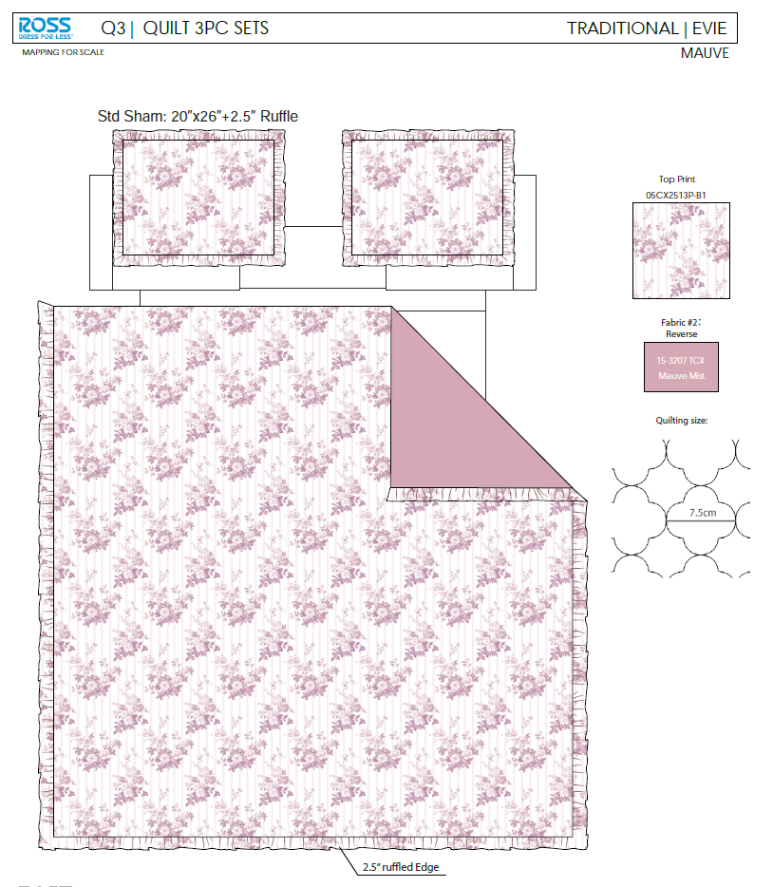 |  |  |  | QUILT | Evie | 100% Polyester Hanging Print Quilt Set | Hanging 3pc Quilt Set | Face& Back：85gsm microfiber disperse print, with 2.5" ruffle Filling：180gsm slick Poly Fill. | 100% polyester | Twin: 66x86"/20x26+2.5"(1) | MAUVE |  | RS14-8527 |  |  | ¥50.50 | 8.10 | $6.23 | $6.23 |  | Normal | 44.0 | 41.0 | 23.0 | 5.00 | 2 | 0.041 | 3133 | 2250 | $0.72 | 9404.40.9022 | 42.80% | $2.67 | $9.61 | 0.00% | $0.00 | 0.00% | $0.00 | 0.00% | $0.00 | 0 | 0.00% | $0.00 | $0.00 | $9.61 | 21.19% | $12.20 | $12.20 | $24.99 | 51.18% | 51.18% | 296 | $2,845.91 | $3,611.20
 | 15 |  |  |  |  | QUILT | Evie | 100% Polyester Hanging Print Quilt Set | Hanging 3pc Quilt Set | Face& Back：85gsm microfiber disperse print, with 2.5" ruffle Filling：180gsm slick Poly Fill. | 100% polyester | Full/Queen: 86x86+2.5"/20x26+2.5"(2) | MAUVE |  | RS14-8528 |  |  | ¥66.00 | 8.10 | $8.15 | $8.15 |  | Normal | 44.0 | 41.0 | 25.0 | 5.30 | 2 | 0.045 | 2882 | 2250 | $0.78 | 9404.40.9022 | 42.80% | $3.49 | $12.42 | 0.00% | $0.00 | 0.00% | $0.00 | 0.00% | $0.00 | 0 | 0.00% | $0.00 | $0.00 | $12.42 | 17.26% | $15.01 | $15.01 | $34.99 | 57.10% | 57.10% | 740 | $9,189.89 | $11,107.40
 | 16 |  |  |  |  | QUILT | Evie | 100% Polyester Hanging Print Quilt Set | Hanging 3pc Quilt Set | Face& Back：85gsm microfiber disperse print, with 2.5" ruffle Filling：180gsm slick Poly Fill. | 100% polyester | King: 102x86+2.5"/20x36+2.5"(2) | MAUVE |  | RS14-8529 |  |  | ¥76.10 | 8.10 | $9.40 | $9.40 |  | Normal | 44.0 | 41.0 | 28.0 | 6.20 | 2 | 0.051 | 2574 | 2250 | $0.87 | 9404.40.9022 | 42.80% | $4.02 | $14.30 | 0.00% | $0.00 | 0.00% | $0.00 | 0.00% | $0.00 | 0 | 0.00% | $0.00 | $0.00 | $14.30 | 17.97% | $17.43 | $17.43 | $39.99 | 56.41% | 56.41% | 444 | $6,348.07 | $7,738.92

