Item
Line No. | Photo | VIN/Art No. | Brand | Licensor | Product Category | Pattern | Item Description | Description-Short | Fabrication | Material-Short | Size/Spec. | Color | Item No. | UPC | Unit of Measure | China RMB Cost | Exchange Rate | FOB Cost $ (Formula) | FOB Cost $ (Value) | UCCPM Price | Package Type | Carton Size L (cm) | Carton Size W (cm) | Carton Size H (cm) | Carton Gross Weight (kg) | Case Pack | Cubic Meter per Carton | Total Units per 40ft Container | 40ft Container Freight | Ocean Freight per Item $ | HTS Code | Duty Rate | Duty per Item $ | LDP Cost $ | DA % | DA $ | General Load % | General Load $ | Warehouse Charge % | Warehouse Charge $ | Dropship Charge | Load 1 | Load 1 % | Load 1 $ | Total Load $ | LDP Cost with Load $ | JLA LDP MU% | JLA FOB CA/GA Price Quote (Formula) | JLA price with drop ship charges | Suggested Retail Price | Initial Markup | Initial Rollout Forecast
1 | 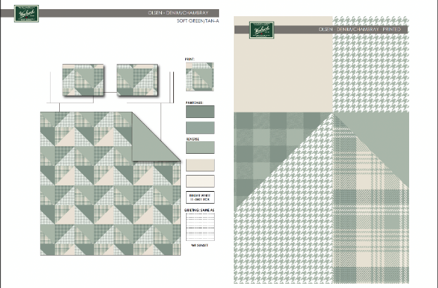 |  | Woolrich | Woolrich 5% | COVERLET&BEDSPR | Olsen | 100% Cotton Printed Coverlet Mini Set | Cotton Coverlet | Coverlet & Sham: 100%cotton printed on face and 100%cotton solid reverse, 230gsm 90% cotton 10% poly fill, Quilting pattern 2" stright line Horizontal to bed. Pre Washed | Cotton | Full/ Queen: 92x96"/20x26"(2) | Green |  |  | Piece |  |  |  | $20.36 |  | Normal | 48.0 | 39.0 | 16.0 | 2.00 | 1 | 0.030 | 2167 | 3300 | $1.52 | 9404.40.1000 | 23.40% | $4.76 | $26.64 | 6.00% | $3.14 | 10.00% | $5.24 | 10.00% | $5.24 | $0.00 | Loyalty | 7.00% | $3.67 | $17.29 | $43.93 | 16.13% | $52.38 | $55.00 | $109.99 | 50.00%
2 |  |  | Woolrich | Woolrich 5% | COVERLET&BEDSPR | Olsen | 100% Cotton Printed Coverlet Mini Set | Cotton Coverlet | Coverlet & Sham: 100%cotton printed on face and 100%cotton solid reverse, 230gsm 90% cotton 10% poly fill, Quilting pattern 2" stright line Horizontal to bed. Pre Washed | Cotton | King/ Cal King : 110x96"/20x36"(2) | Green |  |  | Piece |  |  |  | $24.18 |  | Normal | 48.0 | 39.0 | 18.0 | 2.00 | 1 | 0.034 | 1912 | 3300 | $1.73 | 9404.40.1000 | 23.40% | $5.66 | $31.57 | 6.00% | $3.57 | 10.00% | $5.94 | 10.00% | $5.94 | $0.00 | Loyalty | 7.00% | $4.16 | $19.61 | $51.18 | 13.87% | $59.42 | $62.39 | $129.99 | 52.00%
3 | 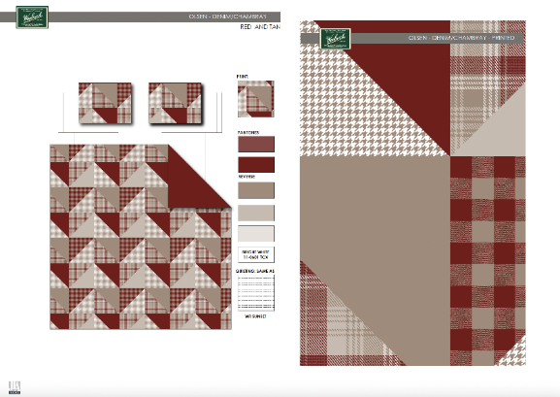 |  | Woolrich | Woolrich 5% | COVERLET&BEDSPR | Olsen | 100% Cotton Printed Coverlet Mini Set | Cotton Coverlet | Coverlet & Sham: 100%cotton printed on face and 100%cotton solid reverse, 230gsm 90% cotton 10% poly fill, Quilting pattern 2" stright line Horizontal to bed. Pre Washed | Cotton | Full/ Queen: 92x96"/20x26"(2) | Red |  |  | Piece |  |  |  | $20.36 |  | Normal | 48.0 | 39.0 | 16.0 | 2.00 | 1 | 0.030 | 2167 | 3300 | $1.52 | 9404.40.1000 | 23.40% | $4.76 | $26.64 | 6.00% | $3.14 | 10.00% | $5.24 | 10.00% | $5.24 | $0.00 | Loyalty | 7.00% | $3.67 | $17.29 | $43.93 | 16.13% | $52.38 | $55.00 | $109.99 | 50.00%
4 |  |  | Woolrich | Woolrich 5% | COVERLET&BEDSPR | Olsen | 100% Cotton Printed Coverlet Mini Set | Cotton Coverlet | Coverlet & Sham: 100%cotton printed on face and 100%cotton solid reverse, 230gsm 90% cotton 10% poly fill, Quilting pattern 2" stright line Horizontal to bed. Pre Washed | Cotton | King/ Cal King : 110x96"/20x36"(2) | Red |  |  | Piece |  |  |  | $24.18 |  | Normal | 48.0 | 39.0 | 18.0 | 2.00 | 1 | 0.034 | 1912 | 3300 | $1.73 | 9404.40.1000 | 23.40% | $5.66 | $31.57 | 6.00% | $3.57 | 10.00% | $5.94 | 10.00% | $5.94 | $0.00 | Loyalty | 7.00% | $4.16 | $19.61 | $51.18 | 13.87% | $59.42 | $62.39 | $129.99 | 52.00%

