Item Master
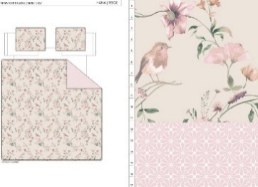
Vendor | Line No. | Photo | VIN/Art No. | Brand | Licensor | Product Category | Pattern | Item Description | Description-Short | Fabrication | Material-Short | Size/Spec. | Color | Customer Item# | Item No. | UPC | Unit of Measure | China RMB Cost | Exchange Rate | FOB Cost $ (Formula) | FOB Cost $ (Value) | UCCPM Price | Package Type | Carton Size L (cm) | Carton Size W (cm) | Carton Size H (cm) | Carton Gross Weight (kg) | Case Pack | Cubic Meter per Carton | Total Units per 40ft Container | 40ft Container Freight | Ocean Freight per Item $ | HTS Code | Duty Rate | Duty per Item $ | LDP Cost $ | DA % | DA $ | General Load % | General Load $ | Warehouse Charge % | Warehouse Charge $ | Load 1 | Load 1 % | Load 1 $ | Total Load $ | LDP Cost with Load $ | JLA LDP MU% | JLA POE Price Quote (Formula) | JLA POE Price Quote (Value) | Suggested Retail Price | Retailer Markup (Value) | Retailer Markup (Formula) | Total Quantity | Total Cost | Total Sales | ship date | S/W
 | 1 |  |  | N Natori Studio | N Natori Studio 5% | QUILT | HANA | Hanging 3pc Quilt Set | Hanging 3pc Quilt Set | Quilt/Shams: 85gsm microfiber rotary print on front and print reverse. 140gsm polyester fill. Stitch quilted. Hanger packaging. | 100% polyester | Queen: 90x90"/20x26+1/2“(2) | TAN |  |  |  | Set | ¥61.10 | 8.10 | $7.54 | $7.54 |  | Normal | 45.0 | 43.0 | 20.0 |  | 2 | 0.039 | 3333 | 3300 | $0.99 | 9404.40.9022 | 42.80% | $3.23 | $11.76 |  | $0.00 |  | $0.00 |  | $0.00 |  | 5.00% | $0.76 | $0.76 | $12.52 | 17.43% | $15.16 | $15.16 | $29.99 | 49.45% | 49.45% | 1000 | $12,518.00 | $15,160.00 | 2026-01-02 | 2/11-2/17/2026
 | 2 |  |  | N Natori Studio | N Natori Studio 5% | QUILT | HANA | Hanging 3pc Quilt Set | Hanging 3pc Quilt Set | Quilt/Shams: 85gsm microfiber rotary print on front and print reverse. 140gsm polyester fill. Stitch quilted. Hanger packaging. | 100% polyester | King: 104x90"/20x36+1/2“(2) | TAN |  |  |  | Set | ¥68.80 | 8.10 | $8.49 | $8.49 |  | Normal | 45.0 | 43.0 | 23.0 |  | 2 | 0.045 | 2889 | 3300 | $1.14 | 9404.40.9022 | 42.80% | $3.63 | $13.26 |  | $0.00 |  | $0.00 |  | $0.00 |  | 5.00% | $0.84 | $0.84 | $14.10 | 16.12% | $16.81 | $16.81 | $34.99 | 51.96% | 51.96% | 1000 | $14,100.50 | $16,810.00
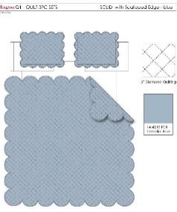
 | 3 |  |  |  |  | QUILT | SCALLOP | Hanging 3pc Quilt Set | Hanging 3pc Quilt Set | 85gsm microfiber brushed fabric in solid front and reverse. Prewashed finish. 140gsm poly fill. Stitch quilting. Hanger packaging. | 100% polyester | Queen: 90x90"/20x26"(2pcs) | BLUE |  | BCF14-3976 |  | Set | ¥63.10 | 8.10 | $7.79 | $7.79 |  | Normal | 45.0 | 43.0 | 22.0 |  | 2 | 0.043 | 3023 | 3300 | $1.09 | 9404.40.9022 | 42.80% | $3.33 | $12.21 |  | $0.00 |  | $0.00 |  | $0.00 |  |  | $0.00 | $0.00 | $12.21 | 15.97% | $14.53 | $14.53 | $29.99 | 51.55% | 51.55% | 1500 | $18,315.00 | $21,795.00 | 2025-12-26 | 2/4-2/10/2026
 | 4 |  |  |  |  | QUILT | SCALLOP | Hanging 3pc Quilt Set | Hanging 3pc Quilt Set | 85gsm microfiber brushed fabric in solid front and reverse. Prewashed finish. 140gsm poly fill. Stitch quilting. Hanger packaging. | 100% polyester | King: 104x90"/20x36"(2pcs) | BLUE |  | BCF14-3977 |  | Set | ¥72.00 | 8.10 | $8.89 | $8.89 |  | Normal | 45.0 | 43.0 | 25.0 |  | 2 | 0.048 | 2708 | 3300 | $1.22 | 9404.40.9022 | 42.80% | $3.80 | $13.91 |  | $0.00 |  | $0.00 |  | $0.00 |  |  | $0.00 | $0.00 | $13.91 | 16.86% | $16.73 | $16.73 | $34.99 | 52.19% | 52.19% | 1000 | $13,910.00 | $16,730.00
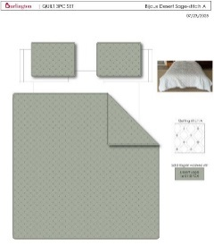
 | 5 |  |  | Wendy Bellissimo Home |  | QUILT | SOLID | Hanging 3pc Quilt Set | Hanging 3pc Quilt Set | FRONT 85gsm microfiber solid, Ultra soft Prewash with embroidery Quilting. 120gsm poly fill. Hanging packaging. | 100% polyester | Full/Queen: 90x90"/20x26"(2) | GREEN |  | BCF14-3978 |  | Set | ¥66.80 | 8.10 | $8.25 | $8.25 |  | Normal | 45.0 | 43.0 | 25.0 |  | 2 | 0.048 | 2708 | 3300 | $1.22 | 9404.40.9022 | 42.80% | $3.53 | $13.00 |  | $0.00 |  | $0.00 |  | $0.00 |  |  | $0.00 | $0.00 | $13.00 | 16.51% | $15.57 | $15.57 | $29.99 | 48.08% | 48.08% | 1000 | $13,000.00 | $15,570.00 | 2025-12-19 | 1/28-2/3/2026
 | 6 |  |  | Wendy Bellissimo Home |  | QUILT | SOLID | Hanging 3pc Quilt Set | Hanging 3pc Quilt Set | FRONT 85gsm microfiber solid, Ultra soft Prewash with embroidery Quilting. 120gsm poly fill. Hanging packaging. | 100% polyester | King: 104x90"/20x36"(2) | GREEN |  | BCF14-3979 |  | Set | ¥77.30 | 8.10 | $9.54 | $9.54 |  | Normal | 45.0 | 43.0 | 28.0 |  | 2 | 0.054 | 2407 | 3300 | $1.37 | 9404.40.9022 | 42.80% | $4.08 | $14.99 |  | $0.00 |  | $0.00 |  | $0.00 |  |  | $0.00 | $0.00 | $14.99 | 15.31% | $17.70 | $17.70 | $34.99 | 49.41% | 49.41% | 1000 | $14,990.00 | $17,700.00
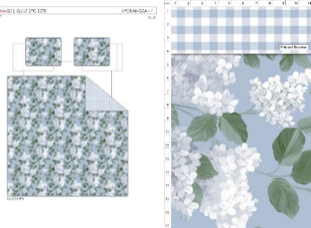
 | 7 |  |  |  |  | QUILT | HYDRANGEA | Hanging 3pc Quilt Set | Hanging 3pc Quilt Set | Quilt/Shams: 85gsm microfiber rotary print on front and print reverse. 140gsm polyester fill. Stitch quilted. Hanger packaging. | 100% polyester | Queen: 90x90"/20x26+1/2“(2) | BLUE |  | BCF14-3980 |  | Set | ¥61.10 | 8.10 | $7.54 | $7.54 |  | Normal | 45.0 | 43.0 | 20.0 |  | 2 | 0.039 | 3333 | 3300 | $0.99 | 9404.40.9022 | 42.80% | $3.23 | $11.76 |  | $0.00 |  | $0.00 |  | $0.00 |  |  | $0.00 | $0.00 | $11.76 | 17.76% | $14.30 | $14.30 | $29.99 | 52.32% | 52.32% | 1750 | $20,580.00 | $25,025.00 | 2026-01-09 | 2/18-2/24/2026
 | 8 |  |  |  |  | QUILT | HYDRANGEA | Hanging 3pc Quilt Set | Hanging 3pc Quilt Set | Quilt/Shams: 85gsm microfiber rotary print on front and print reverse. 140gsm polyester fill. Stitch quilted. Hanger packaging. | 100% polyester | King: 104x90"/20x36+1/2“(2) | BLUE |  | BCF14-3981 |  | Set | ¥68.80 | 8.10 | $8.49 | $8.49 |  | Normal | 45.0 | 43.0 | 23.0 |  | 2 | 0.045 | 2889 | 3300 | $1.14 | 9404.40.9022 | 42.80% | $3.63 | $13.26 |  | $0.00 |  | $0.00 |  | $0.00 |  |  | $0.00 | $0.00 | $13.26 | 16.39% | $15.86 | $15.86 | $34.99 | 54.67% | 54.67% | 1750 | $23,205.00 | $27,755.00
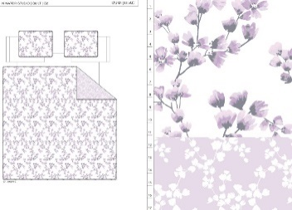
 | 9 |  |  | N Natori Studio | N Natori Studio 5% | QUILT | IZUMI | Hanging 3pc Quilt Set | Hanging 3pc Quilt Set | Quilt/Shams: 85gsm microfiber rotary print on front and print reverse. 140gsm polyester fill. Stitch quilted. Hanger packaging. | 100% polyester | Queen: 90x90"/20x26+1/2“(2) | PURPLE |  |  |  | Set | ¥61.10 | 8.10 | $7.54 | $7.54 |  | Normal | 45.0 | 43.0 | 20.0 |  | 2 | 0.039 | 3333 | 3300 | $0.99 | 9404.40.9022 | 42.80% | $3.23 | $11.76 |  | $0.00 |  | $0.00 |  | $0.00 |  | 5.00% | $0.76 | $0.76 | $12.52 | 17.43% | $15.16 | $15.16 | $29.99 | 49.45% | 49.45% | 1000 | $12,518.00 | $15,160.00 | 2025-12-12 | 1/21-1/27/2026
 | 10 |  |  | N Natori Studio | N Natori Studio 5% | QUILT | IZUMI | Hanging 3pc Quilt Set | Hanging 3pc Quilt Set | Quilt/Shams: 85gsm microfiber rotary print on front and print reverse. 140gsm polyester fill. Stitch quilted. Hanger packaging. | 100% polyester | King: 104x90"/20x36+1/2“(2) | PURPLE |  |  |  | Set | ¥68.80 | 8.10 | $8.49 | $8.49 |  | Normal | 45.0 | 43.0 | 23.0 |  | 2 | 0.045 | 2889 | 3300 | $1.14 | 9404.40.9022 | 42.80% | $3.63 | $13.26 |  | $0.00 |  | $0.00 |  | $0.00 |  | 5.00% | $0.84 | $0.84 | $14.10 | 16.12% | $16.81 | $16.81 | $34.99 | 51.96% | 51.96% | 1000 | $14,100.50 | $16,810.00
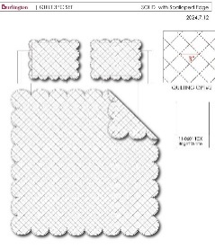
 | 11 |  |  |  |  | QUILT | SCALLOP | Hanging 3pc Quilt Set | Hanging 3pc Quilt Set | 85gsm microfiber brushed fabric in solid front and reverse. Prewashed finish. 140gsm poly fill. Stitch quilting. Hanger packaging. | 100% polyester | Queen: 90x90"/20x26"(2pcs) | WHITE |  | BCF14-3982 |  | Set | ¥63.10 | 8.10 | $7.79 | $7.79 |  | Normal | 45.0 | 43.0 | 22.0 |  | 2 | 0.043 | 3023 | 3300 | $1.09 | 9404.40.9022 | 42.80% | $3.33 | $12.21 |  | $0.00 |  | $0.00 |  | $0.00 |  |  | $0.00 | $0.00 | $12.21 | 15.97% | $14.53 | $14.53 | $29.99 | 51.55% | 51.55% | 1000 | $12,210.00 | $14,530.00 | 2025-12-12 | 1/21-1/27/2026
 | 12 |  |  |  |  | QUILT | SCALLOP | Hanging 3pc Quilt Set | Hanging 3pc Quilt Set | 85gsm microfiber brushed fabric in solid front and reverse. Prewashed finish. 140gsm poly fill. Stitch quilting. Hanger packaging. | 100% polyester | King: 104x90"/20x36"(2pcs) | WHITE |  | BCF14-3983 |  | Set | ¥72.00 | 8.10 | $8.89 | $8.89 |  | Normal | 45.0 | 43.0 | 25.0 |  | 2 | 0.048 | 2708 | 3300 | $1.22 | 9404.40.9022 | 42.80% | $3.80 | $13.91 |  | $0.00 |  | $0.00 |  | $0.00 |  |  | $0.00 | $0.00 | $13.91 | 16.86% | $16.73 | $16.73 | $34.99 | 52.19% | 52.19% | 1000 | $13,910.00 | $16,730.00
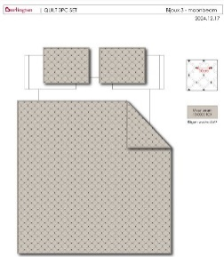
 | 13 |  |  | Wendy Bellissimo Home |  | QUILT | SOLID | Hanging 3pc Quilt Set | Hanging 3pc Quilt Set | FRONT 85gsm microfiber solid, Ultra soft Prewash with embroidery Quilting. 120gsm poly fill. Hanging packaging. | 100% polyester | Full/Queen: 90x90"/20x26"(2) | TAN |  | BCF14-3984 |  | Set | ¥66.80 | 8.10 | $8.25 | $8.25 |  | Normal | 45.0 | 43.0 | 25.0 |  | 2 | 0.048 | 2708 | 3300 | $1.22 | 9404.40.9022 | 42.80% | $3.53 | $13.00 |  | $0.00 |  | $0.00 |  | $0.00 |  |  | $0.00 | $0.00 | $13.00 | 16.51% | $15.57 | $15.57 | $29.99 | 48.08% | 48.08% | 750 | $9,750.00 | $11,677.50 | 2025-12-12 | 1/21-1/27/2026
 | 14 |  |  | Wendy Bellissimo Home |  | QUILT | SOLID | Hanging 3pc Quilt Set | Hanging 3pc Quilt Set | FRONT 85gsm microfiber solid, Ultra soft Prewash with embroidery Quilting. 120gsm poly fill. Hanging packaging. | 100% polyester | King: 104x90"/20x36"(2) | TAN |  | BCF14-3985 |  | Set | ¥77.30 | 8.10 | $9.54 | $9.54 |  | Normal | 45.0 | 43.0 | 28.0 |  | 2 | 0.054 | 2407 | 3300 | $1.37 | 9404.40.9022 | 42.80% | $4.08 | $14.99 |  | $0.00 |  | $0.00 |  | $0.00 |  |  | $0.00 | $0.00 | $14.99 | 15.31% | $17.70 | $17.70 | $34.99 | 49.41% | 49.41% | 750 | $11,242.50 | $13,275.00
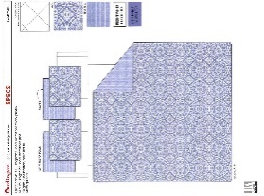
 | 15 |  |  | Wendy Bellissimo Home |  | QUILT | SANTORINI | Hanging 3pc Quilt Set | Hanging 3pc Quilt Set | Quilt/Shams: 85gsm microfiber rotary print on front and print reverse. 140gsm polyester fill. Stitch quilted. Hanger packaging. | 100% polyester | Queen: 90x90"/20x26+1/2“(2) | BLUE |  | BCF14-3986 |  | Set | ¥61.10 | 8.10 | $7.54 | $7.54 |  | Normal | 45.0 | 43.0 | 20.0 |  | 2 | 0.039 | 3333 | 3300 | $0.99 | 9404.40.9022 | 42.80% | $3.23 | $11.76 |  | $0.00 |  | $0.00 |  | $0.00 |  |  | $0.00 | $0.00 | $11.76 | 17.76% | $14.30 | $14.30 | $29.99 | 52.32% | 52.32% | 1750 | $20,580.00 | $25,025.00 | 2025-12-12 | 1/21-1/27/2026
 | 16 |  |  | Wendy Bellissimo Home |  | QUILT | SANTORINI | Hanging 3pc Quilt Set | Hanging 3pc Quilt Set | Quilt/Shams: 85gsm microfiber rotary print on front and print reverse. 140gsm polyester fill. Stitch quilted. Hanger packaging. | 100% polyester | King: 104x90"/20x36+1/2“(2) | BLUE |  | BCF14-3987 |  | Set | ¥68.80 | 8.10 | $8.49 | $8.49 |  | Normal | 45.0 | 43.0 | 23.0 |  | 2 | 0.045 | 2889 | 3300 | $1.14 | 9404.40.9022 | 42.80% | $3.63 | $13.26 |  | $0.00 |  | $0.00 |  | $0.00 |  |  | $0.00 | $0.00 | $13.26 | 16.39% | $15.86 | $15.86 | $34.99 | 54.67% | 54.67% | 1750 | $23,205.00 | $27,755.00
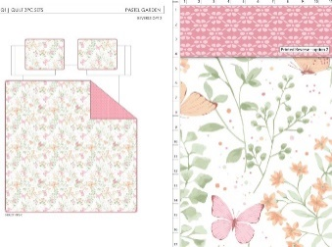
 | 17 |  |  |  |  | QUILT | PASTEL GARDEN | Hanging 3pc Quilt Set | Hanging 3pc Quilt Set | Quilt/Shams: 85gsm microfiber rotary print on front and print reverse. 140gsm polyester fill. Stitch quilted. Hanger packaging. | 100% polyester | Queen: 90x90"/20x26+1/2“(2) | PINK |  | BCF14-3988 |  | Set | ¥61.10 | 8.10 | $7.54 | $7.54 |  | Normal | 45.0 | 43.0 | 20.0 |  | 2 | 0.039 | 3333 | 3300 | $0.99 | 9404.40.9022 | 42.80% | $3.23 | $11.76 |  | $0.00 |  | $0.00 |  | $0.00 |  |  | $0.00 | $0.00 | $11.76 | 17.76% | $14.30 | $14.30 | $29.99 | 52.32% | 52.32% | 1250 | $14,700.00 | $17,875.00 | 2025-12-12 | 1/21-1/27/2026
 | 18 |  |  |  |  | QUILT | PASTEL GARDEN | Hanging 3pc Quilt Set | Hanging 3pc Quilt Set | Quilt/Shams: 85gsm microfiber rotary print on front and print reverse. 140gsm polyester fill. Stitch quilted. Hanger packaging. | 100% polyester | King: 104x90"/20x36+1/2“(2) | PINK |  | BCF14-3989 |  | Set | ¥68.80 | 8.10 | $8.49 | $8.49 |  | Normal | 45.0 | 43.0 | 23.0 |  | 2 | 0.045 | 2889 | 3300 | $1.14 | 9404.40.9022 | 42.80% | $3.63 | $13.26 |  | $0.00 |  | $0.00 |  | $0.00 |  |  | $0.00 | $0.00 | $13.26 | 16.39% | $15.86 | $15.86 | $34.99 | 54.67% | 54.67% | 1250 | $16,575.00 | $19,825.00
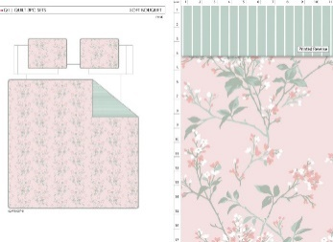
 | 19 |  |  |  |  | QUILT | SOFT BOUQUETTE | Hanging 3pc Quilt Set | Hanging 3pc Quilt Set | Quilt/Shams: 85gsm microfiber rotary print on front and print reverse. 140gsm polyester fill. Stitch quilted. Hanger packaging. | 100% polyester | Queen: 90x90"/20x26+1/2“(2) | PINK |  | BCF14-3990 |  | Set | ¥61.10 | 8.10 | $7.54 | $7.54 |  | Normal | 45.0 | 43.0 | 20.0 |  | 2 | 0.039 | 3333 | 3300 | $0.99 | 9404.40.9022 | 42.80% | $3.23 | $11.76 |  | $0.00 |  | $0.00 |  | $0.00 |  |  | $0.00 | $0.00 | $11.76 | 17.76% | $14.30 | $14.30 | $29.99 | 52.32% | 52.32% | 750 | $8,820.00 | $10,725.00 | 2025-12-12 | 1/21-1/27/2026
 | 20 |  |  |  |  | QUILT | SOFT BOUQUETTE | Hanging 3pc Quilt Set | Hanging 3pc Quilt Set | Quilt/Shams: 85gsm microfiber rotary print on front and print reverse. 140gsm polyester fill. Stitch quilted. Hanger packaging. | 100% polyester | King: 104x90"/20x36+1/2“(2) | PINK |  | BCF14-3991 |  | Set | ¥68.80 | 8.10 | $8.49 | $8.49 |  | Normal | 45.0 | 43.0 | 23.0 |  | 2 | 0.045 | 2889 | 3300 | $1.14 | 9404.40.9022 | 42.80% | $3.63 | $13.26 |  | $0.00 |  | $0.00 |  | $0.00 |  |  | $0.00 | $0.00 | $13.26 | 16.39% | $15.86 | $15.86 | $34.99 | 54.67% | 54.67% | 750 | $9,945.00 | $11,895.00
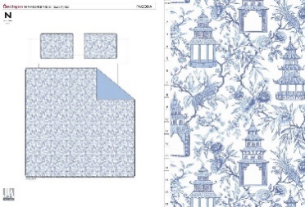
 | 21 |  |  | N Natori Studio | N Natori Studio 5% | QUILT | PAGODA | Hanging 3pc Quilt Set | Hanging 3pc Quilt Set | Quilt/Shams: 85gsm microfiber rotary print on front and print reverse. 140gsm polyester fill. Stitch quilted. Hanger packaging. | 100% polyester | Queen: 90x90"/20x26+1/2“(2) | BLUE |  |  |  | Set | ¥61.10 | 8.10 | $7.54 | $7.54 |  | Normal | 45.0 | 43.0 | 20.0 |  | 2 | 0.039 | 3333 | 3300 | $0.99 | 9404.40.9022 | 42.80% | $3.23 | $11.76 |  | $0.00 |  | $0.00 |  | $0.00 |  | 5.00% | $0.76 | $0.76 | $12.52 | 17.43% | $15.16 | $15.16 | $29.99 | 49.45% | 49.45% | 1000 | $12,518.00 | $15,160.00 | 2025-12-26 | 2/4-2/10/2026
 | 22 |  |  | N Natori Studio | N Natori Studio 5% | QUILT | PAGODA | Hanging 3pc Quilt Set | Hanging 3pc Quilt Set | Quilt/Shams: 85gsm microfiber rotary print on front and print reverse. 140gsm polyester fill. Stitch quilted. Hanger packaging. | 100% polyester | King: 104x90"/20x36+1/2“(2) | BLUE |  |  |  | Set | ¥68.80 | 8.10 | $8.49 | $8.49 |  | Normal | 45.0 | 43.0 | 23.0 |  | 2 | 0.045 | 2889 | 3300 | $1.14 | 9404.40.9022 | 42.80% | $3.63 | $13.26 |  | $0.00 |  | $0.00 |  | $0.00 |  | 5.00% | $0.84 | $0.84 | $14.10 | 16.12% | $16.81 | $16.81 | $34.99 | 51.96% | 51.96% | 1000 | $14,100.50 | $16,810.00
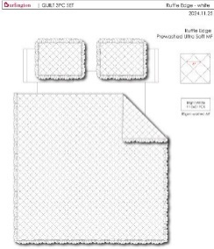
 | 23 |  |  |  |  | QUILT | RUFFLE | Hanging 3pc Quilt Set | Hanging 3pc Quilt Set | FRONT 85gsm microfiber solid, Ultra soft Prewash Diamond Quilted Ruffle Edge. 150gsm poly fill. Hanging packaging. | 100% polyester | Queen: 90x90"/20x26+2“(2) | WHITE |  | BCF14-3992 |  | Set | ¥66.50 | 8.10 | $8.21 | $8.21 |  | Normal | 45.0 | 42.0 | 20.0 |  | 2 | 0.038 | 3421 | 3300 | $0.96 | 9404.40.9022 | 42.80% | $3.51 | $12.68 |  | $0.00 |  | $0.00 |  | $0.00 |  |  | $0.00 | $0.00 | $12.68 | 16.08% | $15.11 | $15.11 | $34.99 | 56.82% | 56.82% | 1500 | $19,020.00 | $22,665.00 | 2025-12-26 | 2/4-2/10/2026
 | 24 |  |  |  |  | QUILT | RUFFLE | Hanging 3pc Quilt Set | Hanging 3pc Quilt Set | FRONT 85gsm microfiber solid, Ultra soft Prewash Diamond Quilted Ruffle Edge. 150gsm poly fill. Hanging packaging. | 100% polyester | King: 104x90"/20x36+2“(2) | WHITE |  | BCF14-3993 |  | Set | ¥75.70 | 8.10 | $9.35 | $9.35 |  | Normal | 45.0 | 42.0 | 23.0 |  | 2 | 0.043 | 3023 | 3300 | $1.09 | 9404.40.9022 | 42.80% | $4.00 | $14.44 |  | $0.00 |  | $0.00 |  | $0.00 |  |  | $0.00 | $0.00 | $14.44 | 15.90% | $17.17 | $17.17 | $39.99 | 57.06% | 57.06% | 1000 | $14,440.00 | $17,170.00
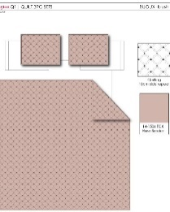
 | 25 |  |  |  |  | QUILT | SOLID | Hanging 3pc Quilt Set | Hanging 3pc Quilt Set | FRONT 85gsm microfiber solid, Ultra soft Prewash with embroidery Quilting. 120gsm poly fill. Hanging packaging. | 100% polyester | Full/Queen: 90x90"/20x26"(2) | PINK |  | BCF14-3994 |  | Set | ¥66.80 | 8.10 | $8.25 | $8.25 |  | Normal | 45.0 | 43.0 | 25.0 |  | 2 | 0.048 | 2708 | 3300 | $1.22 | 9404.40.9022 | 42.80% | $3.53 | $13.00 |  | $0.00 |  | $0.00 |  | $0.00 |  |  | $0.00 | $0.00 | $13.00 | 16.51% | $15.57 | $15.57 | $29.99 | 48.08% | 48.08% | 1250 | $16,250.00 | $19,462.50 | 2026-01-16 | 2/25-3/3/2026
 | 26 |  |  |  |  | QUILT | SOLID | Hanging 3pc Quilt Set | Hanging 3pc Quilt Set | FRONT 85gsm microfiber solid, Ultra soft Prewash with embroidery Quilting. 120gsm poly fill. Hanging packaging. | 100% polyester | King: 104x90"/20x36"(2) | PINK |  | BCF14-3995 |  | Set | ¥77.30 | 8.10 | $9.54 | $9.54 |  | Normal | 45.0 | 43.0 | 28.0 |  | 2 | 0.054 | 2407 | 3300 | $1.37 | 9404.40.9022 | 42.80% | $4.08 | $14.99 |  | $0.00 |  | $0.00 |  | $0.00 |  |  | $0.00 | $0.00 | $14.99 | 15.31% | $17.70 | $17.70 | $34.99 | 49.41% | 49.41% | 1250 | $18,737.50 | $22,125.00
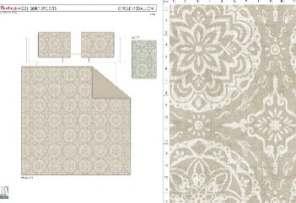
 | 27 |  |  | Wendy Bellissimo Home |  | QUILT | CIRCLE MEDALLION | Hanging 3pc Quilt Set | Hanging 3pc Quilt Set | Quilt/Shams: 85gsm microfiber rotary print on front and print reverse. 140gsm polyester fill. Stitch quilted. Hanger packaging. | 100% polyester | Queen: 90x90"/20x26+1/2“(2) | TAN |  | BCF14-3996 |  | Set | ¥61.10 | 8.10 | $7.54 | $7.54 |  | Normal | 45.0 | 43.0 | 20.0 |  | 2 | 0.039 | 3333 | 3300 | $0.99 | 9404.40.9022 | 42.80% | $3.23 | $11.76 |  | $0.00 |  | $0.00 |  | $0.00 |  |  | $0.00 | $0.00 | $11.76 | 17.76% | $14.30 | $14.30 | $29.99 | 52.32% | 52.32% | 750 | $8,820.00 | $10,725.00 | 2025-12-26 | 2/4-2/10/2026
 | 28 |  |  | Wendy Bellissimo Home |  | QUILT | CIRCLE MEDALLION | Hanging 3pc Quilt Set | Hanging 3pc Quilt Set | Quilt/Shams: 85gsm microfiber rotary print on front and print reverse. 140gsm polyester fill. Stitch quilted. Hanger packaging. | 100% polyester | King: 104x90"/20x36+1/2“(2) | TAN |  | BCF14-3997 |  | Set | ¥68.80 | 8.10 | $8.49 | $8.49 |  | Normal | 45.0 | 43.0 | 23.0 |  | 2 | 0.045 | 2889 | 3300 | $1.14 | 9404.40.9022 | 42.80% | $3.63 | $13.26 |  | $0.00 |  | $0.00 |  | $0.00 |  |  | $0.00 | $0.00 | $13.26 | 16.39% | $15.86 | $15.86 | $34.99 | 54.67% | 54.67% | 750 | $9,945.00 | $11,895.00

