Sheet1
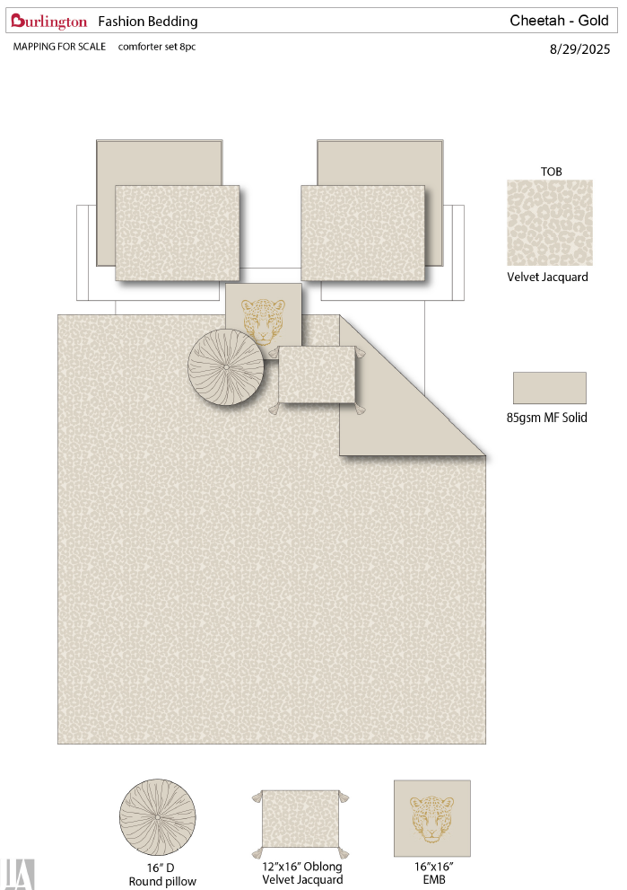
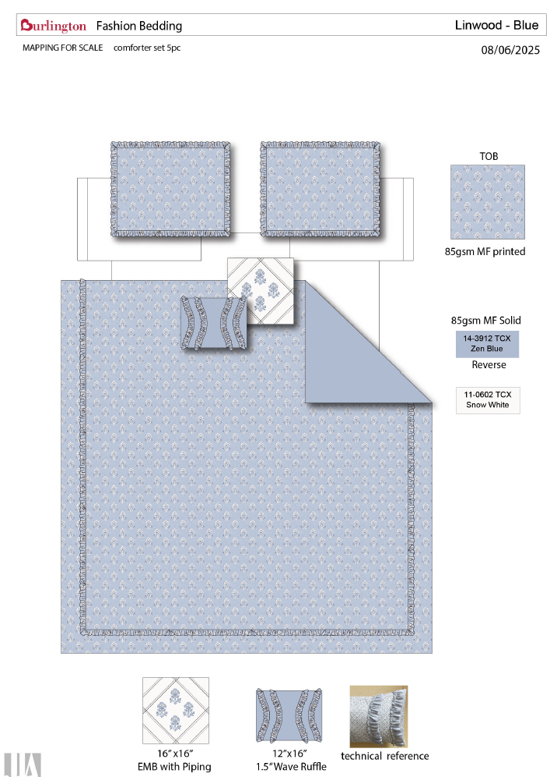
Vendor | Line No. | Photo | VIN/Art No. | Brand | Licensor | Product Category | Pattern | Item Description | Description-Short | Fabrication | Material-Short | Size/Spec. | Color | Customer Item# | Item No. | UPC | Unit of Measure | China RMB Cost | Exchange Rate | FOB Cost $ (Formula) | FOB Cost $ (Value) | UCCPM Price | Package Type | Carton Size L (cm) | Carton Size W (cm) | Carton Size H (cm) | Carton Gross Weight (kg) | Case Pack | Cubic Meter per Carton | Total Units per 40ft Container | 40ft Container Freight | Ocean Freight per Item $ | HTS Code | Duty Rate | Duty per Item $ | LDP Cost $ | DA % | DA $ | General Load % | General Load $ | Warehouse Charge % | Warehouse Charge $ | Load 1 | Load 1 % | Load 1 $ | Total Load $ | LDP Cost with Load $ | JLA LDP MU% | JLA POE Price Quote (Formula) | JLA POE Price Quote (Value) | Suggested Retail Price | Retailer Markup (Value) | Retailer Markup (Formula) | Total Quantity | Total Cost | Total Sales | ship date | s/w
 | 1 |  |  | BEBE |  | COMFORTER (SET) | CHEETAH | 100% Polyester jacquard 8pc Comforter Set | 8pc Comforter Set | Comforter/Shams: Front 330gsm poly jacquard velvet. Back: 85gsm solid microfiber. Filling: 250gsm polyester. Pillow: microfiber cover, poly fill Euro: microfiber solid. | 100% Polyester jacquard | Full/Queen: 90x90"/20x26"(2) Pillow 16X16"/12x16"/12x16" Euro sham 26x26"(2) | Gold |  |  |  | Set | ¥150.50 | 8.10 | $18.58 | $18.58 |  | Normal | 57.0 | 52.0 | 56.0 |  | 2 | 0.166 | 783 | 3300 | $4.21 | 9404.40.9022 | 42.80% | $7.95 | $30.74 |  | $0.00 |  | $0.00 |  | $0.00 |  |  | $0.00 | $0.00 | $30.74 | 9.59% | $34.00 | $34.00 | $64.99 | 47.68% | 47.68% | 2000 | $61,484.48 | $68,000.00 | 12/26/2025 | 2/4-2/10/2026
 | 2 |  |  |  |  | COMFORTER (SET) | Linwood | 100% Polyester printed 5pc Comforter Set | 5pc Comforter Set | Comforter/Shams: Front 85 gsm microfiber print, with Ruffle. BACK 85gsm solid microfiber. Filling: 250gsm polyester. Pillow: microfiber cover, poly fill | 100% Polyester printed | Full/Queen: Comforter set 90x90"/20x26"(2) Pillow 16X16"/12x16" | Blue |  |  |  | Set | ¥97.00 | 8.10 | $11.98 | $11.98 |  | Normal | 59.0 | 54.0 | 48.0 |  | 2 | 0.153 | 850 | 3300 | $3.88 | 9404.40.9022 | 42.80% | $5.13 | $20.99 |  | $0.00 |  | $0.00 |  | $0.00 |  |  | $0.00 | $0.00 | $20.99 | 19.27% | $26.00 | $26.00 | $49.99 | 47.99% | 47.99% | 2000 | $41,974.88 | $52,000.00 | 3/6/2026 | 4/15-4/21/2026
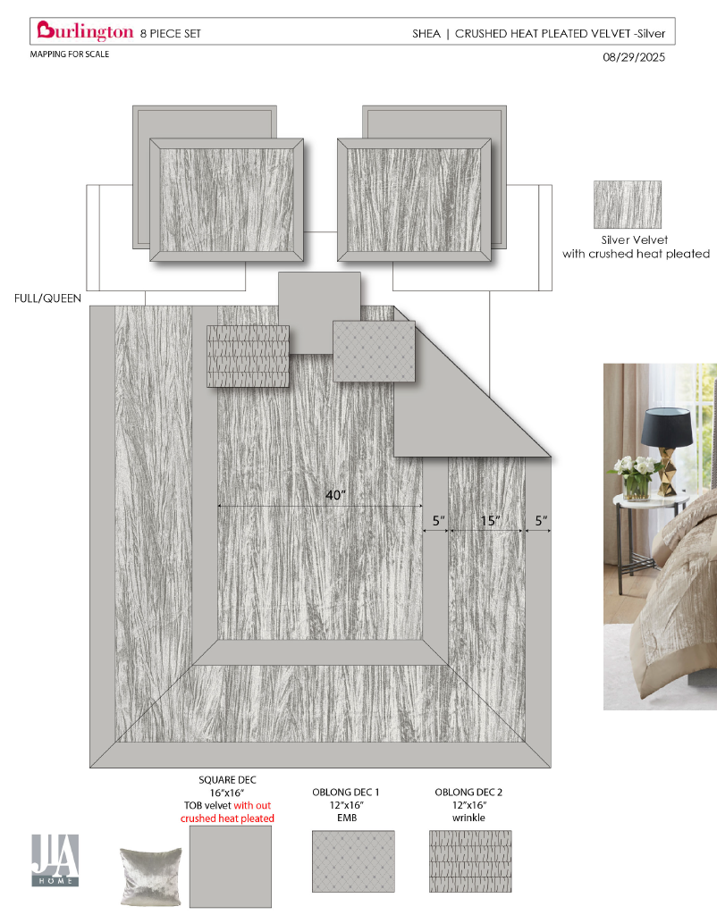
 | 3 |  |  | BEBE |  | COMFORTER (SET) | Shea | 100% Polyester Crushed Heat Pleat 8pc Comforter Set | 8pc Comforter Set | Comforter/Shams: Front Crushed Heat Pleat Poly Velvet pieced with charmeuse. Back: 85gsm microfiber reverse. 250gsm poly fill. Pillow: microfiber cover, poly fill Euros: microfiber solid | 100% Polyester Crushed Heat Pleat | Full/Queen: Comforter set 90x90"/20x26"(2) Pillow 16X16"/12x16"/12x16" Euro shams: 26x26"(2) | Sliver |  |  |  | Set | ¥136.00 | 8.10 | $16.79 | $16.79 |  | Normal | 62.0 | 54.0 | 54.0 |  | 2 | 0.181 | 719 | 3300 | $4.60 | 9404.40.9022 | 42.80% | $7.19 | $28.58 |  | $0.00 |  | $0.00 |  | $0.00 |  |  | $0.00 | $0.00 | $28.58 | 16.99% | $34.43 | $34.43 | $59.99 | 42.61% | 42.61% | 2000 | $57,152.24 | $68,860.00 | 12/26/2025 | 2/4-2/10/2026
 | 4 | 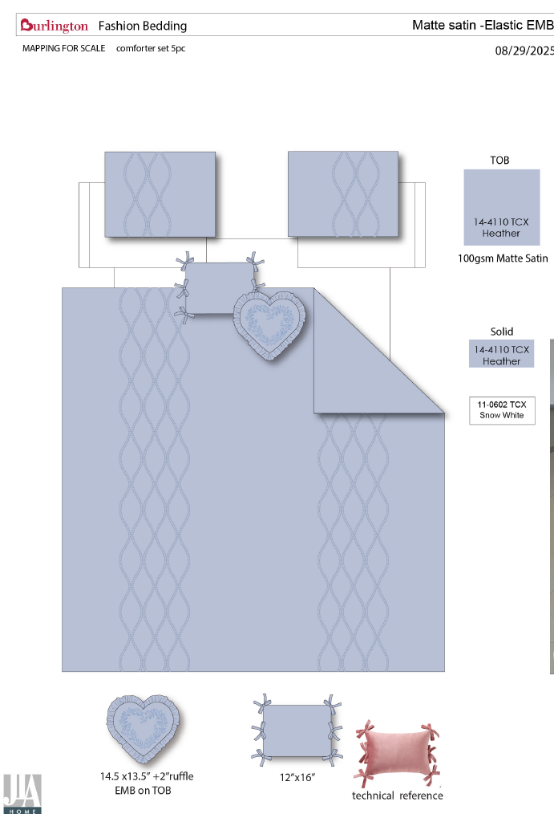 |  | Nanette Lepore |  | COMFORTER (SET) | Matte Stain | 100% Polyester matte satin ruching 5pc Comforter Set | 5pc Comforter Set | Comforter/shams: Front: 100gsm solid matte satin, ruching. Back: 85gsm microfiber solid. 250gsm poly fill Pillow: microfiber cover, poly fill, | 100% Polyester matte satin ruching | Full/Queen: Comforter set 90x90"/20x26"(2) Pillow 16X16"/12x16" | Ice Blue |  |  |  | Set | ¥114.00 | 8.10 | $14.07 | $14.07 |  | Normal | 62.0 | 55.0 | 48.0 |  | 2 | 0.164 | 794 | 3300 | $4.16 | 9404.40.9022 | 42.80% | $6.02 | $24.25 |  | $0.00 |  | $0.00 |  | $0.00 |  |  | $0.00 | $0.00 | $24.25 | 13.39% | $28.00 | $28.00 | $54.99 | 49.08% | 49.08% | 2000 | $48,503.92 | $56,000.00 | 1/23/2026 | 3/4-3/10/2026

