Item
Line No. | Photo | VIN/Art No. | Brand | Licensor | Product Category | Pattern | Item Description | Description-Short | Fabrication | Material-Short | Size/Spec. | Color | Customer Item# | Item No. | UPC | Unit of Measure | UCCPM Price / FOB Cost $ | Package Type | Packaging | Master Carton L (cm) | Master Carton W (cm) | Master Carton H (cm) | Carton Size L (cm) | Carton Size W (cm) | Carton Size H (cm) | Carton Gross Weight (kg) | Case Pack | Cubic Meter per Carton | Container Volume | Total Units per 40ft Container | 40ft Container Freight | Ocean Freight per Item $ | HTS Code | Duty Rate | Duty per Item $ | LDP Cost $ | DA % | DA $ | Royalty % | Royalty $ | Other Load | Other Load % | Other Load $ | Total Load $ | LDP Cost with Load $ | JLA LDP MU% | JLA POE Price | Suggested Retail Price | Retail Markup % | MOQ | Total Cost | Total Sales | Retailer Selling Price Total | Master Carton CBM | Master Carton Weight (kg) | Remarks
1 | 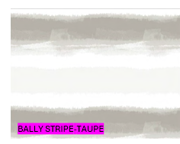 |  |  |  | Shower Curtain | BALLY STRIPE | 100% Polyester Printed 14pcs Shower Curtain Set | Shower Curtain - 14pc | SC: 100% polyester/110gsm poly slub, printed: Liner: 90% PE, 10% EVA, 6 gauge peva; 12pcs roller ball hooks | 100% Polyester | 72x72" | TAUPE |  | RS70-8443 |  | Piece | $3.15 | Normal |  | 37 | 31 | 40 | 37 | 31 | 40 | 11 | 12 | 0.046 | 63.00 | 16478 | 2,250 | $0.14 | 6303.12.0090 | 48.8% | $1.54 | $4.82 | 0.00% | $0.00 | 0.00% | $0.00 | $0.00 | 0.00% | $0.00 | $0.00 | $4.82 | 18.93% | $5.95 | $12.99 | 54.20% | 1008 | $4,862.34 | $5,997.60 | $13,093.92 | 3.85
2 |  |  |  |  | Shower Curtain | LOGAN | 100% Polyester Printed 14pcs Shower Curtain Set | Shower Curtain - 14pc | SC: 100% polyester/110gsm poly slub, printed: Liner: 90% PE, 10% EVA, 6 gauge peva; 12pcs roller ball hooks | 100% Polyester | 72x72" | BLK |  | RS70-8444 |  | Piece | $3.15 | Normal |  | 37 | 31 | 40 | 37 | 31 | 40 | 11 | 12 | 0.046 | 63.00 | 16478 | 2,250 | $0.14 | 6303.12.0090 | 48.8% | $1.54 | $4.82 | 0.00% | $0.00 | 0.00% | $0.00 | $0.00 | 0.00% | $0.00 | $0.00 | $4.82 | 18.93% | $5.95 | $12.99 | 54.20% | 1008 | $4,862.34 | $5,997.60 | $13,093.92 | 3.85
3 | 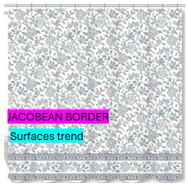 |  |  |  | Shower Curtain | JACOBEAN BORDER | 100% Polyester Printed 14pcs Shower Curtain Set | Shower Curtain - 14pc | SC: 100% polyester/110gsm poly slub, printed: Liner: 90% PE, 10% EVA, 6 gauge peva; 12pcs roller ball hooks | 100% Polyester | 72x72" | MULTI |  | RS70-8445 |  | Piece | $3.15 | Normal |  | 37 | 31 | 40 | 37 | 31 | 40 | 11 | 12 | 0.046 | 63.00 | 16478 | 2,250 | $0.14 | 6303.12.0090 | 48.8% | $1.54 | $4.82 | 0.00% | $0.00 | 0.00% | $0.00 | $0.00 | 0.00% | $0.00 | $0.00 | $4.82 | 18.93% | $5.95 | $12.99 | 54.20% | 1008 | $4,862.34 | $5,997.60 | $13,093.92 | 3.85
4 | 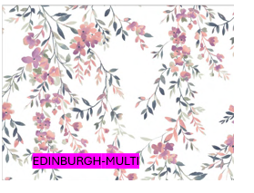 |  |  |  | Shower Curtain | EDINBURGH | 100% Polyester Printed 14pcs Shower Curtain Set | Shower Curtain - 14pc | SC: 100% polyester/110gsm poly slub, printed: Liner: 90% PE, 10% EVA, 6 gauge peva; 12pcs roller ball hooks | 100% Polyester | 72x72" | MULTI |  | RS70-8446 |  | Piece | $3.15 | Normal |  | 37 | 31 | 40 | 37 | 31 | 40 | 11 | 12 | 0.046 | 63.00 | 16478 | 2,250 | $0.14 | 6303.12.0090 | 48.8% | $1.54 | $4.82 | 0.00% | $0.00 | 0.00% | $0.00 | $0.00 | 0.00% | $0.00 | $0.00 | $4.82 | 18.93% | $5.95 | $12.99 | 54.20% | 1008 | $4,862.34 | $5,997.60 | $13,093.92 | 3.85
5 | 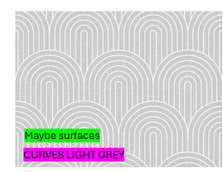 |  |  |  | Shower Curtain | CURVES | 100% Polyester Printed 14pcs Shower Curtain Set | Shower Curtain - 14pc | SC: 100% polyester/110gsm poly slub, printed: Liner: 90% PE, 10% EVA, 6 gauge peva; 12pcs roller ball hooks | 100% Polyester | 72x72" | LIGHT GREY |  | RS70-8447 |  | Piece | $3.15 | Normal |  | 37 | 31 | 40 | 37 | 31 | 40 | 11 | 12 | 0.046 | 63.00 | 16478 | 2,250 | $0.14 | 6303.12.0090 | 48.8% | $1.54 | $4.82 | 0.00% | $0.00 | 0.00% | $0.00 | $0.00 | 0.00% | $0.00 | $0.00 | $4.82 | 18.93% | $5.95 | $12.99 | 54.20% | 1008 | $4,862.34 | $5,997.60 | $13,093.92 | 3.85
6 | 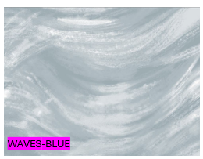 |  |  |  | Shower Curtain | WAVES | 100% Polyester Printed 14pcs Shower Curtain Set | Shower Curtain - 14pc | SC: 100% polyester/110gsm poly slub, printed: Liner: 90% PE, 10% EVA, 6 gauge peva; 12pcs roller ball hooks | 100% Polyester | 72x72" | BLUE |  | RS70-8448 |  | Piece | $3.15 | Normal |  | 37 | 31 | 40 | 37 | 31 | 40 | 11 | 12 | 0.046 | 63.00 | 16478 | 2,250 | $0.14 | 6303.12.0090 | 48.8% | $1.54 | $4.82 | 0.00% | $0.00 | 0.00% | $0.00 | $0.00 | 0.00% | $0.00 | $0.00 | $4.82 | 18.93% | $5.95 | $12.99 | 54.20% | 1008 | $4,862.34 | $5,997.60 | $13,093.92 | 3.85
7 | 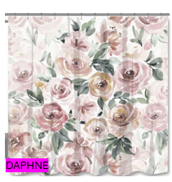 |  |  |  | Shower Curtain | DAPHNE | 100% Polyester Printed 14pcs Shower Curtain Set | Shower Curtain - 14pc | SC: 100% polyester/110gsm poly slub, printed: Liner: 90% PE, 10% EVA, 6 gauge peva; 12pcs roller ball hooks | 100% Polyester | 72x72" | MULTI |  | RS70-8449 |  | Piece | $3.15 | Normal |  | 37 | 31 | 40 | 37 | 31 | 40 | 11 | 12 | 0.046 | 63.00 | 16478 | 2,250 | $0.14 | 6303.12.0090 | 48.8% | $1.54 | $4.82 | 0.00% | $0.00 | 0.00% | $0.00 | $0.00 | 0.00% | $0.00 | $0.00 | $4.82 | 18.93% | $5.95 | $12.99 | 54.20% | 1008 | $4,862.34 | $5,997.60 | $13,093.92 | 3.85
8 | 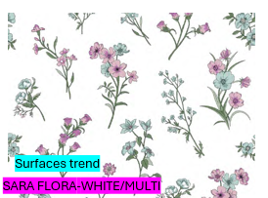 |  |  |  | Shower Curtain | SARA FLORAL | 100% Polyester Printed 14pcs Shower Curtain Set | Shower Curtain - 14pc | SC: 100% polyester/110gsm poly slub, printed: Liner: 90% PE, 10% EVA, 6 gauge peva; 12pcs roller ball hooks | 100% Polyester | 72x72" | WHITE/MULTI |  | RS70-8450 |  | Piece | $3.15 | Normal |  | 37 | 31 | 40 | 37 | 31 | 40 | 11 | 12 | 0.046 | 63.00 | 16478 | 2,250 | $0.14 | 6303.12.0090 | 48.8% | $1.54 | $4.82 | 0.00% | $0.00 | 0.00% | $0.00 | $0.00 | 0.00% | $0.00 | $0.00 | $4.82 | 18.93% | $5.95 | $12.99 | 54.20% | 1008 | $4,862.34 | $5,997.60 | $13,093.92 | 3.85
9 | 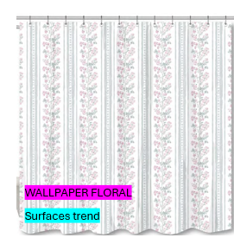 |  |  |  | Shower Curtain | WALLPAPER FLORAL | 100% Polyester Printed 14pcs Shower Curtain Set | Shower Curtain - 14pc | SC: 100% polyester/110gsm poly slub, printed: Liner: 90% PE, 10% EVA, 6 gauge peva; 12pcs roller ball hooks | 100% Polyester | 72x72" | MULTI |  | RS70-8451 |  | Piece | $3.15 | Normal |  | 37 | 31 | 40 | 37 | 31 | 40 | 11 | 12 | 0.046 | 63.00 | 16478 | 2,250 | $0.14 | 6303.12.0090 | 48.8% | $1.54 | $4.82 | 0.00% | $0.00 | 0.00% | $0.00 | $0.00 | 0.00% | $0.00 | $0.00 | $4.82 | 18.93% | $5.95 | $12.99 | 54.20% | 1008 | $4,862.34 | $5,997.60 | $13,093.92 | 3.85
10 | 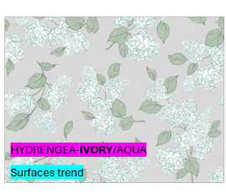 |  |  |  | Shower Curtain | HYDRENGEA | 100% Polyester Printed 14pcs Shower Curtain Set | Shower Curtain - 14pc | SC: 100% polyester/110gsm poly slub, printed: Liner: 90% PE, 10% EVA, 6 gauge peva; 12pcs roller ball hooks | 100% Polyester | 72x72" | IVORY/AQUA |  | RS70-8452 |  | Piece | $3.15 | Normal |  | 37 | 31 | 40 | 37 | 31 | 40 | 11 | 12 | 0.046 | 63.00 | 16478 | 2,250 | $0.14 | 6303.12.0090 | 48.8% | $1.54 | $4.82 | 0.00% | $0.00 | 0.00% | $0.00 | $0.00 | 0.00% | $0.00 | $0.00 | $4.82 | 18.93% | $5.95 | $12.99 | 54.20% | 1008 | $4,862.34 | $5,997.60 | $13,093.92 | 3.85
11 | 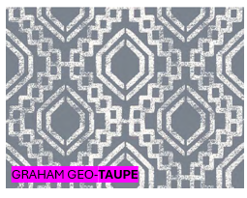 |  |  |  | Shower Curtain | GRAHAM GEO | 100% Polyester Printed 14pcs Shower Curtain Set | Shower Curtain - 14pc | SC: 100% polyester/110gsm poly slub, printed: Liner: 90% PE, 10% EVA, 6 gauge peva; 12pcs roller ball hooks | 100% Polyester | 72x72" | TAUPE |  | RS70-8453 |  | Piece | $3.15 | Normal |  | 37 | 31 | 40 | 37 | 31 | 40 | 11 | 12 | 0.046 | 63.00 | 16478 | 2,250 | $0.14 | 6303.12.0090 | 48.8% | $1.54 | $4.82 | 0.00% | $0.00 | 0.00% | $0.00 | $0.00 | 0.00% | $0.00 | $0.00 | $4.82 | 18.93% | $5.95 | $12.99 | 54.20% | 1008 | $4,862.34 | $5,997.60 | $13,093.92 | 3.85
12 | 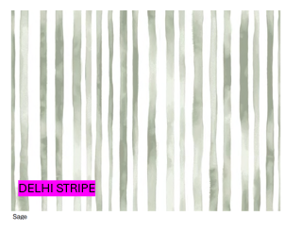 |  |  |  | Shower Curtain | DELHI STRIPE | 100% Polyester Printed 14pcs Shower Curtain Set | Shower Curtain - 14pc | SC: 100% polyester/110gsm poly slub, printed: Liner: 90% PE, 10% EVA, 6 gauge peva; 12pcs roller ball hooks | 100% Polyester | 72x72" | MULTI |  | RS70-8454 |  | Piece | $3.15 | Normal |  | 37 | 31 | 40 | 37 | 31 | 40 | 11 | 12 | 0.046 | 63.00 | 16478 | 2,250 | $0.14 | 6303.12.0090 | 48.8% | $1.54 | $4.82 | 0.00% | $0.00 | 0.00% | $0.00 | $0.00 | 0.00% | $0.00 | $0.00 | $4.82 | 18.93% | $5.95 | $12.99 | 54.20% | 1008 | $4,862.34 | $5,997.60 | $13,093.92 | 3.85
13 | 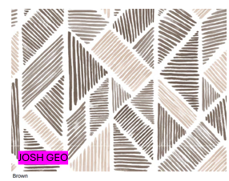 |  |  |  | Shower Curtain | JOSH GEO | 100% Polyester Printed 14pcs Shower Curtain Set | Shower Curtain - 14pc | SC: 100% polyester/110gsm poly slub, printed: Liner: 90% PE, 10% EVA, 6 gauge peva; 12pcs roller ball hooks | 100% Polyester | 72x72" | MULTI |  | RS70-8455 |  | Piece | $3.15 | Normal |  | 37 | 31 | 40 | 37 | 31 | 40 | 11 | 12 | 0.046 | 63.00 | 16478 | 2,250 | $0.14 | 6303.12.0090 | 48.8% | $1.54 | $4.82 | 0.00% | $0.00 | 0.00% | $0.00 | $0.00 | 0.00% | $0.00 | $0.00 | $4.82 | 18.93% | $5.95 | $12.99 | 54.20% | 1008 | $4,862.34 | $5,997.60 | $13,093.92 | 3.85
14 | 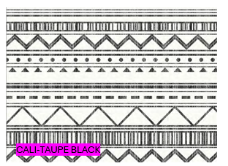 |  |  |  | Shower Curtain | CALI | 100% Polyester Printed 14pcs Shower Curtain Set | Shower Curtain - 14pc | SC: 100% polyester/110gsm poly slub, printed: Liner: 90% PE, 10% EVA, 6 gauge peva; 12pcs roller ball hooks | 100% Polyester | 72x72" | TAUPE BLACK |  | RS70-8456 |  | Piece | $3.15 | Normal |  | 37 | 31 | 40 | 37 | 31 | 40 | 11 | 12 | 0.046 | 63.00 | 16478 | 2,250 | $0.14 | 6303.12.0090 | 48.8% | $1.54 | $4.82 | 0.00% | $0.00 | 0.00% | $0.00 | $0.00 | 0.00% | $0.00 | $0.00 | $4.82 | 18.93% | $5.95 | $12.99 | 54.20% | 1008 | $4,862.34 | $5,997.60 | $13,093.92 | 3.85

