Item
Line No. | Photo | VIN/Art No. | Brand | Licensor | Product Category | Pattern | Item Description | Description-Short | Fabrication | Material-Short | Size/Spec. | Color | Customer Item# | Item No. | UPC | Unit of Measure | China RMB Cost | Exchange Rate | FOB Cost $ (Formula) | FOB Cost $ (Value) | UCCPM Price | Package Type | Carton Size L (cm) | Carton Size W (cm) | Carton Size H (cm) | Carton Gross Weight (kg) | Case Pack | Cubic Meter per Carton | Total Units per 40ft Container | 40ft Container Freight | Ocean Freight per Item $ | HTS Code | Duty Rate | Duty per Item $ | LDP Cost $ | DA % | DA $ | General Load % | General Load $ | Warehouse Charge % | Warehouse Charge $ | Load 1 | Load 1 % | Load 1 $ | Total Load $ | LDP Cost with Load $ | JLA LDP MU% | JLA POE Price Quote (Formula) | JLA POE Price Quote (Value) | Suggested Retail Price | Retailer Markup (Value) | Retailer Markup (Formula) | Total Quantity | Total Cost | Total Sales
¥2.00 | 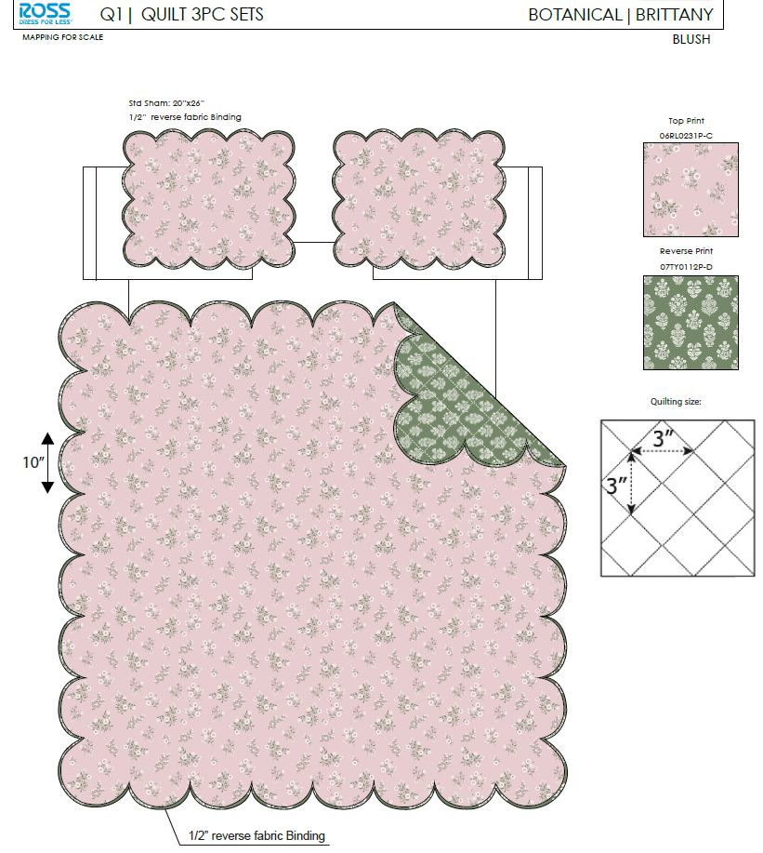 | 06RL0231P-C |  |  | QUILT | Brittany | 100% Polyester 3pc Hanging Print Quilt | 3pc Hanging Print Quilt | Face& Back：85gsm microfiber disperse print, with Scallop Edge Filling：180gsm slick Poly Fill. | 100% Polyester Hanging Print Quilt | Full/Queen: 86x86"/20x26+1.5"(2) | BLUSH |  | RS14-8419 |  | Piece | ¥61.20 | 8.10 | $7.56 | $7.56 |  | Normal | ¥44.00 | ¥41.00 | ¥25.00 | 5.30 | 2 | 0.045 | 2882 | ¥2,250.00 | $0.78 | 9404.40.9022 | 42.80% | $3.24 | $11.58 | 0.00% | $0.00 | 0.00% | $0.00 | 0.00% | $0.00 | 0.00% | 0.00% |  |  |  |  |  | $14.60 |  |  |  | ¥560.00 |  | $8,176.00
¥3.00 |  |  |  |  | QUILT | Brittany | 100% Polyester 3pc Hanging Print Quilt | 3pc Hanging Print Quilt | Face& Back：85gsm microfiber disperse print, with Scallop Edge Filling：180gsm slick Poly Fill. | 100% Polyester Hanging Print Quilt | King: 102x86"/20x36+1.5"(2) | BLUSH |  | RS14-8420 |  | Piece | ¥70.50 | 8.10 | $8.70 | $8.70 |  | Normal | ¥44.00 | ¥41.00 | ¥28.00 | 5.30 | 2 | 0.051 | 2574 | ¥2,250.00 | $0.87 | 9404.40.9022 | 42.80% | $3.72 | $13.30 | 0.00% | $0.00 | 0.00% | $0.00 | 0.00% | $0.00 | 0.00% | 0.00% | $0.00 | $0.00 | $13.30 | 22.33% |  | $17.12 |  |  |  | ¥840.00 | $11,170.19 | $14,380.80
¥8.00 | 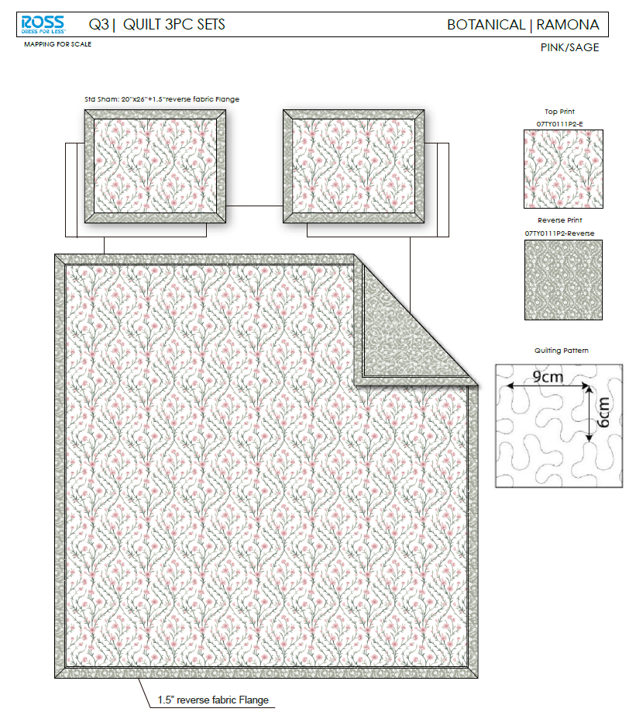 | 07TY0111P2-E |  |  | QUILT | Ramona | 100% Polyester 3pc Hanging Print Quilt | 3pc Hanging Print Quilt | Face& Back：85gsm microfiber disperse print, with 1.5" flange Filling：180gsm slick Poly Fill. | 100% Polyester Hanging Print Quilt | Full/Queen: 86x86"/20x26+1.5"(2) | Pink/Sage |  | RS14-8421 |  | Piece | ¥66.90 | 8.10 | $8.26 | $8.26 |  | Normal | ¥44.00 | ¥41.00 | ¥25.00 | 5.30 | 2 | 0.045 | 2882 | ¥2,250.00 | $0.78 | 9404.40.9022 | 42.80% | $3.54 | $12.58 | 0.00% | $0.00 | 0.00% | $0.00 | 0.00% | $0.00 | 0.00% | 0.00% | $0.00 | $0.00 | $12.58 | 15.37% |  | $14.86 |  |  |  | ¥715.00 | $8,991.74 | $10,624.90
¥9.00 |  |  |  |  | QUILT | Ramona | 100% Polyester 3pc Hanging Print Quilt | 3pc Hanging Print Quilt | Face& Back：85gsm microfiber disperse print, with 1.5" flange Filling：180gsm slick Poly Fill. | 100% Polyester Hanging Print Quilt | King: 102x86"/20x36+1.5"(2) | Pink/Sage |  | RS14-8422 |  | Piece | ¥76.60 | 8.10 | $9.46 | $9.46 |  | Normal | ¥44.00 | ¥41.00 | ¥28.00 | 5.30 | 2 | 0.051 | 2574 | ¥2,250.00 | $0.87 | 9404.40.9022 | 42.80% | $4.05 | $14.38 | 0.00% | $0.00 | 0.00% | $0.00 | 0.00% | $0.00 | 0.00% | 0.00% | $0.00 | $0.00 | $14.38 | 16.67% |  | $17.26 |  |  |  | ¥715.00 | $10,283.94 | $12,340.90
¥11.00 | 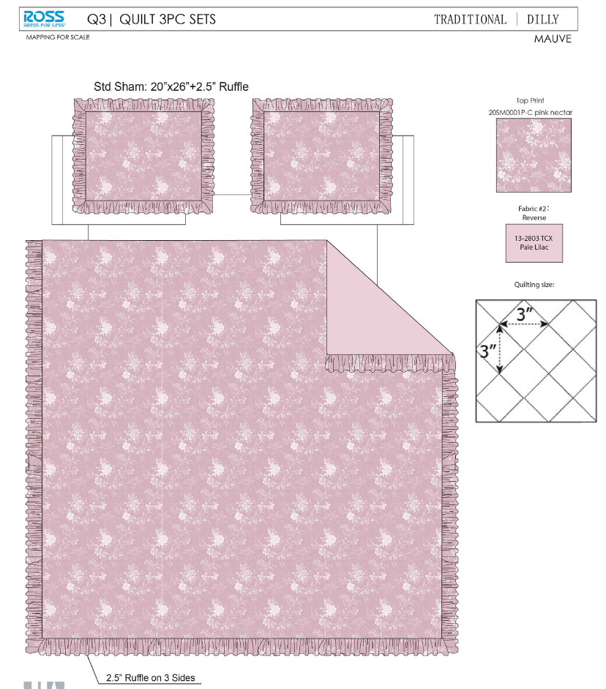 | 20SM0001P-C |  |  | QUILT | Dilly | 100% Polyester 3pc Hanging Print Quilt | 3pc Hanging Print Quilt | Face：85gsm microfiber disperse print, with 2.5" ruffle Back：85gsm microfiber solid Filling：180gsm slick Poly Fill. | 100% Polyester Hanging Print Quilt | Full/Queen: 86x86+2.5"/20x26+2.5"(2) | Pink |  | RS14-8423 |  | Piece | ¥66.00 | 8.10 | $8.15 | $8.15 |  | Normal | ¥44.00 | ¥41.00 | ¥25.00 | 5.30 | 2 | 0.045 | 2882 | ¥2,250.00 | $0.78 | 9404.40.9022 | 42.80% | $3.49 | $12.42 | 0.00% | $0.00 | 0.00% | $0.00 | 0.00% | $0.00 | 0.00% | 0.00% | $0.00 | $0.00 | $12.42 | 17.26% |  | $15.01 |  |  |  | ¥715.00 | $8,879.43 | $10,732.15
¥12.00 |  |  |  |  | QUILT | Dilly | 100% Polyester 3pc Hanging Print Quilt | 3pc Hanging Print Quilt | Face：85gsm microfiber disperse print, with 2.5" ruffle Back：85gsm microfiber solid Filling：180gsm slick Poly Fill. | 100% Polyester Hanging Print Quilt | King: 102x86+2.5"/20x36+2.5"(2) | Pink |  | RS14-8424 |  | Piece | ¥76.05 | 8.10 | $9.39 | $9.39 |  | Normal | ¥44.00 | ¥41.00 | ¥28.00 | 5.30 | 2 | 0.051 | 2574 | ¥2,250.00 | $0.87 | 9404.40.9022 | 42.80% | $4.02 | $14.28 | 0.00% | $0.00 | 0.00% | $0.00 | 0.00% | $0.00 | 0.00% | 0.00% | $0.00 | $0.00 | $14.28 | 18.05% |  | $17.43 |  |  |  | ¥715.00 | $10,212.46 | $12,462.45
¥14.00 | 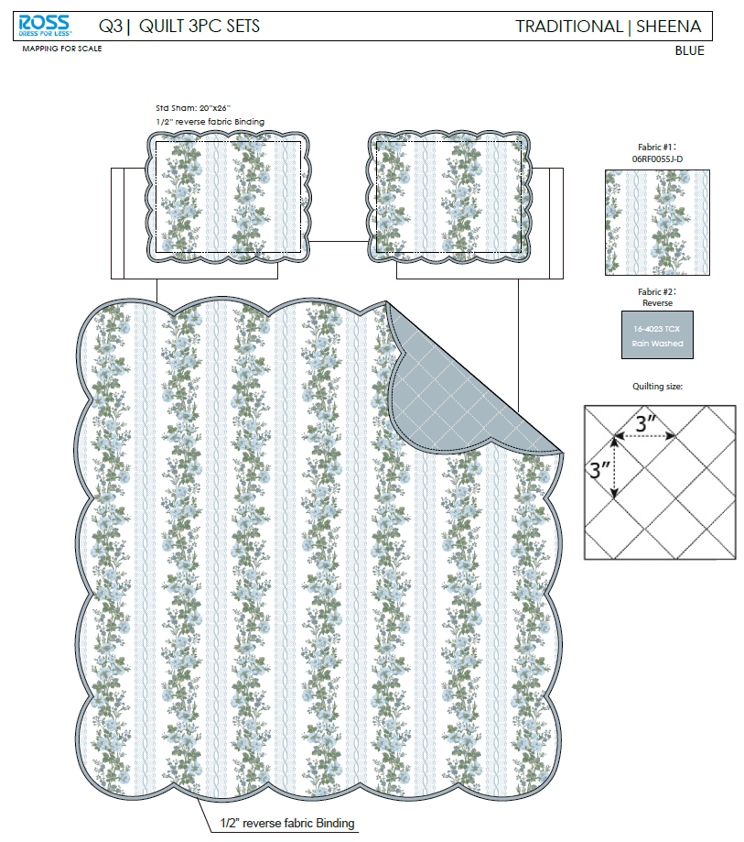 | 06RF0055J-D |  |  | QUILT | Sheena | 100% Polyester 3pc Hanging Print Quilt | 3pc Hanging Print Quilt | Face：85gsm microfiber disperse print , with Scallop Edge Back：85gsm microfiber solid Filling：180gsm slick Poly Fill. | 100% Polyester Hanging Print Quilt | Full/Queen: 86x86"/20x26+1.5"(2) | Blue |  | RS14-8425 |  | Piece | ¥60.00 | 8.10 | $7.41 | $7.41 |  | Normal | ¥44.00 | ¥41.00 | ¥26.00 | 5.30 | 2 | 0.047 | 2772 | ¥2,250.00 | $0.81 | 9404.40.9022 | 42.80% | $3.17 | $11.39 | 0.00% | $0.00 | 0.00% | $0.00 | 0.00% | $0.00 | 0.00% | 0.00% | $0.00 | $0.00 | $11.39 | 21.96% |  | $14.60 |  |  |  | ¥715.00 | $8,146.20 | $10,439.00
¥15.00 |  |  |  |  | QUILT | Sheena | 100% Polyester 3pc Hanging Print Quilt | 3pc Hanging Print Quilt | Face：85gsm microfiber disperse print , with Scallop Edge Back：85gsm microfiber solid Filling：180gsm slick Poly Fill. | 100% Polyester Hanging Print Quilt | King: 102x86"/20x36+1.5"(2) | Blue |  | RS14-8426 |  | Piece | ¥69.20 | 8.10 | $8.54 | $8.54 |  | Normal | ¥44.00 | ¥41.00 | ¥28.00 | 5.30 | 2 | 0.051 | 2574 | ¥2,250.00 | $0.87 | 9404.40.9022 | 42.80% | $3.66 | $13.07 | 0.00% | $0.00 | 0.00% | $0.00 | 0.00% | $0.00 | 0.00% | 0.00% | $0.00 | $0.00 | $13.07 | 23.57% |  | $17.10 |  |  |  | ¥715.00 | $9,344.60 | $12,226.50
¥26.00 | 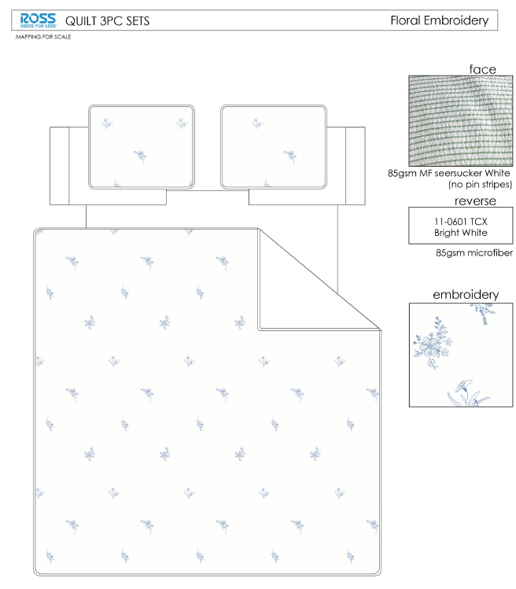 |  |  |  | QUILT | Floral | 100% Polyester 3pc Hanging Print Quilt | 3pc Hanging Print Quilt | Face：85gsm microfiber seersucker , embroidered. Back：85gsm microfiber solid Filling：180gsm Poly Slick Fill. | 100% Polyester Hanging Print Quilt | Full/Queen: 86x86+2.5"/20x26+1/2"(2) | White/Blue |  | RS14-8427 |  | Piece | ¥73.50 | 8.10 | $9.07 |  |  | Normal | ¥44.00 | ¥41.00 | ¥27.00 | 5.30 | 2 | 0.049 | 2669 | ¥2,250.00 | $0.84 | 9404.40.9022 | 42.80% | $0.00 | $0.84 | 0.00% | $0.00 | 0.00% | $0.00 | 0.00% | $0.00 | 0.00% | 0.00% | $0.00 | $0.00 | $0.84 | 95.04% |  | $17.00 |  |  |  | 650 | $547.96 | $11,050.00
¥27.00 |  |  |  |  | QUILT | Floral | 100% Polyester 3pc Hanging Print Quilt | 3pc Hanging Print Quilt | Face：85gsm microfiber seersucker , embroidered. Back：85gsm microfiber solid Filling：180gsm Poly Slick Fill. | 100% Polyester Hanging Print Quilt | King: 102x86+2.5"/20x36+1/2"(2) | White/Blue |  | RS14-8428 |  | Piece | ¥84.50 | 8.10 | $10.43 |  |  | Normal | ¥44.00 | ¥41.00 | ¥30.00 | 5.30 | 2 | 0.054 | 2402 | ¥2,250.00 | $0.94 | 9404.40.9022 | 42.80% | $0.00 | $0.94 | 0.00% | $0.00 | 0.00% | $0.00 | 0.00% | $0.00 | 0.00% | 0.00% | $0.00 | $0.00 | $0.94 | 95.32% |  | $20.00 |  |  |  | 650 | $608.85 | $13,000.00
¥29.00 | 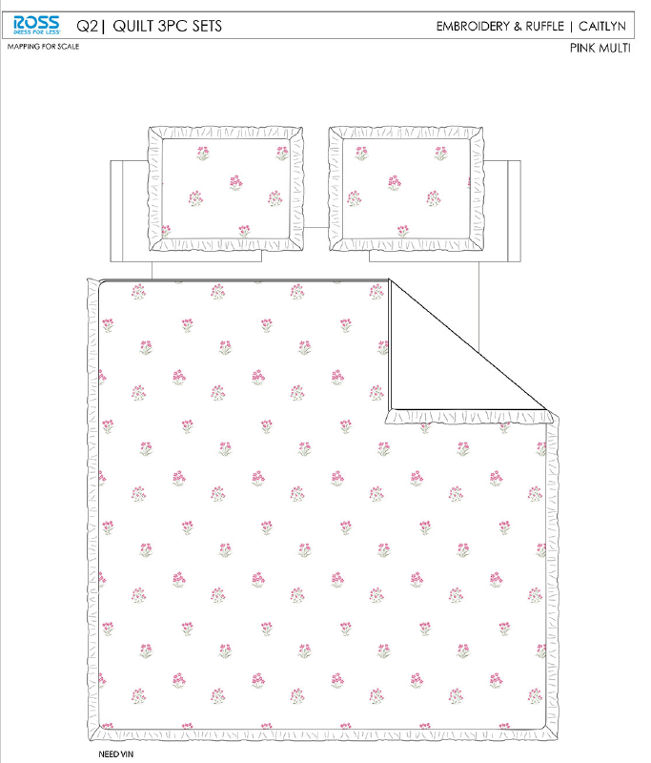 |  |  |  | QUILT | Caitlyn | 100% Polyester 3pc Hanging Print Quilt | 3pc Hanging Print Quilt | 85gsm microfiber Prewashed ultra soft finish. Embroidered w/ Ruffle edge. Stitch quilting. 180gsm Poly Fill. | 100% Polyester Hanging Print Quilt | Full/Queen: 86x86+2.5"/20x26+2.5"(2) | Pink Multi |  | RS14-8429 |  | Piece | ¥80.80 | 8.10 | $9.98 |  |  | Normal | ¥44.00 | ¥41.00 | ¥27.00 | 5.30 | 2 | 0.049 | 2669 | ¥2,250.00 | $0.84 | 9404.40.9022 | 42.80% | $0.00 | $0.84 | 0.00% | $0.00 | 0.00% | $0.00 | 0.00% | $0.00 | 0.00% | 0.00% | $0.00 | $0.00 | $0.84 | 95.04% |  | $17.00 |  |  |  | 650 | $547.96 | $11,050.00
¥30.00 |  |  |  |  | QUILT | Caitlyn | 100% Polyester 3pc Hanging Print Quilt | 3pc Hanging Print Quilt | 85gsm microfiber Prewashed ultra soft finish. Embroidered w/ Ruffle edge. Stitch quilting. 180gsm Poly Fill. | 100% Polyester Hanging Print Quilt | King: 102x86+2.5"/20x36+2.5"(2) | Pink Multi |  | RS14-8430 |  | Piece | ¥97.00 | 8.10 | $11.98 |  |  | Normal | ¥44.00 | ¥41.00 | ¥30.00 | 5.30 | 2 | 0.054 | 2402 | ¥2,250.00 | $0.94 | 9404.40.9022 | 42.80% | $0.00 | $0.94 | 0.00% | $0.00 | 0.00% | $0.00 | 0.00% | $0.00 | 0.00% | 0.00% | $0.00 | $0.00 | $0.94 | 95.32% |  | $20.00 |  |  |  | 650 | $608.85 | $13,000.00
¥32.00 | 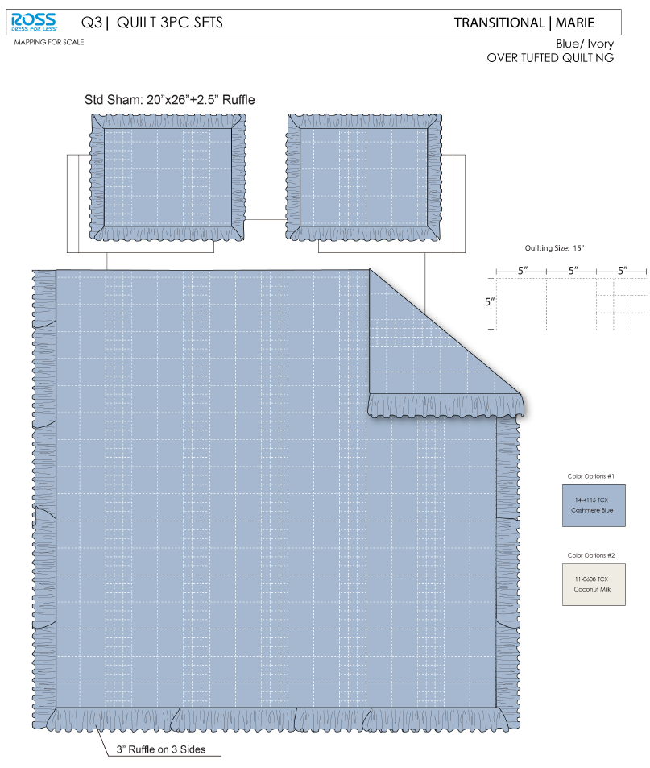 |  |  |  | QUILT | Marie | 100% Polyester 3pc Hanging Print Quilt | 3pc Hanging Print Quilt | Face& Back：85gsm washed microfiber solid, with ruffle Filling：180gsm slick Poly Fill. | 100% Polyester Hanging Print Quilt | Full/Queen: 86x86"/20x26+2.5"(2) |  |  | RS14-8431 |  | Piece | ¥71.50 | 8.10 | $8.83 |  |  | Normal | ¥44.00 | ¥41.00 | ¥25.00 | 5.30 | 2 | 0.045 | 2882 | ¥2,250.00 | $0.78 | 9404.40.9022 | 42.80% | $0.00 | $0.78 | 0.00% | $0.00 | 0.00% | $0.00 | 0.00% | $0.00 | 0.00% | 0.00% | $0.00 | $0.00 | $0.78 | 95.18% |  | $16.20 |  |  |  | 650 | $507.38 | $10,530.00
¥33.00 |  |  |  |  | QUILT | Marie | 100% Polyester 3pc Hanging Print Quilt | 3pc Hanging Print Quilt | Face& Back：85gsm washed microfiber solid, with ruffle Filling：180gsm slick Poly Fill. | 100% Polyester Hanging Print Quilt | King: 102x86"/20x36+2.5"(2) |  |  | RS14-8432 |  | Piece | ¥80.80 | 8.10 | $9.98 |  |  | Normal | ¥44.00 | ¥41.00 | ¥28.00 | 5.30 | 2 | 0.051 | 2574 | ¥2,250.00 | $0.87 | 9404.40.9022 | 42.80% | $0.00 | $0.87 | 0.00% | $0.00 | 0.00% | $0.00 | 0.00% | $0.00 | 0.00% | 0.00% | $0.00 | $0.00 | $0.87 | 95.40% |  | $19.00 |  |  |  | 650 | $568.26 | $12,350.00
¥35.00 | 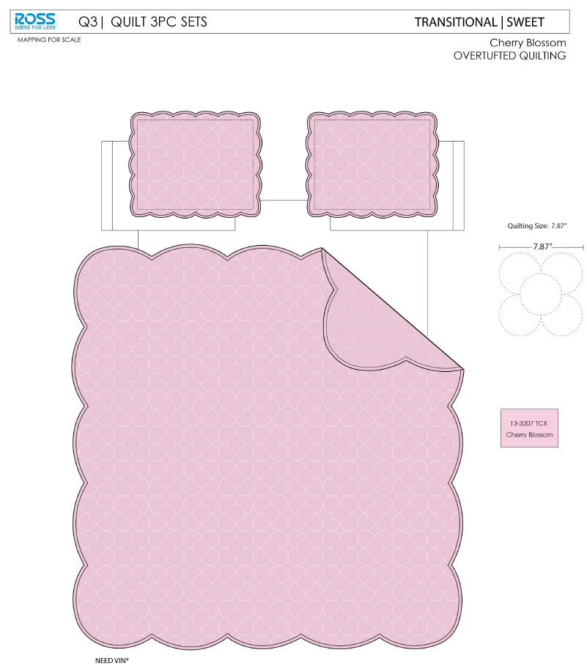 |  |  |  | QUILT | Sweet | 100% Polyester 3pc Hanging Print Quilt | 3pc Hanging Print Quilt | Face& Back：85gsm washed microfiber solid, with Scallop Edge Filling：180gsm slick Poly Fill. | 100% Polyester Hanging Print Quilt | Full/Queen: 86x86"/20x26+1.5"(2) |  |  | RS14-8433 |  | Piece | ¥69.80 | 8.10 | $8.62 |  |  | Normal | ¥44.00 | ¥41.00 | ¥25.00 | 5.30 | 2 | 0.045 | 2882 | ¥2,250.00 | $0.78 | 9404.40.9022 | 42.80% | $0.00 | $0.78 | 0.00% | $0.00 | 0.00% | $0.00 | 0.00% | $0.00 | 0.00% | 0.00% | $0.00 | $0.00 | $0.78 | 95.03% |  | $15.71 |  |  |  | 650 | $507.38 | $10,211.50
¥36.00 |  |  |  |  | QUILT | Sweet | 100% Polyester 3pc Hanging Print Quilt | 3pc Hanging Print Quilt | Face& Back：85gsm washed microfiber solid, with Scallop Edge Filling：180gsm slick Poly Fill. | 100% Polyester Hanging Print Quilt | King: 102x86"/20x36+1.5"(2) |  |  | RS14-8434 |  | Piece | ¥78.80 | 8.10 | $9.73 |  |  | Normal | ¥44.00 | ¥41.00 | ¥28.00 | 5.30 | 2 | 0.051 | 2574 | ¥2,250.00 | $0.87 | 9404.40.9022 | 42.80% | $0.00 | $0.87 | 0.00% | $0.00 | 0.00% | $0.00 | 0.00% | $0.00 | 0.00% | 0.00% | $0.00 | $0.00 | $0.87 | 95.26% |  | $18.43 |  |  |  | 650 | $568.26 | $11,979.50
¥1.00 |  |  |  |  | QUILT | Brittany | 100% Polyester 3pc Hanging Print Quilt | 3pc Hanging Print Quilt | Face& Back：85gsm microfiber disperse print, with Scallop Edge Filling：180gsm slick Poly Fill. | 100% Polyester Hanging Print Quilt | Twin: 66x86"/20x26+1.5"(1) | BLUSH |  | RS14-8435 |  | Piece | ¥47.50 | 8.10 | $5.86 |  |  | Normal | 44.0 | 41.0 | 23.0 | 5.30 | 2 | 0.041 | 3133 | ¥2,250.00 | $0.72 | 9404.40.9022 | 42.80% | $0.00 | $0.72 | 0.00% | $0.00 | 0.00% | $0.00 | 0.00% | $0.00 | 0.00% | 0.00% | $0.00 | $0.00 | $0.72 | 93.67% | $30.00 | $11.34 | $60.00 | 50.00% | 81.10% | 540 | $387.79 | $6,123.60
¥7.00 |  |  |  |  | QUILT | Ramona | 100% Polyester 3pc Hanging Print Quilt | 3pc Hanging Print Quilt | Face& Back：85gsm microfiber disperse print, with 1.5" flange Filling：180gsm slick Poly Fill. | 100% Polyester Hanging Print Quilt | Twin: 66x86"/20x26+1.5"(1) | Pink/Sage |  | RS14-8436 |  | Piece | ¥51.30 | 8.10 | $6.33 |  |  | Normal | 44.0 | 41.0 | 23.0 | 5.30 | 2 | 0.041 | 3133 | ¥2,250.00 | $0.72 | 9404.40.9022 | 42.80% | $0.00 | $0.72 | 0.00% | $0.00 | 0.00% | $0.00 | 0.00% | $0.00 | 0.00% | 0.00% | $0.00 | $0.00 | $0.72 | 93.74% |  | $11.47 |  |  |  | 540 | $387.79 | $6,193.80
¥10.00 |  |  |  |  | QUILT | Dilly | 100% Polyester 3pc Hanging Print Quilt | 3pc Hanging Print Quilt | Face：85gsm microfiber disperse print, with 2.5" ruffle Back：85gsm microfiber solid Filling：180gsm slick Poly Fill. | 100% Polyester Hanging Print Quilt | Twin: 66x86"/20x26+2.5"(1) | Pink |  | RS14-8437 |  | Piece | ¥50.50 | 8.10 | $6.23 |  |  | Normal | 44.0 | 41.0 | 23.0 | 5.30 | 2 | 0.041 | 3133 | ¥2,250.00 | $0.72 | 9404.40.9022 | 42.80% | $0.00 | $0.72 | 0.00% | $0.00 | 0.00% | $0.00 | 0.00% | $0.00 | 0.00% | 0.00% | $0.00 | $0.00 | $0.72 | 94.11% |  | $12.20 |  |  |  | 540 | $387.79 | $6,588.00
¥13.00 |  |  |  |  | QUILT | Sheena | 100% Polyester 3pc Hanging Print Quilt | 3pc Hanging Print Quilt | Face：85gsm microfiber disperse print , with Scallop Edge Back：85gsm microfiber solid Filling：180gsm slick Poly Fill. | 100% Polyester Hanging Print Quilt | Twin: 66x86"/20x26+1.5"(1) | Blue |  | RS14-8438 |  | Piece | ¥46.15 | 8.10 | $5.70 |  |  | Normal | 44.0 | 41.0 | 23.0 | 5.30 | 2 | 0.041 | 3133 | ¥2,250.00 | $0.72 | 9404.40.9022 | 42.80% | $0.00 | $0.72 | 0.00% | $0.00 | 0.00% | $0.00 | 0.00% | $0.00 | 0.00% | 0.00% | $0.00 | $0.00 | $0.72 | 93.67% |  | $11.34 |  |  |  | 540 | $387.79 | $6,123.60
¥25.00 |  |  |  |  | QUILT | Floral | 100% Polyester 3pc Hanging Print Quilt | 3pc Hanging Print Quilt | Face：85gsm microfiber seersucker , embroidered. Back：85gsm microfiber solid Filling：180gsm Poly Slick Fill. | 100% Polyester Hanging Print Quilt | Twin: 63x86"+2.5"/20x26+1/2"(1) | White/Blue |  | RS14-8439 |  | Piece |  | 8.10 | $0.00 |  |  | Normal | ¥44.00 | ¥41.00 | ¥23.00 | 5.30 | 2 | 0.041 | 3133 | ¥2,250.00 | $0.72 | 9404.40.9022 | 42.80% | $0.00 | $0.72 | 0.00% | $0.00 | 0.00% | $0.00 | 0.00% | $0.00 | 0.00% | 0.00% | $0.00 | $0.00 | $0.72 | 94.48% |  | $13.00 |  |  |  | 483 | $346.86 | $6,279.00
¥28.00 |  |  |  |  | QUILT | Caitlyn | 100% Polyester 3pc Hanging Print Quilt | 3pc Hanging Print Quilt | 85gsm microfiber Prewashed ultra soft finish. Embroidered w/ Ruffle edge. Stitch quilting. 180gsm Poly Fill. | 100% Polyester Hanging Print Quilt | Twin: 63x86"+2.5"/20x26+2.5"(1) | Pink Multi |  | RS14-8440 |  | Piece |  | 8.10 | $0.00 |  |  | Normal | ¥44.00 | ¥41.00 | ¥23.00 | 5.30 | 2 | 0.041 | 3133 | ¥2,250.00 | $0.72 | 9404.40.9022 | 42.80% | $0.00 | $0.72 | 0.00% | $0.00 | 0.00% | $0.00 | 0.00% | $0.00 | 0.00% | 0.00% | $0.00 | $0.00 | $0.72 | 94.48% |  | $13.00 |  |  |  | 483 | $346.86 | $6,279.00
¥31.00 |  |  |  |  | QUILT | Marie | 100% Polyester 3pc Hanging Print Quilt | 3pc Hanging Print Quilt | Face& Back：85gsm washed microfiber solid, with ruffle Filling：180gsm slick Poly Fill. | 100% Polyester Hanging Print Quilt | Twin: 66x86"/20x26+2.5"(1) |  |  | RS14-8441 |  | Piece | ¥56.30 | 8.10 | $6.95 |  |  | Normal | ¥44.00 | ¥41.00 | ¥23.00 | 5.30 | 2 | 0.041 | 3133 | ¥2,250.00 | $0.72 | 9404.40.9022 | 42.80% | $0.00 | $0.72 | 0.00% | $0.00 | 0.00% | $0.00 | 0.00% | $0.00 | 0.00% | 0.00% | $0.00 | $0.00 | $0.72 | 94.25% |  | $12.50 |  |  |  | 483 | $346.86 | $6,037.50
¥34.00 |  |  |  |  | QUILT | Sweet | 100% Polyester 3pc Hanging Print Quilt | 3pc Hanging Print Quilt | Face& Back：85gsm washed microfiber solid, with Scallop Edge Filling：180gsm slick Poly Fill. | 100% Polyester Hanging Print Quilt | Twin: 66x86"/20x26+1/2"(1) |  |  | RS14-8442 |  | Piece | ¥55.00 | 8.10 | $6.79 |  |  | Normal | ¥44.00 | ¥41.00 | ¥23.00 | 5.30 | 2 | 0.041 | 3133 | ¥2,250.00 | $0.72 | 9404.40.9022 | 42.80% | $0.00 | $0.72 | 0.00% | $0.00 | 0.00% | $0.00 | 0.00% | $0.00 | 0.00% | 0.00% | $0.00 | $0.00 | $0.72 | 94.08% |  | $12.13 |  |  |  | 483 | $346.86 | $5,858.79

