Item
Line No. | Photo | VIN/Art No. | Brand | Licensor | Product Category | Pattern | Item Description | Description-Short | Fabrication | Material-Short | Size/Spec. | Color | Customer Item# | Item No. | UPC | Unit of Measure | UCCPM Price / FOB Cost $ | Package Type | Packaging | Master Carton L (cm) | Master Carton W (cm) | Master Carton H (cm) | Carton Size L (cm) | Carton Size W (cm) | Carton Size H (cm) | Carton Gross Weight (kg) | Case Pack | Cubic Meter per Carton | Container Volume | Total Units per 40ft Container | 40ft Container Freight | Ocean Freight per Item $ | HTS Code | Duty Rate | Duty per Item $ | LDP Cost $ | DA % | DA $ | Royalty % | Royalty $ | Other Load | Other Load % | Other Load $ | Total Load $ | LDP Cost with Load $ | JLA LDP MU% | JLA POE Price | Suggested Retail Price | Retail Markup % | MOQ | Total Cost | Total Sales | Retailer Selling Price Total | Master Carton CBM | Master Carton Weight (kg) | Remarks
1 | 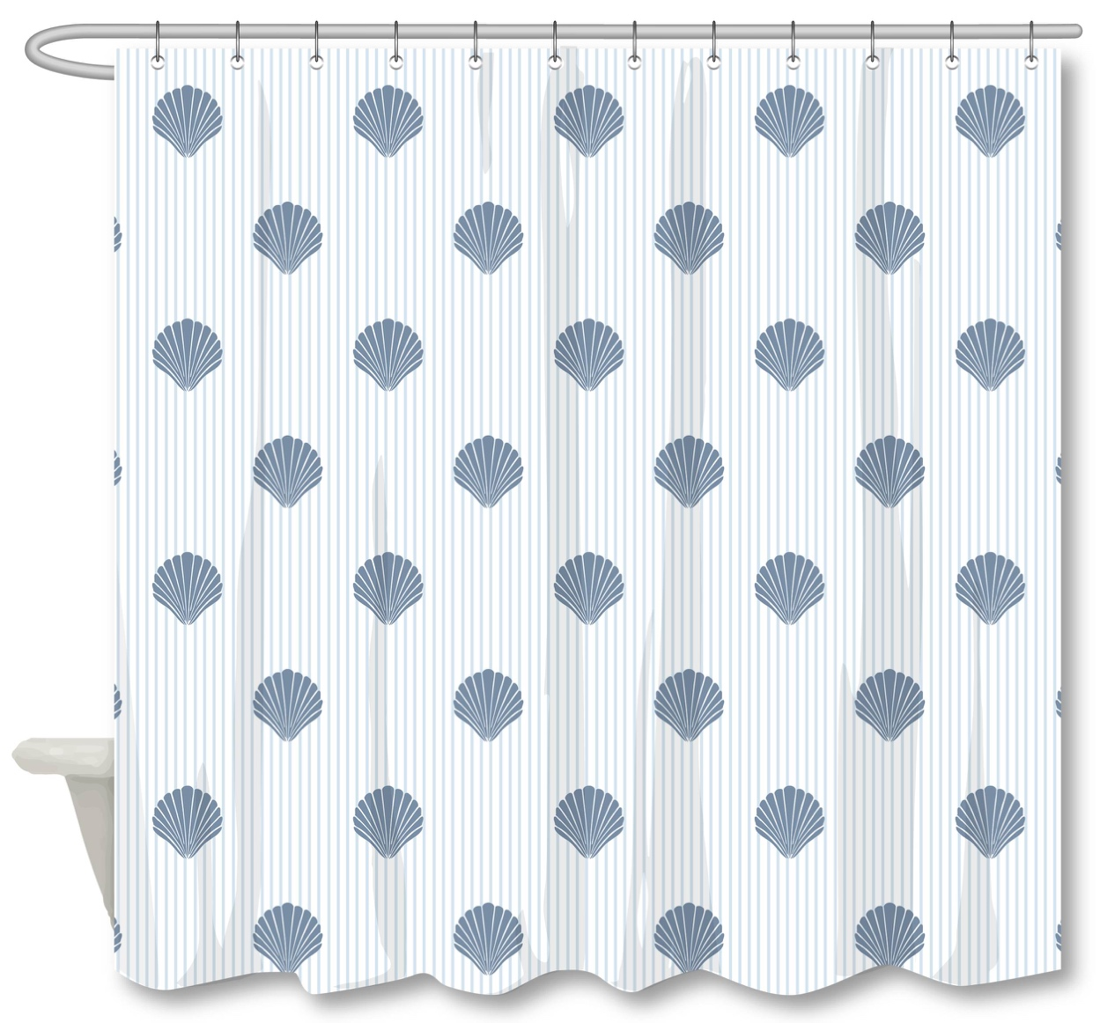 |  |  |  | Shower Curtain | SCALLOP PINSTRIPE | 14PC PLYSLUB - SCALLOP PINSTRIPE | Shower Curtain - 14pc | SC: 100% polyester/110gsm poly slub, printed: Liner: 90% PE, 10% EVA, 6 gauge peva; 12pcs roller ball hooks | 100% Polyester | 72x72" | ICE MELT/FADED DENIM |  | RS70-8400 |  | Piece | $3.15 | Normal |  | 37 | 31 | 40 | 37 | 31 | 40 | 11.50 | 12 | 0.046 | 63.00 | 16478 | 2,250 | $0.14 | 6303.12.0090 | 48.8% | $1.54 | $4.82 | 0.00% | $0.00 | 0.00% | $0.00 | $0.00 | 0.00% | $0.00 | $0.00 | $4.82 | 18.93% | $5.95 | $12.99 | 54.20% | 1008 | $4,862.34 | $5,997.60 | $13,093.92 | 3.85
3 | 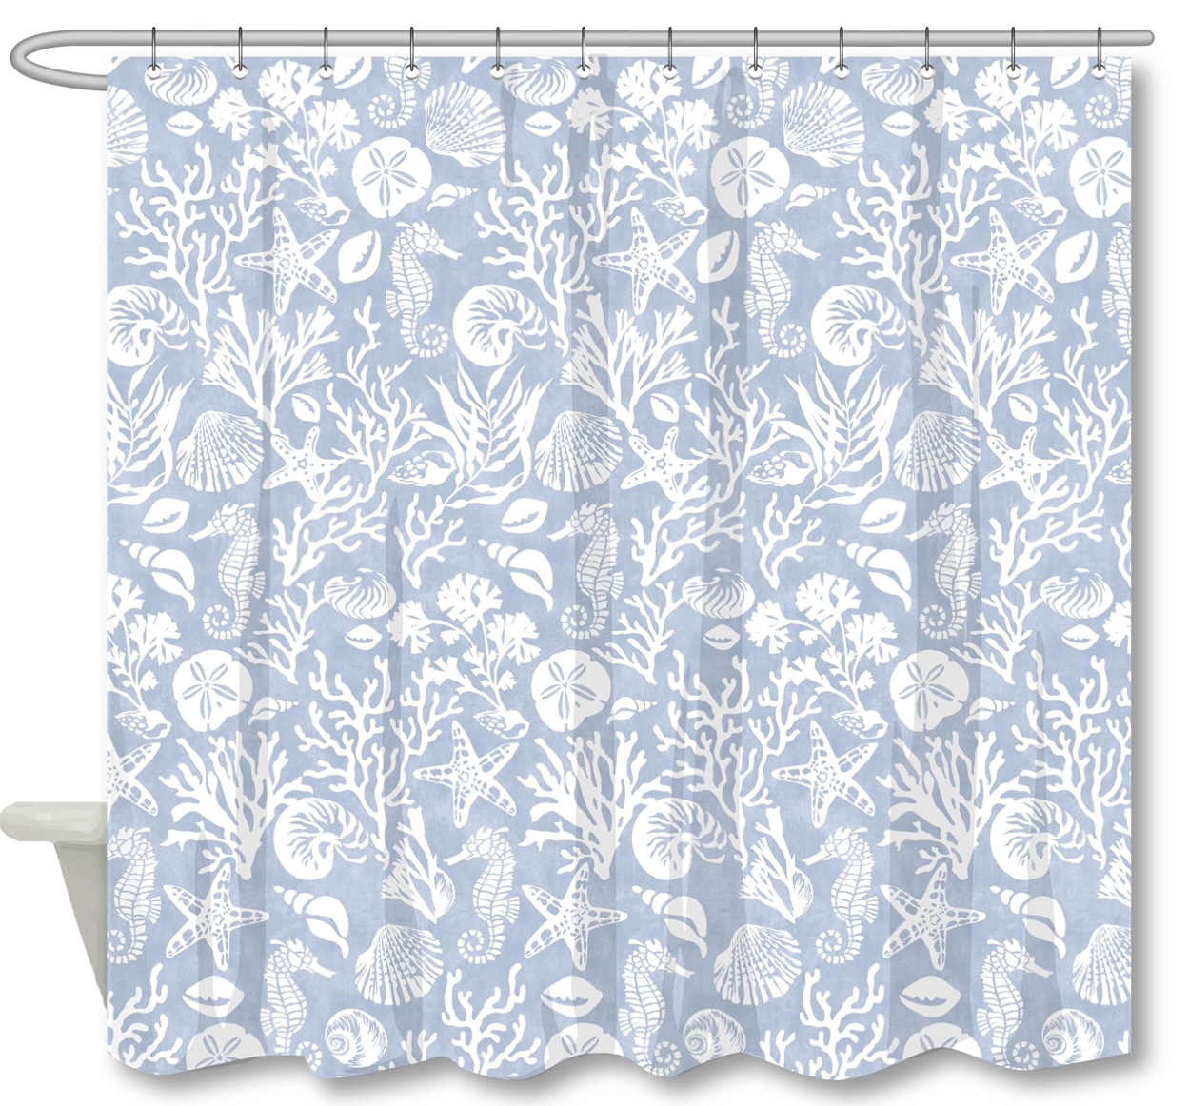 |  |  |  | Shower Curtain | FIJI | 14PC PLYSLUB - FIJI | Shower Curtain - 14pc | SC: 100% polyester/110gsm poly slub, printed: Liner: 90% PE, 10% EVA, 6 gauge peva; 12pcs roller ball hooks | 100% Polyester | 72x72" | SKYWAY LT BL |  | RS70-8401 |  | Piece | $3.15 | Normal |  | 37 | 31 | 40 | 37 | 31 | 40 | 11.50 | 12 | 0.046 | 63.00 | 16478 | 2,250 | $0.14 | 6303.12.0090 | 48.8% | $1.54 | $4.82 | 0.00% | $0.00 | 0.00% | $0.00 | $0.00 | 0.00% | $0.00 | $0.00 | $4.82 | 18.93% | $5.95 | $12.99 | 54.20% | 1008 | $4,862.34 | $5,997.60 | $13,093.92 | 3.85
4 | 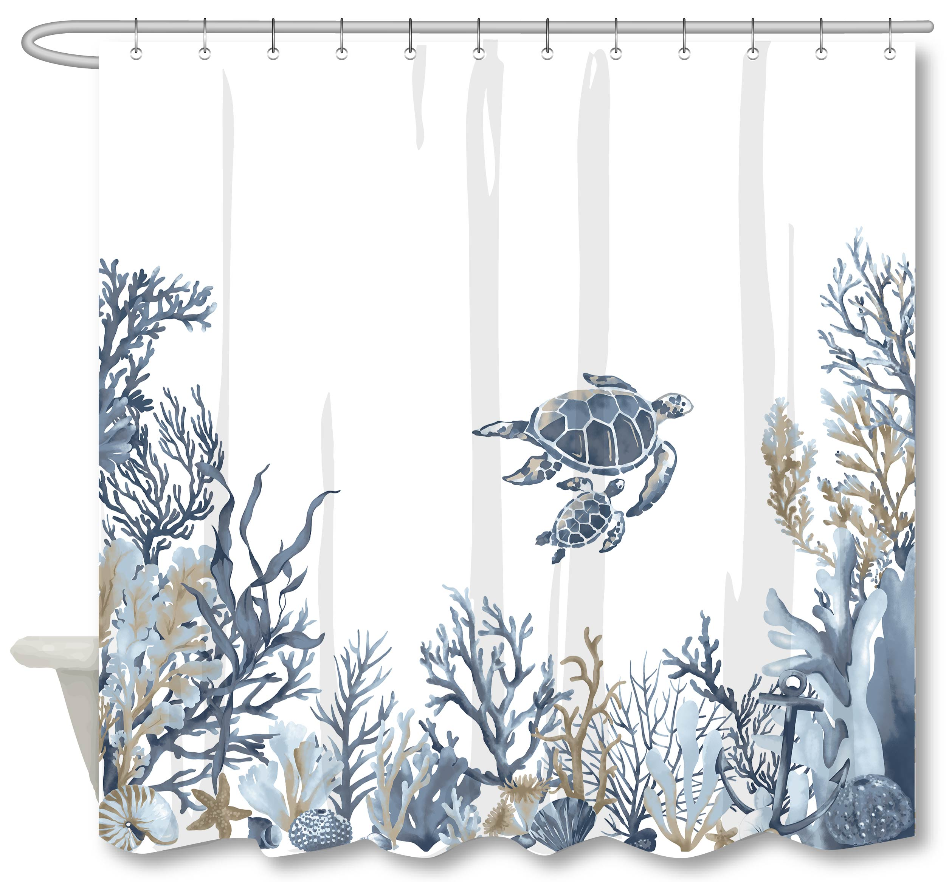 |  |  |  | Shower Curtain | TURTLE PANEL | 14PC PLYSLUB - TURTLE FRIENDS | Shower Curtain - 14pc | SC: 100% polyester/110gsm poly slub, printed: Liner: 90% PE, 10% EVA, 6 gauge peva; 12pcs roller ball hooks | 100% Polyester | 72x72" | BLUE |  | RS70-8402 |  | Piece | $3.15 | Normal |  | 37 | 31 | 40 | 37 | 31 | 40 | 11.50 | 12 | 0.046 | 63.00 | 16478 | 2,250 | $0.14 | 6303.12.0090 | 48.8% | $1.54 | $4.82 | 0.00% | $0.00 | 0.00% | $0.00 | $0.00 | 0.00% | $0.00 | $0.00 | $4.82 | 18.93% | $5.95 | $12.99 | 54.20% | 1008 | $4,862.34 | $5,997.60 | $13,093.92 | 3.85
5 | 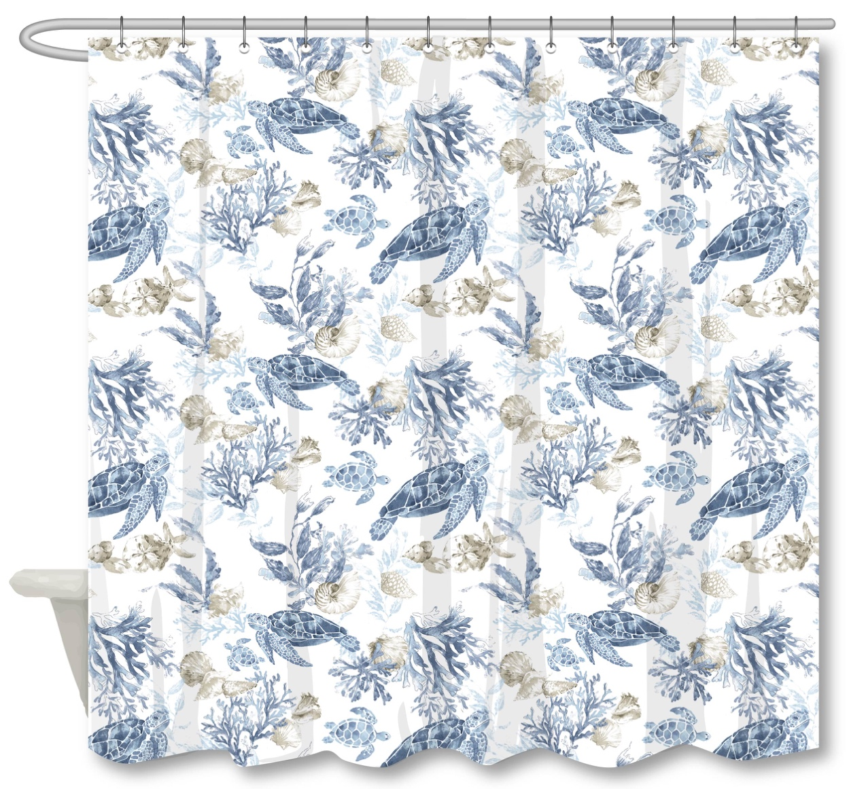 |  |  |  | Shower Curtain | SEA TURTLE | 14PC PLYSLUB - SEA TURTLE | Shower Curtain - 14pc | SC: 100% polyester/110gsm poly slub, printed: Liner: 90% PE, 10% EVA, 6 gauge peva; 12pcs roller ball hooks | 100% Polyester | 72x72" | BLUE |  | RS70-8403 |  | Piece | $3.15 | Normal |  | 37 | 31 | 40 | 37 | 31 | 40 | 11.50 | 12 | 0.046 | 63.00 | 16478 | 2,250 | $0.14 | 6303.12.0090 | 48.8% | $1.54 | $4.82 | 0.00% | $0.00 | 0.00% | $0.00 | $0.00 | 0.00% | $0.00 | $0.00 | $4.82 | 18.93% | $5.95 | $12.99 | 54.20% | 1008 | $4,862.34 | $5,997.60 | $13,093.92 | 3.85
6 | 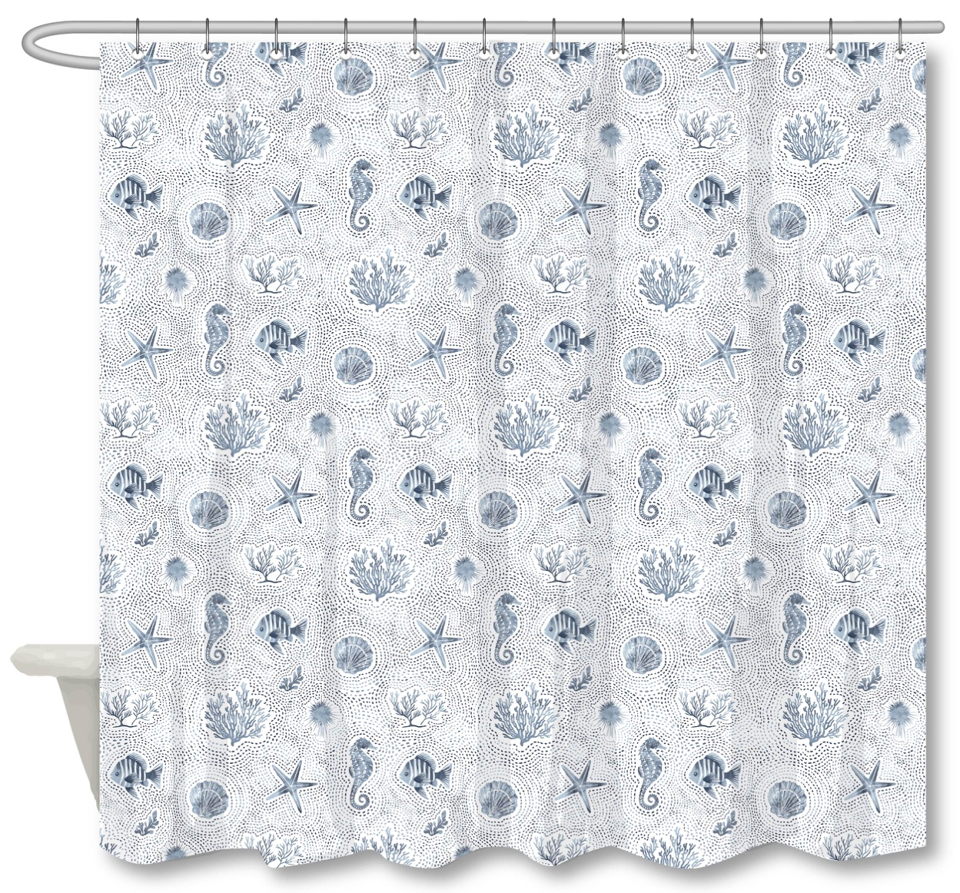 |  |  |  | Shower Curtain | SEA LIFE | PRINT OS - SEALIFE | Shower Curtain - OS | 100% polyester/100% poly slub, 110gsm, printed | 100% Polyester | 72x72" | BLUE |  | RS70-8404 |  | Piece | $2.02 | Normal |  | 61 | 37 | 23 | 61 | 37 | 23 | 11.50 | 24 | 0.052 | 63.00 | 29127 | 2,250 | $0.08 | 6303.12.0090 | 48.8% | $0.99 | $3.08 | 0.00% | $0.00 | 0.00% | $0.00 | $0.00 | 0.00% | $0.00 | $0.00 | $3.08 | 22.34% | $3.97 | $7.99 | 50.31% | 1008 | $3,107.67 | $4,001.76 | $8,053.92 | 2.18
7 | 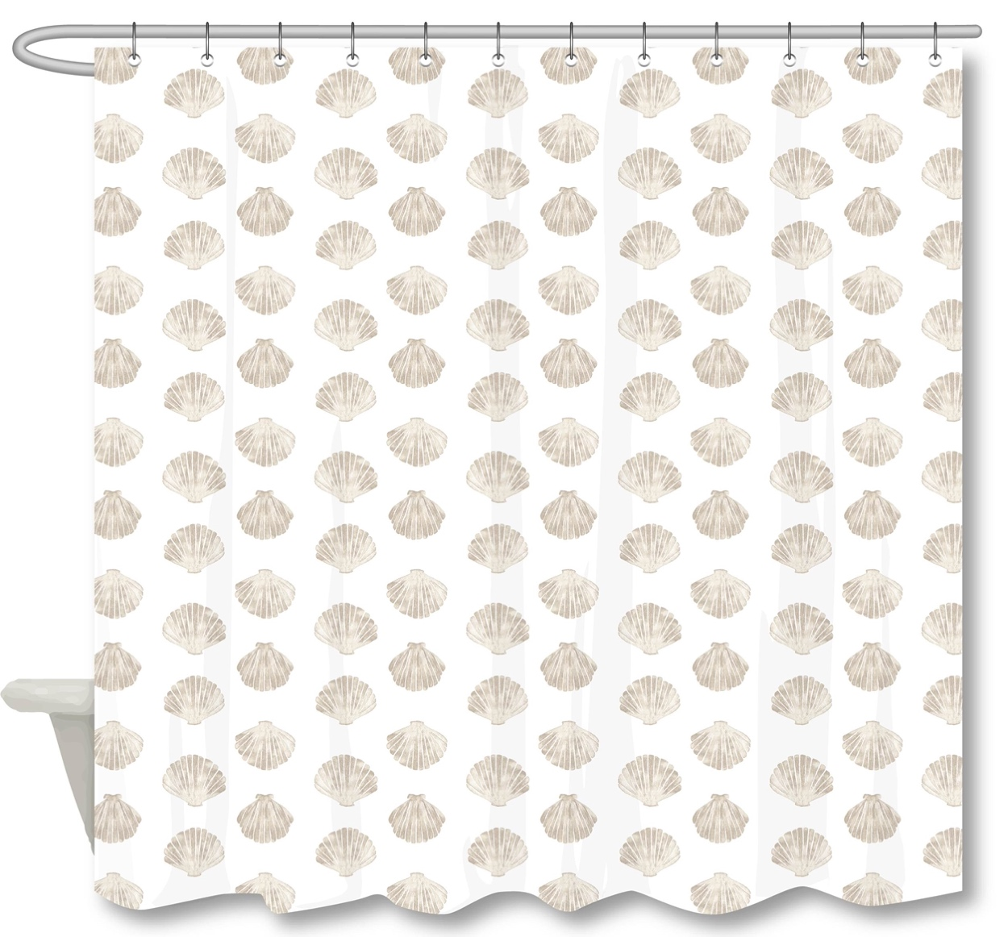 |  |  |  | Shower Curtain | CLAM SHELL | 13PC PLYSLUB - CLAM SHELLS | Shower Curtain - 13pc | SC：100% polyester/110gsm poly slub, printed 12pcs roller ball hooks hooks | 100% Polyester | 72x72" | NATURAL |  | RS70-8405 |  | Piece | $2.40 | Normal |  | 61 | 37 | 29 | 61 | 37 | 29 | 11.50 | 24 | 0.065 | 63.00 | 23101 | 2,250 | $0.10 | 6303.12.0090 | 48.8% | $1.17 | $3.67 | 0.00% | $0.00 | 0.00% | $0.00 | $0.00 | 0.00% | $0.00 | $0.00 | $3.67 | 21.11% | $4.65 | $9.99 | 53.45% | 1008 | $3,697.95 | $4,687.20 | $10,069.92 | 2.75
8 | 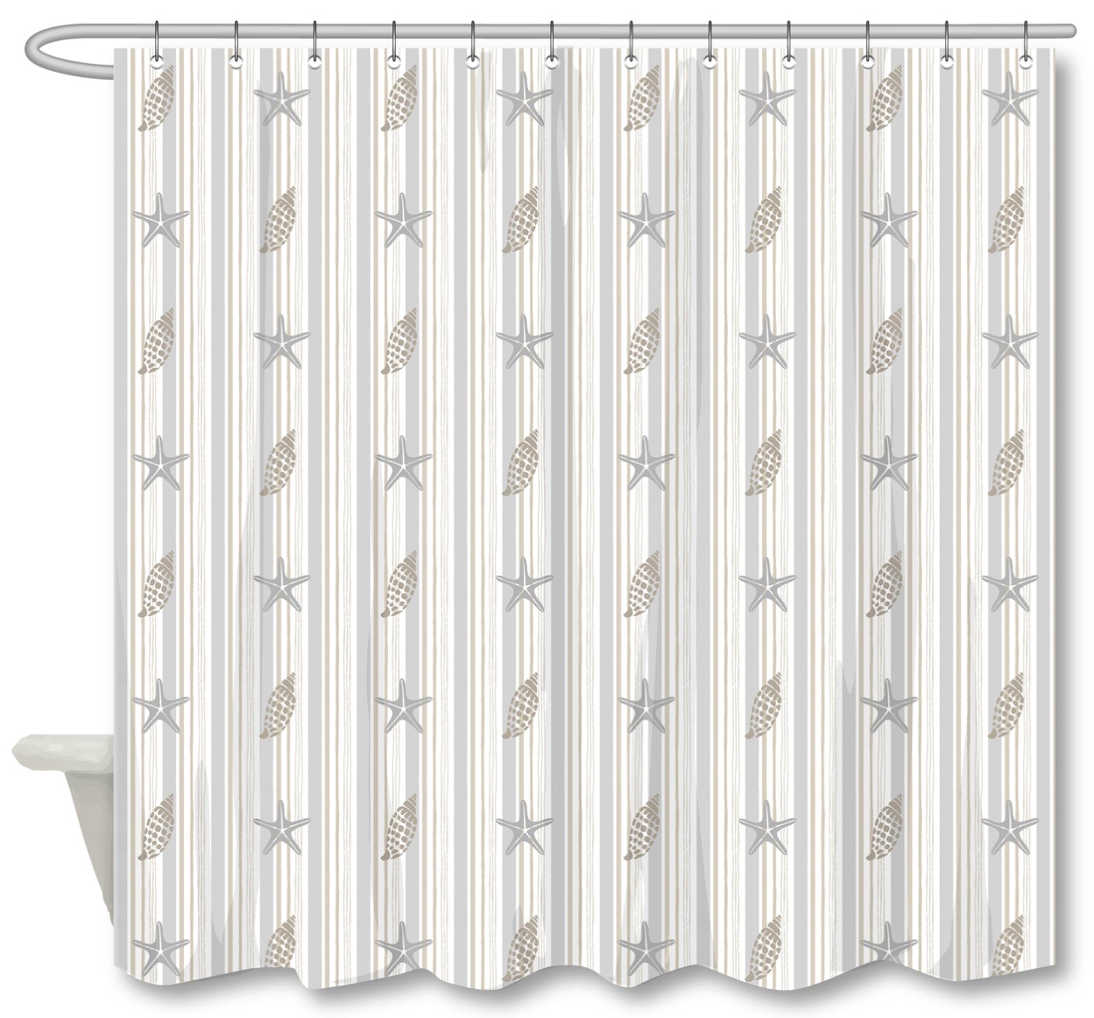 |  |  |  | Shower Curtain | SHELL STRIPE | 14PC PLYSLUB - SHELL STRIPE TP | Shower Curtain - 14pc | SC: 100% polyester/110gsm poly slub, printed: Liner: 90% PE, 10% EVA, 6 gauge peva; 12pcs roller ball hooks | 100% Polyester | 72x72" | NEUTRAL |  | RS70-8406 |  | Piece | $3.15 | Normal |  | 37 | 31 | 40 | 37 | 31 | 40 | 11.50 | 12 | 0.046 | 63.00 | 16478 | 2,250 | $0.14 | 6303.12.0090 | 48.8% | $1.54 | $4.82 | 0.00% | $0.00 | 0.00% | $0.00 | $0.00 | 0.00% | $0.00 | $0.00 | $4.82 | 18.93% | $5.95 | $12.99 | 54.20% | 1008 | $4,862.34 | $5,997.60 | $13,093.92 | 3.85
9 | 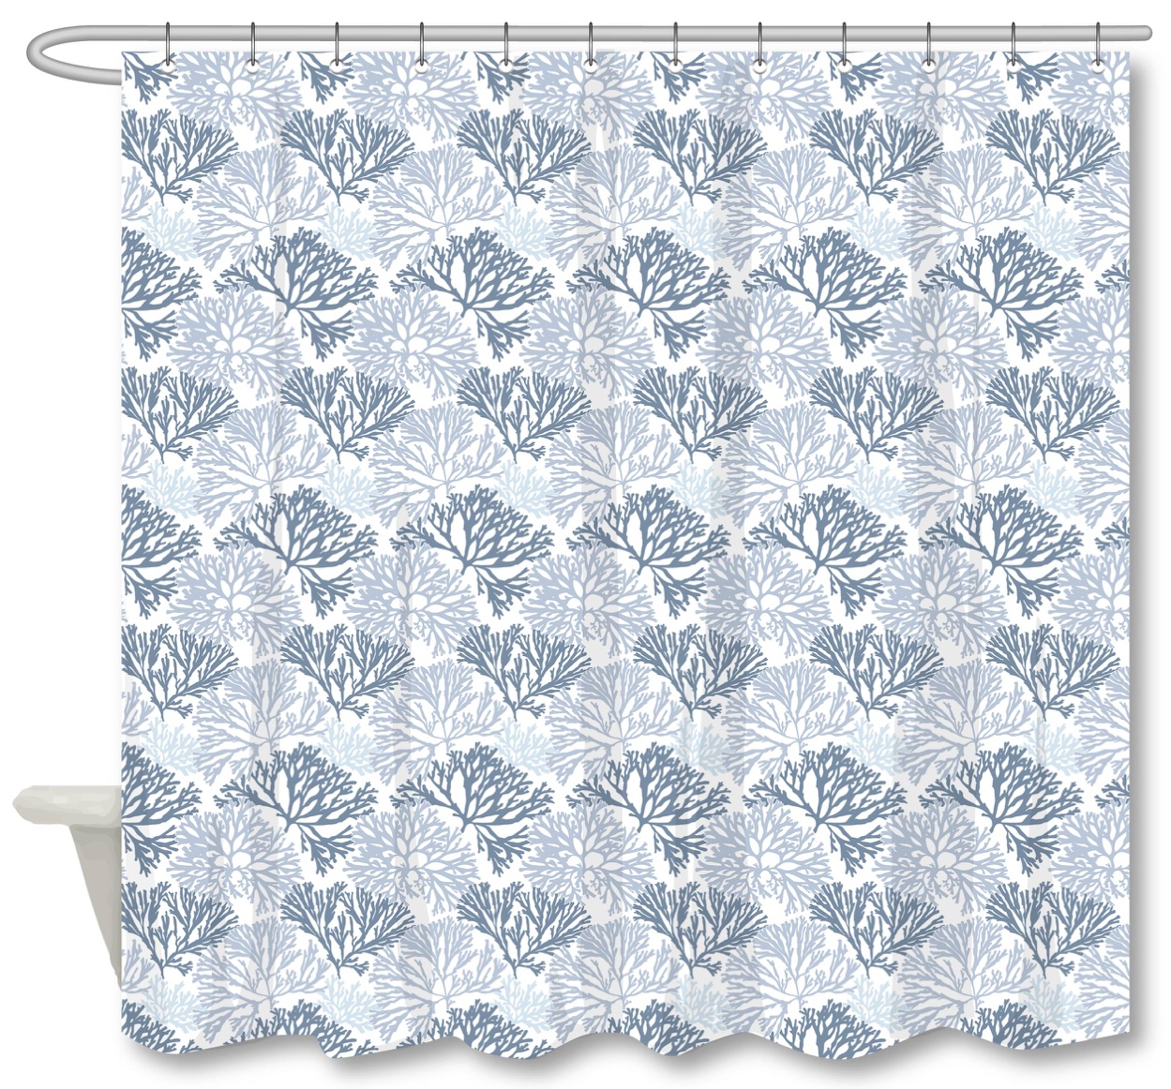 |  |  |  | Shower Curtain | CORAL | 13PC PLYSLUB - CORAL | Shower Curtain - 13pc | SC：100% polyester/110gsm poly slub, printed 12pcs roller ball hooks hooks | 100% Polyester | 72x72" | BLUES |  | RS70-8407 |  | Piece | $2.40 | Normal |  | 61 | 37 | 29 | 61 | 37 | 29 | 11.50 | 24 | 0.065 | 63.00 | 23101 | 2,250 | $0.10 | 6303.12.0090 | 48.8% | $1.17 | $3.67 | 0.00% | $0.00 | 0.00% | $0.00 | $0.00 | 0.00% | $0.00 | $0.00 | $3.67 | 21.11% | $4.65 | $9.99 | 53.45% | 1008 | $3,697.95 | $4,687.20 | $10,069.92 | 2.75
10 | 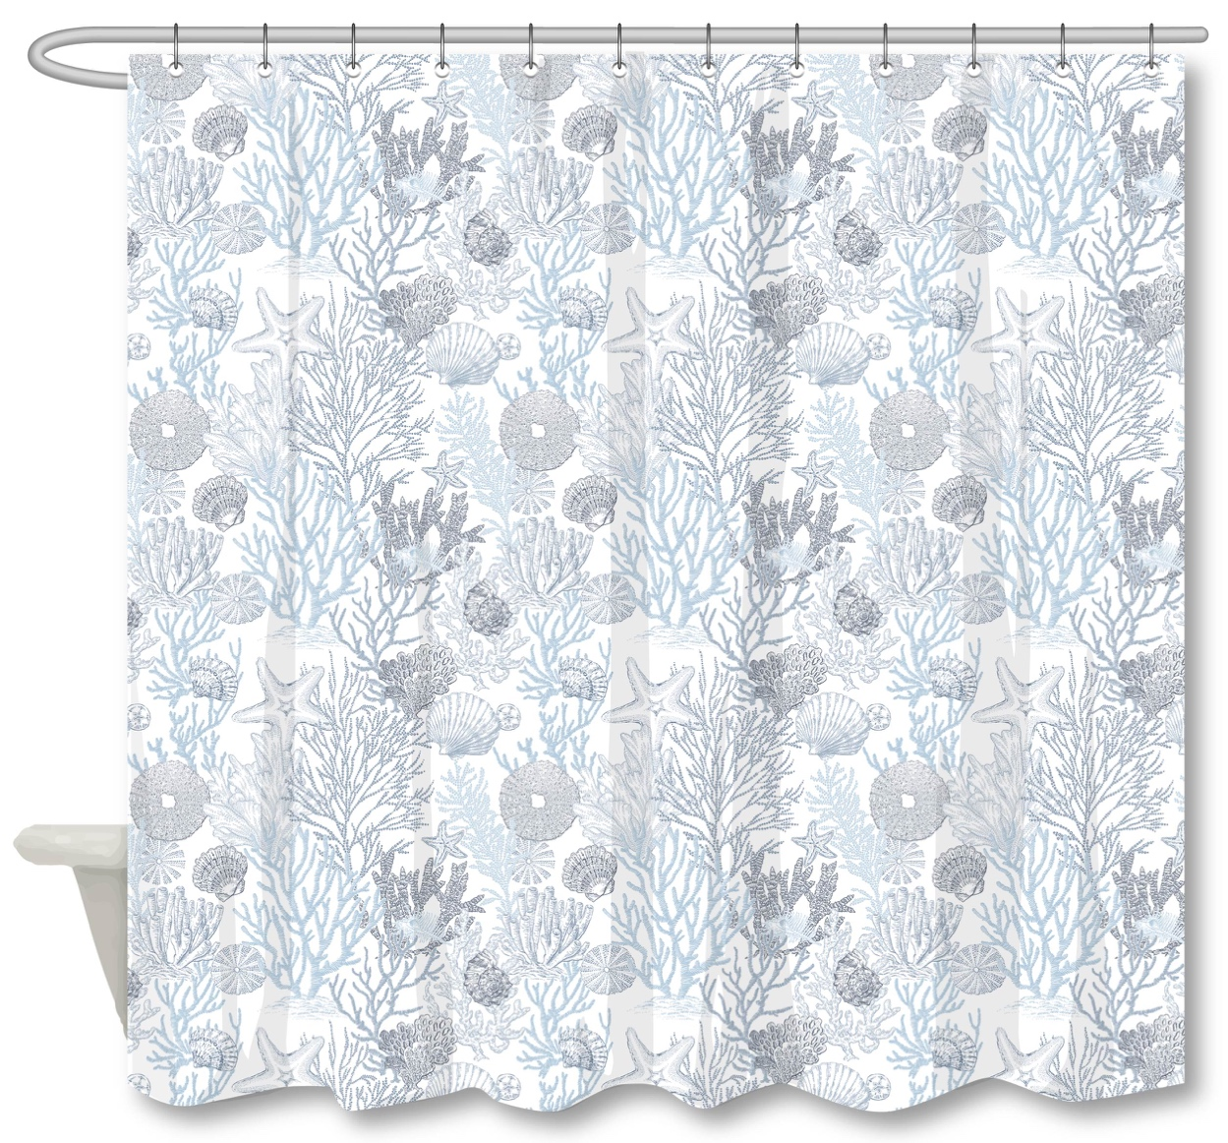 |  |  |  | Shower Curtain | CORAL SHELLS | 13PC PLYSLUB - CORAL SHELLS BL | Shower Curtain - 13pc | SC：100% polyester/110gsm poly slub, printed 12pcs roller ball hooks hooks | 100% Polyester | 72x72" | BLUE |  | RS70-8408 |  | Piece | $2.40 | Normal |  | 61 | 37 | 29 | 61 | 37 | 29 | 11.50 | 24 | 0.065 | 63.00 | 23101 | 2,250 | $0.10 | 6303.12.0090 | 48.8% | $1.17 | $3.67 | 0.00% | $0.00 | 0.00% | $0.00 | $0.00 | 0.00% | $0.00 | $0.00 | $3.67 | 21.11% | $4.65 | $9.99 | 53.45% | 1008 | $3,697.95 | $4,687.20 | $10,069.92 | 2.75

