Item - Jan '26 POE
Line No. | Photo | Brand | Licensor | Product Category | Pattern | Item Description | Description-Short | Fabrication | Material-Short | Size/Spec. | Color | Customer Item# | Item No. | UPC | Unit of Measure | UCCPM Price / FOB Cost $ | Package Type | Packaging | Master Carton L (cm) | Master Carton W (cm) | Master Carton H (cm) | Carton Size L (cm) | Carton Size W (cm) | Carton Size H (cm) | Carton Gross Weight (kg) | Case Pack | Cubic Meter per Carton | Container Volume | Total Units per 40ft Container | 40ft Container Freight | Ocean Freight per Item $ | HTS Code |  | Duty Rate | Duty per Item $ | LDP Cost $ | DA % | DA $ | Royalty % | Royalty $ | Other Load | Other Load % | Other Load $ | Total Load $ | LDP Cost with Load $ | JLA LDP MU% | JLA POE Price | MOQ | Total Cost | Total Sales | Retailer Selling Price Total | Master Carton CBM | Master Carton Weight (kg) | Remarks | Port | COO
$98.00 | 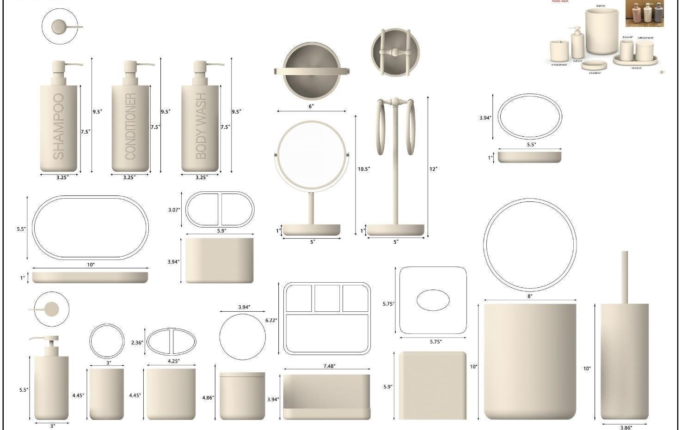 | Ink & Ivy |  | Bath Accessories | Dash | Resin Lotion Pump(w/rubber pink matte stainless steel pump ) | Resin Lotion Pump(w/rubber pink matte stainless steel pump ) | Resin | Resin | 2.94x2.94x8.2" | Black |  | HG71-4844 |  | Piece | $2.30 | Normal |  | 44 | 36 | 35 | 24.0 | 21.0 | 13.0 | 6.00 | 2 | 0.007 | 63.00 | 19231 | 2,250 | $0.12 | 8424.89.9000 | 1.8% | 31.8% | $0.73 | $3.15 | 0.00% | $0.00 | 0.00% | $0.00 | $0.00 | 0.00% | $0.00 | $0.00 | $3.15 | 37.03% | $5.00 | 1000 | $3,148.40 | $5,000.00 | $0.00 | 27.72 |  |  | Yantian,China | China
$99.00 |  |  |  | Bath Accessories | Dash | Resin Toothbrush holder | Resin Toothbrush holder | Resin | Resin | 4.25x2.36x4.45" | Black |  | HG71-4845 |  | Piece | $1.45 | Normal |  | 44 | 36 | 35 | 15.0 | 15.0 | 12.0 | 6.00 | 1 | 0.003 | 63.00 | 23333 | 2,250 | $0.10 | 3924.10.4000 | 3.4% | 33.4% | $0.48 | $2.03 | 0.00% | $0.00 | 0.00% | $0.00 | $0.00 | 0.00% | $0.00 | $0.00 | $2.03 | 35.33% | $3.14 | 500 | $1,015.36 | $1,570.00 | $0.00 | 27.72 |  |  | Yantian,China | China
$100.00 |  |  |  | Bath Accessories | Dash | Resin Tumbler | Resin Tumbler | Resin | Resin | 3x3x4.45" | Black |  | HG71-4846 |  | Piece | $1.36 | Normal |  | 44 | 36 | 35 | 16.0 | 14.0 | 12.0 | 6.00 | 1 | 0.003 | 63.00 | 23438 | 2,250 | $0.10 | 3924.10.4000 | 3.4% | 33.4% | $0.45 | $1.91 | 0.00% | $0.00 | 0.00% | $0.00 | $0.00 | 0.00% | $0.00 | $0.00 | $1.91 | 39.16% | $3.14 | 500 | $955.12 | $1,570.00 | $0.00 | 27.72 |  |  | Yantian,China | China
$101.00 |  |  |  | Bath Accessories | Dash | Resin Soap dish | Resin Soap dish | Resin | Resin | 5.5x3.94x1" | Black |  | HG71-4847 |  | Piece | $1.36 | Normal |  | 44 | 36 | 35 | 19.0 | 17.0 | 8.0 | 6.00 | 1 | 0.003 | 63.00 | 24381 | 2,250 | $0.09 | 3924.10.4000 | 3.4% | 33.4% | $0.45 | $1.91 | 0.00% | $0.00 | 0.00% | $0.00 | $0.00 | 0.00% | $0.00 | $0.00 | $1.91 | 39.28% | $3.14 | 500 | $953.26 | $1,570.00 | $0.00 | 27.72 |  |  | Yantian,China | China
$102.00 |  |  |  | Bath Accessories | Dash | Resin Tray | Resin Tray | Resin | Resin | 10x5.5x1" | Black |  | HG71-4848 |  | Piece | $2.75 | Normal |  | 44 | 36 | 35 | 21.0 | 16.0 | 16.0 | 6.00 | 1 | 0.005 | 63.00 | 11719 | 2,250 | $0.19 | 3924.10.4000 | 3.4% | 33.4% | $0.92 | $3.86 | 0.00% | $0.00 | 0.00% | $0.00 | $0.00 | 0.00% | $0.00 | $0.00 | $3.86 | 27.16% | $5.30 | 500 | $1,930.25 | $2,650.00 | $0.00 | 27.72 |  |  | Yantian,China | China
$103.00 |  |  |  | Bath Accessories | Dash | Resin Shampoo Pump (w/rubber pink matte stainless steel pump） | Resin Shampoo Pump (w/rubber pink matte stainless steel pump） | Resin | Resin | 3.25x3.25x9.5" | Black |  | HG71-4849 |  | Piece | $2.44 | Normal |  | 44 | 36 | 35 | 26.0 | 24.0 | 15.0 | 6.00 | 2 | 0.009 | 63.00 | 13462 | 2,250 | $0.17 | 3924.10.4000 | 3.4% | 33.4% | $0.81 | $3.42 | 0.00% | $0.00 | 0.00% | $0.00 | $0.00 | 0.00% | $0.00 | $0.00 | $3.42 | 40.79% | $5.78 | 500 | $1,711.05 | $2,890.00 | $0.00 | 13.86 |  |  | Yantian,China | China
$104.00 |  |  |  | Bath Accessories | Dash | Resin Conditioner Pump (w/rubber pink matte stainless steel pump） | Resin Conditioner Pump (w/rubber pink matte stainless steel pump） | Resin | Resin | 3.25x3.25x9.5" | Black |  | HG71-4850 |  | Piece | $2.44 | Normal |  | 44 | 36 | 35 | 26.0 | 24.0 | 15.0 | 6.00 | 2 | 0.009 | 63.00 | 13462 | 2,250 | $0.17 | 3924.10.4000 | 3.4% | 33.4% | $0.81 | $3.42 | 0.00% | $0.00 | 0.00% | $0.00 | $0.00 | 0.00% | $0.00 | $0.00 | $3.42 | 40.79% | $5.78 | 500 | $1,711.05 | $2,890.00 | $0.00 | 13.86 |  |  | Yantian,China | China
$105.00 |  |  |  | Bath Accessories | Dash | Resin Body wash Pump (w/rubber pink matte stainless steel pump ) | Resin Body wash Pump (w/rubber pink matte stainless steel pump ) | Resin | Resin | 3.25x3.25x9.5" | Black |  | HG71-4851 |  | Piece | $2.44 | Normal |  | 44 | 36 | 35 | 26.0 | 24.0 | 15.0 | 6.00 | 2 | 0.009 | 63.00 | 13462 | 2,250 | $0.17 | 3924.10.4000 | 3.4% | 33.4% | $0.81 | $3.42 | 0.00% | $0.00 | 0.00% | $0.00 | $0.00 | 0.00% | $0.00 | $0.00 | $3.42 | 40.79% | $5.78 | 500 | $1,711.05 | $2,890.00 | $0.00 | 13.86 |  |  | Yantian,China | China
$106.00 |  |  |  | Bath Accessories | Dash | Resin Bowl Brush(chrome metal） - Opt 1 | Resin Bowl Brush(chrome metal） - Opt 1 | Resin | Resin | 3.86x3.86x15" | Black |  | HG71-4852 |  | Piece | $3.50 | Normal |  | 44 | 36 | 35 | 21.0 | 16.0 | 16.0 | 6.00 | 1 | 0.005 | 63.00 | 11719 | 2,250 | $0.19 | 3924.10.4000 | 3.4% | 33.4% | $1.17 | $4.86 | 0.00% | $0.00 | 0.00% | $0.00 | $0.00 | 0.00% | $0.00 | $0.00 | $4.86 | 32.01% | $7.15 | 500 | $2,430.50 | $3,575.00 | $0.00 | 27.72 |  |  | Yantian,China | China
$107.00 |  |  |  | Bath Accessories | Dash | Resin Towel Holder(chrome metal) - Opt 1 | Resin Towel Holder(chrome metal) - Opt 1 | Resin | Resin | 5x5x12" | Black |  | HG71-4853 |  | Piece | $3.59 | Normal |  | 44 | 36 | 35 | 21.0 | 16.0 | 16.0 | 6.00 | 1 | 0.005 | 63.00 | 11719 | 2,250 | $0.19 | 3924.10.4000 | 3.4% | 33.4% | $1.20 | $4.98 | 0.00% | $0.00 | 0.00% | $0.00 | $0.00 | 0.00% | $0.00 | $0.00 | $4.98 | 31.30% | $7.25 | 500 | $2,490.53 | $3,625.00 | $0.00 | 27.72 |  |  | Yantian,China | China
$108.00 |  |  |  | Bath Accessories | Dash | Resin Tissue cover | Resin Tissue cover | Resin | Resin | 5.75x5.75x5.9" | Black |  | HG71-4854 |  | Piece | $3.85 | Normal |  | 44 | 36 | 35 | 20.0 | 20.0 | 21.0 | 6.00 | 1 | 0.008 | 63.00 | 7500 | 2,250 | $0.30 | 3924.10.4000 | 3.4% | 33.4% | $1.29 | $5.44 | 0.00% | $0.00 | 0.00% | $0.00 | $0.00 | 0.00% | $0.00 | $0.00 | $5.44 | 33.30% | $8.15 | 500 | $2,717.95 | $4,075.00 | $0.00 | 27.72 |  |  | Yantian,China | China
$109.00 |  |  |  | Bath Accessories | Dash | Resin Wastebasket | Resin Wastebasket | Resin | Resin | 8x8x10" | Black |  | HG71-4855 |  | Piece | $6.10 | Normal |  | 44 | 36 | 35 | 32.0 | 26.0 | 27.0 | 6.00 | 1 | 0.022 | 63.00 | 2804 | 2,250 | $0.80 | 3924.10.4000 | 3.4% | 33.4% | $2.04 | $8.94 | 0.00% | $0.00 | 0.00% | $0.00 | $0.00 | 0.00% | $0.00 | $0.00 | $8.94 | 33.78% | $13.50 | 500 | $4,469.84 | $6,750.00 | $0.00 | 27.72 |  |  | Yantian,China | China

