Item
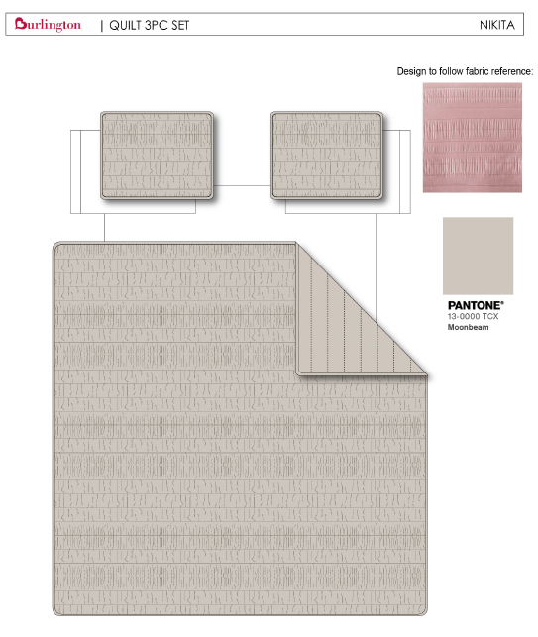
Line No. | Photo | VIN/Art No. | Brand | Licensor | Product Category | Pattern | Item Description | Description-Short | Fabrication | Material-Short | Size/Spec. | Color | Customer Item# | Item No. | UPC | Unit of Measure | China RMB Cost | Exchange Rate | FOB Cost $ (Formula) | FOB Cost $ (Value) | UCCPM Price | Package Type | Carton Size L (cm) | Carton Size W (cm) | Carton Size H (cm) | Carton Gross Weight (kg) | Case Pack | Cubic Meter per Carton | Total Units per 40ft Container | 40ft Container Freight | Ocean Freight per Item $ | HTS Code | Duty Rate | Duty per Item $ | LDP Cost $ | DA % | DA $ | General Load % | General Load $ | Warehouse Charge % | Warehouse Charge $ | Load 1 | Load 1 % | Load 1 $ | Total Load $ | LDP Cost with Load $ | JLA LDP MU% | JLA POE Price Quote (Formula) | JLA POE Price Quote (Value) | Suggested Retail Price | Retailer Markup (Value) | Retailer Markup (Formula) | Total Quantity | Total Cost | Total Sales
1 |  |  | BEBE |  | QUILT | Nikita | Hanging 3pc Quilt Set | Hanging 3pc Quilt Set | FRONT 220gsm Crinkled Velvet. BACK 85gsm microfiber solid. 120gsm poly fill. Stitch quilting. Hanging packaging. | FRONT 220gsm Crinkled Velvet. BACK 85gsm microfiber solid. 120gsm poly fill. Stitch quilting. Hanging packaging. | Queen: 90x90"/20x26+1/2“(2) | Tan | 12345 | BCF10-3940 |  | Set | ¥96.04 | 8.10 | $11.86 | $11.86 |  | Normal | 45.0 | 23.0 | 42.0 |  | 2 | 0.043 | 3023 | 3300 | $1.09 | 9404.40.9022 | 42.80% | $5.08 | $18.03 |  | $0.00 | 0.00% | $0.00 | 0.00% | $0.00 |  | 0.00% | $0.00 | $0.00 | $18.03 | 14.87% | $21.18 | $21.18 | $39.99 | 47.04% | 47.04% | 750 | $13,520.78 | $15,885.00
2 |  |  | BEBE |  | QUILT | Nikita | Hanging 3pc Quilt Set | Hanging 3pc Quilt Set | FRONT 220gsm Crinkled Velvet. BACK 85gsm microfiber solid. 120gsm poly fill. Stitch quilting. Hanging packaging. | FRONT 220gsm Crinkled Velvet. BACK 85gsm microfiber solid. 120gsm poly fill. Stitch quilting. Hanging packaging. | King: 104x90"/20x36+1/2“(2) | Tan | 12345 | BCF10-3941 |  | Set | ¥111.23 | 8.10 | $13.73 | $13.73 |  | Normal | 45.0 | 26.0 | 42.0 |  | 2 | 0.049 | 2653 | 3300 | $1.24 | 9404.40.9022 | 42.80% | $5.88 | $20.85 |  | $0.00 | 0.00% | $0.00 | 0.00% | $0.00 |  | 0.00% | $0.00 | $0.00 | $20.85 | 14.09% | $24.27 | $24.27 | $44.99 | 46.05% | 46.05% | 750 | $15,637.74 | $18,202.50
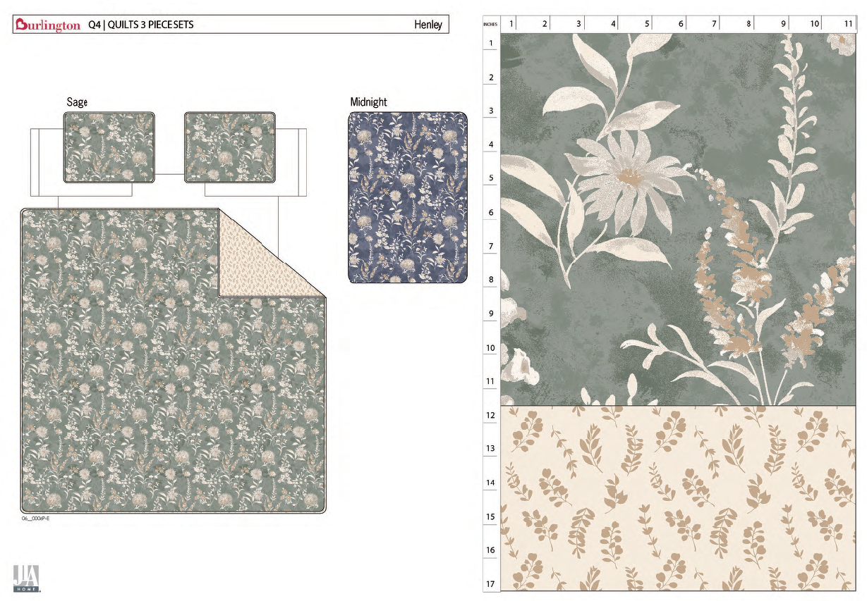
3 |  |  | Nanette Lepore |  | QUILT | Harley | Hanging 3pc Quilt Set | Hanging 3pc Quilt Set | Quilt/Shams: 85gsm microfiber rotary print on front and print reverse. 140gsm polyester fill. Stitch quilted. Hanger packaging. | Quilt/Shams: 85gsm microfiber rotary print on front and print reverse. 140gsm polyester fill. Stitch quilted. Hanger packaging. | Queen: 90x90"/20x26+1/2“(2) | Sage |  | BCF10-3942 |  | Set | ¥61.10 | 8.10 | $7.54 | $7.54 |  | Normal | 45.0 | 43.0 | 20.0 |  | 2 | 0.039 | 3333 | 3300 | $0.99 | 9404.40.9022 | 42.80% | $3.23 | $11.76 |  | $0.00 | 0.00% | $0.00 | 0.00% | $0.00 |  | 0.00% | $0.00 | $0.00 | $11.76 | 17.76% | $14.30 | $14.30 | $29.99 | 52.32% | 52.32% | 750 | $8,817.91 | $10,725.00
4 |  |  | Nanette Lepore |  | QUILT | Harley | Hanging 3pc Quilt Set | Hanging 3pc Quilt Set | Quilt/Shams: 85gsm microfiber rotary print on front and print reverse. 140gsm polyester fill. Stitch quilted. Hanger packaging. | Quilt/Shams: 85gsm microfiber rotary print on front and print reverse. 140gsm polyester fill. Stitch quilted. Hanger packaging. | King: 104x90"/20x36+1/2“(2) | Sage |  | BCF10-3943 |  | Set | ¥68.80 | 8.10 | $8.49 | $8.49 |  | Normal | 45.0 | 43.0 | 23.0 |  | 2 | 0.045 | 2889 | 3300 | $1.14 | 9404.40.9022 | 42.80% | $3.63 | $13.27 |  | $0.00 | 0.00% | $0.00 | 0.00% | $0.00 |  | 0.00% | $0.00 | $0.00 | $13.27 | 16.39% | $15.86 | $15.86 | $34.99 | 54.67% | 54.67% | 750 | $9,949.49 | $11,895.00
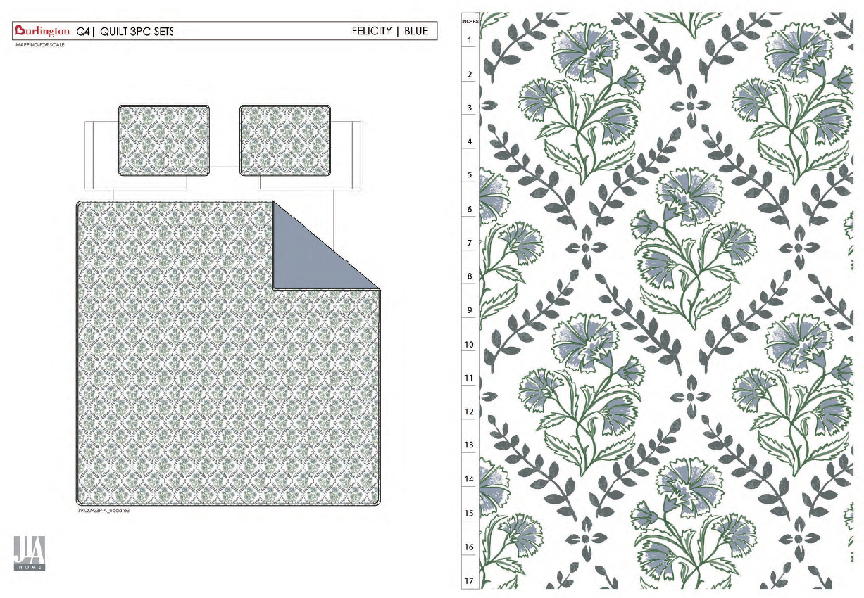
5 |  |  | Nanette Lepore |  | QUILT | Felicity | Hanging 3pc Quilt Set | Hanging 3pc Quilt Set | Quilt/Shams: 85gsm microfiber rotary print on front and reverse solid . 140gsm polyester fill. Stitch quilted. Hanger packaging. | Quilt/Shams: 85gsm microfiber rotary print on front and reverse solid . 140gsm polyester fill. Stitch quilted. Hanger packaging. | Queen: 90x90"/20x26+1/2“(2) | Blue |  | BCF10-3944 |  | Set | ¥59.70 | 8.10 | $7.37 | $7.37 |  | Normal | 45.0 | 43.0 | 20.0 |  | 2 | 0.039 | 3333 | 3300 | $0.99 | 9404.40.9022 | 42.80% | $3.15 | $11.51 |  | $0.00 | 0.00% | $0.00 | 0.00% | $0.00 |  | 0.00% | $0.00 | $0.00 | $11.51 | 19.51% | $14.30 | $14.30 | $29.99 | 52.32% | 52.32% | 750 | $8,635.84 | $10,725.00
6 |  |  | Nanette Lepore |  | QUILT | Felicity | Hanging 3pc Quilt Set | Hanging 3pc Quilt Set | Quilt/Shams: 85gsm microfiber rotary print on front and reverse solid . 140gsm polyester fill. Stitch quilted. Hanger packaging. | Quilt/Shams: 85gsm microfiber rotary print on front and reverse solid . 140gsm polyester fill. Stitch quilted. Hanger packaging. | King: 104x90"/20x36+1/2“(2) | Blue |  | BCF10-3945 |  | Set | ¥66.80 | 8.10 | $8.25 | $8.25 |  | Normal | 45.0 | 43.0 | 23.0 |  | 2 | 0.045 | 2889 | 3300 | $1.14 | 9404.40.9022 | 42.80% | $3.53 | $12.92 |  | $0.00 | 0.00% | $0.00 | 0.00% | $0.00 |  | 0.00% | $0.00 | $0.00 | $12.92 | 18.54% | $15.86 | $15.86 | $34.99 | 54.67% | 54.67% | 750 | $9,692.45 | $11,895.00
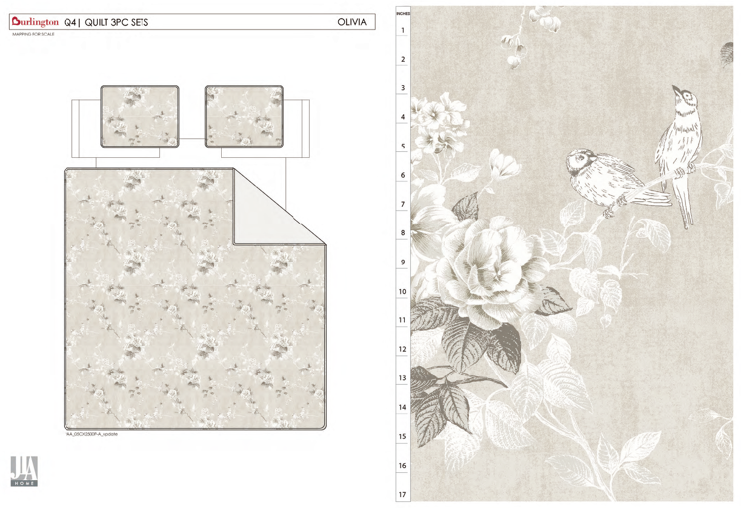
7 |  |  | Nanette Lepore |  | QUILT | Olivia | Hanging 3pc Quilt Set | Hanging 3pc Quilt Set | Quilt/Shams: 85gsm microfiber rotary print on front and reverse solid . 140gsm polyester fill. Stitch quilted. Hanger packaging. | Quilt/Shams: 85gsm microfiber rotary print on front and reverse solid . 140gsm polyester fill. Stitch quilted. Hanger packaging. | Queen: 90x90"/20x26+1/2“(2) | Tan |  | BCF10-3946 |  | Set | ¥59.70 | 8.10 | $7.37 | $7.37 |  | Normal | 45.0 | 43.0 | 20.0 |  | 2 | 0.039 | 3333 | 3300 | $0.99 | 9404.40.9022 | 42.80% | $3.15 | $11.51 |  | $0.00 | 0.00% | $0.00 | 0.00% | $0.00 |  | 0.00% | $0.00 | $0.00 | $11.51 | 19.51% | $14.30 | $14.30 | $29.99 | 52.32% | 52.32% | 1000 | $11,514.46 | $14,300.00
8 |  |  | Nanette Lepore |  | QUILT | Olivia | Hanging 3pc Quilt Set | Hanging 3pc Quilt Set | Quilt/Shams: 85gsm microfiber rotary print on front and reverse solid . 140gsm polyester fill. Stitch quilted. Hanger packaging. | Quilt/Shams: 85gsm microfiber rotary print on front and reverse solid . 140gsm polyester fill. Stitch quilted. Hanger packaging. | King: 104x90"/20x36+1/2“(2) | Tan |  | BCF10-3947 |  | Set | ¥66.80 | 8.10 | $8.25 | $8.25 |  | Normal | 45.0 | 43.0 | 23.0 |  | 2 | 0.045 | 2889 | 3300 | $1.14 | 9404.40.9022 | 42.80% | $3.53 | $12.92 |  | $0.00 | 0.00% | $0.00 | 0.00% | $0.00 |  | 0.00% | $0.00 | $0.00 | $12.92 | 18.54% | $15.86 | $15.86 | $34.99 | 54.67% | 54.67% | 1000 | $12,923.26 | $15,860.00

