Item
Line No. | Photo | VIN/Art No. | Brand | Licensor | Product Category | Pattern | Item Description | Description-Short | Fabrication | Material-Short | Size/Spec. | Color | Customer Item# | Item No. | UPC | Unit of Measure | UCCPM Price | FOB Cost $ (Value) | Package Type | Packaging | Master Carton L (cm) | Master Carton W (cm) | Master Carton H (cm) | Carton Size L (cm) | Carton Size W (cm) | Carton Size H (cm) | Carton Gross Weight (kg) | Case Pack | Cubic Meter per Carton | Container Volume | Total Units per 40ft Container | 40ft Container Freight | Ocean Freight per Item $ | HTS Code | Duty Rate | Duty per Item $ | LDP Cost $ | DA % | DA $ | Royalty % | Royalty $ | Rebate/Co-op % | Rebate/Co-op $ | Load 1 | Load 1 % | Load 1 $ | Load 2 | Load 2 % | Load 2 $ | Load 3 | Load 3 % | Load 3 $ | Warehouse Charge % | Warehouse Charge $ | Total Load $ | LDP Cost with Load $ | JLA LDP MU% | JLA Domestic Price (USD $) | Suggested Retail Price | Retail Markup % | Total Quantity | Total Cost | Total Sales | Retailer Selling Price Total | Master Carton CBM | Master Carton Weight (kg)
1 |  |  | Cedar & Rose |  | Shower Curtain | Plain - Clear | 6 gauge Single PEVA Shower Curtain Plain - Clear | PEVA Shower Curtain | Material/Quality:100% PEVA (90%PE+10%EVA) shower curtain, clear/frosted ground; 6gauge 12 metal grommets, 3 magnets Chrome Grommets | 100% PEVA (90%PE+10%EVA) | 72X72" | Clear |  | TJX70-0307CA |  | Piece |  | $1.04 | Normal | Bellyband & Hanger | 39.5 | 29.5 | 37.5 | 39.5 | 29.5 | 37.5 | 15.40 | 24 | 0.044 | 63.00 | 34602 | 5,400 | $0.16 | 3924.90.0051 | 6.5% | $0.07 | $1.26 | 1.00% | $0.03 | 0.00% | $0.00 | 0.00% | $0.00 | $0.00 | 0.00% | $0.00 | $0.00 | 0.00% | $0.00 | $0.00 | 0.00% | $0.00 | 8.00% | $0.23 | $0.26 | $1.52 | 47.08% | $2.88 | $5.99 | 51.97% | 2000 | $3,045.18 | $5,754.00 | $11,980.00 | 3.64
2 |  |  | Cedar & Rose |  | Shower Curtain | Plain - Clear | 6 gauge Single PEVA Shower Curtain Plain - Frosted | PEVA Shower Curtain | Material/Quality:100% PEVA (90%PE+10%EVA) shower curtain, clear/frosted ground; 6gauge 12 metal grommets, 3 magnets Chrome Grommets | 100% PEVA (90%PE+10%EVA) | 72X72" | Frosted |  | TJX70-0308CA |  | Piece |  | $1.04 | Normal | Bellyband & Hanger | 39.5 | 29.5 | 37.5 | 39.5 | 29.5 | 37.5 | 15.40 | 24 | 0.044 | 63.00 | 34602 | 5,400 | $0.16 | 3924.90.0051 | 6.5% | $0.07 | $1.26 | 1.00% | $0.03 | 0.00% | $0.00 | 0.00% | $0.00 | $0.00 | 0.00% | $0.00 | $0.00 | 0.00% | $0.00 | $0.00 | 0.00% | $0.00 | 8.00% | $0.23 | $0.26 | $1.52 | 47.08% | $2.88 | $5.99 | 51.97% | 2000 | $3,045.18 | $5,754.00 | $11,980.00 | 3.64
3 |  |  | Cedar & Rose |  | Shower Curtain | Plain - Clear | 6 gauge Single PEVA Shower Curtain Plain - White | PEVA Shower Curtain | Material/Quality:100% PEVA (90%PE+10%EVA) shower curtain, clear/frosted ground; 6gauge 12 metal grommets, 3 magnets Chrome Grommets | 100% PEVA (90%PE+10%EVA) | 72X72" | White |  | TJX70-0309CA |  | Piece |  | $1.04 | Normal | Bellyband & Hanger | 39.5 | 29.5 | 37.5 | 39.5 | 29.5 | 37.5 | 15.40 | 24 | 0.044 | 63.00 | 34602 | 5,400 | $0.16 | 3924.90.0051 | 6.5% | $0.07 | $1.26 | 1.00% | $0.03 | 0.00% | $0.00 | 0.00% | $0.00 | $0.00 | 0.00% | $0.00 | $0.00 | 0.00% | $0.00 | $0.00 | 0.00% | $0.00 | 8.00% | $0.23 | $0.26 | $1.52 | 47.08% | $2.88 | $5.99 | 51.97% | 2000 | $3,045.18 | $5,754.00 | $11,980.00 | 3.64
4 | 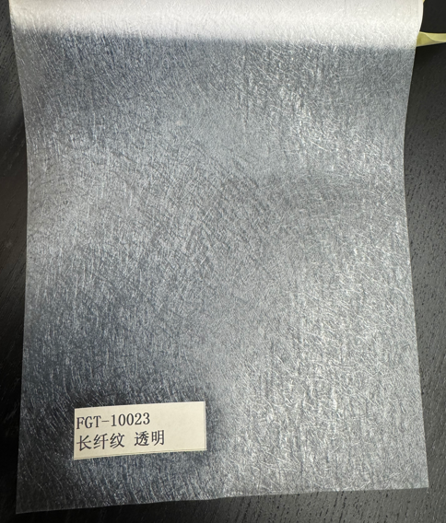 (Image 1) FGT-10023 |  | Cedar & Rose |  | Shower Curtain | Embossed | 6 gauge Single PEVA Shower Curtain clear/frosted ground - Embossed | PEVA Shower Curtain | Material/Quality:90% PE, 10% EVA shower curtain, clear/frosted ground; 6gauge 12 metal grommets,3 magnets Black Grommets | 90% PE; 10% EVA | 72X72" | Clear/Frosted Ground |  | TJX70-0310CA |  | Piece |  | $1.24 | Normal | Bellyband & Hanger | 39.5 | 29.5 | 37.5 | 39.5 | 29.5 | 37.5 | 15.40 | 24 | 0.044 | 63.00 | 34602 | 5,400 | $0.16 | 3924.90.0051 | 6.5% | $0.08 | $1.48 | 1.00% | $0.03 | 0.00% | $0.00 | 0.00% | $0.00 | $0.00 | 0.00% | $0.00 | $0.00 | 0.00% | $0.00 | $0.00 | 0.00% | $0.00 | 8.00% | $0.25 | $0.28 | $1.76 | 44.14% | $3.15 | $5.99 | 47.40% | 2000 | $3,520.50 | $6,302.00 | $11,980.00 | 3.64
5 | (Image 4) FGT-10307 |  | Cedar & Rose |  | Shower Curtain | Embossed | 6 gauge Single PEVA Shower Curtain clear/frosted ground - Embossed | PEVA Shower Curtain | Material/Quality:90% PE, 10% EVA shower curtain, clear/frosted ground; 6gauge 12 metal grommets,3 magnets Chrome Grommets | 90% PE; 10% EVA | 72X72" | Clear/Frosted Ground |  | TJX70-0311CA |  | Piece |  | $1.22 | Normal | Bellyband & Hanger | 39.5 | 29.5 | 37.5 | 39.5 | 29.5 | 37.5 | 15.40 | 24 | 0.044 | 63.00 | 34602 | 5,400 | $0.16 | 3924.90.0051 | 6.5% | $0.08 | $1.46 | 1.00% | $0.03 | 0.00% | $0.00 | 0.00% | $0.00 | $0.00 | 0.00% | $0.00 | $0.00 | 0.00% | $0.00 | $0.00 | 0.00% | $0.00 | 8.00% | $0.25 | $0.28 | $1.74 | 44.81% | $3.15 | $5.99 | 47.40% | 2000 | $3,477.90 | $6,302.00 | $11,980.00 | 3.64
6 | 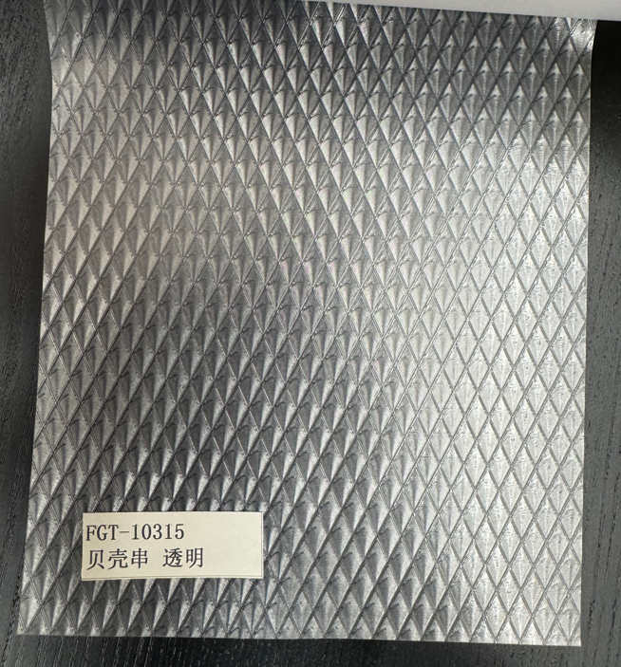 (Image 5) FGT-10315 |  | Cedar & Rose |  | Shower Curtain | Embossed | 6 gauge Single PEVA Shower Curtain clear/frosted ground - Embossed | PEVA Shower Curtain | Material/Quality:90% PE, 10% EVA shower curtain, clear/frosted ground; 6gauge 12 metal grommets,3 magnets Chrome Grommets | 90% PE; 10% EVA | 72X72" | Clear/Frosted Ground |  | TJX70-0312CA |  | Piece |  | $1.22 | Normal | Bellyband & Hanger | 39.5 | 29.5 | 37.5 | 39.5 | 29.5 | 37.5 | 15.40 | 24 | 0.044 | 63.00 | 34602 | 5,400 | $0.16 | 3924.90.0051 | 6.5% | $0.08 | $1.46 | 1.00% | $0.03 | 0.00% | $0.00 | 0.00% | $0.00 | $0.00 | 0.00% | $0.00 | $0.00 | 0.00% | $0.00 | $0.00 | 0.00% | $0.00 | 8.00% | $0.25 | $0.28 | $1.74 | 44.81% | $3.15 | $5.99 | 47.40% | 2000 | $3,477.90 | $6,302.00 | $11,980.00 | 3.64
7 | 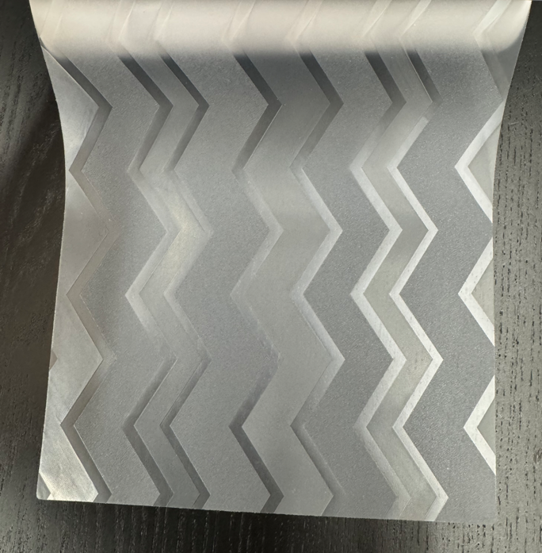 (Image 7) |  | Cedar & Rose |  | Shower Curtain | Embossed | 6 gauge Single PEVA Shower Curtain clear/frosted ground - Embossed | PEVA Shower Curtain | Material/Quality:90% PE, 10% EVA shower curtain, clear/frosted ground; 6gauge 12 metal grommets,3 magnets Chrome Grommets | 90% PE; 10% EVA | 72X72" | Clear/Frosted Ground |  | TJX70-0313CA |  | Piece |  | $1.22 | Normal | Bellyband & Hanger | 39.5 | 29.5 | 37.5 | 39.5 | 29.5 | 37.5 | 15.40 | 24 | 0.044 | 63.00 | 34602 | 5,400 | $0.16 | 3924.90.0051 | 6.5% | $0.08 | $1.46 | 1.00% | $0.03 | 0.00% | $0.00 | 0.00% | $0.00 | $0.00 | 0.00% | $0.00 | $0.00 | 0.00% | $0.00 | $0.00 | 0.00% | $0.00 | 8.00% | $0.25 | $0.28 | $1.74 | 44.81% | $3.15 | $5.99 | 47.40% | 2000 | $3,477.90 | $6,302.00 | $11,980.00 | 3.64
8 | 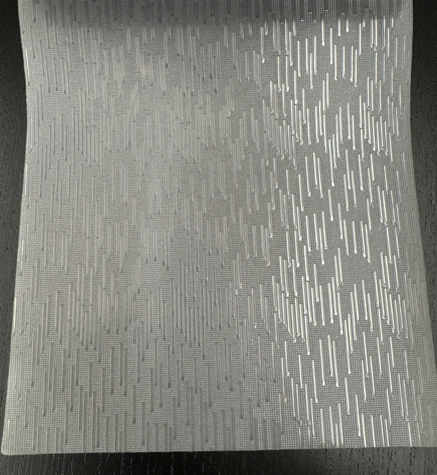 (Image 9) |  | Cedar & Rose |  | Shower Curtain | Embossed | 6 gauge Single PEVA Shower Curtain clear/frosted ground - Embossed | PEVA Shower Curtain | Material/Quality:90% PE, 10% EVA shower curtain, clear/frosted ground; 6gauge 12 metal grommets,3 magnets Black Grommets | 90% PE; 10% EVA | 72X72" | Clear/Frosted Ground |  | TJX70-0314CA |  | Piece |  | $1.24 | Normal | Bellyband & Hanger | 39.5 | 29.5 | 37.5 | 39.5 | 29.5 | 37.5 | 15.40 | 24 | 0.044 | 63.00 | 34602 | 5,400 | $0.16 | 3924.90.0051 | 6.5% | $0.08 | $1.48 | 1.00% | $0.03 | 0.00% | $0.00 | 0.00% | $0.00 | $0.00 | 0.00% | $0.00 | $0.00 | 0.00% | $0.00 | $0.00 | 0.00% | $0.00 | 8.00% | $0.25 | $0.28 | $1.76 | 44.14% | $3.15 | $5.99 | 47.40% | 2000 | $3,520.50 | $6,302.00 | $11,980.00 | 3.64

