Item
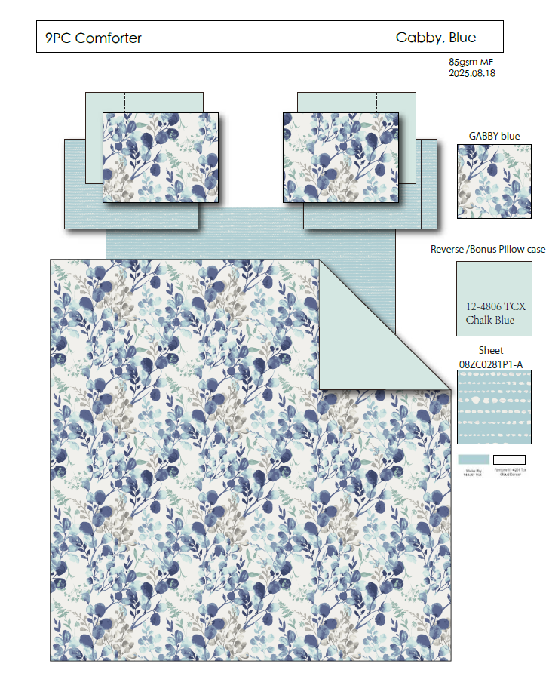
Line No. | Photo | VIN/Art No. | Brand | Licensor | Product Category | Pattern | Item Description | Description-Short | Fabrication | Material-Short | Size/Spec. | Color | Item No. | UPC | Unit of Measure | China RMB Cost | Exchange Rate | FOB Cost $ (Formula) | FOB Cost $ (Value) | UCCPM Price | Package Type | Carton Size L (cm) | Carton Size W (cm) | Carton Size H (cm) | Carton Gross Weight (kg) | Case Pack | Cubic Meter per Carton | Total Units per 40ft Container | 40ft Container Freight | Ocean Freight per Item $ | HTS Code | Duty Rate | Duty per Item $ | LDP Cost $ | DA % | DA $ | General Load % | General Load $ | Warehouse Charge % | Warehouse Charge $ | Dropship Charge | Load 1 | Load 1 % | Load 1 $ | Total Load $ | LDP Cost with Load $ | JLA LDP MU% | JLA FOB CA/GA Price Quote (Formula) | JLA price with drop ship charges | Suggested Retail Price | Initial Markup | Initial Rollout Forecast
1 |  |  | Regency Heights |  | COMFORTER (SET) | Gabby | 100% Polyester Printed 6pcs Comforter Set | 6pcs Comforter Set | Comf/sham :85gsm printed seersucker on face, 85gsm solid reverse, 200gsm poly fill.F, sheet set: 85gsm printed microfiber. Fitted sheet with 1 pocket on each side. Comforter filling: 200gsm poly fill. | 100% polyester | Twin: 66x90"/20x26"/66x96"/39x75+12"/20x30"/20x30" | Blue | RH10-0410 |  |  | ¥75.00 | 8.00 | $9.38 | 9.38 |  | Compressed/KD | 42.0 | 33.0 | 33.0 | 4.00 | 3 | 0.046 | 4263 | 4000 | $0.94 | 9404.40.9022 | 42.80% | $4.01 | $14.33 | 0.00% | $0.00 | 0.00% | $0.00 | 0.00% | $0.00 | $0.00 | 0 | 0.00% | $0.00 | $0.00 | $14.33 | 0.00% | $14.33 | $52.99 | $52.99 |  | 189
2 |  |  | Regency Heights |  | COMFORTER (SET) | Gabby | 100% Polyester Printed 9pcs Comforter Set | 9pcs Comforter Set | Comf/sham :85gsm printed seersucker on face, 85gsm solid reverse, 200gsm poly fill.F, sheet set: 85gsm printed microfiber. Fitted sheet with 1 pocket on each side. Comforter filling: 200gsm poly fill. | 100% polyester | Full: 80x90"/20x26"(2)/81x96"/54x75"+15"/20x30"(2)/20x30"(2) | Blue | RH10-0411 |  |  | ¥95.20 | 8.00 | $11.90 | $11.90 |  | Compressed/KD | 48.0 | 42.0 | 33.0 | 4.00 | 3 | 0.067 | 2931 | 4000 | $1.36 | 9404.40.9022 | 42.80% | $5.09 | $18.36 | 0.00% | $0.00 | 0.00% | $0.00 | 0.00% | $0.00 | $0.00 | 0 | 0.00% | $0.00 | $0.00 | $18.36 | 0.00% | $18.36 | $59.99 | $59.99 |  | 141
3 |  |  | Regency Heights |  | COMFORTER (SET) | Gabby | 100% Polyester Printed 9pcs Comforter Set | 9pcs Comforter Set | Comf/sham :85gsm printed seersucker on face, 85gsm solid reverse, 200gsm poly fill.F, sheet set: 85gsm printed microfiber. Fitted sheet with 1 pocket on each side. Comforter filling: 200gsm poly fill. | 100% polyester | Queen: 90x90"/20x26"(2)/90x102"/60x80"+15"/20x30"(2)/20x30"(2) | Blue | RH10-0412 |  |  | ¥100.50 | 8.00 | $12.56 | 12.56 |  | Compressed/KD | 48.0 | 42.0 | 33.0 | 4.00 | 3 | 0.067 | 2931 | 4000 | $1.36 | 9404.40.9022 | 42.80% | $5.38 | $19.30 | 0.00% | $0.00 | 0.00% | $0.00 | 0.00% | $0.00 | $0.00 | 0 | 0.00% | $0.00 | $0.00 | $19.30 | 0.00% | $19.30 | $62.99 | $62.99 |  | 360
4 |  |  | Regency Heights |  | COMFORTER (SET) | Gabby | 100% Polyester Printed 9pcs Comforter Set | 9pcs Comforter Set | Comf/sham :85gsm printed seersucker on face, 85gsm solid reverse, 200gsm poly fill.F, sheet set: 85gsm printed microfiber. Fitted sheet with 1 pocket on each side. Comforter filling: 200gsm poly fill. | 100% polyester | King: 104"Wx90"L/20"Wx36"L(2)/108"Wx102"L/78"Wx80"L+15"D/20"Wx40"L(2)/20"Wx40"L(2) | Blue | RH10-0413 |  |  | ¥117.60 | 8.00 | $14.70 | $14.70 |  | Compressed/KD | 54.0 | 42.0 | 33.0 | 4.00 | 3 | 0.075 | 2605 | 4000 | $1.54 | 9404.40.9022 | 42.80% | $6.29 | $22.53 | 0.00% | $0.00 | 0.00% | $0.00 | 0.00% | $0.00 | $0.00 | 0 | 0.00% | $0.00 | $0.00 | $22.53 | 0.00% | $22.53 | $69.99 | $69.99 |  | 315

