Item
Line No. | Photo | VIN/Art No. | Brand | Licensor | Product Category | Pattern | Item Description | Description-Short | Fabrication | Material-Short | Size/Spec. | Color | Customer Item# | Item No. | UPC | Unit of Measure | China RMB Cost | Exchange Rate | FOB Cost $ (Formula) | FOB Cost $ (Value) | UCCPM Price | Package Type | Carton Size L (cm) | Carton Size W (cm) | Carton Size H (cm) | Carton Gross Weight (kg) | Case Pack | Cubic Meter per Carton | Total Units per 40ft Container | 40ft Container Freight | Ocean Freight per Item $ | HTS Code | Duty Rate | Duty per Item $ | LDP Cost $ | DA % | DA $ | General Load % | General Load $ | Warehouse Charge % | Warehouse Charge $ | Load 1 | Load 1 % | Load 1 $ | Total Load $ | LDP Cost with Load $ | JLA LDP MU% | JLA POE Price Quote (Formula) | JLA POE Price Quote (Value) | Suggested Retail Price | Retailer Markup (Value) | Retailer Markup (Formula) | Total Quantity | Total Cost | Total Sales
1 | 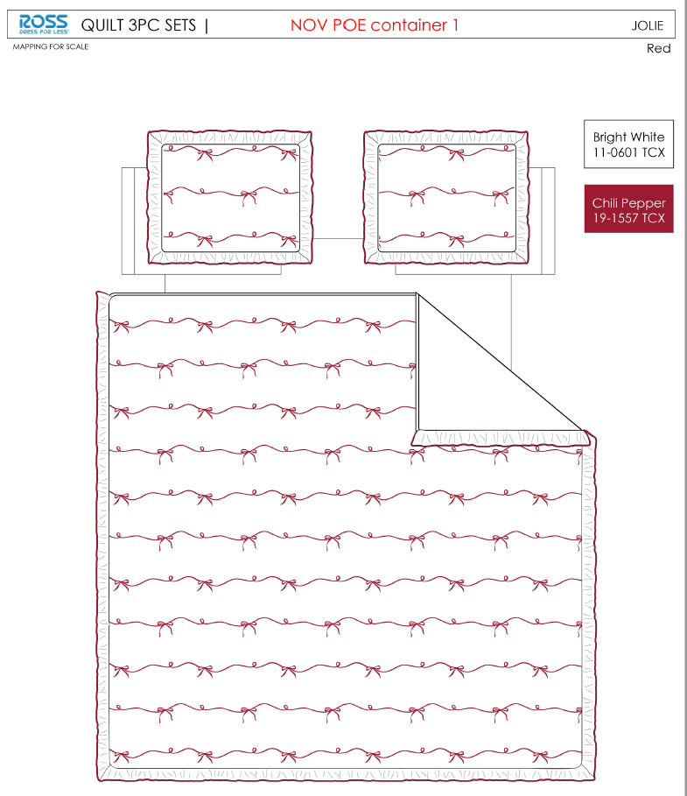 |  |  |  | QUILT | JOLIE | 100% Polyester 3pc Hanging Print Quilt | 3pc Hanging Print Quilt | 85gsm microfiber Prewashed ultra soft finish. Embroidered w/ Ruffle edge. Stitch quilting. 180gsm Poly Fill. | 100% Polyester Hanging Print Quilt | Twin: 63x86"+2.5"/20x26+2.5"(1) | Red |  | RS14-8368 |  | Piece | ¥56.84 | 8.10 | $7.02 | $7.02 |  | Normal | 43 | 41 | 22 | 5.00 | 2 | 0.039 | 3352 | 2250 | $0.67 | 9404.40.9022 | 42.80% | $3.00 | $10.70 | 0.00% | $0.00 | 0.00% | $0.00 | 0.00% | $0.00 | 0 | 0.00% | $0.00 | $0.00 | $10.70 | 17.72% | $13.00 | $13.00 | $24.99 | 47.98% | 47.98% | 150 | $1,604.38 | $1,950.00
2 |  |  |  |  | QUILT | JOLIE | 100% Polyester 3pc Hanging Print Quilt | 3pc Hanging Print Quilt | 85gsm microfiber Prewashed ultra soft finish. Embroidered w/ Ruffle edge. Stitch quilting. 180gsm Poly Fill. | 100% Polyester Hanging Print Quilt | Full/Queen: 86x86"+2.5"/20x26+2.5"(2) | Red |  | RS14-8369 |  | Piece | ¥76.44 | 8.10 | $9.44 | $9.44 |  | Normal | 43 | 41 | 24 | 5.00 | 2 | 0.042 | 3072 | 2250 | $0.73 | 9404.40.9022 | 42.80% | $4.04 | $14.21 | 0.00% | $0.00 | 0.00% | $0.00 | 0.00% | $0.00 | 0 | 0.00% | $0.00 | $0.00 | $14.21 | 16.40% | $17.00 | $17.00 | $29.99 | 43.31% | 43.31% | 650 | $9,238.22 | $11,050.00
3 |  |  |  |  | QUILT | JOLIE | 100% Polyester 3pc Hanging Print Quilt | 3pc Hanging Print Quilt | 85gsm microfiber Prewashed ultra soft finish. Embroidered w/ Ruffle edge. Stitch quilting. 180gsm Poly Fill. | 100% Polyester Hanging Print Quilt | King:102x86+2.5"/20x36+2.5"(2) | Red |  | RS14-8370 |  | Piece | ¥94.00 | 8.10 | $11.60 | $11.60 |  | Normal | 43 | 41 | 27 | 5.00 | 2 | 0.048 | 2731 | 2250 | $0.82 | 9404.40.9022 | 42.80% | $4.96 | $17.39 | 0.00% | $0.00 | 0.00% | $0.00 | 0.00% | $0.00 | 0 | 0.00% | $0.00 | $0.00 | $17.39 | 13.06% | $20.00 | $20.00 | $34.99 | 42.84% | 42.84% | 600 | $10,433.20 | $12,000.00
4 | 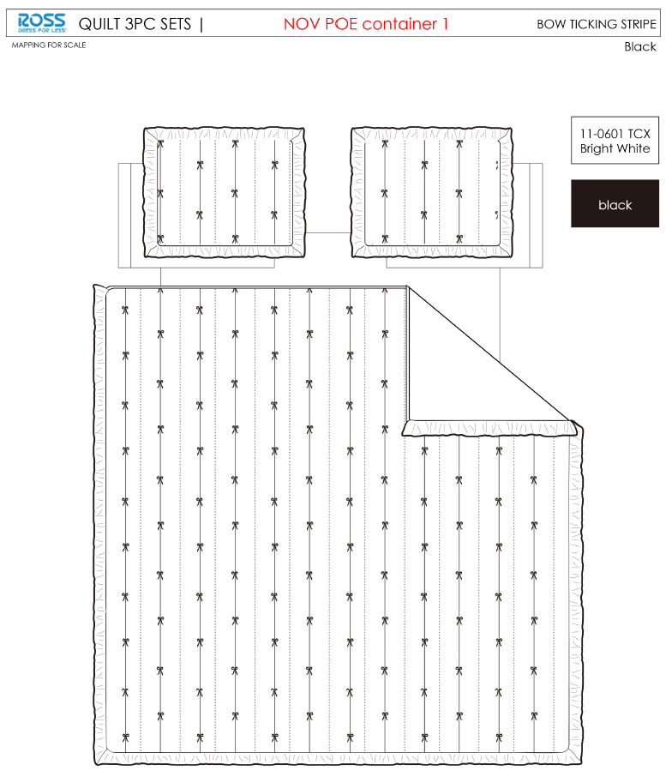 |  |  |  | QUILT | Bow Ticking Stripe | 100% Polyester 3pc Hanging Print Quilt | 3pc Hanging Print Quilt | 85gsm microfiber Prewashed ultra soft finish. Embroidered w/ Ruffle edge. Stitch quilting. 180gsm Poly Fill. | 100% Polyester Hanging Print Quilt | Twin: 63x86"+2.5"/20x26+2.5"(1) | Black |  | RS14-8371 |  | Piece | ¥60.50 | 8.10 | $7.47 | $7.47 |  | Normal | 43 | 41 | 22 | 5.00 | 2 | 0.039 | 3352 | 2250 | $0.67 | 9404.40.9022 | 42.80% | $3.20 | $11.34 | 0.00% | $0.00 | 0.00% | $0.00 | 0.00% | $0.00 | 0 | 0.00% | $0.00 | $0.00 | $11.34 | 12.78% | $13.00 | $13.00 | $24.99 | 47.98% | 47.98% | 150 | $1,700.77 | $1,950.00
5 |  |  |  |  | QUILT | Bow Ticking Stripe | 100% Polyester 3pc Hanging Print Quilt | 3pc Hanging Print Quilt | 85gsm microfiber Prewashed ultra soft finish. Embroidered w/ Ruffle edge. Stitch quilting. 180gsm Poly Fill. | 100% Polyester Hanging Print Quilt | Full/Queen: 86x86"+2.5"/20x26+2.5"(2) | Black |  | RS14-8372 |  | Piece | ¥80.80 | 8.10 | $9.98 | $9.98 |  | Normal | 43 | 41 | 24 | 5.00 | 2 | 0.042 | 3072 | 2250 | $0.73 | 9404.40.9022 | 42.80% | $4.27 | $14.98 | 0.00% | $0.00 | 0.00% | $0.00 | 0.00% | $0.00 | 0 | 0.00% | $0.00 | $0.00 | $14.98 | 11.86% | $17.00 | $17.00 | $29.99 | 43.31% | 43.31% | 650 | $9,739.45 | $11,050.00
6 |  |  |  |  | QUILT | Bow Ticking Stripe | 100% Polyester 3pc Hanging Print Quilt | 3pc Hanging Print Quilt | 85gsm microfiber Prewashed ultra soft finish. Embroidered w/ Ruffle edge. Stitch quilting. 180gsm Poly Fill. | 100% Polyester Hanging Print Quilt | King:102x86+2.5"/20x36+2.5"(2) | Black |  | RS14-8373 |  | Piece | ¥97.00 | 8.10 | $11.98 | $11.98 |  | Normal | 43 | 41 | 27 | 5.00 | 2 | 0.048 | 2731 | 2250 | $0.82 | 9404.40.9022 | 42.80% | $5.13 | $17.93 | 0.00% | $0.00 | 0.00% | $0.00 | 0.00% | $0.00 | 0 | 0.00% | $0.00 | $0.00 | $17.93 | 10.34% | $20.00 | $20.00 | $34.99 | 42.84% | 42.84% | 600 | $10,758.78 | $12,000.00
7 | 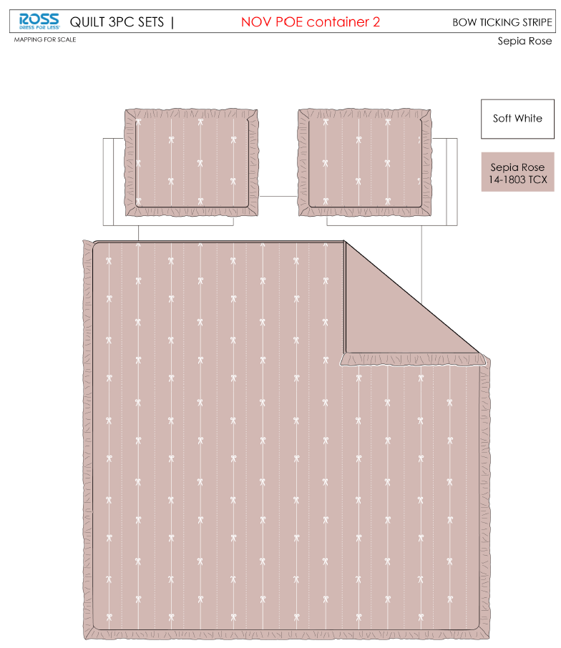 |  |  |  | QUILT | Bow Ticking Stripe | 100% Polyester 3pc Hanging Print Quilt | 3pc Hanging Print Quilt | 85gsm microfiber Prewashed ultra soft finish. Embroidered w/ Ruffle edge. Stitch quilting. 180gsm Poly Fill. | 100% Polyester Hanging Print Quilt | Twin: 63x86"+2.5"/20x26+2.5"(1) | Sepia Rose |  | RS14-8374 |  | Piece | ¥60.50 | 8.10 | $7.47 | $7.47 |  | Normal | 43 | 41 | 22 | 5.00 | 2 | 0.039 | 3352 | 2250 | $0.67 | 9404.40.9022 | 42.80% | $3.20 | $11.34 | 0.00% | $0.00 | 0.00% | $0.00 | 0.00% | $0.00 | 0 | 0.00% | $0.00 | $0.00 | $11.34 | 12.78% | $13.00 | $13.00 | $24.99 | 47.98% | 47.98% | 150 | $1,700.77 | $1,950.00
8 |  |  |  |  | QUILT | Bow Ticking Stripe | 100% Polyester 3pc Hanging Print Quilt | 3pc Hanging Print Quilt | 85gsm microfiber Prewashed ultra soft finish. Embroidered w/ Ruffle edge. Stitch quilting. 180gsm Poly Fill. | 100% Polyester Hanging Print Quilt | Full/Queen: 86x86"+2.5"/20x26+2.5"(2) | Sepia Rose |  | RS14-8375 |  | Piece | ¥80.80 | 8.10 | $9.98 | $9.98 |  | Normal | 43 | 41 | 24 | 5.00 | 2 | 0.042 | 3072 | 2250 | $0.73 | 9404.40.9022 | 42.80% | $4.27 | $14.98 | 0.00% | $0.00 | 0.00% | $0.00 | 0.00% | $0.00 | 0 | 0.00% | $0.00 | $0.00 | $14.98 | 11.86% | $17.00 | $17.00 | $29.99 | 43.31% | 43.31% | 650 | $9,739.45 | $11,050.00
9 |  |  |  |  | QUILT | Bow Ticking Stripe | 100% Polyester 3pc Hanging Print Quilt | 3pc Hanging Print Quilt | 85gsm microfiber Prewashed ultra soft finish. Embroidered w/ Ruffle edge. Stitch quilting. 180gsm Poly Fill. | 100% Polyester Hanging Print Quilt | King:102x86+2.5"/20x36+2.5"(2) | Sepia Rose |  | RS14-8376 |  | Piece | ¥97.00 | 8.10 | $11.98 | $11.98 |  | Normal | 43 | 41 | 27 | 5.00 | 2 | 0.048 | 2731 | 2250 | $0.82 | 9404.40.9022 | 42.80% | $5.13 | $17.93 | 0.00% | $0.00 | 0.00% | $0.00 | 0.00% | $0.00 | 0 | 0.00% | $0.00 | $0.00 | $17.93 | 10.34% | $20.00 | $20.00 | $34.99 | 42.84% | 42.84% | 600 | $10,758.78 | $12,000.00
10 | 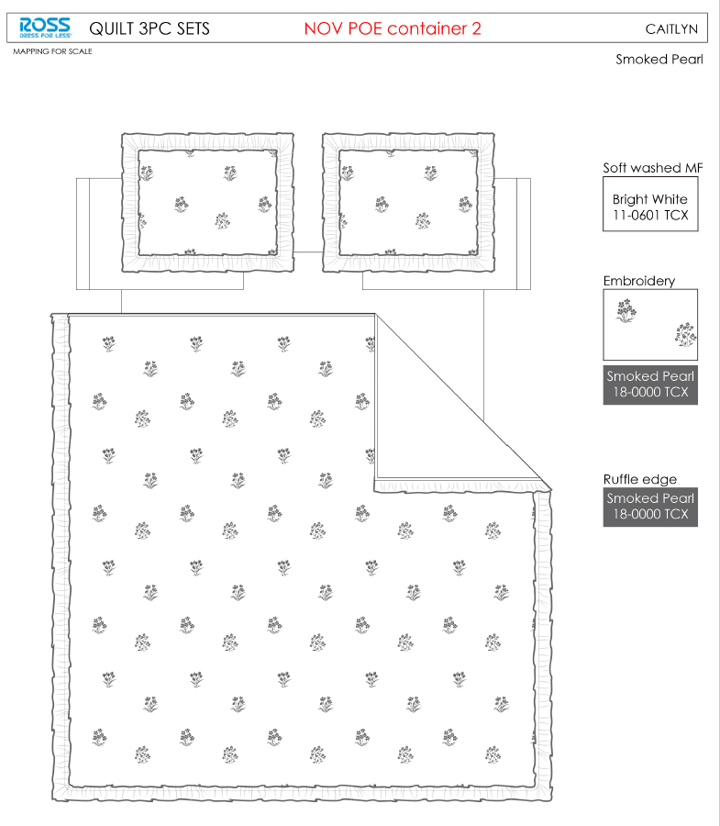 |  |  |  | QUILT | CAITLYN | 100% Polyester 3pc Hanging Print Quilt | 3pc Hanging Print Quilt | 85gsm microfiber Prewashed ultra soft finish. Embroidered w/ Ruffle edge. Stitch quilting. 180gsm Poly Fill. | 100% Polyester Hanging Print Quilt | Twin: 63x86"+2.5"/20x26+2.5"(1) | Smoked pearl |  | RS14-8377 |  | Piece | ¥60.50 | 8.10 | $7.47 | $7.47 |  | Normal | 43 | 41 | 22 | 5.00 | 2 | 0.039 | 3352 | 2250 | $0.67 | 9404.40.9022 | 42.80% | $3.20 | $11.34 | 0.00% | $0.00 | 0.00% | $0.00 | 0.00% | $0.00 | 0 | 0.00% | $0.00 | $0.00 | $11.34 | 12.78% | $13.00 | $13.00 | $24.99 | 47.98% | 47.98% | 150 | $1,700.77 | $1,950.00
11 |  |  |  |  | QUILT | CAITLYN | 100% Polyester 3pc Hanging Print Quilt | 3pc Hanging Print Quilt | 85gsm microfiber Prewashed ultra soft finish. Embroidered w/ Ruffle edge. Stitch quilting. 180gsm Poly Fill. | 100% Polyester Hanging Print Quilt | Full/Queen: 86x86"+2.5"/20x26+2.5"(2) | Smoked pearl |  | RS14-8378 |  | Piece | ¥80.80 | 8.10 | $9.98 | $9.98 |  | Normal | 43 | 41 | 24 | 5.00 | 2 | 0.042 | 3072 | 2250 | $0.73 | 9404.40.9022 | 42.80% | $4.27 | $14.98 | 0.00% | $0.00 | 0.00% | $0.00 | 0.00% | $0.00 | 0 | 0.00% | $0.00 | $0.00 | $14.98 | 11.86% | $17.00 | $17.00 | $29.99 | 43.31% | 43.31% | 650 | $9,739.45 | $11,050.00
12 |  |  |  |  | QUILT | CAITLYN | 100% Polyester 3pc Hanging Print Quilt | 3pc Hanging Print Quilt | 85gsm microfiber Prewashed ultra soft finish. Embroidered w/ Ruffle edge. Stitch quilting. 180gsm Poly Fill. | 100% Polyester Hanging Print Quilt | King:102x86+2.5"/20x36+2.5"(2) | Smoked pearl |  | RS14-8379 |  | Piece | ¥97.00 | 8.10 | $11.98 | $11.98 |  | Normal | 43 | 41 | 27 | 5.00 | 2 | 0.048 | 2731 | 2250 | $0.82 | 9404.40.9022 | 42.80% | $5.13 | $17.93 | 0.00% | $0.00 | 0.00% | $0.00 | 0.00% | $0.00 | 0 | 0.00% | $0.00 | $0.00 | $17.93 | 10.34% | $20.00 | $20.00 | $34.99 | 42.84% | 42.84% | 600 | $10,758.78 | $12,000.00
13 | 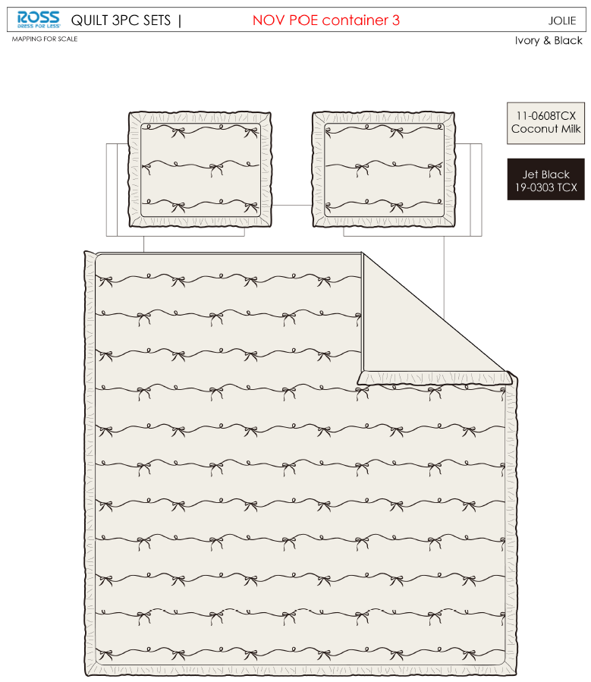 |  |  |  | QUILT | JOLIE | 100% Polyester 3pc Hanging Print Quilt | 3pc Hanging Print Quilt | 85gsm microfiber Prewashed ultra soft finish. Embroidered w/ Ruffle edge. Stitch quilting. 180gsm Poly Fill. | 100% Polyester Hanging Print Quilt | Twin: 63x86"+2.5"/20x26+2.5"(1) | Ivory& Black |  | RS14-8380 |  | Piece | ¥56.84 | 8.10 | $7.02 | $7.02 |  | Normal | 43 | 41 | 22 | 5.00 | 2 | 0.039 | 3352 | 2250 | $0.67 | 9404.40.9022 | 42.80% | $3.00 | $10.70 | 0.00% | $0.00 | 0.00% | $0.00 | 0.00% | $0.00 | 0 | 0.00% | $0.00 | $0.00 | $10.70 | 17.72% | $13.00 | $13.00 | $24.99 | 47.98% | 47.98% | 150 | $1,604.38 | $1,950.00
14 |  |  |  |  | QUILT | JOLIE | 100% Polyester 3pc Hanging Print Quilt | 3pc Hanging Print Quilt | 85gsm microfiber Prewashed ultra soft finish. Embroidered w/ Ruffle edge. Stitch quilting. 180gsm Poly Fill. | 100% Polyester Hanging Print Quilt | Full/Queen: 86x86"+2.5"/20x26+2.5"(2) | Ivory& Black |  | RS14-8381 |  | Piece | ¥76.44 | 8.10 | $9.44 | $9.44 |  | Normal | 43 | 41 | 24 | 5.00 | 2 | 0.042 | 3072 | 2250 | $0.73 | 9404.40.9022 | 42.80% | $4.04 | $14.21 | 0.00% | $0.00 | 0.00% | $0.00 | 0.00% | $0.00 | 0 | 0.00% | $0.00 | $0.00 | $14.21 | 16.40% | $17.00 | $17.00 | $29.99 | 43.31% | 43.31% | 650 | $9,238.22 | $11,050.00
15 |  |  |  |  | QUILT | JOLIE | 100% Polyester 3pc Hanging Print Quilt | 3pc Hanging Print Quilt | 85gsm microfiber Prewashed ultra soft finish. Embroidered w/ Ruffle edge. Stitch quilting. 180gsm Poly Fill. | 100% Polyester Hanging Print Quilt | King:102x86+2.5"/20x36+2.5"(2) | Ivory& Black |  | RS14-8382 |  | Piece | ¥94.00 | 8.10 | $11.60 | $11.60 |  | Normal | 43 | 41 | 27 | 5.00 | 2 | 0.048 | 2731 | 2250 | $0.82 | 9404.40.9022 | 42.80% | $4.96 | $17.39 | 0.00% | $0.00 | 0.00% | $0.00 | 0.00% | $0.00 | 0 | 0.00% | $0.00 | $0.00 | $17.39 | 13.06% | $20.00 | $20.00 | $34.99 | 42.84% | 42.84% | 600 | $10,433.20 | $12,000.00
16 | 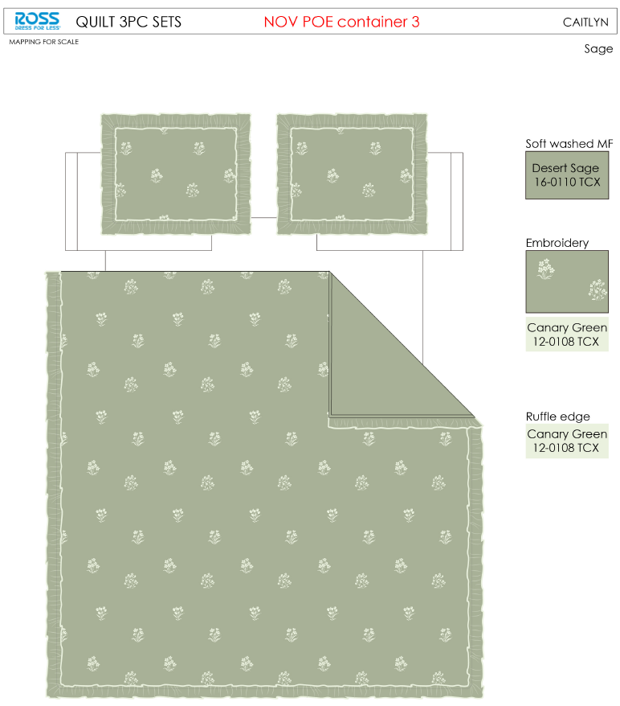 |  |  |  | QUILT | CAITLYN | 100% Polyester 3pc Hanging Print Quilt | 3pc Hanging Print Quilt | 85gsm microfiber Prewashed ultra soft finish. Embroidered w/ Ruffle edge. Stitch quilting. 180gsm Poly Fill. | 100% Polyester Hanging Print Quilt | Twin: 63x86"+2.5"/20x26+2.5"(1) | Sage |  | RS14-8383 |  | Piece | ¥60.50 | 8.10 | $7.47 | $7.47 |  | Normal | 43 | 41 | 22 | 5.00 | 2 | 0.039 | 3352 | 2250 | $0.67 | 9404.40.9022 | 42.80% | $3.20 | $11.34 | 0.00% | $0.00 | 0.00% | $0.00 | 0.00% | $0.00 | 0 | 0.00% | $0.00 | $0.00 | $11.34 | 12.78% | $13.00 | $13.00 | $24.99 | 47.98% | 47.98% | 150 | $1,700.77 | $1,950.00
17 |  |  |  |  | QUILT | CAITLYN | 100% Polyester 3pc Hanging Print Quilt | 3pc Hanging Print Quilt | 85gsm microfiber Prewashed ultra soft finish. Embroidered w/ Ruffle edge. Stitch quilting. 180gsm Poly Fill. | 100% Polyester Hanging Print Quilt | Full/Queen: 86x86"+2.5"/20x26+2.5"(2) | Sage |  | RS14-8384 |  | Piece | ¥80.80 | 8.10 | $9.98 | $9.98 |  | Normal | 43 | 41 | 24 | 5.00 | 2 | 0.042 | 3072 | 2250 | $0.73 | 9404.40.9022 | 42.80% | $4.27 | $14.98 | 0.00% | $0.00 | 0.00% | $0.00 | 0.00% | $0.00 | 0 | 0.00% | $0.00 | $0.00 | $14.98 | 11.86% | $17.00 | $17.00 | $29.99 | 43.31% | 43.31% | 650 | $9,739.45 | $11,050.00
18 |  |  |  |  | QUILT | CAITLYN | 100% Polyester 3pc Hanging Print Quilt | 3pc Hanging Print Quilt | 85gsm microfiber Prewashed ultra soft finish. Embroidered w/ Ruffle edge. Stitch quilting. 180gsm Poly Fill. | 100% Polyester Hanging Print Quilt | King:102x86+2.5"/20x36+2.5"(2) | Sage |  | RS14-8385 |  | Piece | ¥97.00 | 8.10 | $11.98 | $11.98 |  | Normal | 43 | 41 | 27 | 5.00 | 2 | 0.048 | 2731 | 2250 | $0.82 | 9404.40.9022 | 42.80% | $5.13 | $17.93 | 0.00% | $0.00 | 0.00% | $0.00 | 0.00% | $0.00 | 0 | 0.00% | $0.00 | $0.00 | $17.93 | 10.34% | $20.00 | $20.00 | $34.99 | 42.84% | 42.84% | 600 | $10,758.78 | $12,000.00
19 |  |  |  |  | QUILT | Bow Ticking Stripe | 100% Polyester 3pc Hanging Print Quilt | 3pc Hanging Print Quilt | 85gsm microfiber Prewashed ultra soft finish. Embroidered w/ Ruffle edge. Stitch quilting. 180gsm Poly Fill. | 100% Polyester Hanging Print Quilt | Twin: 63x86"+2.5"/20x26+2.5"(1) | Sepia Rose |  | RS14-8386 |  | Piece | ¥60.50 | 8.10 | $7.47 | $7.47 |  | Normal | 43 | 41 | 22 | 5.00 | 3 | 0.039 | 5028 | 2250 | $0.45 | 9404.40.9022 | 42.80% | $3.20 | $11.11 | 0.00% | $0.00 | 0.00% | $0.00 | 0.00% | $0.00 | 0 | 0.00% | $0.00 | $0.00 | $11.11 | 14.50% | $13.00 | $13.00 | $24.99 | 47.98% | 47.98% | 1000 | $11,114.69 | $13,000.00
20 |  |  |  |  | QUILT | CAITLYN | 100% Polyester 3pc Hanging Print Quilt | 3pc Hanging Print Quilt | 85gsm microfiber Prewashed ultra soft finish. Embroidered w/ Ruffle edge. Stitch quilting. 180gsm Poly Fill. | 100% Polyester Hanging Print Quilt | Twin: 63x86"+2.5"/20x26+2.5"(1) | Smoked pearl |  | RS14-8387 |  | Piece | ¥60.50 | 8.10 | $7.47 | $7.47 |  | Normal | 43 | 41 | 22 | 5.00 | 3 | 0.039 | 5028 | 2250 | $0.45 | 9404.40.9022 | 42.80% | $3.20 | $11.11 | 0.00% | $0.00 | 0.00% | $0.00 | 0.00% | $0.00 | 0 | 0.00% | $0.00 | $0.00 | $11.11 | 14.50% | $13.00 | $13.00 | $24.99 | 47.98% | 47.98% | 1000 | $11,114.69 | $13,000.00
21 |  |  |  |  | QUILT | JOLIE | 100% Polyester 3pc Hanging Print Quilt | 3pc Hanging Print Quilt | 85gsm microfiber Prewashed ultra soft finish. Embroidered w/ Ruffle edge. Stitch quilting. 180gsm Poly Fill. | 100% Polyester Hanging Print Quilt | Twin: 63x86"+2.5"/20x26+2.5"(1) | Ivory& Black |  | RS14-8388 |  | Piece | ¥56.84 | 8.10 | $7.02 | $7.02 |  | Normal | 43 | 41 | 22 | 5.00 | 3 | 0.039 | 5028 | 2250 | $0.45 | 9404.40.9022 | 42.80% | $3.00 | $10.47 | 0.00% | $0.00 | 0.00% | $0.00 | 0.00% | $0.00 | 0 | 0.00% | $0.00 | $0.00 | $10.47 | 19.45% | $13.00 | $13.00 | $24.99 | 47.98% | 47.98% | 1000 | $10,472.09 | $13,000.00

